Sheet1
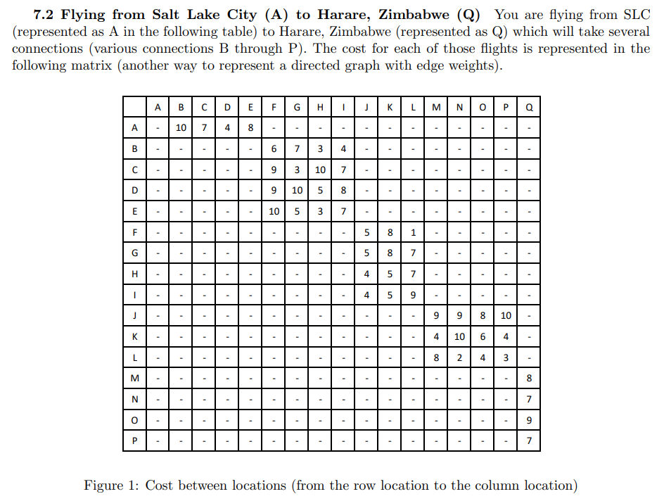
Node | Cost | Next
A
B
C
D
E
F
G
H
I
J
K | 11 | P
L | 9 | O
M | 8 | Q
N | 7 | Q
O | 9 | Q
P | 7 | Q
Q | 0 | Na

