Sheet1
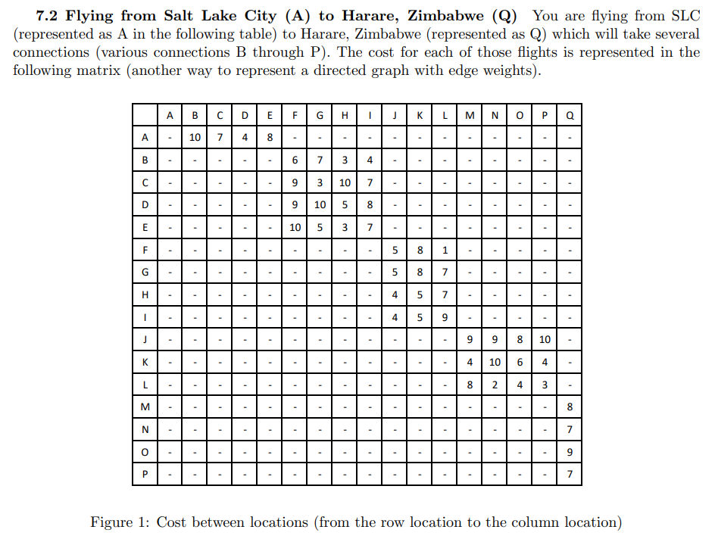
Node | Cost | Next
A | 23 | D
B | 16 | F
C | 19 | F or G
D | 19 | F
E | 19 | H
F | 10 | L
G | 16 | L
H | 16 | K or L | Note: Both had the same cost
I | 16 | K
J | 16 | N
K | 11 | P
L | 9 | O
M | 8 | Q
N | 7 | Q
O | 9 | Q
P | 7 | Q
Q | 0 | Na

