Relational Diagram
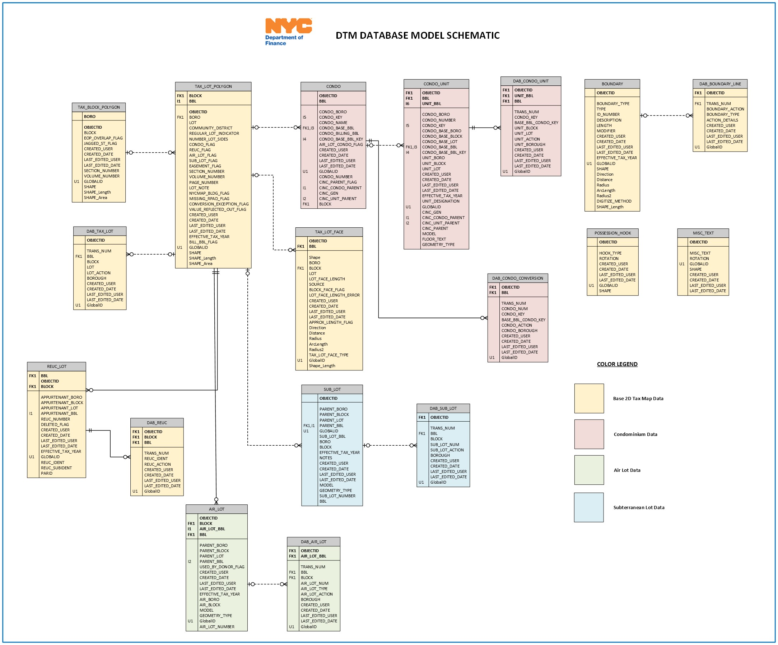
Data Dictionary - Relational Diagram
The relational diagram visually displays all datasets that are part of a relational database / dataset collection and how they are connected by primary and foreign keys.

