LOG
Chess Project Log
Task | Feature | Status | Duration | Description | Comments
Extract windows form chess logic to a new, refactored class based chess library that can be used for any C# based project | Game, Board, Player, and Pieces (mostly setting up key components) | Completed on Mar 25 | ~4 hours - Implement Pieces ('Piece' is abstract class, 'Pawn', 'Rook', 'Queen', etc are derived classes, Created 'Game' class that takes parameters 'board', 'p1', 'p2', create 'Board' and 'Player' classes, remove unnessesary / redundant code | To begin this project, I am taking my existing windows form chess logic and creating a universal c# chess library that is stored in a dedicated class library. I am using existing logic to speed up the process. | What I plan to do with the new and improved chess project, is make it move expandable and allow for more features such as an AI player, TCP/IP muliplayer, and many more.
Refactor 'GetMoves()' method for each piece | Change the 'Get Moves' abstract method so it is much more simplified | Completed on Mar 26 | ~2 hours - Find a new structure to generate my pieces moves. It ended up being extremely more efficient than before where I had tons of if statements to find the moves. | The technique I used was to give each piece a template. The template defined what directions were valid for the specific piece. Ex. Pawn's template was 1 forward, King bishop, queen would be all directions. Also you would define a range. In my case, the kings, knights, and pawns range would be 1, and queen, bishop and rook would have a range of the size of the board. | The image to the right is a screenshot of how the queen class looks, the layout is similar for all other piece classes, you can see that the templates define the direction on the plane of a 2d array (which is the chessboard). Below there is a method held in a different utility class that takes the board, current piece, range, and templates to return a list of moves on the board. | 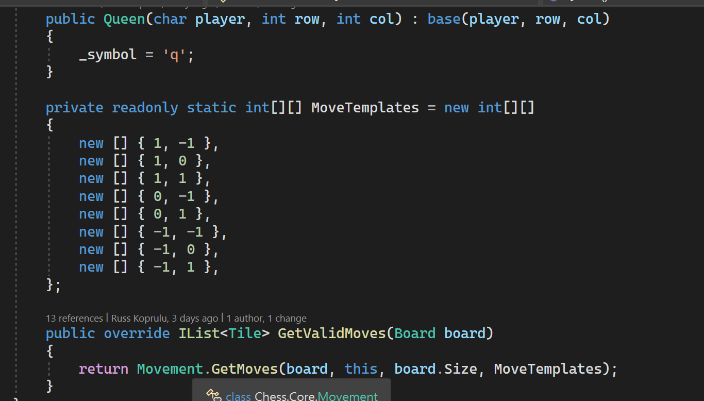
Start Implementing TCP Server | Create a TCP server | Started Apr 2 | ~2 hours | I used the assignment 6 version of the TCP server class as a template. Once I implemented it, I started refactor most of the code to match the project scope (such as changing the packet message type enum to have items related to a chess game). | Once I got the basic implementation of the server, I started looking for ways to simplify the code using youtube tutorials and online docs. When I felt that the code was clean enough. I was able to start a TCP server on a console app with only a few lines of code.
Start Creating TCP Client Class | TCP Client Class that can send messages to server | Started Apr 2 | ~1 hour | For the client, I used the assignment 6 code as a template and made changes accordingly, I spend a lot of time searching online for solutions to simplify the code. | For both my Client and Server classes I had just made, I am storing them inside my Chess core library under the Core.TCP namespace. My goal is to create a code base where I will be able to implement all aspects of my chess library on every C# platform.
Chess server console app | Create a TCP server implementation as a console application | Started Apr 4 | ~2 hour | After making sure my TCP Server class (located in the chess core library) was set up, I created a console app and added the server to it. | My plan with the server is this: When a client clicks host game button, the server app and client form will start up and connect to the server
Improve functionality of UDP server | Server will have the logic of a chess game and will be controlled by clients | started Apr 6 | ~2 hours | The server application will have a chess operating inside of it and will broadcast any actions that are made to the 2 players | Ex. If a player makes a move both clients will get the updated board
Work on UDP functionality | Spent time refactoring code and testing 2 udp clients that are connected to 1 server | Started Apr 8 | ~5 hours | During this time, I worked on the projects UDP features, There was a lot of tweaking and testing. I mostly configured the server side and what it does with the packets | I have a packet class with message types such as GameUpdate Request / GameUpdateResponse where the user wil send a request whenever they need an updated and the server will respond by sending back the game data.
UDP Client side functionality | upon connecting to a server the users will request a game update | Started Apr 8 | ~4 hours | The client side app contains a board but it is only there to hold the current game state that is received from the server. When a game request happens, the game data is sent as json over the connection. | Additionally, when the server starts, I will wait for clients to join and will assign player 1 and player 2, once the 2 players are assigned the game will start.
UDP Client side making moves | The client app can make and send moves to the server where it will refresh both players screen once the move is made | Started Apr 10 | ~3 hours | When both clients screen loads, they can make a move (if it is their turn), the server will receive the 'Move' packet type to then update and reply to both clients
Game logic improvments | Chess logic that includes when a king is in check and move validation for the king to escape a checked state | Started Apr 11 | ~3 hours | To complete this task I looked at several topics and resources online. When a king is in check, it forces the checked player to make a move that will allow the king to escape the checked state. | To implement this, I used psuedocode that ChatGPT generated me. Essentially what you have to do is check each attacking players moves and if one of those moves land on the kings spot, that means the king is in check. The method to check for this is after each move.
More game logic improvments | Add the logic to force the checked player to cover the line of sight where a piece is checking a king | Started Apr 12 | ~4 hours | The way you check for this is basically creating a temporary board with the current game state, then moving each piece to a location that it would normally be able to move to. Each time a move like that is made, there will be a check if the king is still in a checked state, if they are not checked in that given position add, add that position to the list of valid moves. | This task was probably the most difficult to understand because it requires you to go into the future and check every scenario to see if the position will protect your king piece. However, with some video tutorials and psuedocode from ChatGpt, I was able to implement it into my project. Now the next steps are to check for the checkmate status of a game.
logic improvments | Finalize in check logic for chess game | Completed Apr 12 | ~3 hours | During this period, I spend time implementing the rest of the logic needed to complete this feature. I spent lots of time writing xUnit tests as well | The next step is to implement logic for checkmate
checkmate logic | Checkmate logic | Started Apr 14 | ~4 hours | Spent time today looking at ways I can tackle this feature. I watched some tutorials on how a guy implemented checkmate to their chess engine in python, then I wen to chatGPT and asked to generate some psuedocode. Then I started coding it into my own project. | Probably the most difficult in terms of making it function properly because it required me to be able to check for future move and calculate the position of the king
finalize checkmate logic | Checkmate logic | Completed Apr 15 | ~3 hours | At this point I was able to move out of check once a king was put in check, but I still had to figure out how to prevent moves that would put the king in a checked position. | To complete this, I used a method I had created the day before called 'IsKingInCheck()'. It would take the move before it is made and place it on a temp board to check if doing the move resulted in a checked position. I simply used this where the move is validated inside the 'MakeMove' method.
implement game over | Game over feature | Started Apr 15 | ~1 hours | This was fairly simple. All I had to do was when a player makes a move and that move checks the king, if the checked player has no moves, it is game over.
Test game and hand in | Spent time testing the app between multiple computers across the network | started april 20 | ~4 hours | Most of the time was spend make tweaks in the server and client side apps, making sure it will work during presentation

