LOG
Chess Project Log
Task | Feature | Status | Duration | Description | Comments
Extract windows form chess logic to a new, refactored class based chess library that can be used for any C# based project | Game, Board, Player, and Pieces (mostly setting up key components) | Completed on Mar 25 | ~4 hours - Implement Pieces ('Piece' is abstract class, 'Pawn', 'Rook', 'Queen', etc are derived classes, Created 'Game' class that takes parameters 'board', 'p1', 'p2', create 'Board' and 'Player' classes, remove unnessesary / redundant code | To begin this project, I am taking my existing windows form chess logic and creating a universal c# chess library that is stored in a dedicated class library. I am using existing logic to speed up the process. | What I plan to do with the new and improved chess project, is make it move expandable and allow for more features such as an AI player, TCP/IP muliplayer, and many more.
Refactor 'GetMoves()' method for each piece | Change the 'Get Moves' abstract method so it is much more simplified | Completed on Mar 26 | ~2 hours - Find a new structure to generate my pieces moves. It ended up being extremely more efficient than before where I had tons of if statements to find the moves. | The technique I used was to give each piece a template. The template defined what directions were valid for the specific piece. Ex. Pawn's template was 1 forward, King bishop, queen would be all directions. Also you would define a range. In my case, the kings, knights, and pawns range would be 1, and queen, bishop and rook would have a range of the size of the board. | The image to the right is a screenshot of how the queen class looks, the layout is similar for all other piece classes, you can see that the templates define the direction on the plane of a 2d array (which is the chessboard). Below there is a method held in a different utility class that takes the board, current piece, range, and templates to return a list of moves on the board. | 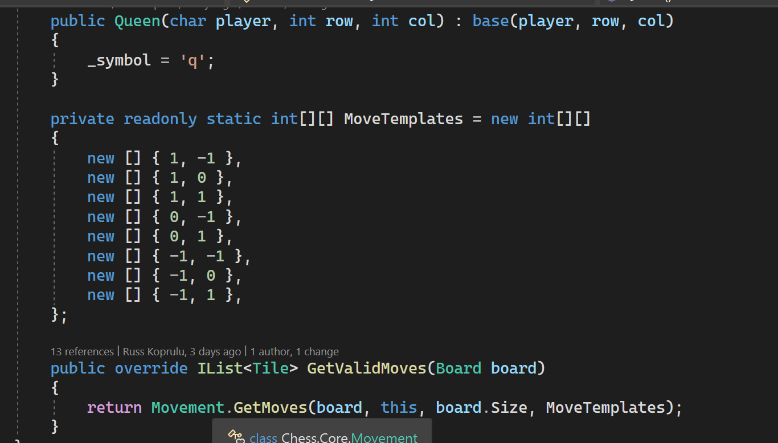
Start Implementing TCP Server | Create a TCP server | Started Apr 2 | ~2 hours | I used the assignment 6 version of the TCP server class as a template. Once I implemented it, I started refactor most of the code to match the project scope (such as changing the packet message type enum to have items related to a chess game). | Once I got the basic implementation of the server, I started looking for ways to simplify the code using youtube tutorials and online docs. When I felt that the code was clean enough. I was able to start a TCP server on a console app with only a few lines of code.
Start Creating TCP Client Class | TCP Client Class that can send messages to server | Started Apr 2 | ~1 hour | For the client, I used the assignment 6 code as a template and made changes accordingly, I spend a lot of time searching online for solutions to simplify the code. | For both my Client and Server classes I had just made, I am storing them inside my Chess core library under the Core.TCP namespace. My goal is to create a code base where I will be able to implement all aspects of my chess library on every C# platform.
Chess server console app | Create a TCP server implementation as a console application | Started Apr 4 | ~2 hour | After making sure my TCP Server class (located in the chess core library) was set up, I created a console app and added the server to it. | My plan with the server is this: When a client clicks host game button, the server app and client form will start up and connect to the server
Improve functionality of UDP server | Server will have the logic of a chess game and will be controlled by clients | started Apr 6 | ~2 hours | The server application will have a chess operating inside of it and will broadcast any actions that are made to the 2 players | Ex. If a player makes a move both clients will get the updated board
Work on UDP functionality | Spent time refactoring code and testing 2 udp clients that are connected to 1 server | Started Apr 8 | ~5 hours | During this time, I worked on the projects UDP features, There was a lot of tweaking and testing. I mostly configured the server side and what it does with the packets | I have a packet class with message types such as GameUpdate Request / GameUpdateResponse where the user wil send a request whenever they need an updated and the server will respond by sending back the game data.
UDP Client side functionality | upon connecting to a server the users will request a game update | Started Apr 8 | ~4 hours | The client side app contains a board but it is only there to hold the current game state that is received from the server. When a game request happens, the game data is sent as json over the connection. | Additionally, when the server starts, I will wait for clients to join and will assign player 1 and player 2, once the 2 players are assigned the game will start.
UDP Client side making moves | The client app can make and send moves to the server where it will refresh both players screen once the move is made | Started Apr 10 | ~3 hours | When both clients screen loads, they can make a move (if it is their turn), the server will receive the 'Move' packet type to then update and reply to both clients

