09_Charts
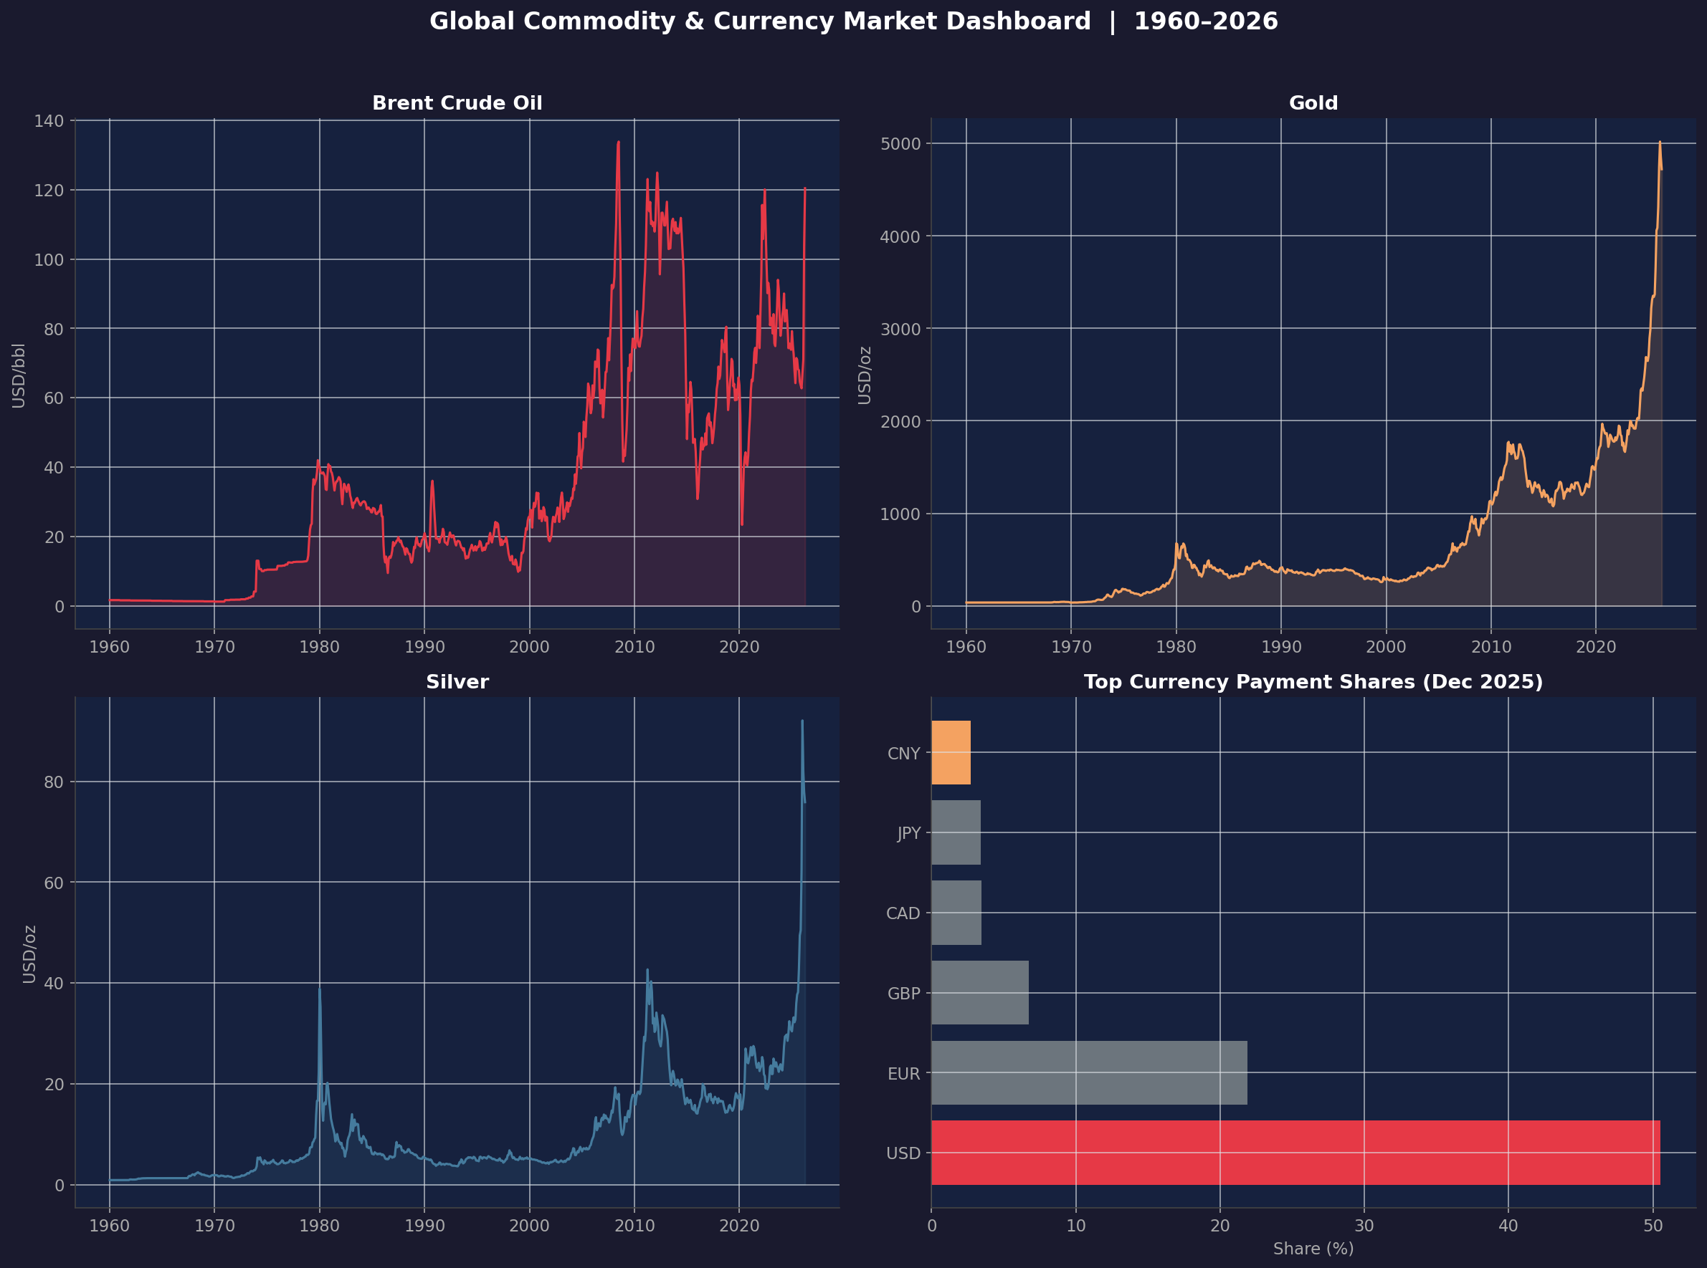
All Charts – Commodity & Currency Market Analysis
Figure 1: Brent Crude Oil Price Trend (1960–2026)
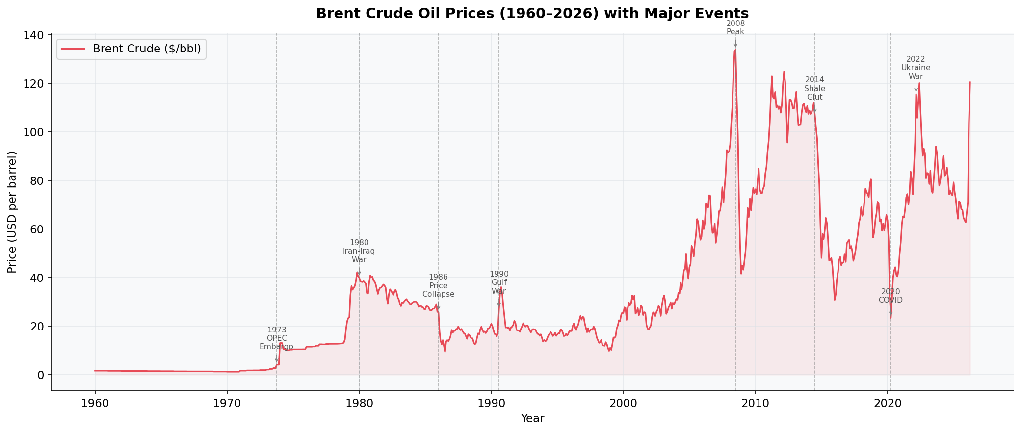

Figure 2: Gold Price Trend (1960–2026)
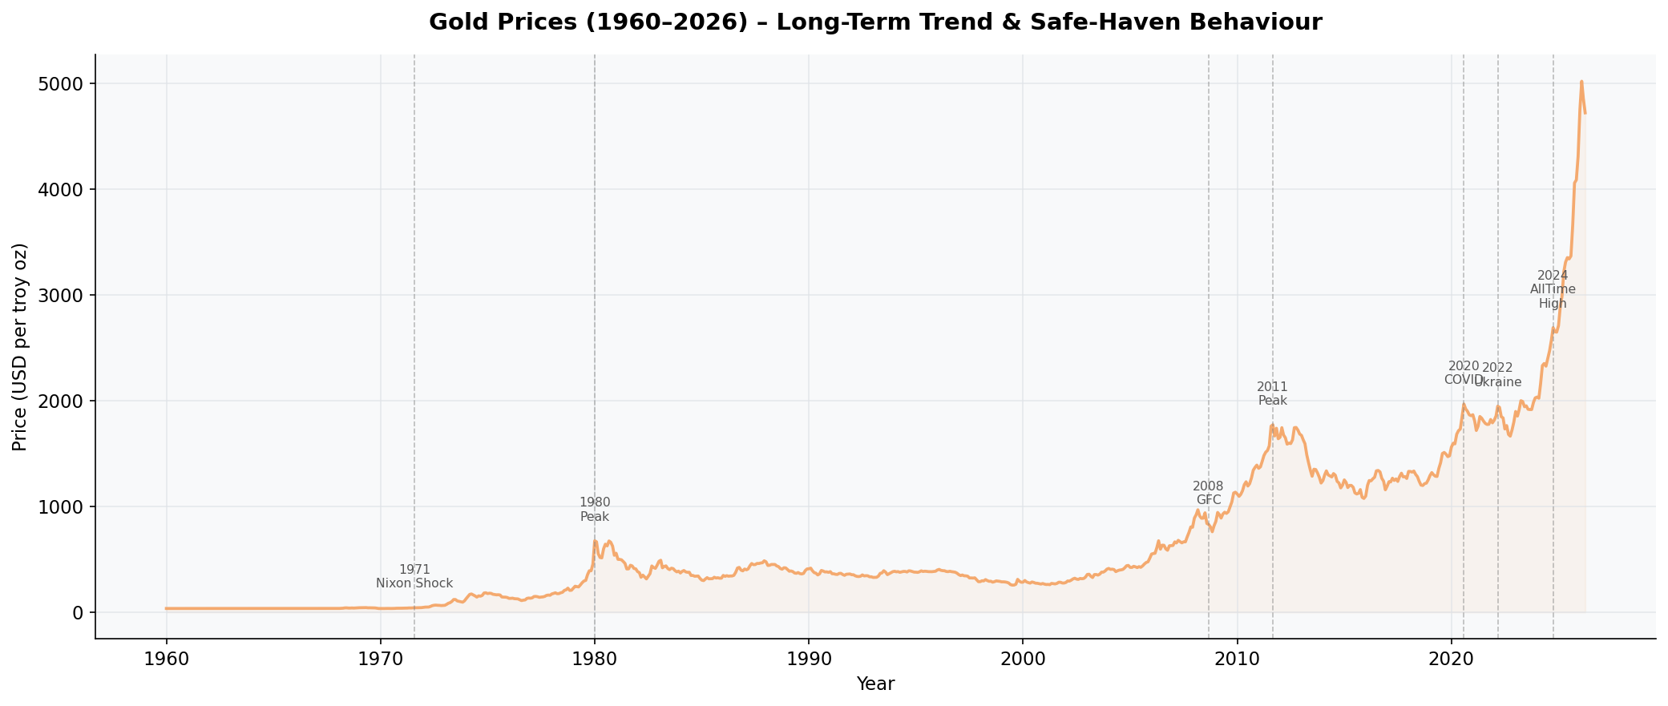

Figure 3: Silver Price Trend (1960–2026)
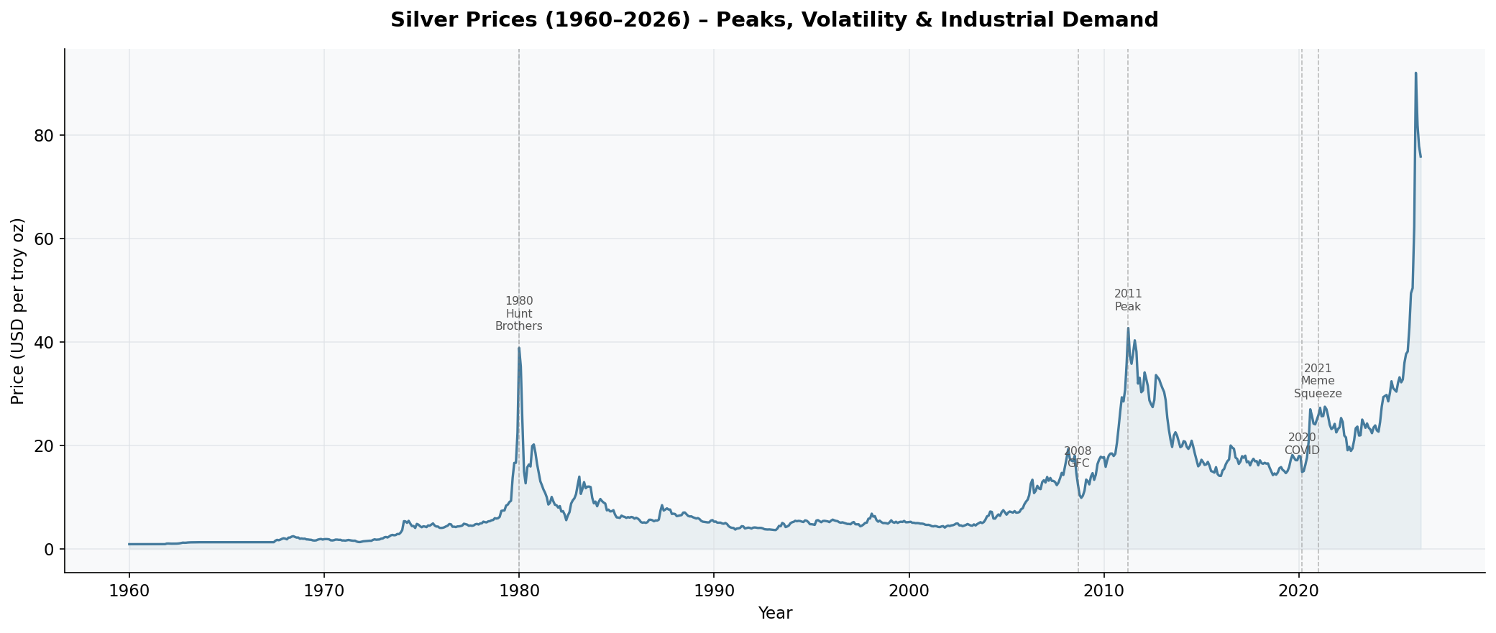

Figure 4: Gold vs Silver Combined Chart
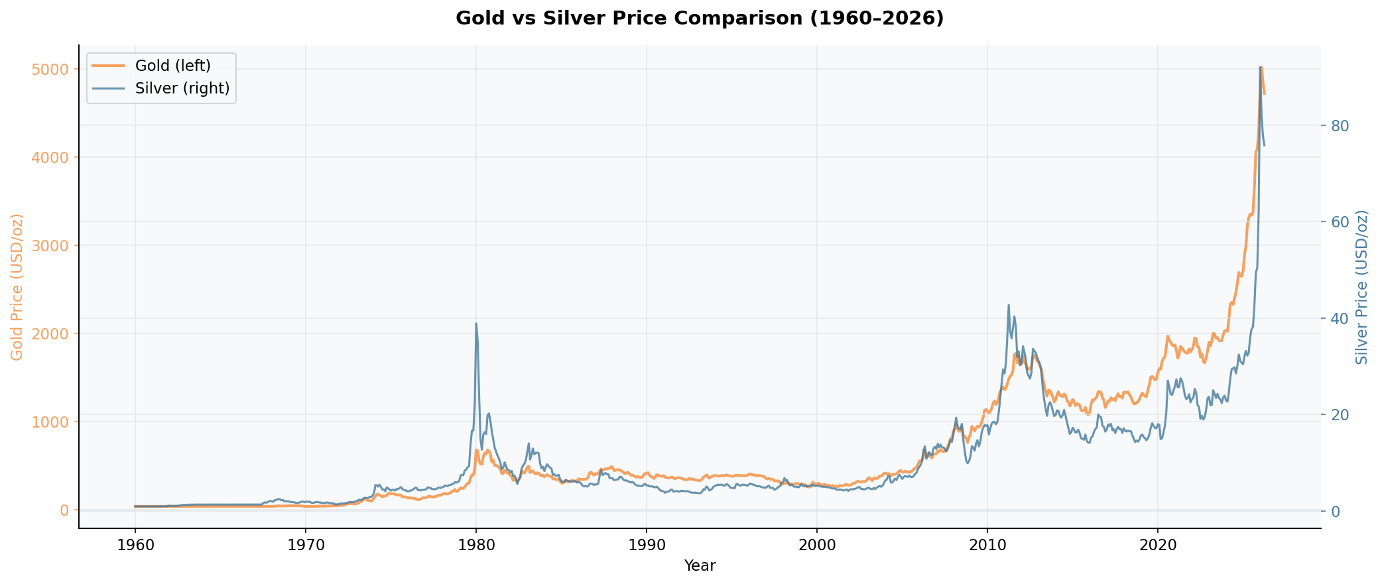

Figure 5: Annual Brent Oil Prices (2015–2026)
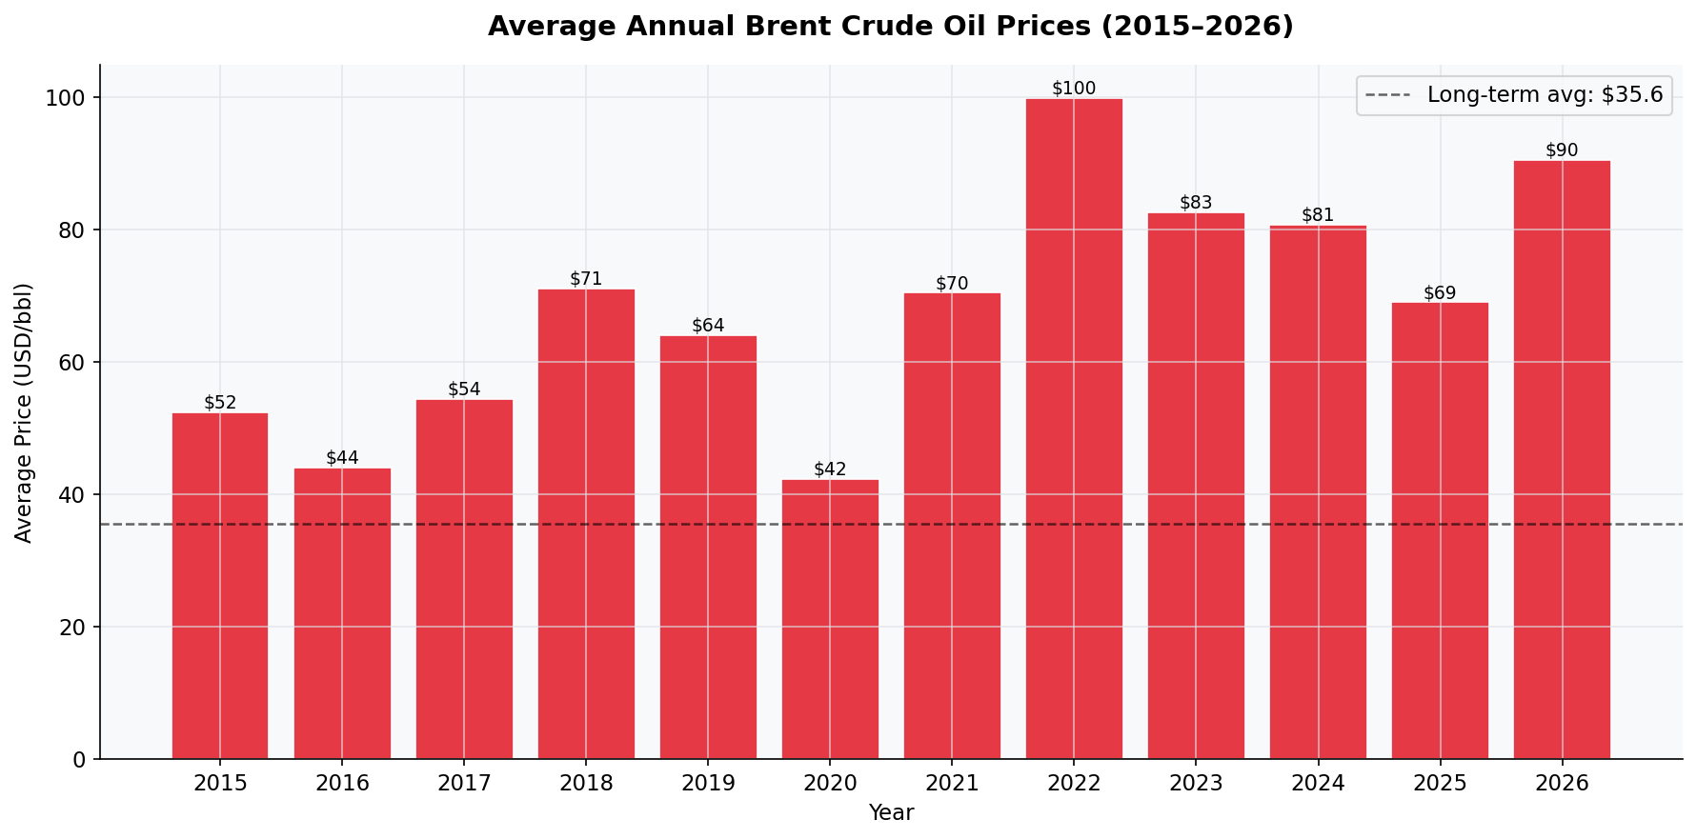

Figure 6: Top 10 Currency Payment Shares
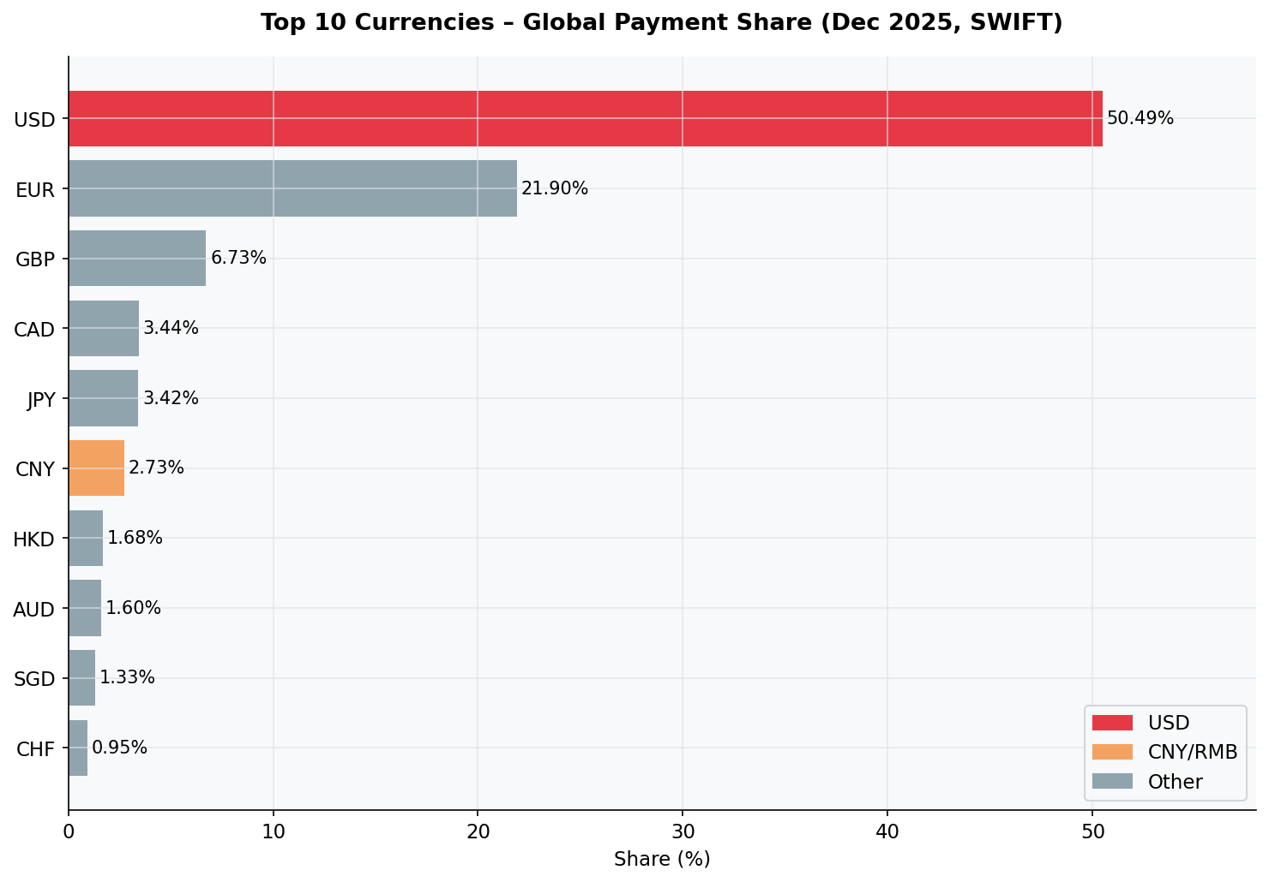

Figure 7: Offshore RMB by Economy
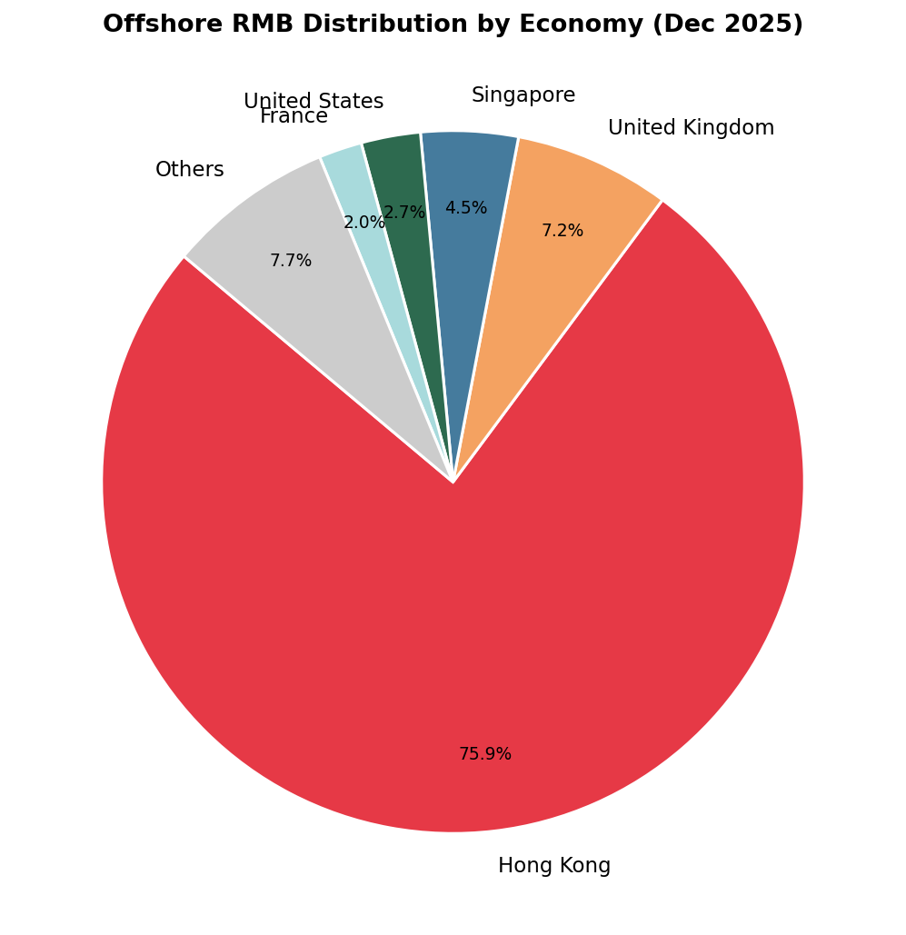

Figure 8: GFC Crisis Comparison (2007–2010)
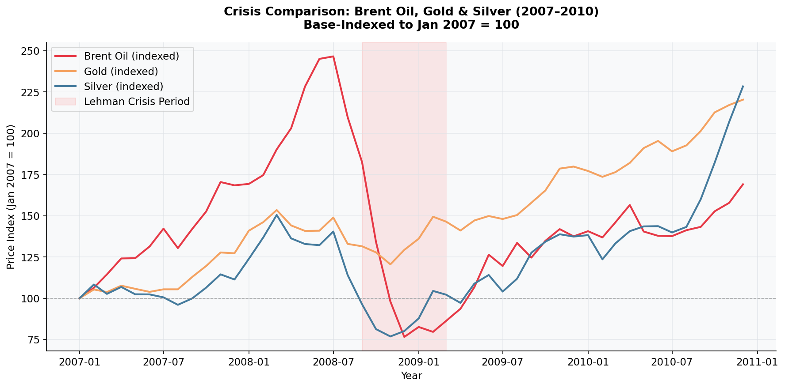

Figure 9: Monthly Volatility Comparison
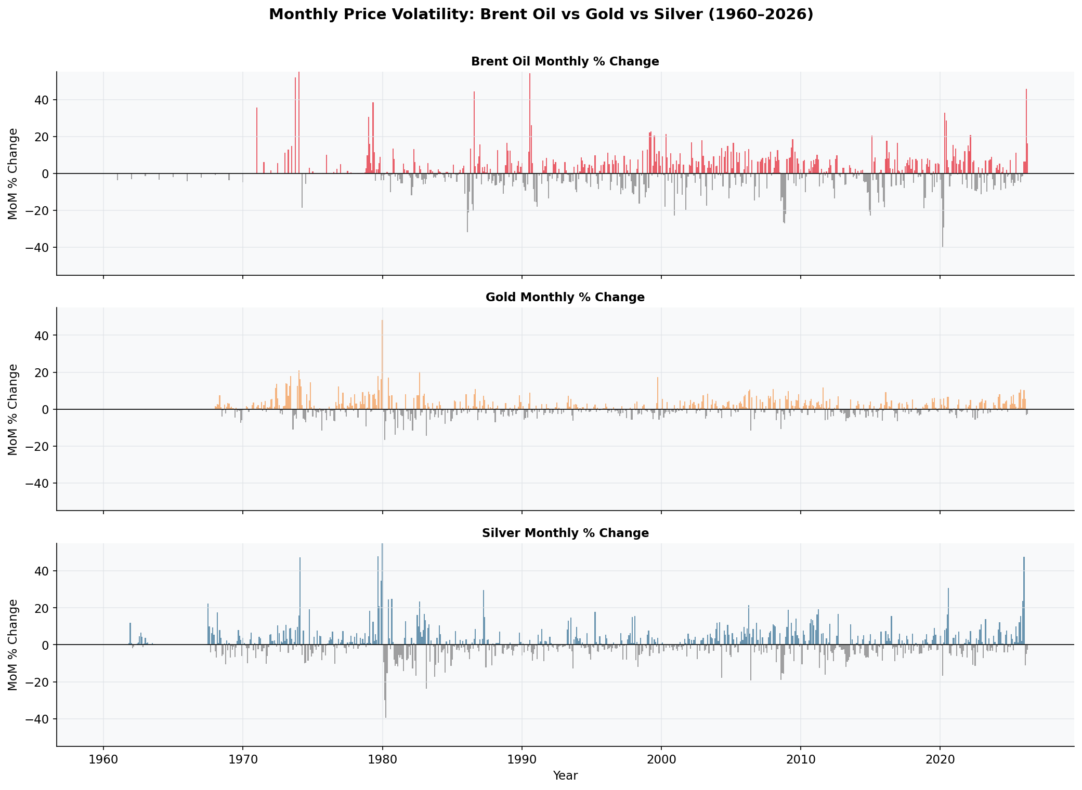

Figure 10: USD vs CNY Payment Share Trends
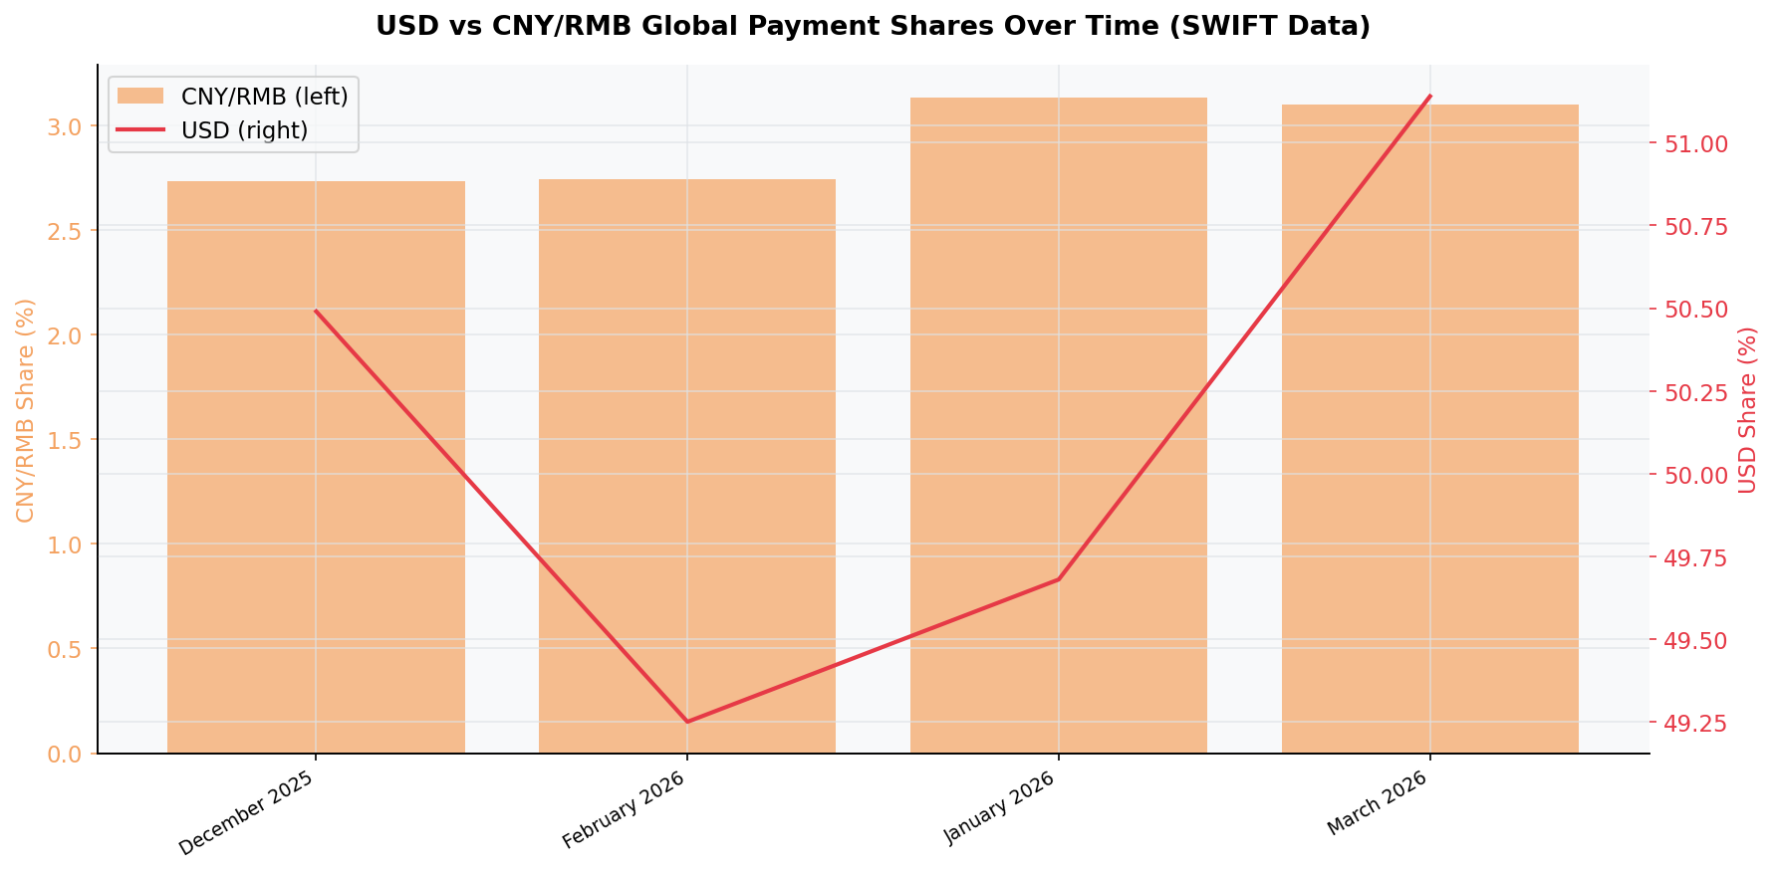

Figure B3: Correlation Heatmap
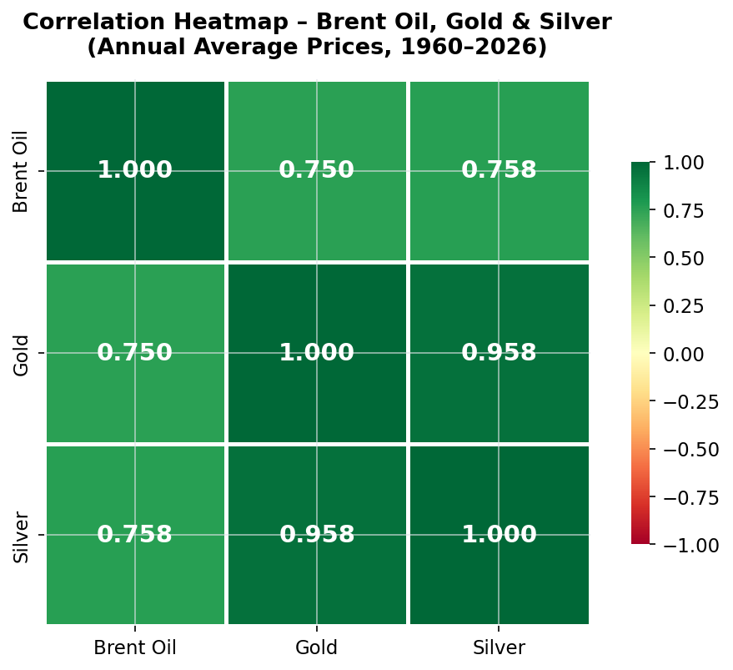

Figure B4: Gold vs Silver Scatter Plot
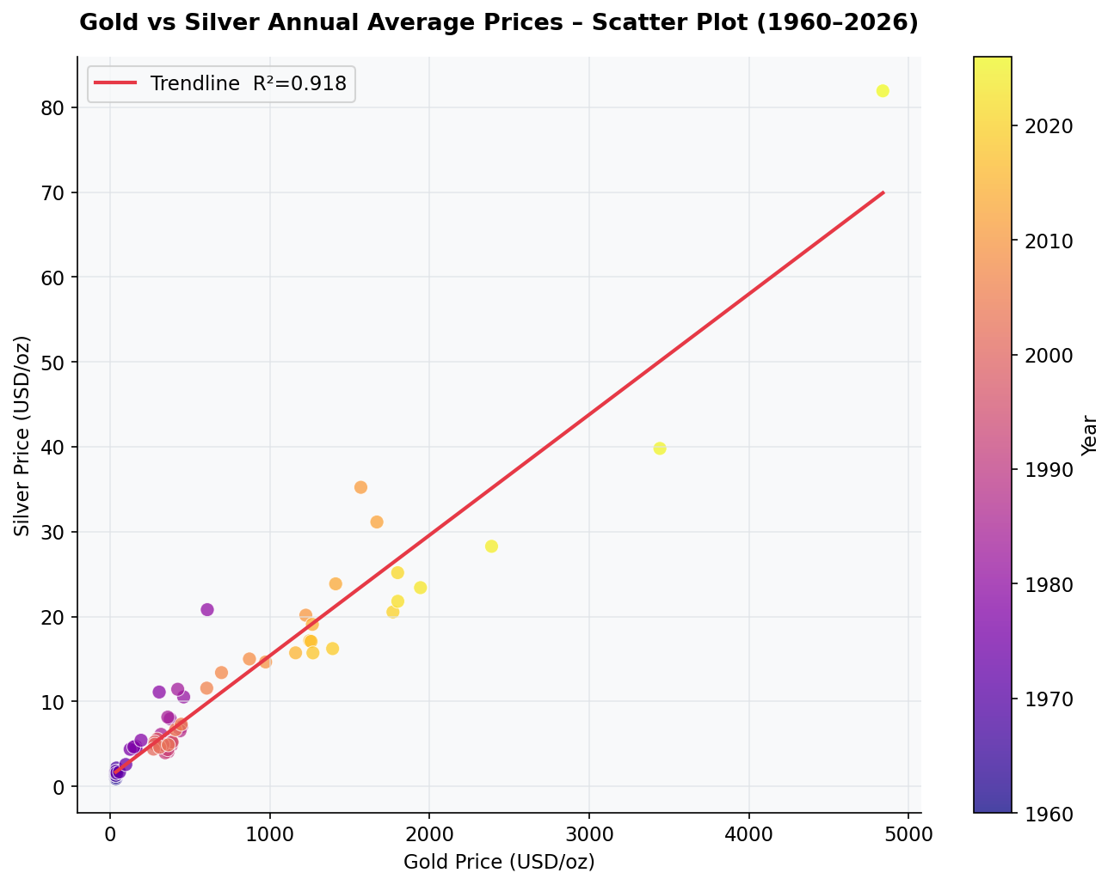

Figure B5: Gold Moving Averages
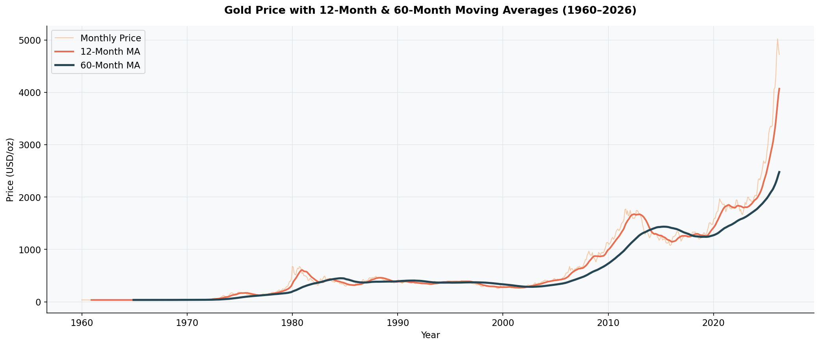

Figure B6: Brent Oil Forecast (Estimate)
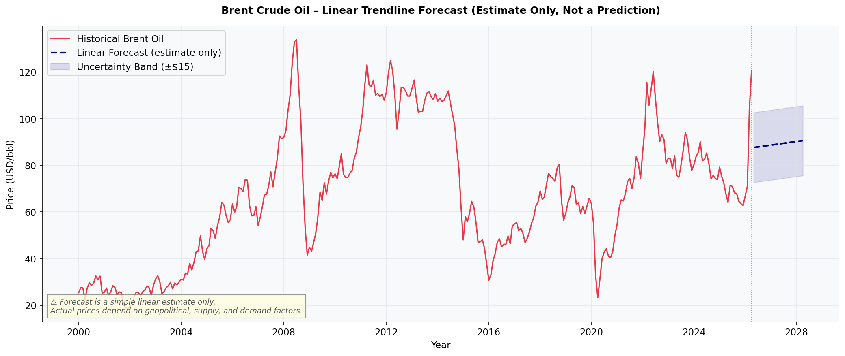

Figure Dashboard: Market Overview Dashboard

