历史行情
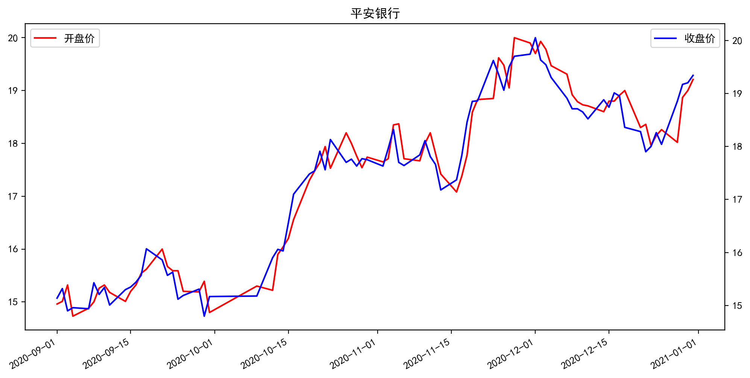
日期 | 开盘价 | 收盘价 | 涨跌额 | 股价涨跌幅(%) | 成交量(手) | 换手率 | MA5 | MA10 | MA20
12/31/2020 | 19.21 | 19.34 | 0.14 | 0.73 | 924503.44 | 0.48 | 18.92 | 18.54 | 18.689
12/30/2020 | 19 | 19.2 | 0.03 | 0.16 | 978497.75 | 0.5 | 18.704 | 18.501 | 18.699
12/29/2020 | 18.87 | 19.17 | 0.32 | 1.7 | 963092.25 | 0.5 | 18.464 | 18.482 | 18.721
12/28/2020 | 18.02 | 18.85 | 0.81 | 4.49 | 1270337 | 0.65 | 18.21 | 18.439 | 18.765
12/25/2020 | 18.26 | 18.04 | -0.22 | -1.21 | 577077.31 | 0.3 | 18.096 | 18.442 | 18.809
12/24/2020 | 18.15 | 18.26 | 0.26 | 1.44 | 632950.12 | 0.33 | 18.16 | 18.49 | 18.892
12/23/2020 | 17.96 | 18 | 0.1 | 0.56 | 750082.75 | 0.39 | 18.298 | 18.529 | 18.954
12/22/2020 | 18.36 | 17.9 | -0.38 | -2.08 | 1028737.5 | 0.53 | 18.5 | 18.6 | 19.007
12/21/2020 | 18.3 | 18.28 | -0.08 | -0.44 | 906878.06 | 0.47 | 18.668 | 18.681 | 19.08
12/18/2020 | 19 | 18.36 | -0.59 | -3.11 | 1058756.38 | 0.55 | 18.788 | 18.744 | 19.147
12/17/2020 | 18.91 | 18.95 | -0.06 | -0.32 | 686140.75 | 0.35 | 18.82 | 18.838 | 19.172
12/16/2020 | 18.8 | 19.01 | 0.27 | 1.44 | 689070.38 | 0.36 | 18.76 | 18.897 | 19.167
12/15/2020 | 18.8 | 18.74 | -0.14 | -0.74 | 788857.94 | 0.41 | 18.7 | 18.959 | 19.14
12/14/2020 | 18.6 | 18.88 | 0.36 | 1.94 | 835991.75 | 0.43 | 18.694 | 19.09 | 19.094
12/11/2020 | 18.71 | 18.52 | -0.13 | -0.7 | 887793.81 | 0.46 | 18.7 | 19.176 | 19.019
12/10/2020 | 18.73 | 18.65 | -0.06 | -0.32 | 607866.56 | 0.31 | 18.856 | 19.294 | 18.952
12/9/2020 | 18.79 | 18.71 | 0 | 0 | 677221.12 | 0.35 | 19.034 | 19.379 | 18.902
12/8/2020 | 18.92 | 18.71 | -0.2 | -1.06 | 719647.5 | 0.37 | 19.218 | 19.414 | 18.857
12/7/2020 | 19.31 | 18.91 | -0.39 | -2.02 | 873806.62 | 0.45 | 19.486 | 19.479 | 18.827
12/4/2020 | 19.47 | 19.3 | -0.24 | -1.23 | 891347.81 | 0.46 | 19.652 | 19.55 | 18.774
12/3/2020 | 19.78 | 19.54 | -0.09 | -0.46 | 714452.31 | 0.37 | 19.732 | 19.506 | 18.691
12/2/2020 | 19.93 | 19.63 | -0.42 | -2.1 | 889385.25 | 0.46 | 19.724 | 19.437 | 18.599
12/1/2020 | 19.7 | 20.05 | 0.31 | 1.57 | 1263719.75 | 0.65 | 19.61 | 19.32 | 18.533
11/30/2020 | 19.9 | 19.74 | 0.04 | 0.2 | 1581441.25 | 0.81 | 19.472 | 19.098 | 18.429
11/27/2020 | 20 | 19.7 | 0.2 | 1.03 | 753773.75 | 0.39 | 19.448 | 18.861 | 18.323
11/26/2020 | 19.05 | 19.5 | 0.44 | 2.31 | 639657.88 | 0.33 | 19.28 | 18.609 | 18.226
11/25/2020 | 19.48 | 19.06 | -0.3 | -1.55 | 552585 | 0.28 | 19.15 | 18.425 | 18.139
11/24/2020 | 19.62 | 19.36 | -0.26 | -1.32 | 678543.19 | 0.35 | 19.03 | 18.3 | 18.068
11/23/2020 | 18.85 | 19.62 | 0.76 | 4.03 | 1165858.25 | 0.6 | 18.724 | 18.175 | 17.988
11/20/2020 | 18.83 | 18.86 | 0.01 | 0.05 | 673919.19 | 0.35 | 18.274 | 17.997 | 17.892
11/19/2020 | 18.59 | 18.85 | 0.39 | 2.11 | 1211740.62 | 0.62 | 17.938 | 17.875 | 17.855
11/18/2020 | 17.78 | 18.46 | 0.63 | 3.53 | 1373400.62 | 0.71 | 17.7 | 17.76 | 17.791
11/17/2020 | 17.38 | 17.83 | 0.46 | 2.65 | 852930.5 | 0.44 | 17.57 | 17.746 | 17.763
11/16/2020 | 17.08 | 17.37 | 0.19 | 1.11 | 759856.94 | 0.39 | 17.626 | 17.759 | 17.749
11/13/2020 | 17.42 | 17.18 | -0.48 | -2.72 | 1289189.25 | 0.66 | 17.72 | 17.785 | 17.754
11/12/2020 | 17.81 | 17.66 | -0.15 | -0.84 | 677258.5 | 0.35 | 17.812 | 17.842 | 17.75
11/11/2020 | 18.2 | 17.81 | -0.3 | -1.66 | 940130.06 | 0.48 | 17.82 | 17.853 | 17.695
11/10/2020 | 18 | 18.11 | 0.27 | 1.51 | 1021062.81 | 0.53 | 17.922 | 17.835 | 17.606
11/9/2020 | 17.67 | 17.84 | 0.2 | 1.13 | 951424.31 | 0.49 | 17.892 | 17.8 | 17.504
11/6/2020 | 17.71 | 17.64 | -0.06 | -0.34 | 848781.5 | 0.44 | 17.85 | 17.786 | 17.407
11/5/2020 | 18.37 | 17.7 | -0.62 | -3.38 | 1429469.5 | 0.74 | 17.872 | 17.835 | 17.284
11/4/2020 | 18.35 | 18.32 | 0.36 | 2 | 1247636.38 | 0.64 | 17.886 | 17.821 | 17.157
11/3/2020 | 17.71 | 17.96 | 0.33 | 1.87 | 957868.62 | 0.49 | 17.748 | 17.78 | 16.981
11/2/2020 | 17.65 | 17.63 | -0.12 | -0.68 | 968452.81 | 0.5 | 17.708 | 17.738 | 16.849
10/30/2020 | 17.74 | 17.75 | -0.02 | -0.11 | 1007803.81 | 0.52 | 17.722 | 17.723 | 16.727
10/29/2020 | 17.54 | 17.77 | 0.14 | 0.79 | 846603.62 | 0.44 | 17.798 | 17.658 | 16.595
10/28/2020 | 17.76 | 17.63 | -0.13 | -0.73 | 1205823.88 | 0.62 | 17.756 | 17.537 | 16.488
10/27/2020 | 18 | 17.76 | 0.06 | 0.34 | 1034865.06 | 0.53 | 17.812 | 17.377 | 16.385
10/26/2020 | 18.2 | 17.7 | -0.43 | -2.37 | 1175598.62 | 0.61 | 17.768 | 17.207 | 16.29
10/23/2020 | 17.53 | 18.13 | 0.57 | 3.25 | 1698501.75 | 0.88 | 17.724 | 17.027 | 16.209
10/22/2020 | 17.94 | 17.56 | -0.35 | -1.95 | 1890519 | 0.97 | 17.518 | 16.732 | 16.081
10/21/2020 | 17.64 | 17.91 | 0.37 | 2.11 | 1244560.12 | 0.64 | 17.318 | 16.493 | 15.975
10/20/2020 | 17.48 | 17.54 | 0.06 | 0.34 | 960071.94 | 0.49 | 16.942 | 16.182 | 15.847
10/19/2020 | 17.3 | 17.48 | 0.38 | 2.22 | 2016105.62 | 1.04 | 16.646 | 15.959 | 15.735
10/16/2020 | 16.56 | 17.1 | 0.54 | 3.26 | 2095614.25 | 1.08 | 16.33 | 15.73 | 15.611
10/15/2020 | 16.2 | 16.56 | 0.53 | 3.31 | 1600062.38 | 0.82 | 15.946 | 15.532 | 15.523
10/14/2020 | 16.04 | 16.03 | -0.03 | -0.19 | 662562.38 | 0.34 | 15.668 | 15.439 | 15.456
10/13/2020 | 15.9 | 16.06 | 0.16 | 1.01 | 908819.5 | 0.47 | 15.422 | 15.393 | 15.426
10/12/2020 | 15.22 | 15.9 | 0.72 | 4.74 | 1591347.25 | 0.82 | 15.272 | 15.373 | 15.37
10/9/2020 | 15.3 | 15.18 | 0.01 | 0.07 | 900425.94 | 0.46 | 15.13 | 15.39 | 15.323
9/30/2020 | 14.8 | 15.17 | 0.37 | 2.5 | 1217064.75 | 0.63 | 15.118 | 15.429 | 15.309
9/29/2020 | 15.39 | 14.8 | -0.51 | -3.33 | 1182374.38 | 0.61 | 15.21 | 15.456 | 15.316
9/28/2020 | 15.19 | 15.31 | 0.12 | 0.79 | 612711.12 | 0.32 | 15.364 | 15.511 | 15.333
9/25/2020 | 15.2 | 15.19 | 0.07 | 0.46 | 614087 | 0.32 | 15.474 | 15.51 | 15.322
9/24/2020 | 15.59 | 15.12 | -0.51 | -3.26 | 1061011.25 | 0.55 | 15.65 | 15.492 | 15.319
9/23/2020 | 15.59 | 15.63 | 0.06 | 0.39 | 599200.5 | 0.31 | 15.74 | 15.514 | 15.286
9/22/2020 | 15.67 | 15.57 | -0.29 | -1.83 | 867756.31 | 0.45 | 15.702 | 15.472 | 15.223
9/21/2020 | 16 | 15.86 | -0.21 | -1.31 | 896161.69 | 0.46 | 15.658 | 15.458 | 15.174
9/18/2020 | 15.62 | 16.07 | 0.5 | 3.21 | 1373193.25 | 0.71 | 15.546 | 15.366 | 15.104
9/17/2020 | 15.54 | 15.57 | 0.13 | 0.84 | 988215.62 | 0.51 | 15.334 | 15.255 | 15.023
9/16/2020 | 15.32 | 15.44 | 0.09 | 0.59 | 722414.75 | 0.37 | 15.288 | 15.188 | 14.974
9/15/2020 | 15.2 | 15.35 | 0.05 | 0.33 | 657132.69 | 0.34 | 15.242 | 15.176 | 14.957
9/14/2020 | 15.01 | 15.3 | 0.29 | 1.93 | 680251.06 | 0.35 | 15.258 | 15.155 | 14.947
9/11/2020 | 15.18 | 15.01 | -0.33 | -2.15 | 954236.25 | 0.49 | 15.186 | 15.133 | 14.942
9/10/2020 | 15.32 | 15.34 | 0.13 | 0.85 | 957092.38 | 0.49 | 15.176 | 15.145 | 14.915
9/9/2020 | 15.26 | 15.21 | -0.22 | -1.43 | 1013572.5 | 0.52 | 15.088 | 15.057 | 14.857
9/8/2020 | 15 | 15.43 | 0.49 | 3.28 | 1407601.62 | 0.73 | 15.11 | 14.973 | 14.815
9/7/2020 | 14.88 | 14.94 | -0.02 | -0.13 | 1031376.81 | 0.53 | 15.052 | 14.89 | 14.75
9/4/2020 | 14.73 | 14.96 | 0.06 | 0.4 | 909890 | 0.47 | 15.08 | 14.842 | 14.701
9/3/2020 | 15.32 | 14.9 | -0.42 | -2.74 | 1279841.62 | 0.66 | 15.114 | 14.791 | 14.638
9/2/2020 | 15.01 | 15.32 | 0.18 | 1.19 | 1679383 | 0.87 | 15.026 | 14.76 | 14.588
9/1/2020 | 14.96 | 15.14 | 0.06 | 0.4 | 813642.56 | 0.42 | 14.836 | 14.738 | 14.51

