历史行情
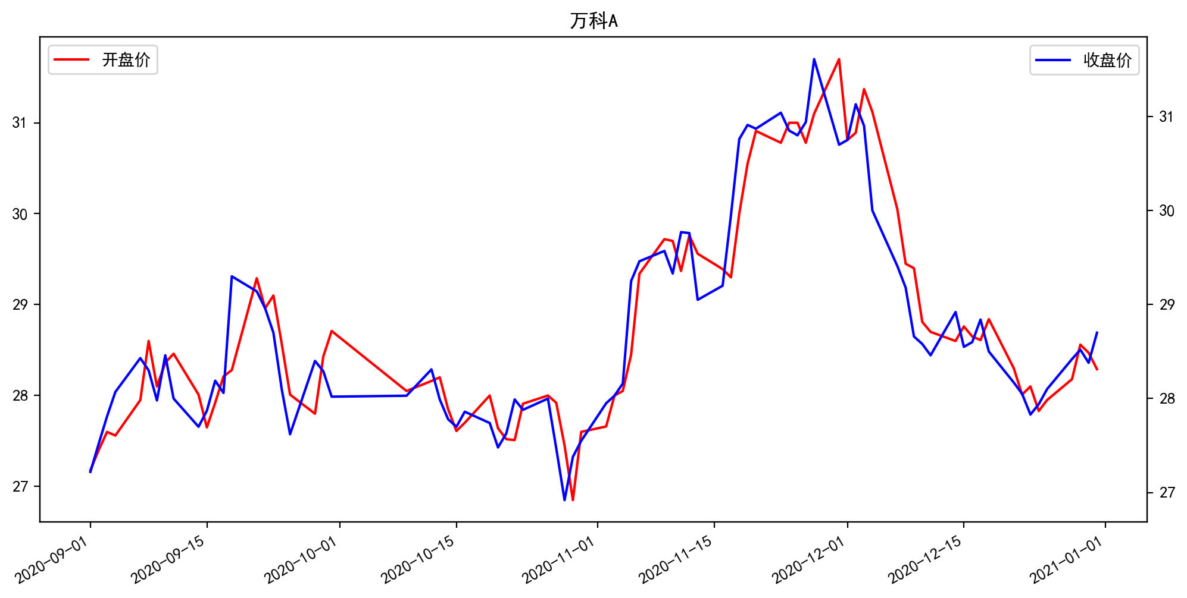
日期 | 开盘价 | 收盘价 | 涨跌额 | 股价涨跌幅(%) | 成交量(手) | 换手率 | MA5 | MA10 | MA20
12/31/2020 | 28.29 | 28.7 | 0.32 | 1.13 | 651991.12 | 0.67 | 28.424 | 28.261 | 28.591
12/30/2020 | 28.47 | 28.38 | -0.14 | -0.49 | 499718.56 | 0.51 | 28.272 | 28.275 | 28.701
12/29/2020 | 28.56 | 28.52 | 0.1 | 0.35 | 539042.94 | 0.55 | 28.162 | 28.297 | 28.838
12/28/2020 | 28.18 | 28.42 | 0.32 | 1.14 | 583680.62 | 0.6 | 28.068 | 28.3 | 28.95
12/25/2020 | 27.95 | 28.1 | 0.16 | 0.57 | 425877.25 | 0.44 | 28.018 | 28.35 | 29.064
12/24/2020 | 27.83 | 27.94 | 0.11 | 0.4 | 409857.62 | 0.42 | 28.098 | 28.386 | 29.239
12/23/2020 | 28.1 | 27.83 | -0.22 | -0.78 | 685093.19 | 0.71 | 28.278 | 28.45 | 29.389
12/22/2020 | 28.01 | 28.05 | -0.12 | -0.43 | 564349.25 | 0.58 | 28.432 | 28.533 | 29.538
12/21/2020 | 28.3 | 28.17 | -0.33 | -1.16 | 600941.5 | 0.62 | 28.532 | 28.646 | 29.678
12/18/2020 | 28.84 | 28.5 | -0.34 | -1.18 | 525459.25 | 0.54 | 28.682 | 28.77 | 29.821
12/17/2020 | 28.61 | 28.84 | 0.24 | 0.84 | 519359.09 | 0.53 | 28.674 | 28.92 | 29.94
12/16/2020 | 28.65 | 28.6 | 0.05 | 0.17 | 468666 | 0.48 | 28.622 | 29.126 | 30.043
12/15/2020 | 28.76 | 28.55 | -0.37 | -1.28 | 518014.88 | 0.53 | 28.634 | 29.379 | 30.151
12/14/2020 | 28.6 | 28.92 | 0.46 | 1.62 | 650709.81 | 0.67 | 28.76 | 29.599 | 30.221
12/11/2020 | 28.7 | 28.46 | -0.12 | -0.42 | 593671.75 | 0.61 | 28.858 | 29.777 | 30.235
12/10/2020 | 28.81 | 28.58 | -0.08 | -0.28 | 578869.69 | 0.6 | 29.166 | 30.092 | 30.265
12/9/2020 | 29.4 | 28.66 | -0.52 | -1.78 | 637035.06 | 0.66 | 29.63 | 30.328 | 30.324
12/8/2020 | 29.45 | 29.18 | -0.23 | -0.78 | 513261.44 | 0.53 | 30.124 | 30.542 | 30.379
12/7/2020 | 30.05 | 29.41 | -0.59 | -1.97 | 630086.5 | 0.65 | 30.438 | 30.709 | 30.387
12/4/2020 | 31.12 | 30 | -0.9 | -2.91 | 812748.06 | 0.84 | 30.696 | 30.872 | 30.395
12/3/2020 | 31.37 | 30.9 | -0.23 | -0.74 | 533327.5 | 0.55 | 31.018 | 30.959 | 30.368
12/2/2020 | 30.89 | 31.13 | 0.38 | 1.24 | 954561.69 | 0.98 | 31.026 | 30.96 | 30.285
12/1/2020 | 30.81 | 30.75 | 0.05 | 0.16 | 849853.44 | 0.87 | 30.96 | 30.923 | 30.137
11/30/2020 | 31.7 | 30.7 | -0.91 | -2.88 | 1353477.5 | 1.39 | 30.98 | 30.843 | 30.001
11/27/2020 | 31.1 | 31.61 | 0.67 | 2.17 | 667012.81 | 0.69 | 31.048 | 30.693 | 29.863
11/26/2020 | 30.78 | 30.94 | 0.14 | 0.46 | 584039.75 | 0.6 | 30.9 | 30.437 | 29.66
11/25/2020 | 31 | 30.8 | -0.05 | -0.16 | 525684.75 | 0.54 | 30.894 | 30.319 | 29.482
11/24/2020 | 31 | 30.85 | -0.19 | -0.61 | 493782.72 | 0.51 | 30.886 | 30.216 | 29.288
11/23/2020 | 30.78 | 31.04 | 0.17 | 0.55 | 665386.94 | 0.68 | 30.706 | 30.064 | 29.119
11/20/2020 | 30.91 | 30.87 | -0.04 | -0.13 | 453121.12 | 0.47 | 30.338 | 29.917 | 28.967
11/19/2020 | 30.55 | 30.91 | 0.15 | 0.49 | 660882.31 | 0.68 | 29.974 | 29.776 | 28.818
11/18/2020 | 30 | 30.76 | 0.81 | 2.71 | 1247658.38 | 1.28 | 29.744 | 29.61 | 28.672
11/17/2020 | 29.3 | 29.95 | 0.75 | 2.57 | 980540.94 | 1.01 | 29.546 | 29.35 | 28.515
11/16/2020 | 29.39 | 29.2 | 0.15 | 0.52 | 516576.41 | 0.53 | 29.422 | 29.158 | 28.392
11/13/2020 | 29.56 | 29.05 | -0.71 | -2.39 | 660134.62 | 0.68 | 29.496 | 29.033 | 28.319
11/12/2020 | 29.76 | 29.76 | -0.01 | -0.03 | 459057.19 | 0.47 | 29.578 | 28.883 | 28.259
11/11/2020 | 29.37 | 29.77 | 0.44 | 1.5 | 885211.81 | 0.91 | 29.476 | 28.645 | 28.156
11/10/2020 | 29.7 | 29.33 | -0.24 | -0.81 | 613770.62 | 0.63 | 29.154 | 28.36 | 28.057
11/9/2020 | 29.72 | 29.57 | 0.11 | 0.37 | 811185.44 | 0.84 | 28.894 | 28.174 | 27.99
11/6/2020 | 29.34 | 29.46 | 0.21 | 0.72 | 852880.62 | 0.88 | 28.57 | 28.017 | 27.927
11/5/2020 | 28.45 | 29.25 | 1.09 | 3.87 | 1201195.88 | 1.24 | 28.188 | 27.859 | 27.855
11/4/2020 | 28.05 | 28.16 | 0.13 | 0.46 | 454991.81 | 0.47 | 27.814 | 27.733 | 27.794
11/3/2020 | 28 | 28.03 | 0.08 | 0.29 | 617666 | 0.64 | 27.566 | 27.68 | 27.8
11/2/2020 | 27.66 | 27.95 | 0.4 | 1.45 | 826286 | 0.85 | 27.454 | 27.625 | 27.819
10/30/2020 | 27.6 | 27.55 | 0.17 | 0.62 | 937181.12 | 0.96 | 27.464 | 27.604 | 27.802
10/29/2020 | 26.85 | 27.38 | 0.46 | 1.71 | 628714.25 | 0.65 | 27.53 | 27.635 | 27.83
10/28/2020 | 27.45 | 26.92 | -0.55 | -2 | 750400.31 | 0.77 | 27.652 | 27.667 | 27.896
10/27/2020 | 27.92 | 27.47 | -0.53 | -1.89 | 597369.38 | 0.61 | 27.794 | 27.753 | 27.998
10/26/2020 | 28 | 28 | 0.12 | 0.43 | 593623.94 | 0.61 | 27.796 | 27.805 | 28.081
10/23/2020 | 27.91 | 27.88 | -0.11 | -0.39 | 579140.38 | 0.6 | 27.744 | 27.836 | 28.146
10/22/2020 | 27.51 | 27.99 | 0.36 | 1.3 | 627002.25 | 0.65 | 27.74 | 27.851 | 28.155
10/21/2020 | 27.52 | 27.63 | 0.15 | 0.55 | 473353.16 | 0.49 | 27.682 | 27.854 | 28.165
10/20/2020 | 27.64 | 27.48 | -0.26 | -0.94 | 623972.62 | 0.64 | 27.712 | 27.92 | 28.177
10/19/2020 | 28 | 27.74 | -0.12 | -0.43 | 1102097.88 | 1.13 | 27.814 | 28.012 | 28.188
10/16/2020 | 27.7 | 27.86 | 0.16 | 0.58 | 480962.09 | 0.5 | 27.928 | 28 | 28.201
10/15/2020 | 27.61 | 27.7 | -0.08 | -0.29 | 528975.38 | 0.54 | 27.962 | 28.024 | 28.231
10/14/2020 | 27.85 | 27.78 | -0.21 | -0.75 | 537838.75 | 0.55 | 28.026 | 28.124 | 28.245
10/13/2020 | 28.2 | 27.99 | -0.32 | -1.13 | 588379.94 | 0.61 | 28.128 | 28.242 | 28.271
10/12/2020 | 28.16 | 28.31 | 0.28 | 1 | 926244.62 | 0.95 | 28.21 | 28.357 | 28.293
10/9/2020 | 28.05 | 28.03 | 0.01 | 0.04 | 684345.81 | 0.7 | 28.072 | 28.456 | 28.281
9/30/2020 | 28.71 | 28.02 | -0.27 | -0.95 | 489833.19 | 0.5 | 28.086 | 28.459 | 28.27
9/29/2020 | 28.43 | 28.29 | -0.11 | -0.39 | 412967.09 | 0.43 | 28.222 | 28.476 | 28.245
9/28/2020 | 27.8 | 28.4 | 0.78 | 2.82 | 669627.75 | 0.69 | 28.356 | 28.434 | 28.192
9/25/2020 | 28.01 | 27.62 | -0.48 | -1.71 | 697229.81 | 0.72 | 28.504 | 28.364 | 28.135
9/24/2020 | 28.57 | 28.1 | -0.6 | -2.09 | 564596.5 | 0.58 | 28.84 | 28.402 | 28.133
9/23/2020 | 29.1 | 28.7 | -0.26 | -0.9 | 386288.56 | 0.4 | 28.832 | 28.438 | 28.075
9/22/2020 | 28.96 | 28.96 | -0.18 | -0.62 | 583742.38 | 0.6 | 28.73 | 28.366 | 27.994
9/21/2020 | 29.29 | 29.14 | -0.16 | -0.55 | 725102.5 | 0.75 | 28.512 | 28.3 | 27.906
9/18/2020 | 28.28 | 29.3 | 1.24 | 4.42 | 1615105.5 | 1.66 | 28.224 | 28.229 | 27.805
9/17/2020 | 28.21 | 28.06 | -0.13 | -0.46 | 565622.56 | 0.58 | 27.964 | 28.106 | 27.708
9/16/2020 | 27.92 | 28.19 | 0.32 | 1.15 | 554701.44 | 0.57 | 28.044 | 28.081 | 27.679
9/15/2020 | 27.65 | 27.87 | 0.17 | 0.61 | 584232.25 | 0.6 | 28.002 | 28.014 | 27.642
9/14/2020 | 28.01 | 27.7 | -0.3 | -1.07 | 588402.75 | 0.61 | 28.088 | 27.949 | 27.633
9/11/2020 | 28.46 | 28 | -0.46 | -1.62 | 541108.38 | 0.56 | 28.234 | 27.906 | 27.659
9/10/2020 | 28.36 | 28.46 | 0.48 | 1.72 | 954676.62 | 0.98 | 28.248 | 27.863 | 27.643
9/9/2020 | 28.1 | 27.98 | -0.32 | -1.13 | 645614.25 | 0.66 | 28.118 | 27.712 | 27.65
9/8/2020 | 28.6 | 28.3 | -0.13 | -0.46 | 964997.25 | 0.99 | 28.026 | 27.622 | 27.686
9/7/2020 | 27.95 | 28.43 | 0.36 | 1.28 | 1432294.25 | 1.47 | 27.81 | 27.511 | 27.665
9/4/2020 | 27.56 | 28.07 | 0.26 | 0.94 | 816186 | 0.84 | 27.578 | 27.381 | 27.634
9/3/2020 | 27.6 | 27.81 | 0.29 | 1.05 | 799220.56 | 0.82 | 27.478 | 27.31 | 27.582
9/2/2020 | 27.4 | 27.52 | 0.3 | 1.1 | 730022.94 | 0.75 | 27.306 | 27.277 | 27.561
9/1/2020 | 27.18 | 27.22 | -0.05 | -0.18 | 524296.25 | 0.54 | 27.218 | 27.269 | 27.552

