历史行情
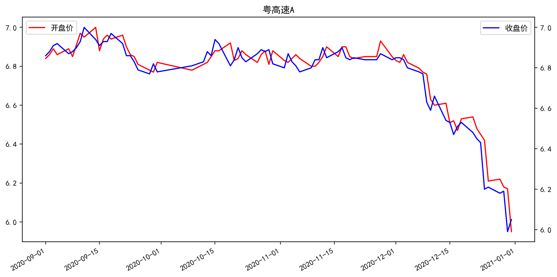
日期 | 开盘价 | 收盘价 | 涨跌额 | 股价涨跌幅(%) | 成交量(手) | 换手率 | MA5 | MA10 | MA20
12/31/2020 | 5.95 | 6.05 | 0.06 | 1 | 41888.92 | 0.32 | 6.124 | 6.271 | 6.45
12/30/2020 | 6.17 | 5.99 | -0.2 | -3.23 | 64497 | 0.5 | 6.154 | 6.317 | 6.489
12/29/2020 | 6.18 | 6.19 | 0.01 | 0.16 | 20217.05 | 0.16 | 6.242 | 6.365 | 6.532
12/28/2020 | 6.22 | 6.18 | -0.03 | -0.48 | 9382.05 | 0.07 | 6.294 | 6.399 | 6.565
12/25/2020 | 6.21 | 6.21 | 0.01 | 0.16 | 20511.72 | 0.16 | 6.354 | 6.435 | 6.598
12/24/2020 | 6.42 | 6.2 | -0.23 | -3.58 | 33705.13 | 0.26 | 6.418 | 6.48 | 6.631
12/23/2020 | 6.45 | 6.43 | -0.02 | -0.31 | 16335.71 | 0.13 | 6.48 | 6.519 | 6.663
12/22/2020 | 6.48 | 6.45 | -0.03 | -0.46 | 14670.99 | 0.11 | 6.488 | 6.539 | 6.684
12/21/2020 | 6.54 | 6.48 | -0.05 | -0.77 | 17211.7 | 0.13 | 6.504 | 6.571 | 6.703
12/18/2020 | 6.53 | 6.53 | 0.02 | 0.31 | 8133.89 | 0.06 | 6.516 | 6.601 | 6.721
12/17/2020 | 6.47 | 6.51 | 0.04 | 0.62 | 13260 | 0.1 | 6.542 | 6.628 | 6.737
12/16/2020 | 6.52 | 6.47 | -0.06 | -0.92 | 14489.73 | 0.11 | 6.558 | 6.661 | 6.754
12/15/2020 | 6.51 | 6.53 | -0.01 | -0.15 | 10525.91 | 0.08 | 6.59 | 6.699 | 6.773
12/14/2020 | 6.61 | 6.54 | -0.12 | -1.8 | 47440.13 | 0.36 | 6.638 | 6.731 | 6.791
12/11/2020 | 6.6 | 6.66 | 0.07 | 1.06 | 74562.13 | 0.57 | 6.686 | 6.761 | 6.808
12/10/2020 | 6.63 | 6.59 | -0.04 | -0.6 | 57788.69 | 0.44 | 6.714 | 6.782 | 6.818
12/9/2020 | 6.76 | 6.63 | -0.14 | -2.07 | 69089.95 | 0.53 | 6.764 | 6.807 | 6.833
12/8/2020 | 6.77 | 6.77 | -0.01 | -0.15 | 27054.73 | 0.21 | 6.808 | 6.828 | 6.844
12/7/2020 | 6.79 | 6.78 | -0.02 | -0.29 | 23573 | 0.18 | 6.824 | 6.835 | 6.847
12/4/2020 | 6.82 | 6.8 | -0.04 | -0.58 | 27508.16 | 0.21 | 6.836 | 6.841 | 6.848
12/3/2020 | 6.86 | 6.84 | -0.01 | -0.15 | 21740.69 | 0.17 | 6.85 | 6.846 | 6.847
12/2/2020 | 6.82 | 6.85 | 0 | 0 | 36310.48 | 0.28 | 6.85 | 6.846 | 6.846
12/1/2020 | 6.83 | 6.85 | 0.01 | 0.15 | 32744.3 | 0.25 | 6.848 | 6.846 | 6.845
11/30/2020 | 6.85 | 6.84 | -0.03 | -0.44 | 51690.66 | 0.4 | 6.846 | 6.851 | 6.846
11/27/2020 | 6.93 | 6.87 | 0.03 | 0.44 | 42569.86 | 0.33 | 6.846 | 6.855 | 6.844
11/26/2020 | 6.85 | 6.84 | 0 | 0 | 26624.7 | 0.2 | 6.842 | 6.853 | 6.841
11/25/2020 | 6.85 | 6.84 | 0 | 0 | 21503.63 | 0.17 | 6.842 | 6.859 | 6.844
11/24/2020 | 6.85 | 6.84 | 0 | 0 | 19489.52 | 0.15 | 6.844 | 6.859 | 6.846
11/23/2020 | 6.85 | 6.84 | -0.01 | -0.15 | 29533.72 | 0.23 | 6.856 | 6.859 | 6.848
11/20/2020 | 6.84 | 6.85 | 0.01 | 0.15 | 19838.97 | 0.15 | 6.864 | 6.855 | 6.85
11/19/2020 | 6.85 | 6.84 | -0.01 | -0.15 | 16086.96 | 0.12 | 6.864 | 6.848 | 6.849
11/18/2020 | 6.9 | 6.85 | -0.05 | -0.72 | 37161.08 | 0.29 | 6.876 | 6.845 | 6.849
11/17/2020 | 6.9 | 6.9 | 0.02 | 0.29 | 16788.09 | 0.13 | 6.874 | 6.843 | 6.852
11/16/2020 | 6.85 | 6.88 | 0.03 | 0.44 | 15881.97 | 0.12 | 6.862 | 6.84 | 6.849
11/13/2020 | 6.9 | 6.85 | -0.05 | -0.72 | 28526.14 | 0.22 | 6.846 | 6.832 | 6.845
11/12/2020 | 6.85 | 6.9 | 0.06 | 0.88 | 24132.85 | 0.19 | 6.832 | 6.829 | 6.849
11/11/2020 | 6.82 | 6.84 | 0 | 0 | 11345.42 | 0.09 | 6.814 | 6.828 | 6.851
11/10/2020 | 6.8 | 6.84 | 0.04 | 0.59 | 28284.98 | 0.22 | 6.812 | 6.832 | 6.852
11/9/2020 | 6.8 | 6.8 | 0.02 | 0.29 | 18668 | 0.14 | 6.818 | 6.837 | 6.854
11/6/2020 | 6.84 | 6.78 | -0.03 | -0.44 | 18283.26 | 0.14 | 6.818 | 6.844 | 6.855
11/5/2020 | 6.86 | 6.81 | -0.02 | -0.29 | 22682.83 | 0.17 | 6.826 | 6.849 | 6.857
11/4/2020 | 6.84 | 6.83 | -0.04 | -0.58 | 7961.62 | 0.06 | 6.842 | 6.853 | 6.855
11/3/2020 | 6.82 | 6.87 | 0.07 | 1.03 | 25083.72 | 0.19 | 6.852 | 6.86 | 6.855
11/2/2020 | 6.83 | 6.8 | -0.02 | -0.29 | 12526.31 | 0.1 | 6.856 | 6.857 | 6.85
10/30/2020 | 6.88 | 6.82 | -0.07 | -1.02 | 20024.47 | 0.15 | 6.87 | 6.858 | 6.849
10/29/2020 | 6.81 | 6.89 | 0.01 | 0.14 | 18124.52 | 0.14 | 6.872 | 6.868 | 6.85
10/28/2020 | 6.88 | 6.88 | -0.01 | -0.14 | 18010.29 | 0.14 | 6.864 | 6.873 | 6.848
10/27/2020 | 6.86 | 6.89 | 0.02 | 0.29 | 13503.88 | 0.1 | 6.868 | 6.871 | 6.847
10/26/2020 | 6.82 | 6.87 | 0.04 | 0.59 | 31645.6 | 0.24 | 6.858 | 6.87 | 6.849
10/23/2020 | 6.86 | 6.83 | -0.02 | -0.29 | 13734.93 | 0.11 | 6.846 | 6.866 | 6.854
10/22/2020 | 6.88 | 6.85 | -0.05 | -0.72 | 8265.98 | 0.06 | 6.864 | 6.864 | 6.859
10/21/2020 | 6.84 | 6.9 | 0.06 | 0.88 | 11922.75 | 0.09 | 6.882 | 6.857 | 6.863
10/20/2020 | 6.83 | 6.84 | 0.03 | 0.44 | 5408 | 0.04 | 6.874 | 6.849 | 6.863
10/19/2020 | 6.92 | 6.81 | -0.11 | -1.59 | 25824.86 | 0.2 | 6.882 | 6.842 | 6.868
10/16/2020 | 6.88 | 6.92 | -0.02 | -0.29 | 18004.11 | 0.14 | 6.886 | 6.84 | 6.878
10/15/2020 | 6.88 | 6.94 | 0.08 | 1.17 | 23162.74 | 0.18 | 6.864 | 6.831 | 6.878
10/14/2020 | 6.85 | 6.86 | -0.02 | -0.29 | 13911.84 | 0.11 | 6.832 | 6.823 | 6.876
10/13/2020 | 6.82 | 6.88 | 0.05 | 0.73 | 27332.09 | 0.21 | 6.824 | 6.823 | 6.877
10/12/2020 | 6.81 | 6.83 | 0.02 | 0.29 | 21399.65 | 0.16 | 6.802 | 6.827 | 6.877
10/9/2020 | 6.78 | 6.81 | 0.03 | 0.44 | 15623.86 | 0.12 | 6.794 | 6.841 | 6.881
9/30/2020 | 6.82 | 6.78 | -0.04 | -0.59 | 12624.83 | 0.1 | 6.798 | 6.853 | 6.886
9/29/2020 | 6.77 | 6.82 | 0.05 | 0.74 | 11090.16 | 0.09 | 6.814 | 6.868 | 6.891
9/28/2020 | 6.78 | 6.77 | -0.02 | -0.29 | 7358.84 | 0.06 | 6.822 | 6.877 | 6.893
9/25/2020 | 6.81 | 6.79 | -0.04 | -0.59 | 9566 | 0.07 | 6.852 | 6.894 | 6.899
9/24/2020 | 6.85 | 6.83 | -0.03 | -0.44 | 22112.02 | 0.17 | 6.888 | 6.915 | 6.912
9/23/2020 | 6.86 | 6.86 | 0 | 0 | 12035 | 0.09 | 6.908 | 6.925 | 6.921
9/22/2020 | 6.9 | 6.86 | -0.06 | -0.87 | 16304.87 | 0.13 | 6.922 | 6.929 | 6.926
9/21/2020 | 6.96 | 6.92 | -0.05 | -0.72 | 17946 | 0.14 | 6.932 | 6.931 | 6.937
9/18/2020 | 6.94 | 6.97 | 0.04 | 0.58 | 15338 | 0.12 | 6.936 | 6.926 | 6.944
9/17/2020 | 6.96 | 6.93 | 0 | 0 | 12347 | 0.09 | 6.942 | 6.921 | 6.949
9/16/2020 | 6.94 | 6.93 | 0.02 | 0.29 | 11676.94 | 0.09 | 6.942 | 6.919 | 6.954
9/15/2020 | 6.88 | 6.91 | -0.03 | -0.43 | 10898.17 | 0.08 | 6.936 | 6.914 | 6.961
9/14/2020 | 7 | 6.94 | -0.06 | -0.86 | 12538 | 0.1 | 6.93 | 6.909 | 6.968
9/11/2020 | 6.95 | 7 | 0.07 | 1.01 | 23260.43 | 0.18 | 6.916 | 6.903 | 6.971
9/10/2020 | 6.97 | 6.93 | 0.03 | 0.43 | 39639.86 | 0.3 | 6.9 | 6.909 | 6.968
9/9/2020 | 6.91 | 6.9 | 0.02 | 0.29 | 24716.71 | 0.19 | 6.896 | 6.917 | 6.968
9/8/2020 | 6.85 | 6.88 | 0.01 | 0.15 | 21979.63 | 0.17 | 6.892 | 6.923 | 6.968
9/7/2020 | 6.89 | 6.87 | -0.05 | -0.72 | 20370.45 | 0.16 | 6.888 | 6.943 | 6.968
9/4/2020 | 6.86 | 6.92 | 0.01 | 0.14 | 15592 | 0.12 | 6.89 | 6.961 | 6.969
9/3/2020 | 6.89 | 6.91 | 0.03 | 0.44 | 14412.53 | 0.11 | 6.918 | 6.976 | 6.962
9/2/2020 | 6.86 | 6.88 | 0.02 | 0.29 | 17447.21 | 0.13 | 6.938 | 6.989 | 6.961
9/1/2020 | 6.84 | 6.86 | -0.02 | -0.29 | 19698.75 | 0.15 | 6.954 | 7.007 | 6.991

