EntityDiagram
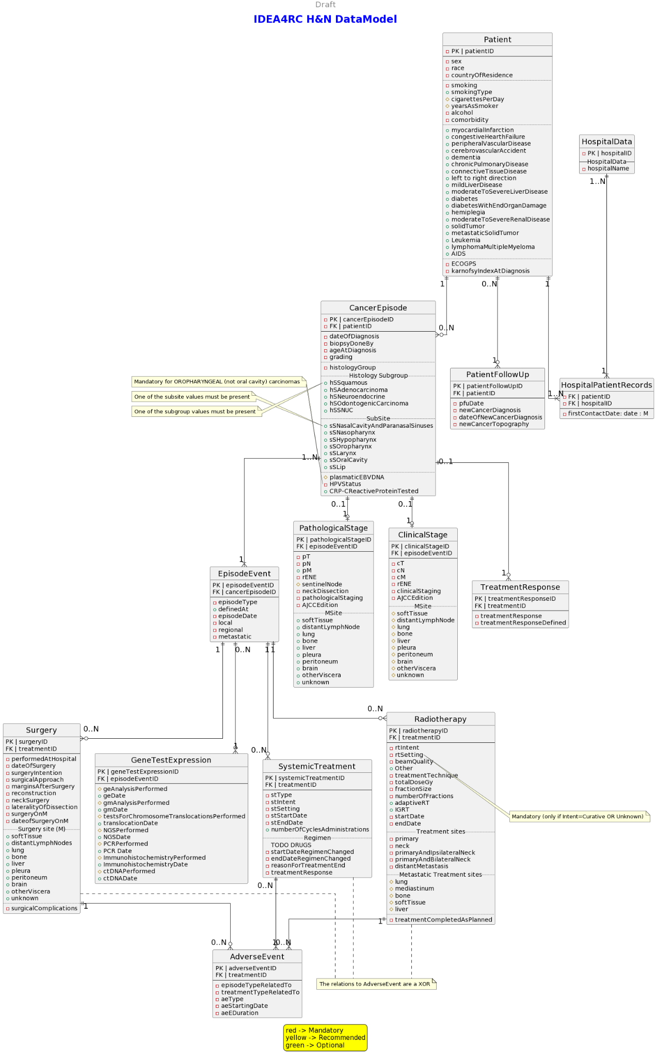
NEEDS TO BE UPDATED

