Game


Nuggets: |  | 0

Homies |  | Owned: | 0 | Nuggets Per 5s (NP5)
 |  | Cost: | 15
Franchises |  | Owned: | 0 | Nuggets Per 5s (NP5)
 |  | Cost: | 100
Empires |  | Owned: | 0 | Nuggets Per 5s (NP5)
 |  | Cost: | 1100

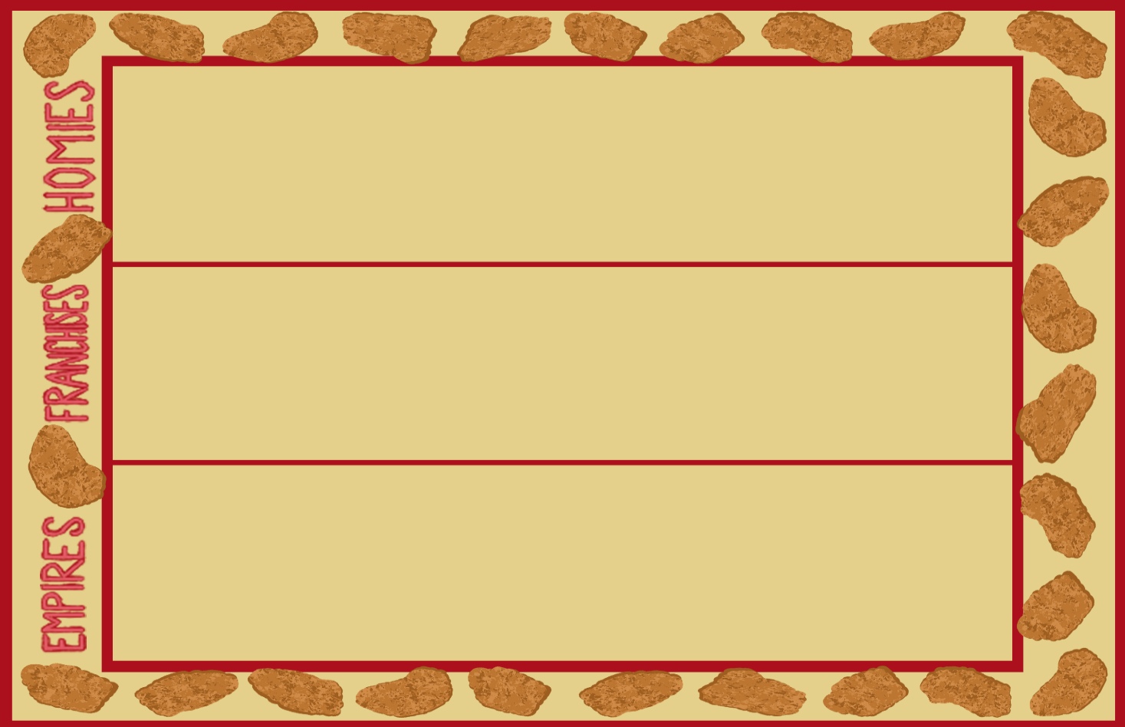

 | news
 |  |  |  |  | Shh...I require nuggets

You read the holy text that is your resturant's menu. Its pages, full of nuggets and nuggets alone, fill you with joy
You kneel before your nugget alter and hope for a productive, nugget filled future.
You pray that the nuggets crafted this day are delicious, bountiful, and worthy of gracing the mouths of your lords.
You pray that the fryer holds strong to the task ahead
A snack befitting $.50
Surprisingly filling for a chicken lump
Surprisingly filling for a chicken lump
A snack befitting $.50
A snack befitting $.50

