Responsive Testing
Responsive Testing App: WhatsApp Prepard by: Saurabh Jadav
Functionlity ID | Functionality Name | Screen Resolation or Device Name | Screen Shot | Status
Camera & Status page in Mobile
1 | Verify the sreen resolution of camere page in samsung phone, to check that screen in userfriendly or not. | 1168x4000 (POCO M6 5G) | 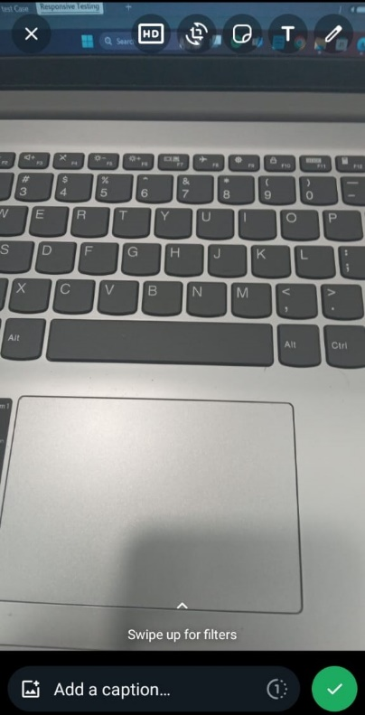 After clicking on photo camera page is not working | PASS

2 | Verify the screen resolution of camere page in samsung phone, to check that screen in userfriendly or not. | 1168x4000 (POCO M6 5G) | 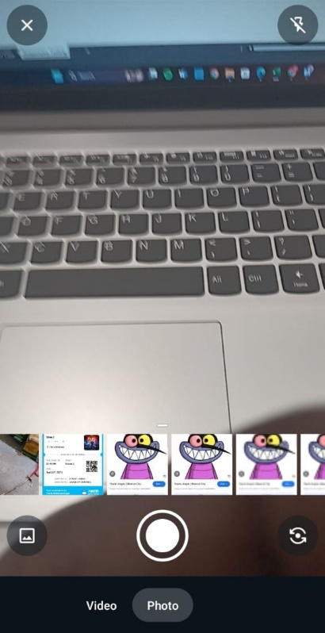 Live camera page. | PASS

3 | Verify the screen resolution of status page in samsung phone , to check the screen is userfriendly or not. | 1168x4000 (POCO M6 5G) | 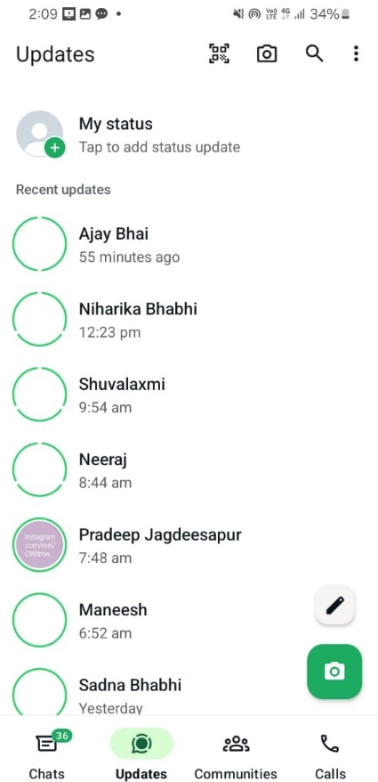 | PASS
Camera & Status page in Mobile
4 | Verify the screen resolution of home page, to check the screen is userfriendly or not. | 1920x1080 (Full HD or 1080p) | 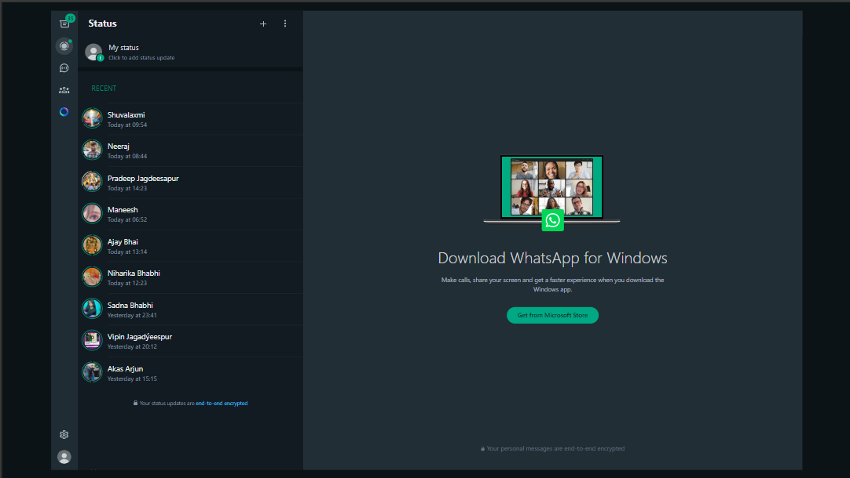 | PASS

5 | Verify the screen resolution of home page, to check the screen is userfriendly or not. | 1366x768 - Widely used on laptops and lower-end monitors. | 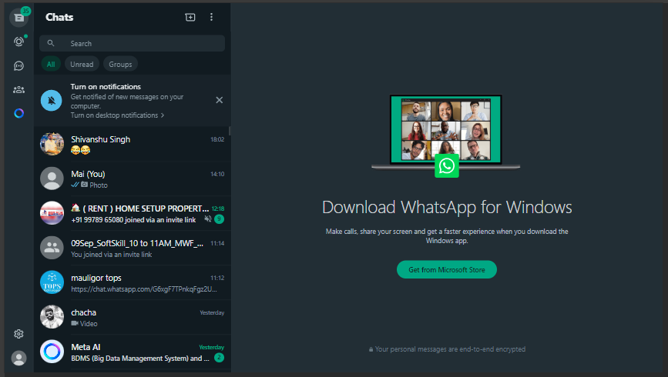 | PASS

6 | Verify the screen resolution of camera page, to check the screen is userfriendly or not. | 1440x900 - common resolution, especially on older or mid-range screens. | 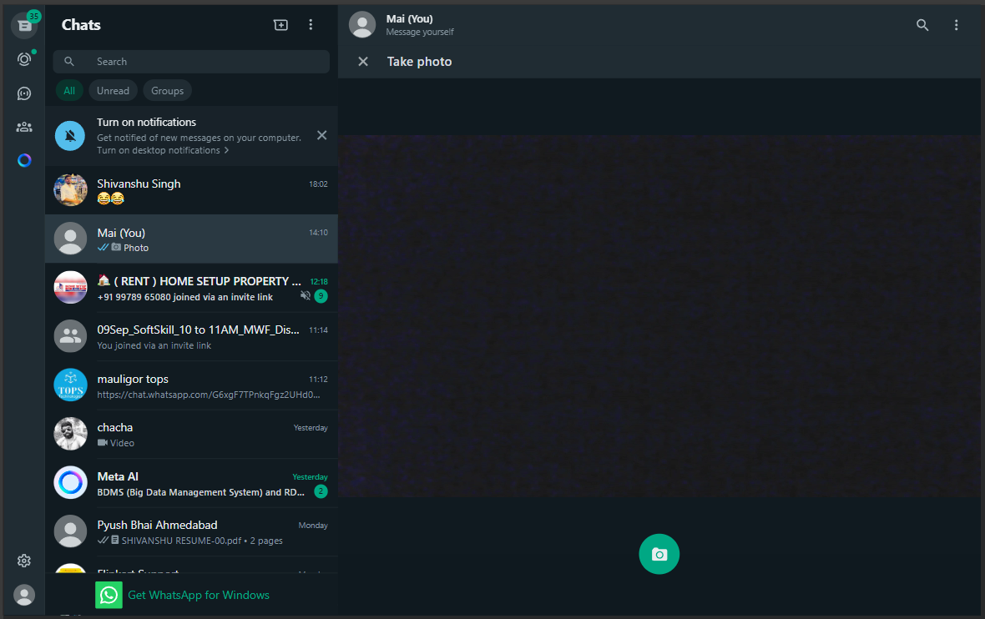 | PASS

7 | Verify the screen resolution of status page, to check the screen is userfriendly or not. | 1440x900 - common resolution, especially on older or mid-range screens. | 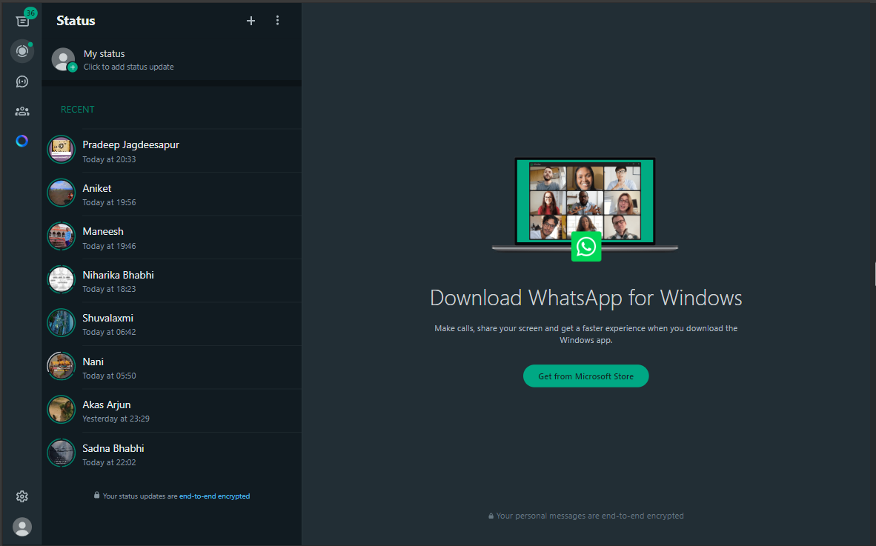 | PASS

