Figure 1
Tracking against the 2030 target, 2005 to 2050, Mt CO2-e

 | 2005 | 2006 | 2007 | 2008 | 2009 | 2010 | 2011 | 2012 | 2013 | 2014 | 2015 | 2016 | 2017 | 2018 | 2019 | 2020 | 2021 | 2022 | 2023 | 2024 | 2025 | 2026 | 2027 | 2028 | 2029 | 2030 | 2031 | 2032 | 2033 | 2034 | 2035 | 2036 | 2037 | 2038 | 2039 | 2040
Historical emissions | 613 | 650 | 631 | 619 | 613 | 614 | 582 | 559 | 562 | 543 | 539 | 496 | 535 | 507 | 496 | 480 | 445 | 438 | 444 | 441
Emissions budget trajectory - minus 43% target |  |  |  |  |  |  |  |  |  |  |  |  |  |  |  | 545 | 526 | 506 | 487 | 467 | 447 | 428 | 408 | 389 | 369 | 350
Baseline |  |  |  |  |  |  |  |  |  |  |  |  |  |  |  |  |  |  |  | 441 | 441 | 439 | 434 | 411 | 381 | 352 | 349 | 336 | 326 | 321 | 301 | 293 | 285 | 281 | 279 | 271
With additional measures |  |  |  |  |  |  |  |  |  |  |  |  |  |  |  |  |  |  |  | 441 | 441 | 439 | 434 | 415 | 383 | 351 | 350 | 338 | 328 | 322 | 301 | 293 | 285 | 281 | 278 | 271

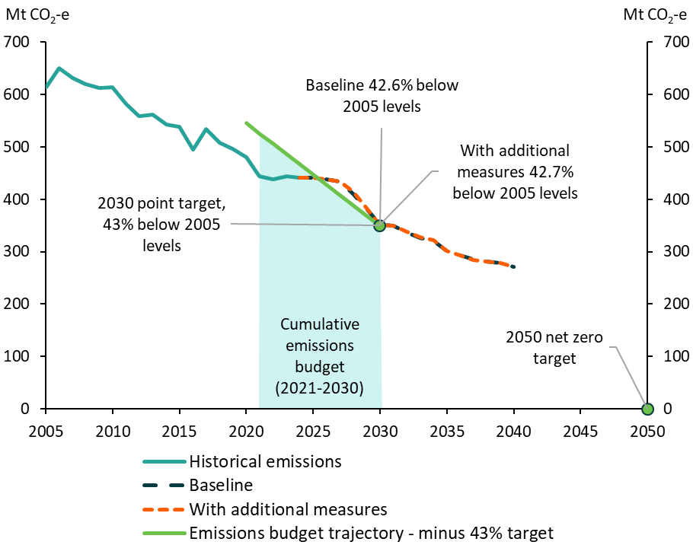
 |  |  |  |  |  |  |  |  |  |  |  |  |  |  |  |  |  |  |  |  |  |  |  |  |  |  |  |  |  |  | 0.49142512471 |  |  |  |  | 0.44224185713
 |  |  |  |  |  |  |  |  |  |  |  |  |  |  |  |  |  |  |  |  |  |  |  |  |  |  |  |  |  |  | 0.49111538587 |  |  |  |  | 0.44196472238

Figure 2
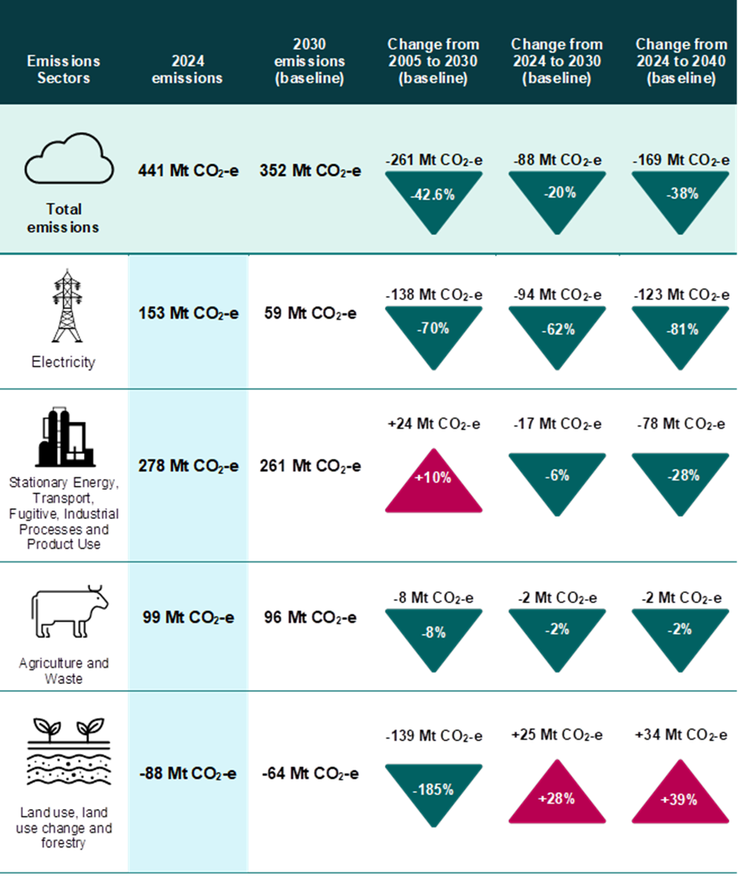
Change in emissions by sector or grouped sectors, from 2005 to 2030 and 2024 to 2030 and 2040 in the baseline scenario, Mt CO2-e

 | 2024 emissions (Mt CO2-e) | 2030 emissions (Baseline, Mt CO2-e) | Change from 2005 to 2030 (Baseline, Mt CO2-e) | Change from 2024 to 2030 (Baseline, Mt CO2-e) | Change from 2024 to 2040 (Baseline, Mt CO2-e) | Change from 2005 to 2030 (Baseline, %) | Change from 2024 to 2030 (Baseline, %) | Change from 2024 to 2040 (Baseline, %)
Electricity | 153 | 59 | -138 | -94 | -123 | -70% | -62% | -81%
Stationary energy, Transport, Fugitive, Industrial Processes and Product Use | 278 | 261 | 24 | -17 | -78 | 10% | -6% | -28%
Agriculture and Waste | 99 | 96 | -8 | -2 | -2 | -8% | -2% | -2%
Land use, land-use change and forestry | -88 | -64 | -139 | 25 | 34 | -185% | 28% | 39%
Total emissions | 441 | 352 | -261 | -88 | -169 | -43% | -20% | -38%

Figure 3
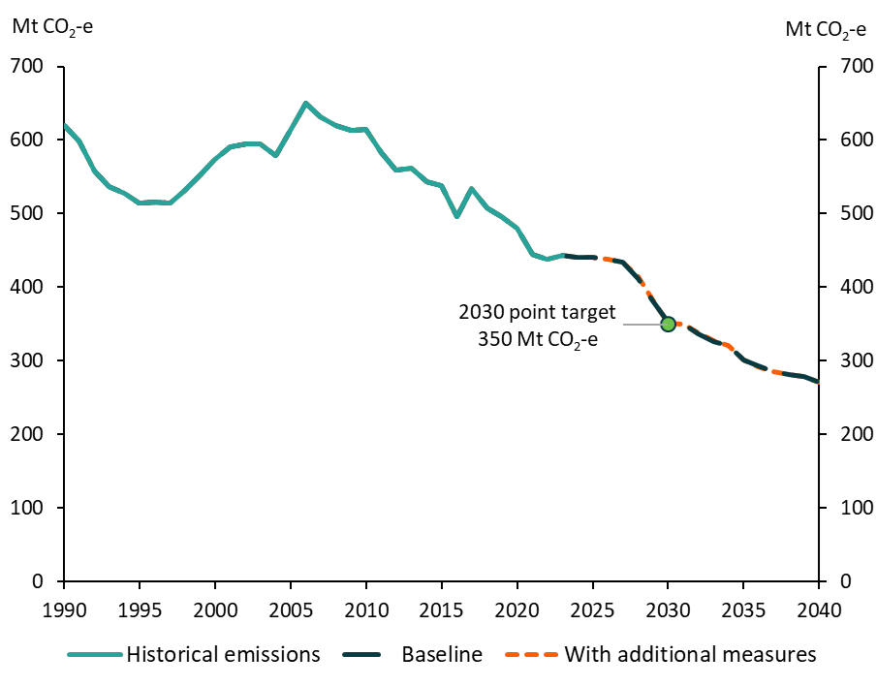
Australia's emissions projections baseline and 'with additional measures' scenarios tracking against the 2030 emissions point target, 1990 to 2040, Mt CO2-e

 | 1990 | 1991 | 1992 | 1993 | 1994 | 1995 | 1996 | 1997 | 1998 | 1999 | 2000 | 2001 | 2002 | 2003 | 2004 | 2005 | 2006 | 2007 | 2008 | 2009 | 2010 | 2011 | 2012 | 2013 | 2014 | 2015 | 2016 | 2017 | 2018 | 2019 | 2020 | 2021 | 2022 | 2023 | 2024 | 2025 | 2026 | 2027 | 2028 | 2029 | 2030 | 2031 | 2032 | 2033 | 2034 | 2035 | 2036 | 2037 | 2038 | 2039 | 2040
Historical emissions | 619 | 599 | 558 | 537 | 527 | 515 | 516 | 514 | 532 | 552 | 574 | 591 | 595 | 594 | 578 | 613 | 650 | 631 | 619 | 613 | 614 | 582 | 559 | 562 | 543 | 539 | 496 | 535 | 507 | 496 | 480 | 445 | 438 | 444 | 441
Baseline |  |  |  |  |  |  |  |  |  |  |  |  |  |  |  |  |  |  |  |  |  |  |  |  |  |  |  |  |  |  |  |  |  |  | 441 | 441 | 439 | 434 | 411 | 381 | 352 | 349 | 336 | 326 | 321 | 301 | 293 | 285 | 281 | 279 | 271
With additional measures |  |  |  |  |  |  |  |  |  |  |  |  |  |  |  |  |  |  |  |  |  |  |  |  |  |  |  |  |  |  |  |  |  |  | 441 | 441 | 439 | 434 | 415 | 383 | 351 | 350 | 338 | 328 | 322 | 301 | 293 | 285 | 281 | 278 | 271

Figure 4
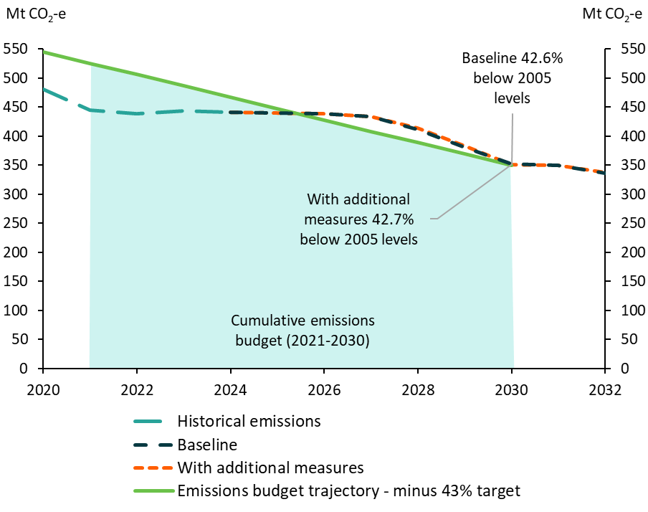
Tracking against the 2030 emissions budget target, Mt CO2-e

 | 2020 | 2021 | 2022 | 2023 | 2024 | 2025 | 2026 | 2027 | 2028 | 2029 | 2030 | 2031 | 2032 | 2033 | 2034 | 2035 | 2036 | 2037 | 2038 | 2039 | 2040
Historical emissions | 480 | 445 | 438 | 444 | 441
Emissions budget trajectory - minus 43% target | 545 | 526 | 506 | 487 | 467 | 447 | 428 | 408 | 389 | 369 | 350
Baseline |  |  |  |  | 441 | 441 | 439 | 434 | 411 | 381 | 352 | 349 | 336 | 326 | 321 | 301 | 293 | 285 | 281 | 279 | 271
With additional measures |  |  |  |  | 441 | 441 | 439 | 434 | 415 | 383 | 351 | 350 | 338 | 328 | 322 | 301 | 293 | 285 | 281 | 278 | 271

Figure 5
Australia’s emissions projections in the baseline scenario, 1990 to 2040, Mt CO2-e

 | 1990 | 1991 | 1992 | 1993 | 1994 | 1995 | 1996 | 1997 | 1998 | 1999 | 2000 | 2001 | 2002 | 2003 | 2004 | 2005 | 2006 | 2007 | 2008 | 2009 | 2010 | 2011 | 2012 | 2013 | 2014 | 2015 | 2016 | 2017 | 2018 | 2019 | 2020 | 2021 | 2022 | 2023 | 2024 | 2025 | 2026 | 2027 | 2028 | 2029 | 2030 | 2031 | 2032 | 2033 | 2034 | 2035 | 2036 | 2037 | 2038 | 2039 | 2040
Electricity | 130 | 132 | 135 | 135 | 137 | 143 | 148 | 153 | 165 | 172 | 176 | 183 | 185 | 187 | 195 | 197 | 201 | 204 | 206 | 212 | 205 | 198 | 199 | 187 | 181 | 189 | 195 | 190 | 184 | 179 | 172 | 163 | 157 | 153 | 153 | 144 | 136 | 130 | 111 | 81 | 59 | 59 | 53 | 49 | 50 | 37 | 35 | 34 | 33 | 33 | 29
Stationary energy | 66 | 67 | 67 | 69 | 69 | 71 | 71 | 73 | 73 | 74 | 75 | 75 | 77 | 79 | 81 | 82 | 81 | 82 | 84 | 83 | 83 | 85 | 89 | 94 | 93 | 90 | 90 | 94 | 97 | 99 | 100 | 102 | 102 | 102 | 99 | 96 | 96 | 97 | 95 | 95 | 93 | 94 | 91 | 88 | 84 | 80 | 76 | 73 | 71 | 69 | 68
Transport | 61 | 61 | 62 | 63 | 65 | 68 | 70 | 71 | 72 | 72 | 74 | 74 | 75 | 78 | 81 | 82 | 83 | 85 | 87 | 87 | 89 | 91 | 92 | 93 | 93 | 95 | 96 | 98 | 100 | 100 | 93 | 90 | 90 | 97 | 98 | 100 | 100 | 100 | 99 | 97 | 95 | 93 | 92 | 90 | 89 | 87 | 85 | 84 | 83 | 81 | 80
Fugitives | 40 | 40 | 42 | 40 | 38 | 40 | 39 | 42 | 44 | 41 | 44 | 44 | 43 | 41 | 41 | 43 | 44 | 47 | 46 | 46 | 46 | 44 | 45 | 45 | 43 | 49 | 50 | 52 | 55 | 56 | 54 | 49 | 48 | 48 | 48 | 50 | 49 | 51 | 49 | 47 | 45 | 45 | 43 | 41 | 39 | 38 | 37 | 34 | 34 | 33 | 32
Agriculture | 95 | 94 | 92 | 89 | 89 | 85 | 87 | 88 | 88 | 88 | 92 | 91 | 90 | 85 | 88 | 89 | 88 | 84 | 81 | 81 | 79 | 83 | 85 | 85 | 86 | 83 | 81 | 86 | 85 | 80 | 77 | 82 | 83 | 86 | 85 | 82 | 84 | 82 | 80 | 84 | 83 | 83 | 83 | 84 | 84 | 84 | 84 | 84 | 84 | 84 | 84
Industrial processes | 25 | 24 | 25 | 25 | 25 | 25 | 24 | 24 | 25 | 26 | 26 | 27 | 27 | 30 | 31 | 30 | 31 | 33 | 33 | 31 | 33 | 34 | 32 | 30 | 30 | 30 | 31 | 31 | 32 | 33 | 32 | 33 | 33 | 33 | 32 | 32 | 31 | 30 | 29 | 28 | 27 | 27 | 26 | 25 | 25 | 24 | 23 | 22 | 22 | 21 | 20
Waste | 23 | 23 | 23 | 23 | 22 | 22 | 20 | 20 | 19 | 19 | 19 | 19 | 19 | 16 | 16 | 16 | 15 | 16 | 16 | 16 | 16 | 16 | 14 | 13 | 13 | 13 | 13 | 13 | 13 | 13 | 14 | 13 | 14 | 14 | 14 | 14 | 14 | 14 | 14 | 14 | 13 | 13 | 13 | 13 | 13 | 13 | 13 | 13 | 13 | 13 | 13
LULUCF | 178 | 158 | 113 | 92 | 82 | 61 | 56 | 42 | 45 | 59 | 69 | 78 | 79 | 79 | 47 | 75 | 106 | 80 | 66 | 57 | 63 | 30 | 4 | 15 | 4 | -10 | -61 | -29 | -58 | -64 | -61 | -89 | -88 | -88 | -88 | -77 | -72 | -68 | -66 | -65 | -64 | -64 | -64 | -64 | -62 | -61 | -59 | -58 | -57 | -55 | -54
Baseline total | 619 | 599 | 558 | 537 | 527 | 515 | 516 | 514 | 532 | 552 | 574 | 591 | 595 | 594 | 578 | 613 | 650 | 631 | 619 | 613 | 614 | 582 | 559 | 562 | 543 | 539 | 496 | 535 | 507 | 496 | 480 | 445 | 438 | 444 | 441 | 441 | 439 | 434 | 411 | 381 | 352 | 349 | 336 | 326 | 321 | 301 | 293 | 285 | 281 | 279 | 271
Note: Emissions are presented under UNFCCC inventory reporting categories consistent with Australia's 2030 target.

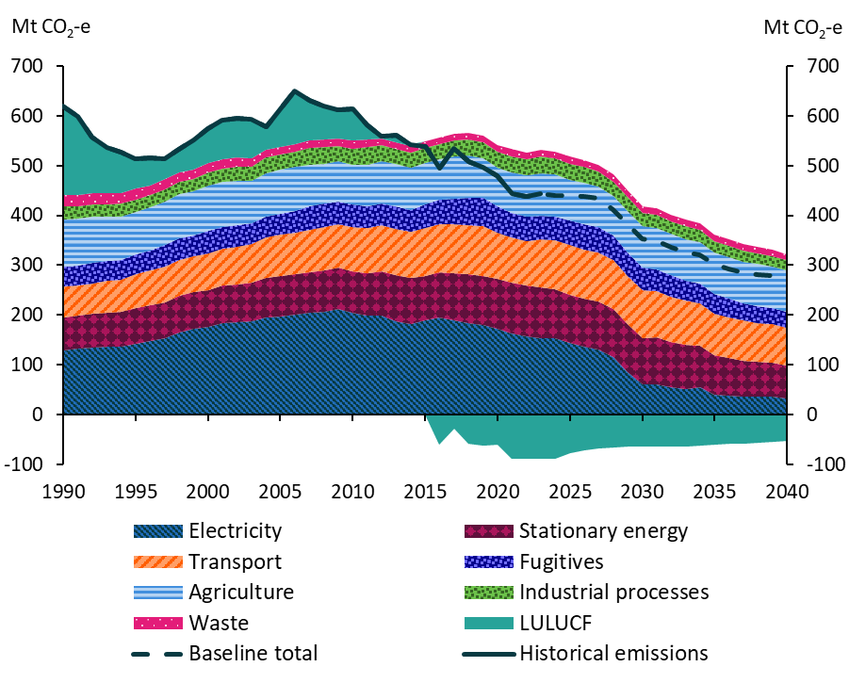

Energy emissions

Figure 6
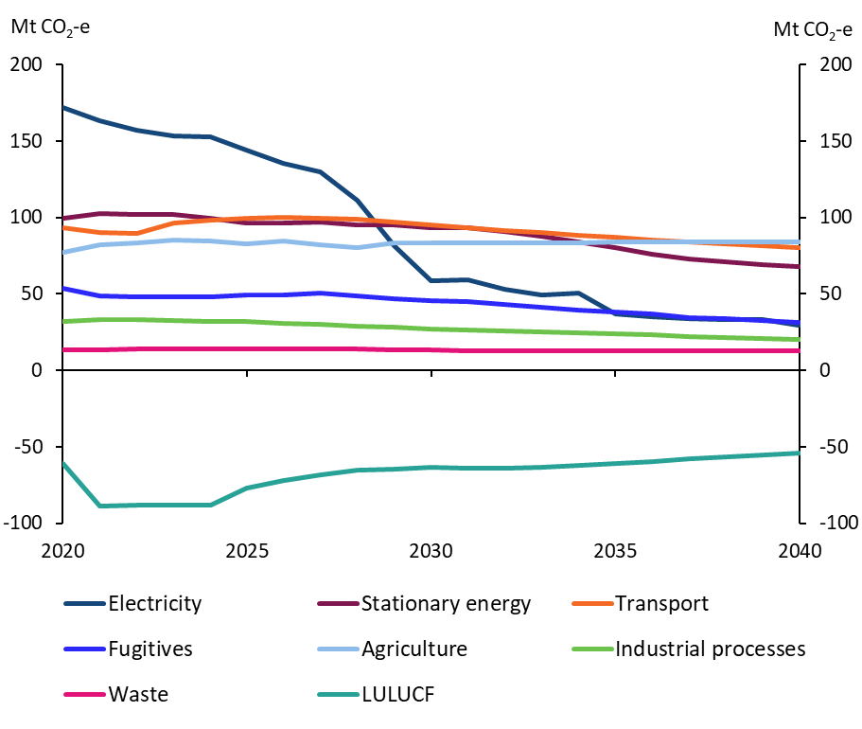
Australia's emissions projections in the baseline scenario, by sector, 2020 to 2040, Mt CO2-e

 | 2020 | 2021 | 2022 | 2023 | 2024 | 2025 | 2026 | 2027 | 2028 | 2029 | 2030 | 2031 | 2032 | 2033 | 2034 | 2035 | 2036 | 2037 | 2038 | 2039 | 2040
Electricity | 172 | 163 | 157 | 153 | 153 | 144 | 136 | 130 | 111 | 81 | 59 | 59 | 53 | 49 | 50 | 37 | 35 | 34 | 33 | 33 | 29
Stationary energy | 100 | 102 | 102 | 102 | 99 | 96 | 96 | 97 | 95 | 95 | 93 | 94 | 91 | 88 | 84 | 80 | 76 | 73 | 71 | 69 | 68
Transport | 93 | 90 | 90 | 97 | 98 | 100 | 100 | 100 | 99 | 97 | 95 | 93 | 92 | 90 | 89 | 87 | 85 | 84 | 83 | 81 | 80
Fugitives | 54 | 49 | 48 | 48 | 48 | 50 | 49 | 51 | 49 | 47 | 45 | 45 | 43 | 41 | 39 | 38 | 37 | 34 | 34 | 33 | 32
Agriculture | 77 | 82 | 83 | 86 | 85 | 82 | 84 | 82 | 80 | 84 | 83 | 83 | 83 | 84 | 84 | 84 | 84 | 84 | 84 | 84 | 84
Industrial processes | 32 | 33 | 33 | 33 | 32 | 32 | 31 | 30 | 29 | 28 | 27 | 27 | 26 | 25 | 25 | 24 | 23 | 22 | 22 | 21 | 20
Waste | 14 | 13 | 14 | 14 | 14 | 14 | 14 | 14 | 14 | 14 | 13 | 13 | 13 | 13 | 13 | 13 | 13 | 13 | 13 | 13 | 13
LULUCF | -61 | -89 | -88 | -88 | -88 | -77 | -72 | -68 | -66 | -65 | -64 | -64 | -64 | -64 | -62 | -61 | -59 | -58 | -57 | -55 | -54
Note: Emissions are presented under UNFCCC inventory reporting categories consistent with Australia's 2030 target.

Figure 7
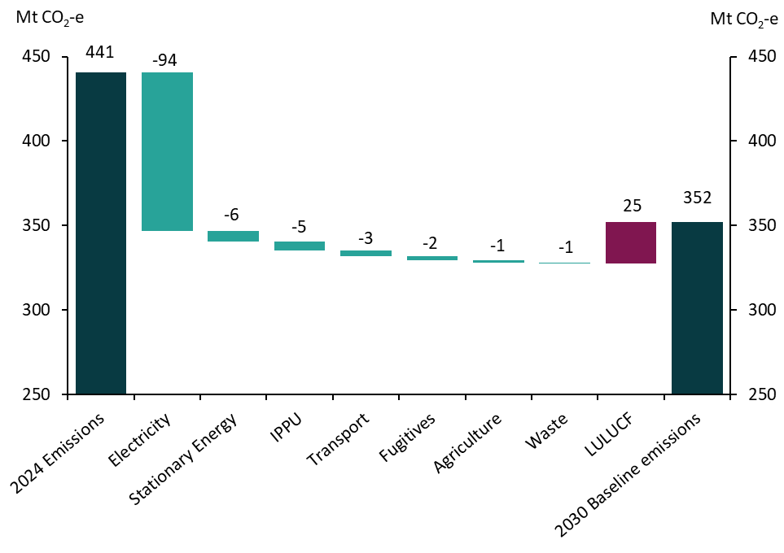
Change in the baseline scenario emissions from 2024 to 2030 by sector, Mt CO2-e

 | Change in emissions from 2024 to 2030
2024 Emissions | 441
Electricity | -94
Stationary Energy | -6
IPPU | -5
Transport | -3
Fugitives | -2
Agriculture | -1
Waste | -1
LULUCF | 25
2030 Baseline emissions | 352

Figure 8
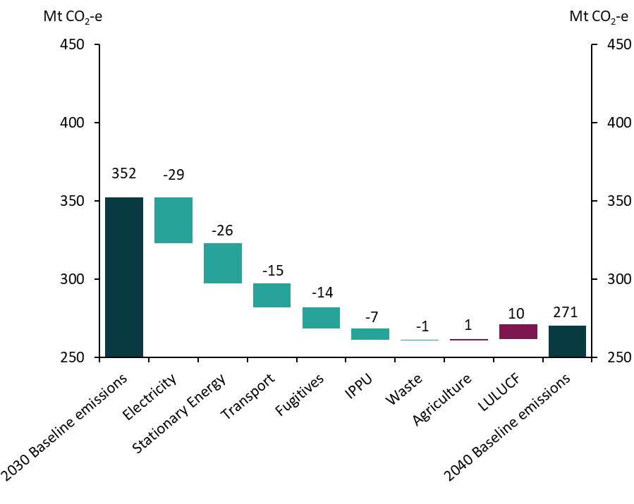
Change in the baseline scenario emissions from 2030 to 2040 by sector, Mt CO2-e

 | Change in emissions from 2030 to 2040
2030 Baseline emissions | 352
Electricity | -29
Stationary Energy | -26
Transport | -15
Fugitives | -14
IPPU | -7
Waste | -1
Agriculture | 1
LULUCF | 10
2040 Baseline emissions | 270

Figure 9
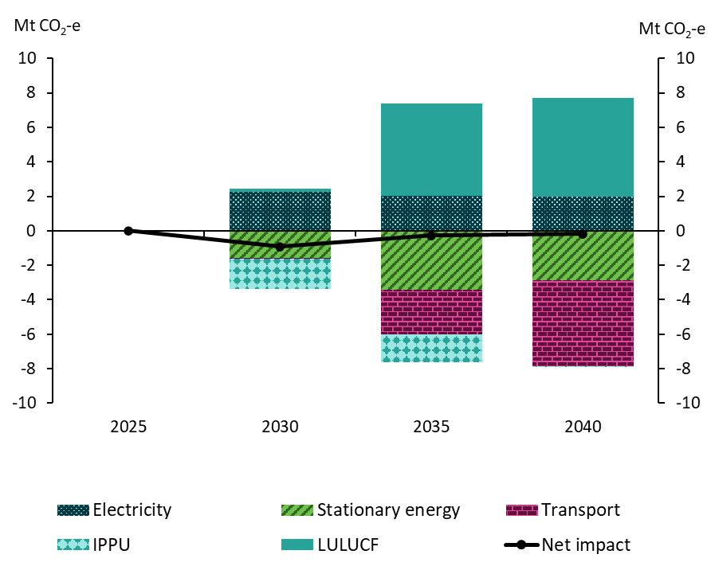
Net change in emissions from baseline to ‘with additional measures’ scenario, by sector, in key years, 2025 to 2040, Mt CO2-e

 | 2025 | 2030 | 2035 | 2040
Electricity | 0 | 2 | 2 | 2
Stationary energy | 0 | -2 | -3 | -3
Transport | 0 | 0 | -3 | -5
IPPU | 0 | -2 | -2 | 0
LULUCF | 0 | 0 | 5 | 6
Net impact | 0 | -1 | 0 | 0

Figure 10
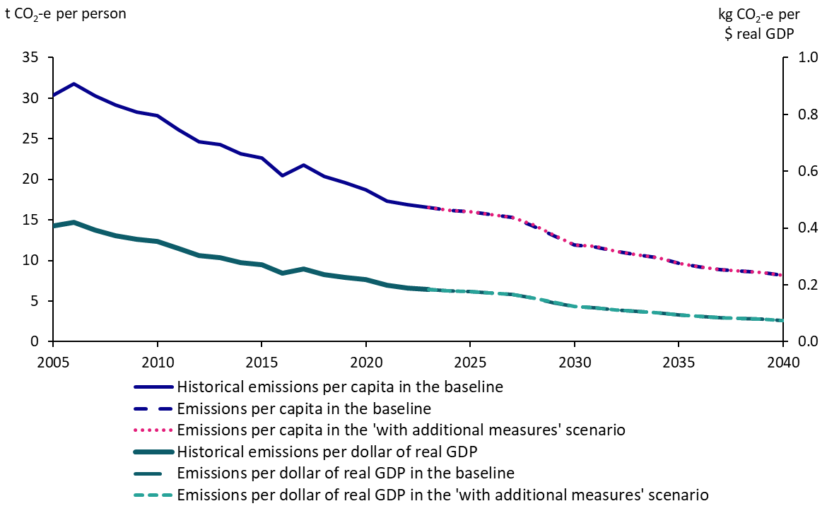
Australia's projected emissions per person and the projected emissions intensity of the economy, 2005 to 2040

 | 2005 | 2006 | 2007 | 2008 | 2009 | 2010 | 2011 | 2012 | 2013 | 2014 | 2015 | 2016 | 2017 | 2018 | 2019 | 2020 | 2021 | 2022 | 2023 | 2024 | 2025 | 2026 | 2027 | 2028 | 2029 | 2030 | 2031 | 2032 | 2033 | 2034 | 2035 | 2036 | 2037 | 2038 | 2039 | 2040
Emissions per capita in the baseline | 30 | 32 | 30 | 29 | 28 | 28 | 26 | 25 | 24 | 23 | 23 | 20 | 22 | 20 | 20 | 19 | 17 | 17 | 17
Emissions per capita in the baseline |  |  |  |  |  |  |  |  |  |  |  |  |  |  |  |  |  |  | 17 | 16 | 16 | 16 | 15 | 14 | 13 | 12 | 12 | 11 | 11 | 10 | 10 | 9 | 9 | 9 | 9 | 8
Emissions per capita in the 'with additional measures' scenario |  |  |  |  |  |  |  |  |  |  |  |  |  |  |  |  |  |  | 17 | 16 | 16 | 16 | 15 | 14 | 13 | 12 | 12 | 11 | 11 | 10 | 10 | 9 | 9 | 9 | 9 | 8
Emissions per dollar of real GDP in the baseline | 0.4 | 0.4 | 0.4 | 0.4 | 0.4 | 0.4 | 0.3 | 0.3 | 0.3 | 0.3 | 0.3 | 0.2 | 0.3 | 0.2 | 0.2 | 0.2 | 0.2 | 0.2 | 0.2
Emissions per dollar of real GDP in the baseline |  |  |  |  |  |  |  |  |  |  |  |  |  |  |  |  |  |  | 0.2 | 0.2 | 0.2 | 0.2 | 0.2 | 0.2 | 0.1 | 0.1 | 0.1 | 0.1 | 0.1 | 0.1 | 0.1 | 0.1 | 0.1 | 0.1 | 0.1 | 0.1
Emissions per dollar of real GDP in the 'with additional measures' scenario |  |  |  |  |  |  |  |  |  |  |  |  |  |  |  |  |  |  | 0.2 | 0.2 | 0.2 | 0.2 | 0.2 | 0.2 | 0.1 | 0.1 | 0.1 | 0.1 | 0.1 | 0.1 | 0.1 | 0.1 | 0.1 | 0.1 | 0.1 | 0.1
Note: Emissions per dollar of real GDP, reference year 2021–22.

Figure 11
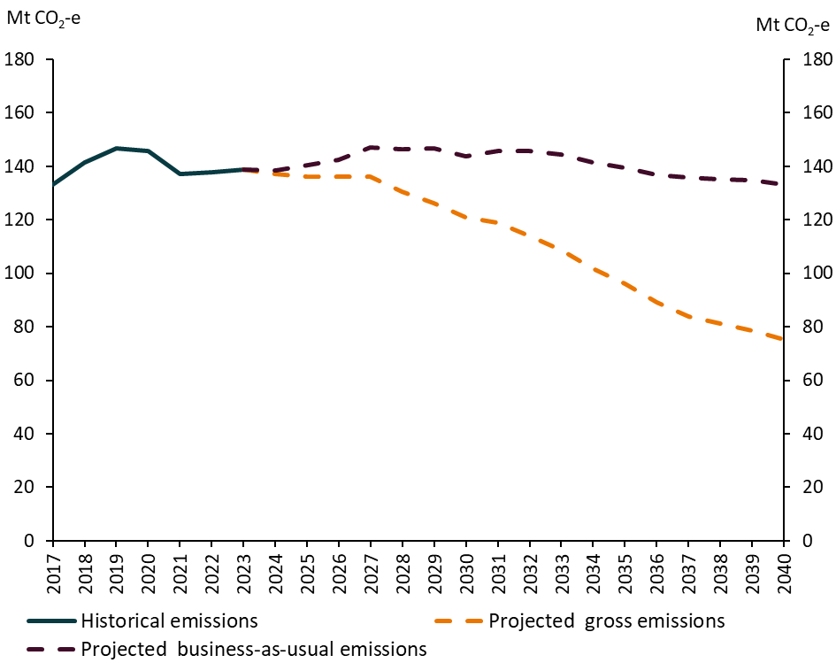
Aggregate Safeguard facilities emissions, 2017 to 2040, Mt CO2-e

 | 2017 | 2018 | 2019 | 2020 | 2021 | 2022 | 2023 | 2024 | 2025 | 2026 | 2027 | 2028 | 2029 | 2030 | 2031 | 2032 | 2033 | 2034 | 2035 | 2036 | 2037 | 2038 | 2039 | 2040
Historical emissions | 133 | 141 | 147 | 146 | 137 | 138 | 139
Projected emissions |  |  |  |  |  |  | 139 | 139 | 141 | 143 | 147 | 146 | 147 | 144 | 146 | 146 | 144 | 141 | 139 | 137 | 136 | 135 | 135 | 133

Figure 12
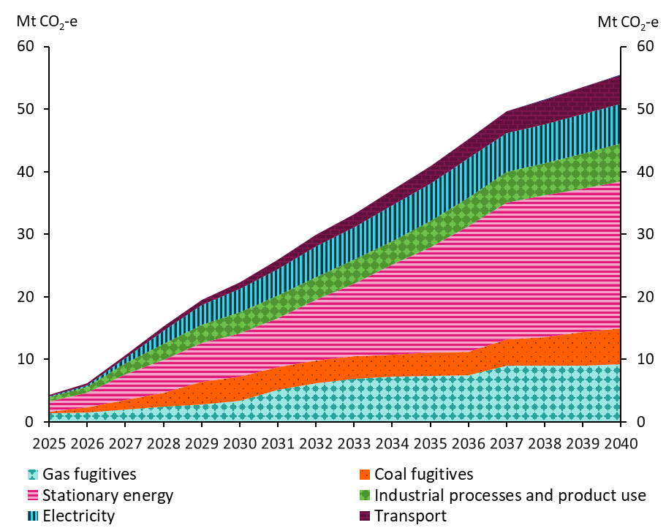
On-site emissions reduction by Intergovernmental Panel on Climate Change (IPCC) sector in the baseline scenario, 2025 to 2040, Mt CO2-e

 | 2025 | 2026 | 2027 | 2028 | 2029 | 2030 | 2031 | 2032 | 2033 | 2034 | 2035 | 2036 | 2037 | 2038 | 2039 | 2040
Gas fugitives | 1 | 2 | 2 | 2 | 3 | 3 | 5 | 6 | 7 | 7 | 7 | 7 | 9 | 9 | 9 | 9
Coal fugitives | 0 | 1 | 1 | 2 | 4 | 4 | 4 | 4 | 4 | 3 | 4 | 4 | 4 | 5 | 5 | 6
Stationary energy | 2 | 2 | 4 | 5 | 6 | 7 | 8 | 10 | 12 | 14 | 17 | 20 | 22 | 23 | 23 | 24
Industrial processes and product use | 1 | 1 | 2 | 3 | 3 | 3 | 4 | 4 | 4 | 4 | 4 | 5 | 5 | 5 | 6 | 6
Electricity | 0 | 0 | 1 | 2 | 3 | 4 | 4 | 5 | 5 | 6 | 6 | 6 | 6 | 6 | 6 | 6
Transport | 0 | 0 | 0 | 1 | 1 | 1 | 1 | 2 | 2 | 2 | 3 | 3 | 3 | 4 | 4 | 5
Waste | 0 | 0 | 0 | 0 | 0 | 0 | 0 | 0 | 0 | 0 | 0 | 0 | 0 | 0 | 0 | 0

Figure 13
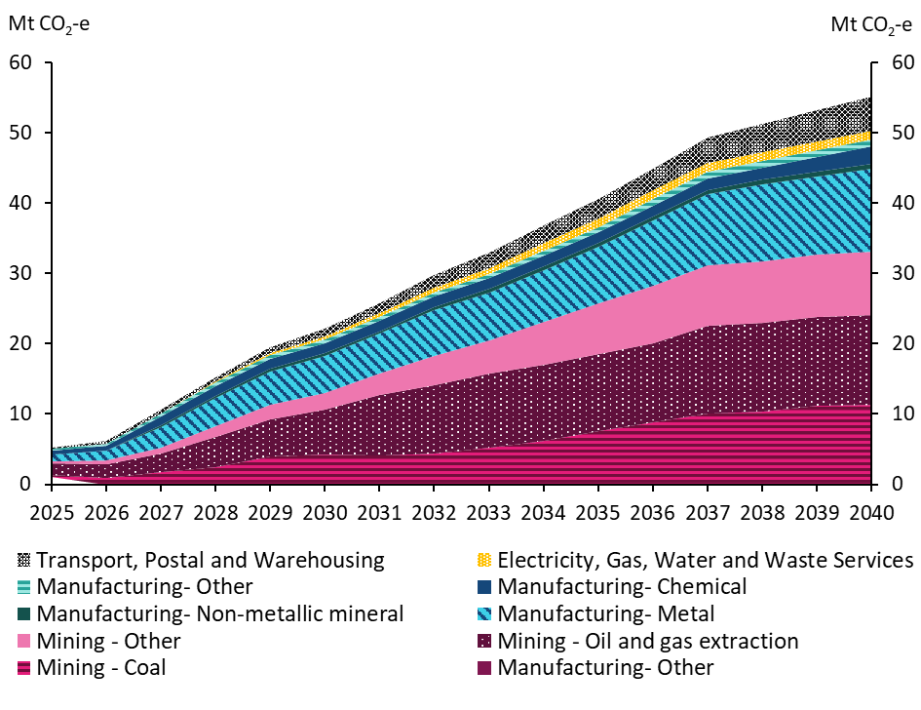
On-site emissions reductions by economic sector in the baseline scenario, 2025 to 2040, Mt CO2-e

 | 2025 | 2026 | 2027 | 2028 | 2029 | 2030 | 2031 | 2032 | 2033 | 2034 | 2035 | 2036 | 2037 | 2038 | 2039 | 2040
Mining - Coal | 0 | 1 | 2 | 2 | 4 | 4 | 4 | 4 | 5 | 6 | 8 | 9 | 10 | 10 | 11 | 11
Mining - Oil and gas extraction | 2 | 2 | 3 | 4 | 5 | 6 | 9 | 10 | 10 | 11 | 11 | 11 | 13 | 13 | 13 | 13
Mining - Other | 0 | 1 | 1 | 1 | 2 | 2 | 3 | 4 | 5 | 6 | 7 | 8 | 9 | 9 | 9 | 9
Manufacturing- Metal | 1 | 1 | 3 | 4 | 5 | 5 | 6 | 7 | 7 | 7 | 8 | 9 | 10 | 11 | 11 | 12
Manufacturing- Non-metallic mineral | 0 | 0 | 0 | 0 | 0 | 0 | 0 | 0 | 0 | 0 | 1 | 1 | 1 | 1 | 1 | 1
Manufacturing- Chemical | 1 | 1 | 1 | 1 | 1 | 1 | 1 | 2 | 2 | 2 | 2 | 2 | 2 | 2 | 2 | 3
Manufacturing- Other | 0 | 0 | 0 | 0 | 1 | 1 | 1 | 1 | 1 | 1 | 1 | 1 | 1 | 1 | 1 | 1
Electricity, Gas, Water and Waste Services | 0 | 0 | 0 | 0 | 0 | 0 | 0 | 1 | 1 | 1 | 1 | 1 | 1 | 1 | 1 | 1
Transport, Postal and Warehousing | 0 | 0 | 0 | 1 | 1 | 1 | 1 | 2 | 2 | 3 | 3 | 3 | 4 | 4 | 4 | 5

Figure 14
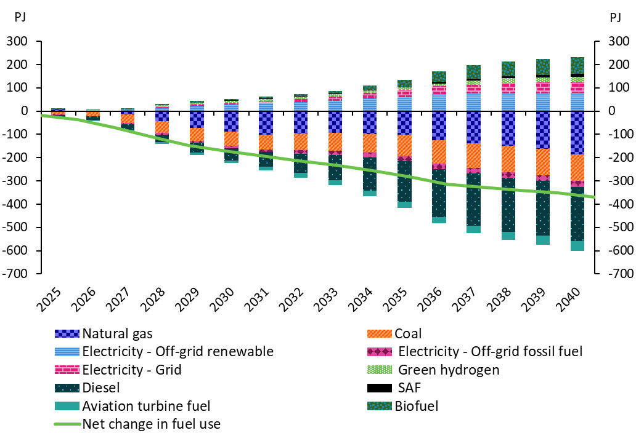
Change in fuel use across Safeguard facilities due to on-site abatement actions in the baseline scenario, 2025 to 2040, PJ

 | 2025 | 2026 | 2027 | 2028 | 2029 | 2030 | 2031 | 2032 | 2033 | 2034 | 2035 | 2036 | 2037 | 2038 | 2039 | 2040
Natural gas | 8 | 0 | -13 | -44 | -73 | -89 | -101 | -96 | -94 | -98 | -101 | -126 | -138 | -150 | -162 | -187
Coal | -16 | -22 | -39 | -50 | -56 | -61 | -63 | -74 | -78 | -81 | -92 | -99 | -106 | -113 | -113 | -114
Electricity - Off-grid renewable | 1 | 2 | 8 | 15 | 22 | 28 | 32 | 39 | 45 | 54 | 60 | 72 | 75 | 75 | 75 | 78
Electricity - Off-grid fossil fuel | 0 | -1 | -5 | -7 | -8 | -10 | -11 | -16 | -17 | -21 | -22 | -24 | -24 | -24 | -25 | -25
Electricity - Grid | 0 | 1 | 1 | 3 | 5 | 6 | 8 | 12 | 17 | 24 | 30 | 35 | 39 | 47 | 47 | 46
Green hydrogen | 0 | 0 | 0 | 6 | 8 | 10 | 11 | 11 | 11 | 11 | 11 | 11 | 19 | 19 | 21 | 24
Diesel | -10 | -15 | -22 | -33 | -42 | -52 | -64 | -82 | -108 | -142 | -175 | -206 | -223 | -231 | -236 | -233
SAF | 0 | 0 | 0 | 1 | 1 | 2 | 3 | 3 | 4 | 4 | 5 | 6 | 7 | 9 | 11 | 12
Aviation turbine fuel | -3 | -4 | -5 | -8 | -10 | -12 | -16 | -19 | -22 | -24 | -26 | -29 | -32 | -35 | -38 | -42
Biofuel | 0 | 2 | 3 | 5 | 6 | 6 | 7 | 9 | 10 | 18 | 29 | 45 | 57 | 65 | 69 | 72
Net change in fuel use | -19 | -38 | -72 | -111 | -147 | -171 | -194 | -213 | -232 | -256 | -282 | -314 | -327 | -340 | -352 | -369

Figure 15
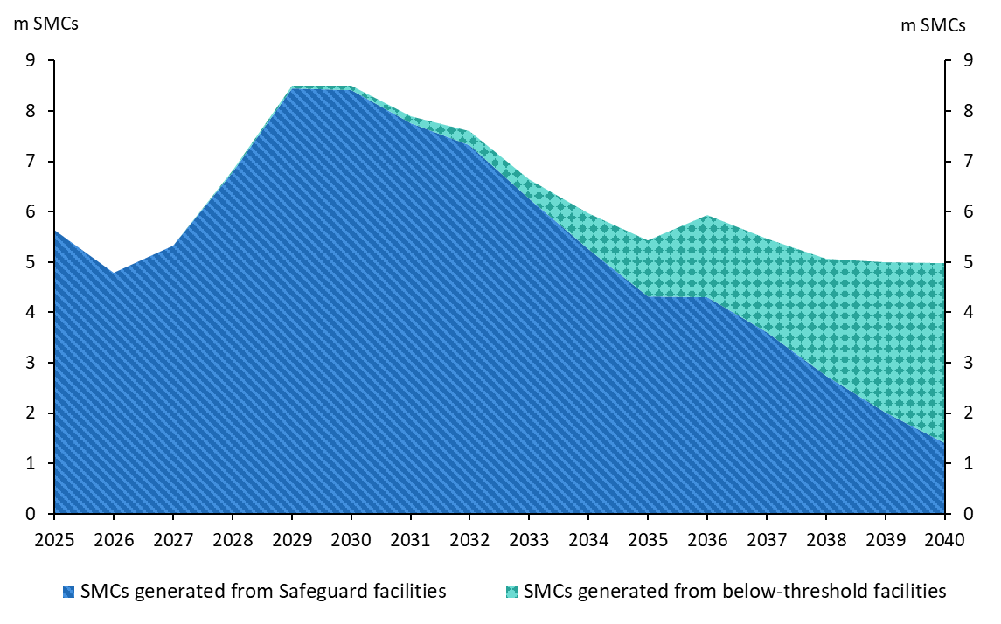
Projected SMC generation in the baseline scenario, 2025 to 2040, million SMCs

 | 2025 | 2026 | 2027 | 2028 | 2029 | 2030 | 2031 | 2032 | 2033 | 2034 | 2035 | 2036 | 2037 | 2038 | 2039 | 2040
SMCs generated from Safeguard facilities | 6 | 5 | 5 | 6 | 8 | 8 | 8 | 7 | 6 | 5 | 4 | 4 | 4 | 3 | 2 | 1
SMCs generated from below-threshold facilities | 0 | 0 | 0 | 0 | 0 | 0 | 0 | 0 | 0 | 1 | 1 | 2 | 2 | 2 | 3 | 4

Figure 16
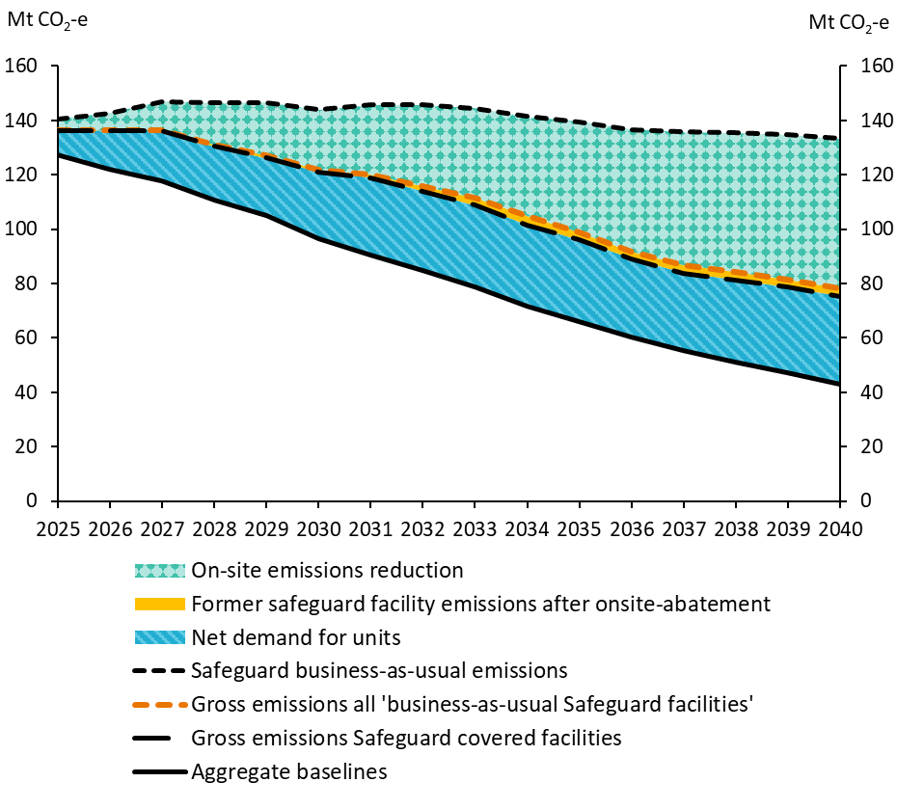
Safeguard business-as-usual, gross emissions, on-site emissions reductions and net demand for units in the baseline scenario, 2025 to 2040, Mt CO2-e

 | 2025 | 2026 | 2027 | 2028 | 2029 | 2030 | 2031 | 2032 | 2033 | 2034 | 2035 | 2036 | 2037 | 2038 | 2039 | 2040
Safeguard business-as-usual emissions | 141 | 143 | 147 | 146 | 147 | 144 | 146 | 146 | 144 | 141 | 139 | 137 | 136 | 135 | 135 | 133
On-site emissions reduction | 4 | 6 | 11 | 15 | 19 | 22 | 26 | 30 | 33 | 37 | 41 | 45 | 49 | 51 | 53 | 55
Gross emissions all 'business-as-usual Safeguard facilities' | 136 | 136 | 136 | 131 | 127 | 122 | 120 | 116 | 111 | 105 | 99 | 92 | 87 | 84 | 82 | 78
Former safeguard facility emissions after onsite-abatement | 0 | 0 | 0 | 1 | 1 | 1 | 1 | 2 | 3 | 3 | 3 | 3 | 3 | 3 | 3 | 3
Gross emissions Safeguard covered facilities | 136 | 136 | 136 | 130 | 126 | 121 | 119 | 114 | 109 | 102 | 96 | 89 | 84 | 81 | 79 | 75
Net demand for units | 9 | 14 | 18 | 20 | 21 | 25 | 28 | 29 | 30 | 30 | 30 | 29 | 28 | 30 | 32 | 32
Aggregate baselines | 127 | 122 | 118 | 111 | 105 | 96 | 91 | 85 | 79 | 72 | 66 | 60 | 55 | 51 | 47 | 43

Figure 17
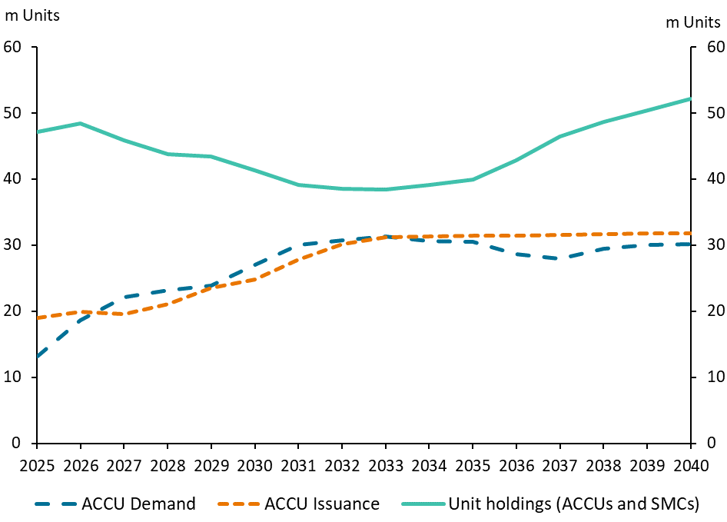
Projected ACCU issuance, demand and unit holdings in the baseline scenario, 2025 to 2040, million units

 | 2025 | 2026 | 2027 | 2028 | 2029 | 2030 | 2031 | 2032 | 2033 | 2034 | 2035 | 2036 | 2037 | 2038 | 2039 | 2040
ACCU demand | 13 | 19 | 22 | 23 | 24 | 27 | 30 | 31 | 31 | 31 | 31 | 29 | 28 | 29 | 30 | 30
ACCU issuance | 19 | 20 | 20 | 21 | 24 | 25 | 28 | 30 | 31 | 31 | 31 | 31 | 32 | 32 | 32 | 32
Unit holdings (ACCUs and SMCs) | 47 | 48 | 46 | 44 | 43 | 41 | 39 | 38 | 38 | 39 | 40 | 43 | 46 | 49 | 50 | 52

Figure 18
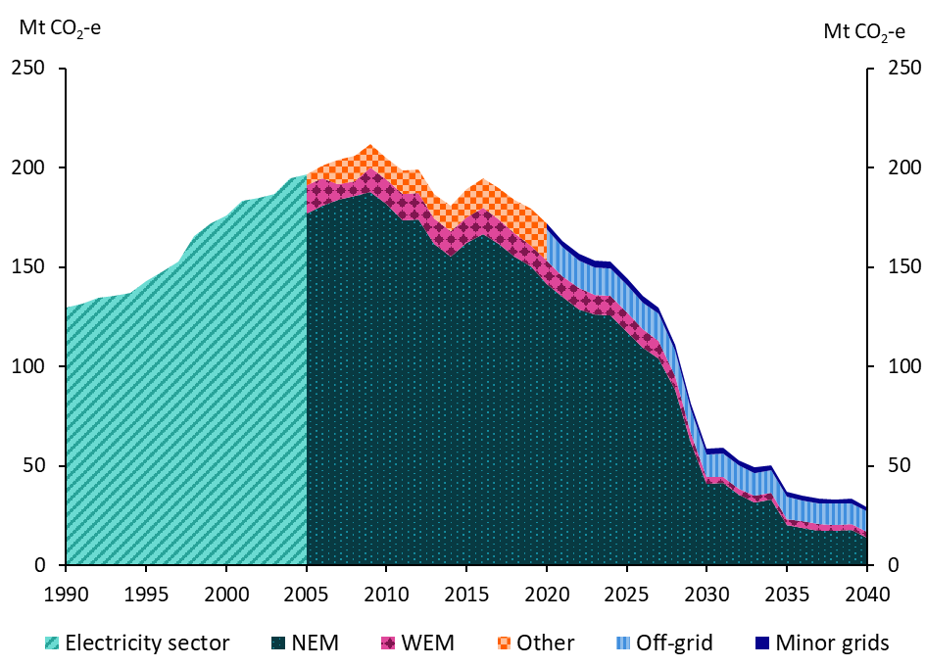
Electricity emissions in the baseline scenario, 1990 to 2040, Mt CO2-e

 | 1990 | 1991 | 1992 | 1993 | 1994 | 1995 | 1996 | 1997 | 1998 | 1999 | 2000 | 2001 | 2002 | 2003 | 2004 | 2005 | 2006 | 2007 | 2008 | 2009 | 2010 | 2011 | 2012 | 2013 | 2014 | 2015 | 2016 | 2017 | 2018 | 2019 | 2020 | 2021 | 2022 | 2023 | 2024 | 2025 | 2026 | 2027 | 2028 | 2029 | 2030 | 2031 | 2032 | 2033 | 2034 | 2035 | 2036 | 2037 | 2038 | 2039 | 2040
NEM |  |  |  |  |  |  |  |  |  |  |  |  |  |  |  | 177 | 181 | 184 | 186 | 188 | 182 | 173 | 174 | 161 | 155 | 162 | 167 | 162 | 155 | 150 | 141 | 135 | 128 | 126 | 126 | 117 | 109 | 104 | 88 | 61 | 41 | 42 | 35 | 32 | 33 | 20 | 19 | 18 | 17 | 18 | 14
WEM |  |  |  |  |  |  |  |  |  |  |  |  |  |  |  | 14 | 14 | 8 | 8 | 12 | 12 | 13 | 13 | 13 | 13 | 13 | 13 | 12 | 12 | 11 | 12 | 10 | 11 | 10 | 10 | 10 | 10 | 9 | 7 | 5 | 3 | 3 | 3 | 3 | 3 | 3 | 3 | 3 | 3 | 3 | 3
Off-grid |  |  |  |  |  |  |  |  |  |  |  |  |  |  |  |  |  |  |  |  |  |  |  |  |  |  |  |  |  |  | 16 | 15 | 14 | 14 | 14 | 14 | 13 | 14 | 13 | 12 | 11 | 12 | 12 | 12 | 11 | 11 | 11 | 11 | 11 | 11 | 10
Minor grids |  |  |  |  |  |  |  |  |  |  |  |  |  |  |  |  |  |  |  |  |  |  |  |  |  |  |  |  |  |  | 3 | 3 | 3 | 3 | 3 | 3 | 3 | 3 | 3 | 3 | 3 | 3 | 3 | 3 | 2 | 2 | 2 | 2 | 2 | 2 | 2
Other |  |  |  |  |  |  |  |  |  |  |  |  |  |  |  | 6 | 7 | 12 | 13 | 12 | 11 | 12 | 12 | 12 | 13 | 14 | 15 | 16 | 17 | 19
Electricity sector | 130 | 132 | 135 | 135 | 137 | 143 | 148 | 153 | 165 | 172 | 176 | 183 | 185 | 187 | 195
Note: micro-grids are included in off-grid

Figure 19
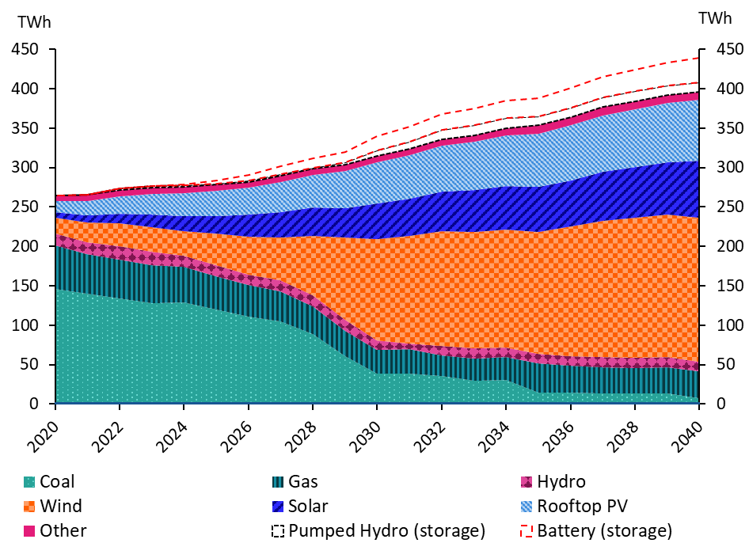
Electricity generation mix in Australia in the baseline scenario, by fuel, 2020 to 2040, TWh

 | 2020 | 2021 | 2022 | 2023 | 2024 | 2025 | 2026 | 2027 | 2028 | 2029 | 2030 | 2031 | 2032 | 2033 | 2034 | 2035 | 2036 | 2037 | 2038 | 2039 | 2040
Coal | 146 | 140 | 134 | 128 | 128 | 120 | 111 | 105 | 89 | 60 | 38 | 38 | 35 | 29 | 30 | 14 | 14 | 14 | 13 | 14 | 7
Gas | 55 | 50 | 49 | 49 | 45 | 42 | 40 | 38 | 35 | 33 | 30 | 32 | 26 | 29 | 29 | 37 | 35 | 33 | 32 | 33 | 34
Hydro | 15 | 15 | 17 | 17 | 15 | 14 | 13 | 14 | 14 | 14 | 12 | 7 | 12 | 12 | 12 | 12 | 12 | 13 | 13 | 13 | 12
Wind | 20 | 25 | 29 | 31 | 31 | 40 | 49 | 54 | 75 | 105 | 129 | 136 | 146 | 148 | 150 | 155 | 165 | 173 | 177 | 181 | 183
Solar | 7 | 10 | 13 | 16 | 19 | 23 | 27 | 32 | 36 | 37 | 46 | 47 | 50 | 53 | 55 | 57 | 58 | 62 | 65 | 66 | 72
Rooftop PV | 14 | 18 | 22 | 26 | 29 | 32 | 34 | 39 | 41 | 47 | 52 | 55 | 59 | 62 | 64 | 68 | 70 | 72 | 74 | 76 | 77
Other | 7 | 8 | 8 | 8 | 8 | 8 | 8 | 8 | 8 | 8 | 8 | 8 | 8 | 8 | 9 | 11 | 11 | 11 | 10 | 10 | 10
Pumped Hydro (storage) | 0 | 0 | 2 | 2 | 2 | 2 | 2 | 2 | 2 | 3 | 7 | 9 | 12 | 13 | 13 | 12 | 12 | 12 | 12 | 12 | 13
Battery (storage) | 0 | 0 | 0 | 0 | 1 | 4 | 7 | 10 | 12 | 13 | 18 | 19 | 20 | 21 | 23 | 23 | 25 | 26 | 28 | 29 | 30
Note: Figure shows modelled projections from 2025 for as-generated generation by fuel type.

Figure 20
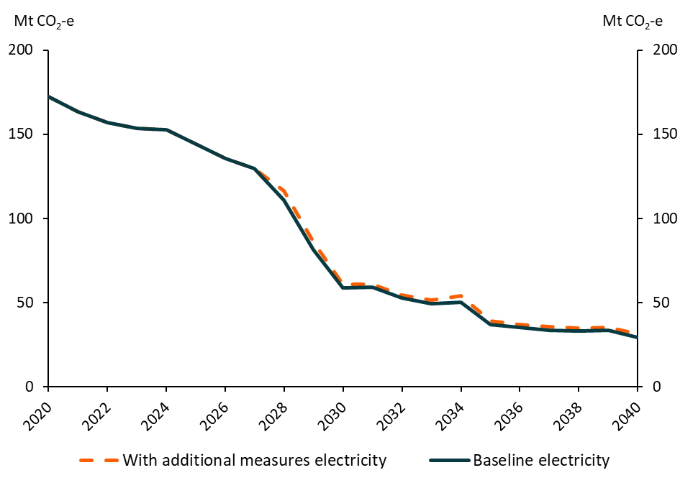
Electricity emissions in the baseline and 'with additional measures' scenarios, 2020 to 2040, Mt CO2-e

 | 2020 | 2021 | 2022 | 2023 | 2024 | 2025 | 2026 | 2027 | 2028 | 2029 | 2030 | 2031 | 2032 | 2033 | 2034 | 2035 | 2036 | 2037 | 2038 | 2039 | 2040
With additional measures electricity | 172 | 163 | 157 | 153 | 153 | 144 | 136 | 130 | 116 | 86 | 61 | 61 | 54 | 51 | 54 | 39 | 37 | 35 | 35 | 35 | 31
Baseline electricity | 172 | 163 | 157 | 153 | 153 | 144 | 136 | 130 | 111 | 81 | 59 | 59 | 53 | 49 | 50 | 37 | 35 | 34 | 33 | 33 | 29

Figure 21
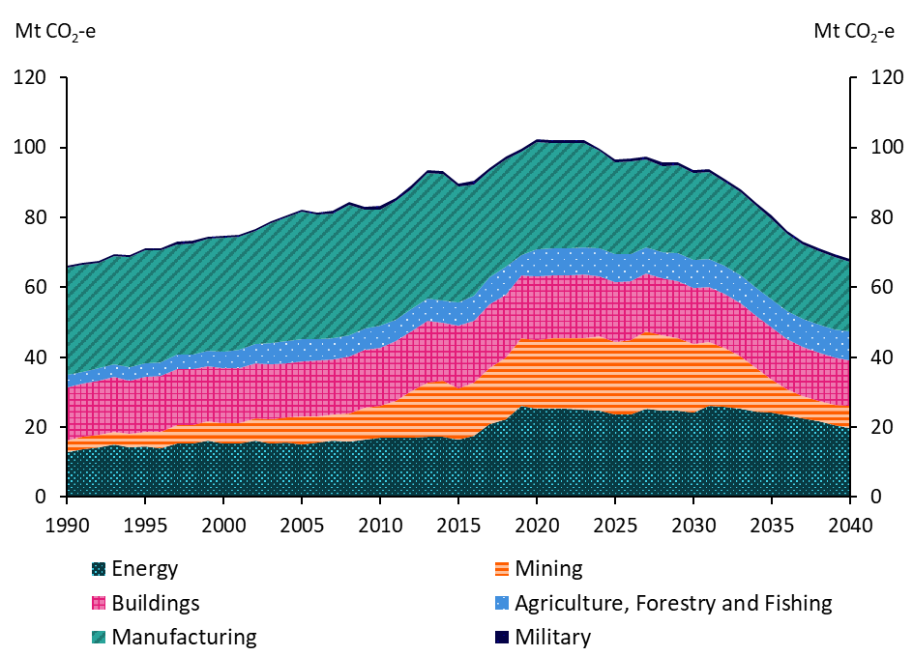
Stationary energy emissions in the baseline scenario, 1990 to 2040, Mt CO2-e

 | 1990 | 1991 | 1992 | 1993 | 1994 | 1995 | 1996 | 1997 | 1998 | 1999 | 2000 | 2001 | 2002 | 2003 | 2004 | 2005 | 2006 | 2007 | 2008 | 2009 | 2010 | 2011 | 2012 | 2013 | 2014 | 2015 | 2016 | 2017 | 2018 | 2019 | 2020 | 2021 | 2022 | 2023 | 2024 | 2025 | 2026 | 2027 | 2028 | 2029 | 2030 | 2031 | 2032 | 2033 | 2034 | 2035 | 2036 | 2037 | 2038 | 2039 | 2040
Energy | 13 | 14 | 14 | 15 | 14 | 14 | 14 | 15 | 15 | 16 | 15 | 15 | 16 | 15 | 16 | 15 | 16 | 16 | 16 | 16 | 17 | 17 | 17 | 17 | 17 | 16 | 18 | 21 | 22 | 26 | 25 | 25 | 25 | 25 | 25 | 24 | 24 | 25 | 25 | 25 | 24 | 26 | 26 | 25 | 25 | 24 | 23 | 23 | 22 | 21 | 20
Mining | 3 | 3 | 4 | 4 | 4 | 4 | 5 | 5 | 5 | 6 | 6 | 6 | 6 | 7 | 7 | 8 | 7 | 7 | 8 | 9 | 9 | 11 | 13 | 16 | 16 | 15 | 15 | 16 | 18 | 19 | 20 | 20 | 20 | 21 | 21 | 21 | 21 | 22 | 21 | 21 | 20 | 18 | 17 | 15 | 12 | 10 | 7 | 6 | 6 | 6 | 6
Manufacturing | 31 | 31 | 30 | 31 | 32 | 32 | 32 | 32 | 32 | 32 | 33 | 32 | 32 | 34 | 35 | 36 | 36 | 36 | 37 | 34 | 33 | 34 | 34 | 36 | 36 | 33 | 32 | 31 | 31 | 30 | 31 | 30 | 30 | 30 | 28 | 26 | 26 | 25 | 25 | 25 | 25 | 25 | 24 | 24 | 23 | 23 | 22 | 21 | 21 | 21 | 20
Buildings | 15 | 15 | 16 | 16 | 15 | 16 | 16 | 16 | 16 | 16 | 16 | 16 | 16 | 16 | 15 | 16 | 16 | 16 | 16 | 16 | 17 | 17 | 17 | 18 | 17 | 18 | 18 | 18 | 18 | 18 | 18 | 18 | 18 | 18 | 17 | 17 | 17 | 17 | 16 | 16 | 16 | 16 | 15 | 15 | 15 | 15 | 14 | 14 | 14 | 13 | 13
Agriculture, Forestry and Fishing | 3 | 3 | 4 | 4 | 4 | 4 | 4 | 4 | 4 | 4 | 4 | 5 | 6 | 6 | 6 | 7 | 6 | 6 | 6 | 6 | 6 | 6 | 6 | 6 | 6 | 7 | 7 | 8 | 8 | 6 | 8 | 8 | 8 | 8 | 8 | 8 | 8 | 7 | 7 | 8 | 8 | 8 | 8 | 8 | 8 | 8 | 8 | 8 | 8 | 8 | 8
Military | 0 | 0 | 1 | 1 | 1 | 1 | 1 | 1 | 1 | 1 | 1 | 1 | 1 | 1 | 1 | 1 | 1 | 1 | 1 | 1 | 1 | 1 | 1 | 1 | 1 | 1 | 1 | 1 | 1 | 1 | 1 | 1 | 1 | 1 | 1 | 1 | 1 | 1 | 1 | 1 | 1 | 1 | 1 | 1 | 1 | 1 | 1 | 1 | 1 | 1 | 1

Figure 22
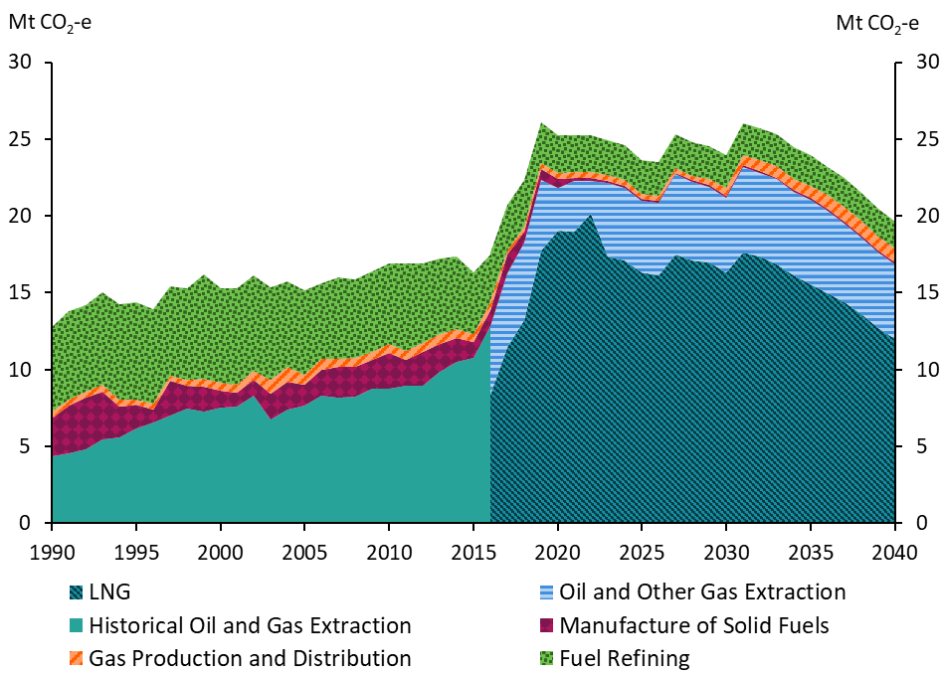
Energy sub-sector emissions in the baseline scenario, 1990 to 2040, Mt CO2-e

 | 1990 | 1991 | 1992 | 1993 | 1994 | 1995 | 1996 | 1997 | 1998 | 1999 | 2000 | 2001 | 2002 | 2003 | 2004 | 2005 | 2006 | 2007 | 2008 | 2009 | 2010 | 2011 | 2012 | 2013 | 2014 | 2015 | 2016 | 2017 | 2018 | 2019 | 2020 | 2021 | 2022 | 2023 | 2024 | 2025 | 2026 | 2027 | 2028 | 2029 | 2030 | 2031 | 2032 | 2033 | 2034 | 2035 | 2036 | 2037 | 2038 | 2039 | 2040
LNG |  |  |  |  |  |  |  |  |  |  |  |  |  |  |  |  |  |  |  |  |  |  |  |  |  |  | 8 | 11 | 13 | 18 | 19 | 19 | 20 | 17 | 17 | 16 | 16 | 17 | 17 | 17 | 16 | 18 | 17 | 17 | 16 | 16 | 15 | 14 | 14 | 13 | 12
Oil and Other Gas Extraction |  |  |  |  |  |  |  |  |  |  |  |  |  |  |  |  |  |  |  |  |  |  |  |  |  |  | 4 | 5 | 5 | 5 | 3 | 3 | 2 | 5 | 5 | 5 | 5 | 5 | 5 | 5 | 5 | 6 | 5 | 6 | 5 | 6 | 5 | 5 | 5 | 5 | 5
Historical Oil and Gas Extraction | 4 | 5 | 5 | 5 | 6 | 6 | 7 | 7 | 7 | 7 | 8 | 8 | 8 | 7 | 7 | 8 | 8 | 8 | 8 | 9 | 9 | 9 | 9 | 10 | 11 | 11
Manufacture of Solid Fuels | 2 | 3 | 3 | 3 | 2 | 2 | 1 | 2 | 1 | 2 | 1 | 1 | 1 | 2 | 2 | 1 | 2 | 2 | 2 | 2 | 2 | 2 | 2 | 2 | 2 | 1 | 1 | 1 | 1 | 1 | 1 | 0 | 0 | 0 | 0 | 0 | 0 | 0 | 0 | 0 | 0 | 0 | 0 | 0 | 0 | 0 | 0 | 0 | 0 | 0 | 0
Gas Production and Distribution | 0 | 0 | 0 | 0 | 0 | 0 | 0 | 0 | 0 | 1 | 0 | 1 | 1 | 1 | 1 | 1 | 1 | 1 | 1 | 1 | 1 | 1 | 1 | 1 | 1 | 1 | 1 | 0 | 0 | 0 | 0 | 0 | 0 | 0 | 0 | 0 | 0 | 0 | 0 | 0 | 1 | 1 | 1 | 1 | 1 | 1 | 1 | 1 | 1 | 1 | 1
Petroleum Refining | 6 | 6 | 6 | 6 | 6 | 6 | 6 | 6 | 6 | 7 | 6 | 6 | 6 | 6 | 6 | 5 | 5 | 5 | 5 | 5 | 5 | 6 | 5 | 5 | 5 | 4 | 3 | 3 | 3 | 3 | 2 | 2 | 2 | 2 | 2 | 2 | 2 | 2 | 2 | 2 | 2 | 2 | 2 | 2 | 2 | 2 | 2 | 2 | 2 | 2 | 2

Figure 23
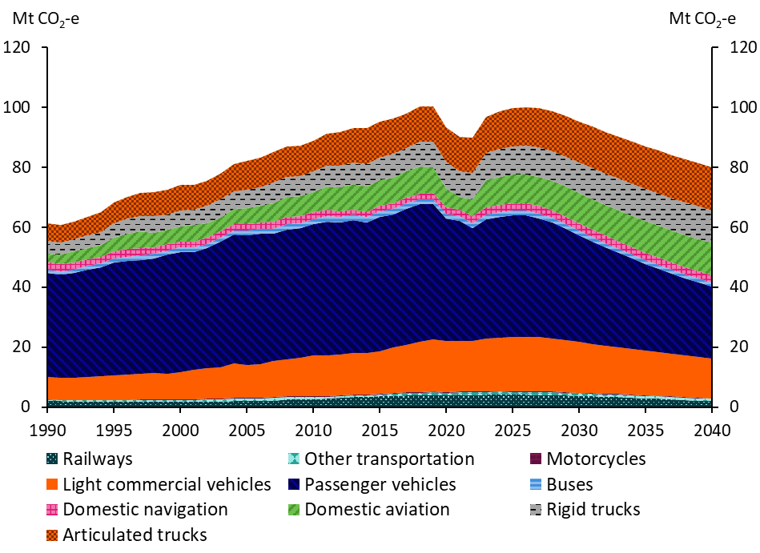
Transport emissions in the baseline scenario, 1990 to 2040, Mt CO2-e

 | 1990 | 1991 | 1992 | 1993 | 1994 | 1995 | 1996 | 1997 | 1998 | 1999 | 2000 | 2001 | 2002 | 2003 | 2004 | 2005 | 2006 | 2007 | 2008 | 2009 | 2010 | 2011 | 2012 | 2013 | 2014 | 2015 | 2016 | 2017 | 2018 | 2019 | 2020 | 2021 | 2022 | 2023 | 2024 | 2025 | 2026 | 2027 | 2028 | 2029 | 2030 | 2031 | 2032 | 2033 | 2034 | 2035 | 2036 | 2037 | 2038 | 2039 | 2040
Articulated trucks | 6 | 6 | 6 | 6 | 7 | 7 | 7 | 8 | 8 | 8 | 9 | 8 | 8 | 9 | 9 | 10 | 10 | 10 | 10 | 10 | 10 | 11 | 11 | 12 | 12 | 12 | 12 | 11 | 12 | 12 | 12 | 11 | 12 | 12 | 12 | 13 | 13 | 13 | 13 | 13 | 14 | 14 | 14 | 14 | 14 | 14 | 14 | 14 | 14 | 14 | 14
Rigid trucks | 4 | 4 | 4 | 4 | 4 | 5 | 5 | 5 | 5 | 5 | 5 | 5 | 6 | 6 | 6 | 6 | 6 | 7 | 7 | 7 | 7 | 7 | 7 | 7 | 8 | 8 | 8 | 8 | 8 | 8 | 9 | 9 | 9 | 9 | 9 | 9 | 10 | 10 | 10 | 10 | 10 | 10 | 10 | 11 | 11 | 11 | 11 | 11 | 11 | 11 | 11
Buses | 1 | 1 | 1 | 1 | 1 | 1 | 1 | 2 | 2 | 1 | 1 | 1 | 1 | 1 | 1 | 1 | 1 | 2 | 2 | 2 | 2 | 2 | 2 | 2 | 2 | 2 | 2 | 2 | 2 | 2 | 2 | 2 | 2 | 2 | 2 | 2 | 2 | 2 | 2 | 2 | 2 | 2 | 1 | 1 | 1 | 1 | 1 | 1 | 1 | 1 | 1
Passenger vehicles | 35 | 34 | 35 | 36 | 36 | 37 | 38 | 38 | 38 | 40 | 40 | 39 | 40 | 42 | 43 | 43 | 44 | 43 | 43 | 43 | 44 | 44 | 44 | 44 | 43 | 45 | 44 | 45 | 46 | 45 | 41 | 40 | 38 | 40 | 40 | 41 | 40 | 40 | 39 | 37 | 36 | 34 | 33 | 31 | 30 | 29 | 28 | 27 | 26 | 25 | 24
Light commercial vehicles | 7 | 7 | 7 | 8 | 8 | 8 | 8 | 9 | 9 | 9 | 9 | 10 | 10 | 11 | 11 | 11 | 11 | 12 | 12 | 13 | 14 | 14 | 14 | 14 | 14 | 14 | 15 | 16 | 17 | 17 | 17 | 17 | 17 | 18 | 18 | 18 | 18 | 18 | 18 | 17 | 17 | 16 | 16 | 16 | 15 | 15 | 14 | 14 | 14 | 14 | 13
Domestic aviation | 3 | 3 | 4 | 4 | 4 | 5 | 5 | 5 | 5 | 5 | 5 | 6 | 5 | 5 | 5 | 5 | 6 | 6 | 7 | 7 | 7 | 8 | 8 | 8 | 9 | 9 | 9 | 9 | 9 | 8 | 7 | 4 | 6 | 9 | 9 | 9 | 10 | 10 | 10 | 10 | 10 | 10 | 10 | 10 | 10 | 11 | 11 | 11 | 11 | 11 | 11
Domestic navigation | 3 | 2 | 2 | 2 | 2 | 3 | 3 | 3 | 2 | 2 | 2 | 2 | 2 | 2 | 2 | 2 | 2 | 2 | 3 | 2 | 2 | 2 | 2 | 2 | 1 | 2 | 2 | 2 | 2 | 2 | 2 | 2 | 2 | 2 | 2 | 2 | 2 | 2 | 2 | 2 | 2 | 2 | 2 | 2 | 2 | 2 | 2 | 2 | 2 | 2 | 2
Motorcycles | 0 | 0 | 0 | 0 | 0 | 0 | 0 | 0 | 0 | 0 | 0 | 0 | 0 | 0 | 0 | 0 | 0 | 0 | 0 | 0 | 0 | 0 | 0 | 0 | 0 | 0 | 0 | 0 | 0 | 0 | 0 | 0 | 0 | 0 | 0 | 0 | 0 | 0 | 0 | 0 | 0 | 0 | 0 | 0 | 0 | 0 | 0 | 0 | 0 | 0 | 0
Other transportation | 0 | 0 | 0 | 0 | 0 | 0 | 0 | 0 | 0 | 1 | 1 | 1 | 1 | 1 | 1 | 1 | 1 | 1 | 1 | 1 | 1 | 1 | 1 | 1 | 1 | 1 | 1 | 1 | 1 | 1 | 1 | 1 | 1 | 1 | 1 | 1 | 1 | 1 | 1 | 1 | 1 | 1 | 1 | 1 | 1 | 1 | 1 | 1 | 1 | 1 | 1
Railways | 2 | 2 | 2 | 2 | 2 | 2 | 2 | 2 | 2 | 2 | 2 | 2 | 2 | 2 | 2 | 2 | 2 | 2 | 3 | 3 | 3 | 3 | 3 | 3 | 3 | 4 | 4 | 4 | 4 | 4 | 4 | 4 | 4 | 4 | 4 | 4 | 4 | 4 | 4 | 4 | 4 | 4 | 3 | 3 | 3 | 3 | 3 | 3 | 2 | 2 | 2

Figure 24
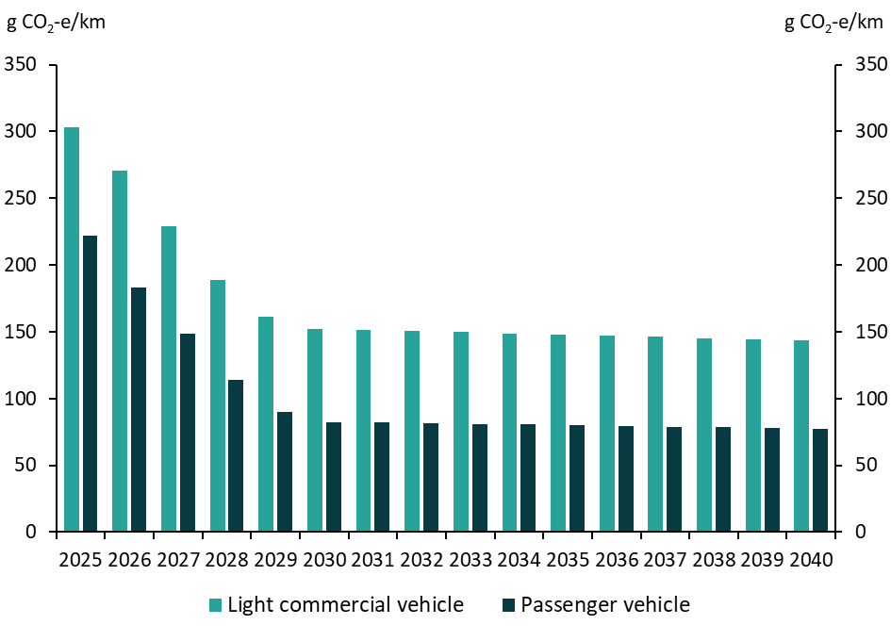
Projected real-world light vehicle emission intensities (average new vehicle), 2025 to 2040, grams CO2-e per kilometre

 | 2025 | 2026 | 2027 | 2028 | 2029 | 2030 | 2031 | 2032 | 2033 | 2034 | 2035 | 2036 | 2037 | 2038 | 2039 | 2040
Light commercial vehicle | 303 | 271 | 229 | 189 | 161 | 152 | 151 | 151 | 150 | 149 | 148 | 147 | 146 | 145 | 144 | 143
Passenger vehicle | 222 | 183 | 148 | 114 | 90 | 82 | 82 | 81 | 81 | 80 | 80 | 79 | 79 | 79 | 78 | 78

Figure 25
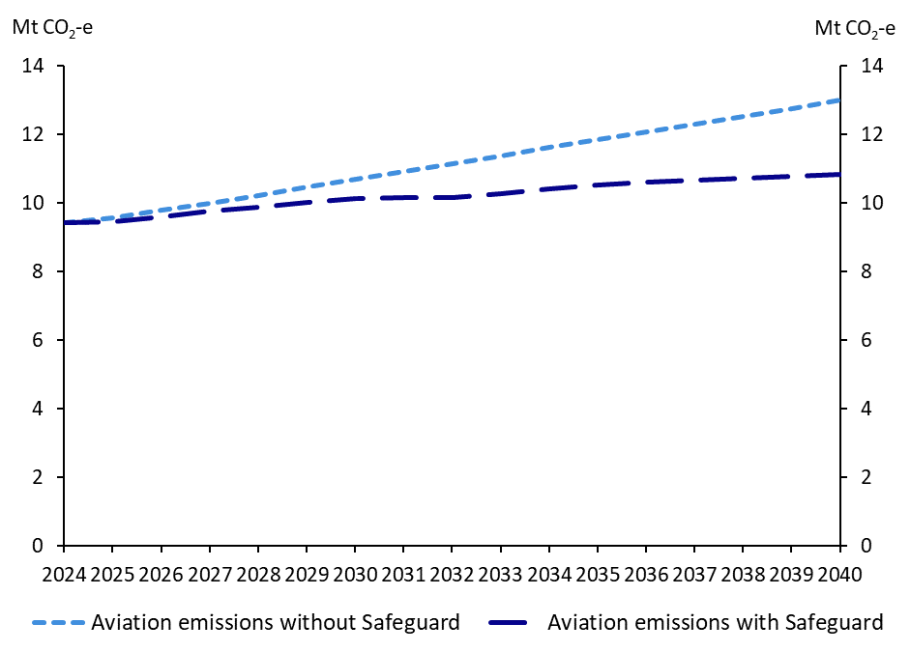
Projected domestic aviation emissions, 2024 to 2040, Mt CO2-e

 | 2024 | 2025 | 2026 | 2027 | 2028 | 2029 | 2030 | 2031 | 2032 | 2033 | 2034 | 2035 | 2036 | 2037 | 2038 | 2039 | 2040
Aviation emissions without Safeguard | 9 | 10 | 10 | 10 | 10 | 10 | 11 | 11 | 11 | 11 | 12 | 12 | 12 | 12 | 13 | 13 | 13
Aviation emissions with Safeguard | 9 | 9 | 10 | 10 | 10 | 10 | 10 | 10 | 10 | 10 | 10 | 11 | 11 | 11 | 11 | 11 | 11

Figure 26
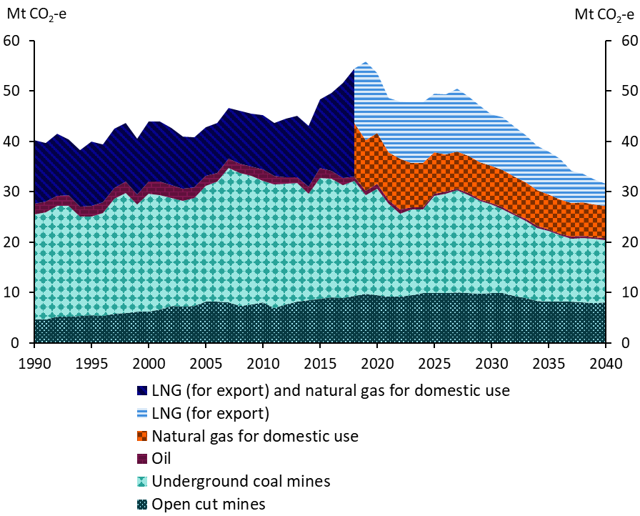
Fugitive emissions in the baseline scenario, 1990 to 2040, Mt CO2-e

 | 1990 | 1991 | 1992 | 1993 | 1994 | 1995 | 1996 | 1997 | 1998 | 1999 | 2000 | 2001 | 2002 | 2003 | 2004 | 2005 | 2006 | 2007 | 2008 | 2009 | 2010 | 2011 | 2012 | 2013 | 2014 | 2015 | 2016 | 2017 | 2018 | 2019 | 2020 | 2021 | 2022 | 2023 | 2024 | 2025 | 2026 | 2027 | 2028 | 2029 | 2030 | 2031 | 2032 | 2033 | 2034 | 2035 | 2036 | 2037 | 2038 | 2039 | 2040
Natural gas for domestic use |  |  |  |  |  |  |  |  |  |  |  |  |  |  |  |  |  |  |  |  |  |  |  |  |  |  |  |  | 11 | 10 | 10 | 10 | 10 | 9 | 9 | 8 | 7 | 7 | 7 | 7 | 7 | 7 | 7 | 7 | 7 | 7 | 7 | 7 | 7 | 6 | 6
LNG (for export) |  |  |  |  |  |  |  |  |  |  |  |  |  |  |  |  |  |  |  |  |  |  |  |  |  |  |  |  | 11 | 16 | 12 | 11 | 11 | 12 | 12 | 12 | 12 | 12 | 12 | 11 | 10 | 11 | 10 | 9 | 9 | 8 | 8 | 6 | 6 | 5 | 4
LNG (for export) and natural gas for domestic use | 13 | 12 | 12 | 11 | 11 | 13 | 12 | 12 | 12 | 11 | 12 | 12 | 11 | 10 | 10 | 10 | 10 | 10 | 10 | 11 | 11 | 10 | 12 | 12 | 12 | 14 | 15 | 19
Oil | 2 | 2 | 2 | 2 | 2 | 2 | 2 | 2 | 2 | 2 | 2 | 3 | 3 | 2 | 2 | 2 | 2 | 2 | 2 | 2 | 2 | 2 | 1 | 1 | 1 | 2 | 2 | 1 | 1 | 1 | 1 | 1 | 1 | 1 | 1 | 0 | 0 | 0 | 0 | 0 | 0 | 0 | 0 | 0 | 0 | 0 | 0 | 0 | 0 | 0 | 0
Open cut mines | 5 | 5 | 5 | 5 | 5 | 6 | 5 | 6 | 6 | 6 | 6 | 7 | 7 | 7 | 7 | 8 | 8 | 8 | 7 | 8 | 8 | 7 | 8 | 8 | 9 | 9 | 9 | 9 | 9 | 10 | 9 | 9 | 9 | 10 | 10 | 10 | 10 | 10 | 10 | 10 | 10 | 10 | 9 | 9 | 8 | 8 | 8 | 8 | 8 | 8 | 8
Underground coal mines | 21 | 21 | 22 | 22 | 20 | 20 | 20 | 23 | 24 | 21 | 23 | 23 | 21 | 21 | 21 | 23 | 24 | 27 | 26 | 26 | 24 | 25 | 24 | 24 | 21 | 24 | 24 | 23 | 23 | 20 | 21 | 18 | 16 | 17 | 17 | 19 | 20 | 20 | 20 | 18 | 18 | 17 | 16 | 15 | 14 | 14 | 13 | 13 | 13 | 13 | 12

Map 1
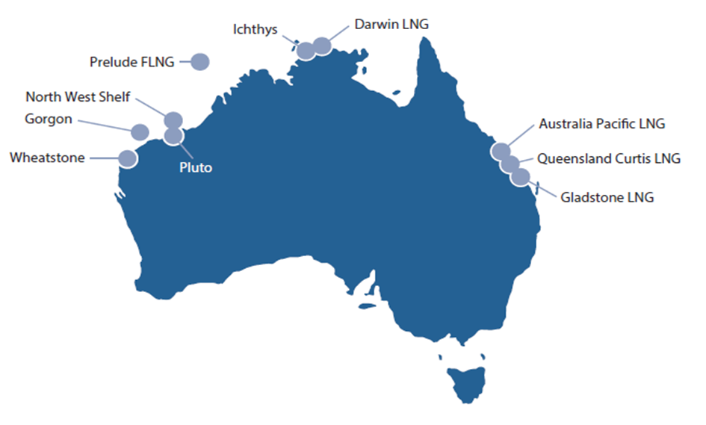
LNG projects in Australia in 2024

Figure 27
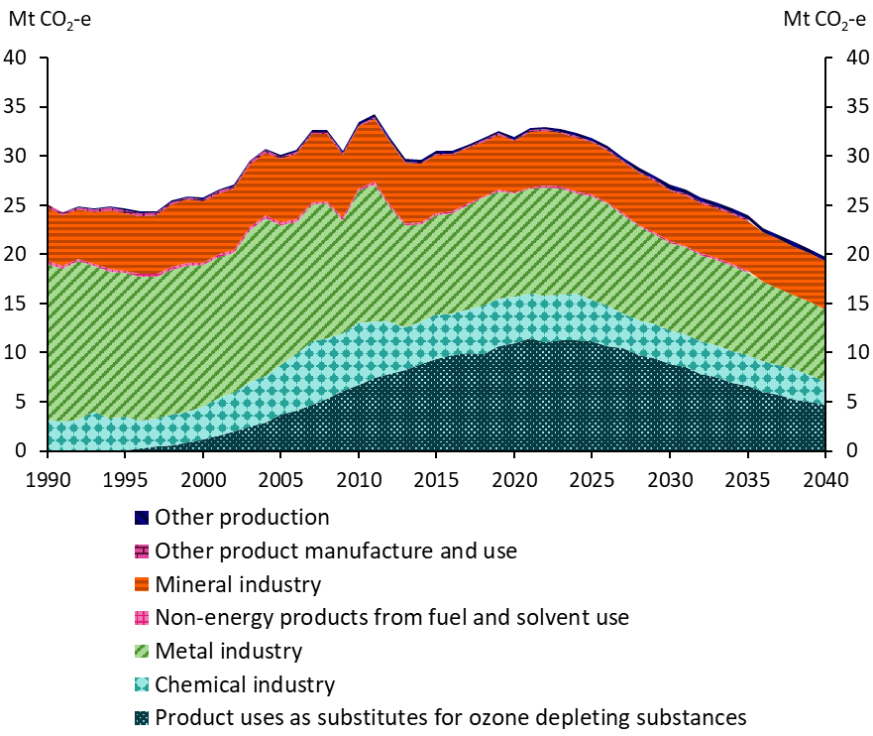
Industrial processes and product use emissions in the baseline scenario, 1990 to 2040, Mt CO2-e

 | 1990 | 1991 | 1992 | 1993 | 1994 | 1995 | 1996 | 1997 | 1998 | 1999 | 2000 | 2001 | 2002 | 2003 | 2004 | 2005 | 2006 | 2007 | 2008 | 2009 | 2010 | 2011 | 2012 | 2013 | 2014 | 2015 | 2016 | 2017 | 2018 | 2019 | 2020 | 2021 | 2022 | 2023 | 2024 | 2025 | 2026 | 2027 | 2028 | 2029 | 2030 | 2031 | 2032 | 2033 | 2034 | 2035 | 2036 | 2037 | 2038 | 2039 | 2040
Product uses as substitutes for ozone depleting substances | 0 | 0 | 0 | 0 | 0 | 0 | 0 | 0 | 1 | 1 | 1 | 2 | 2 | 2 | 3 | 4 | 4 | 5 | 5 | 6 | 7 | 7 | 8 | 8 | 9 | 9 | 10 | 10 | 10 | 11 | 11 | 11 | 11 | 11 | 11 | 11 | 11 | 10 | 10 | 9 | 9 | 9 | 8 | 8 | 7 | 7 | 6 | 6 | 5 | 5 | 5
Other production | 0 | 0 | 0 | 0 | 0 | 0 | 0 | 0 | 0 | 0 | 0 | 0 | 0 | 0 | 0 | 0 | 0 | 0 | 0 | 0 | 0 | 0 | 0 | 0 | 0 | 0 | 0 | 0 | 0 | 0 | 0 | 0 | 0 | 0 | 0 | 0 | 0 | 0 | 0 | 0 | 0 | 0 | 0 | 0 | 0 | 0 | 0 | 0 | 0 | 0 | 0
Other product manufacture and use | 0 | 0 | 0 | 0 | 0 | 0 | 0 | 0 | 0 | 0 | 0 | 0 | 0 | 0 | 0 | 0 | 0 | 0 | 0 | 0 | 0 | 0 | 0 | 0 | 0 | 0 | 0 | 0 | 0 | 0 | 0 | 0 | 0 | 0 | 0 | 0 | 0 | 0 | 0 | 0 | 0 | 0 | 0 | 0 | 0 | 0 | 0 | 0 | 0 | 0 | 0
Non-energy products from fuel and solvent use | 0 | 0 | 0 | 0 | 0 | 0 | 0 | 0 | 0 | 0 | 0 | 0 | 0 | 0 | 0 | 0 | 0 | 0 | 0 | 0 | 0 | 0 | 0 | 0 | 0 | 0 | 0 | 0 | 0 | 0 | 0 | 0 | 0 | 0 | 0 | 0 | 0 | 0 | 0 | 0 | 0 | 0 | 0 | 0 | 0 | 0 | 0 | 0 | 0 | 0 | 0
Mineral industry | 5 | 5 | 5 | 5 | 6 | 6 | 6 | 6 | 6 | 6 | 6 | 6 | 6 | 6 | 6 | 6 | 7 | 7 | 7 | 6 | 6 | 6 | 6 | 6 | 6 | 6 | 6 | 6 | 6 | 6 | 5 | 6 | 6 | 5 | 5 | 5 | 5 | 5 | 5 | 5 | 5 | 5 | 5 | 5 | 5 | 5 | 5 | 5 | 5 | 5 | 5
Metal industry | 16 | 16 | 16 | 15 | 15 | 15 | 15 | 14 | 15 | 15 | 14 | 14 | 14 | 15 | 16 | 14 | 13 | 14 | 14 | 12 | 13 | 14 | 12 | 10 | 10 | 10 | 10 | 11 | 11 | 11 | 10 | 11 | 11 | 11 | 10 | 11 | 10 | 10 | 10 | 9 | 9 | 9 | 9 | 9 | 9 | 8 | 8 | 8 | 7 | 7 | 7
Chemical industry | 3 | 3 | 3 | 4 | 3 | 3 | 3 | 3 | 3 | 3 | 3 | 4 | 4 | 5 | 5 | 5 | 6 | 6 | 6 | 6 | 6 | 6 | 5 | 4 | 4 | 5 | 4 | 4 | 5 | 5 | 5 | 5 | 5 | 5 | 5 | 4 | 4 | 4 | 3 | 3 | 3 | 3 | 3 | 3 | 3 | 3 | 3 | 3 | 3 | 3 | 2

Figure 28
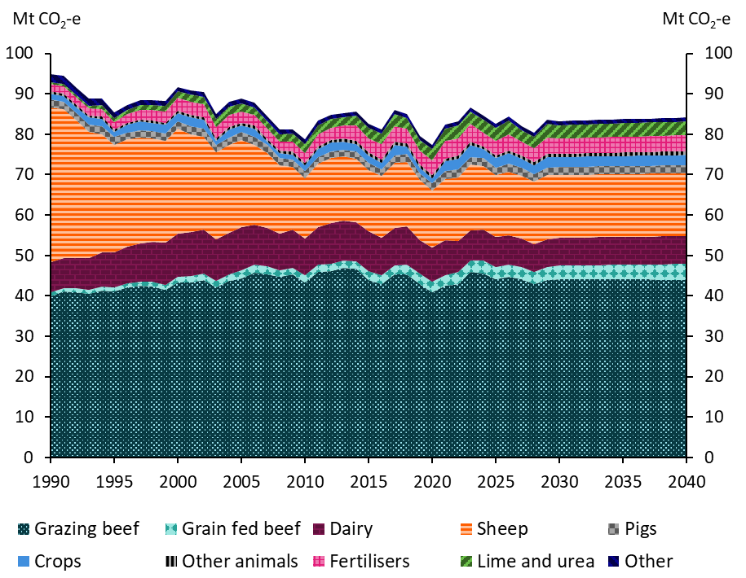
Agriculture emissions in the baseline scenario, 1990 to 2040, Mt CO2-e

 | 1990 | 1991 | 1992 | 1993 | 1994 | 1995 | 1996 | 1997 | 1998 | 1999 | 2000 | 2001 | 2002 | 2003 | 2004 | 2005 | 2006 | 2007 | 2008 | 2009 | 2010 | 2011 | 2012 | 2013 | 2014 | 2015 | 2016 | 2017 | 2018 | 2019 | 2020 | 2021 | 2022 | 2023 | 2024 | 2025 | 2026 | 2027 | 2028 | 2029 | 2030 | 2031 | 2032 | 2033 | 2034 | 2035 | 2036 | 2037 | 2038 | 2039 | 2040
Other | 2 | 2 | 2 | 2 | 2 | 1 | 1 | 1 | 1 | 1 | 1 | 1 | 1 | 1 | 1 | 1 | 1 | 1 | 1 | 1 | 1 | 1 | 1 | 1 | 1 | 1 | 1 | 1 | 1 | 1 | 1 | 1 | 1 | 1 | 1 | 1 | 1 | 1 | 1 | 1 | 1 | 1 | 1 | 1 | 1 | 1 | 1 | 1 | 1 | 1 | 1
Lime and urea | 1 | 1 | 1 | 1 | 1 | 1 | 1 | 1 | 1 | 2 | 2 | 2 | 2 | 2 | 2 | 2 | 2 | 2 | 2 | 2 | 2 | 2 | 2 | 2 | 2 | 3 | 3 | 3 | 3 | 3 | 3 | 3 | 3 | 3 | 3 | 3 | 3 | 3 | 3 | 3 | 3 | 3 | 3 | 3 | 3 | 3 | 3 | 3 | 3 | 3 | 3
Fertilisers | 2 | 2 | 2 | 2 | 2 | 2 | 2 | 2 | 3 | 3 | 3 | 3 | 3 | 3 | 3 | 3 | 3 | 2 | 2 | 2 | 3 | 3 | 3 | 3 | 4 | 4 | 4 | 4 | 4 | 3 | 4 | 4 | 4 | 4 | 4 | 4 | 4 | 3 | 3 | 4 | 4 | 4 | 4 | 4 | 4 | 4 | 4 | 4 | 4 | 4 | 4
Crops | 1 | 1 | 1 | 2 | 2 | 1 | 2 | 2 | 2 | 2 | 2 | 2 | 2 | 1 | 2 | 2 | 2 | 1 | 1 | 1 | 1 | 2 | 2 | 2 | 2 | 2 | 2 | 3 | 2 | 1 | 1 | 2 | 3 | 3 | 2 | 2 | 3 | 2 | 2 | 3 | 2 | 2 | 2 | 2 | 2 | 2 | 3 | 3 | 3 | 3 | 3
Other animals | 1 | 1 | 1 | 1 | 1 | 1 | 1 | 1 | 1 | 1 | 1 | 1 | 1 | 1 | 1 | 1 | 1 | 1 | 1 | 1 | 1 | 1 | 1 | 1 | 1 | 1 | 1 | 1 | 1 | 1 | 1 | 1 | 1 | 1 | 1 | 1 | 1 | 1 | 1 | 1 | 1 | 1 | 1 | 1 | 1 | 1 | 1 | 1 | 1 | 1 | 1
Pigs | 2 | 2 | 2 | 2 | 2 | 2 | 2 | 2 | 2 | 2 | 2 | 2 | 2 | 2 | 2 | 2 | 2 | 2 | 2 | 2 | 2 | 2 | 2 | 2 | 2 | 2 | 2 | 2 | 2 | 2 | 2 | 2 | 2 | 2 | 2 | 2 | 2 | 2 | 2 | 2 | 2 | 2 | 2 | 2 | 2 | 2 | 2 | 2 | 2 | 2 | 2
Sheep | 38 | 37 | 34 | 31 | 29 | 27 | 26 | 26 | 26 | 25 | 26 | 24 | 23 | 22 | 22 | 22 | 20 | 19 | 17 | 16 | 15 | 16 | 16 | 16 | 16 | 15 | 15 | 16 | 16 | 15 | 14 | 15 | 16 | 16 | 16 | 15 | 16 | 16 | 15 | 16 | 16 | 16 | 16 | 16 | 16 | 16 | 16 | 16 | 16 | 16 | 16
Dairy | 8 | 7 | 8 | 8 | 8 | 9 | 9 | 9 | 10 | 10 | 11 | 11 | 11 | 10 | 10 | 11 | 10 | 9 | 9 | 9 | 9 | 9 | 10 | 10 | 10 | 10 | 9 | 9 | 9 | 8 | 9 | 9 | 8 | 7 | 7 | 7 | 7 | 7 | 7 | 7 | 7 | 7 | 7 | 7 | 7 | 7 | 7 | 7 | 7 | 7 | 7
Grain fed beef | 1 | 1 | 1 | 1 | 1 | 1 | 1 | 1 | 1 | 1 | 1 | 2 | 2 | 2 | 2 | 2 | 2 | 2 | 2 | 2 | 2 | 2 | 2 | 2 | 2 | 2 | 2 | 2 | 2 | 3 | 3 | 3 | 3 | 3 | 3 | 3 | 3 | 3 | 3 | 3 | 3 | 3 | 3 | 4 | 4 | 4 | 4 | 4 | 4 | 4 | 4
Grazing beef | 40 | 41 | 41 | 40 | 41 | 41 | 42 | 42 | 42 | 42 | 43 | 43 | 44 | 42 | 44 | 44 | 46 | 45 | 45 | 45 | 43 | 46 | 46 | 47 | 47 | 44 | 43 | 45 | 45 | 43 | 41 | 43 | 43 | 45 | 45 | 44 | 45 | 44 | 43 | 44 | 44 | 44 | 44 | 44 | 44 | 44 | 44 | 44 | 44 | 44 | 44

Figure 29
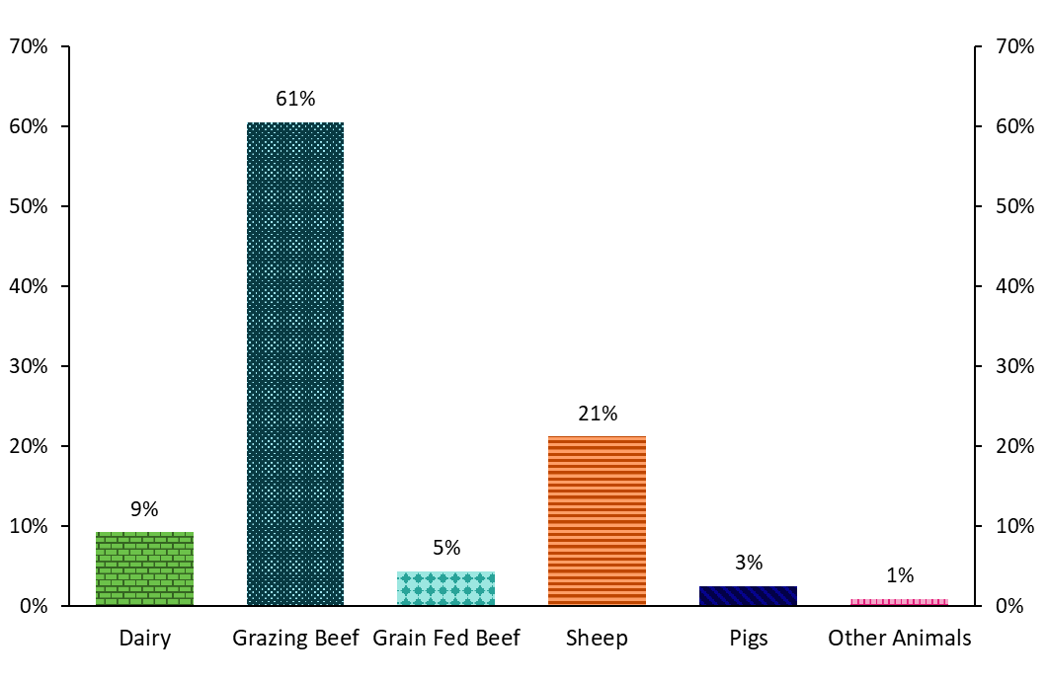
Livestock emissions in 2030, commodity categories, %

 | 2030
Dairy | 9%
Grazing Beef | 61%
Grain Fed Beef | 5%
Sheep | 21%
Pigs | 3%
Other Animals | 1%

Figure 30
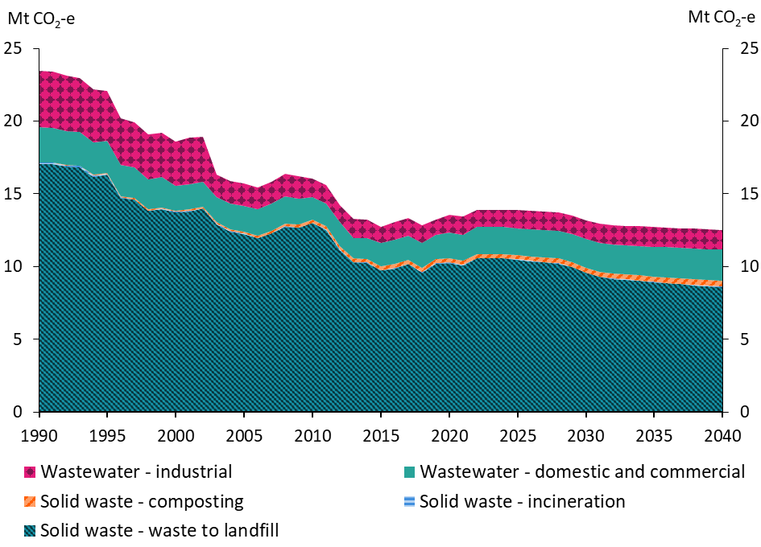
Waste emissions in the baseline scenario, 1990 to 2040, Mt CO2-e

 | 1990 | 1991 | 1992 | 1993 | 1994 | 1995 | 1996 | 1997 | 1998 | 1999 | 2000 | 2001 | 2002 | 2003 | 2004 | 2005 | 2006 | 2007 | 2008 | 2009 | 2010 | 2011 | 2012 | 2013 | 2014 | 2015 | 2016 | 2017 | 2018 | 2019 | 2020 | 2021 | 2022 | 2023 | 2024 | 2025 | 2026 | 2027 | 2028 | 2029 | 2030 | 2031 | 2032 | 2033 | 2034 | 2035 | 2036 | 2037 | 2038 | 2039 | 2040
Wastewater - industrial | 4 | 4 | 4 | 4 | 4 | 3 | 3 | 3 | 3 | 3 | 3 | 3 | 3 | 2 | 2 | 2 | 2 | 2 | 2 | 2 | 1 | 1 | 1 | 1 | 1 | 1 | 1 | 1 | 1 | 1 | 1 | 1 | 1 | 1 | 1 | 1 | 1 | 1 | 1 | 1 | 1 | 1 | 1 | 1 | 1 | 1 | 1 | 1 | 1 | 1 | 1
Wastewater - domestic and commercial | 2 | 2 | 2 | 2 | 2 | 2 | 2 | 2 | 2 | 2 | 2 | 2 | 2 | 2 | 2 | 2 | 2 | 2 | 2 | 2 | 2 | 2 | 2 | 1 | 1 | 2 | 2 | 2 | 2 | 2 | 2 | 2 | 2 | 2 | 2 | 2 | 2 | 2 | 2 | 2 | 2 | 2 | 2 | 2 | 2 | 2 | 2 | 2 | 2 | 2 | 2
Solid waste - incineration | 0 | 0 | 0 | 0 | 0 | 0 | 0 | 0 | 0 | 0 | 0 | 0 | 0 | 0 | 0 | 0 | 0 | 0 | 0 | 0 | 0 | 0 | 0 | 0 | 0 | 0 | 0 | 0 | 0 | 0 | 0 | 0 | 0 | 0 | 0 | 0 | 0 | 0 | 0 | 0 | 0 | 0 | 0 | 0 | 0 | 0 | 0 | 0 | 0 | 0 | 0
Solid waste - composting | 0 | 0 | 0 | 0 | 0 | 0 | 0 | 0 | 0 | 0 | 0 | 0 | 0 | 0 | 0 | 0 | 0 | 0 | 0 | 0 | 0 | 0 | 0 | 0 | 0 | 0 | 0 | 0 | 0 | 0 | 0 | 0 | 0 | 0 | 0 | 0 | 0 | 0 | 0 | 0 | 0 | 0 | 0 | 0 | 0 | 0 | 0 | 0 | 0 | 0 | 0
Solid waste - waste to landfill | 17 | 17 | 17 | 17 | 16 | 16 | 15 | 15 | 14 | 14 | 14 | 14 | 14 | 13 | 12 | 12 | 12 | 12 | 13 | 13 | 13 | 13 | 11 | 10 | 10 | 10 | 10 | 10 | 10 | 10 | 10 | 10 | 11 | 11 | 11 | 10 | 10 | 10 | 10 | 10 | 10 | 9 | 9 | 9 | 9 | 9 | 9 | 9 | 9 | 9 | 9

Figure 31
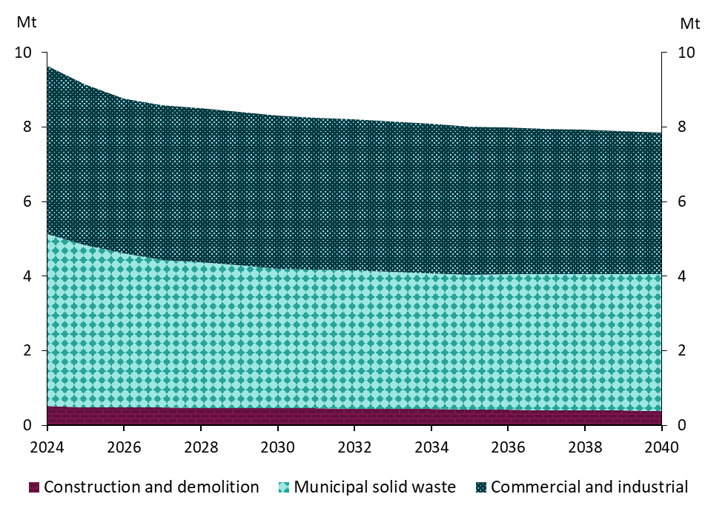
Non-inert waste deposited at landfills, by stream, 2024 to 2040, Mt

 | 2024 | 2025 | 2026 | 2027 | 2028 | 2029 | 2030 | 2031 | 2032 | 2033 | 2034 | 2035 | 2036 | 2037 | 2038 | 2039 | 2040
Municipal solid waste | 5 | 4 | 4 | 4 | 4 | 4 | 4 | 4 | 4 | 4 | 4 | 4 | 4 | 4 | 4 | 4 | 4
Commercial and industrial | 5 | 4 | 4 | 4 | 4 | 4 | 4 | 4 | 4 | 4 | 4 | 4 | 4 | 4 | 4 | 4 | 4
Construction and demolition | 1 | 0 | 0 | 0 | 0 | 0 | 0 | 0 | 0 | 0 | 0 | 0 | 0 | 0 | 0 | 0 | 0

Figure 32
Non-inert waste deposited at landfills in 2024, by commodity, %

 | 2024
Food | 50%
Paper and cardboard | 4%
Garden and park | 18%
Wood | 13%
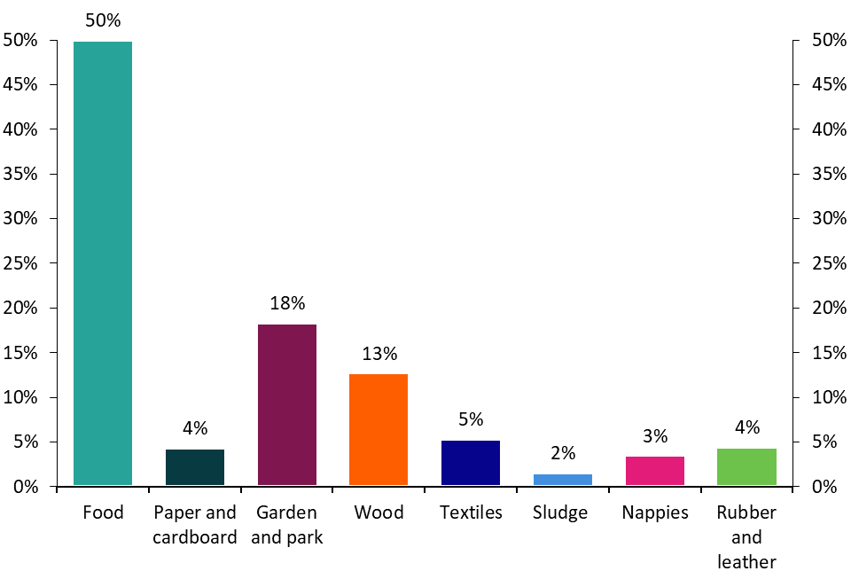
Textiles | 5%
Sludge | 2%
Nappies | 3%
Rubber and leather | 4%

Figure 33
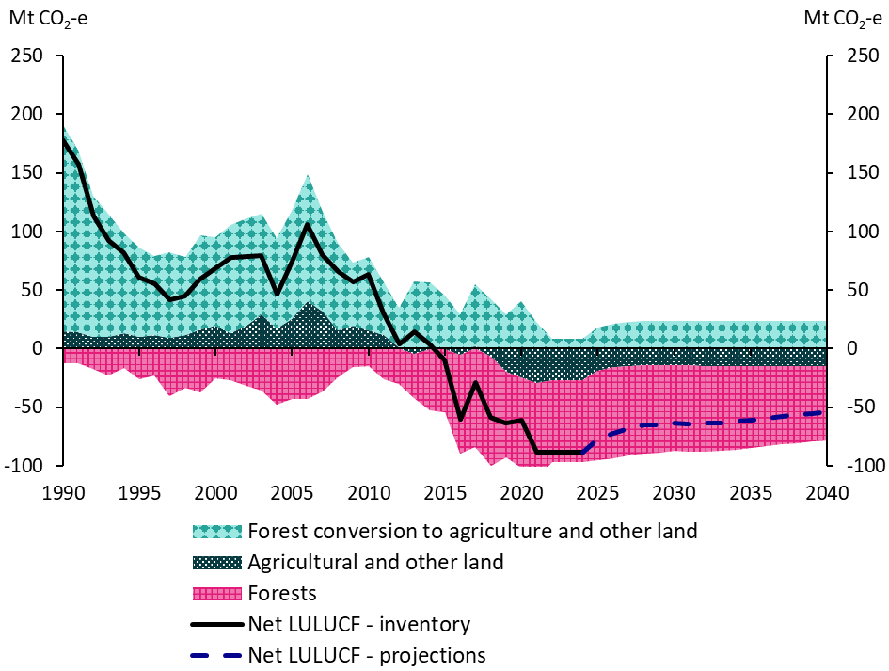
Emissions and removals from LULUCF in the baseline scenario, 1990 to 2040, Mt CO2-e

 | 1990 | 1991 | 1992 | 1993 | 1994 | 1995 | 1996 | 1997 | 1998 | 1999 | 2000 | 2001 | 2002 | 2003 | 2004 | 2005 | 2006 | 2007 | 2008 | 2009 | 2010 | 2011 | 2012 | 2013 | 2014 | 2015 | 2016 | 2017 | 2018 | 2019 | 2020 | 2021 | 2022 | 2023 | 2024 | 2025 | 2026 | 2027 | 2028 | 2029 | 2030 | 2031 | 2032 | 2033 | 2034 | 2035 | 2036 | 2037 | 2038 | 2039 | 2040
Forests | -12 | -12 | -17 | -23 | -17 | -26 | -23 | -40 | -33 | -38 | -26 | -27 | -32 | -36 | -48 | -43 | -43 | -37 | -24 | -16 | -15 | -26 | -31 | -38 | -52 | -54 | -85 | -84 | -93 | -73 | -78 | -82 | -70 | -70 | -70 | -76 | -78 | -76 | -75 | -75 | -73 | -74 | -73 | -73 | -72 | -70 | -69 | -67 | -66 | -65 | -63
Agricultural and other land | 15 | 14 | 10 | 10 | 14 | 10 | 11 | 9 | 11 | 16 | 19 | 13 | 20 | 30 | 17 | 25 | 41 | 31 | 15 | 20 | 16 | 11 | 1 | -5 | 0 | 0 | -5 | 2 | -7 | -20 | -24 | -30 | -27 | -27 | -27 | -19 | -16 | -15 | -14 | -14 | -14 | -15 | -15 | -15 | -15 | -15 | -15 | -15 | -15 | -15 | -15
Forest conversion to agriculture and other land | 175 | 156 | 121 | 105 | 85 | 76 | 68 | 73 | 67 | 81 | 76 | 92 | 91 | 85 | 77 | 92 | 109 | 85 | 75 | 54 | 63 | 45 | 34 | 57 | 57 | 45 | 29 | 52 | 42 | 29 | 41 | 23 | 9 | 9 | 9 | 18 | 22 | 23 | 24 | 24 | 24 | 24 | 24 | 24 | 24 | 24 | 24 | 24 | 24 | 24 | 24
Net LULUCF - inventory | 178 | 158 | 113 | 92 | 82 | 61 | 56 | 42 | 45 | 59 | 69 | 78 | 79 | 79 | 47 | 75 | 106 | 80 | 66 | 57 | 63 | 30 | 4 | 15 | 4 | -10 | -61 | -29 | -58 | -64 | -61 | -89 | -88 | -88
Net LULUCF - projections |  |  |  |  |  |  |  |  |  |  |  |  |  |  |  |  |  |  |  |  |  |  |  |  |  |  |  |  |  |  |  |  |  |  | -88 | -77 | -72 | -68 | -66 | -65 | -64 | -64 | -64 | -64 | -62 | -61 | -59 | -58 | -57 | -55 | -54

Figure 34
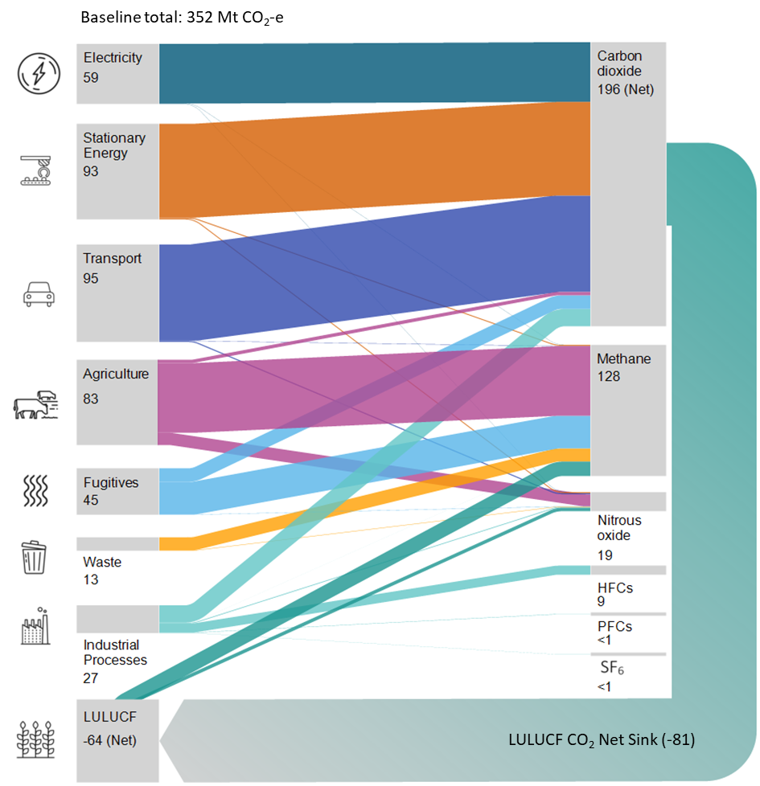
Australia’s emissions projections by gas in the baseline scenario, 2030, Mt CO2-e

Figure 35
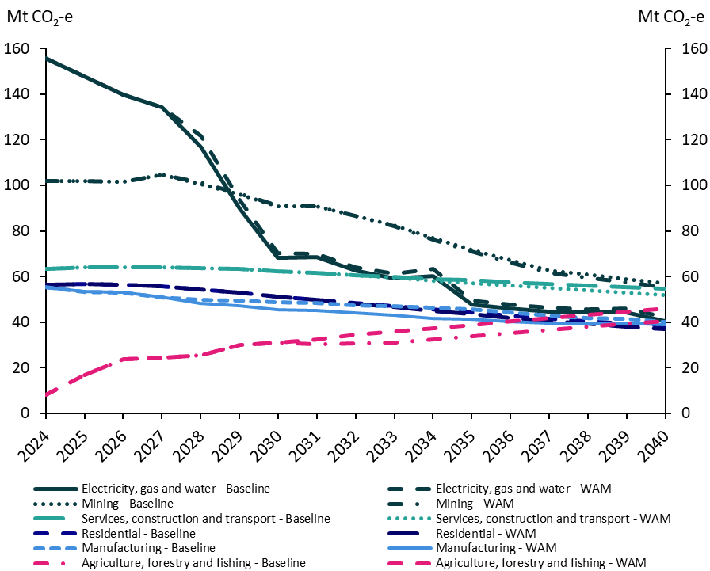
Emissions projections by economic sector in the baseline and 'with additional measures' scenarios, 2024 to 2040, Mt CO2-e

Baseline scenario | 2024 | 2025 | 2026 | 2027 | 2028 | 2029 | 2030 | 2031 | 2032 | 2033 | 2034 | 2035 | 2036 | 2037 | 2038 | 2039 | 2040
Agriculture, forestry and fishing | 8 | 17 | 24 | 24 | 26 | 30 | 31 | 30 | 31 | 31 | 33 | 34 | 35 | 37 | 38 | 39 | 41
Mining | 102 | 102 | 101 | 105 | 101 | 96 | 91 | 91 | 87 | 82 | 77 | 72 | 67 | 63 | 61 | 59 | 57
Manufacturing | 55 | 53 | 53 | 51 | 50 | 49 | 49 | 48 | 47 | 47 | 46 | 46 | 44 | 43 | 42 | 42 | 40
Electricity, gas and water | 156 | 148 | 140 | 134 | 117 | 90 | 68 | 68 | 63 | 59 | 60 | 48 | 46 | 45 | 44 | 44 | 40
Services, construction and transport | 63 | 64 | 64 | 64 | 64 | 63 | 62 | 62 | 60 | 60 | 59 | 58 | 57 | 57 | 56 | 55 | 55
Residential | 56 | 57 | 56 | 56 | 54 | 53 | 51 | 50 | 48 | 47 | 45 | 44 | 43 | 42 | 40 | 39 | 38

'With additional measures' scenario | 2024 | 2025 | 2026 | 2027 | 2028 | 2029 | 2030 | 2031 | 2032 | 2033 | 2034 | 2035 | 2036 | 2037 | 2038 | 2039 | 2040
Agriculture, forestry and fishing | 8 | 17 | 24 | 24 | 26 | 30 | 31 | 32 | 35 | 36 | 37 | 39 | 40 | 42 | 43 | 44 | 46
Mining | 102 | 102 | 101 | 105 | 101 | 96 | 91 | 91 | 87 | 82 | 76 | 71 | 66 | 62 | 60 | 57 | 55
Manufacturing | 55 | 53 | 53 | 51 | 48 | 47 | 45 | 45 | 44 | 43 | 42 | 41 | 40 | 40 | 39 | 39 | 39
Electricity, gas and water | 156 | 148 | 140 | 134 | 122 | 94 | 70 | 70 | 64 | 61 | 63 | 50 | 48 | 46 | 46 | 46 | 42
Services, construction and transport | 63 | 64 | 64 | 64 | 64 | 63 | 62 | 62 | 60 | 60 | 58 | 57 | 56 | 55 | 54 | 53 | 52
Residential | 56 | 57 | 56 | 56 | 54 | 53 | 51 | 50 | 48 | 47 | 45 | 43 | 42 | 41 | 39 | 38 | 37
Note: Primary industries is shown in its separate subsectors of agriculture, forestry and fishing, and mining on this chart.

Figure 36
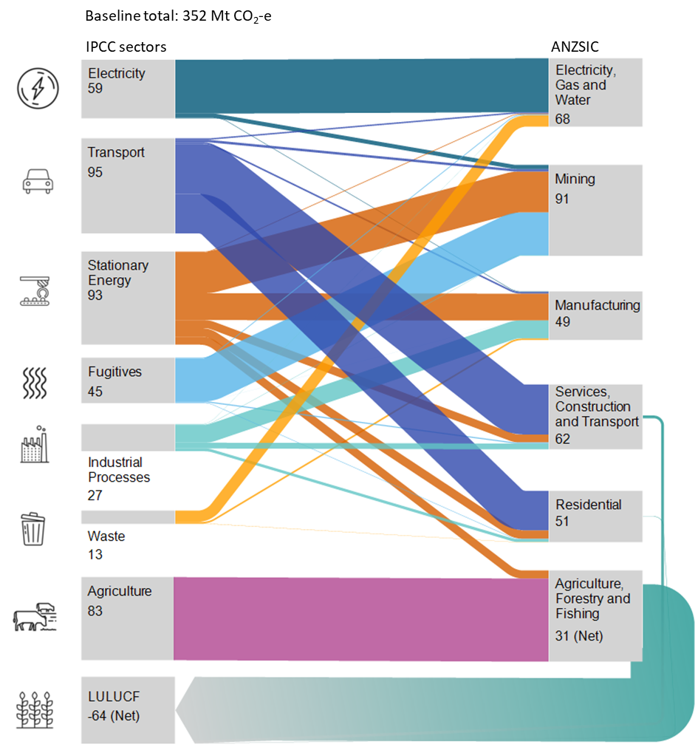
Australia’s emissions projections by economic sector in the baseline scenario, 2030, Mt CO2-e

Figure 37
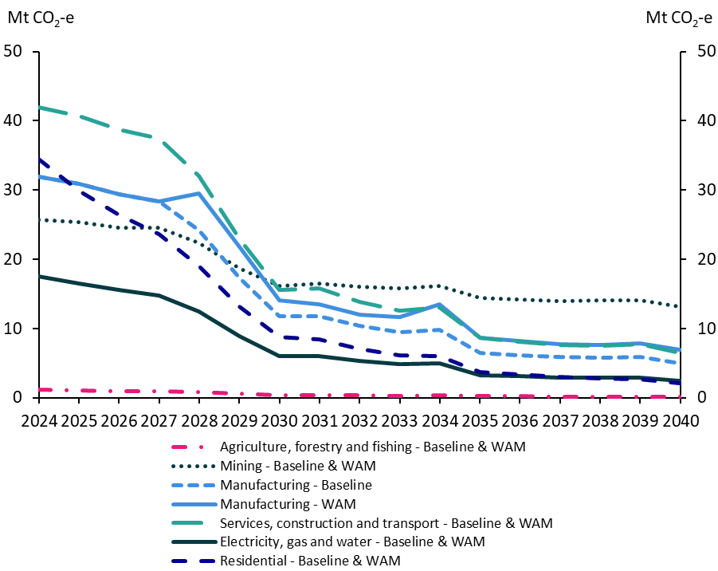
Emissions from the consumption of electricity by economic sector in the baseline and 'with additional measures' scenarios, 2024 to 2040, Mt CO2-e

Baseline scenario | 2024 | 2025 | 2026 | 2027 | 2028 | 2029 | 2030 | 2031 | 2032 | 2033 | 2034 | 2035 | 2036 | 2037 | 2038 | 2039 | 2040
Agriculture, forestry and fishing | 1 | 1 | 1 | 1 | 1 | 1 | 0 | 0 | 0 | 0 | 0 | 0 | 0 | 0 | 0 | 0 | 0
Mining | 26 | 25 | 25 | 25 | 22 | 19 | 16 | 17 | 16 | 16 | 16 | 14 | 14 | 14 | 14 | 14 | 13
Manufacturing | 32 | 31 | 29 | 28 | 24 | 17 | 12 | 12 | 10 | 9 | 10 | 7 | 6 | 6 | 6 | 6 | 5
Electricity, gas and water | 18 | 17 | 16 | 15 | 12 | 9 | 6 | 6 | 5 | 5 | 5 | 3 | 3 | 3 | 3 | 3 | 2
Services, construction and transport | 42 | 41 | 39 | 37 | 32 | 23 | 16 | 16 | 14 | 13 | 13 | 9 | 8 | 8 | 7 | 8 | 6
Residential | 34 | 30 | 26 | 24 | 19 | 13 | 9 | 8 | 7 | 6 | 6 | 4 | 3 | 3 | 3 | 3 | 2

'With additional measures' scenario | 2024 | 2025 | 2026 | 2027 | 2028 | 2029 | 2030 | 2031 | 2032 | 2033 | 2034 | 2035 | 2036 | 2037 | 2038 | 2039 | 2040
Agriculture, forestry and fishing | 1 | 1 | 1 | 1 | 1 | 1 | 0 | 0 | 0 | 0 | 0 | 0 | 0 | 0 | 0 | 0 | 0
Mining | 26 | 25 | 25 | 25 | 22 | 19 | 16 | 17 | 16 | 16 | 16 | 14 | 14 | 14 | 14 | 14 | 13
Manufacturing | 32 | 31 | 29 | 28 | 29 | 22 | 14 | 14 | 12 | 12 | 13 | 9 | 8 | 8 | 8 | 8 | 7
Electricity, gas and water | 18 | 17 | 16 | 15 | 12 | 9 | 6 | 6 | 5 | 5 | 5 | 3 | 3 | 3 | 3 | 3 | 2
Services, construction and transport | 42 | 41 | 39 | 37 | 32 | 23 | 16 | 16 | 14 | 13 | 13 | 9 | 8 | 8 | 7 | 8 | 6
Residential | 34 | 30 | 26 | 24 | 19 | 13 | 9 | 8 | 7 | 6 | 6 | 4 | 3 | 3 | 3 | 3 | 2
Note: Primary industries is shown in its separate subsectors of agriculture, forestry and fishing, and mining on this chart.

Figure 38
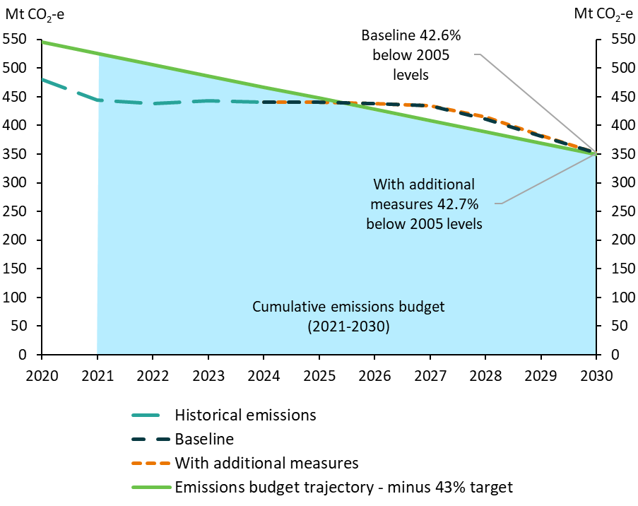
Tracking against the 2030 emissions target trajectory, 2020 to 2030, Mt CO2-e

 | 2020 | 2021 | 2022 | 2023 | 2024 | 2025 | 2026 | 2027 | 2028 | 2029 | 2030
Historical emissions | 480 | 445 | 438 | 444 | 441
Emissions budget trajectory - minus 43% target | 545 | 526 | 506 | 487 | 467 | 447 | 428 | 408 | 389 | 369 | 350
Baseline |  |  |  |  | 441 | 441 | 439 | 434 | 411 | 381 | 352
With additional measures |  |  |  |  | 441 | 441 | 439 | 434 | 415 | 383 | 351

