Results
Test 1 | Baseline revisit
Model | Train_name | Test_name | Epoch | Test_loss | PSNR | PSNR_norm
 |  | mid_img | 50 | 0.026 | 37.339 | 560.079 | 0
LIGHTFUSE | kalan_org |  | 50 | 0.097 | 21.708 | 325.624 | 0
LIGHTFUSE_sig | kalan_org |  | 50 | 0.097 | 21.611 | 324.158 | 0
LF_3exp_skip | kalan_org |  | 50 | 0.037 | 29.170 | 437.556 | 0
LF_3exp_skip_rmlastrelu | kalan_org |  | 50 | 0.020 | 36.319 | 544.779 | 0

LIGHTFUSE | kalan_aligned |  | 50 | 0.078 | 23.539 | 353.090 | 0
LIGHTFUSE_sig | kalan_aligned |  | 50 | 0.090 | 22.647 | 339.698 | 0
LF_3exp_skip | kalan_aligned |  | 50 | 0.023 | 36.675 | 550.119 | 0
LF_3exp_skip_rmlastrelu | kalan_aligned |  | 50 | 0.023 | 36.205 | 543.082 | 0

1) last activation : sigmoid가 psnr은 약간 떨어지지만, 큰 차이 없고, in/out offset 안해도 되는 이점.
마지막 결과에서 tanh로 바꿔보고 차이 있는지 확인은 해보기
2) reference mid 이미지를 넣는게 매우 유효.
3) aligned image를 쓰는게 좀 더 유리

Test 2 | DetailNet only - for denoising

myHDR_detail_only_pconv | kalan_aligned_feat16 |  | 50 | 0.010 | 37.440 | 561.604 | 0
myHDR_detail_only_pconv | kalan_aligned_feat32 |  | 50 | 0.011 | 37.239 | 558.590 | 0
myHDR_detail_only_dconv333 | kalan_aligned |  | 50 | 0.020 | 31.228 | 468.421 | 0
myHDR_detail_only_conv333 | kalan_aligned_feat8 |  | 50 | 0.011 | 36.383 | 545.740 | 0
myHDR_detail_only_conv333 | kalan_aligned_feat16 |  | 50 | 0.009 | 36.874 | 553.104 | 0 |  |  | 0.29
myHDR_detail_only_conv333 | kalan_aligned_feat32 |  | 50 | 0.009 | 36.822 | 552.337 | 0

myHDR_detail_only_pconv | kalan_aligned_feat16 | cropped | 50 | 0.010 | 37.407 | 561.105 | 0
myHDR_detail_only_pconv | kalan_aligned_feat32 | cropped | 50 | 0.011 | 37.194 | 557.914 | 0
myHDR_detail_only_dconv333 | kalan_aligned | cropped | 50 | 0.020 | 31.769 | 476.542 | 0
myHDR_detail_only_conv333 | kalan_aligned_feat8 | cropped | 50 | 0.011 | 36.569 | 548.535 | 0
myHDR_detail_only_conv333 | kalan_aligned_feat16 | cropped | 50 | 0.009 | 37.914 | 568.705 | 0
myHDR_detail_only_conv333 | kalan_aligned_feat32 | cropped | 50 | 0.009 | 37.789 | 566.828 | 0

1) dconv, 즉 channel wise로 spatial하게만 보면 denoise 잘 못함.
2) channel, spatial 다 봐야하는 걸로 보임.
3) feature map channel이 커지면 edge에서 색수차 발생.
4) 이미지로 확인했을 때는 암부의 노이즈는 conv feat8이 제일 잘 잡음.
5) 근데 왜 pcconv가 psnr은 더 잘나오나,..

Test 3 | myHDR - rmlastrelu & map blurring
myHDR | kalan_org |  | 50 | 0.019 | 36.140 | 542.103 | 0
myHDR | kalan_aligned |  | 50 | 0.022 | 34.778 | 521.676 | 0
myHDR | kalan_aligned | gated | 50 | 0.023 | 38.873 | 583.102 | 0
myHDR | kalan_aligned | gated_ds2 | 50 | 0.022 | 38.875 | 583.132 | 0
myHDR | kalan_aligned | gated_ds4 | 50 | 0.023 | 38.810 | 582.145 | 0
myHDR | kalan_aligned | gated_ds8 | 50 | 0.023 | 38.690 | 580.352 | 0
myHDR | sat_only | gated | 50 | 0.028 | 37.363 | 560.441 | 0
myHDR | sat_only | gated_ds2 | 50 | 0.028 | 37.300 | 559.496 | 0
myHDR | sat_only | gated_ds4 | 50 | 0.031 | 36.752 | 551.280 | 0
myHDR | sat_only | gated_ds8 | 50 | 0.032 | 35.819 | 537.281 | 0

myHDR_rmlastrelu | kalan_org |  | 50 | 0.020 | 37.246 | 558.697 | 0
myHDR_rmlastrelu | kalan_aligned |  | 50 | 0.021 | 38.429 | 576.428 | 0 |  | 3.650116
myHDR_rmlastrelu | kalan_aligned | gated | 50 | 0.022 | 39.880 | 598.194 | 0
myHDR_rmlastrelu | kalan_aligned | gated_ds2 | 50 | 0.022 | 39.842 | 597.630 | 0
myHDR_rmlastrelu | kalan_aligned | gated_ds4 | 50 | 0.022 | 39.715 | 595.725 | 0
myHDR_rmlastrelu | kalan_aligned | gated_ds8 | 50 | 0.023 | 39.510 | 592.657 | 0
myHDR_rmlastrelu | sat_only | gated | 50 | 0.022 | 39.313 | 589.694 | 0
myHDR_rmlastrelu | sat_only | gated_ds2 | 50 | 0.023 | 39.268 | 589.027 | 0
myHDR_rmlastrelu | sat_only | gated_ds4 | 50 | 0.023 | 39.109 | 586.629 | 0
myHDR_rmlastrelu | sat_only | gated_ds8 | 50 | 0.024 | 38.837 | 582.556 | 0

myHDR_rmlastrelu | kalan_aligned | gated_box3 | 50 | 0.022 | 39.864 | 597.953 | 0
myHDR_rmlastrelu | kalan_aligned | gated_box5 | 50 | 0.022 | 39.816 | 597.236 | 0
myHDR_rmlastrelu | kalan_aligned | gated_box7 | 50 | 0.022 | 39.765 | 596.479 | 0
myHDR_rmlastrelu | kalan_aligned | gated_gaus3 | 50 | 0.022 | 39.867 | 597.998 | 0
myHDR_rmlastrelu | kalan_aligned | gated_gaus5 | 50 | 0.022 | 39.840 | 597.599 | 0
myHDR_rmlastrelu | kalan_aligned | gated_gaus7 | 50 | 0.022 | 39.827 | 597.409 | 0

1) map을 그대로 쓰면 경계면 보임. Blur 필요한데 filter말고 간단히 ds map에서 bilinear. --> map 계산량도 줄일 수 있음.
2) sat_only로만 학습한다고 딱히 fusion을 더 잘하지는 않음. 오히려 motion에 의한 artifact가 두드러짐. (sat only 영역에 motion이 많이 없기 때문..?)

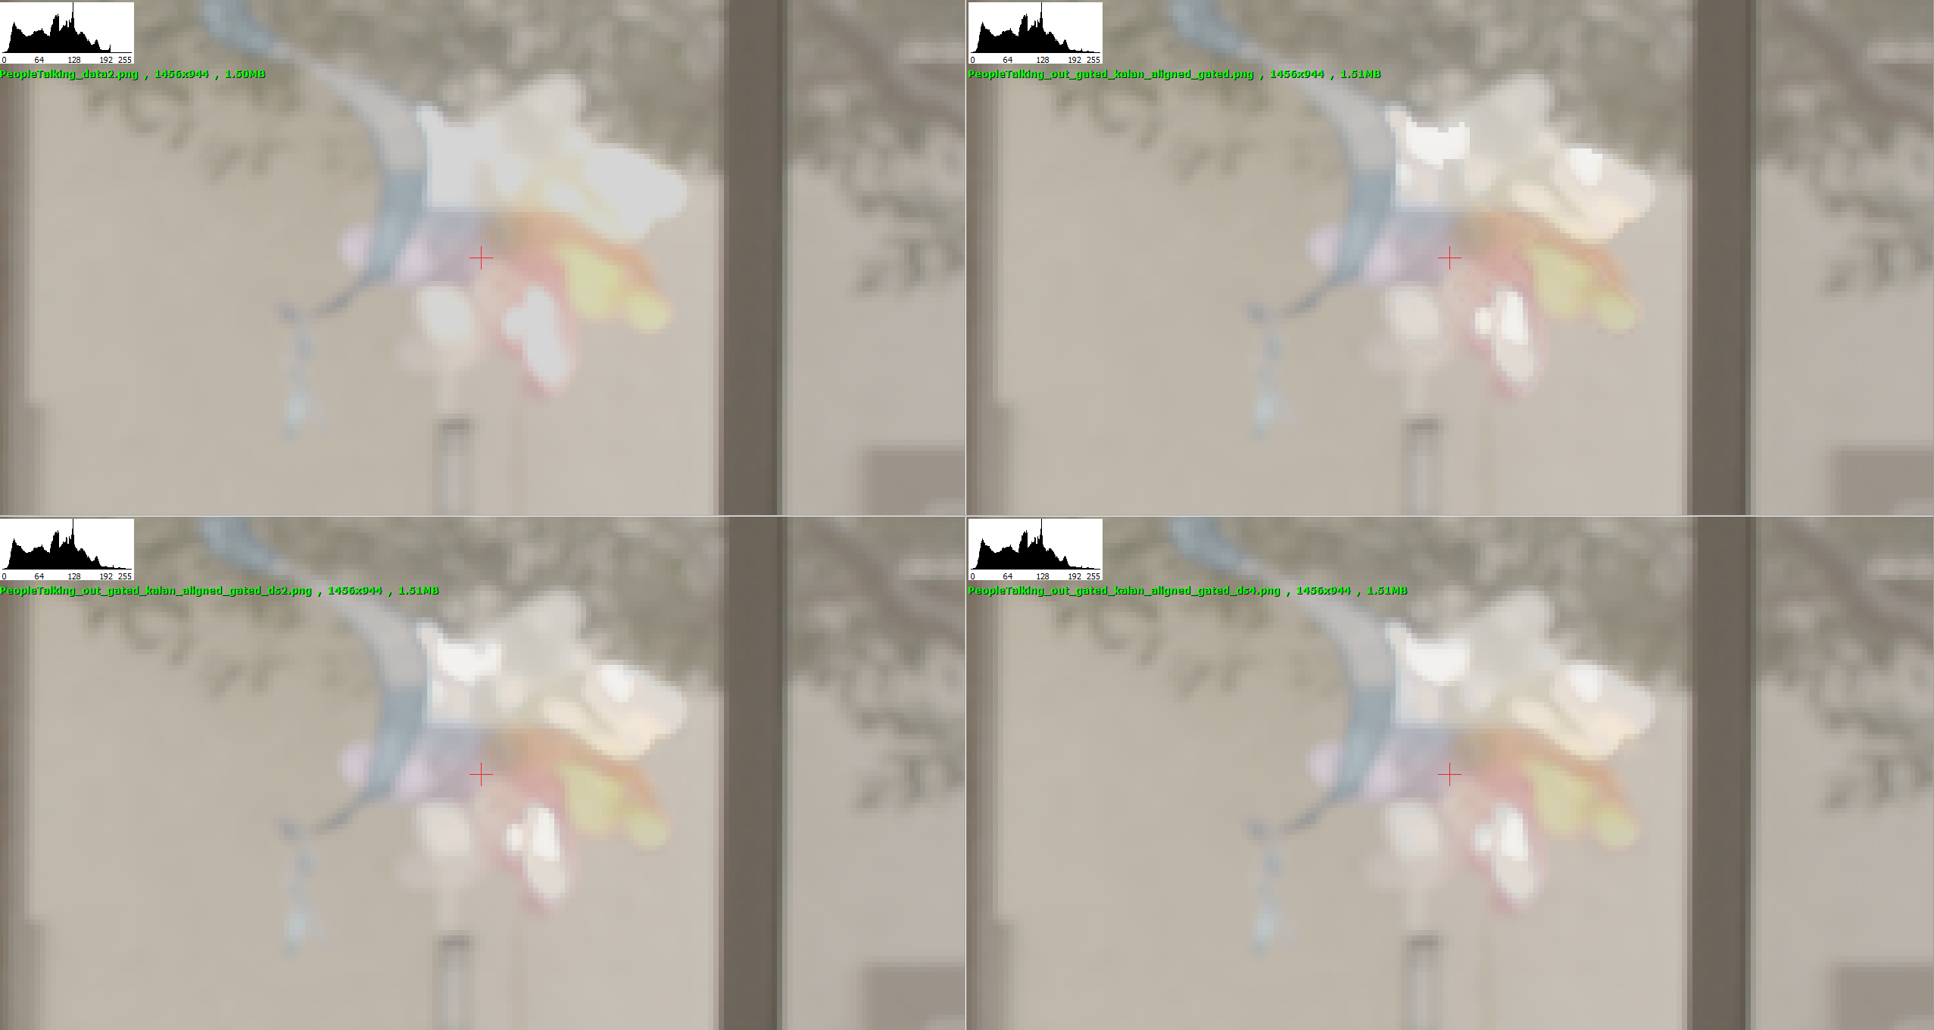
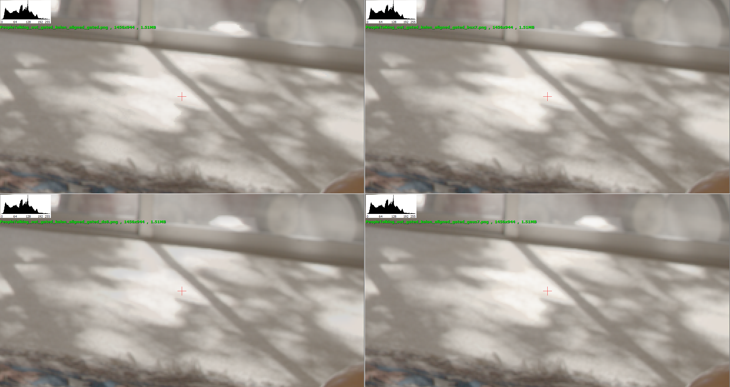

Test 4 | myHDR_new | detail_net conv + rm last relu
 | myHDR_new2 | detail_net_conv + rm last relu + add relu to gnet
 | myHDR_new_conv | all conv + rm last relu
 | myHDR_new2_conv | all conv + rm last relu + add relu to gnet

myHDR_new | aligned_vggmse | gated_ds4 | 50 | 0.023 | 39.038 | 585.575 | 0
myHDR_new2 | aligned_vggmse | gated_ds4 | 50 | 0.024 | 39.004 | 585.064 | 0
myHDR_new_conv | aligned_vggmse | gated_ds4 | 50 | 0.024 | 38.199 | 572.990 | 0
myHDR_new2_conv | aligned_vggmse | gated_ds4 | 50 | 0.025 | 37.500 | 562.494 | 0

myHDR_new | aligned_L1 | gated_ds4 | 50 | 0.006 | 39.376 | 590.634 | 0
myHDR_new2 | aligned_L1 | gated_ds4 | 50 | 0.007 | 38.799 | 581.981 | 0
myHDR_new_conv | aligned_L1 | gated_ds4 | 50 | 0.007 | 38.789 | 581.832 | 0
myHDR_new2_conv | aligned_L1 | gated_ds4 | 50 | 0.006 | 39.451 | 591.766 | 0

Test 5 | Fuse to denoised image
 |  | mid_img 그대로 | 50 | 0.026 | 37.339 | 560.079 | 0
myHDR_rmlastrelu | kalan_aligned | gated_ds4 | 50 | 0.022 | 39.715 | 595.725 | 0
myHDR_detail_only_conv333 | kalan_aligned_feat16 | cropped | 50 | 0.009 | 37.914 | 568.705 | 0
myHDR_rmlastrelu | kalan_aligned | fuse_to_denoised_mid | 50 | 0.031 | 37.678 | 565.165 | 0
myHDR_rmlastrelu | kalan_aligned | inference_with_denoised_mid | 50 | 0.035 | 35.992 | 539.887 | 0

Test 6 | Intermediate finalized models
myHDR_detail_only_conv333 | kalan_aligned_conv |  | 200 | 0.008 | 38.608 | 579.123 | 0 | denoised mid
myHDR_rmlastrelu | kalan_aligned | gated_by_ds4 | 200 | 0.022 | 39.984 | 599.764 | 0 | fuse sat region to org mid
myHDR_rmlastrelu | sat_only | fused_to_dnsmid | 200 | 0.025 | 39.524 | 592.855 | 0 | fuse sat region to denoised mid
myHDR_rmlastrelu | kalan_aligned | fused_to_dnsmid | 200 | 0.025 | 39.558 | 593.373 | 0 | fuse sat region to denoised mid
myHDR_rmlastrelu | dual_aligned | gated_by_ds4 | 50 | 0.028 | 37.880 | 568.207 | 0

denoise only | cropped + non-sat only
myHDR_detail_only | kalan_aligned_nosat_pconv |  | 160 | 0.010 | 37.114 | 556.708 | 0
myHDR_detail_only_conv333 | kalan_aligned_nosat_conv |  | 160 | 0.011 | 37.203 | 558.049 | 0
myHDR_detail_only_conv333 | kalan_aligned_conv |  | 200 | 0.011 | 36.834 | 552.517 | 0
myHDR_detail_only | kalan_aligned_pconv |  | 200 | 0.011 | 36.655 | 549.831 | 0

fused to denoised mid | cropped + fusion net trained with org mid
myHDR_rmlastrelu | dual_aligned_sat_only | gated_by_ds4 | 50 | 0.026 | 39.166 | 587.484 | 0
myHDR_rmlastrelu | dual_aligned | gated_by_ds4 | 50 | 0.025 | 39.332 | 589.980 | 0

Final
myHDR_detail_only_conv333 | kalan_aligned_conv | e1000 | 1000 | 0.007 | 39.358 | 590.371 | 0

TODO
tanh
linear domain fusion (denoise는 gamma)
target 저널/학회 | TCAS-VT

myHDR_detail_only_conv333 | kalan_aligned_conv | e100 | 100 | 0.010852 | 36.944 | 554.165 | 0
myHDR_detail_only_conv333 | kalan_aligned_conv | e250 | 300 | 0.010562 | 37.199 | 557.986 | 0
myHDR_detail_only_conv333 | kalan_aligned_conv | e500 | 500 | 0.010705 | 37.064 | 555.957 | 0
myHDR_detail_only_conv333 | kalan_aligned_conv | e750 | 700 | 0.010248 | 37.351 | 560.258 | 0
myHDR_detail_only_conv333 | kalan_aligned_conv | e1000 | 1000 | 0.010457 | 37.255 | 558.829 | 0
myHDR_detail_only_conv333 | kalan_aligned_nosat_conv | e100 | 100 | 0.010872 | 37.043 | 555.640 | 0
myHDR_detail_only_conv333 | kalan_aligned_nosat_conv | e250 | 300 | 0.013103 | 35.986 | 539.792 | 0
myHDR_detail_only_conv333 | kalan_aligned_nosat_conv | e500 | 500 | 0.010279 | 37.398 | 560.967 | 0
myHDR_detail_only_conv333 | kalan_aligned_nosat_conv | e750 | 700 | 0.010637 | 37.173 | 557.598 | 0
myHDR_detail_only_conv333 | kalan_aligned_nosat_conv | e1000 | 1000 | 0.009975 | 37.511 | 562.662 | 0

myHDR_rmlastrelu | final_sat_only | e400_gated_by_ds4 | 400 | 0.023479 | 40.049574 | 600.743616 | 0

