Letters
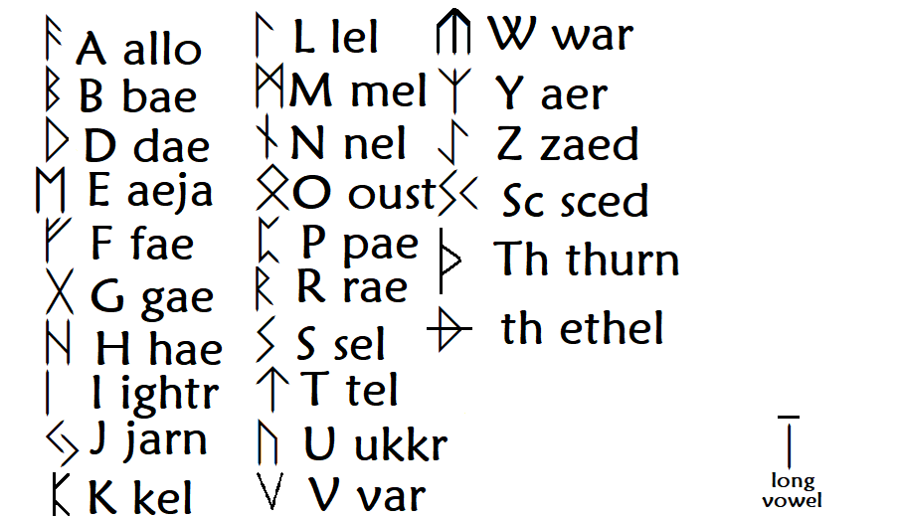

This table of runes will always be right -- refer back to this if there are any contradictions on other pages.
(Said contradictions likely arose from the fact that Old Ponish Runes is not a font.)

