Cover Sheet
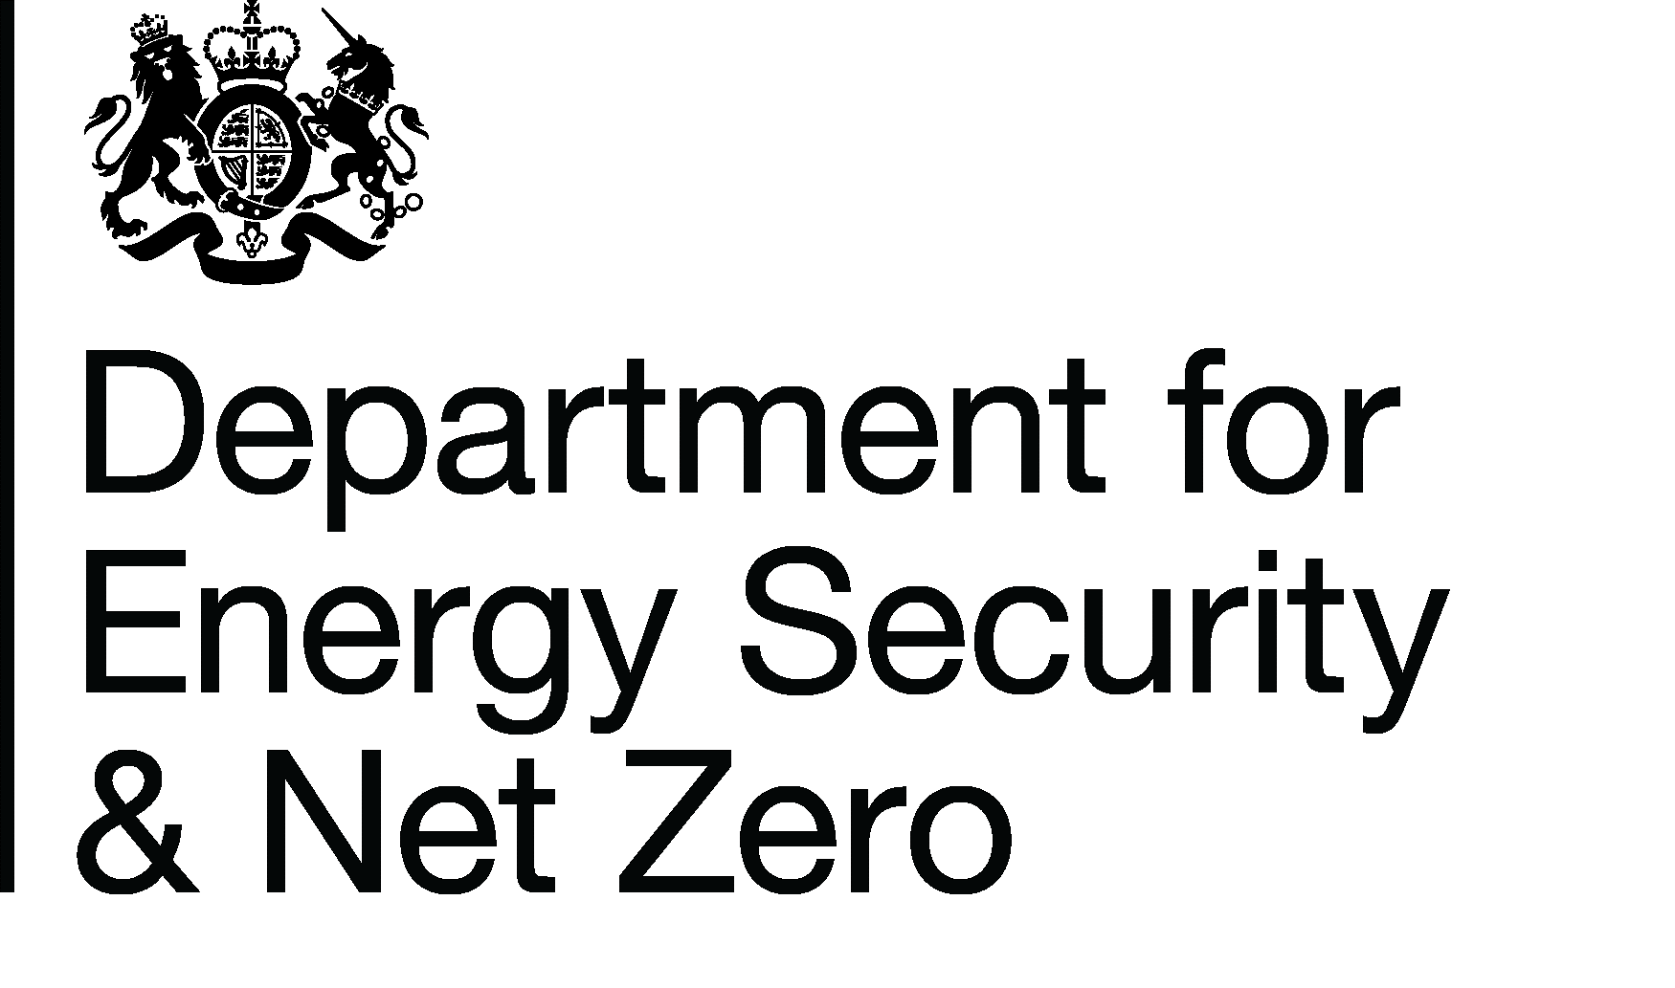
Energy Prices Domestic Prices
Average annual domestic electricity bills by countries in the United Kingdom
Publication date: 30/03/2023
Data period: Updated annual data for 2022
Next update: 29/06/2023
About this data
Data in these tables show annual household bills for Standard and Economy 7 electricity for UK domestic consumers.
Data is shown in current (cash) and real terms. Real terms data has been deflated using the GDP deflator.
Bills are based on fixed consumption levels of 3,600 kWh per year for standard electricity and 5,100 kWh per year for E7, of which 2,550 kWh are off-peak.
Further information
Quarterly Energy Prices Publication (opens in a new window)
Annual domestic energy bills webpage (opens in a new window)
Domestic price statistics data sources and methodologies (opens in a new window)
Revisions policy and standards for official statistics (opens in a new window)
Digest of United Kingdom Energy Statistics (DUKES): glossary and acronyms (opens in a new window)
Contacts
Energy Prices Statistics Team
020 7215 5073
energyprices.stats@beis.gov.uk
Press Office (media enquiries)
0207 215 1000
newsdesk@beis.gov.uk

