Sheet1
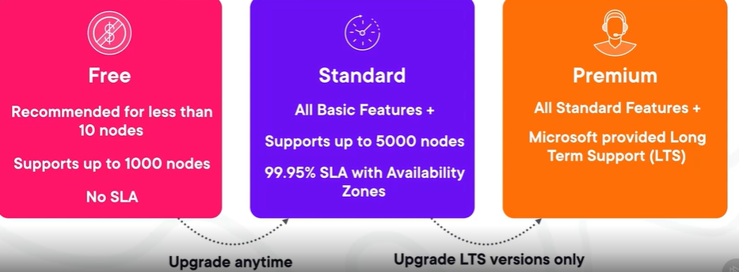
Azure Kubernetes (AKS)

 | What is AKS?
 | An Orchestration to manage, deploy and monitor containerized applications via azure interface or CLI.

 | Kubernetes Architecture
 |  | 1. Control Plane (Managed by azure)
 |  |  | Handles the orchestration tasks by managing and controlling the worker nodes in the cluster
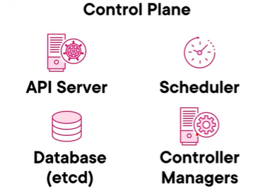
 |  |  |  | 1. kube-apiserver Used to expose the kubernetes API, which handles all the comms in and out of the cluster.
 |  |  |  | 2. etcd Persistent key-value database that holds the desired state of the entire cluster
 |  |  |  | 3. scheduler Handles all the scheduling(placement) of workloads by determining the best location on all the nodes
 |  |  |  | 4. controller Monitors and responds to events that occur in the cluster to maintain desired state.
 |  |  |  | 5. Kubectl command-line to intereact with kube-apiserver

 |  | 2. Worker Node (User reponsibility)
 |  |  | Runs application workloads in Pods and accepts instructions from the control plane. Pods - Collection of containers running on the same machine
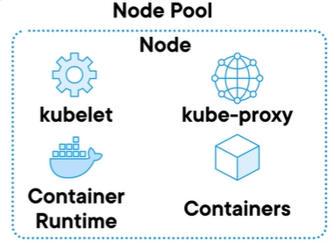
 |  |  |  | 1. Kubelet Agent that runs on every node which allows to run on Kubernetes, checks health and state of a node via comms with control plane through kube-apiserver
 |  |  |  | 2. Kube-proxy Network proxy that runs the network rules on the node
 |  |  |  | 3. Container Runtime Software that the container instance runs in (Azure defaults to Docker)
 |  |  |  | 4.Containers Isolated environment where application runs

 |  | AKS Pricing Tiers

