Case Data
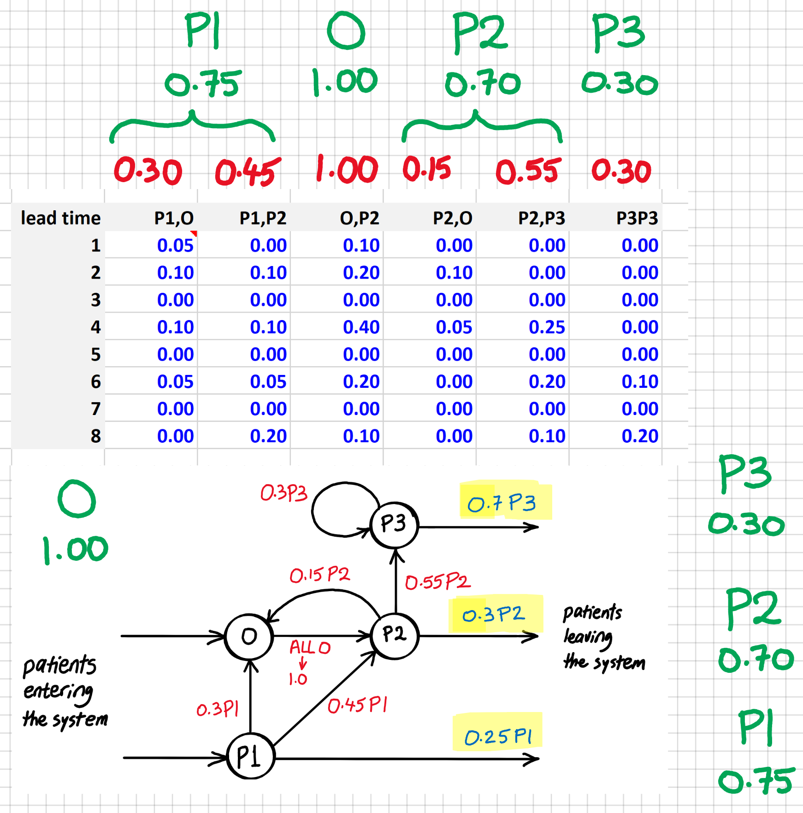
week | O | P1 | P2 | P3 | capacity | p.s.(-2) | o.s.(-2) | p.s.(0) | o.s.(0) | COST | treated O | delayed O | treated P1 | delayed P1 | treated P2 | delayed P2 | treated P3 | delayed P3
1 | 23 | 30 | 19 | 11 | 18 | 11 | 7 | 4 | 8 | 1115 | 23 | 0 | 30 | 0 | 19 | 0 | 11 | 0 |  |  |  |  |  |  |  |  |  | 0 | 0 | 0 | 0
2 | 22 | 60 | 25 | 17 | 18 | 9 | 9 | 9 | 9 | 1350 | 22 | 0 | 60 | 0 | 25 | 0 | 17 | 0 | lead time | P1,O | P1,P2 | O,P2 | P2,O | P2,P3 | P3P3 | P-sessions |  | 0 | 0 | 0 | 0
3 | 28 | 53 | 15 | 8 | 30 | 15 | 15 | 15 | 15 | 2250 | 28 | 0 | 53 | 0 | 15 | 0 | 8 | 0 | 1 | 0.05 | 0.00 | 0.10 | 0.00 | 0.00 | 0.00 | 16 |  | 0 | 0 | 0 | 0
4 | 24 | 44 | 10 | 14 | 30 | 15 | 15 | 15 | 15 | 2250 | 24 | 0 | 44 | 0 | 10 | 0 | 14 | 0 | 2 | 0.10 | 0.10 | 0.20 | 0.10 | 0.00 | 0.00 | O-sessions |  | 0 | 0 | 0 | 0
5 | 28 | 59 | 9 | 9 | 24 | 12 | 12 | 12 | 12 | 1800 | 28 | 0 | 59 | 0 | 9 | 0 | 9 | 0 | 3 | 0.00 | 0.00 | 0.00 | 0.00 | 0.00 | 0.00 | 3 |  | 0 | 0 | 0 | 0
6 | 16 | 39 | 7 | 7 | 18 | 9 | 9 | 9 | 9 | 1350 | 16 | 0 | 39 | 0 | 7 | 0 | 7 | 0 | 4 | 0.10 | 0.10 | 0.40 | 0.05 | 0.25 | 0.00 |  |  | 0 | 0 | 0 | 0
7 | 20 | 54 | 10 | 7 | 12 | 6 | 6 | 6 | 6 | 940 | 18 | 2 | 54 | 0 | 10 | 0 | 7 | 0 | 5 | 0.00 | 0.00 | 0.00 | 0.00 | 0.00 | 0.00 |  |  | 1 | 0 | 0 | 0
8 | 13 | 44 | 4 | 2 | 18 | 9 | 9 | 9 | 9 | 1350 | 15 | 0 | 44 | 0 | 4 | 0 | 2 | 0 | 6 | 0.05 | 0.05 | 0.20 | 0.00 | 0.20 | 0.10 |  |  | 0 | 0 | 0 | 0
9 | 8 | 39 | 42.15 | 5.4 | 18 | 9 | 9 | 9 | 9 | 1350 | 8 | 0 | 39 | 0 | 42.15 | 0 | 5.4 | 0 | 7 | 0.00 | 0.00 | 0.00 | 0.00 | 0.00 | 0.00 |  |  | 0 | 0 | 0 | 0
10 | 18 | 38 | 45.1 | 10.245 | 24 | 12 | 12 | 12 | 12 | 1800 | 18 | 0 | 38 | 0 | 45.1 | 0 | 10.245 | 0 | 8 | 0.00 | 0.20 | 0.10 | 0.00 | 0.10 | 0.20 |  | £ | 0 | 0 | 0 | 0
11 | 8 | 43 | 36.9 | 9.309 | 30 | 15 | 15 | 15 | 15 | 2250 | 8 | 0 | 43 | 0 | 36.9 | 0 | 9.309 | 0 |  |  |  |  |  |  |  |  |  | 0 | 0 | 0 | 0
12 | 14 | 53 | 39.45 | 17.0218 | 30 | 15 | 15 | 15 | 15 | 2250 | 14 | 0 | 53 | 0 | 39.45 | 0 | 17.0218 | 0 |  | 0.30 | 0.45 | 1.00 | 0.15 | 0.55 | 0.30 |  |  | 0 | 0 | 0 | 0
13 | 15 | 33 | 37.8 | 18.39386 | 24 | 12 | 12 | 12 | 12 | 1800 | 15 | 0 | 33 | 0 | 37.8 | 0 | 18.39386 | 0 |  |  |  |  |  |  |  |  |  | 0 | 0 | 0 | 0
14 | 10 | 40 | 29.55 | 26.307172 | 30 | 15 | 15 | 15 | 15 | 2250 | 10 | 0 | 40 | 0 | 29.55 | 0 | 26.307172 | 0 |  |  |  |  |  |  |  |  |  | 0 | 0 | 0 | 0
15 | 17 | 49 | 34.65 | 29.0836144 | 30 | 15 | 15 | 15 | 15 | 2250 | 17 | 0 | 49 | 0 | 34.65 | 0 | 29.0836144 | 0 |  |  |  |  |  |  |  |  |  | 0 | 0 | 0 | 0
16 | 21 | 36 | 30.65 | 27.90610888 | 24 | 12 | 12 | 12 | 12 | 1800 | 21 | 0 | 36 | 0 | 30.65 | 0 | 27.90610888 | 0 |  |  |  |  |  |  |  |  |  | 0 | 0 | 0 | 0
17 | 8 | 56 | 32.4 | 27.049438976 | 30 | 15 | 15 | 15 | 15 | 2250 | 8 | 0 | 56 | 0 | 32.4 | 0 | 27.049438976 | 0 |  |  |  |  |  |  |  |  |  | 0 | 0 | 0 | 0
18 | 12 | 54 | 34.85 | 27.938249235 | 18 | 9 | 9 | 9 | 9 | 1350 | 12 | 0 | 54 | 0 | 34.85 | 0 | 27.938249235 | 0 |  |  |  |  |  |  |  |  |  | 0 | 0 | 0 | 0
19 | 15 | 46 | 34.9 | 25.380760735 | 18 | 9 | 9 | 9 | 9 | 1350 | 15 | 0 | 46 | 0 | 34.9 | 0 | 25.380760735 | 0 |  |  |  |  |  |  |  |  |  | 0 | 0 | 0 | 0
20 | 10 | 47 | 34.5 | 26.413596045 | 24 | 12 | 12 | 12 | 12 | 1800 | 10 | 0 | 47 | 0 | 34.5 | 0 | 26.413596045 | 0 |  |  |  |  |  |  |  |  |  | 0 | 0 | 0 | 0
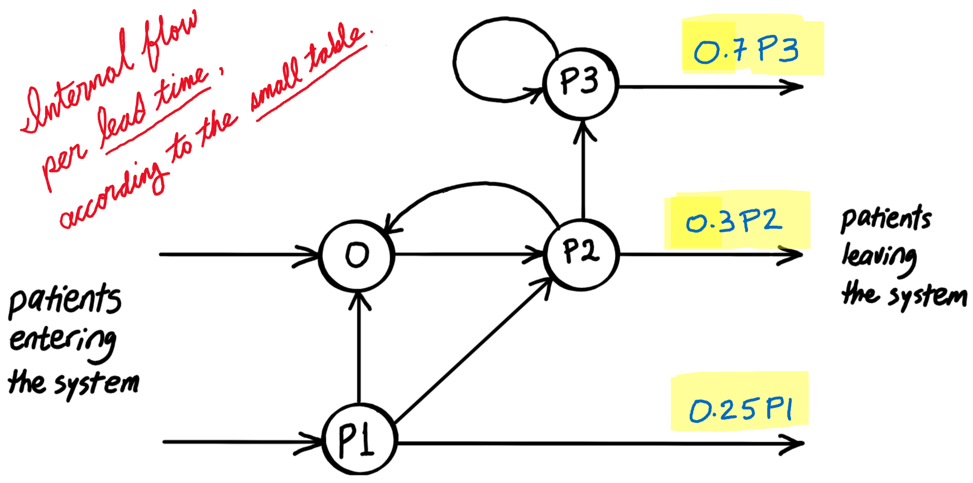
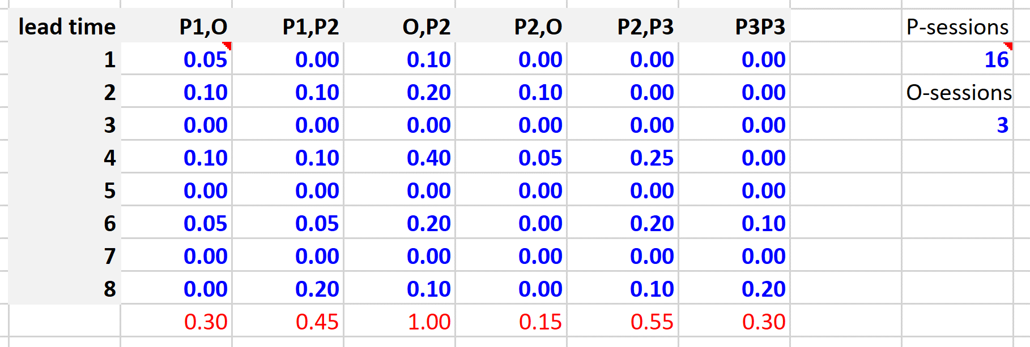
21 | 16 | 44 | 35 | 26.159044132 | 30 | 15 | 15 | 15 | 15 | 2250 | 16 | 0 | 44 | 0 | 35 | 0 | 26.159044132 | 0 |  |  |  |  |  |  |  |  |  | 0 | 0 | 0 | 0
22 | 16 | 53 | 33.8 | 26.3498849 | 24 | 12 | 12 | 12 | 12 | 1800 | 16 | 0 | 53 | 0 | 33.8 | 0 | 26.3498849 | 0 |  |  |  |  |  |  |  |  |  | 0 | 0 | 0 | 0
23 | 11 | 61 | 36.25 | 26.903836584 | 24 | 12 | 12 | 12 | 12 | 1800 | 11 | 0 | 61 | 0 | 36.25 | 0 | 26.903836584 | 0 |  |  |  |  |  |  |  |  |  | 0 | 0 | 0 | 0
24 | 11 | 59 | 38.6 | 27.34667173 | 30 | 15 | 15 | 15 | 15 | 2250 | 11 | 0 | 59 | 0 | 38.6 | 0 | 27.34667173 | 0 |  |  |  |  |  |  |  |  |  | 0 | 0 | 0 | 0
25 | 16 | 40 | 36.05 | 27.349322836 | 30 | 15 | 15 | 15 | 15 | 2250 | 16 | 0 | 40 | 0 | 36.05 | 0 | 27.349322836 | 0 |  |  |  |  |  |  |  |  |  | 0 | 0 | 0 | 0
26 | 7 | 48 | 34.45 | 27.765248226 | 24 | 12 | 12 | 12 | 12 | 1800 | 7 | 0 | 48 | 0 | 34.45 | 0 | 27.765248226 | 0 |  |  |  |  |  |  |  |  |  | 0 | 0 | 0 | 0
27 | 12 | 36 | 35.35 | 27.902716818 | 18 | 9 | 9 | 9 | 9 | 1350 | 12 | 0 | 36 | 0 | 35.35 | 0 | 27.902716818 | 0 |  |  |  |  |  |  |  |  |  | 0 | 0 | 0 | 0
28 | 15 | 43 | 32.7 | 28.122975647 | 12 | 6 | 6 | 6 | 6 | 907.82297565 | 15 | 0 | 43 | 0 | 32.7 | 0 | 20.3 | 7.8229756472 |  |  |  |  |  |  |  |  |  | 0 | 0 | 0 | 1
29 | 8 | 42 | 34.3 | 26.646524823 | 18 | 9 | 9 | 9 | 9 | 1350 | 8 | 0 | 42 | 0 | 34.3 | 0 | 34.46950047 | 0 |  |  |  |  |  |  |  |  |  | 0 | 0 | 0 | 0
30 | 19 | 47 | 33.7 | 29.196671776 | 18 | 9 | 9 | 9 | 9 | 1350 | 19 | 0 | 47 | 0 | 33.7 | 0 | 29.196671776 | 0 |  |  |  |  |  |  |  |  |  | 0 | 0 | 0 | 0
31 | 12 | 51 | 33.25 | 26.391834355 | 12 | 6 | 6 | 6 | 6 | 914.64183436 | 12 | 0 | 51 | 0 | 33.25 | 0 | 11.75 | 14.641834355 |  |  |  |  |  |  |  |  |  | 0 | 0 | 0 | 1
32 | 11 | 49 | 31.8 | 24.819450047 | 18 | 9 | 9 | 9 | 9 | 1350 | 11 | 0 | 49 | 0 | 31.8 | 0 | 39.461284402 | 0 |  |  |  |  |  |  |  |  |  | 0 | 0 | 0 | 0
33 | 9 | 42 | 35.15 | 28.906924058 | 30 | 15 | 15 | 15 | 15 | 2250 | 9 | 0 | 42 | 0 | 35.15 | 0 | 28.906924058 | 0 |  |  |  |  |  |  |  |  |  | 0 | 0 | 0 | 0
34 | 18 | 60 | 28.35 | 25.696384812 | 30 | 15 | 15 | 15 | 15 | 2250 | 18 | 0 | 60 | 0 | 28.35 | 0 | 25.696384812 | 0 |  |  |  |  |  |  |  |  |  | 0 | 0 | 0 | 0
35 | 11 | 36 | 39.25 | 26.705405403 | 30 | 15 | 15 | 15 | 15 | 2250 | 11 | 0 | 36 | 0 | 39.25 | 0 | 26.705405403 | 0 |  |  |  |  |  |  |  |  |  | 0 | 0 | 0 | 0
36 | 7 | 45 | 29.4 | 27.499273486 | 30 | 15 | 15 | 15 | 15 | 2250 | 7 | 0 | 45 | 0 | 29.4 | 0 | 27.499273486 | 0 |  |  |  |  |  |  |  |  |  | 0 | 0 | 0 | 0
37 | 19 | 56 | 34.9 | 24.629493178 | 24 | 12 | 12 | 12 | 12 | 1800 | 19 | 0 | 56 | 0 | 34.9 | 0 | 24.629493178 | 0 |  |  |  |  |  |  |  |  |  | 0 | 0 | 0 | 0
38 | 21 | 58 | 34.3 | 27.723939176 | 30 | 15 | 15 | 15 | 15 | 2250 | 21 | 0 | 58 | 0 | 34.3 | 0 | 27.723939176 | 0 |  |  |  |  |  |  |  |  |  | 0 | 0 | 0 | 0
39 | 12 | 43 | 38.85 | 24.692215184 | 24 | 12 | 12 | 12 | 12 | 1800 | 12 | 0 | 43 | 0 | 38.85 | 0 | 24.692215184 | 0 |  |  |  |  |  |  |  |  |  | 0 | 0 | 0 | 0
40 | 8 | 32 | 31.5 | 28.078892355 | 30 | 15 | 15 | 15 | 15 | 2250 | 8 | 0 | 32 | 0 | 31.5 | 0 | 28.078892355 | 0 |  |  |  |  |  |  |  |  |  | 0 | 0 | 0 | 0
41 | 15 | 52 | 32.1 | 25.748172389 | 24 | 12 | 12 | 12 | 12 | 1800 | 15 | 0 | 52 | 0 | 32.1 | 0 | 25.748172389 | 0 |  |  |  |  |  |  |  |  |  | 0 | 0 | 0 | 0
42 | 14 | 45 | 37.25 | 27.323855996 | 30 | 15 | 15 | 15 | 15 | 2250 | 14 | 0 | 45 | 0 | 37.25 | 0 | 27.323855996 | 0 |  |  |  |  |  |  |  |  |  | 0 | 0 | 0 | 0
43 | 10 | 36 | 34.8 | 26.872660435 | 30 | 15 | 15 | 15 | 15 | 2250 | 10 | 0 | 36 | 0 | 34.8 | 0 | 26.872660435 | 0 |  |  |  |  |  |  |  |  |  | 0 | 0 | 0 | 0
You must book sessions, two weeks in advance. AT THE BEGINNING OF A WEEK, YOU CANNOT ADD SESSIONS (ONLY CANCEL OR CHANGE)! So the sum of the yellow sessions cannot exceed the red sessions.
The red column is the preliminary decision from two weeks in advance for that week. The yellow column is the final and executed decision. Cost should be calculated based on the yellow column and how it changed from the red column. The gray columns and cells are fixed and will not change in the process. The white cells may change as new patients will be added to them from prior weeks (not just last week). You should come up with rules for the two weeks in advance decisions (red columns) and the same week adjustments (yellow columns) that are consistently applied week-by-week.
44 | 11 | 46 | 33 | 27.561849326 | 30 | 15 | 15 | 15 | 15 | 2250 | 11 | 0 | 46 | 0 | 33 | 0 | 27.561849326 | 0 |  |  |  |  |  |  |  |  |  | 0 | 0 | 0 | 0
45 | 16 | 41 | 33.65 | 26.869755465 | 24 | 12 | 12 | 12 | 12 | 1800 | 16 | 0 | 41 | 0 | 33.65 | 0 | 26.869755465 | 0 |  |  |  |  |  |  |  |  |  | 0 | 0 | 0 | 0
46 | 13 | 52 | 33.6 | 26.411217136 | 30 | 15 | 15 | 15 | 15 | 2250 | 13 | 0 | 52 | 0 | 33.6 | 0 | 26.411217136 | 0 |  |  |  |  |  |  |  |  |  | 0 | 0 | 0 | 0
47 | 15 | 40 | 32.3 | 27.31092836 | 30 | 15 | 15 | 15 | 15 | 2250 | 15 | 0 | 40 | 0 | 32.3 | 0 | 27.31092836 | 0 |  |  |  |  |  |  |  |  |  | 0 | 0 | 0 | 0
48 | 15 | 56 | 31.35 | 26.809161218 | 24 | 12 | 12 | 12 | 12 | 1800 | 15 | 0 | 56 | 0 | 31.35 | 0 | 26.809161218 | 0 |  |  |  |  |  |  |  |  |  | 0 | 0 | 0 | 0
49 | 9 | 35 | 35.7 | 26.107953957 | 18 | 9 | 9 | 9 | 9 | 1350 | 9 | 0 | 35 | 0 | 35.7 | 0 | 26.107953957 | 0 |  |  |  |  |  |  |  |  |  | 0 | 0 | 0 | 0
50 | 15 | 52 | 30.4 | 26.395183627 | 12 | 6 | 6 | 6 | 6 | 912.79518363 | 15 | 0 | 52 | 0 | 30.4 | 0 | 13.6 | 12.795183627 |  |  |  |  |  |  |  |  |  | 0 | 0 | 0 | 1
51 | 17 | 38 | 35.9 | 23.110916122 | 18 | 9 | 9 | 9 | 9 | 1350 | 17 | 0 | 38 | 0 | 35.9 | 0 | 35.906099749 | 0 |  |  |  |  |  |  |  |  |  | 0 | 0 | 0 | 0
52 | 11 | 30 | 31.25 | 28.597015346 | 12 | 6 | 6 | 6 | 6 | 900 | 11 | 0 | 30 | 0 | 31.25 | 0 | 28.597015346 | 0 |  |  |  |  |  |  |  |  |  | 0 | 0 | 0 | 0
 |  |  |  |  |  |  |  |  |  | 92540.259994

