Glass
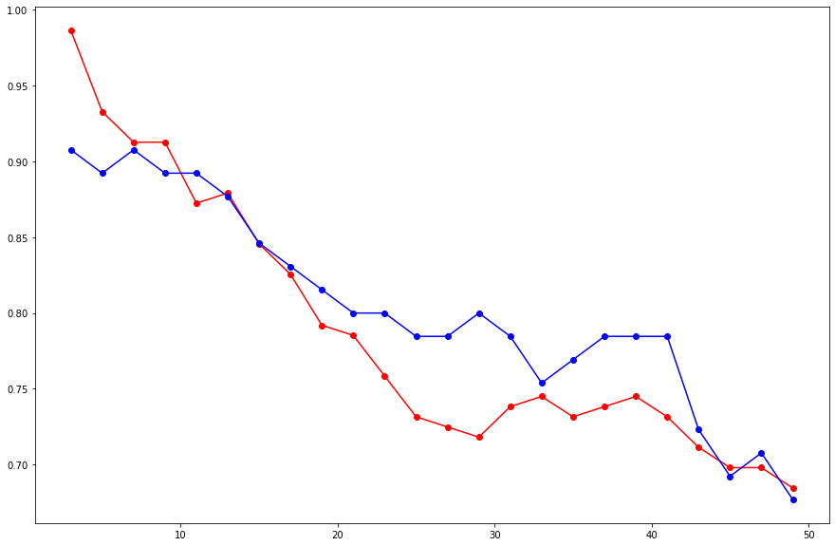
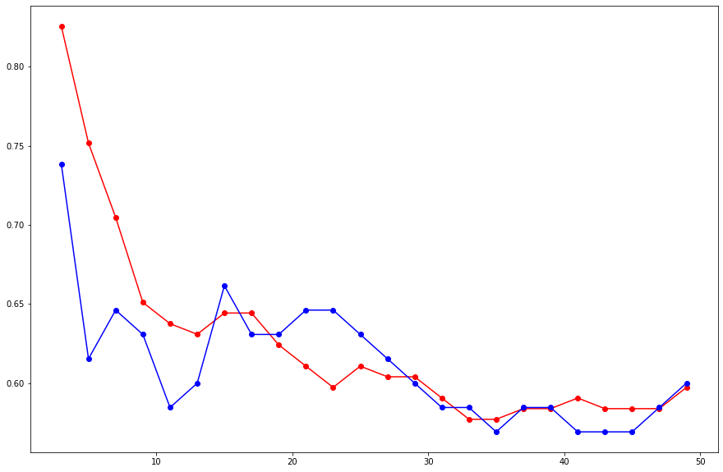
Column Name | Dtype | Missing Values | Outliers | Model Building
RI | float | 0 | 17 |  |  | K's | Training Accuracy | Test Accuracy
Na | float | 0 | 7 | Model 1 | Without any transformation | 3 | 61.53% | 75.16%
Mg | float | 0 | 0
Al | float | 0 | 18
Si | float | 0 | 12
K | float | 0 | 7
Ca | float | 0 | 26
Ba | float | 0 | 38
Fe | float | 0 | 12
Type | int | 0 | NA

Detail comments are in Jupyter Notebook

 |  |  |  | Model 2 | Outlier values replaced with their IQR value
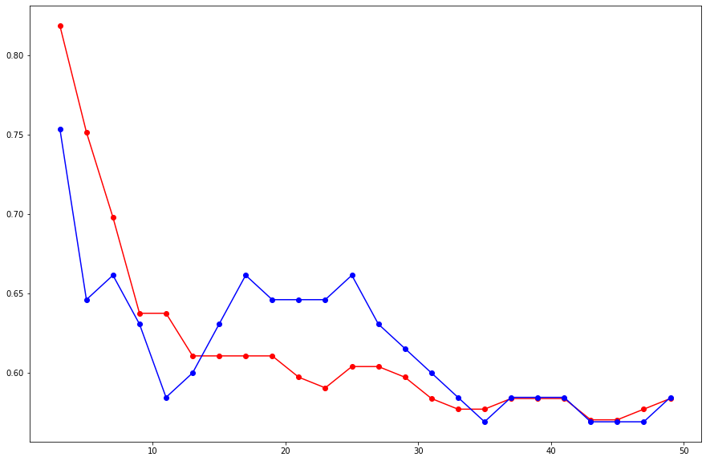

 |  |  |  | Model 3 | Standardizing our dataset | 9 | 89% | 91%

Zoo
Column Name | Dtype | Missing Values | Outliers | Dropped | Model Building
animal name | Object | # - # | # - # | Yes |  |  | K's | Training Accuracy | Test Accuracy
hair | int | 0 | 0 |  | Model 1 | Without any transformation | 5 | 71.00% | 91.00%
feathers | int | 0 | 20
eggs | int | 0 | 0 |  | Model 2 | Without transformation | range of 1 to 15
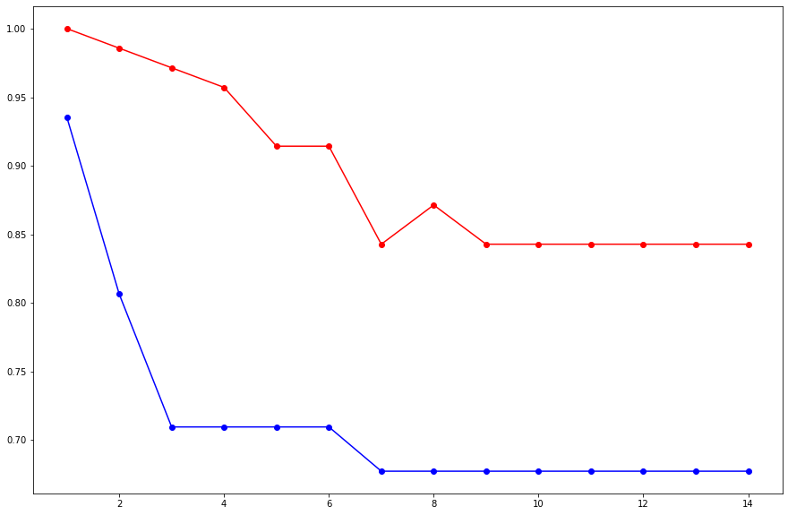
milk | int | 0 | 0
airborne | int | 0 | 24
aquatic | int | 0 | 0
predator | int | 0 | 0
toothed | int | 0 | 0
backbone | int | 0 | 18
breathes | int | 0 | 21
venomous | int | 0 | 8
fins | int | 0 | 17
legs | int | 0 | 2
tail | int | 0 | 0
domestic | int | 0 | 13
catsize | int | 0 | 0
type | int | 0 | 0

Best Model is with n = 5, with outlier treatment and Normalizing our dataset
 |  |  |  |  | Model 3 | With Outlier Treatments
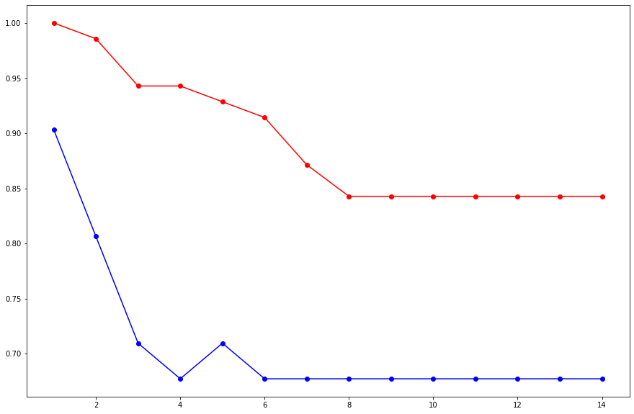

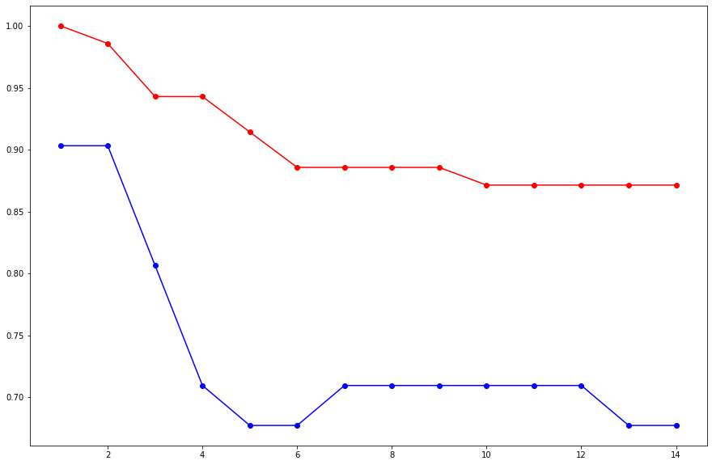
 |  |  |  |  | Model 4 | With Standardization

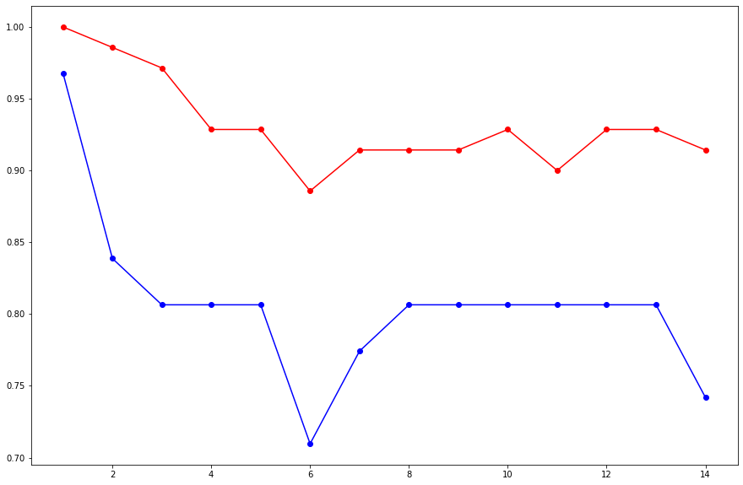
 |  |  |  |  | Model 5 | Normalization

