Excel Solver-Example1
Use Excel Solver to solve the Tomato-Eggplant problem

Enter formulas for grey background cells with orange text (calculation cells)

Problem Formulation

Max Z = 6Xegg + 7 Xtom
S.T. 1000 Xegg + 2000 Xtom <= 4,000,000 (gal water)
4 Xegg + 3 Xtom<= 12,000 (sq ft land)
Excel solver does not need the problem formulation in conatonical form!

1. Set up the problem data in Table Form
Item | Eggplant | Tomato | Left-Hand Side Value | b (RHS)
Objective function coefficient ($/plant) | 6 | 7 | NA | NA
Water Constraint (gal/plant) | 1000 | 2000 | 0 | 4,000,000
Land constraint (sq ft/plant) | 4 | 3 | 0 | 12,000
Decision variable values (plants) | 0 | 0 | NA | NA | This is the initial start point, a basic feasible solution
Objective function value ($) |  |  |  |  | Enter as a formula of the objective function coefficients and decision variables. You can use SUMPRODUCT

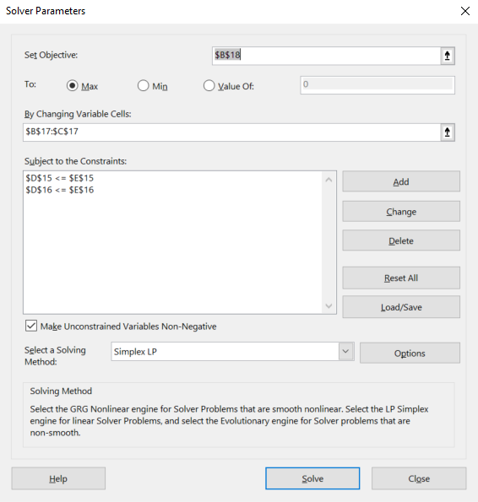
2. Make Solver Add-In active
A. Select File menu => Options => Add-Ins. At bottom under Manage, select Excel Add-Ins, then click Go… button.
B. In the Add-Ins window, check Solver Add-In and click OK.
C. On the Data Ribbon under Analysis, click Solver.

3. Enter problem data into Solver
A. For Set Objective, enter cell with objective function value (B17)
B. Set To to the desired direction (Max)
C. Enter range for cells with decision variable values in By Changing Variable Cells:
D. Under Subject to the Contraints, click Add and enter cells with left- and right-hand side values
E. Leave Make unconstrained variables non-negative checked (why?)
F. Set Select a Solving Method to Simplex LP (later in the semester we will use other methods)
G. Click Solve
F. In the Solver Results window, under Reports, select Answer and Sensitivity. Then click OK.

4. Interpret results
A. What is the optimal objective function value? (HINT: look in the cell you specified in Step 3A)
B. What are the optimal decision variable values? (HINT: look in the cells you specified in Step 3C)
C. On the new Answer Report worksheet, what are the slack values for the constraints? What do these values mean?
D. We will interpret results in the Sensitivity Report in class

 |  |  |  |  |  | Figure 1. All solver parameters set and ready to Solve!

