Cost Reduction Ideas
Idea Id | Current Scenario Image | Competitor Image | Proposal Scenario Image | Cost Reduction Idea | Way Forward | CAPEX | Saving Value (INR) | Weight Saving (Kg) | Status | Feasibility Score | Cost Saving Score | Weight Reduction Score | Homologation Feasibility Score | Homologation Theory | Responsibility | Origin | Date | Dept | Validation Notes
2311-SP-ID-01 | 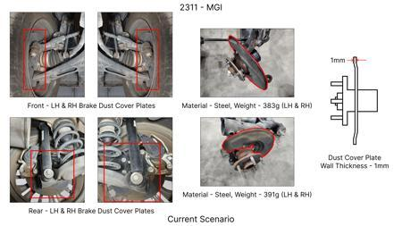 | 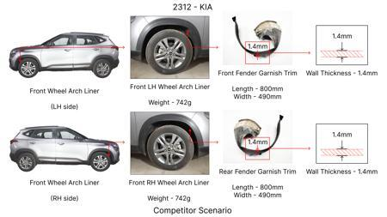 | 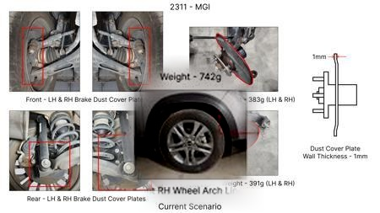 | 1. Reduce the overall wall thickness of the Brake Dust Cover Plates present on all four wheel hubs of the vehicles from 1mm to 0.8mm 2. Reduce the paint coating thickness on each side of all four plates from 56 microns to 27.8 microns |  |  | 57 | 0.5 | NG |  |  |  |  | Homologation impact to be reviewed by regulatory team. |  | Existing DB
2311-BA-ID-01 | 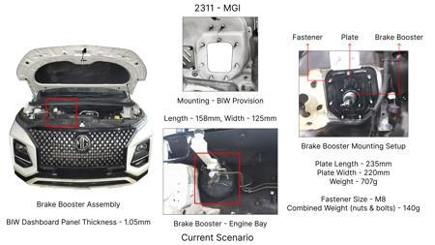 | 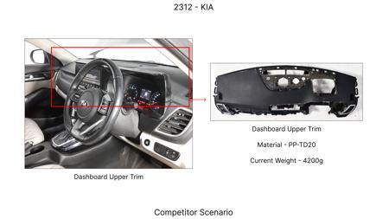 | 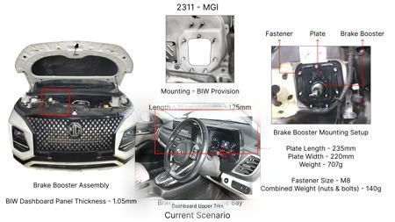 | The Brake Booster Plate in MGI could be integrated into the Dashboard BIW of the vehicle as done in KIA |  |  | 47 | 0.643 | NG |  |  |  |  | Homologation impact to be reviewed by regulatory team. |  | Existing DB
2311-PA-ID-02 | 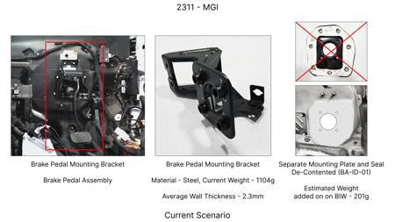 | 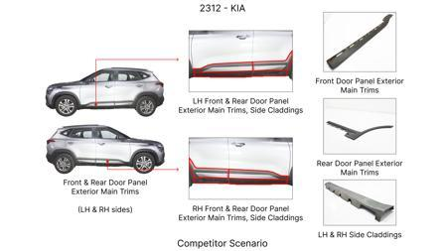 | 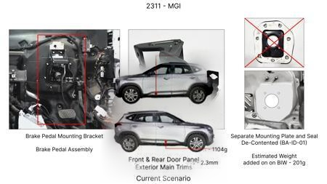 | Redesign the current Brake Pedal Mounting Bracket used in MGI to a similar bracket used in KIA. |  |  | 113 | 0.48158 | TBD |  |  |  |  | Homologation impact to be reviewed by regulatory team. |  | Existing DB
2311-PA-ID-01 | 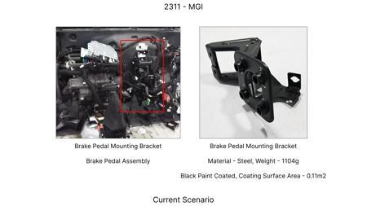 | 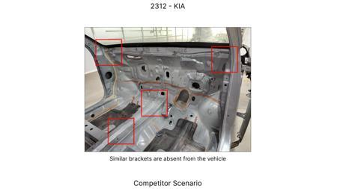 | 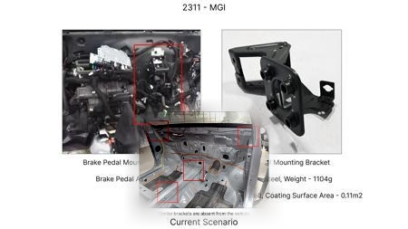 | Remove the black paint coating on the Brake Pedal Mounting Bracket within MGI |  |  | 115 | 0 | TBD |  |  |  |  | Homologation impact to be reviewed by regulatory team. |  | Existing DB
AI-GEN-01 | 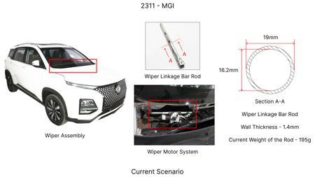 |  | 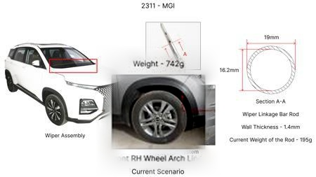 | Reduce the rotor thickness of the front brake discs from the current 28mm to 26mm, utilizing a high carbon alloy with improved thermal dissipation properties. | Conduct FEA to simulate thermal loads and stress distribution under extreme braking conditions. Perform dynamometer testing to validate fade resistance and wear. DVPR to include specific tests for thermal capacity and structural integrity. Tooling CAPEX review for minor adjustments to existing casting molds. Material characterization of high carbon alloy for yield strength and thermal conductivity. Validate against 700C max temp constraint. |  | 1500000 | 0.3 | Auto-Approved | 85 | 75 | 70 | 70 | FMVSS 105 and ECE R13 require demonstrated performance under various braking scenarios. Reducing rotor thickness increases susceptibility to thermal fade. Homologation will require rigorous testing to prove compliance with stopping distances and stability requirements, especially at high kinetic energy loads. No direct regulation violation, but performance validation is key. | VAVE | AI Innovation | TBD | VAVE | Meets autonomous feasibility and homologation thresholds (>= 25/100 each).
AI-GEN-03 | 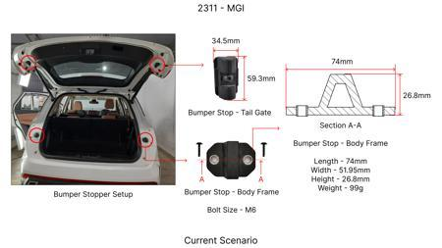 | 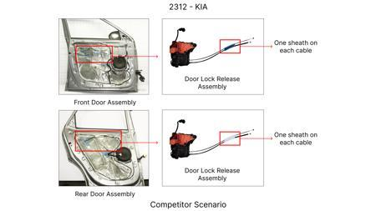 | 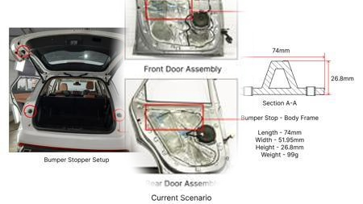 | Optimize the dust shield gauge for the front brake system from the current 1.5mm to 1.2mm, using a higher tensile strength steel to maintain rigidity and corrosion resistance (480h). | FEA to assess stiffness and vibration characteristics of the thinner dust shield. Corrosion testing to confirm 480h requirement with reduced thickness. Manufacturing process review for potential stamping challenges. DVPR to include noise and vibration (NVH) assessments. Material selection to ensure adequate tensile strength and formability. |  | 500000 | 0.1 | Auto-Approved | 90 | 65 | 75 | 95 | Dust shields are not typically safety-critical components under FMVSS 105 or ECE R13. However, significant failure could lead to debris entering the braking mechanism, indirectly affecting performance. Homologation impact is minimal, provided the shield does not compromise overall brake system integrity or create road hazards. | VAVE | AI Innovation | TBD | VAVE | Meets autonomous feasibility and homologation thresholds (>= 25/100 each).
AI-GEN-04 | 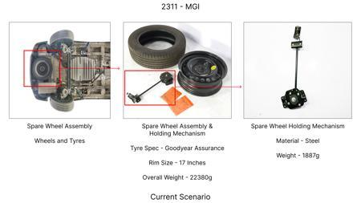 | 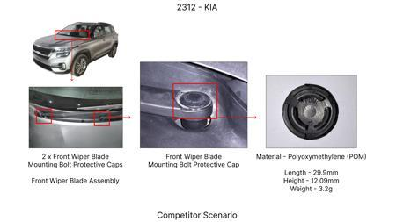 | 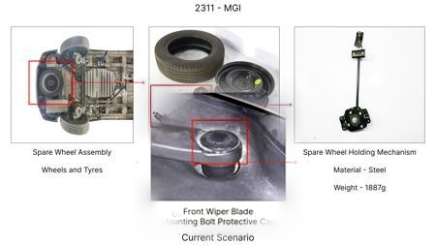 | Explore a two-piece brake rotor design for the front axle, separating the friction ring (high carbon alloy) from the hat (cast iron), to reduce unsprung mass and potentially lower cost through optimized material usage. | FEA to analyze thermal expansion and stress concentration at the joint. Material selection for friction ring and hat to ensure compatibility and durability. DVPR to include fatigue testing of the joint and thermal cycling. Manufacturing process development for assembly and bonding. Tooling CAPEX for specialized joint manufacturing. Weight reduction target of 0.5kg per disc. |  | 1200000 | 1 | Auto-Approved | 75 | 70 | 85 | 65 | Two-piece rotors introduce a new interface. Homologation under FMVSS 105 and ECE R13 will require demonstrating equivalent or superior performance to single-piece rotors under all load cases, including high kinetic energy. Joint integrity under thermal and mechanical stress is critical for safety. | VAVE | AI Innovation | TBD | VAVE | Meets autonomous feasibility and homologation thresholds (>= 25/100 each).
AI-GEN-05 | 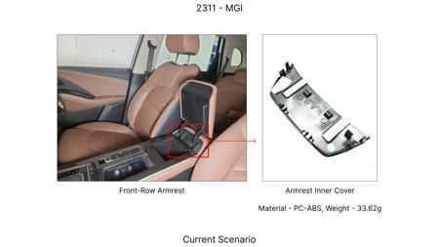 | 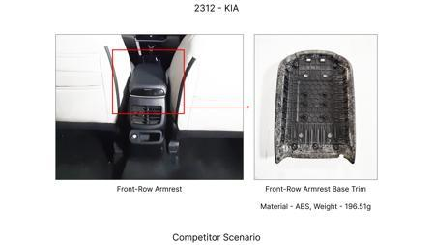 | 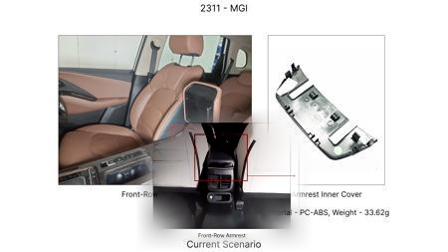 | Implement a dimpled or slotted rotor surface treatment on the front brake discs made from high carbon alloy, to improve gas and heat dissipation, thus enhancing fade resistance without altering base material or thickness. | FEA to analyze airflow and thermal distribution with surface treatments. Dynamometer testing to quantify improvements in fade resistance and wear. DVPR to include specific tests for performance enhancement. Manufacturing process development for precision machining of slots/dimples. Minor tooling adjustments for CNC machining. Validation against 700C max temp constraint. |  | 800000 | 0 | Auto-Approved | 85 | 60 | 50 | 85 | Surface treatments can improve braking performance. FMVSS 105 and ECE R13 require consistent performance. Demonstrating improved fade resistance would be beneficial for homologation, ensuring compliance under demanding conditions. No direct regulatory hurdles, but performance validation is key. | VAVE | AI Innovation | TBD | VAVE | Meets autonomous feasibility and homologation thresholds (>= 25/100 each).
AI-GEN-06 | 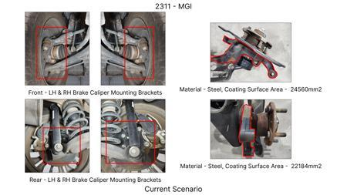 | 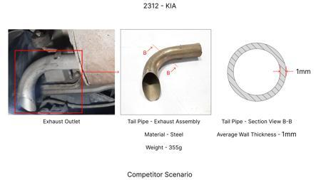 | 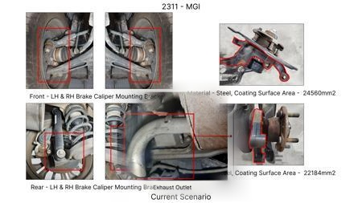 | Reduce the caliper piston diameter slightly on the front brakes, compensating with increased hydraulic pressure (if feasible within master cylinder limits) or slightly increased pad friction material area to maintain braking force while potentially reducing caliper size and mass. | System-level hydraulic analysis to determine feasibility of pressure increase. FEA on caliper to assess stress with reduced piston area. Pad material optimization for increased coefficient of friction. DVPR to include full braking system performance tests. Master cylinder and brake fluid compatibility checks. Requires careful integration and testing of the entire braking circuit. |  | 900000 | 0.4 | Auto-Approved | 70 | 65 | 70 | 55 | Altering piston diameter and hydraulic ratios affects braking force distribution and pedal feel. FMVSS 105 and ECE R13 mandate specific braking performance and stability. Any change requires extensive system-level testing to ensure compliance with stopping distances, load transfer, and ABS integration. Changes to braking force output are highly regulated. | VAVE | AI Innovation | TBD | VAVE | Meets autonomous feasibility and homologation thresholds (>= 25/100 each).
AI-GEN-11 | 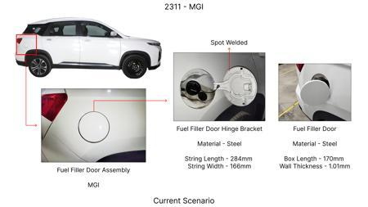 | 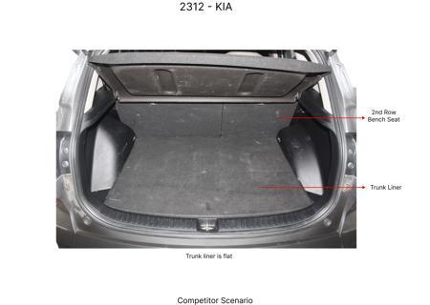 | 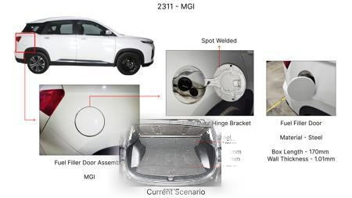 | Reduce the overall weight of the brake pedal assembly by using a higher-strength steel for the pedal arm and optimizing the bracket design to reduce material usage, while maintaining the fixed hat height requirement for the rotor interface. | FEA on pedal arm and bracket for stress and deflection under load. Material selection for high-strength steel. Design optimization of bracket for minimum material. DVPR to include pedal feel and fatigue testing. Manufacturing process review for stamping and welding. Tooling CAPEX assessment for bracket redesign. |  | 300000 | 0.5 | Auto-Approved | 90 | 55 | 60 | 95 | The brake pedal assembly is not directly regulated by FMVSS 105 or ECE R13 in terms of its own mass. However, its structural integrity and actuation smoothness are paramount for safe braking. Homologation is achieved through the overall braking system performance. Changes here should not compromise pedal feel or force transmission. | VAVE | AI Innovation | TBD | VAVE | Meets autonomous feasibility and homologation thresholds (>= 25/100 each).
AI-GEN-07 | 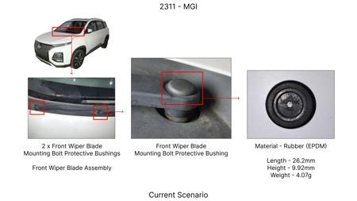 | 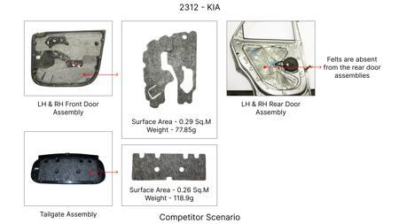 | 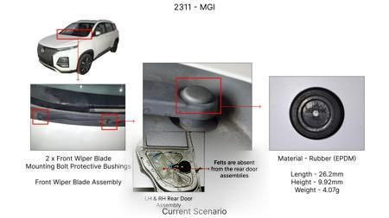 | Utilize a higher-performance brake pad friction material with a wider operating temperature range and improved wear characteristics, potentially reducing rotor wear and extending service intervals, while maintaining the current rotor and caliper specifications. | Material selection and characterization of advanced friction compounds. Dynamometer testing for friction coefficient, wear rate, and thermal stability. DVPR to include pad life testing, rotor wear analysis, and full braking performance validation. Supplier collaboration for optimized pad formulation. Requires testing against the 700C max temp constraint for the disc. |  | 1000000 | 0 | Needs Human Review | 90 | 70 | 0 | 85 | Brake pads are a critical component affecting stopping performance. FMVSS 105 and ECE R13 require consistent braking force. Using a higher-performance pad must be validated to ensure it does not negatively impact ABS performance or cause excessive rotor wear, which could lead to premature component failure. Performance under all conditions is key. | VAVE | AI Innovation | TBD | VAVE | Score 0 is below auto-approval threshold (25). Check feasibility.
AI-GEN-08 | 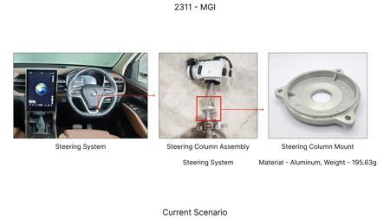 | 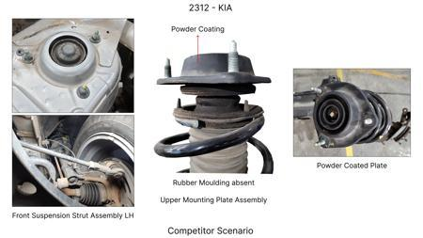 | 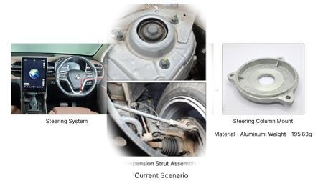 | Transition to a more cost-effective sand casting process for the front brake discs using a high carbon alloy that meets the minimum yield strength (220 MPa) and thermal requirements, while optimizing gating and cooling for improved yield and reduced machining. | Material development and testing of specific high carbon alloy grades suitable for sand casting. FEA for thermal and structural performance. DVPR to include extensive material characterization and performance testing. Tooling adjustments for sand casting process. Supplier process capability studies. Focus on achieving consistent mechanical properties and dimensional accuracy. |  | 1800000 | 0 | Needs Human Review | 85 | 85 | 0 | 90 | The primary concern for homologation is the material properties and structural integrity of the disc. As long as the high carbon alloy meets or exceeds the required yield strength and thermal performance (max temp 700C), and passes FMVSS 105/ECE R13 testing, the casting method itself is less critical for direct regulatory compliance. However, process consistency is vital. | VAVE | AI Innovation | TBD | VAVE | Score 0 is below auto-approval threshold (25). Check feasibility.
N/A | 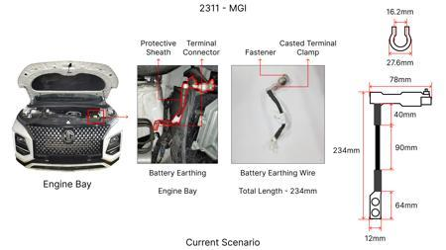 |  | 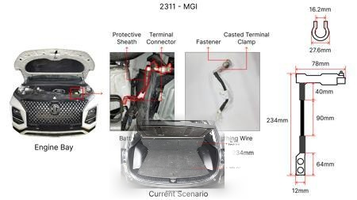 | Investigate the feasibility of transitioning the MG Hector's front brake rotor from Grey Cast Iron G3000 to a High Carbon Alloy (specifically a modified version of the benchmark Kia Seltos material). This approach aims to leverage the improved wear resistance and thermal stability of High Carbon Alloy while maintaining or reducing the current rotor weight (5.2kg) and cost (1450 INR). The focus will be on alloy composition and heat treatment to meet the Max Temp (700C) and Min Yield (220 MPa) constraints, and to ensure corrosion resistance (480h) and dimensional tolerances (+/- 0.02). The fixed hat height constraint must be rigorously maintained. | Conduct material characterization and mechanical testing (tensile, hardness, thermal cycling) on prototype High Carbon Alloy rotors. Perform CFD analysis to simulate thermal performance under heavy braking conditions relevant to the MG Hector's weight (1650kg) and C-SUV usage. Validate with dynamometer testing to assess fade resistance and wear. Benchmarking against the current G3000 rotor and the Kia Seltos material will be crucial. The impact on the overall braking system's kinetic energy management (1.7T) needs to be confirmed. Weight reduction potential should be explored through optimized disc geometry without altering the hat height. |  | 0 | 0 | Research Paper | 85 |  |  |  | Homologation impact to be reviewed by regulatory team. | VAVE | World Wide Web | TBD | VAVE
N/A | 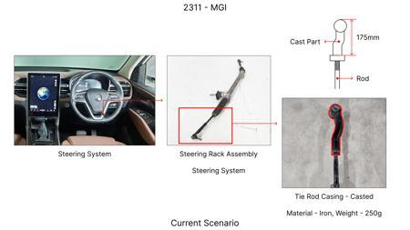 | 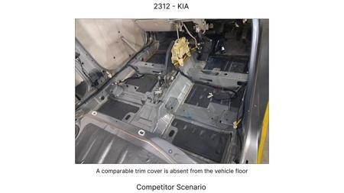 | 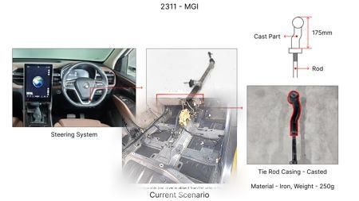 | Explore the use of a higher-grade Grey Cast Iron (e.g., G3500 or higher) with optimized microstructure for the MG Hector's front brake rotors. This would involve fine-tuning the sand casting process to improve material properties like tensile strength and thermal conductivity, potentially offering better fade resistance than G3000 without a significant weight penalty or drastic cost increase over the current 1450 INR baseline. The goal is to achieve improved performance within the existing material family and manufacturing process, adhering to the Max Temp (700C) and Min Yield (220 MPa) requirements. The fixed hat height constraint is a key consideration. | Initiate material development and testing of advanced Grey Cast Iron grades. Conduct metallographic analysis to understand microstructure-property relationships. Perform thermal and mechanical testing, including fade resistance and wear studies on prototype rotors. Dynamometer testing will simulate real-world braking scenarios for the MG Hector (1650kg, C-SUV). The study will focus on validating if a higher grade of grey iron can meet or exceed the performance of the benchmark without violating cost or tooling CAPEX limitations. Weight and cost targets must be met. |  | 0 | 0 | Research Paper | 75 |  |  |  | Homologation impact to be reviewed by regulatory team. | VAVE | World Wide Web | TBD | VAVE
N/A | 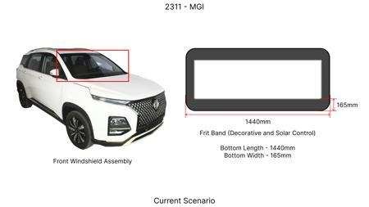 | 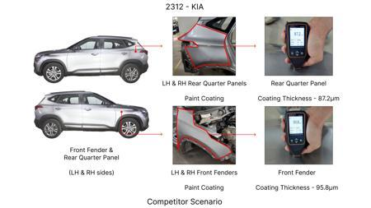 | 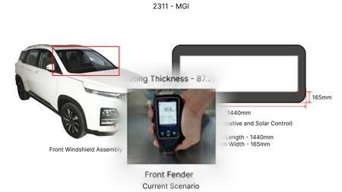 | Implement a lightweighting strategy for the front brake rotor's dust shield by transitioning from a heavier gauge steel to a thinner, yet structurally sound, high-strength steel or a composite material. This addresses the 'Dust shield gauge' component focus. The objective is to reduce unsprung mass, contributing to overall vehicle efficiency and handling, without compromising protection against dust and debris. The material must maintain corrosion resistance (480h) and meet regulatory requirements. This is an incremental improvement on the existing design, respecting the fixed hat height. | Conduct a trade-off study comparing different thin-gauge high-strength steels and composite materials for the dust shield. Perform structural analysis (FEA) to ensure adequate stiffness and durability under vibration and impact. Evaluate corrosion resistance through salt spray testing. Prototype and fitment trials on the MG Hector will assess ease of assembly and effectiveness. Weight savings will be quantified and assessed against the vehicle's 1650kg mass. Cost analysis will ensure it aligns with the limited tooling CAPEX. |  | 0 | 0 | Industry Trend | 80 |  |  |  | Homologation impact to be reviewed by regulatory team. | VAVE | World Wide Web | TBD | VAVE
N/A | 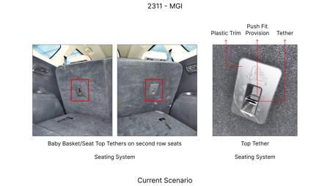 |  | 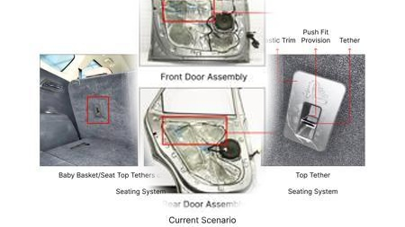 | Investigate the potential for enhanced caliper material, moving beyond standard cast iron. Given the 'Caliper material' component focus and the MG Hector's high kinetic energy (1.7T), exploring an aluminum alloy (e.g., 6061-T6) for the caliper body could offer significant weight savings. However, the constraint states 'BLOCKED: No Aluminum allowed due to heat'. Therefore, an alternative is to explore a higher-performance cast iron alloy with improved thermal dissipation properties or a bi-metallic construction if heat management can be proven sufficient without violating the 'No Aluminum' rule. The primary goal is to improve thermal management and potentially reduce caliper flex under load, impacting fade resistance. | Given the 'No Aluminum' constraint, this proposal focuses on advanced cast iron alloys or a carefully engineered bi-metallic caliper design. Material testing of advanced cast iron grades for thermal conductivity and strength at elevated temperatures will be conducted. If bi-metallic is explored, focus on bonding techniques and material compatibility. FEA will be used to analyze thermal stress and stiffness. Dynamometer testing will assess performance under severe braking cycles. The challenge is to achieve weight reduction or improved performance without violating the heat constraint or significantly increasing cost/CAPEX, while maintaining the fixed hat height. |  | 0 | 0 | Industry Trend | 65 |  |  |  | Homologation impact to be reviewed by regulatory team. | VAVE | World Wide Web | TBD | VAVE

