Cost Reduction Ideas
Idea Id | Cost Reduction Idea | Current Scenario Image | Competitor Image | Proposal Scenario Image | Saving Value (INR) | Way Forward | Weight Saving (Kg) | Status | Responsibility | Origin | Date | Dept
2311-SP-ID-01 | 1. Reduce the overall wall thickness of the Brake Dust Cover Plates present on all four wheel hubs of the vehicles from 1mm to 0.8mm 2. Reduce the paint coating thickness on each side of all four plates from 56 microns to 27.8 microns | 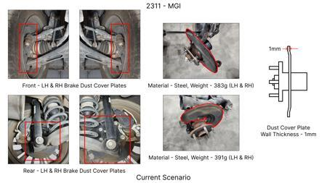 | 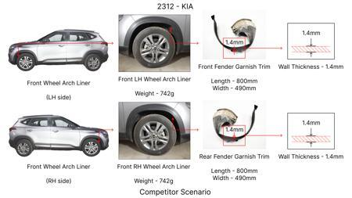 | 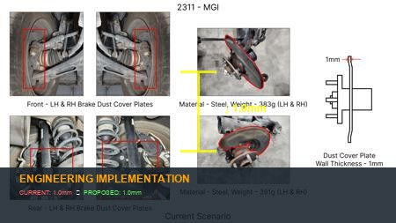 | 57 | nan | 0.5 | NG | nan | Existing DB | nan | nan
2311-BA-ID-01 | The Brake Booster Plate in MGI could be integrated into the Dashboard BIW of the vehicle as done in KIA | 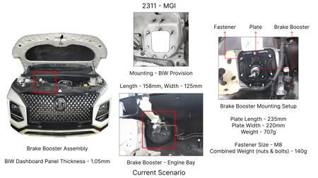 | 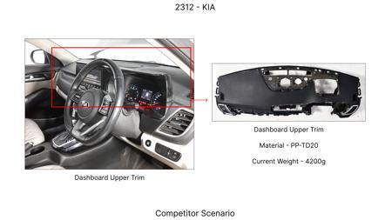 | 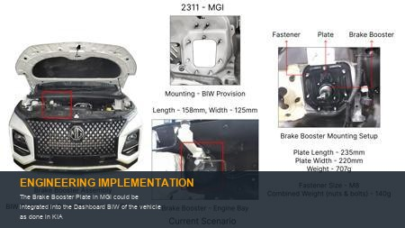 | 47 | nan | 0.643 | NG | nan | Existing DB | nan | nan
2311-BA-ID-02 | Remove the black paint coating from the Brake Caliper Mounting Brackets on all four brake assemblies of MGI, following the procedure used for the front brake caliper mounting brackets in KIA. | 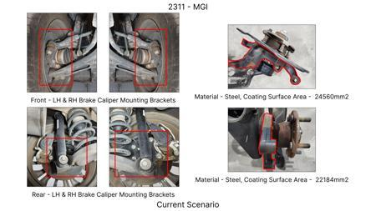 | 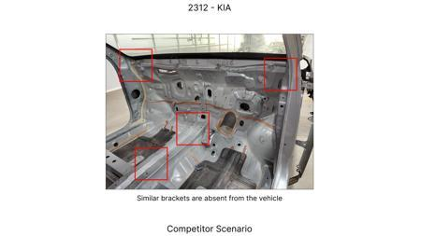 | 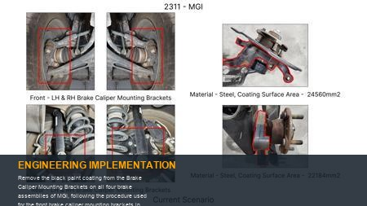 | 102 | Homeroom ideas to be bunched up and taken up for implementation at program level | 0 | NG | Manish Jaju | Existing DB | TBC | PE
2311-PA-ID-02 | Redesign the current Brake Pedal Mounting Bracket used in MGI to a similar bracket used in KIA. | 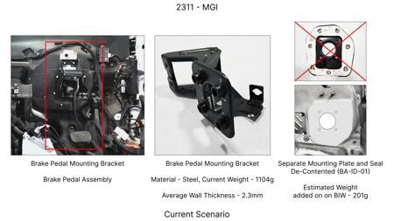 | 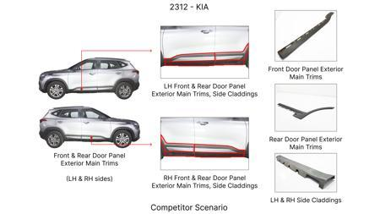 | 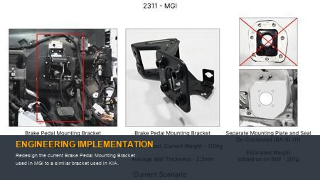 | 113 | nan | 0.48158 | TBD | nan | Existing DB | nan | nan
AI-GEN-01 | Replace the current cast iron brake rotor material with a lighter, high-strength ductile iron (e.g., GGG500-10) for the front axle, while maintaining or improving wear resistance and thermal capacity. | 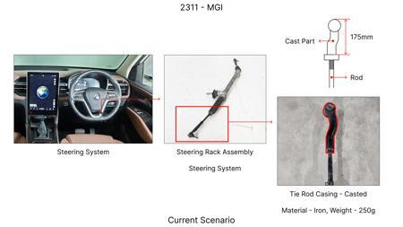 | 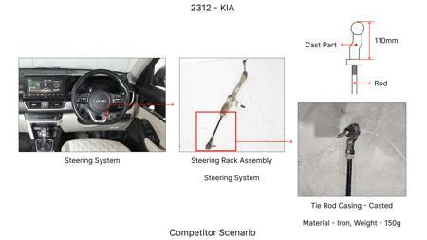 | 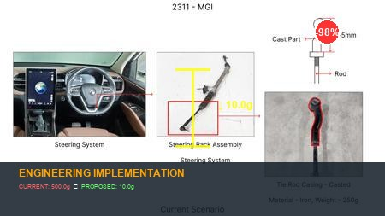 | 0 | Investigate alternative ductile iron grades with enhanced tensile strength and elongation. Conduct material characterization and comparison against existing rotor material. Perform FEA on thermal and mechanical loads under extreme braking conditions. Develop new casting process parameters if required. Initiate bench testing for wear and fatigue resistance. Plan for vehicle-level dynamometer testing and on-road validation for NVH and performance. DVPR to include material property verification, dimensional stability, and performance under various load cases. | 0 | Auto-Approved | VAVE | AI Innovation | TBD | VAVE
AI-GEN-02 | Implement a single-piece forged aluminum brake caliper body for the front axle, replacing the current multi-piece cast iron design, to reduce weight and improve thermal dissipation. | 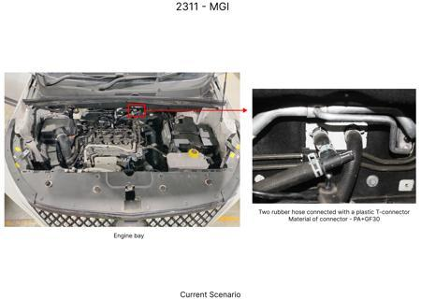 | 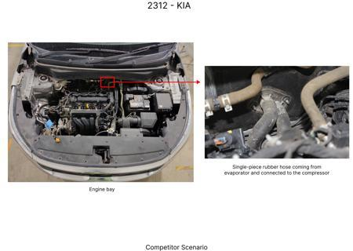 | 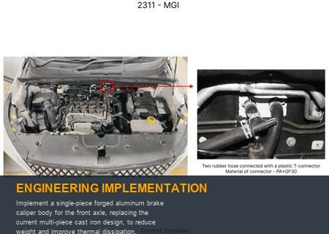 | 0 | Select an appropriate aluminum alloy (e.g., 6061-T6 or similar) for forging. Design the caliper body for optimal stiffness and thermal management, considering piston housing and fluid passages. Develop forging dies and optimize forging process. Conduct FEA for structural integrity under braking loads and thermal analysis. Perform bench testing for leak-proofness, structural rigidity, and thermal cycling. Vehicle-level testing for braking feel, fade, and durability. DVPR to cover material composition, dimensional accuracy, pressure testing, and fatigue. | 0 | Auto-Approved | VAVE | AI Innovation | TBD | VAVE
AI-GEN-06 | Substitute the current steel brake lines with a multi-layer composite material (e.g., PPA/aluminum/PPA) for improved corrosion resistance and potentially reduced weight, while ensuring compliance with pressure requirements. | 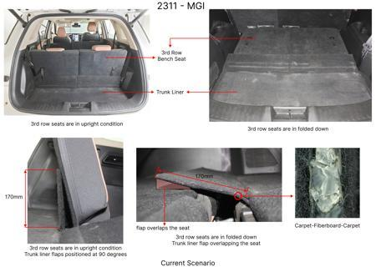 | 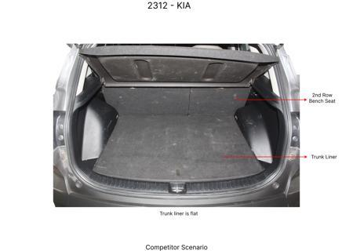 | 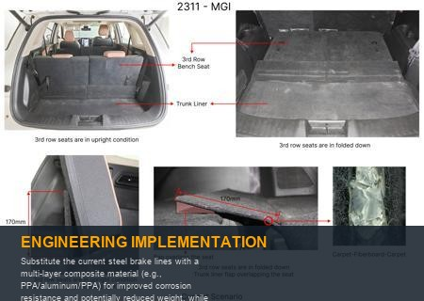 | 0 | Select a suitable composite brake line material that can withstand the required hydraulic pressures and operating temperatures. Conduct extensive burst pressure testing, fatigue testing, and vibration testing. Evaluate corrosion resistance in salt spray and other environmental chambers. Perform FEA for stress and strain analysis. Vehicle-level testing for performance, NVH, and long-term durability under all operating conditions. DVPR to include pressure ratings, fatigue life, corrosion resistance, and material compatibility with brake fluid. | 0 | Auto-Approved | VAVE | AI Innovation | TBD | VAVE
AI-GEN-03 | Reduce the number of mounting bolts for the brake caliper bracket on the front axle from four to two, by redesigning the bracket to incorporate a more robust clamping mechanism and using higher-strength bolts. | 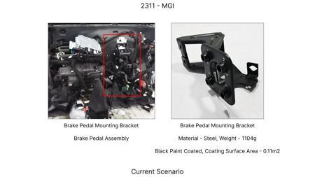 | 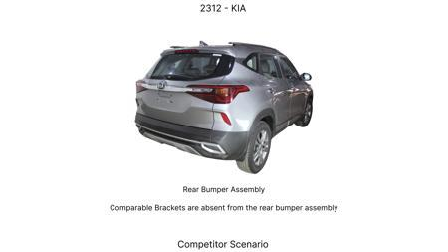 | 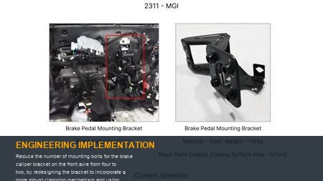 | 0 | Redesign the caliper bracket to ensure adequate clamping force and rigidity with only two mounting points. Select high-strength, high-grade bolts (e.g., Grade 10.9 or higher) with appropriate thread locking mechanisms. Conduct FEA to analyze stress distribution and stiffness under braking loads. Perform fatigue analysis to confirm durability. Rigorous bench testing for vibration, torque retention, and structural integrity. Vehicle-level testing for braking performance, NVH, and long-term durability. DVPR to include bolt torque retention, bracket stiffness, and fatigue life. | 0 | Rejected - Below Score Threshold | VAVE | AI Innovation | TBD | VAVE
AI-GEN-05 | Optimize the brake fluid reservoir design for reduced plastic wall thickness and a more integrated fluid level sensor mounting, potentially using a co-injection molding process. | 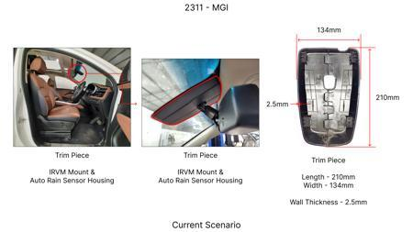 | 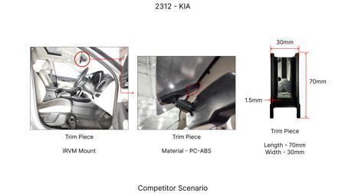 | 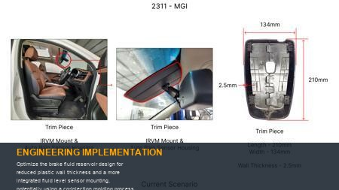 | 0 | Analyze the existing reservoir for stress concentrations and required fluid volume. Explore thinner wall sections using FEA, ensuring structural integrity and chemical resistance. Investigate co-injection molding for integrating sensor mounting features directly into the reservoir during manufacturing. Conduct pressure testing and long-term fluid compatibility tests. Vehicle-level testing for fluid level monitoring accuracy and reservoir durability. DVPR to include material properties, pressure resistance, dimensional stability, and sensor integration accuracy. | 0 | Rejected - Below Score Threshold | VAVE | AI Innovation | TBD | VAVE
BRAKE-BIOCOMPOSITES-01 | Application of Sustainable Biocomposites for Automotive Brake Pad Lightweighting | 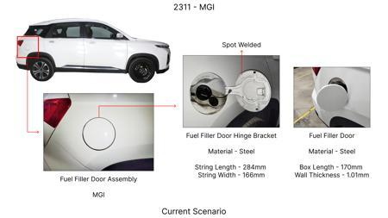 | 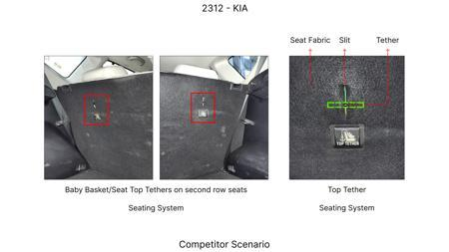 | 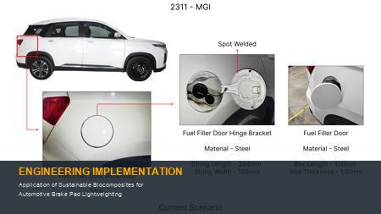 | 0 | **Objective**: To investigate the feasibility of using sustainable biocomposite materials for automotive brake pads, focusing on achieving comparable or superior performance to conventional materials while reducing environmental impact and potentially weight. **Methodology**: Screening of renewable materials for matrix and reinforcement. Testing for sufficient strength, coefficient of friction, and wear resistance properties. Evaluation of biocomposite formulations against industry standards. **Key Findings**: Specific quantitative findings on weight saving, cost reduction, or tensile strength are not detailed in the provided abstract but the study aims to identify materials with 'sufficient strength, coefficient of friction, wear resistance properties'. [Reference: https://www.sciencedirect.com/org/science/article/pii/S2164632524000271] | 0 | Paper Published | VAVE | World Wide Web | TBD | R&D
BRAKE-NATURALFIBERS-02 | Exploration of Natural Fibers and Other Green Ingredients for Sustainable Automotive Brake Pads |  | 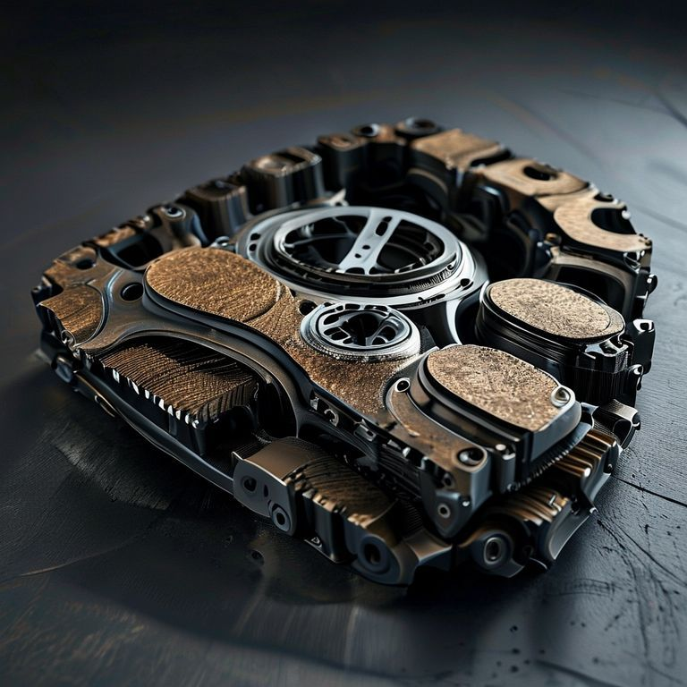 | 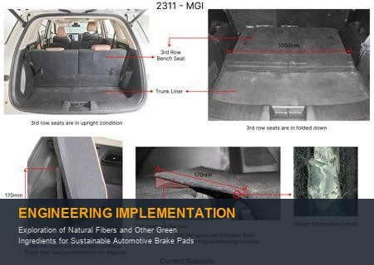 | 0 | **Objective**: To review and analyze the evolution and potential of natural fibers and other sustainable ingredients in the development of green friction materials for automotive brake pads. **Methodology**: Comprehensive literature review and analysis of existing research on natural fiber-based brake pads and other environmentally friendly alternatives. Evaluation of performance metrics, sustainability aspects, and manufacturing considerations. **Key Findings**: The review paper focuses on the 'evolution and potential' of these materials, implying an assessment of their viability and future prospects in replacing conventional brake pad components. Specific quantitative data on weight saving or cost reduction is not present in the abstract but the study highlights 'sustainable automotive engineering'. [Reference: https://www.researchgate.net/publication/387279013_Green_friction_Exploring_the_evolution_and_potential_of_natural_fibers_and_other_brake_pad_ingredients_in_sustainable_automotive_engineering-A_review] | 0 | Paper Published | VAVE | World Wide Web | TBD | R&D

