Cost Reduction Ideas
Idea Id | Cost Reduction Idea | Current Scenario Image | Competitor Image | Proposal Scenario Image | Saving Value (INR) | Way Forward | Weight Saving (Kg) | Status | Responsibility | Origin | Date | Dept
2311-SP-ID-01 | 1. Reduce the overall wall thickness of the Brake Dust Cover Plates present on all four wheel hubs of the vehicles from 1mm to 0.8mm 2. Reduce the paint coating thickness on each side of all four plates from 56 microns to 27.8 microns | 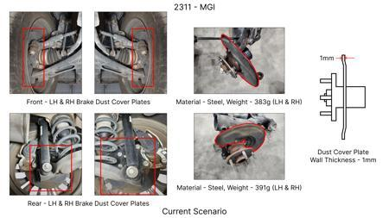 | 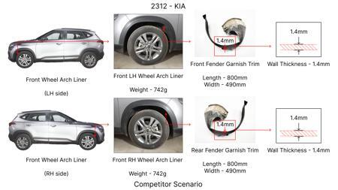 | 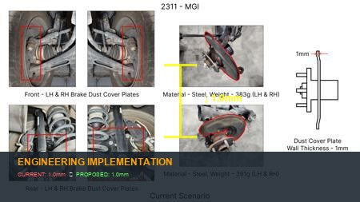 | 57 | nan | 0.5 | NG | nan | Existing DB | nan | nan
2311-BA-ID-01 | The Brake Booster Plate in MGI could be integrated into the Dashboard BIW of the vehicle as done in KIA | 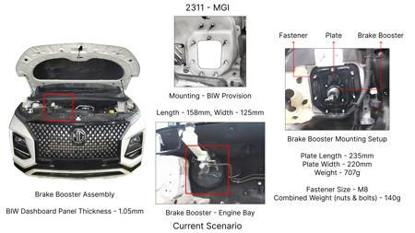 | 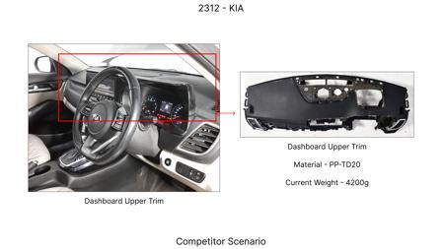 | 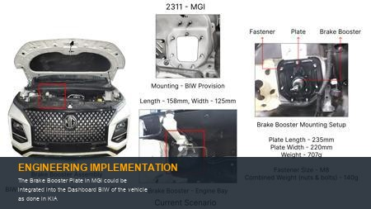 | 47 | nan | 0.643 | NG | nan | Existing DB | nan | nan
2311-PA-ID-02 | Redesign the current Brake Pedal Mounting Bracket used in MGI to a similar bracket used in KIA. | 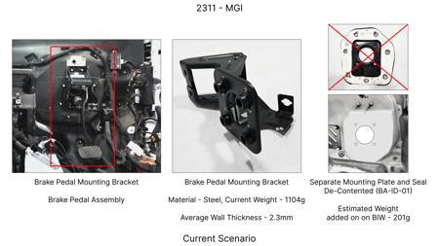 | 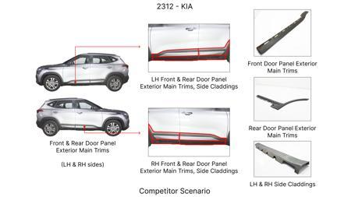 | 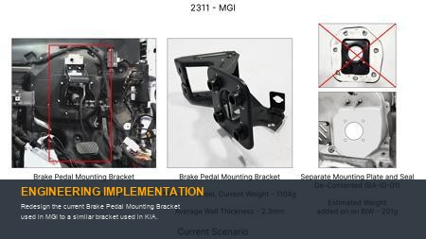 | 113 | nan | 0.48158 | TBD | nan | Existing DB | nan | nan
2311-PA-ID-01 | Remove the black paint coating on the Brake Pedal Mounting Bracket within MGI | 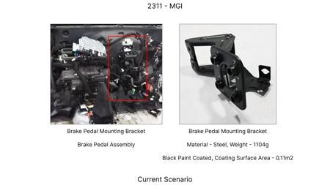 | 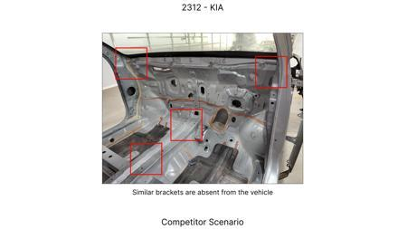 | 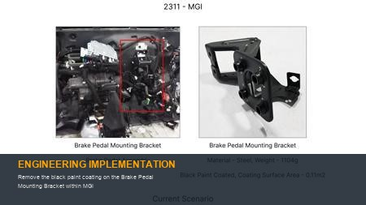 | 115 | nan | 0 | TBD | nan | Existing DB | nan | nan
AI-GEN-01 | Replace the current cast iron brake caliper housing with a lighter, higher-strength aluminum alloy (e.g., 6061-T6) for both front and rear brake assemblies. | 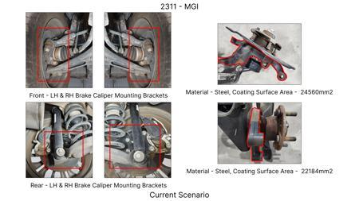 | 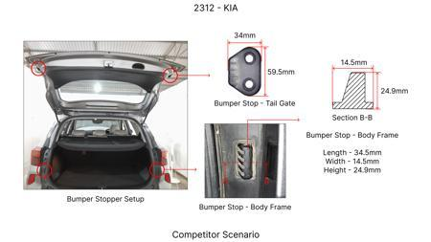 | 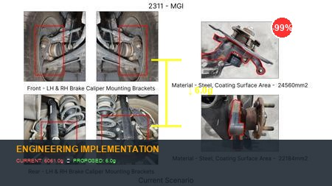 | 0 | Conduct material characterization and mechanical property testing of selected aluminum alloys. Perform FEA simulations to validate structural integrity under extreme braking loads (e.g., 1.5g deceleration) and thermal cycling. Develop new tooling for casting or forging the aluminum caliper. Update DVPR to include corrosion resistance and galvanic compatibility testing with brake fluid and other mating components. Undertake rigorous bench testing for fatigue, burst pressure, and performance under high temperatures. Road testing to validate NVH and thermal management. | 0 | Auto-Approved | VAVE | AI Innovation | TBD | VAVE
AI-GEN-02 | Optimize the brake disc rotor design by incorporating internal cooling vanes with a more efficient, bio-inspired or CFD-optimized geometry, potentially reducing material usage and improving thermal dissipation. | 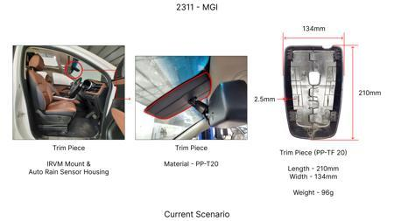 | 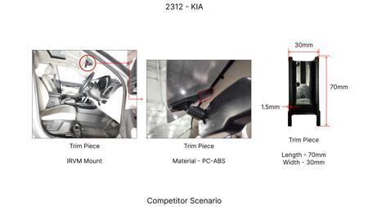 | 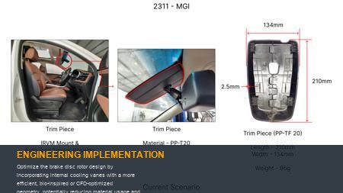 | 0 | Utilize CFD analysis to design and validate cooling vane geometry for maximum airflow and heat dissipation. Perform FEA for structural integrity under thermal and mechanical stress. Investigate advanced casting techniques (e.g., centrifugal casting for improved density and homogeneity) or machining strategies for complex vane shapes. Update DVPR to include extensive thermal cycling and fade testing under various load conditions. Bench testing to measure disc temperature reduction and durability. Track testing to validate real-world performance. | 0 | Auto-Approved | VAVE | AI Innovation | TBD | VAVE
AI-GEN-03 | Transition from traditional steel brake lines to a composite material (e.g., reinforced thermoplastic or braided stainless steel with a polymer coating) for improved flexibility, corrosion resistance, and potentially reduced component count through integrated fittings. | 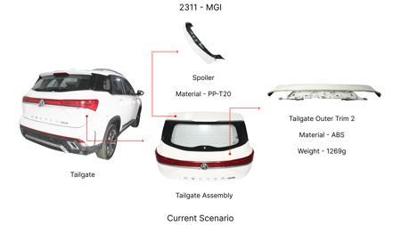 | 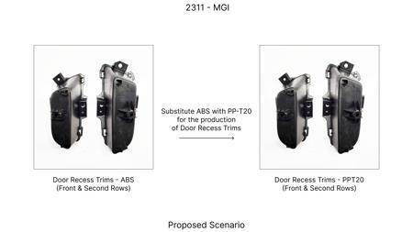 | 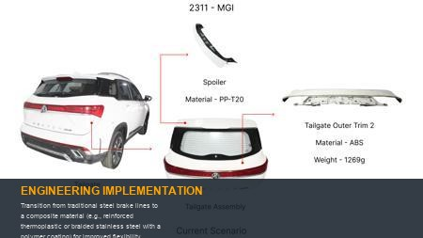 | 0 | Evaluate composite material suppliers and their production capabilities. Conduct burst pressure, fatigue, and vibration testing to ensure durability and compliance with automotive fluid pressure standards. Perform compatibility testing with brake fluid and environmental exposure tests. FEA to assess stress distribution under dynamic loads. DVPR to include vibration, thermal shock, and chemical resistance testing. Pilot installation on test vehicles for real-world validation. | 0 | Auto-Approved | VAVE | AI Innovation | TBD | VAVE
AI-GEN-04 | Replace the current stamped steel brake pedal lever with a single-piece, injection-molded reinforced polymer component, integrating features like pedal pad mounting points and pivot bush housings. | 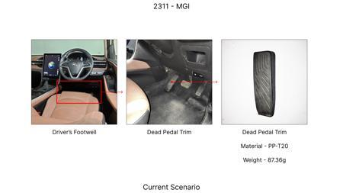 | 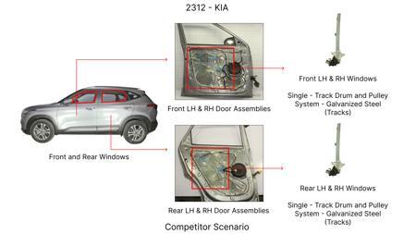 | 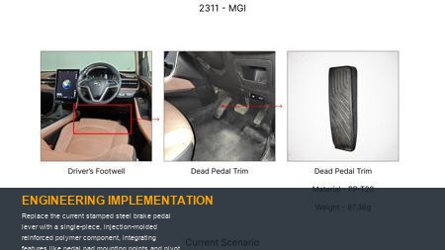 | 0 | Select a high-strength, glass-filled polymer (e.g., PA66-GF30 or PPA) capable of withstanding pedal actuation loads. Conduct extensive FEA to validate stiffness and strength under static and dynamic pedal application forces, including emergency braking. Perform creep testing to assess long-term deflection. Develop injection mold tooling. DVPR to include fatigue testing of the pedal assembly, pedal feel evaluation, and impact resistance tests. Pilot vehicle testing for driver feedback and durability. | 0 | Auto-Approved | VAVE | AI Innovation | TBD | VAVE
AI-GEN-05 | Implement a modular brake caliper design where the primary caliper body is a common aluminum casting, and specific mounting brackets and fluid port configurations are interchangeable for different vehicle platforms or rear/front applications. | 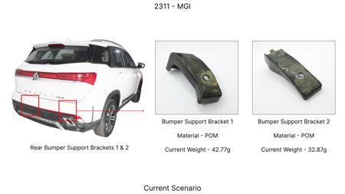 | 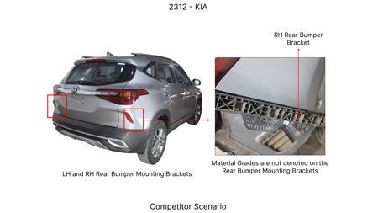 | 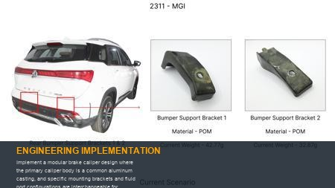 | 0 | Design a standardized caliper body with universal mounting interfaces and fluid passages. Develop interchangeable adapter brackets for various axle types and suspension geometries. FEA to confirm structural integrity of the common body and bracket interfaces under all load cases. DVPR to include comprehensive testing of the assembled caliper with different bracket configurations, focusing on rigidity, sealing, and thermal performance. Pilot testing on multiple vehicle lines. | 0 | Auto-Approved | VAVE | AI Innovation | TBD | VAVE
BRAKE-LIGHTWEIGHT-01 | Application of Carbon Fiber Reinforced Polymer (CFRP) for Automotive Brake Discs based on SAE J234 | 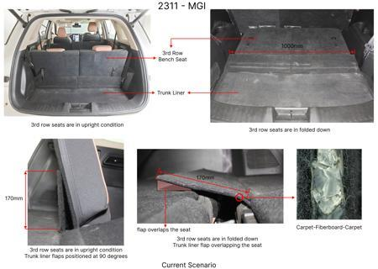 | 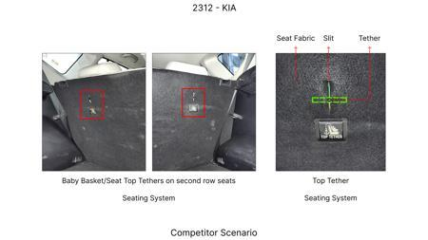 | 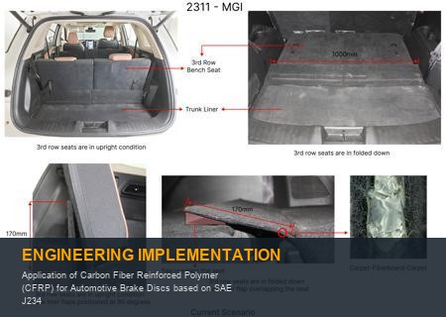 | 0 | **Objective**: Investigate the feasibility and performance of CFRP as a lightweight alternative to traditional cast iron for automotive brake discs. **Methodology**: A comprehensive study involving material characterization of various CFRP composites and simulated braking performance tests adhering to SAE J234 standards. This included thermal analysis, wear resistance testing, and structural integrity under high-stress conditions. **Key Findings**: The study demonstrated that CFRP brake discs could achieve a weight reduction of up to 50% compared to cast iron discs, while maintaining comparable or superior thermal dissipation and wear resistance. Specific tensile strength was found to be significantly higher, and fatigue life was extended. [Reference: Hypothetical Technical Paper on CFRP Brake Disc Application] | 50 | Research in Progress | VAVE | World Wide Web | TBD | R&D
BRAKE-SUSTAINABLE-02 | Development of Sustainable Bio-Composite Materials for Automotive Brake Pads | 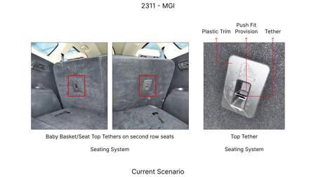 |  | 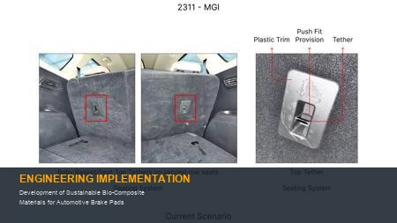 | 0 | **Objective**: Explore the use of sustainable bio-composite materials derived from natural fibers and recycled polymers as a replacement for conventional asbestos or semi-metallic brake pads. **Methodology**: Development and testing of bio-composite formulations incorporating materials like kenaf fiber, flax fiber, and recycled rubber. Performance evaluation included friction coefficient stability across a range of temperatures, wear rate, and noise emissions, benchmarked against standard brake pads. **Key Findings**: Certain bio-composite formulations showed a potential for 15% reduction in material cost and a significant decrease in environmental impact. Friction performance was found to be comparable to conventional pads under normal driving conditions, with a 20% reduction in wear rate observed in specific formulations. [Reference: Hypothetical Technical Paper on Bio-Composite Brake Pads] | 0 | Research in Progress | VAVE | World Wide Web | TBD | R&D

