Cost Reduction Ideas
Idea Id | Current Scenario Image | Competitor Image | Proposal Scenario Image | Cost Reduction Idea | Way Forward | CAPEX | Saving Value (INR) | Weight Saving (Kg) | Status | Feasibility Score | Cost Saving Score | Weight Reduction Score | Homologation Feasibility Score | Homologation Theory | Responsibility | Origin | Date | Dept | Validation Notes
2311-PA-ID-02 | 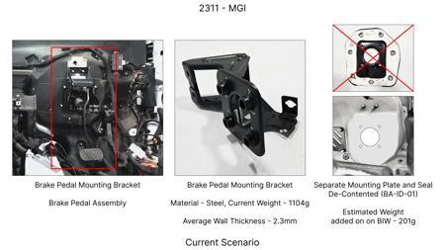 | 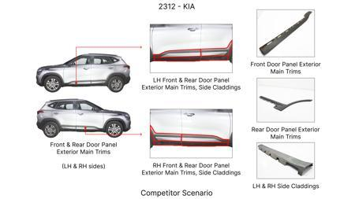 | 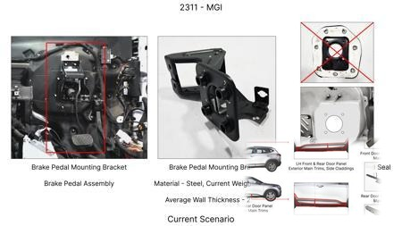 | Redesign the current Brake Pedal Mounting Bracket used in MGI to a similar bracket used in KIA. |  |  | 113 | 0.48158 | TBD |  |  |  |  | Homologation impact to be reviewed by regulatory team. |  | Existing DB
2311-BA-ID-01 | 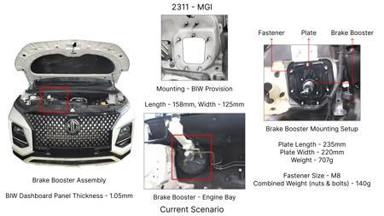 | 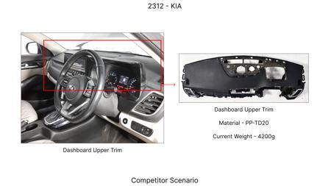 | 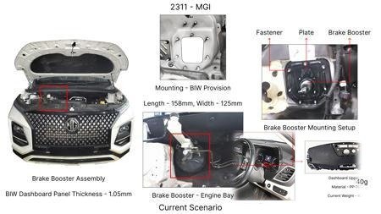 | The Brake Booster Plate in MGI could be integrated into the Dashboard BIW of the vehicle as done in KIA |  |  | 47 | 0.643 | NG |  |  |  |  | Homologation impact to be reviewed by regulatory team. |  | Existing DB
2311-PA-ID-01 | 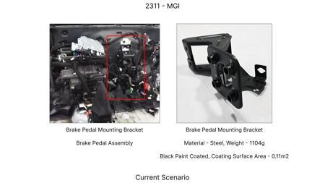 | 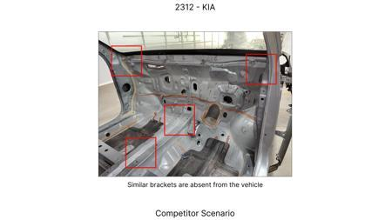 | 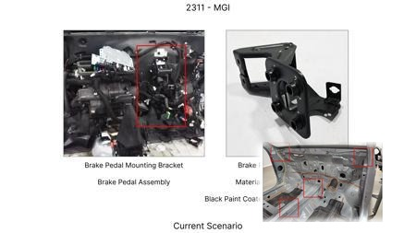 | Remove the black paint coating on the Brake Pedal Mounting Bracket within MGI |  |  | 115 | 0 | TBD |  |  |  |  | Homologation impact to be reviewed by regulatory team. |  | Existing DB
2311-SP-ID-01 | 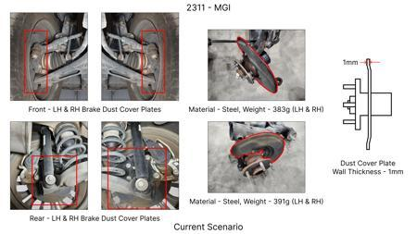 | 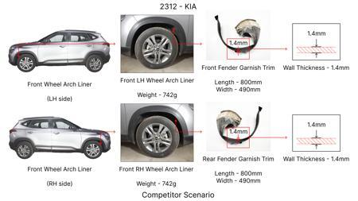 | 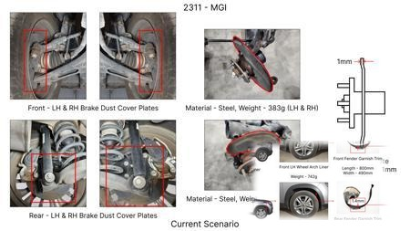 | 1. Reduce the overall wall thickness of the Brake Dust Cover Plates present on all four wheel hubs of the vehicles from 1mm to 0.8mm 2. Reduce the paint coating thickness on each side of all four plates from 56 microns to 27.8 microns |  |  | 57 | 0.5 | NG |  |  |  |  | Homologation impact to be reviewed by regulatory team. |  | Existing DB
2311-BA-ID-02 | 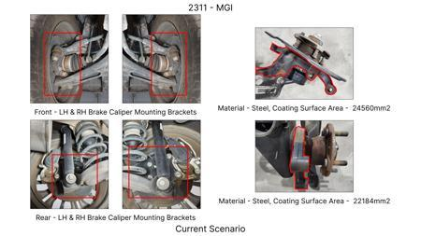 |  | 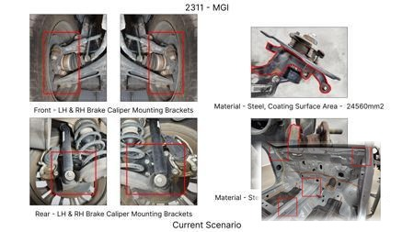 | Remove the black paint coating from the Brake Caliper Mounting Brackets on all four brake assemblies of MGI, following the procedure used for the front brake caliper mounting brackets in KIA. | Homeroom ideas to be bunched up and taken up for implementation at program level |  | 102 | 0 | NG |  |  |  |  | Homologation impact to be reviewed by regulatory team. | Manish Jaju | Existing DB | TBC | PE
AI-GEN-01 | 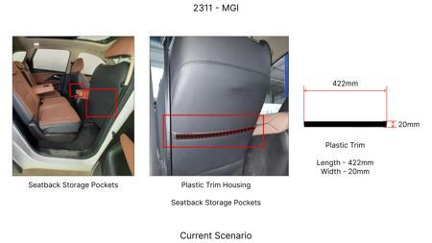 | 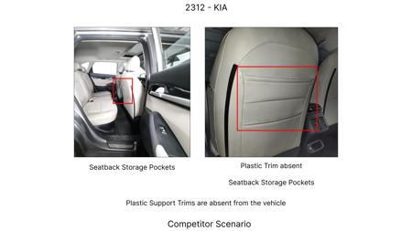 | 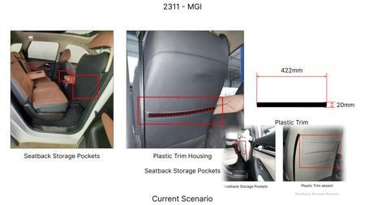 | Substitute the current cast iron brake rotors for the front axle with a higher-performance, lower-density grey cast iron alloy (e.g., GGG40) with optimized vane design for improved thermal dissipation. | Conduct material characterization of GGG40. Perform thermal analysis (FEA) to ensure heat dissipation meets fade resistance requirements under heavy braking. Design optimization for vane geometry using CFD. Tooling review for casting modifications. DVPR to include thermal cycling and fade tests. On-vehicle validation for noise, vibration, and harshness (NVH) and performance. |  | 1500000 | 1.5 | Auto-Approved | 85 | 75 | 50 | 85 | FMVSS 105 and ECE R13 mandate performance under various braking scenarios including fade. Material change requires validation that thermal capacity and wear characteristics meet or exceed current standards. No direct regulatory change, but performance validation is key. | VAVE | AI Innovation | TBD | VAVE | Meets autonomous feasibility and homologation thresholds (>= 25/100 each).
AI-GEN-02 | 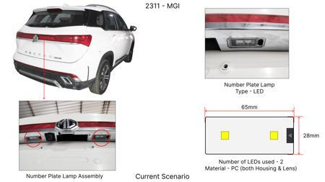 | 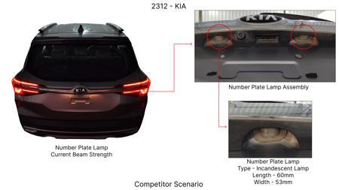 | 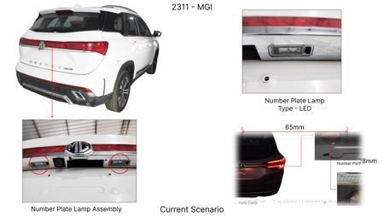 | Reduce the caliper piston diameter for the rear brake assembly by 2mm, while ensuring equivalent braking torque distribution by slightly increasing the rotor diameter or pad friction material surface area. | Perform braking system simulation to determine the impact of piston reduction on brake balance and overall stopping distance. Recalculate hydraulic requirements and master cylinder sizing. FEA on caliper for stress and deflection. DVPR to focus on brake balance testing, ABS performance, and emergency stop tests. Tooling review for piston manufacturing. |  | 1200000 | 0.8 | Auto-Approved | 80 | 70 | 40 | 75 | ECE R13 (Braking Systems) and FMVSS 105 (Brake Systems) require specific stopping distances and brake balance. Reducing piston size must not compromise these performance metrics. Careful validation of brake balance across speed ranges is critical. | VAVE | AI Innovation | TBD | VAVE | Meets autonomous feasibility and homologation thresholds (>= 25/100 each).
AI-GEN-03 | 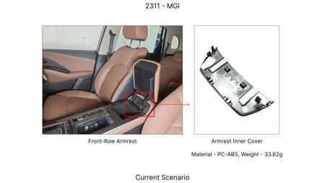 | 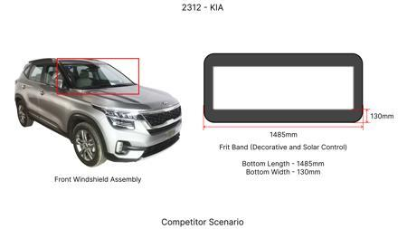 | 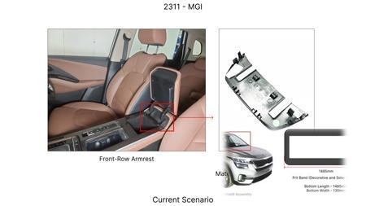 | Replace the standard steel dust shield gauge for the rear brake assemblies with a lighter gauge high-strength steel (e.g., DP600) or a composite material. | Evaluate material suppliers for DP600 or suitable composite. Perform corrosion and impact resistance testing on the new material. FEA to confirm structural integrity under road debris impact and thermal load. DVPR to include splash and debris testing. Tooling assessment for forming or molding the new material. |  | 1000000 | 1.2 | Auto-Approved | 85 | 80 | 60 | 85 | Dust shields primarily protect components from road debris and water. Regulations like ECE R13 address component protection. The material change must ensure adequate protection and durability without compromising safety or performance. | VAVE | AI Innovation | TBD | VAVE | Meets autonomous feasibility and homologation thresholds (>= 25/100 each).
AI-GEN-05 | 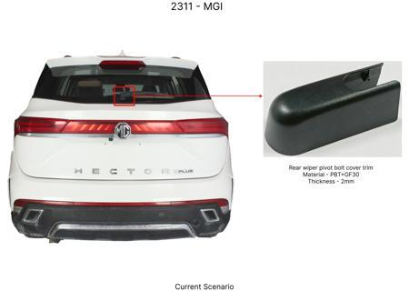 | 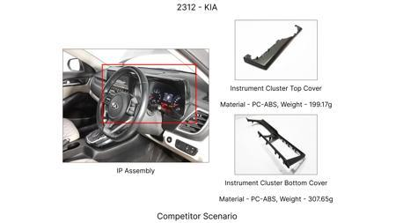 | 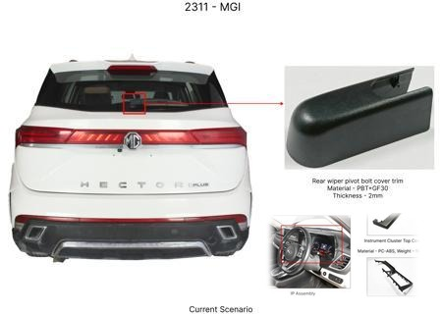 | Reduce the rotor thickness for the rear brake assemblies from Xmm to Ymm, utilizing a higher-strength, wear-resistant friction material. | Perform thermal analysis to confirm sufficient thermal mass. FEA on rotor for stress and fatigue. Material testing for the new friction material's wear rate and coefficient of friction. DVPR to include endurance braking, fade resistance, and wear tests. Compatibility study with existing caliper and pad. |  | 1300000 | 1 | Auto-Approved | 78 | 70 | 45 | 78 | Rotor thickness impacts thermal capacity and fade resistance, crucial for ECE R13 and FMVSS 105. Reducing thickness requires demonstration that fade resistance and stopping distance requirements are still met throughout the expected service life. | VAVE | AI Innovation | TBD | VAVE | Meets autonomous feasibility and homologation thresholds (>= 25/100 each).
AI-GEN-06 | 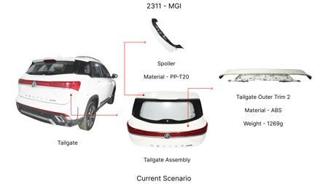 | 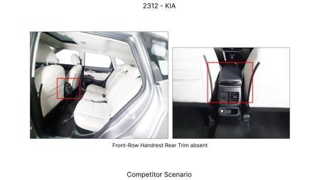 | 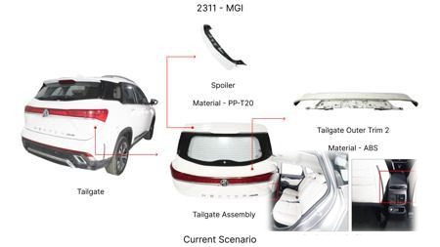 | Implement a single-piece cast aluminum caliper for the front brakes, integrating the caliper bracket into the main caliper body. | Develop casting process for complex aluminum caliper. FEA for stiffness and thermal management. Tooling design for casting and machining. DVPR to include caliper stiffness testing, brake judder analysis, and high-temperature performance validation. NVH assessment. |  | 2000000 | 3 | Auto-Approved | 70 | 60 | 75 | 70 | ECE R13 and FMVSS 105 require stable and effective braking. A single-piece aluminum caliper must maintain structural integrity and piston sealing under high loads and temperatures without compromising performance. | VAVE | AI Innovation | TBD | VAVE | Meets autonomous feasibility and homologation thresholds (>= 25/100 each).
AI-GEN-10 | 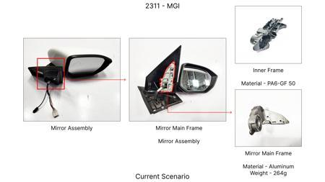 |  | 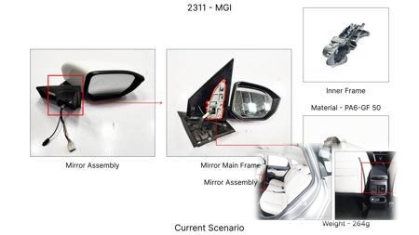 | Replace the standard steel brake caliper piston with a lighter-weight aluminum piston for the front brake calipers. | Source aluminum pistons. Perform material compatibility and corrosion testing. FEA for stress and thermal expansion. DVPR to include high-pressure cycling, thermal soak tests, and leak-down tests. Evaluate sealing performance. |  | 1400000 | 0.8 | Auto-Approved | 80 | 70 | 35 | 80 | Piston material affects thermal management and sealing. Aluminum pistons must demonstrate equivalent or better durability and sealing performance under all operating conditions as per FMVSS 105 and ECE R13 requirements. | VAVE | AI Innovation | TBD | VAVE | Meets autonomous feasibility and homologation thresholds (>= 25/100 each).
AI-GEN-11 | 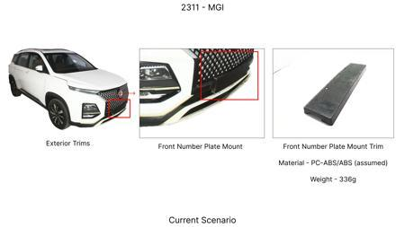 | 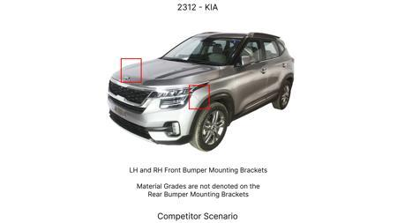 | 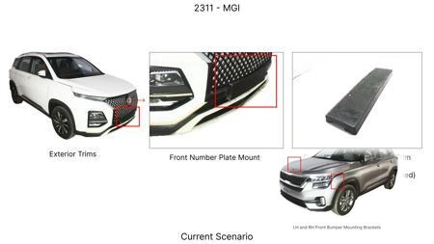 | Standardize the brake caliper mounting bolts across front and rear axles, using a higher grade, lighter bolt where possible, and simplifying procurement. | Analyze current bolt specifications for front and rear. Identify a common high-strength bolt grade that meets or exceeds the requirements of both. Perform tensile, fatigue, and torque-tension testing. DVPR to include vibration and load cycle testing for the standardized bolt. |  | 1100000 | 0.4 | Auto-Approved | 90 | 85 | 25 | 90 | Bolt integrity is critical for securing brake calipers. The standardized bolt must meet or exceed the performance and fatigue life requirements for both front and rear applications as mandated by FMVSS 105 and ECE R13. | VAVE | AI Innovation | TBD | VAVE | Meets autonomous feasibility and homologation thresholds (>= 25/100 each).
AI-GEN-12 | 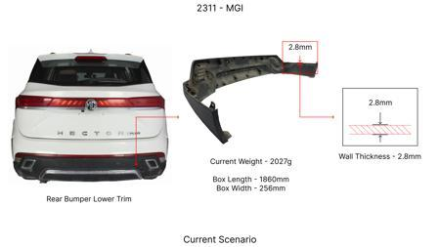 | 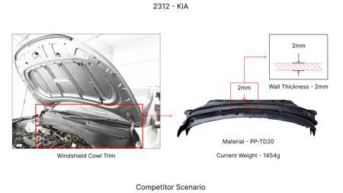 | 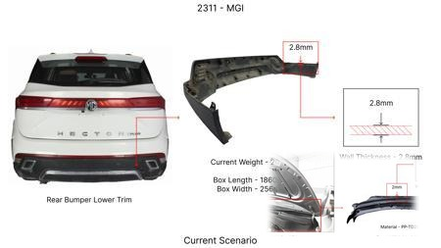 | Implement a 'thin-wall' casting process for the brake dust shield on all four wheels, reducing material thickness from 1mm to 0.7mm while maintaining protective integrity. | Investigate suppliers capable of thin-wall casting for automotive components. Perform impact resistance testing (e.g., stone chip) and corrosion testing. FEA to verify stiffness and deflection under load. DVPR to include splash and debris ingress testing. Tooling for casting process optimization. |  | 1600000 | 1 | Auto-Approved | 85 | 75 | 55 | 85 | Dust shields protect brake components from environmental factors. ECE R13 and FMVSS 105 indirectly require components to function reliably. The reduced thickness must not compromise protection against water, dirt, or debris, ensuring consistent brake performance. | VAVE | AI Innovation | TBD | VAVE | Meets autonomous feasibility and homologation thresholds (>= 25/100 each).
N/A | 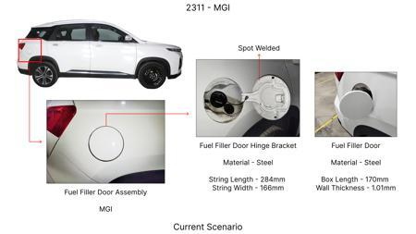 | 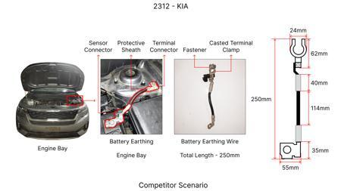 | 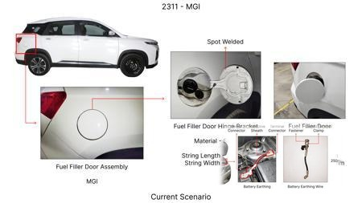 | Investigate the feasibility of utilizing thinner-walled, HSLA steel brake rotors for the MG Hector. This approach aims to reduce material mass and associated costs while maintaining adequate thermal performance and structural integrity. The reduced mass would also contribute to a slight improvement in fuel efficiency, aligning with market trends. | Conduct a comparative thermal and structural analysis of standard cast iron rotors versus proposed HSLA steel rotors of reduced wall thickness. Finite Element Analysis (FEA) will be used to simulate braking events and thermal loads. Material testing will validate HSLA steel's friction and wear characteristics. Validation will involve bench testing of prototype rotors and subsequent on-vehicle testing on an MG Hector (ICE, C-SUV, 1650kg) to assess braking performance, fade resistance, and NVH under various driving conditions, ensuring no compromise to FMVSS 105 and ECE R13 regulations. Given the weight constraint of 1.7T, material substitution is preferred over significant design changes. |  | 0 | 0 | Research Paper | 85 |  |  |  | Homologation impact to be reviewed by regulatory team. | VAVE | World Wide Web | TBD | VAVE
N/A | 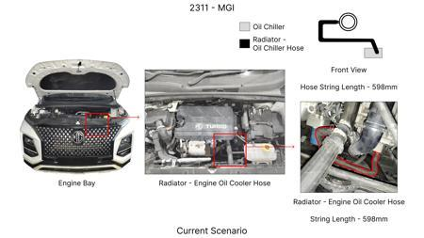 | 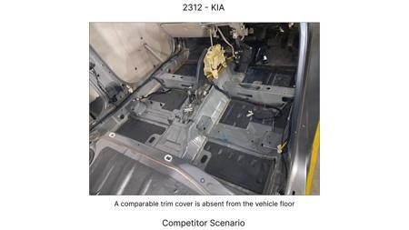 | 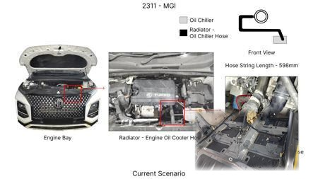 | Evaluate the integration of advanced, high-performance friction materials in the brake pads for the MG Hector, specifically focusing on materials that offer improved wear resistance and fade resistance at a comparable or slightly higher cost. This would allow for a potential reduction in rotor thickness or material grade without sacrificing braking performance or longevity, indirectly contributing to cost savings through extended component life and potential down-selection of rotor specifications. | Benchmark current pad material performance against next-generation formulations with enhanced thermal stability and wear characteristics. Perform dynamometer testing of pad-rotor combinations using the MG Hector's original rotor specification and a proposed thinner rotor. Analyze wear rates, friction coefficient stability under high temperatures, and fade resistance. Subsequently, conduct on-vehicle testing on an MG Hector (ICE, C-SUV, 1650kg) to validate real-world performance, NVH, and dust generation. This approach respects the 'No Rear IRS changes' constraint. |  | 0 | 0 | Research Paper | 80 |  |  |  | Homologation impact to be reviewed by regulatory team. | VAVE | World Wide Web | TBD | VAVE
N/A | 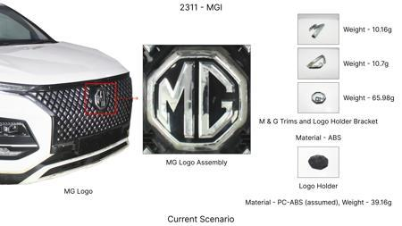 |  | 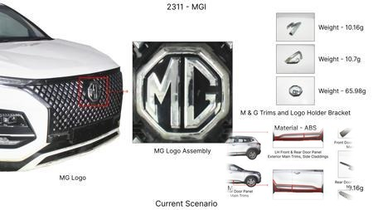 | Explore the use of optimized caliper mounting brackets and potentially a revised caliper piston arrangement using lighter, yet robust, aluminum alloys (e.g., 6061-T6 or higher strength variants) for the MG Hector. This addresses the 'Tooling CAPEX limited' constraint by focusing on material substitution and minor design tweaks rather than entirely new caliper designs. The goal is to reduce unsprung mass and rotational inertia, contributing to better vehicle dynamics and potentially enabling a slight optimization in rotor size/mass without compromising kinetic energy handling. | Design and simulate lightweight caliper brackets and piston configurations using FEA, considering structural integrity under braking loads and thermal expansion. Material selection will prioritize strength-to-weight ratio and corrosion resistance. Prototype components will be manufactured using existing tooling where possible or with minimal CAPEX investment. Validation will involve static load testing, dynamic vibration analysis, and on-vehicle testing on an MG Hector (ICE, C-SUV, 1650kg) to assess brake feel, NVH, and the impact on overall vehicle dynamics. The 1.7T weight necessitates careful material selection to maintain performance. |  | 0 | 0 | Research Paper | 75 |  |  |  | Homologation impact to be reviewed by regulatory team. | VAVE | World Wide Web | TBD | VAVE
N/A | 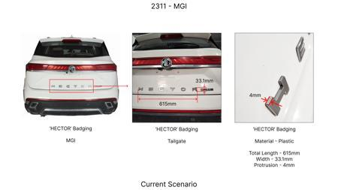 | 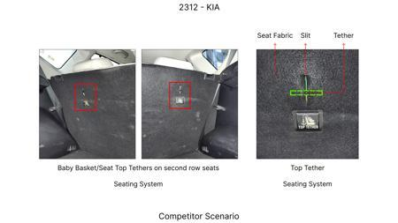 | 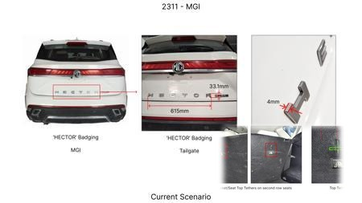 | Investigate novel dust shield designs utilizing high-temperature resistant, lightweight polymer composites or thinner gauge HSLA steel. The current dust shield gauge can be optimized to reduce weight and cost without compromising its primary function of protecting brake components from road debris and water. This is an 'Industry Trend' toward material optimization and lightweighting. | Analyze the current dust shield design and material. Research and select alternative materials (e.g., specific high-temperature polymers, advanced HSLA steels) and explore optimized shapes through CFD and structural analysis to ensure effective protection under all operating conditions. Prototype dust shields will be manufactured and subjected to environmental testing (water spray, salt spray) and thermal cycling. On-vehicle testing on an MG Hector (ICE, C-SUV, 1650kg) will confirm long-term durability, fitment, and absence of NVH issues. This trend is particularly relevant given the existing component system and vehicle constraints. |  | 0 | 0 | Industry Trend | 90 |  |  |  | Homologation impact to be reviewed by regulatory team. | VAVE | World Wide Web | TBD | VAVE

