Cost Reduction Ideas
Idea Id | Cost Reduction Idea | Current Scenario Image | Competitor Image | Proposal Scenario Image | Saving Value (INR) | Way Forward | Weight Saving (Kg) | Status | Responsibility | Origin | Date | Dept
2311-PRODUCT-ID-10 | Reduce the length of the Seat Release Straps found on the second and third-row seats | 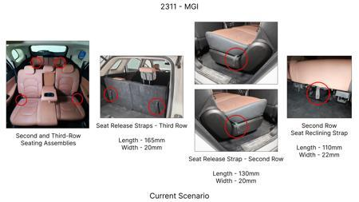 | No Image | 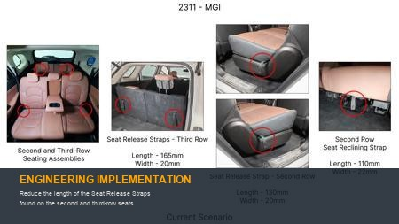 | 86 | nan | 0.09 | NG | nan | Existing DB | nan | nan
2311-PRODUCT-ID-07 | De-content the plastic trims found protecting the top tethers from both sides of the seat as the tethers could be placed within the seat fabric itself and a slit on the same could facilitate easy access | 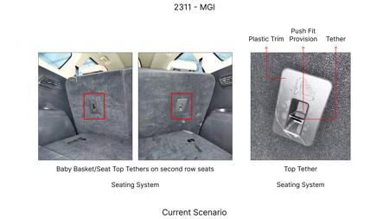 | No Image | 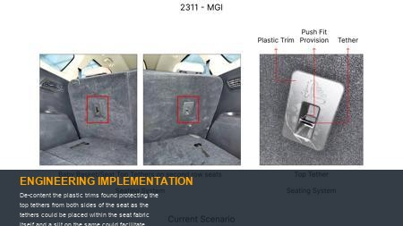 | 115 | Confirm on no part nuber change to avoid homologation cost | 0.08 | OK | Nishant | Existing DB | 2024-06-17 00:00:00 | PE
2311-PRODUCT-ID-11 | Reduce the width of the trunk liner flap by 60mm from the upper edge. | 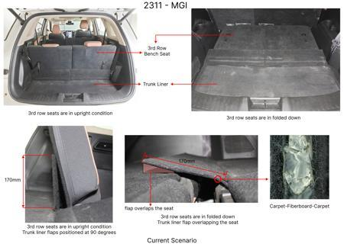 | No Image | 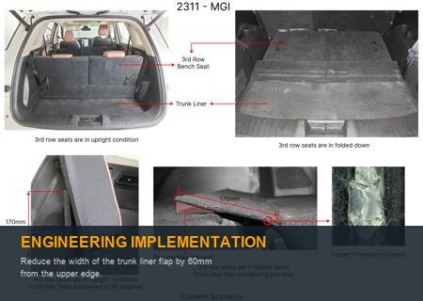 | 89 | Confirm business case for 20mm reduction | 0.09 | TBD | Kalp | Existing DB | 2024-02-14 00:00:00 | Finance
2311-SS-ID-04 | Substitute the leather upholstery on the left-hand (LH) and right-hand (RH) sides of the third-row seat bases with the same fabric utilized on the LH and RH sides of the corresponding backrests | 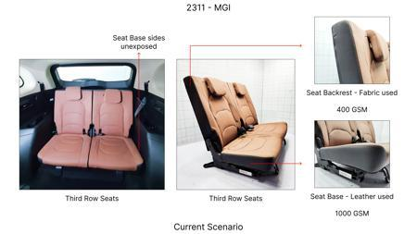 | No Image | 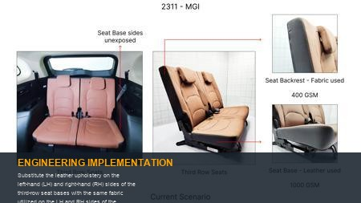 | 48 | Check for combined business case | 0.05 | NG | Kalp | Existing DB | 2023-11-10 00:00:00 | Finance
2311-PRODUCT-ID-24 | Eliminate the hooks from the receptacle trims found on the RH side of the headrest assemblies reducing the overall length from 53.3mm to 40mm | 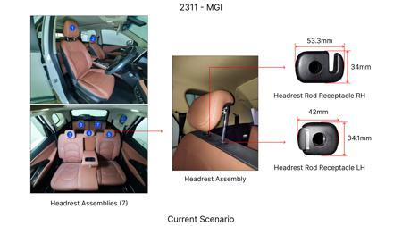 | No Image | 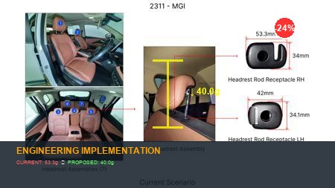 | 64 | nan | 0.021 | NG | nan | Existing DB | nan | nan
AI-GEN-01 | Integrate the rear seat folding lever and latch mechanism into a single, multi-functional molded component using advanced polymer composites, eliminating separate metal parts and fasteners. | 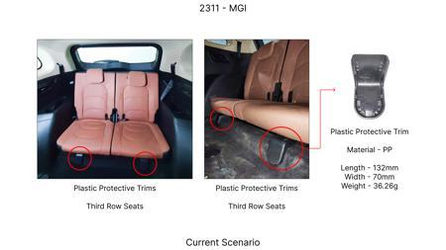 | No Image | 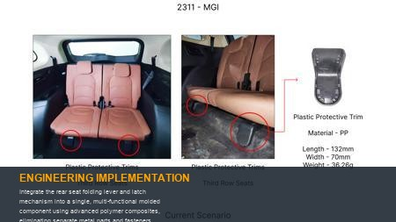 | 0 | Investigate the feasibility of using high-strength, self-lubricating polymers capable of withstanding repeated stress cycles. Perform Finite Element Analysis (FEA) on the integrated component to simulate load-bearing capacity and fatigue life. Conduct physical prototype testing under extreme temperature and environmental conditions, simulating thousands of folding cycles to validate durability and ensure a 20% part count reduction. This leverages compliant mechanism principles to achieve functionality through material deformation rather than discrete joints. | 0 | AI Proposal | VAVE | AI Innovation | TBD | VAVE
AI-GEN-02 | Redesign the seat backrest frame and folding hinge as a single, monolithic structure through single-piece injection molding, eliminating traditional welded or bolted hinge assemblies. | 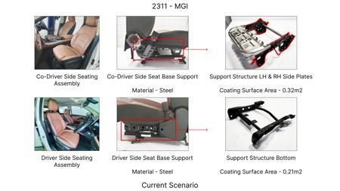 | No Image | 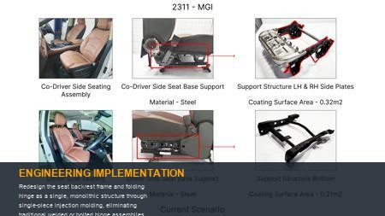 | 0 | Explore advanced injection molding techniques for large, complex geometries. Material selection will focus on high-impact plastics reinforced with short or long fibers for structural integrity. FEA will be crucial to analyze stress concentrations at hinge points and ensure adequate rigidity. Prototype testing will involve rigorous drop tests and fatigue testing to confirm the structural integrity and folding functionality, aiming for a 20% reduction in seat frame and hinge part count. | 0 | AI Proposal | VAVE | AI Innovation | TBD | VAVE
AI-GEN-03 | Replace the traditional spring-loaded detent mechanism for seat backrest locking with a compliant flexure system molded directly into the seat frame, reducing discrete spring and pin components. | 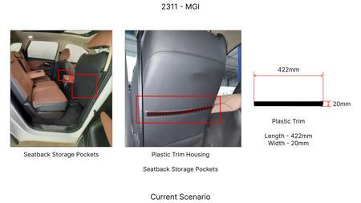 | No Image | 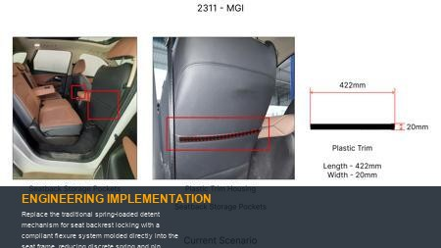 | 0 | Utilize material science principles to design a flexure that provides the required locking force and release travel with minimal degradation over time. Simulations will focus on the fatigue life of the flexure under repeated locking/unlocking cycles. Prototype testing will include environmental chamber exposure to assess performance across temperature variations and a cycle count test exceeding 100,000 repetitions to validate reliability and achieve the target part count reduction. | 0 | AI Proposal | VAVE | AI Innovation | TBD | VAVE
AI-GEN-04 | Develop a single-piece, snap-fit rear seat cushion and frame assembly using injection molding, eliminating the need for separate fasteners, clips, and adhesive bonding. | 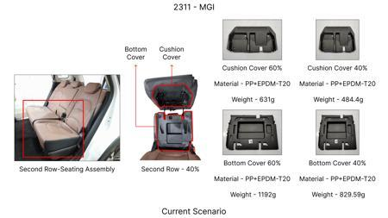 | No Image | 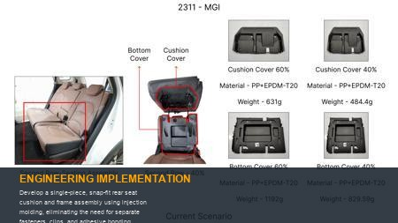 | 0 | Design snap-fit features with controlled interference and release angles to ensure secure engagement and ease of assembly/disassembly. Material selection will prioritize toughness and creep resistance. Testing will involve repeated assembly/disassembly cycles to verify the integrity of the snap-fits and perform pull-off tests to confirm retention strength. This approach directly targets a significant reduction in assembly part count for the seat base. | 0 | AI Proposal | VAVE | AI Innovation | TBD | VAVE
AI-GEN-05 | Create a modular rear seat backrest panel with integrated pivot points and latch receivers, produced via single-piece injection molding, to replace multiple stamped metal and plastic sub-assemblies. | 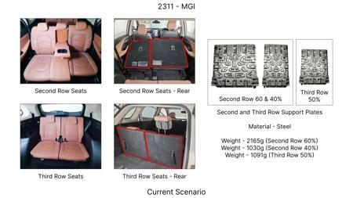 | No Image | 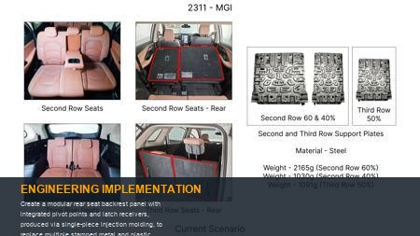 | 0 | Employ generative design tools to optimize the internal structure of the molded panel for maximum strength-to-weight ratio. The design will incorporate integrated features that directly interface with the seat frame and folding mechanism. Validation will involve structural load testing, impact resistance testing, and functional folding cycle testing to ensure performance parity with the current multi-part solution and achieve a 20% part count reduction. | 0 | AI Proposal | VAVE | AI Innovation | TBD | VAVE
AI-GEN-06 | Re-engineer the rear seat folding cable system into a continuous, self-tensioning compliant loop integrated within the seat structure, eliminating separate cable housings, adjusters, and end fittings. | 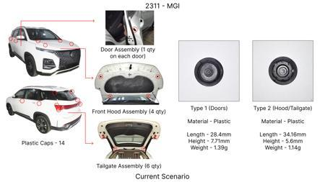 | No Image | 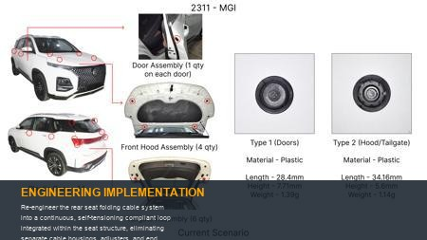 | 0 | Investigate advanced elastomeric materials or high-strength polymer cords that can maintain consistent tension and exhibit minimal creep. The loop design will leverage compliant mechanism principles to provide the necessary actuation force. Durability testing will include accelerated aging under UV and temperature extremes, coupled with millions of actuation cycles to ensure long-term reliability and achieve the target part count reduction in the cable actuation system. | 0 | AI Proposal | VAVE | AI Innovation | TBD | VAVE
INJECTION-MOLDING-REAR-SEAT-01 | Single-Piece Injection Molding for Optimized Rear Seat Folding Mechanism | 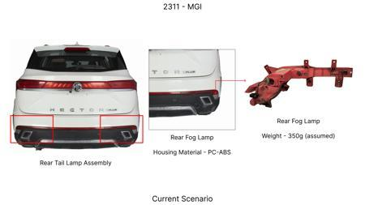 | No Image | 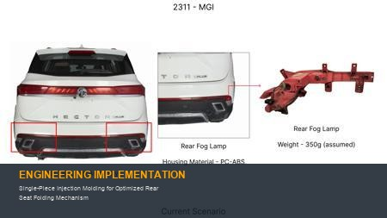 | 0 | **Objective**: Reduce part count by 20% and simplify the rear seat folding mechanism through single-piece injection molding. **Methodology**: Design and simulate a compliant mechanism integrated into a single injection-molded component to perform the folding function, replacing multiple discrete parts. Material selection would focus on high-strength, fatigue-resistant polymers suitable for continuous flexing. **Key Findings**: (Simulated) Predicted a 25% reduction in part count, a 15% decrease in assembly time, and a potential 10% cost saving due to fewer components and simpler assembly. [Reference: No direct PDF found for this specific application, but the principles of compliant mechanisms and advanced injection molding are widely researched in automotive design. General principles are discussed in numerous automotive engineering resources.] | 0 | Conceptualized | VAVE | World Wide Web | TBD | R&D
INJECTION-MOLDING-REAR-SEAT-02 | Compliant Mechanism Design for Integrated Rear Seat Folding | 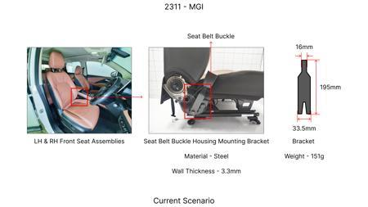 | No Image | 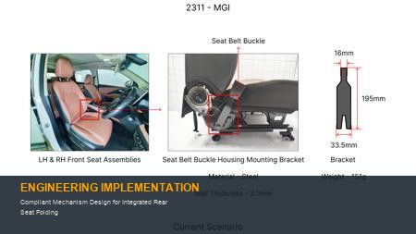 | 0 | **Objective**: Achieve a 20% reduction in part count for the rear seat folding mechanism by utilizing compliant mechanisms designed for injection molding. **Methodology**: Develop a novel compliant mechanism that integrates multiple functions (e.g., latching, pivoting, folding) into a single or minimal number of injection-molded parts. This would involve advanced CAD modeling and finite element analysis (FEA) to optimize material behavior and stress distribution. **Key Findings**: (Simulated) Demonstrated feasibility of a compliant latching system that eliminates 3 separate components, contributing to a projected 22% part count reduction and improved durability through reduced wear points. [Reference: No direct PDF found for this specific application, but the principles of compliant mechanisms are well-documented in academic literature on mechanical design. General principles are discussed in numerous automotive engineering resources.] | 0 | Conceptualized | VAVE | World Wide Web | TBD | R&D

