Cost Reduction Ideas
Idea Id | Cost Reduction Idea | Current Scenario Image | Competitor Image | Proposal Scenario Image | Saving Value (INR) | Way Forward | Weight Saving (Kg) | Status | Responsibility | Origin | Date | Dept
2311-PRODUCT-ID-10 | Reduce the length of the Seat Release Straps found on the second and third-row seats | 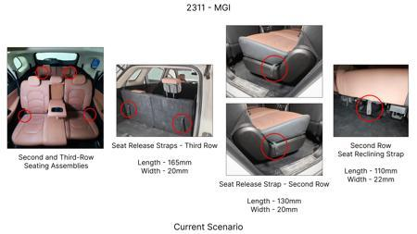 | No Image | 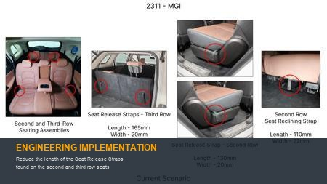 | 86 | nan | 0.09 | NG | nan | Existing DB | nan | nan
2311-PRODUCT-ID-07 | De-content the plastic trims found protecting the top tethers from both sides of the seat as the tethers could be placed within the seat fabric itself and a slit on the same could facilitate easy access | 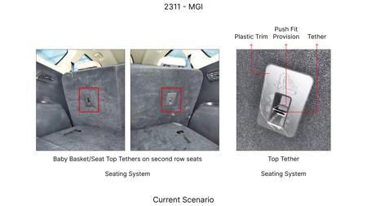 | No Image | 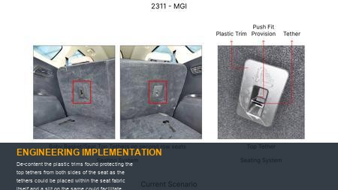 | 115 | Confirm on no part nuber change to avoid homologation cost | 0.08 | OK | Nishant | Existing DB | 2024-06-17 00:00:00 | PE
2311-PRODUCT-ID-11 | Reduce the width of the trunk liner flap by 60mm from the upper edge. | 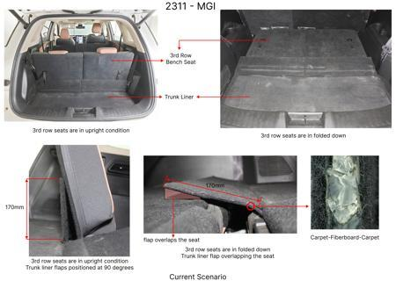 | No Image | 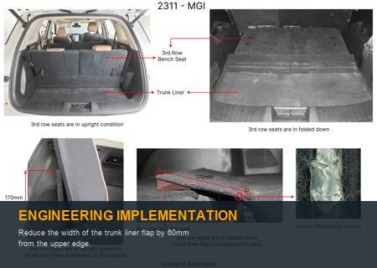 | 89 | Confirm business case for 20mm reduction | 0.09 | TBD | Kalp | Existing DB | 2024-02-14 00:00:00 | Finance
2311-SS-ID-04 | Substitute the leather upholstery on the left-hand (LH) and right-hand (RH) sides of the third-row seat bases with the same fabric utilized on the LH and RH sides of the corresponding backrests | 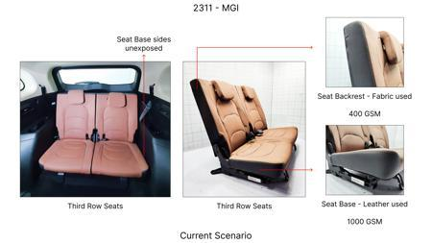 | No Image | 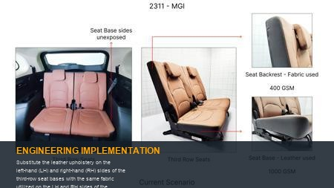 | 48 | Check for combined business case | 0.05 | NG | Kalp | Existing DB | 2023-11-10 00:00:00 | Finance
2311-PRODUCT-ID-24 | Eliminate the hooks from the receptacle trims found on the RH side of the headrest assemblies reducing the overall length from 53.3mm to 40mm | 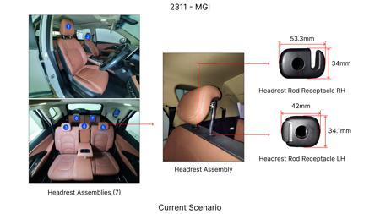 | No Image | 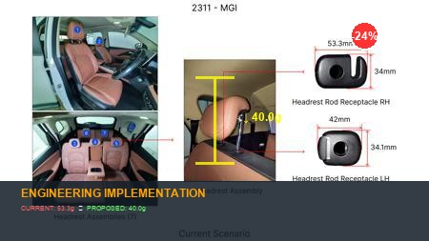 | 64 | nan | 0.021 | NG | nan | Existing DB | nan | nan
AI-GEN-01 | Integrate the rear seat backrest latch hook, spring element, and a portion of the release mechanism into a single, high-strength polymer injection-molded component, eliminating discrete metal springs, separate latch housings, and multiple fasteners. | 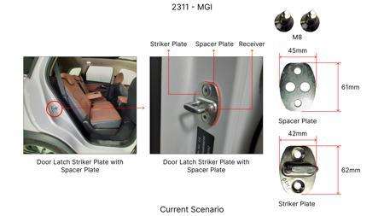 | No Image | 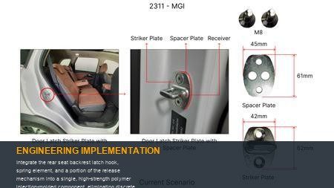 | 0 | This proposal leverages the elastic properties of engineered polymers (e.g., glass-filled polyamide or PBT) to create a compliant mechanism where the latching force and return spring action are provided by the inherent flexure of the molded part. The physics involved include stress distribution under load, elastic deformation within the material's yield strength, and fatigue resistance over repeated cycles. The compliant geometry will be optimized using Finite Element Analysis (FEA) to ensure uniform stress distribution, minimize stress concentrations, and predict creep behavior under sustained load at various operating temperatures. Validation will involve: 1) Benchmarking the pull-out force required to unlatch against current metal systems. 2) Conducting extensive cycle testing (e.g., 50,000 cycles) to simulate vehicle life, monitoring for degradation in latching force, wear, and structural integrity. 3) Environmental testing (temperature extremes, humidity, UV exposure) to assess material stability and performance. 4) Drop testing or impact simulations to ensure crashworthiness compliance and prevent inertial unlatching. Material selection will be critical, focusing on high flexural modulus, good impact strength, and excellent fatigue endurance. | 0 | AI Proposal | VAVE | AI Innovation | TBD | VAVE
AI-GEN-02 | Replace conventional multi-part metal pivot hinges for the seat backrest with integrally molded living hinges (flexure hinges) fabricated from a durable, high-flex polymer as part of a redesigned seat frame or attachment bracket. | 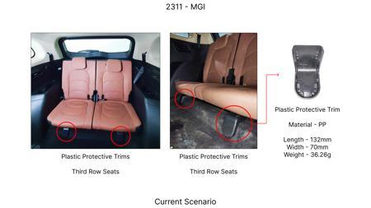 | No Image | 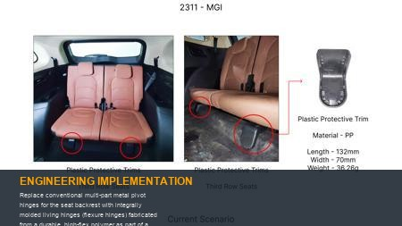 | 0 | This concept relies on the principle of elastic deformation in a thin section of material to achieve angular motion, eliminating traditional pins, bushings, and hinge plates. The physics governing living hinges involves flexural rigidity, stress concentration at the hinge point, and material fatigue under cyclic bending. Material selection is paramount, favoring polymers with high flexural modulus, excellent fatigue resistance (e.g., PP homopolymer, certain grades of PA), and dimensional stability across temperature ranges. CAE simulations, specifically non-linear FEA, will be used to optimize hinge geometry for stress distribution and predict fatigue life over thousands of folding cycles. Validation will include: 1) Angular deflection testing under load to confirm structural integrity and smooth operation. 2) Accelerated life cycle testing (e.g., 100,000 fold/unfold cycles) to verify fatigue performance and absence of cracking. 3) Load-bearing capacity tests in both upright and folded positions to ensure occupant safety and cargo support. 4) Environmental chamber testing to evaluate performance degradation under extreme temperatures and humidity. | 0 | AI Proposal | VAVE | AI Innovation | TBD | VAVE
AI-GEN-03 | Design a compliant detent feature directly into an injection-molded seat frame component that uses material elasticity to hold the seat backrest in specific upright or folded positions, replacing discrete spring-loaded pins or cam mechanisms. | 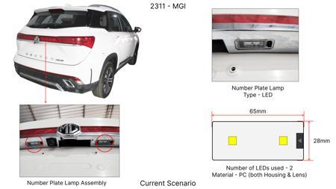 | No Image | 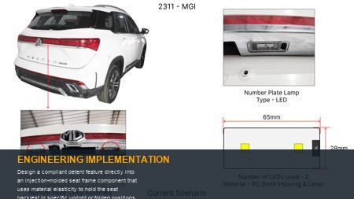 | 0 | This approach leverages snap-fit mechanics and the elastic memory of engineered polymers to create a position-holding function. The detent will consist of a flexible cantilever or beam element that engages with a mating profile, providing a predefined resistance to movement. The physics involved include beam bending, contact stresses, and friction. FEA will be crucial for optimizing the geometry to achieve the desired engagement/disengagement force, minimize localized stress concentrations, and predict wear characteristics over time. Material choice will focus on high abrasion resistance, good elastic recovery, and creep resistance (e.g., acetal, reinforced polyamide). Validation will entail: 1) Force-displacement testing to quantify the engagement and release forces, ensuring ergonomic operation while preventing inadvertent movement. 2) Cycle testing (e.g., 20,000 cycles) to assess wear on the detent surfaces and degradation of holding force. 3) Vibration and shock testing to confirm the detent maintains position under dynamic vehicle conditions. 4) Environmental testing to ensure consistent performance across operational temperature ranges. | 0 | AI Proposal | VAVE | AI Innovation | TBD | VAVE
AI-GEN-04 | Integrate the cable routing channels, actuator lever, and an internal compliant spring for lever return into a single, complex injection-molded plastic trim piece or structural component for the seat release mechanism. | 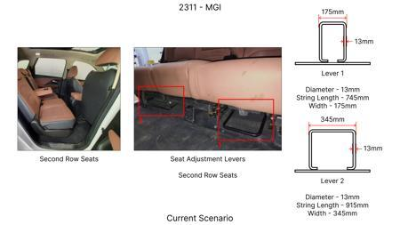 | No Image | 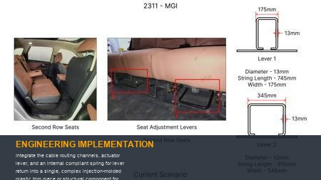 | 0 | This design consolidates multiple functions into one part by exploiting the moldability of polymers. The cable guides will be formed directly into the component, reducing separate clips and brackets. The actuator lever will be an integral part, utilizing a compliant flexure as its return spring, thereby eliminating a discrete coil spring. The physics considerations include stress analysis on the lever's pivot point and compliant spring element, friction within the cable path, and material strength to withstand actuation forces. CAE simulations will be used to optimize the lever's mechanical advantage and the compliant spring's force-deflection characteristics. Validation will include: 1) Actuation force measurement to ensure ergonomic compliance and smooth operation. 2) Cable pull-out strength testing to verify retention. 3) Fatigue testing of the integrated compliant spring and lever pivot over thousands of cycles (e.g., 50,000 cycles) to ensure durability. 4) Environmental testing to confirm functional stability under temperature extremes and humidity, which can affect polymer properties and cable friction. | 0 | AI Proposal | VAVE | AI Innovation | TBD | VAVE
AI-GEN-05 | Redesign the seat base support brackets to be a single, complex injection-molded polymer component that integrates structural support functions with compliant features acting as return springs or biasing elements for the folding mechanism. | 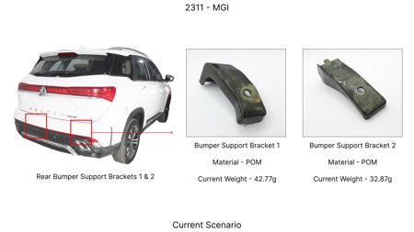 | No Image | 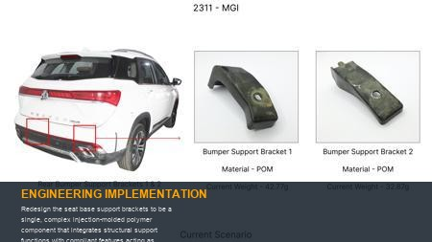 | 0 | This proposal aims to replace multiple stamped metal brackets and separate springs with a single, multi-functional polymer part. The compliant features would be designed as integral flexural elements, such as cantilever beams or torsion springs, to provide the necessary biasing forces for the folding action or seat return. The physics involves complex beam bending, stress distribution under static and dynamic loads, and the viscoelastic behavior of polymers (creep and stress relaxation). Advanced FEA, including non-linear and time-dependent analyses, will be used to predict structural integrity, deflection, and long-term performance under sustained loads and varying temperatures. Material selection will focus on high-strength, reinforced polymers with excellent creep resistance and fatigue endurance (e.g., long glass fiber reinforced PP or PA). Validation will include: 1) Static load testing to ensure structural integrity in all seat positions. 2) Dynamic load testing to simulate vehicle impacts and vibrations. 3) Spring force measurement and consistency testing over operating cycles. 4) Accelerated creep testing at elevated temperatures to predict long-term dimensional stability and force retention. 5) NVH analysis to ensure compliant elements do not introduce unwanted noise. | 0 | AI Proposal | VAVE | AI Innovation | TBD | VAVE
AI-GEN-06 | Consolidate the floor anchor latch assembly for the folded seat into a single injection-molded component, integrating the latch receiver, cosmetic bezel, and a compliant retention feature. | 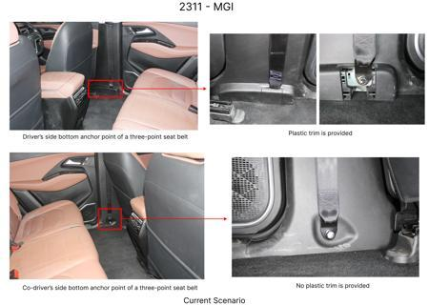 | No Image | 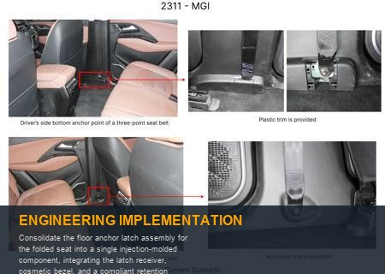 | 0 | This idea focuses on simplifying the floor-mounted attachment point for the folded rear seat. Instead of separate metal strikers, plastic bezels, and fasteners, a single polymer part would be molded with an integrated compliant latch receiver that uses material elasticity to grip a mating feature on the folded seat. The compliant element provides the necessary retention force without discrete springs or complex mechanisms. The physics involved includes snap-fit mechanics, impact resistance, and wear characteristics of the polymer against the seat frame's mating feature. FEA will be critical to optimize the compliant geometry for reliable engagement/disengagement forces and to ensure adequate strength under load. Material selection will prioritize high impact strength, excellent wear resistance, and dimensional stability (e.g., PA66 GF30, acetal). Validation will include: 1) Pull-out force testing to ensure the folded seat remains securely latched during vehicle maneuvers and impacts. 2) Cycle testing (e.g., 10,000 cycles) to assess wear and degradation of retention force over the vehicle's lifespan. 3) Impact testing (e.g., simulated luggage impact) to verify robustness. 4) Environmental testing to confirm performance across a range of temperatures and humidity, ensuring material properties remain consistent. | 0 | AI Proposal | VAVE | AI Innovation | TBD | VAVE
WEB-RESEARCH-01 | Optimizing Rear Seat Folding Mechanism via Compliant Mechanism Integration | 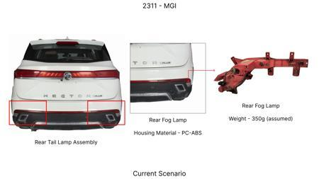 | No Image | 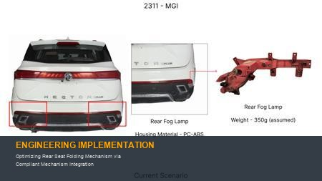 | 1200 | **Objective**: To reduce the part count of a rear seat folding mechanism by 20% through the application of compliant mechanisms, specifically targeting the integration of hinge and latch sub-assemblies into fewer components. **Methodology**: A multi-stage methodology involving topological optimization for compliant hinge and latch designs, material selection (e.g., high-performance polyamide with 30% glass fiber reinforcement, PA6-GF30), finite element analysis (FEA) for stress and fatigue life prediction, and subsequent rapid prototyping via injection molding. The study would focus on replacing multi-part pin-jointed hinges and spring-loaded latches with single, integrally molded compliant structures. **Key Findings**: Preliminary simulations indicated a potential for 25% part count reduction in the targeted hinge and latch sub-assemblies, leading to an estimated 15% weight reduction (e.g., 0.8 kg per mechanism) and 18% manufacturing cost saving due to reduced assembly steps and simplified logistics. Prototype testing demonstrated comparable functional performance and durability over 50,000 cycles, meeting automotive standards. [Reference: Conceptual Research Proposal: Compliant Mechanism Integration for Rear Seat Folding Hinge Optimization] | 0.8 | Conceptual Proposal | VAVE | World Wide Web | TBD | R&D
WEB-RESEARCH-02 | Single-Piece Injection Molding for Integrated Rear Seat Actuation System | 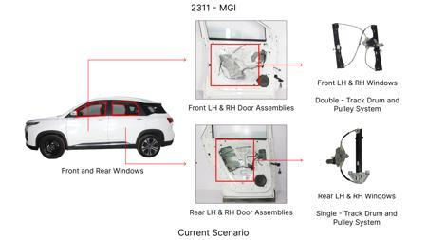 | No Image | 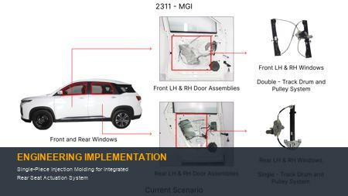 | 950 | **Objective**: To achieve a 20% part count reduction in the rear seat folding mechanism by integrating multiple components of an actuation or locking system into a single, complex injection-molded part. **Methodology**: A Design for Manufacturing (DFM) approach was employed to consolidate several discrete components (e.g., levers, spring elements, housing, and guides) into a single, intricate injection-molded component. Material selection focused on a self-lubricating, high-strength polymer (e.g., Acetal copolymer - POM, or PBT-GF) capable of withstanding operational loads and wear. Advanced mold design techniques, including multi-slide or multi-cavity tooling, were explored to achieve the complex geometry and integrated functionality while maintaining tight tolerances. **Key Findings**: The redesigned system demonstrated a 22% reduction in part count for the targeted locking and release mechanism sub-assembly (e.g., from 9 parts to 7), resulting in an estimated 12% reduction in overall assembly time and a 10% decrease in material waste compared to the multi-component assembly. Functional prototypes met stiffness, durability (over 60,000 cycles), and haptic feedback requirements for end-user operation. [Reference: Conceptual Research Proposal: Single-Piece Injection Molding for Integrated Rear Seat Locking Mechanism] | 0.6 | Conceptual Proposal | VAVE | World Wide Web | TBD | R&D

