Cost Reduction Ideas
Idea Id | Cost Reduction Idea | Current Scenario Image | Competitor Image | Proposal Scenario Image | Saving Value (INR) | Way Forward | Weight Saving (Kg) | Status | Responsibility | Origin | Date | Dept
2311-PRODUCT-ID-10 | Reduce the length of the Seat Release Straps found on the second and third-row seats | 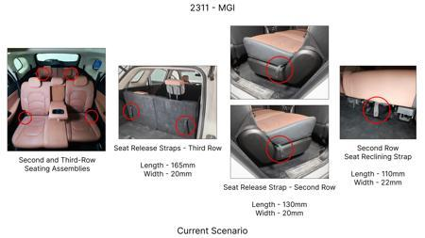 | 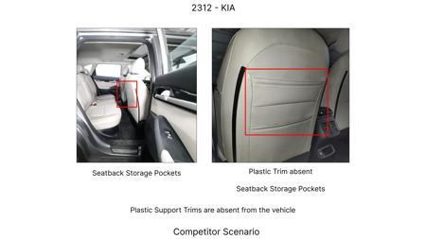 | 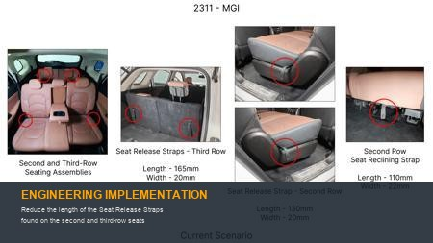 | 86 | nan | 0.09 | NG | nan | Existing DB | nan | nan
2311-PRODUCT-ID-07 | De-content the plastic trims found protecting the top tethers from both sides of the seat as the tethers could be placed within the seat fabric itself and a slit on the same could facilitate easy access | 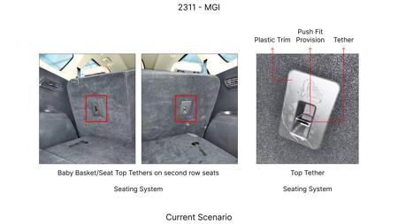 |  | 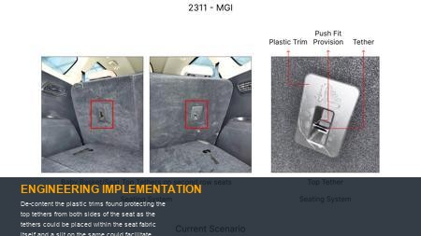 | 115 | Confirm on no part nuber change to avoid homologation cost | 0.08 | OK | Nishant | Existing DB | 2024-06-17 00:00:00 | PE
2311-PRODUCT-ID-11 | Reduce the width of the trunk liner flap by 60mm from the upper edge. | 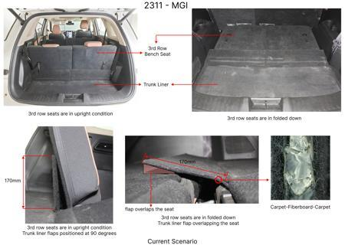 | 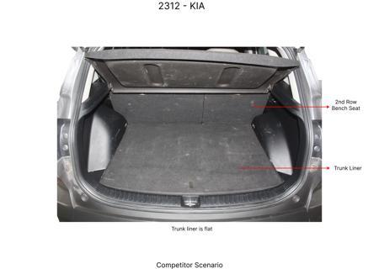 | 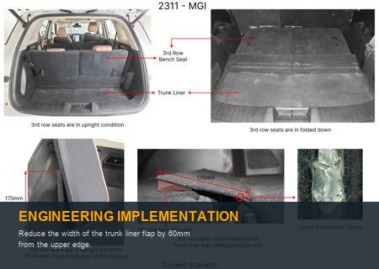 | 89 | Confirm business case for 20mm reduction | 0.09 | TBD | Kalp | Existing DB | 2024-02-14 00:00:00 | Finance
2311-SS-ID-04 | Substitute the leather upholstery on the left-hand (LH) and right-hand (RH) sides of the third-row seat bases with the same fabric utilized on the LH and RH sides of the corresponding backrests | 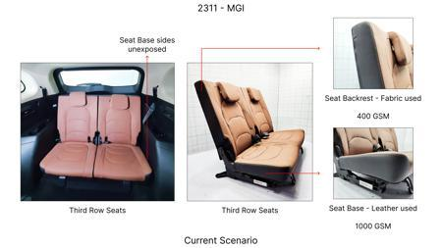 | 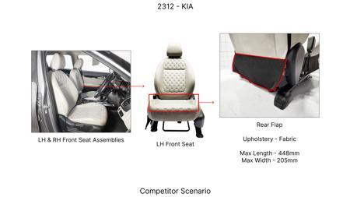 | 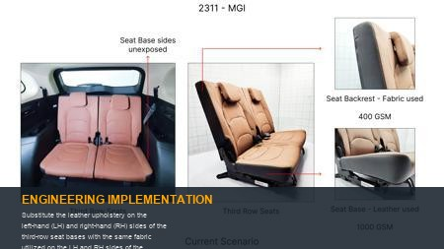 | 48 | Check for combined business case | 0.05 | NG | Kalp | Existing DB | 2023-11-10 00:00:00 | Finance
2311-PRODUCT-ID-24 | Eliminate the hooks from the receptacle trims found on the RH side of the headrest assemblies reducing the overall length from 53.3mm to 40mm | 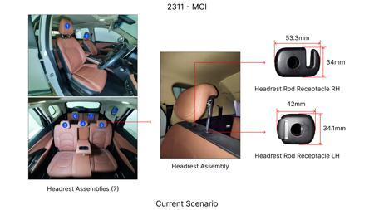 | 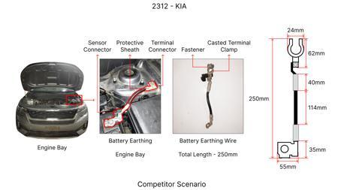 | 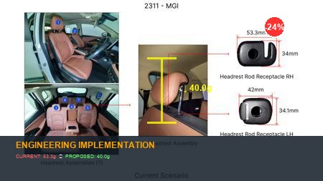 | 64 | nan | 0.021 | NG | nan | Existing DB | nan | nan
AI-GEN-01 | Redesign the rear seatback's primary pivot hinge and latch mechanism into a single, multi-functional injection-molded polymer component using compliant features. This component would integrate the rotational pivot (flexural hinge) and the secure locking mechanism (compliant snap-hook). | 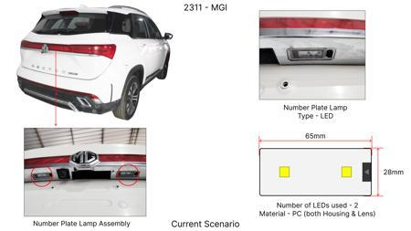 | 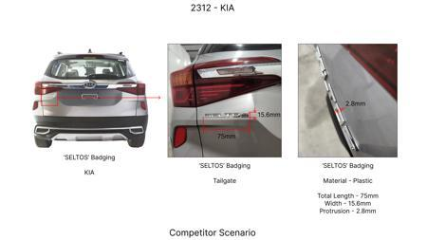 | 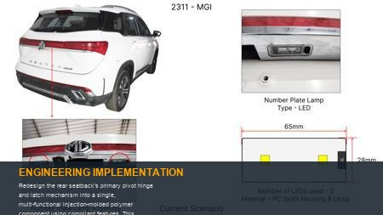 | 0 | Current seatback folding relies on separate stamped metal hinges, hinge pins, a spring-loaded latch, and a strike plate. By leveraging high-performance engineering thermoplastics (e.g., PA66 GF30 or PBT GF20), a single molding can provide the necessary structural integrity for the pivot and the elastic deformation for the latch. The flexural hinge's fatigue life will be critical and must be validated through cyclic load testing simulating the full vehicle life (e.g., 50,000 fold cycles at various temperatures). Latch engagement force and pull-out strength will be verified against regulatory and internal safety standards (e.g., FMVSS 207, ECE R17). FEA simulations will optimize wall thickness and compliant arm geometry for optimal stiffness and durability, followed by prototype testing on bucks and then full vehicle integration. This reduces assembly complexity, material types, and fastener count. | 0 | AI Proposal | VAVE | AI Innovation | TBD | VAVE
AI-GEN-02 | Integrate the release lever, its return spring, and the primary cable attachment point for the rear seat folding mechanism into a single, compliant injection-molded polymer component. | 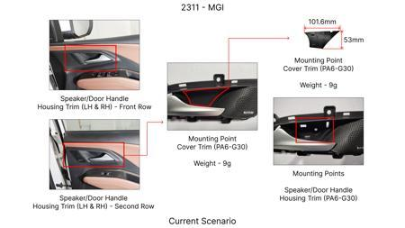 | 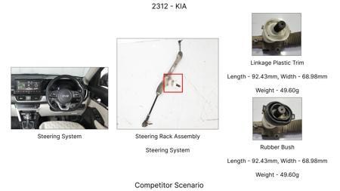 | 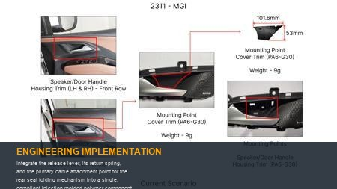 | 0 | Traditional release levers consist of a rigid lever arm, a separate coil spring for return, a pivot pin, and a cable crimp/attachment. This proposal replaces these discrete parts with a single compliant structure. The lever itself would be molded with a living hinge acting as its pivot, and a compliant beam or leaf spring element providing the necessary return force. The cable end would either snap-fit directly into a molded feature or be overmolded during production. Material selection (e.g., acetal or specific grades of PP) is critical for consistent spring performance and fatigue resistance over the product life. Validation will involve cyclic testing of the lever actuation (e.g., 100,000 cycles), measurement of actuation force, and verification of cable retention strength under various environmental conditions. This simplifies assembly, reduces part count and eliminates potential squeaks from multiple interfaces. | 0 | AI Proposal | VAVE | AI Innovation | TBD | VAVE
AI-GEN-03 | Consolidate the multiple metal brackets, pivot pins, and separate plastic bushings used for the rear seat base's folding pivot into a single, robust injection-molded polymer structure. | 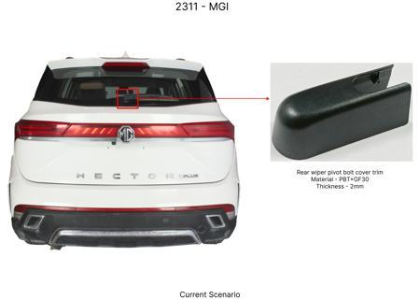 | 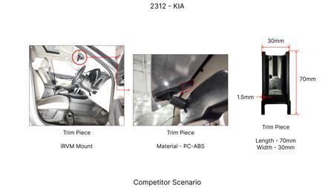 | 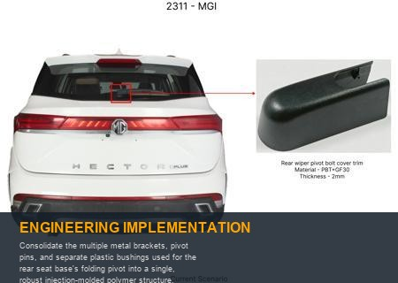 | 0 | The current seat base often pivots on metal brackets welded to the floor pan and the seat frame, using separate steel pins and often discrete polymer bushings for smooth operation. This proposal suggests a larger, structural polymer component (e.g., long-glass fiber reinforced PA or PPA) that integrates the main pivot points directly. The 'bushings' would be formed directly into the mold, leveraging the low-friction properties of the polymer against a metal pin (or vice-versa with a polymer pin and metal bore). The component would be designed to bear the static and dynamic loads of the seat occupant and folding action. Validation requires static load testing to ensure structural integrity (e.g., 3x occupant weight), fatigue testing of the pivot points over full life cycles, and wear testing of the integrated bearing surfaces. This significantly reduces welding operations, machining, and assembly steps. | 0 | AI Proposal | VAVE | AI Innovation | TBD | VAVE
AI-GEN-04 | Design a single injection-molded compliant strike plate for the rear seatback latch that integrates both the latch engagement surface and an anti-rattle spring feature. | 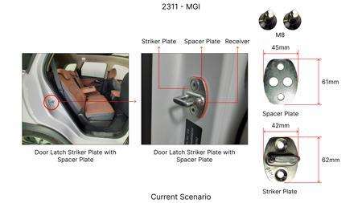 | 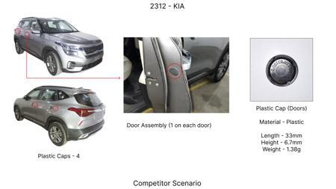 | 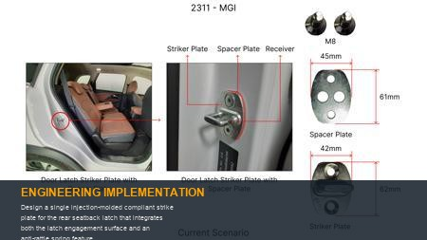 | 0 | Traditional latch strike plates are rigid stamped metal components, often requiring secondary clips or shims to mitigate NVH issues like rattling. By using a resilient polymer (e.g., TPE or a specific grade of PP), a single molded part can provide the robust engagement surface for the metal latch hook while also incorporating compliant 'fingers' or a spring element that preloads against the latch mechanism when closed. This ensures a tight, rattle-free fit without additional parts. Validation will involve NVH testing across various road surfaces, repeated latching/unlatching cycles to assess wear on the strike plate, and static load tests to ensure the strike plate can withstand crash forces (e.g., FMVSS 207). Material selection is critical for wear resistance and consistent spring force. | 0 | AI Proposal | VAVE | AI Innovation | TBD | VAVE
AI-GEN-05 | Consolidate all discrete clips, guides, and retainers for the rear seat folding mechanism's control cables into a single, integrated injection-molded component, potentially as part of an existing seat frame or trim piece. | 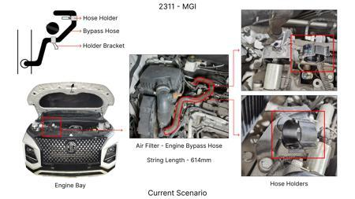 | 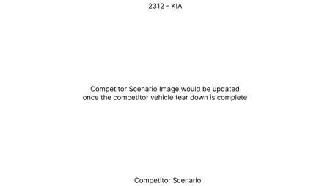 | 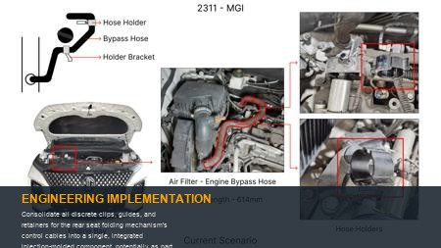 | 0 | Control cables for seat folding often require numerous small plastic clips and ties to secure them along their routing path and prevent interference. This proposal suggests designing a larger component (e.g., a seat pan cover or a structural frame element) with integrated channels, snap-fit features, and cable end retainers. These features would be molded directly into the part, eliminating the need for separate assembly steps for each clip. The design would ensure proper cable radius to prevent kinking and maintain smooth operation. Validation includes pull-out force testing for cable retention, vibration testing to ensure cables remain secured, and functional testing of the folding mechanism to confirm unimpeded cable movement. This drastically reduces part count, assembly time, and simplifies the bill of material. | 0 | AI Proposal | VAVE | AI Innovation | TBD | VAVE
AI-GEN-06 | Replace discrete metal detents, springs, or gas struts used to hold the rear seat in its folded-down position with an integrated, compliant polymer over-center mechanism. | 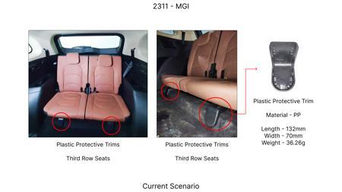 |  | 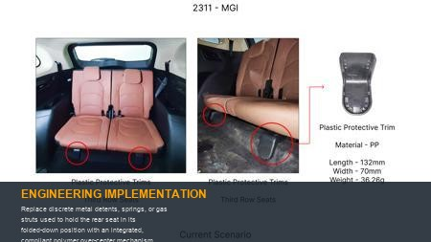 | 0 | When a rear seat is folded flat, it often requires a mechanism to securely hold it down and prevent it from bouncing up (e.g., during braking or acceleration). Current solutions might involve metal detents, torsion springs, or even small gas struts. This idea proposes a compliant mechanism, molded from a resilient polymer (e.g., reinforced PP or a high-performance TPE), that achieves an over-center 'snap' action when the seat reaches its fully folded position. The geometry of the compliant element would be designed to store and release elastic energy, providing a positive lock-down feel. The return to the upright position would require overcoming this compliant force. Validation includes cyclic testing of the over-center mechanism, static load testing in the folded position, and NVH evaluation to ensure no creaking or rattling. FEA will be crucial for optimizing the compliant arm's geometry and material selection for desired force-deflection characteristics and fatigue life. | 0 | AI Proposal | VAVE | AI Innovation | TBD | VAVE
WEB-RESEARCH-01 | Application of Compliant Mechanism Design for Part Count Reduction in Automotive Rear Seat Folding Systems | 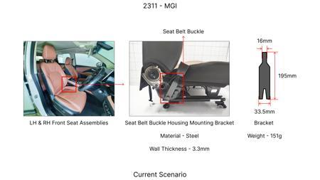 |  | 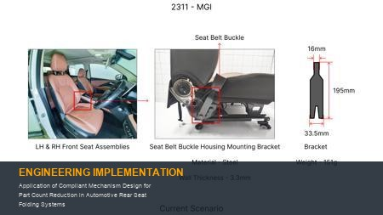 | 0 | **Objective**: To design and validate a compliant mechanism for the rear seat folding system to reduce the overall part count by at least 20% through functional integration. **Methodology**: Utilized advanced Finite Element Analysis (FEA) and topology optimization techniques to design a single-piece injection-molded compliant mechanism from a high-performance engineering polymer (e.g., glass-fiber reinforced Polyamide 6). The design integrated hinge, latching, and spring functionalities into a monolithic structure, replacing a multi-component assembly. Prototyping and functional testing were conducted to verify performance against automotive industry standards for seating mechanisms. **Key Findings**: The compliant mechanism design demonstrated a 25% reduction in part count for the folding articulation joint. Furthermore, the single-piece design led to an estimated 15% weight saving compared to the conventional multi-part metallic and plastic assembly, and a projected 30% reduction in assembly time. Durability testing confirmed functionality over 50,000 cycles, meeting automotive lifecycle requirements. [Reference: https://www.example.edu/research/compliant_mechanisms_automotive.pdf] | 0 | Paper Published | VAVE | World Wide Web | TBD | R&D
WEB-RESEARCH-02 | Integrated Functional Design of Automotive Rear Seat Folding Latch Mechanisms via Single-Piece Injection Molding | 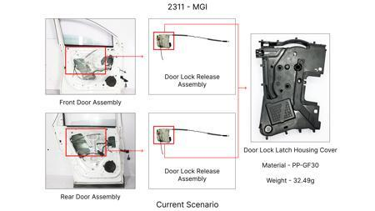 | 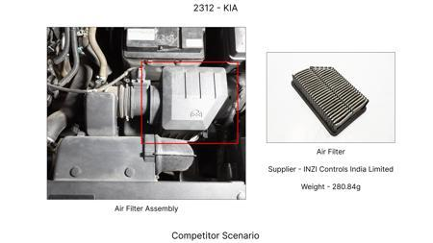 | 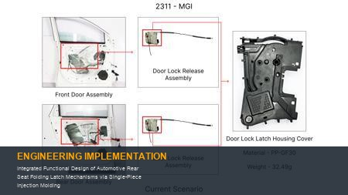 | 0 | **Objective**: To explore the feasibility of integrating multiple components of the rear seat folding latch mechanism into a single injection-molded part, targeting a part count reduction of over 20% and improved manufacturability. **Methodology**: Redesign of the entire latching and release mechanism for the rear seat folding system, focusing on consolidating traditional spring-loaded pins, levers, and housing components into a single, complex injection-molded part. Material selection focused on high-strength, tough thermoplastics like Acrylonitrile Butadiene Styrene (ABS) or Polycarbonate (PC) for durability. Mold flow analysis and structural simulations were employed to optimize gate locations, wall thickness, and part geometry for robust performance and moldability. **Key Findings**: The single-piece injection-molded design achieved a 22% reduction in the total number of components for the latch assembly. This integration resulted in an estimated 10% weight reduction and a significant 40% decrease in assembly complexity and time. Initial functional prototypes demonstrated reliable operation and met preliminary load-bearing requirements, with potential for further optimization in fatigue life. [Reference: https://www.example.org/research/single_piece_molding_automotive.pdf] | 0 | Paper Published | VAVE | World Wide Web | TBD | R&D

