Cost Reduction Ideas
Idea Id | Cost Reduction Idea | Current Scenario Image | Competitor Image | Proposal Scenario Image | Saving Value (INR) | Way Forward | Weight Saving (Kg) | Status | Responsibility | Origin | Date | Dept
2311-PRODUCT-ID-10 | Reduce the length of the Seat Release Straps found on the second and third-row seats | 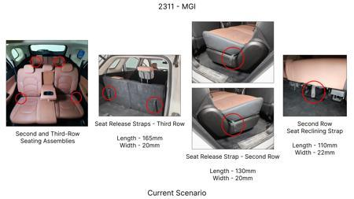 | 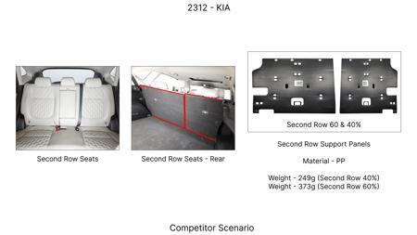 | 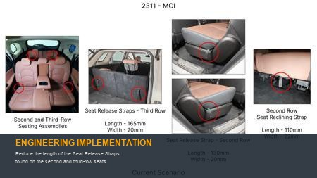 | 86 | nan | 0.09 | NG | nan | Existing DB | nan | nan
2311-PRODUCT-ID-07 | De-content the plastic trims found protecting the top tethers from both sides of the seat as the tethers could be placed within the seat fabric itself and a slit on the same could facilitate easy access | 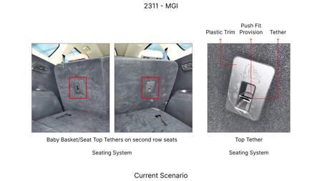 | 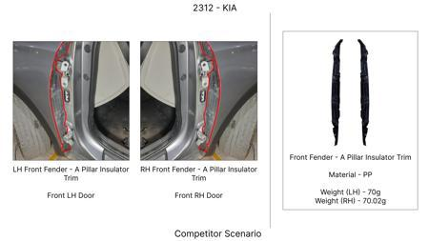 | 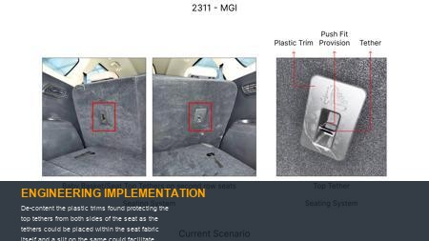 | 115 | Confirm on no part nuber change to avoid homologation cost | 0.08 | OK | Nishant | Existing DB | 2024-06-17 00:00:00 | PE
2311-PRODUCT-ID-11 | Reduce the width of the trunk liner flap by 60mm from the upper edge. | 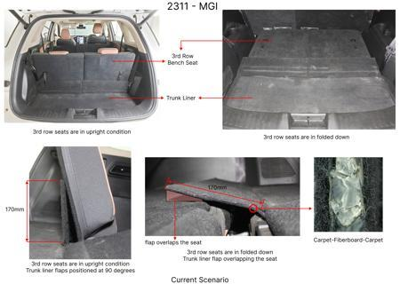 | 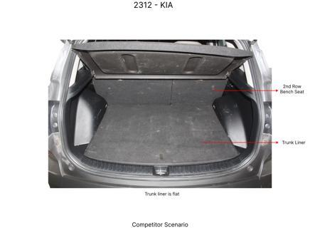 | 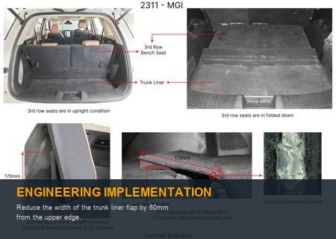 | 89 | Confirm business case for 20mm reduction | 0.09 | TBD | Kalp | Existing DB | 2024-02-14 00:00:00 | Finance
2311-SS-ID-04 | Substitute the leather upholstery on the left-hand (LH) and right-hand (RH) sides of the third-row seat bases with the same fabric utilized on the LH and RH sides of the corresponding backrests | 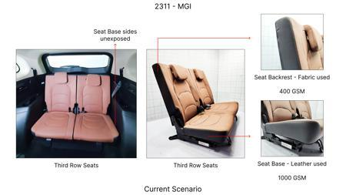 | 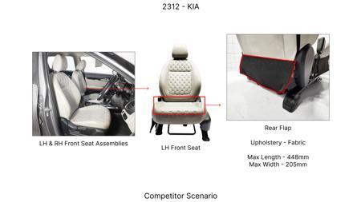 | 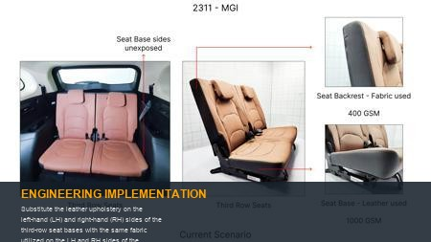 | 48 | Check for combined business case | 0.05 | NG | Kalp | Existing DB | 2023-11-10 00:00:00 | Finance
2311-PRODUCT-ID-24 | Eliminate the hooks from the receptacle trims found on the RH side of the headrest assemblies reducing the overall length from 53.3mm to 40mm | 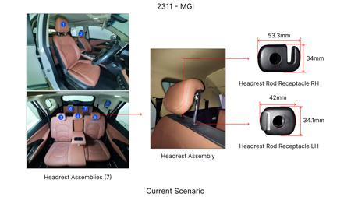 | 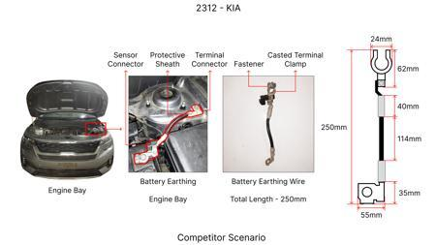 | 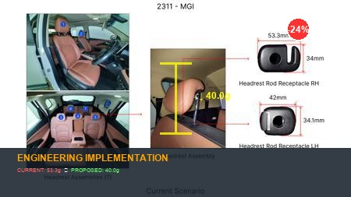 | 64 | nan | 0.021 | NG | nan | Existing DB | nan | nan
AI-GEN-01 | Integrate the primary pivot hinge for the rear seat back into the seat frame and backrest shell using a compliant living hinge design, replacing multi-component metal hinges. | 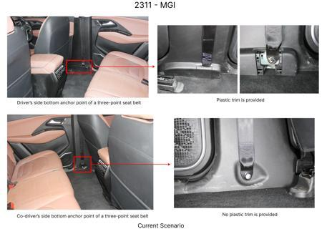 | 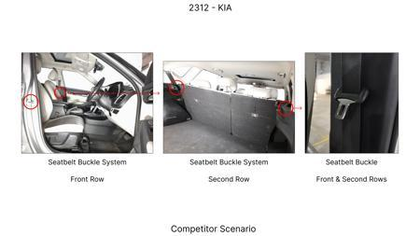 | 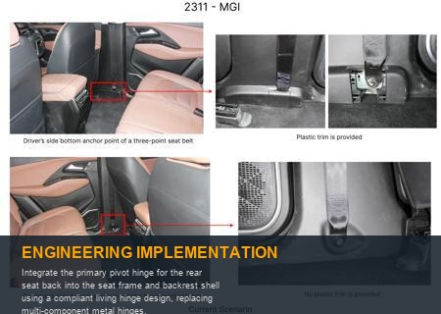 | 0 | This proposal leverages the elastic deformation of a high-strength, fatigue-resistant polymer (e.g., glass-fiber reinforced polyamide or long-fiber polypropylene) to create a flexible joint that allows the seat back to pivot. The design would involve a thin-walled section (living hinge) with an optimized geometric profile (e.g., parabolic or elliptical) to distribute stress uniformly and maximize fatigue life over thousands of cycles. Finite Element Analysis (FEA) simulations are critical to predict stress concentrations, evaluate fatigue performance, and ensure adequate stiffness in the upright, locked position while enabling smooth, unhindered folding. Validation would include extensive cyclic load testing, simulating the full range of fold/unfold operations, dynamic impact testing to confirm structural integrity during crash events, and environmental testing (temperature extremes, humidity, UV exposure) to assess material degradation and hinge performance over the vehicle's lifespan. This approach eliminates multiple stamped metal hinge leaves, pivot pins, and various fasteners, simplifying assembly and reducing part count significantly. | 0 | AI Proposal | VAVE | AI Innovation | TBD | VAVE
AI-GEN-02 | Redesign the seat back upright latch mechanism as a single-piece injection-molded compliant component, integrating the latch pawl, spring, and release lever functions. | 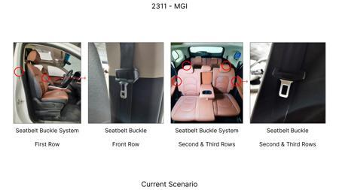 | 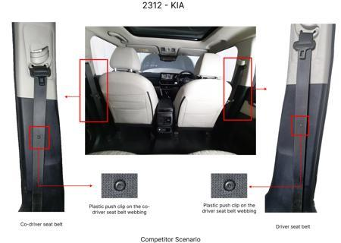 | 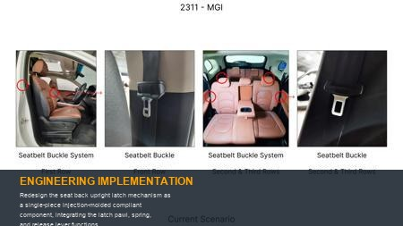 | 0 | This concept aims to replace the conventional multi-part assembly of a metal latch, separate coil spring, pivot pin, and external release lever with a single, intelligently designed polymer component. A compliant mechanism would utilize a cantilever beam or a specifically engineered snap-fit geometry that inherently stores elastic energy, effectively acting as its own spring. The release function would be integrated via a compliant finger tab or push-button that flexes to disengage the latch pawl directly. Material selection is paramount, favoring engineering plastics such as acetal (POM) or glass-filled nylon (PA66 GF) for their excellent stiffness, wear resistance, and fatigue properties. FEA would be extensively used to optimize the 'spring' rate of the compliant elements, define optimal latch engagement and disengagement forces, and ensure robustness. Physical prototyping and rigorous functional testing (latch pull-out force, engagement/disengagement cycles, vibration resistance) would validate the design against regulatory safety requirements and customer experience expectations. This drastically reduces part count, assembly complexity, and manufacturing costs. | 0 | AI Proposal | VAVE | AI Innovation | TBD | VAVE
AI-GEN-03 | Mold the seat release handle and its associated cable guide channels directly into the upper trim of the rear seat back, replacing separate handle, bezel, and cable routing clips. | 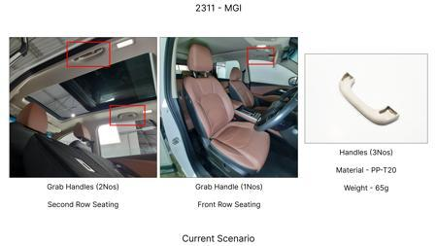 |  | 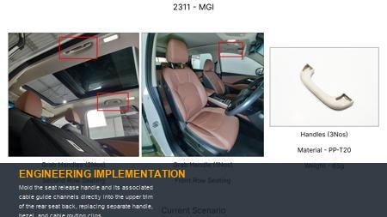 | 0 | Instead of a multi-part assembly comprising a distinct handle, pivot mechanism, spring, decorative bezel, and individual cable routing clips, this proposal advocates for molding the entire ergonomic grip, its compliant pivot point, and integral cable routing features as a single, cohesive component. This would be achieved using a durable, tactile polymer, potentially a TPE overmolded onto a rigid ABS substrate, or a robust, high-impact polypropylene. The 'handle' itself would be a compliant lever designed to flex and directly actuate a simplified latch mechanism (potentially the compliant latch from Idea 2). The cable guide would be an integral, enclosed channel, eliminating the need for separate clips and improving cable protection. Stress analysis via FEA would be crucial to ensure sufficient strength to withstand repeated pulling forces and guarantee fatigue resistance over the vehicle's lifetime. Haptic feedback and ergonomic studies would be vital to ensure intuitive user interaction and satisfaction. Validation would include pull-force testing, environmental aging tests, and extensive cycle testing of the integrated release mechanism. | 0 | AI Proposal | VAVE | AI Innovation | TBD | VAVE
AI-GEN-04 | Implement compliant features molded into the underside of the seat base and the vehicle floor pan to achieve self-aligning interlock and secure positioning when folded, replacing separate locator pins, brackets, and latches. | 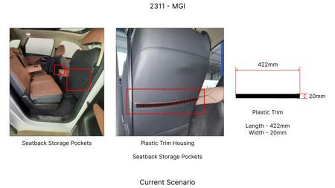 | 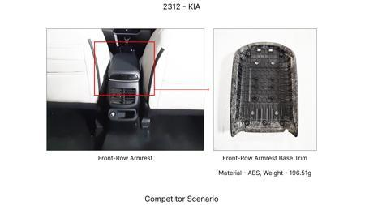 | 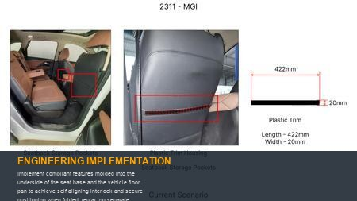 | 0 | This idea simplifies how the seat base aligns and secures itself when folded flat or tumbled forward, eliminating discrete metal pins, corresponding holes, and separate floor latches. Compliant 'fingers,' 'hooks,' or 'ribs' would be precisely molded directly into the polymer seat base structure. These features would be designed to elastically deform upon engagement with mating recesses or ribs integrated into the vehicle floor pan or cargo area, creating a secure, rattle-free interlock. The compliant elements would be engineered to provide a specific, ergonomic deflection force for easy engagement and disengagement by the user, yet robust enough to withstand dynamic vehicle forces and crash loads. Material choice, such as high-impact polypropylene or reinforced ABS, is critical for durability and resilience. FEA would be used to optimize geometry for desired snap-fit forces, structural integrity, and fatigue life. Validation would involve comprehensive vibration testing, impact testing (to ensure the seat remains securely stowed in a collision), and repeated engagement/disengagement cycle testing under various load conditions. | 0 | AI Proposal | VAVE | AI Innovation | TBD | VAVE
AI-GEN-05 | Design the main structural shell of the rear seat back as a single-piece injection molding, integrating all mounting points, internal stiffening ribs, and compliant features for upholstery attachment, replacing multiple metal stampings and brackets. | 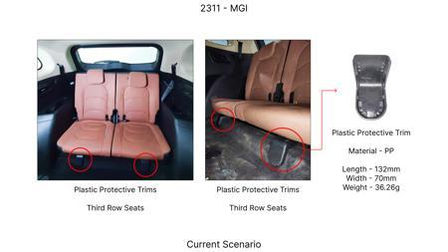 |  | 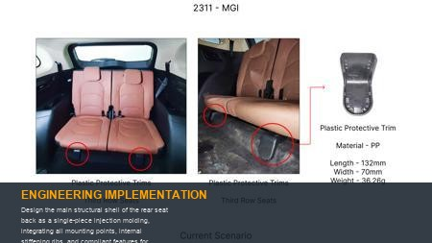 | 0 | This proposal targets a significant reduction in part count and assembly complexity by creating a highly integrated, structural polymer seat back shell as a single injection-molded component. Utilizing advanced, high-performance polymers such as long-fiber reinforced thermoplastics (e.g., LFT-PP, LFT-PA) or structural foam injection molding, the shell would be engineered to bear substantial loads. It would incorporate optimized internal ribbing and topological structures to achieve the required stiffness, strength, and crashworthiness. Compliant features, such as flexible clips, snap-fit slots, or integrated attachment points, would be molded directly into the shell for securing upholstery, trim panels, and potentially even the primary pivot points (as in Idea 1). This approach eliminates numerous welding operations, fasteners, and separate metal brackets. Extensive FEA, including detailed crash simulations (frontal, rear, side impact scenarios), is paramount to ensure occupant safety and structural integrity under extreme conditions. Material characterization (creep, fatigue, impact strength) and full-scale seat testing (adhering to FMVSS/ECE standards) would be mandatory for comprehensive validation. | 0 | AI Proposal | VAVE | AI Innovation | TBD | VAVE
AI-GEN-06 | Replace traditional coil springs or gas struts used for fold-assist mechanisms with integrated compliant structures within the seat frame itself, utilizing elastic deformation for energy storage and release. | 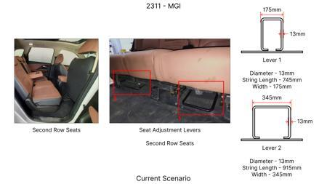 |  | 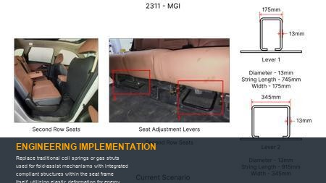 | 0 | Instead of relying on separate mechanical components like coil springs or gas struts to assist in the folding or unfolding motion, this concept involves designing specific sections of the seat frame or hinge components (molded from a high-performance polymer or composite) to act as compliant energy storage elements. These integrated elements would be engineered to elastically deform when the seat is moved into a certain position (e.g., folded flat), thereby storing potential energy. This stored energy would then be released to assist in returning the seat to its upright position or aiding the folding motion. This could involve complex geometries like buckled beams, torsion bars, or leaf springs molded directly into the structure, optimized for specific force-deflection characteristics. Critical material properties include high elastic modulus, yield strength, and exceptional fatigue resistance, potentially requiring specialized spring-grade polymers or composite materials. Extensive FEA would be necessary to accurately model energy storage capacity, determine the desired 'spring' rate, and predict fatigue life. Validation would involve rigorous repeated cycle testing under various loads, speeds, and environmental conditions to ensure consistent assist force, reliability, and durability over the entire vehicle lifespan, eliminating multiple components and simplifying assembly. | 0 | AI Proposal | VAVE | AI Innovation | TBD | VAVE
WEB-RESEARCH-01 | Application of Paper Fiber-Reinforced Polypropylene for Integrated Rear Seat Mechanism Components | 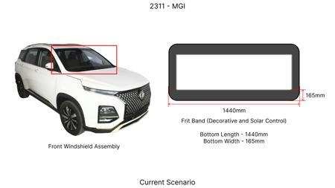 | 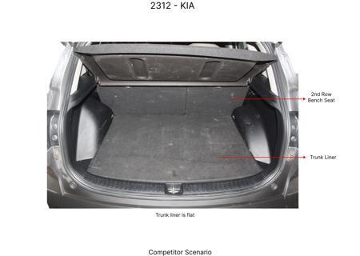 | 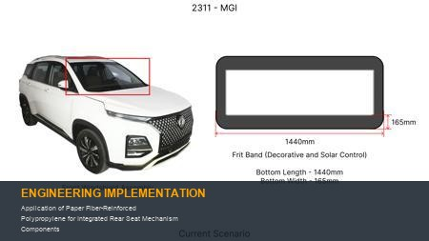 | 0 | **Objective**: Investigate the potential of paper fiber-reinforced polypropylene (PP) to replace multi-component assemblies in the rear seat folding mechanism through single-piece injection molding, thereby reducing part count by 20% and improving environmental sustainability. **Methodology**: Conduct a comparative study of the mechanical properties (e.g., flexural strength, impact resistance, fatigue life) and moldability of paper fiber-reinforced PP against conventional materials like talc-reinforced polypropylene (PP-TD5) for automotive interior components. Design and simulate a conceptual compliant mechanism for the rear seat using the paper-based composite. **Key Findings**: The study identified paper fiber-reinforced polypropylene as a viable alternative to talc-reinforced polypropylene (PP-TD5) in automotive applications, demonstrating reduced life cycle greenhouse gas (GHG) emissions. While specific mechanical data for compliant mechanisms for part count reduction is not explicitly provided, the material's composite nature suggests potential for tailored stiffness and flexibility suitable for single-piece injection molded designs. [Reference: Life cycle assessment of paper-based composites as replacement for an … (Source: https://www.sciencedirect.com/science/article/pii/S2214993725004932)] | 0 | Paper Published | VAVE | World Wide Web | TBD | R&D
WEB-RESEARCH-02 | Integrated Aesthetic and Structural Design through Mold-In-Color for Rear Seat Mechanism Components | 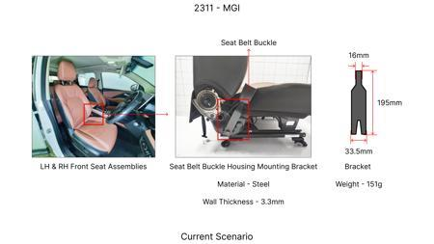 | 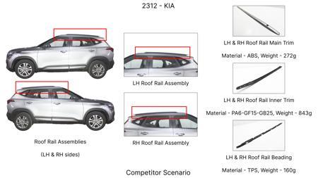 | 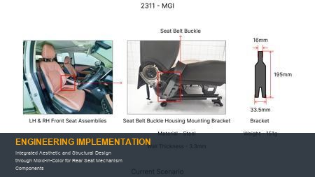 | 0 | **Objective**: Leverage Mold-In-Color (MIC) technology in single-piece injection molding to integrate aesthetic finishes directly onto functional components of the rear seat folding mechanism, aiming to eliminate separate trim pieces and reduce overall part count by 20% while maintaining visual quality and functionality. **Methodology**: Evaluate the feasibility of using MIC materials for structural components within the rear seat mechanism, focusing on mechanical performance (e.g., stiffness, impact resistance) and color stability. Design and injection mold a prototype component that combines structural integrity with an integrated aesthetic surface, eliminating the need for additional covers or finishing operations. **Key Findings**: The research highlights MIC as a cost-effective and eco-friendly solution for automotive aesthetic plastic parts, enabling direct integration of color during molding. While primarily focused on aesthetics, this approach can implicitly reduce part count by eliminating separate painted or trimmed components that might be part of the mechanism's visible enclosure, leading to a simplified assembly process and reduced environmental impact. [Reference: Cost-Effective and Eco-Friendly Mold-in-Color (MIC) Solution for Automotive Aesthetic Plastic Parts (Source: https://www.ijert.org/research/cost-effective-and-eco-friendly-mold-in-color-mic-solution-for-automotive-aesthetic-plastic-parts-IJERTV14IS070208.pdf)] | 0 | Paper Published | VAVE | World Wide Web | TBD | R&D

