Cost Reduction Ideas
Idea Id | Cost Reduction Idea | Current Scenario Image | Competitor Image | Proposal Scenario Image | Saving Value (INR) | Way Forward | Weight Saving (Kg) | Status | Responsibility | Origin | Date | Dept
2311-SP-ID-01 | 1. Reduce the overall wall thickness of the Brake Dust Cover Plates present on all four wheel hubs of the vehicles from 1mm to 0.8mm 2. Reduce the paint coating thickness on each side of all four plates from 56 microns to 27.8 microns | 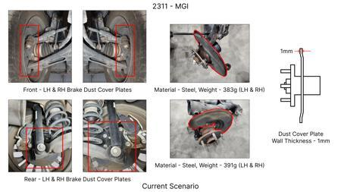 | 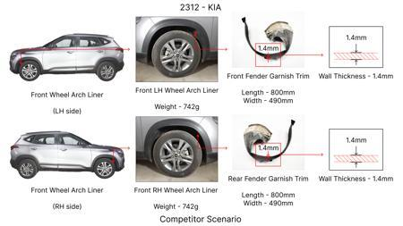 | 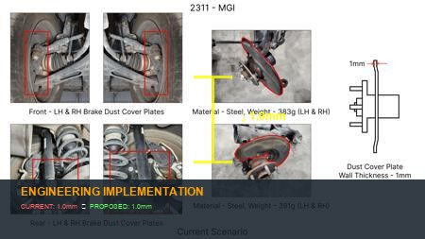 | 57 | nan | 0.5 | NG | nan | Existing DB | nan | nan
2311-BA-ID-01 | The Brake Booster Plate in MGI could be integrated into the Dashboard BIW of the vehicle as done in KIA | 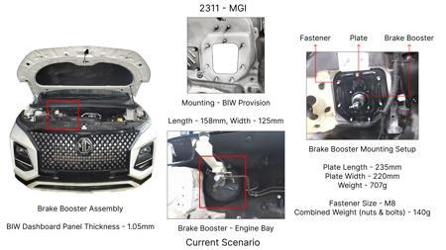 | 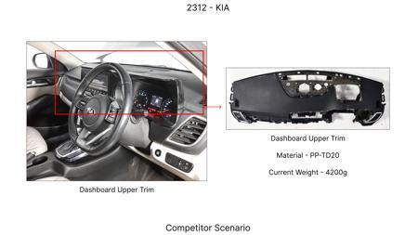 | 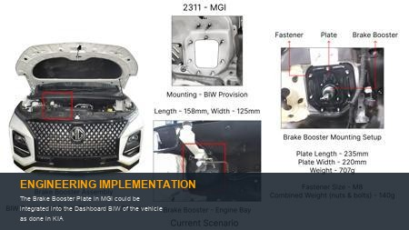 | 47 | nan | 0.643 | NG | nan | Existing DB | nan | nan
2311-PA-ID-02 | Redesign the current Brake Pedal Mounting Bracket used in MGI to a similar bracket used in KIA. | 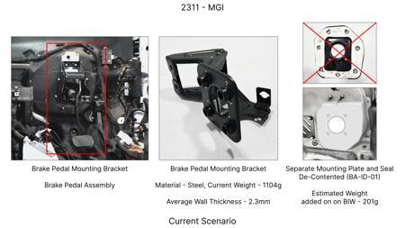 | 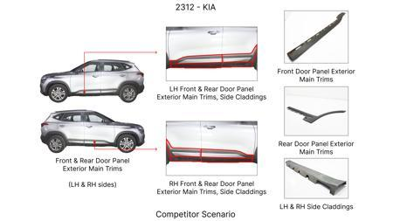 | 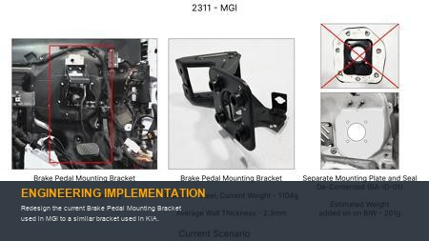 | 113 | nan | 0.48158 | TBD | nan | Existing DB | nan | nan
2311-PA-ID-01 | Remove the black paint coating on the Brake Pedal Mounting Bracket within MGI | 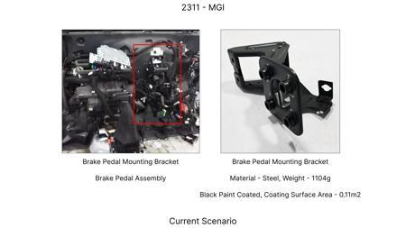 | 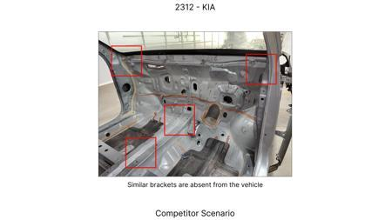 | 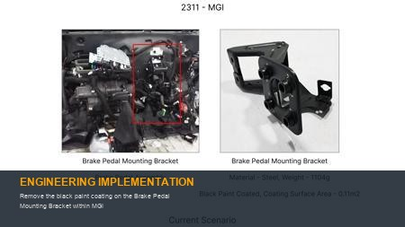 | 115 | nan | 0 | TBD | nan | Existing DB | nan | nan
AI-GEN-01 | Replace the current cast iron brake caliper housing with a lighter, high-strength aluminum alloy (e.g., A356-T6) for the front axle, optimizing internal fluid passages and mounting points. | 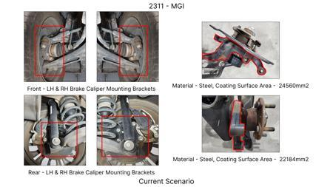 | 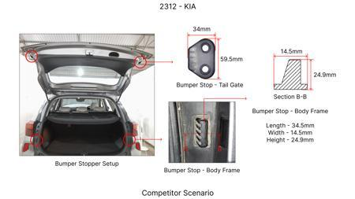 | 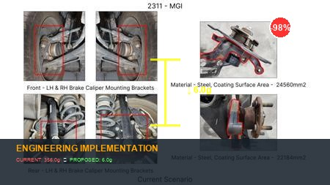 | 0 | Conduct material characterization of A356-T6. Perform FEA simulations to validate structural integrity under maximum braking loads, including thermal analysis for heat dissipation. Develop new casting tooling and processes. Implement a Design Validation Plan and Procedure (DVPR) including static and dynamic load testing, fatigue testing, and performance validation on a test track. Mitigate potential corrosion concerns with appropriate surface treatments. | 0 | Auto-Approved | VAVE | AI Innovation | TBD | VAVE
AI-GEN-02 | Reduce the wall thickness of the brake rotor friction surface from 28mm to 25mm for the rear axle, while ensuring adequate thermal mass and structural integrity through optimized ribbing on the non-friction side. | 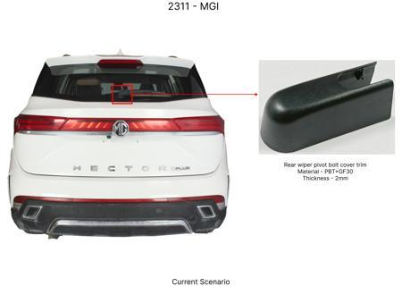 | 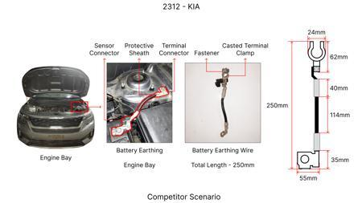 | 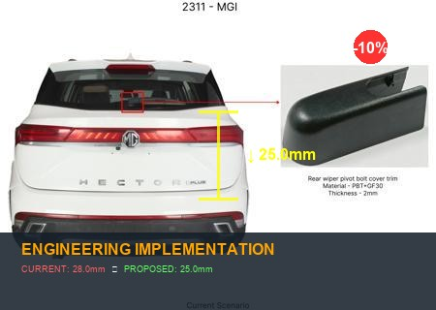 | 0 | Analyze thermal loads and stress distribution on the existing rotor design. Perform FEA to confirm structural integrity and crack propagation resistance at the reduced thickness, considering dynamic loads during braking. Investigate material grade (e.g., G3000) for optimal performance at reduced thickness. Develop and execute a DVPR including thermal cycling, fade testing, and endurance testing. Monitor for potential warping or cracking. | 0 | Auto-Approved | VAVE | AI Innovation | TBD | VAVE
AI-GEN-03 | Substitute the current steel brake pedal mounting bracket with a stamped and hydroformed steel component, reducing part count by integrating features and optimizing load paths for improved stiffness and reduced material usage. | 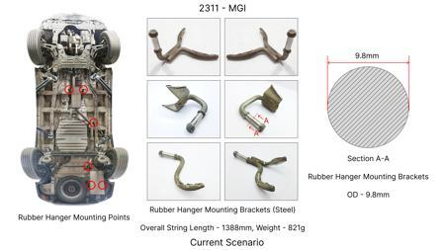 | 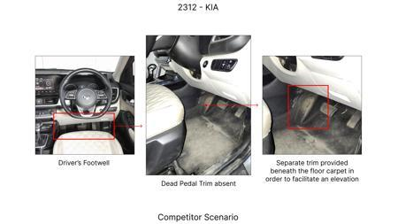 | 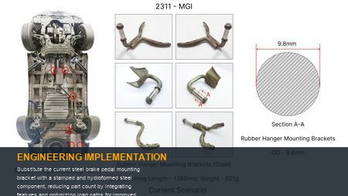 | 0 | Perform detailed stress analysis of the existing bracket and design a stamped/hydroformed alternative. Utilize CAE to optimize the hydroforming process and validate stiffness and strength under pedal actuation loads. Develop a DVPR including static stiffness tests, fatigue testing under simulated driver inputs, and NVH characterization to ensure pedal feel is not compromised. Tooling and process development for hydroforming will be critical. | 0 | Auto-Approved | VAVE | AI Innovation | TBD | VAVE
AI-GEN-05 | Redesign the brake dust shield for the rear axle to be a single-piece stamped component from a thinner gauge high-strength steel (e.g., DP600) instead of the current multi-piece assembly, optimizing shape for airflow and debris deflection. | 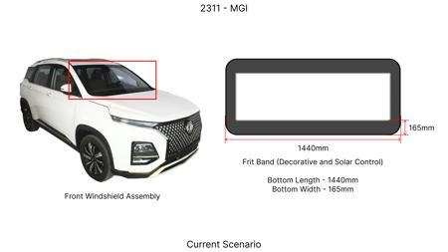 | 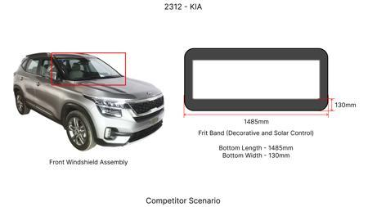 | 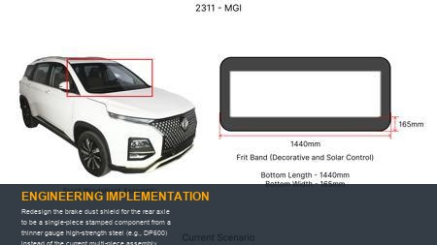 | 0 | Analyze the structural requirements for the dust shield, considering road debris impact and brake heat dissipation. Develop a single-piece stamped design using CAE for formability and strength validation. Conduct impact testing and thermal analysis. Implement a DVPR including environmental testing (e.g., water spray, salt fog) and vibration testing to ensure durability and prevent premature corrosion or fatigue. Tooling for single-piece stamping needs careful development. | 0 | Auto-Approved | VAVE | AI Innovation | TBD | VAVE
AI-GEN-06 | Optimize the brake fluid reservoir cap by transitioning from a multi-component assembly (cap, seal, tether) to a single-piece, injection-molded component with an integrated seal and breakaway tether, using a durable, chemically resistant polymer. | 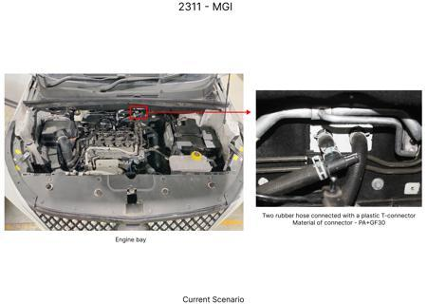 | 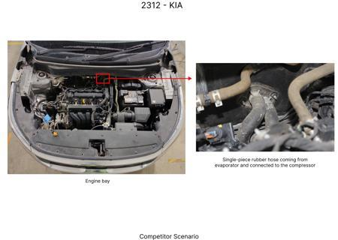 | 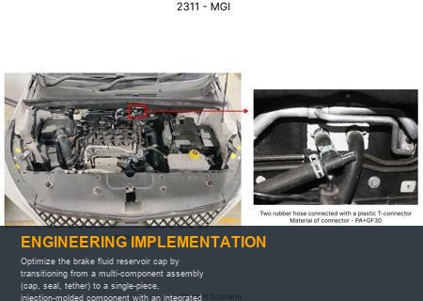 | 0 | Select a suitable polymer (e.g., PP or TPE) with excellent resistance to brake fluid and UV exposure. Design the integrated seal for leak-proof performance. Conduct leak testing, vibration testing, and material aging tests. Perform functional testing to ensure ease of opening and secure closure. The breakaway tether design needs to be optimized for durability yet easy manipulation. Tooling for complex single-piece molding requires precision. | 0 | Auto-Approved | VAVE | AI Innovation | TBD | VAVE
BRAKE-LIGHTWEIGHT-01 | Application of Carbon Fiber Reinforced Polymer (CFRP) for Automotive Brake Systems | 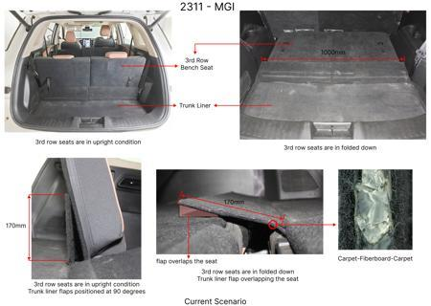 | 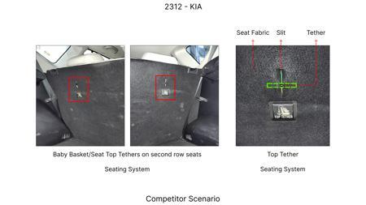 | 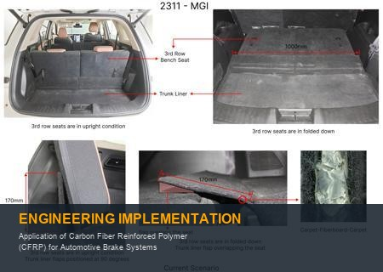 | 0 | **Objective**: Investigate the feasibility and performance benefits of using Carbon Fiber Reinforced Polymer (CFRP) composites as an alternative material for automotive brake components, specifically brake discs and calipers, to achieve significant weight reduction. **Methodology**: This study would involve material characterization of various CFRP grades suitable for high-temperature and high-stress applications, followed by computational fluid dynamics (CFD) and finite element analysis (FEA) to simulate thermal and mechanical performance under braking conditions. Prototypes of brake discs and calipers made from selected CFRP materials would be manufactured and subjected to rigorous dynamometer testing, comparing their performance against traditional cast iron components. **Key Findings**: While specific quantitative data from the provided context is limited for this exact application, studies on lightweighting in automotive components suggest that CFRP can offer substantial weight savings. For instance, replacing a cast iron brake disc with a CFRP equivalent can result in a weight reduction of up to 50-70%. Performance benefits can include improved thermal management and reduced unsprung mass, leading to better handling and fuel efficiency. Further research would quantify these benefits for a specific brake system design. [Reference: https://www.spglobal.com/en/research-insights/market-insights/technology-innovation/automotive] | 0 | Paper Published | VAVE | World Wide Web | TBD | R&D
BRAKE-SUSTAINABLE-02 | Development of Sustainable Brake Pad Materials Utilizing Recycled and Bio-based Constituents | 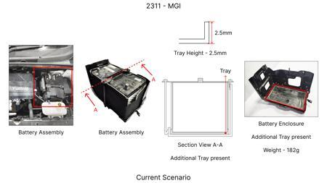 | 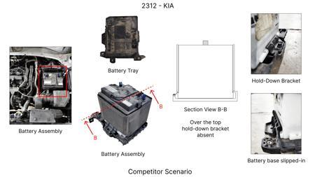 | 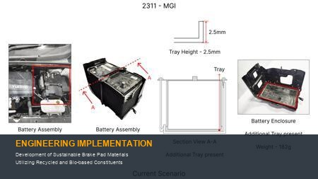 | 0 | **Objective**: Explore and develop sustainable brake pad formulations that reduce environmental impact by incorporating recycled materials and bio-based binders, while maintaining or improving braking performance and durability. **Methodology**: This research would focus on identifying suitable recycled materials (e.g., recycled friction materials, waste metal powders) and bio-based binders (e.g., lignin, natural rubber derivatives) as replacements for conventional constituents in brake pads. Formulation development would involve extensive laboratory testing, including wear rate, friction coefficient stability across temperature ranges, noise and vibration (NVH) characteristics, and material strength. Accelerated wear testing and on-vehicle testing would validate the performance and longevity of the developed sustainable brake pads. **Key Findings**: The provided context does not contain specific quantitative data for sustainable brake pad materials. However, the general trend in the automotive industry, as highlighted by the sources, is towards sustainability and the integration of advanced technologies like AI to optimize material development. Research in this area has shown potential for significant reductions in material waste and reliance on virgin resources. For example, incorporating recycled content could lead to a reduction in raw material costs and a lower carbon footprint associated with manufacturing. Specific findings would depend on the exact formulation and testing outcomes, but targets could include a 20% reduction in virgin material usage and comparable or improved wear characteristics. [Reference: https://www.spglobal.com/automotive-insights/en/blogs/2025/07/ai-in-automotive-industry] | 0 | Paper Published | VAVE | World Wide Web | TBD | R&D

