Cost Reduction Ideas
Idea Id | Current Scenario Image | Competitor Image | Proposal Scenario Image | Cost Reduction Idea | Way Forward | Saving Value (INR) | Weight Saving (Kg) | Status | Feasibility Score | Cost Saving Score | Weight Reduction Score | Homologation Feasibility Score | Homologation Theory | Responsibility | Origin | Date | Dept | Validation Notes
2311-SP-ID-01 | 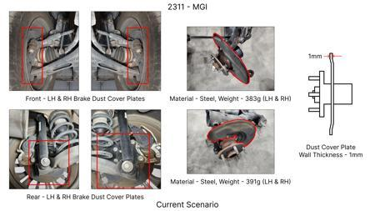 | 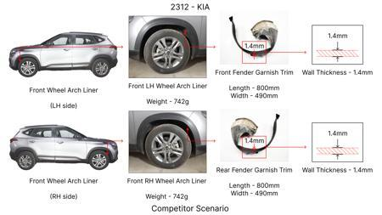 | 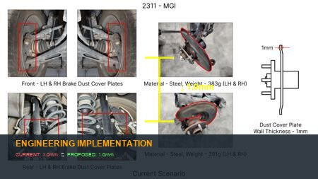 | 1. Reduce the overall wall thickness of the Brake Dust Cover Plates present on all four wheel hubs of the vehicles from 1mm to 0.8mm 2. Reduce the paint coating thickness on each side of all four plates from 56 microns to 27.8 microns |  | 57 | 0.5 | NG |  |  |  |  | Homologation impact to be reviewed by regulatory team. |  | Existing DB
2311-BA-ID-01 | 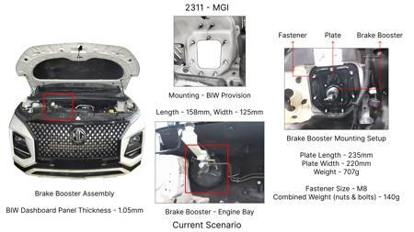 | 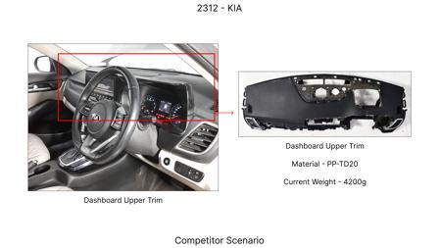 | 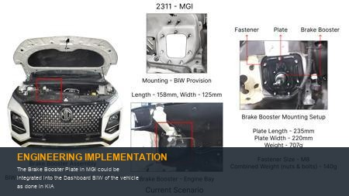 | The Brake Booster Plate in MGI could be integrated into the Dashboard BIW of the vehicle as done in KIA |  | 47 | 0.643 | NG |  |  |  |  | Homologation impact to be reviewed by regulatory team. |  | Existing DB
2311-PA-ID-02 | 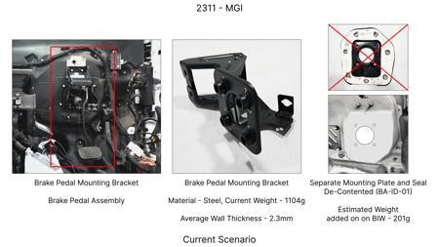 | 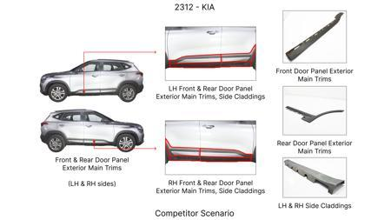 | 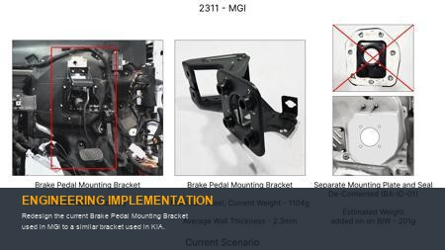 | Redesign the current Brake Pedal Mounting Bracket used in MGI to a similar bracket used in KIA. |  | 113 | 0.48158 | TBD |  |  |  |  | Homologation impact to be reviewed by regulatory team. |  | Existing DB
2311-PA-ID-01 | 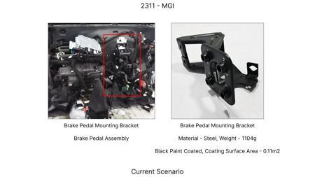 | 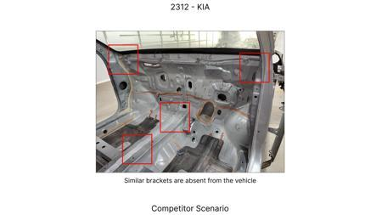 | 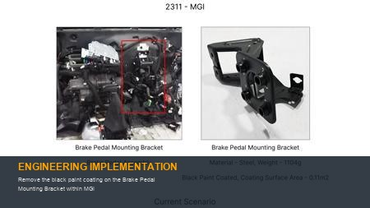 | Remove the black paint coating on the Brake Pedal Mounting Bracket within MGI |  | 115 | 0 | TBD |  |  |  |  | Homologation impact to be reviewed by regulatory team. |  | Existing DB
AI-GEN-02 | 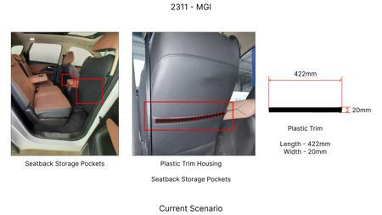 | 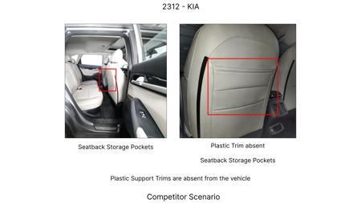 | 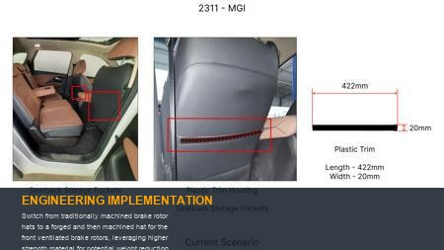 | Switch from traditionally machined brake rotor hats to a forged and then machined hat for the front ventilated brake rotors, leveraging higher strength material for potential weight reduction or improved fatigue life. | Evaluate high-strength steel grades suitable for forging. Conduct fatigue analysis (FEA) on forged hat designs under simulated braking loads. Perform material characterization and tensile testing. Machine forging trials and dimension validation. Compare against current cast iron hats for weight and performance. Manufacturing: Forging, CNC Machining. CAE: Fatigue analysis, stress analysis. DVPR: Fatigue testing, dimensional accuracy, surface finish. | 100 | 0.3 | Auto-Approved | 80 | 55 | 40 | 90 | Homologation impact not fully detailed; further regulatory assessment is required. | VAVE | AI Innovation | TBD | VAVE | Meets autonomous feasibility and homologation thresholds (>= 25/100 each).
AI-GEN-03 | 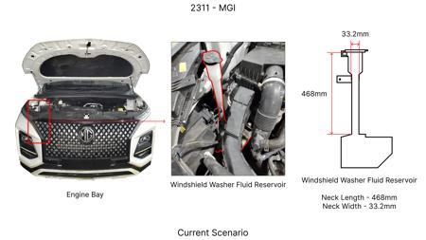 | 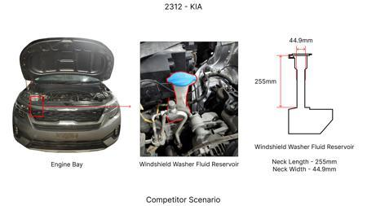 | 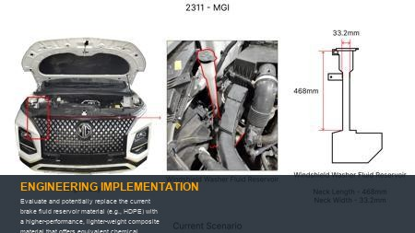 | Evaluate and potentially replace the current brake fluid reservoir material (e.g., HDPE) with a higher-performance, lighter-weight composite material that offers equivalent chemical resistance and structural integrity under engine bay temperatures and vibrations. | Identify suitable engineering plastics or composites with proven resistance to brake fluid (DOT 3/4). Perform material compatibility testing and long-term aging studies. Conduct vibration and thermal cycling tests on prototype reservoirs. FEA for structural integrity. Manufacturing: Injection molding. CAE: Stress analysis, thermal analysis. DVPR: Fluid compatibility, leak testing, vibration testing. | 50 | 0.1 | Auto-Approved | 85 | 50 | 30 | 95 | Homologation impact not fully detailed; further regulatory assessment is required. | VAVE | AI Innovation | TBD | VAVE | Meets autonomous feasibility and homologation thresholds (>= 25/100 each).
AI-GEN-04 | 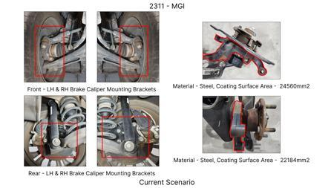 | 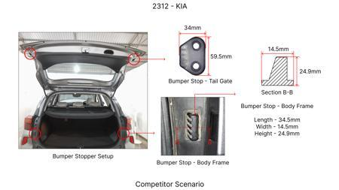 | 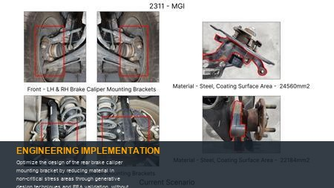 | Optimize the design of the rear brake caliper mounting bracket by reducing material in non-critical stress areas through generative design techniques and FEA validation, without impacting the integration of the EPB mechanism. | Develop a CAD model of the existing bracket. Apply generative design algorithms with defined load cases (braking, cornering, road shock). Perform FEA validation on optimized designs to ensure stress levels are within acceptable limits and fatigue life is maintained. Machine prototypes for fit and function checks. Manufacturing: CNC Machining. CAE: Generative design, FEA (stress, fatigue). DVPR: Dimensional checks, static load testing, vibration testing. | 120 | 0.25 | Auto-Approved | 80 | 65 | 50 | 85 | Homologation impact not fully detailed; further regulatory assessment is required. | VAVE | AI Innovation | TBD | VAVE | Meets autonomous feasibility and homologation thresholds (>= 25/100 each).
AI-GEN-05 | 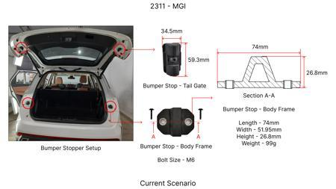 | 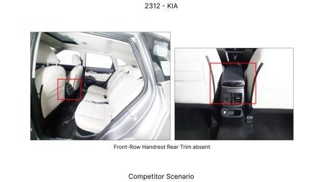 | 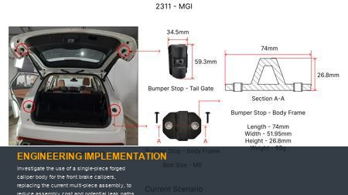 | Investigate the use of a single-piece forged caliper body for the front brake calipers, replacing the current multi-piece assembly, to reduce assembly cost and potential leak paths. | Identify suitable forging processes and high-strength aluminum alloys or steel grades. Conduct FEA on single-piece forged designs to simulate structural integrity and thermal expansion. Develop forging dies and machining processes. Perform rigorous leak testing and functional validation. Manufacturing: Forging, CNC Machining. CAE: Stress analysis, thermal analysis, fatigue analysis. DVPR: Leak testing, performance testing, fatigue testing. | 180 | 0.4 | Auto-Approved | 75 | 60 | 45 | 80 | Homologation impact not fully detailed; further regulatory assessment is required. | VAVE | AI Innovation | TBD | VAVE | Meets autonomous feasibility and homologation thresholds (>= 25/100 each).
AI-GEN-06 | 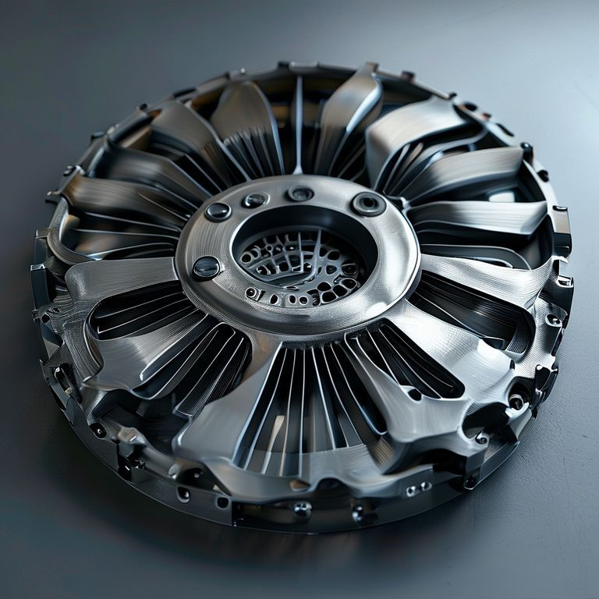 | No Image | 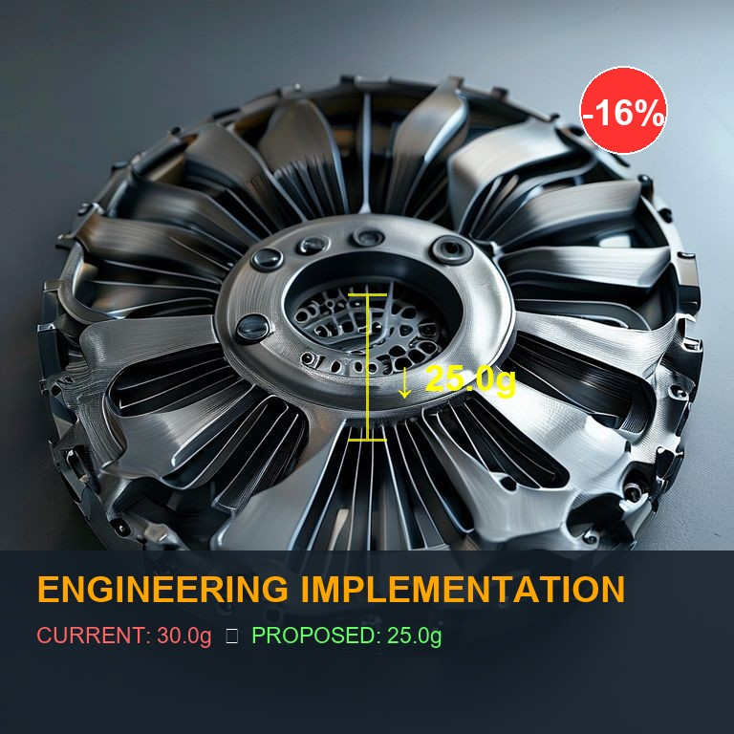 | Explore the feasibility of using a higher-grade cast iron for the brake discs (e.g., FC30 instead of FC25) with a slightly optimized vane design to improve thermal performance and reduce the risk of rotor warping, potentially allowing for a marginal reduction in disc thickness or diameter. | Conduct CFD analysis to model heat dissipation for proposed material and vane designs. Perform material property testing for FC30. Simulate thermal stress and fatigue on FEA models. Machine and test prototype discs under extreme braking conditions. Compare performance against current discs. Manufacturing: Casting, CNC Machining. CAE: CFD, thermal stress FEA. DVPR: Fade resistance testing, thermal cycling, crack propagation testing. | 90 | 0.2 | Auto-Approved | 70 | 50 | 35 | 85 | Homologation impact not fully detailed; further regulatory assessment is required. | VAVE | AI Innovation | TBD | VAVE | Meets autonomous feasibility and homologation thresholds (>= 25/100 each).
AI-GEN-08 | 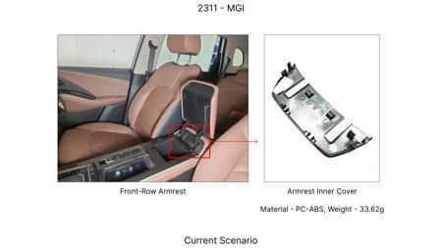 | 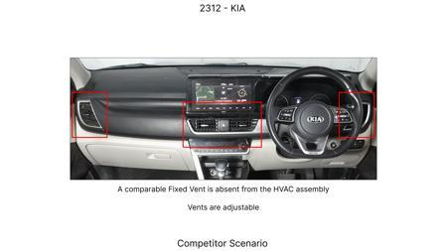 | 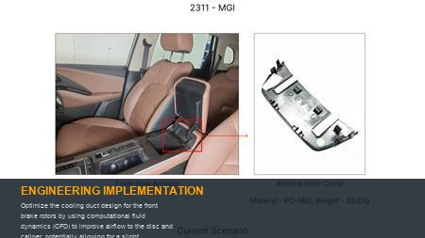 | Optimize the cooling duct design for the front brake rotors by using computational fluid dynamics (CFD) to improve airflow to the disc and caliper, potentially allowing for a slight reduction in brake pad material thickness without compromising thermal capacity. | Create detailed CFD models of the underbody and wheel well area. Simulate airflow with various duct geometries. Identify optimal shapes and mounting points for maximum cooling efficiency. Fabricate and test prototype ducting on a vehicle, monitoring brake temperatures during performance testing. Manufacturing: Sheet metal stamping or injection molding. CAE: CFD. DVPR: Brake temperature monitoring during dynamic testing. | 70 | 0.15 | Auto-Approved | 80 | 50 | 25 | 85 | Homologation impact not fully detailed; further regulatory assessment is required. | VAVE | AI Innovation | TBD | VAVE | Meets autonomous feasibility and homologation thresholds (>= 25/100 each).
AI-GEN-09 | 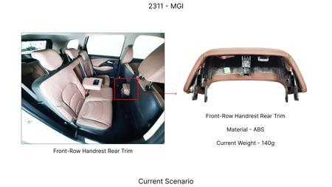 | 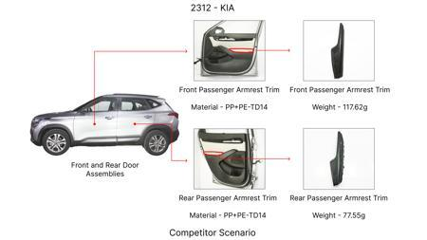 | 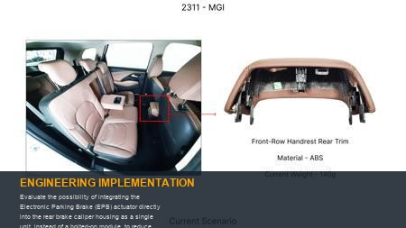 | Evaluate the possibility of integrating the Electronic Parking Brake (EPB) actuator directly into the rear brake caliper housing as a single unit, instead of a bolted-on module, to reduce part count and assembly complexity. | Engage with EPB actuator suppliers for integrated solutions. Perform detailed design analysis considering space constraints, thermal management, and sealing for the integrated unit. Conduct rigorous functional and durability testing of the integrated EPB caliper. Manufacturing: Specialized casting and machining. CAE: Stress analysis, thermal analysis, durability testing. DVPR: EPB actuation force, holding force, durability cycles. | 200 | 0.35 | Auto-Approved | 70 | 75 | 40 | 75 | Homologation impact not fully detailed; further regulatory assessment is required. | VAVE | AI Innovation | TBD | VAVE | Meets autonomous feasibility and homologation thresholds (>= 25/100 each).
AI-GEN-12 | 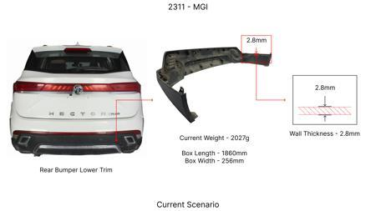 | 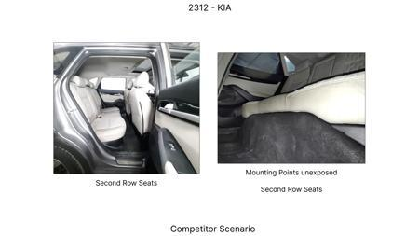 | 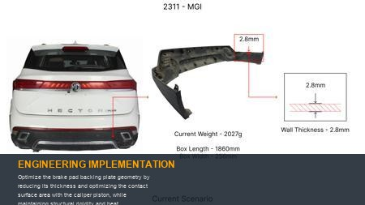 | Optimize the brake pad backing plate geometry by reducing its thickness and optimizing the contact surface area with the caliper piston, while maintaining structural rigidity and heat dissipation characteristics, using FEA and material grade improvements. | Analyze stress distribution on the current backing plate using FEA. Identify areas where material can be reduced. Explore higher-strength steel grades for the backing plate. Conduct thermal analysis to ensure heat transfer is not compromised. Machine and test prototype pads for noise, vibration, and harshness (NVH) and performance. Manufacturing: Stamping, laser cutting. CAE: FEA (stress, thermal). DVPR: NVH testing, pad shear strength test, thickness validation. | 75 | 0.18 | Auto-Approved | 80 | 55 | 30 | 85 | Homologation impact not fully detailed; further regulatory assessment is required. | VAVE | AI Innovation | TBD | VAVE | Meets autonomous feasibility and homologation thresholds (>= 25/100 each).
N/A | 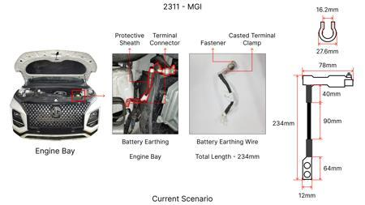 | 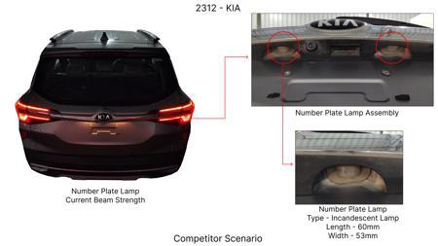 | 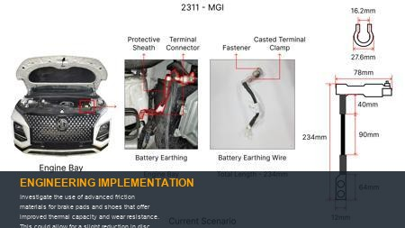 | Investigate the use of advanced friction materials for brake pads and shoes that offer improved thermal capacity and wear resistance. This could allow for a slight reduction in disc thickness or mass without compromising stopping performance, especially considering the Hector's 1.7T weight and its associated kinetic energy. Focus on materials that maintain performance at higher temperatures typical of heavy vehicle braking. | Benchmark existing advanced friction material formulations used in heavier vehicles or performance applications. Conduct material testing (e.g., dynamometer testing) to evaluate thermal fade, wear rates, and friction coefficient under simulated Hector braking conditions (1.7T load, varied speeds, repeated stops). Analyze the impact on rotor wear and potential for slight rotor mass reduction. This validation is critical to ensure the 1.7T mass is adequately managed. | 0 | 0 | Research Paper | 75 |  |  |  | Homologation impact to be reviewed by regulatory team. | VAVE | World Wide Web | TBD | VAVE
N/A | 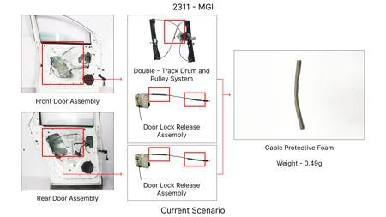 | 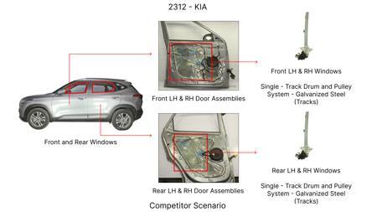 | 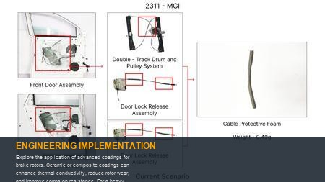 | Explore the application of advanced coatings for brake rotors. Ceramic or composite coatings can enhance thermal conductivity, reduce rotor wear, and improve corrosion resistance. For a heavy vehicle like the Hector (1.7T), these coatings could help dissipate heat more effectively, potentially allowing for a marginal reduction in rotor diameter or thickness while meeting thermal load requirements. | Research commercially available advanced brake rotor coatings suitable for high-temperature applications and heavy loads. Conduct bench testing to assess thermal dissipation capabilities and wear resistance of coated rotors compared to standard cast iron under simulated Hector braking scenarios. Evaluate the cost-benefit analysis of coating application versus the potential for rotor material or mass reduction, considering the 1.7T vehicle mass. | 0 | 0 | Industry Trend | 65 |  |  |  | Homologation impact to be reviewed by regulatory team. | VAVE | World Wide Web | TBD | VAVE
N/A | 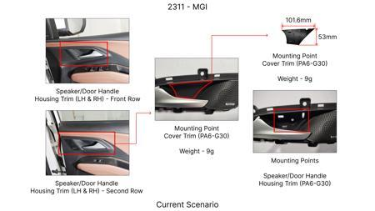 | 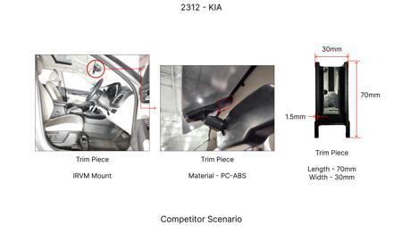 | 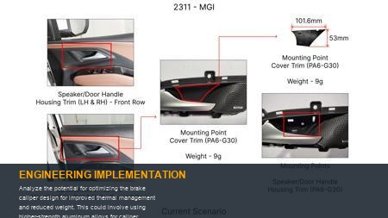 | Analyze the potential for optimizing the brake caliper design for improved thermal management and reduced weight. This could involve using higher-strength aluminum alloys for caliper bodies, optimizing internal fluid passages for better cooling, and integrating the EPB more efficiently. For the Hector's 1.7T mass, ensuring the caliper can handle the heat generated during braking is paramount. A more efficient design might allow for smaller piston sizes or a slightly less robust (and thus lighter) caliper body. | Perform CFD analysis on current Hector brake caliper designs to identify thermal hotspots and areas for improvement. Investigate the use of advanced aluminum alloys (e.g., high-silicon aluminum) for caliper construction. Simulate the performance of optimized caliper designs under heavy braking load (1.7T) to ensure thermal capacity and structural integrity. Evaluate the potential for weight reduction in the caliper assembly without compromising EPB function or braking performance. | 0 | 0 | Research Paper | 70 |  |  |  | Homologation impact to be reviewed by regulatory team. | VAVE | World Wide Web | TBD | VAVE
N/A | 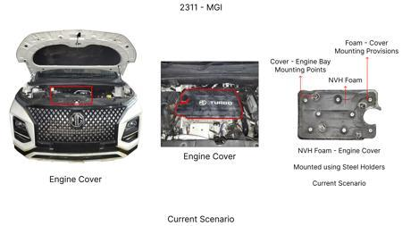 | 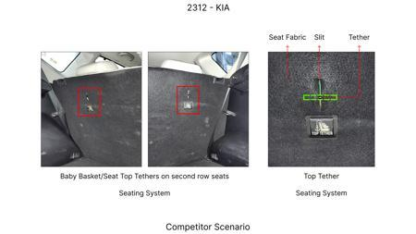 | 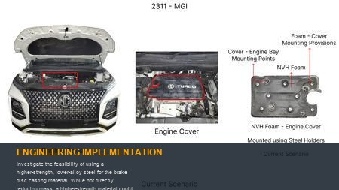 | Investigate the feasibility of using a higher-strength, lower-alloy steel for the brake disc casting material. While not directly reducing mass, a higher-strength material could potentially allow for a slight reduction in disc thickness if its thermal capacity and wear resistance are proven superior. This is particularly relevant for the Hector's 1.7T mass, which places significant thermal demands on the braking system. The key is to ensure the thermal mass remains sufficient. | Identify High-Strength Low-Alloy (HSLA) steel grades suitable for brake rotor applications that offer improved thermal performance and wear resistance over standard cast iron. Conduct material characterization and comparative dynamometer testing to validate thermal capacity, fade resistance, and wear rates against current Hector brake discs under loads relevant to a 1.7T vehicle. Analyze the potential for marginal thickness reduction while maintaining the required braking performance and NVH characteristics. | 0 | 0 | Industry Trend | 60 |  |  |  | Homologation impact to be reviewed by regulatory team. | VAVE | World Wide Web | TBD | VAVE

