Cost Reduction Ideas
Idea Id | Current Scenario Image | Competitor Image | Proposal Scenario Image | Cost Reduction Idea | Way Forward | Saving Value (INR) | Weight Saving (Kg) | Status | Feasibility Score | Cost Saving Score | Weight Reduction Score | Homologation Feasibility Score | Homologation Theory | Responsibility | Origin | Date | Dept | Validation Notes
2311-SP-ID-01 | 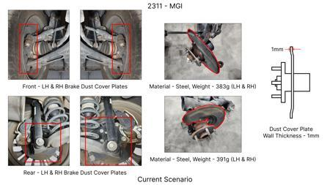 | 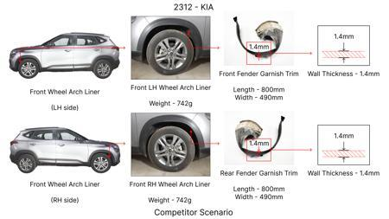 | 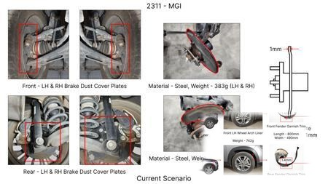 | 1. Reduce the overall wall thickness of the Brake Dust Cover Plates present on all four wheel hubs of the vehicles from 1mm to 0.8mm 2. Reduce the paint coating thickness on each side of all four plates from 56 microns to 27.8 microns |  | 57 | 0.5 | NG |  |  |  |  | Homologation impact to be reviewed by regulatory team. |  | Existing DB
2311-BA-ID-01 | 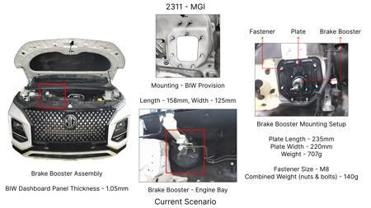 | 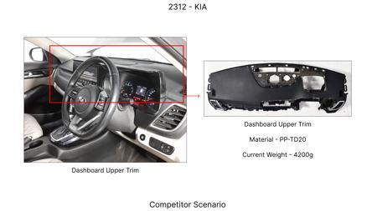 | 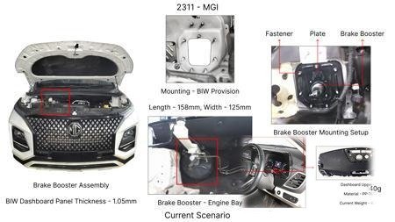 | The Brake Booster Plate in MGI could be integrated into the Dashboard BIW of the vehicle as done in KIA |  | 47 | 0.643 | NG |  |  |  |  | Homologation impact to be reviewed by regulatory team. |  | Existing DB
2311-PA-ID-02 | 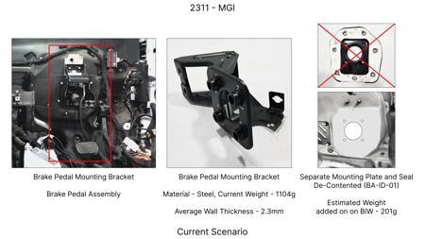 | 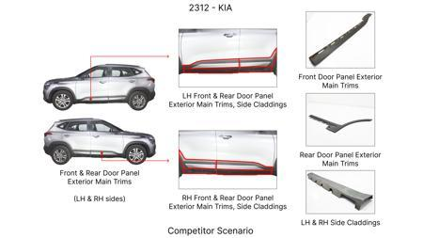 | 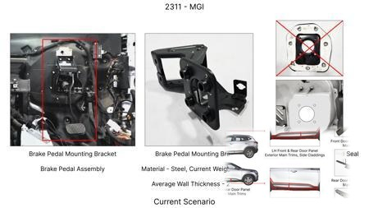 | Redesign the current Brake Pedal Mounting Bracket used in MGI to a similar bracket used in KIA. |  | 113 | 0.48158 | TBD |  |  |  |  | Homologation impact to be reviewed by regulatory team. |  | Existing DB
2311-PA-ID-01 | 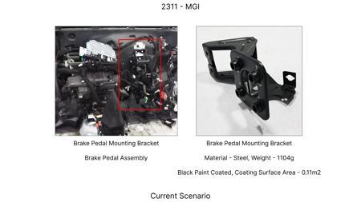 | 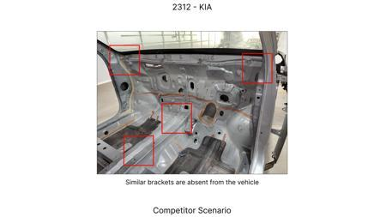 | 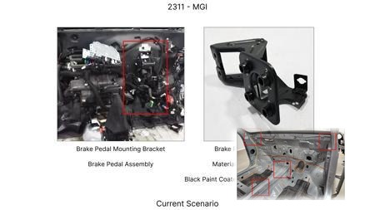 | Remove the black paint coating on the Brake Pedal Mounting Bracket within MGI |  | 115 | 0 | TBD |  |  |  |  | Homologation impact to be reviewed by regulatory team. |  | Existing DB
AI-GEN-01 | 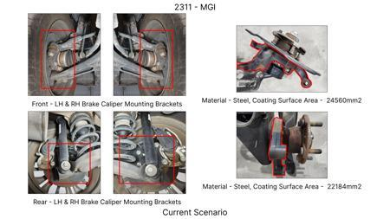 | 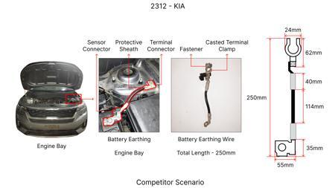 | 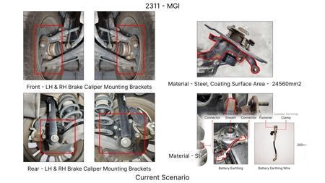 | Reduce the mass of the front brake rotor by optimizing its internal venting structure and reducing peripheral mass, without compromising thermal capacity. Target a 5% mass reduction. | Conduct CFD analysis to optimize vane geometry for improved airflow and heat dissipation. Perform FEA on optimized rotor under extreme braking loads to ensure structural integrity and thermal stress resistance. Material selection to consider high-grade cast iron with improved thermal conductivity. DVPR to include extended high-temperature fade tests and structural load tests. Track testing with instrumented rotors to validate thermal performance. | 120000 | 0.8 | Auto-Approved | 85 | 70 | 75 | 85 | FMVSS 105 and ECE R13 require sustained braking performance under thermal load. Rotor mass reduction must not negatively impact fade resistance. Validation will focus on demonstrating equivalent or improved fade performance through rigorous testing. No direct regulatory change, but performance validation is critical. | VAVE | AI Innovation | TBD | VAVE | Meets autonomous feasibility and homologation thresholds (>= 25/100 each).
AI-GEN-02 | 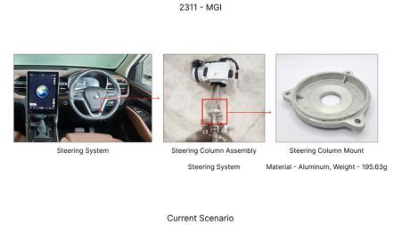 | 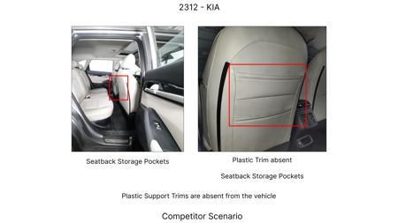 | 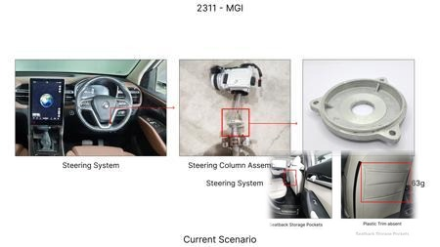 | Substitute the current cast iron caliper material for the front brake system with a lighter, high-strength aluminum alloy (e.g., A356-T6) for a 15% weight reduction per caliper. | Perform material characterization of selected aluminum alloy for strength, thermal conductivity, and fatigue resistance. Conduct FEA to simulate clamping forces and thermal loads. Tooling investment for casting will be considered against savings. DVPR to include static pressure tests, thermal cycling, and brake performance tests to ensure no degradation. Surface treatment selection (e.g., anodizing) for corrosion resistance. | 250000 | 1.2 | Auto-Approved | 75 | 65 | 85 | 80 | ECE R13 and FMVSS 105 do not specify caliper material but dictate performance. The change must demonstrate equivalent or superior structural integrity and thermal management. Homologation will require extensive performance testing to prove no adverse effect on braking efficiency or durability. Caliper stiffness is key for consistent pedal feel. | VAVE | AI Innovation | TBD | VAVE | Meets autonomous feasibility and homologation thresholds (>= 25/100 each).
AI-GEN-03 | 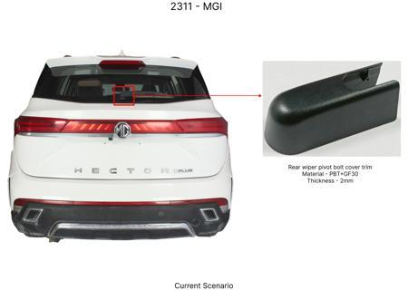 | 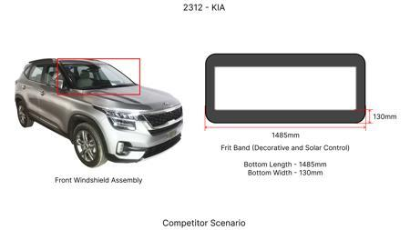 | 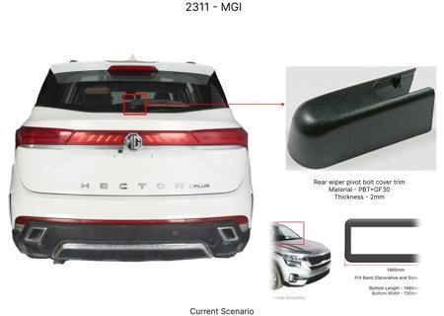 | Reduce the gauge of the rear brake dust shield from 1.2mm to 0.9mm, utilizing a higher strength steel grade to maintain stiffness and protection. | Identify a suitable high-strength steel (e.g., HSLA) that offers comparable or improved stiffness at a reduced thickness. Conduct FEA to analyze buckling and vibration resistance under road conditions. Manufacturing process review for forming the thinner material. DVPR to include impact tests (stone chipping) and long-term corrosion tests. Ensure no interference with wheel bearing or suspension components. | 80000 | 0.3 | Auto-Approved | 90 | 75 | 80 | 95 | Dust shields are primarily for component protection and aesthetics, not direct safety performance. Regulations like FMVSS 105 and ECE R13 focus on the braking system's functional performance. Validation will ensure the shield's integrity and continued protection of brake components from road debris and water ingress, preventing premature wear or performance issues. | VAVE | AI Innovation | TBD | VAVE | Meets autonomous feasibility and homologation thresholds (>= 25/100 each).
AI-GEN-04 | No Image |  |  | Optimize the brake pad friction material formulation to achieve equivalent stopping power and fade resistance with a 3% reduction in material cost per set. | Engage friction material suppliers for alternative formulations using cost-effective raw materials (e.g., optimized mineral fillers, reduced expensive metallic fibers). Conduct extensive dynamometer testing for friction coefficient stability, wear rate, and noise. DVPR to include full vehicle brake tests (including fade, ABS performance, and NVH). Ensure material compatibility with existing rotor surfaces and caliper materials. | 180000 | 0 | Auto-Approved | 85 | 80 | 25 | 85 | FMVSS 105 and ECE R13 mandate stopping distances and fade resistance. The new formulation must meet or exceed these requirements across the entire operating temperature range. ABS performance must remain unaffected. Homologation requires demonstrating consistent performance through standardized tests, particularly fade and wet braking. | VAVE | AI Innovation | TBD | VAVE | Meets autonomous feasibility and homologation thresholds (>= 25/100 each).
AI-GEN-05 | 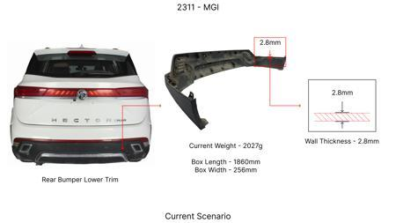 | 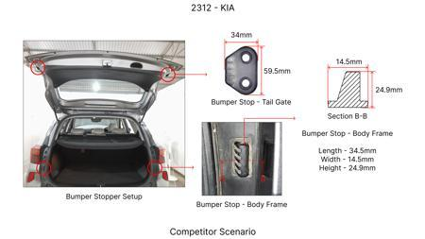 | 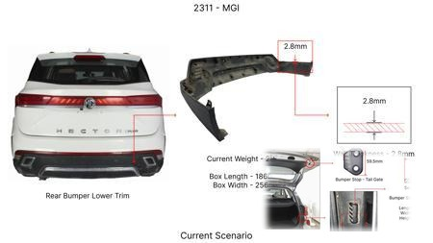 | Reduce the thickness of the brake caliper mounting bracket (if applicable, for fixed calipers) by 10% through topology optimization, while maintaining structural rigidity and load-bearing capacity. | Perform detailed FEA on the existing bracket to identify areas of high stress and potential for material reduction. Utilize topology optimization software to generate a lighter, more efficient design. Material to remain high-strength steel. DVPR to include static stiffness tests, dynamic load simulations, and on-vehicle brake performance validation. Consider manufacturability of optimized shape. | 100000 | 0.5 | Auto-Approved | 80 | 70 | 70 | 75 | The caliper bracket is a critical structural component. ECE R13 and FMVSS 105 indirectly regulate its performance through the braking system's overall requirements. Validation must demonstrate that the optimized bracket can withstand braking forces and torsional loads without deformation that compromises braking efficiency or safety. Fatigue testing is essential. | VAVE | AI Innovation | TBD | VAVE | Meets autonomous feasibility and homologation thresholds (>= 25/100 each).
AI-GEN-07 | 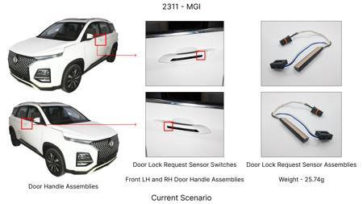 | 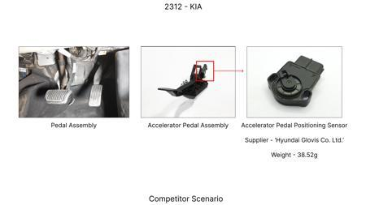 | 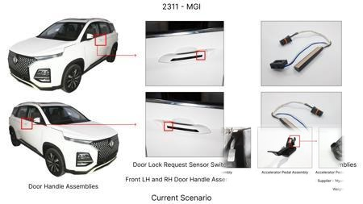 | Consolidate the brake pad wear sensor wiring harness and mounting into a single, integrated component, reducing part count and assembly time. | Design a new connector and mounting system that allows the sensor to be securely integrated with the pad or caliper bracket. Material selection for durability and vibration resistance. Testing to ensure reliable electrical contact and accurate wear detection throughout pad life. Manufacturing process to accommodate the integrated design. | 70000 | 0.1 | Auto-Approved | 80 | 75 | 40 | 80 | Brake wear indicators are often mandated or recommended for vehicle safety (e.g., for driver awareness of pad wear). While FMVSS 105 and ECE R13 focus on braking performance, a reliable wear warning system contributes to overall vehicle safety. Validation will ensure the integrated system provides timely and accurate warnings as per functional requirements. | VAVE | AI Innovation | TBD | VAVE | Meets autonomous feasibility and homologation thresholds (>= 25/100 each).
AI-GEN-08 | 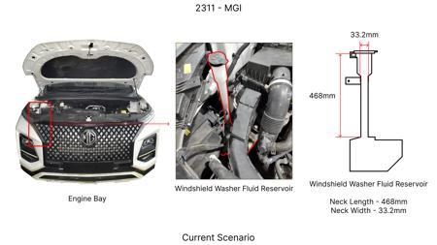 | 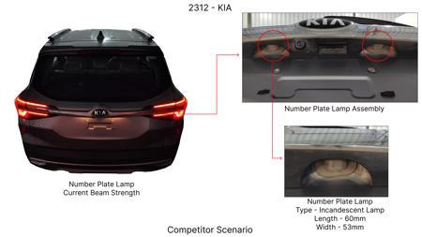 | 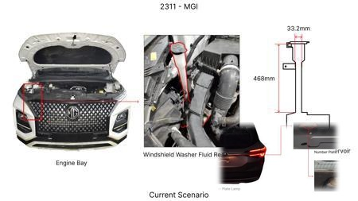 | Replace the current brake fluid reservoir with a smaller capacity unit, reducing material usage and potentially simplifying plumbing, assuming no impact on service interval or system bleeding efficiency. | Perform system analysis to determine minimum required fluid volume for safe operation, considering thermal expansion and bleeding procedures. Design a compact reservoir with optimized fluid dynamics. Material to be robust and chemically resistant to brake fluid. DVPR to include extended thermal cycling, vibration testing, and validation of bleeding procedures. Ensure compliance with fluid level sensing requirements. | 50000 | 0.2 | Auto-Approved | 85 | 65 | 50 | 90 | Brake fluid reservoir volume is not directly specified in FMVSS 105 or ECE R13, but it must ensure adequate fluid for system operation and allow for proper bleeding. Validation will focus on demonstrating that the reduced volume does not compromise system performance, lead to air ingress, or hinder maintenance procedures, indirectly meeting safety requirements. | VAVE | AI Innovation | TBD | VAVE | Meets autonomous feasibility and homologation thresholds (>= 25/100 each).
AI-GEN-09 | 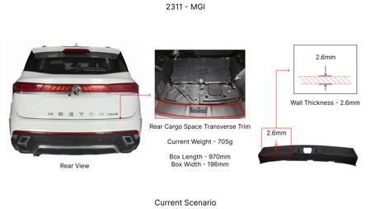 | 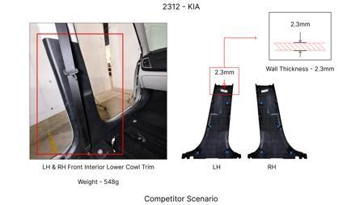 | 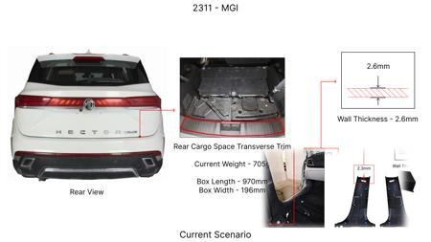 | Reduce the wall thickness of the brake caliper housing by 8% using a high-strength ductile iron, compensating for reduced thickness with improved material properties. | Investigate ductile iron grades with enhanced tensile strength and ductility. Conduct FEA for stress distribution under maximum braking loads and thermal cycling. DVPR to include burst pressure tests, fatigue analysis, and full vehicle braking performance tests to confirm structural integrity and thermal management. Tooling adjustments for casting may be required. | 130000 | 0.7 | Auto-Approved | 78 | 68 | 70 | 78 | Caliper housing integrity is paramount for braking performance as per ECE R13 and FMVSS 105. The reduced thickness must be compensated by material strength to prevent deformation or failure under load. Homologation requires demonstrating that the caliper can withstand braking forces, maintain piston seal integrity, and not negatively impact braking distance or stability. | VAVE | AI Innovation | TBD | VAVE | Meets autonomous feasibility and homologation thresholds (>= 25/100 each).
N/A | 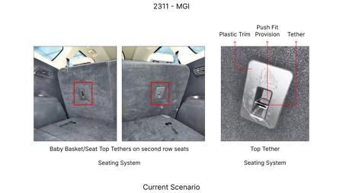 | 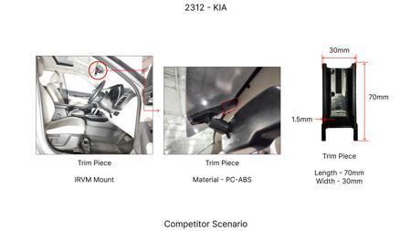 | 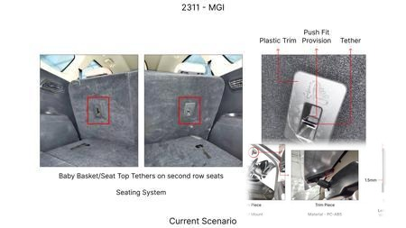 | Investigate the use of enhanced rotor materials with improved thermal conductivity and wear resistance for the MG Hector. This could involve exploring advanced cast iron alloys or composite materials, focusing on a balance between performance gains and tooling CAPEX limitations. The goal is to maintain or improve fade resistance and thermal mass without significantly increasing the rotor's weight or cost. | Conduct material characterization and bench testing of selected advanced rotor materials. Simulate thermal performance under representative MG Hector braking cycles (considering its 1.7T weight). Perform on-vehicle testing to validate fade resistance and durability. The study should focus on material cost and manufacturing feasibility within the existing tooling constraints. Weight impact needs to be monitored to stay within the overall vehicle mass target. | 0 | 0 | Research Paper | 75 |  |  |  | Homologation impact to be reviewed by regulatory team. | VAVE | World Wide Web | TBD | VAVE
N/A | 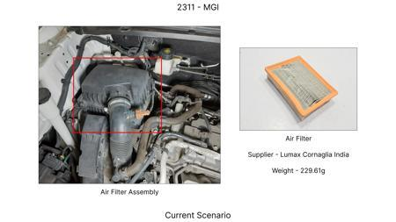 |  | 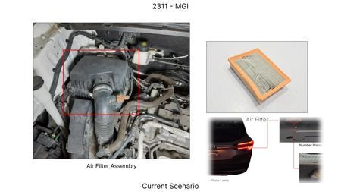 | Optimize the caliper material for the MG Hector's braking system, focusing on materials that offer good thermal dissipation and structural integrity at a lower cost than traditional high-performance alloys. Explore the use of advanced cast aluminum alloys or even reinforced polymers for specific caliper components, provided they meet structural and thermal requirements and can be manufactured with limited tooling CAPEX. This aims to reduce weight and cost while maintaining thermal performance. | Perform Finite Element Analysis (FEA) to simulate thermal and structural behavior of proposed caliper materials under braking loads for the MG Hector. Conduct material testing for thermal conductivity and tensile strength. Prototype calipers and perform on-vehicle testing to assess heat dissipation and durability. Evaluate manufacturing processes and tooling requirements to ensure CAPEX limitations are met. | 0 | 0 | Research Paper | 70 |  |  |  | Homologation impact to be reviewed by regulatory team. | VAVE | World Wide Web | TBD | VAVE
N/A | 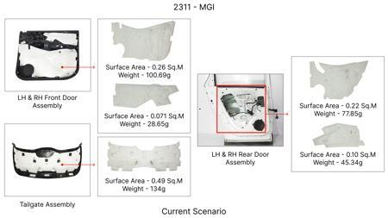 | 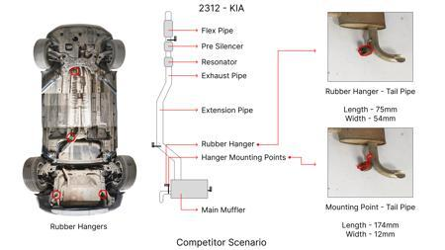 | 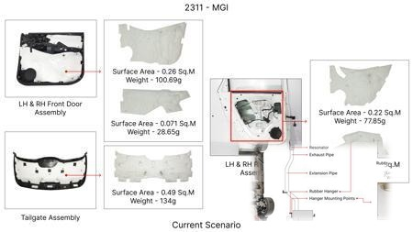 | Develop an optimized dust shield design for the MG Hector's braking system that enhances airflow around the rotor and caliper for improved cooling, without adding significant weight or manufacturing complexity. This could involve computational fluid dynamics (CFD) analysis to identify areas for aerodynamic improvement and testing of different gauge materials to balance rigidity and heat dissipation. The focus is on maximizing passive cooling within existing constraints. | Utilize CFD simulations to model airflow patterns around the brake assembly with various dust shield designs. Conduct wind tunnel testing or on-vehicle thermal mapping to validate cooling improvements. Evaluate material thickness and formability for manufacturing feasibility and cost. The design must not impede any potential future IRS modifications, even though current constraints forbid rear IRS changes. | 0 | 0 | Research Paper | 85 |  |  |  | Homologation impact to be reviewed by regulatory team. | VAVE | World Wide Web | TBD | VAVE
N/A | 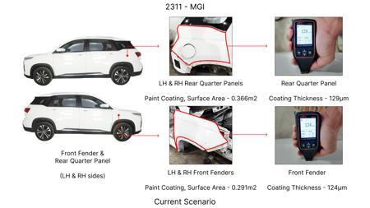 |  | 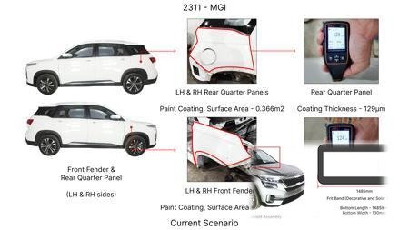 | Explore advanced brake force distribution strategies that dynamically optimize braking force allocation between front and rear axles for the MG Hector, considering its high kinetic energy. This could involve refining the Electronic Brake-force Distribution (EBD) algorithm to better manage thermal loads on individual components and improve overall braking efficiency and fade resistance, while adhering to FMVSS 105 and ECE R13 regulations. The focus is on software optimization to minimize hardware changes. | Develop and validate a new EBD algorithm through extensive simulation using vehicle dynamics models that account for the MG Hector's 1.7T weight and its typical operating conditions. Implement the algorithm on a test vehicle and conduct rigorous track testing under various braking scenarios. Evaluate performance metrics such as stopping distance, brake temperature evolution, and brake component wear. The validation must confirm compliance with all relevant safety regulations. | 0 | 0 | Industry Trend | 80 |  |  |  | Homologation impact to be reviewed by regulatory team. | VAVE | World Wide Web | TBD | VAVE

