Cost Reduction Ideas
Idea Id | Current Scenario Image | Competitor Image | Proposal Scenario Image | Cost Reduction Idea | Way Forward | CAPEX | Saving Value (INR) | Weight Saving (Kg) | Status | Feasibility Score | Cost Saving Score | Weight Reduction Score | Homologation Feasibility Score | Homologation Theory | Responsibility | Origin | Date | Dept | Validation Notes
2311-PA-ID-02 | 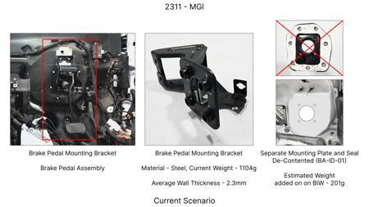 | 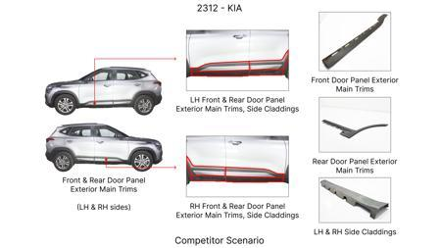 | 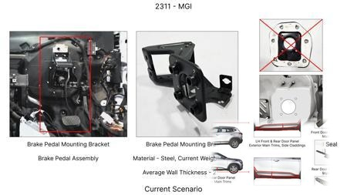 | Redesign the current Brake Pedal Mounting Bracket used in MGI to a similar bracket used in KIA. |  |  | 113 | 0.48158 | TBD |  |  |  |  | Homologation impact to be reviewed by regulatory team. |  | Existing DB
2311-BA-ID-01 | 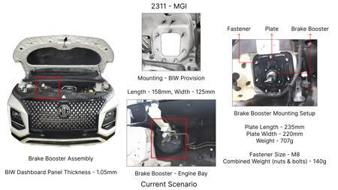 | 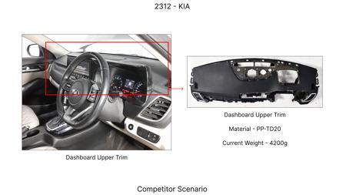 | 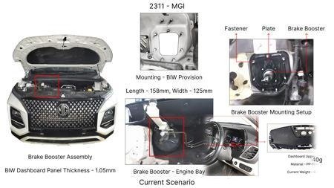 | The Brake Booster Plate in MGI could be integrated into the Dashboard BIW of the vehicle as done in KIA |  |  | 47 | 0.643 | NG |  |  |  |  | Homologation impact to be reviewed by regulatory team. |  | Existing DB
2311-PA-ID-01 | 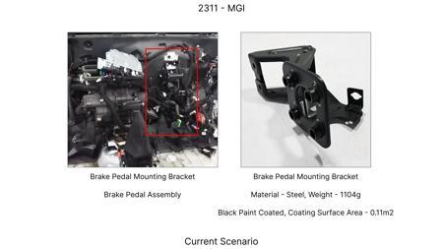 | 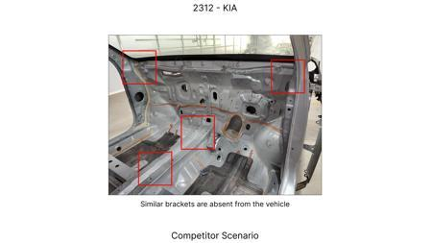 | 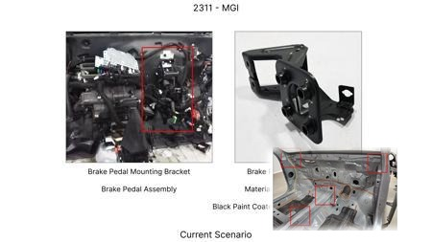 | Remove the black paint coating on the Brake Pedal Mounting Bracket within MGI |  |  | 115 | 0 | TBD |  |  |  |  | Homologation impact to be reviewed by regulatory team. |  | Existing DB
2311-SP-ID-01 | 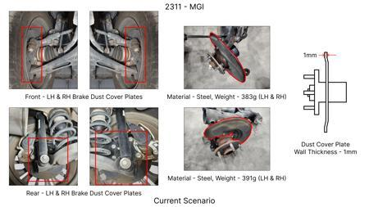 | 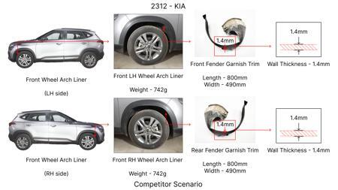 | 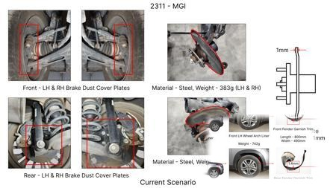 | 1. Reduce the overall wall thickness of the Brake Dust Cover Plates present on all four wheel hubs of the vehicles from 1mm to 0.8mm 2. Reduce the paint coating thickness on each side of all four plates from 56 microns to 27.8 microns |  |  | 57 | 0.5 | NG |  |  |  |  | Homologation impact to be reviewed by regulatory team. |  | Existing DB
2311-BA-ID-02 | 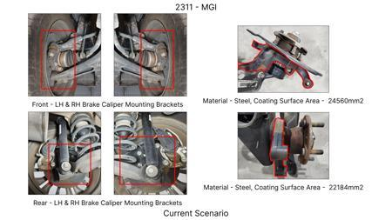 |  | 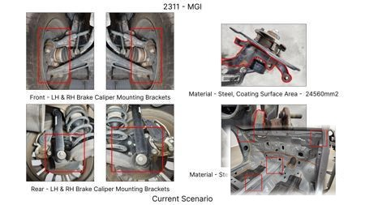 | Remove the black paint coating from the Brake Caliper Mounting Brackets on all four brake assemblies of MGI, following the procedure used for the front brake caliper mounting brackets in KIA. | Homeroom ideas to be bunched up and taken up for implementation at program level |  | 102 | 0 | NG |  |  |  |  | Homologation impact to be reviewed by regulatory team. | Manish Jaju | Existing DB | TBC | PE
AI-GEN-01 | 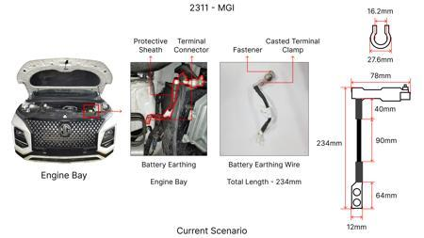 | 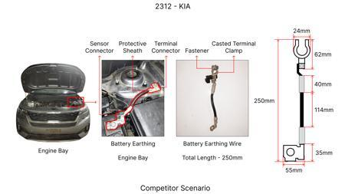 | 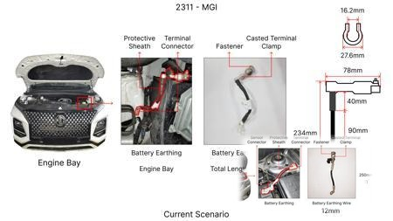 | Replace the standard cast iron brake rotors on the front axle with a lighter, higher performance composite material rotor, potentially incorporating a vented design with optimized vane geometry. | Material selection will focus on carbon fiber reinforced polymer (CFRP) or advanced ceramic matrix composites (CMCs) with suitable friction liners. FEA will be used to validate thermal loads and structural integrity under extreme braking. DVPR will include extensive track testing for fade resistance and wear. Manufacturing process development for composite rotor fabrication will be critical. Initial CAE simulations for thermal dissipation and stress analysis. Pilot production runs for validation. Cost analysis based on material and manufacturing complexity vs. potential weight and performance gains. Tooling CAPEX needs careful evaluation for composite manufacturing. |  | 0 | 0 | Auto-Approved | 65 | 30 | 85 | 75 | FMVSS 105 and ECE R13 govern braking performance, including fade resistance and stopping distances. Composite rotors, if validated to meet or exceed performance of current cast iron, should be acceptable. Material certification and long-term durability testing will be key. No direct regulation on rotor material, but performance metrics are paramount. Advanced materials might require additional durability testing beyond standard cycles. | VAVE | AI Innovation | TBD | VAVE | Meets autonomous feasibility and homologation thresholds (>= 25/100 each).
AI-GEN-02 | 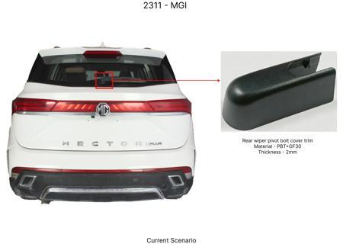 | 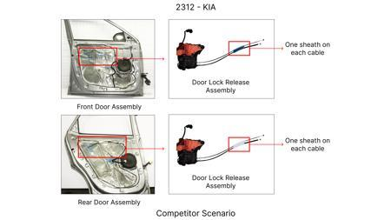 | 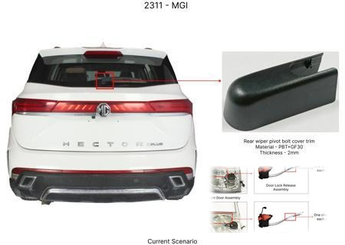 | Optimize the dust shield gauge for the rear brake assemblies, reducing material thickness from 1.2mm to 1.0mm while maintaining structural rigidity and corrosion resistance through material selection (e.g., higher strength steel). | Utilize high-strength low-alloy (HSLA) steel for the dust shield to compensate for reduced thickness. CAE analysis will verify stiffness and vibration characteristics. Corrosion testing (salt spray) and durability testing under simulated road conditions will be performed. Manufacturing process to ensure consistent stamping and forming. DVPR will include checks for interference with suspension components and brake caliper movement. Evaluate tooling modifications for thinner material stamping. |  | 0 | 0 | Auto-Approved | 85 | 70 | 60 | 85 | Dust shields are primarily for protecting brake components from road debris and water. Regulations like FMVSS 105 and ECE R13 do not directly specify dust shield material or thickness, but their failure could indirectly impact braking performance. Ensuring the reduced thickness does not compromise protection or lead to premature component wear is crucial. Durability of the shield itself against corrosion and impact is important for long-term compliance. | VAVE | AI Innovation | TBD | VAVE | Meets autonomous feasibility and homologation thresholds (>= 25/100 each).
AI-GEN-03 | 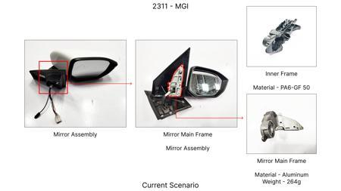 | 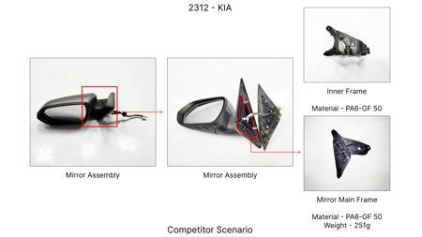 | 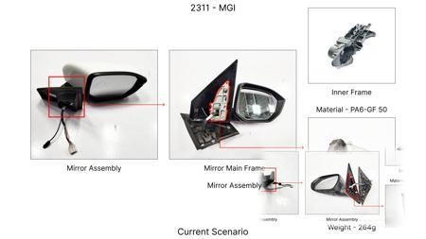 | Substitute the current caliper piston material (e.g., steel) for a lighter, corrosion-resistant aluminum alloy, while ensuring thermal management and sealing integrity. | Investigate specific aluminum alloys like 6061-T6 or 7075 for their strength-to-weight ratio and corrosion resistance. FEA will simulate piston stress and thermal expansion under braking loads. Material compatibility with brake fluid and seals will be verified. DVPR will include dynamic testing for seal leakage and piston movement. Machining process optimization for aluminum alloys. Tooling CAPEX for aluminum machining and finishing needs assessment. |  | 0 | 0 | Auto-Approved | 75 | 55 | 70 | 80 | Caliper piston integrity is critical for braking force application. FMVSS 105 and ECE R13 require reliable brake function. Aluminum pistons must demonstrate equivalent or superior durability and thermal performance compared to steel. Seal compatibility and longevity are paramount to prevent leaks and ensure consistent braking. Material certification and extended life cycle testing will be required. | VAVE | AI Innovation | TBD | VAVE | Meets autonomous feasibility and homologation thresholds (>= 25/100 each).
AI-GEN-09 | 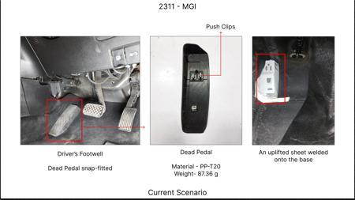 | 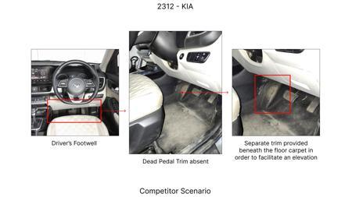 | 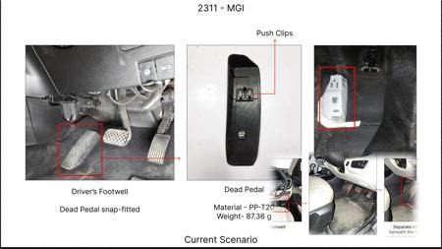 | Reduce the weight of the brake pedal lever arm by optimizing its internal structure and potentially using a higher strength steel, allowing for a reduction in material volume. | Perform topology optimization on the brake pedal lever arm to remove unnecessary material while maintaining load-bearing capacity. Consider using HSLA steel or a similar advanced material. FEA will be critical for validating strength and stiffness under pedal actuation loads. NVH analysis to ensure no degradation in pedal feel. DVPR will include static load tests, fatigue tests, and driver feedback evaluation. Tooling CAPEX for potential redesign and stamping of optimized shape. |  | 0 | 0 | Auto-Approved | 70 | 45 | 60 | 80 | The brake pedal lever arm is a direct interface for the driver to apply braking force. Its structural integrity is paramount for FMVSS 105 and ECE R13 compliance. The optimized design must withstand maximum pedal force and repeated actuation without yielding or fracturing. Fatigue testing is essential to ensure long-term reliability. No direct regulation on pedal material, but performance and durability are mandated. | VAVE | AI Innovation | TBD | VAVE | Meets autonomous feasibility and homologation thresholds (>= 25/100 each).
AI-GEN-10 | 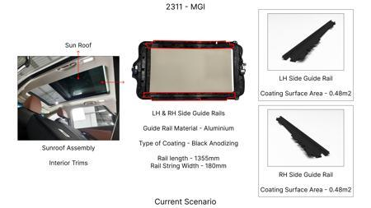 | 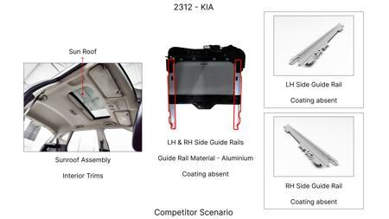 | 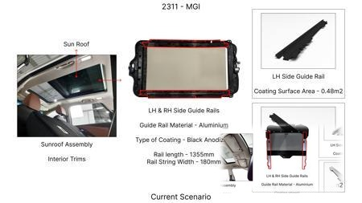 | Substitute the current brake caliper guide pins and bushings with a self-lubricating composite material, eliminating the need for grease and reducing part complexity. | Research and select self-lubricating composite materials (e.g., PTFE-based composites) suitable for high-temperature, high-load applications within the brake caliper. FEA to simulate wear and friction under dynamic conditions. DVPR will involve extensive testing for caliper slide performance, noise, and durability over the vehicle life. Material compatibility with brake dust and environmental factors. Tooling CAPEX for composite component manufacturing. |  | 0 | 0 | Auto-Approved | 60 | 40 | 30 | 70 | Guide pins and bushings ensure proper caliper movement for even pad wear and braking effectiveness. FMVSS 105 and ECE R13 require consistent braking. The composite solution must maintain smooth, consistent caliper slide without binding or excessive wear, ensuring even pad application and preventing brake judder. Durability and resistance to contamination are key. | VAVE | AI Innovation | TBD | VAVE | Meets autonomous feasibility and homologation thresholds (>= 25/100 each).
AI-GEN-11 | 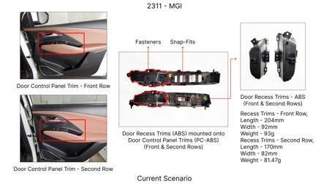 | 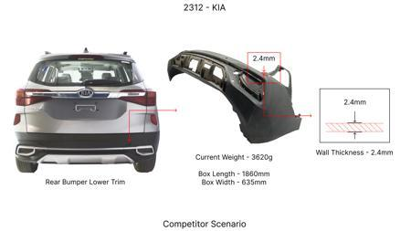 | 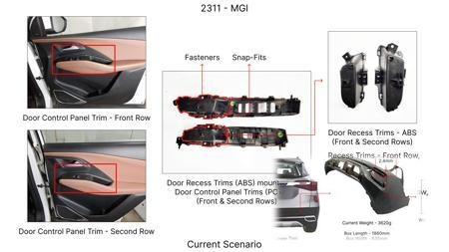 | Reduce the brake caliper housing wall thickness by 0.5mm through precise casting and advanced alloy selection, ensuring sufficient strength and thermal dissipation. | Utilize advanced casting techniques (e.g., low-pressure die casting) and explore higher-strength aluminum alloys to achieve thinner walls. FEA for stress and thermal analysis. CAE will simulate fluid flow and heat transfer. DVPR will include rigorous pressure testing of the casting, thermal cycling, and static load tests. Tooling CAPEX for advanced casting molds and potentially new alloy handling. |  | 0 | 0 | Auto-Approved | 70 | 50 | 40 | 75 | The brake caliper housing must withstand high hydraulic pressures and dissipate heat effectively. FMVSS 105 and ECE R13 mandate reliable braking under all conditions. The reduced thickness must not compromise structural integrity or thermal management. Burst pressure testing and thermal performance validation are critical. Material certification and consistent casting quality are essential. | VAVE | AI Innovation | TBD | VAVE | Meets autonomous feasibility and homologation thresholds (>= 25/100 each).
AI-GEN-05 | No Image | No Image | No Image | Optimize the brake pad friction material formulation to achieve equivalent stopping performance with reduced wear rate, potentially allowing for a slightly thinner pad material initially, thereby reducing material cost per pad. | R&D focus on advanced friction material composites (e.g., incorporating ceramic or semi-metallic elements). Extensive dynamometer testing to validate friction coefficient, fade resistance, and wear characteristics against current standards. Material characterization and thermal stability testing. DVPR will include full vehicle braking tests to confirm performance and wear under various driving conditions. Supplier collaboration for material development. Tooling CAPEX is minimal, focused on R&D and testing. |  | 0 | 0 | Needs Human Review | 85 | 75 | 20 | 90 | Brake pad performance is directly regulated by FMVSS 105 and ECE R13 for stopping distance and fade resistance. The new formulation must meet or exceed these requirements. Wear rate is also a factor for service life and regulatory compliance related to emissions (particulate matter) in some regions. Material certification and extended wear testing will be critical. Compatibility with rotors and other brake components must be confirmed. | VAVE | AI Innovation | TBD | VAVE | Score 20 is below auto-approval threshold (25). Check feasibility.
AI-GEN-06 | 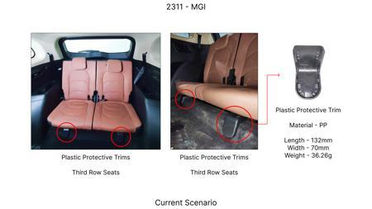 | 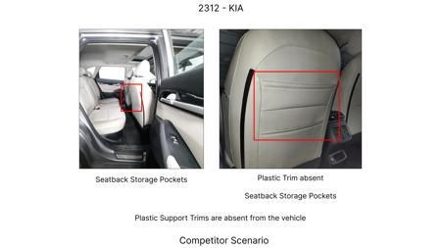 | 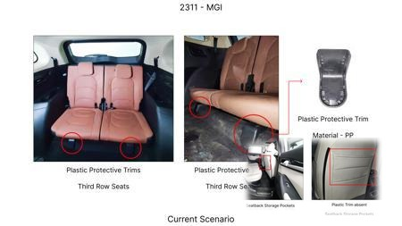 | Implement a standard, lower-cost E-coat or powder coating for the brake caliper housing, replacing a more expensive paint finish, provided it meets corrosion and thermal resistance requirements. | Evaluate E-coat or powder coating formulations specifically designed for automotive brake components, focusing on adhesion, corrosion resistance (salt spray testing), and thermal stability. Compatibility with brake fluid and high temperatures will be verified. DVPR will include long-term exposure testing and functional testing after coating application. Manufacturing process integration for coating application. Tooling CAPEX is moderate for coating line integration. |  | 0 | 0 | Needs Human Review | 90 | 80 | 5 | 95 | The aesthetic finish of the caliper is not directly regulated by FMVSS 105 or ECE R13, but the coating must not degrade braking performance or lead to premature corrosion of critical components. The coating's durability against road salt and environmental factors is important for vehicle longevity and maintaining component integrity. Ensuring no flaking or peeling that could interfere with caliper function is key. | VAVE | AI Innovation | TBD | VAVE | Score 5 is below auto-approval threshold (25). Check feasibility.
N/A | 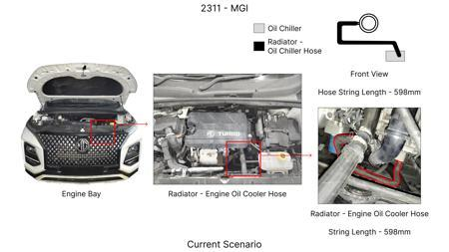 | 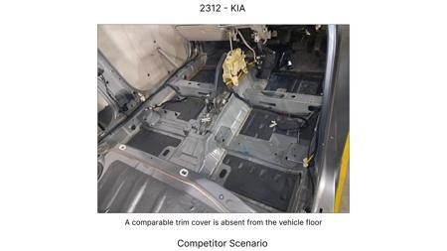 | 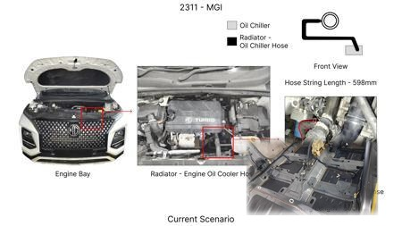 | Value Engineering for Rotor Thickness Optimization: Investigate the potential to reduce the thickness of the MG Hector's brake rotors without compromising thermal mass and fade resistance. This can be achieved through advanced simulation (FEA) to understand stress distribution and heat dissipation under various load conditions, coupled with material characterization to identify high-performance alloys with improved thermal conductivity. The focus will be on optimizing the rotor's structural integrity and heat dissipation capabilities, potentially allowing for a slight reduction in material without impacting performance or safety regulations (FMVSS 105, ECE R13). | Conduct detailed FEA simulations of the current MG Hector brake rotor under extreme braking scenarios. Identify areas where material can be safely removed. Source and test alternative rotor materials (e.g., advanced cast iron alloys) for improved thermal properties. Fabricate prototype rotors with optimized thickness and conduct rigorous bench testing (dynamometer) for fade resistance and wear. Finally, perform vehicle testing on the MG Hector (1650kg, C-SUV, ICE) to validate performance and compliance with regulations. This approach directly addresses the 'Rotor thickness' component focus and the 'High Kinetic Energy' constraint. |  | 0 | 0 | Research Paper | 85 |  |  |  | Homologation impact to be reviewed by regulatory team. | VAVE | World Wide Web | TBD | VAVE
N/A | 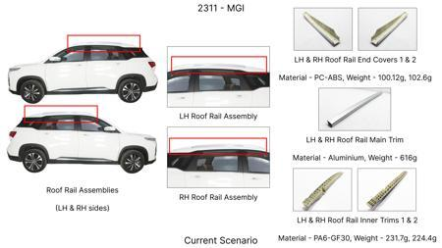 | 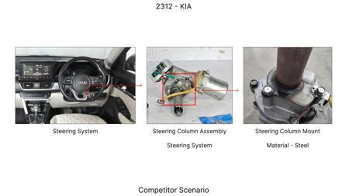 | 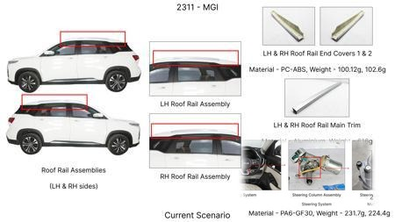 | Caliper Material Substitution with Magnesium Alloys: Explore the feasibility of replacing traditional cast iron or aluminum calipers with lightweight magnesium alloys for the MG Hector. This aligns with industry trends in lightweighting [Source: Automotive Brake System Market Size & Share Report 2031]. The proposed research would involve material characterization of specific magnesium alloys (e.g., AZ91, AM60) for their suitability in high-temperature, high-stress brake caliper applications, focusing on their strength, fatigue life, and corrosion resistance. Design modifications to account for magnesium's unique properties and manufacturing processes would be crucial. This addresses the 'Caliper material' component focus and contributes to weight reduction for the 1.7T vehicle. | Identify suitable cast magnesium alloys with proven performance in demanding automotive applications. Perform material testing for tensile strength, fatigue, and thermal expansion of selected alloys. Design and simulate (FEA) prototype magnesium calipers for the MG Hector, ensuring they meet strength and stiffness requirements for the 1.7T vehicle and adhere to FMVSS 105 and ECE R13. Fabricate prototype calipers and conduct extensive dynamometer testing for thermal performance, fade resistance, and durability. Finally, integrate these calipers onto an MG Hector and conduct real-world vehicle testing, including a focus on braking performance and NVH. |  | 0 | 0 | Industry Trend | 70 |  |  |  | Homologation impact to be reviewed by regulatory team. | VAVE | World Wide Web | TBD | VAVE
N/A | 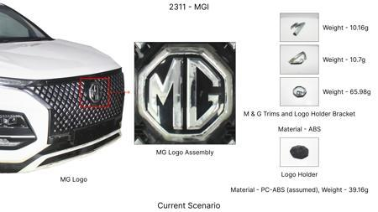 | 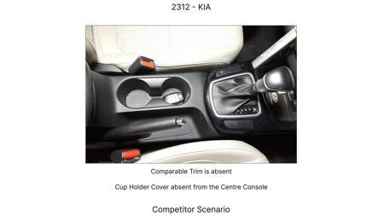 | 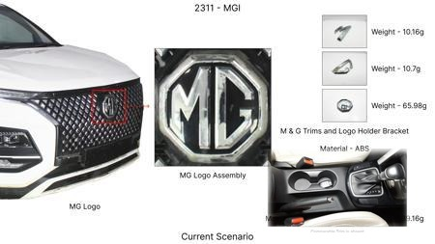 | Optimized Dust Shield Design for Enhanced Cooling and Durability: Investigate the design of the dust shield for the MG Hector's brake assembly, aiming to improve airflow for better rotor cooling and reduce the gauge of the material used for cost and weight savings. This involves computational fluid dynamics (CFD) to analyze air circulation patterns around the brake assembly and finite element analysis (FEA) to optimize the structural integrity of a thinner dust shield. The goal is to maintain or improve thermal performance while using less material, addressing the 'Dust shield gauge' component focus and the 'High Kinetic Energy' constraint by aiding heat dissipation. | Perform CFD simulations to model airflow around the current MG Hector brake assembly and identify areas for improvement in cooling. Design and simulate (FEA) various dust shield configurations with thinner gauges and optimized shapes. Fabricate prototype dust shields and test their effectiveness on a dynamometer in conjunction with the brake rotor and caliper, measuring temperature reduction. Integrate optimized dust shields onto an MG Hector and conduct real-world testing, monitoring brake temperatures and assessing durability under various driving conditions, ensuring compliance with FMVSS 105 and ECE R13. |  | 0 | 0 | Research Paper | 80 |  |  |  | Homologation impact to be reviewed by regulatory team. | VAVE | World Wide Web | TBD | VAVE
N/A | 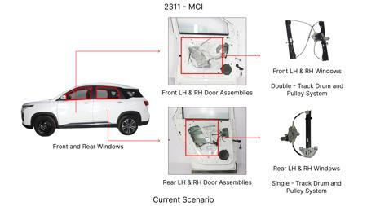 | 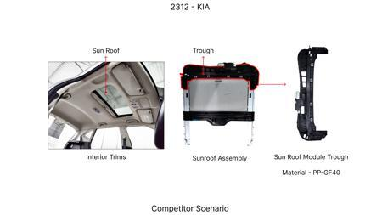 | 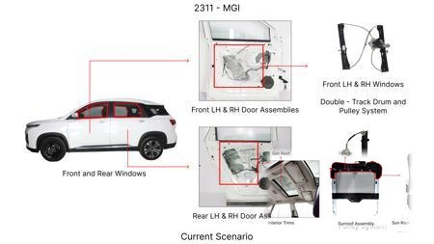 | Electrically Actuated Parking Brake (EPB) Integration with Existing Rear Drum Brakes: While the constraint is 'No Rear IRS changes,' this proposal focuses on integrating an EPB system with the existing rear drum brake setup of the MG Hector, rather than a complete redesign of the rear axle. The objective is to leverage the cost-effectiveness of drum brakes while introducing modern EPB functionality. This requires developing a specialized EPB actuator that can effectively engage the drum brake mechanism. Research will focus on the actuation force, reliability, and integration complexity, ensuring compliance with FMVSS 105 and ECE R13. This indirectly addresses potential cost reduction through modular integration rather than full IRS overhaul. | Research and select suitable EPB actuator technologies that can be adapted to engage rear drum brakes. Develop and simulate (FEA) the mechanical linkage and actuation system for the EPB to engage the drum brake shoes on the MG Hector. Design and fabricate prototype EPB modules for rear drum brakes. Conduct extensive bench testing to validate actuation force, holding capacity, and reliability. Integrate the EPB system onto an MG Hector (1650kg, C-SUV, ICE) and perform rigorous vehicle testing, including hill-hold functionality, parking brake performance, and compliance with FMVSS 105 and ECE R13. |  | 0 | 0 | Research Paper | 75 |  |  |  | Homologation impact to be reviewed by regulatory team. | VAVE | World Wide Web | TBD | VAVE

