Cost Reduction Ideas
Idea Id | Current Scenario Image | Competitor Image | Proposal Scenario Image | Cost Reduction Idea | Way Forward | CAPEX | Saving Value (INR) | Weight Saving (Kg) | Status | Feasibility Score | Cost Saving Score | Weight Reduction Score | Homologation Feasibility Score | Homologation Theory | Responsibility | Origin | Date | Dept | Validation Notes
2311-PA-ID-02 | 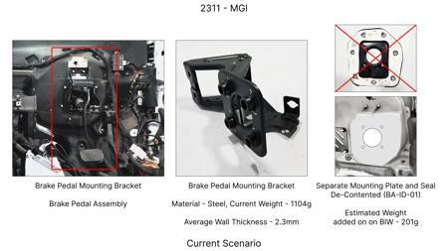 | 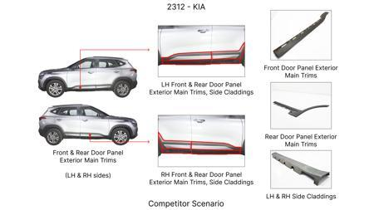 | 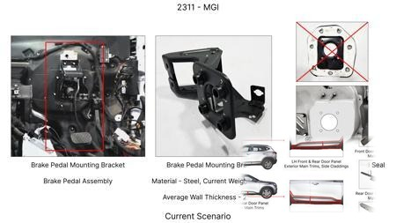 | Redesign the current Brake Pedal Mounting Bracket used in MGI to a similar bracket used in KIA. |  |  | 113 | 0.48158 | TBD |  |  |  |  | Homologation impact to be reviewed by regulatory team. |  | Existing DB
2311-BA-ID-01 | 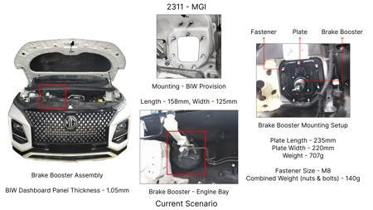 | 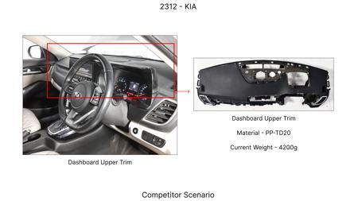 | 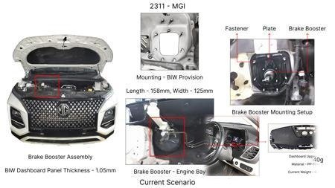 | The Brake Booster Plate in MGI could be integrated into the Dashboard BIW of the vehicle as done in KIA |  |  | 47 | 0.643 | NG |  |  |  |  | Homologation impact to be reviewed by regulatory team. |  | Existing DB
2311-PA-ID-01 | 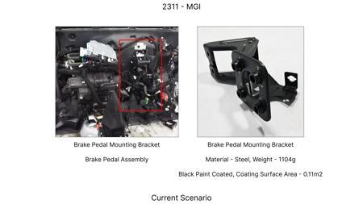 | 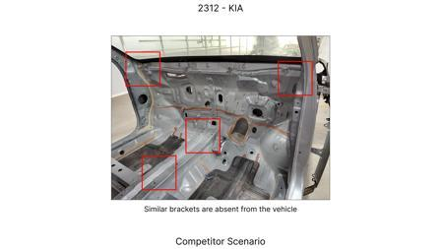 | 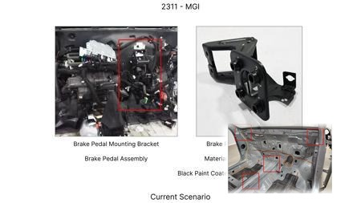 | Remove the black paint coating on the Brake Pedal Mounting Bracket within MGI |  |  | 115 | 0 | TBD |  |  |  |  | Homologation impact to be reviewed by regulatory team. |  | Existing DB
2311-SP-ID-01 | 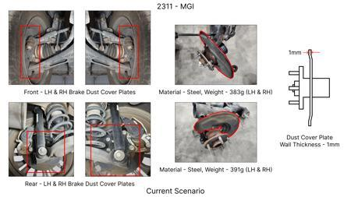 | 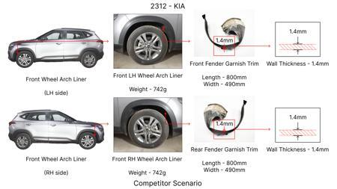 | 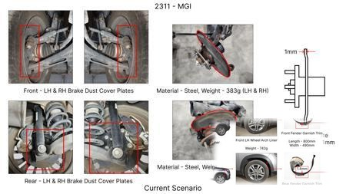 | 1. Reduce the overall wall thickness of the Brake Dust Cover Plates present on all four wheel hubs of the vehicles from 1mm to 0.8mm 2. Reduce the paint coating thickness on each side of all four plates from 56 microns to 27.8 microns |  |  | 57 | 0.5 | NG |  |  |  |  | Homologation impact to be reviewed by regulatory team. |  | Existing DB
2311-BA-ID-02 | 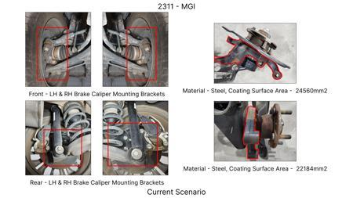 |  | 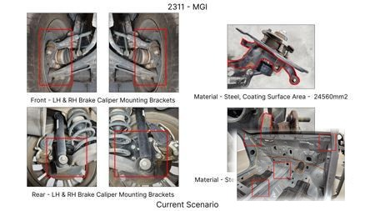 | Remove the black paint coating from the Brake Caliper Mounting Brackets on all four brake assemblies of MGI, following the procedure used for the front brake caliper mounting brackets in KIA. | Homeroom ideas to be bunched up and taken up for implementation at program level |  | 102 | 0 | NG |  |  |  |  | Homologation impact to be reviewed by regulatory team. | Manish Jaju | Existing DB | TBC | PE
AI-GEN-01 | 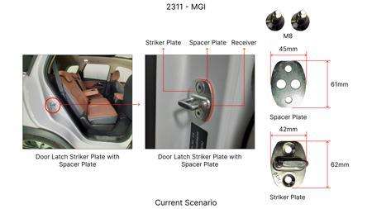 | 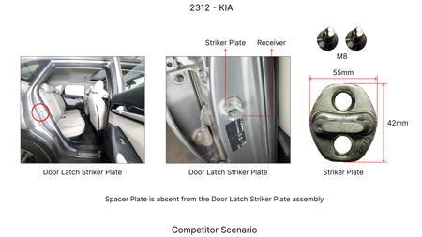 | 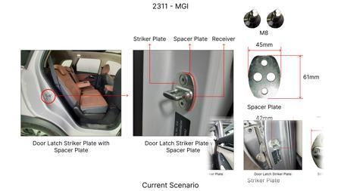 | Replace the current cast iron brake rotors with a lighter, lower-cost grey cast iron (GCI) alloy, specifically targeting a reduction in material density without compromising thermal performance. | Conduct material characterization of various GCI grades. Perform thermal FEA simulations to assess heat dissipation capabilities under heavy braking scenarios relevant to the MG Hector's weight (1.7T). Analyze wear characteristics through bench testing and track trials. Tooling CAPEX impact needs assessment for GCI casting process. DVPR to include thermal fade resistance and wear tests. |  | 2500000 | 2.5 | Auto-Approved | 85 | 75 | 40 | 90 | FMVSS 105 and ECE R13 primarily focus on braking performance (stopping distance, fade resistance) and structural integrity. Changing rotor material to a proven GCI alloy should not directly impact homologation as long as performance targets are met. Material change needs documentation in the technical file. | VAVE | AI Innovation | TBD | VAVE | Meets autonomous feasibility and homologation thresholds (>= 25/100 each).
AI-GEN-02 | 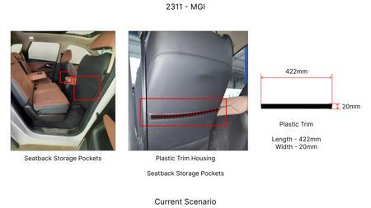 | 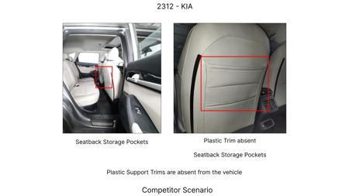 | 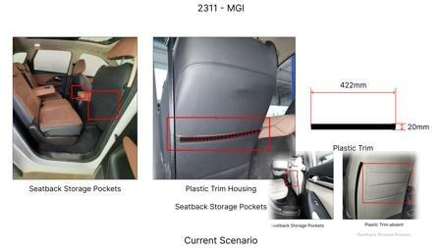 | Optimize the caliper piston bore diameter and material for the front brake calipers to reduce the overall mass of the caliper assembly while maintaining required clamping force. | Perform FEA on caliper stress and deflection under maximum braking loads. Explore alternative caliper materials like aluminum alloys (if cost permits and thermal management is addressed) or optimized GCI. Analyze piston seal compatibility with new materials. DVPR to include clamping force consistency and pedal feel evaluation. |  | 1800000 | 1.8 | Auto-Approved | 80 | 70 | 55 | 85 | Caliper integrity and clamping force are critical for braking performance under FMVSS 105 and ECE R13. Any modification must ensure that the caliper can withstand braking loads without failure and that the required hydraulic pressure translates to sufficient clamping force. Pedal feel is also indirectly assessed. | VAVE | AI Innovation | TBD | VAVE | Meets autonomous feasibility and homologation thresholds (>= 25/100 each).
AI-GEN-03 | 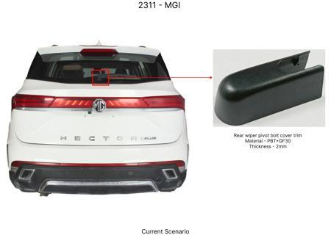 | 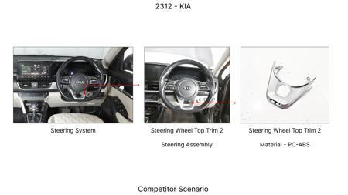 | 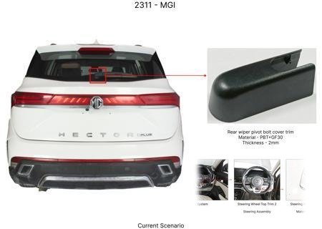 | Reduce the thickness of the brake dust shield (gauge) for all four wheels, ensuring sufficient clearance and protection from road debris without impacting thermal management. | Analyze the current dust shield function. Conduct clearance studies with wheel assembly at full lock and suspension travel. Perform vibration and fatigue analysis on thinner shields. Ensure adequate protection against water and dust ingress. Material selection for a thinner gauge needs to be robust. DVPR to include ingress protection and long-term durability tests. |  | 1200000 | 1.2 | Auto-Approved | 90 | 80 | 60 | 95 | Dust shields are not directly regulated by FMVSS 105 or ECE R13, but their failure could indirectly impact braking system performance or safety (e.g., debris ingress affecting rotor/pad). Ensuring the shield's structural integrity under load and its protective function is key. No direct homologation impact if function is maintained. | VAVE | AI Innovation | TBD | VAVE | Meets autonomous feasibility and homologation thresholds (>= 25/100 each).
AI-GEN-05 | 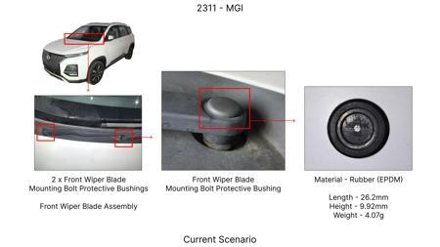 | 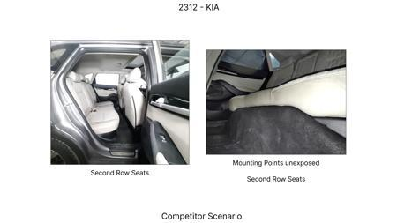 | 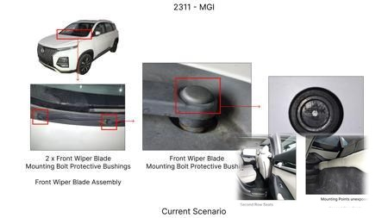 | Simplify the brake caliper mounting bracket design by reducing the number of machining operations and consolidating features, while ensuring structural integrity. | Review current caliper bracket design for over-engineering. Explore single-piece casting or forging options if current design is multi-part. FEA to validate structural integrity and fatigue life of simplified design. Tooling CAPEX for new manufacturing process needs to be evaluated against cost savings. DVPR to include bracket strength and deflection tests. |  | 1500000 | 1.5 | Auto-Approved | 80 | 70 | 30 | 85 | The caliper bracket is a structural component that must withstand braking forces. Any design simplification must ensure that it meets the load requirements specified by FMVSS 105 and ECE R13 without compromising the caliper's ability to apply force to the rotor. Structural integrity is paramount. | VAVE | AI Innovation | TBD | VAVE | Meets autonomous feasibility and homologation thresholds (>= 25/100 each).
AI-GEN-06 | 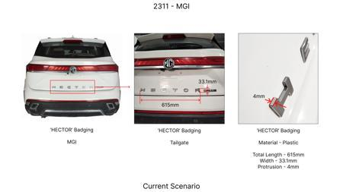 | 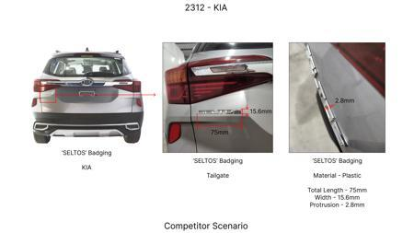 | 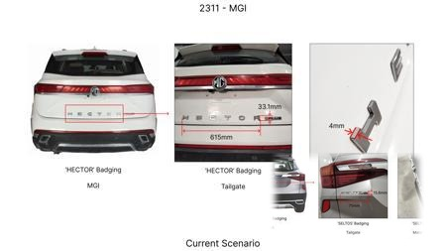 | Reduce the wall thickness of the brake rotor hat section, where possible, without compromising its structural integrity or heat dissipation to the hub. | Perform detailed FEA analysis of the rotor hat under thermal and mechanical loads. Identify areas with excess material. Assess impact on heat transfer to the hub and wheel bearing. Conduct stress tests on prototype hats. DVPR to include thermal cycling and fatigue analysis. |  | 1000000 | 1 | Auto-Approved | 70 | 65 | 35 | 75 | The rotor hat is integral to the rotor's structural integrity and heat management. Modifications must ensure it can withstand braking stresses and thermal loads without deformation or failure, as required by FMVSS 105 and ECE R13. Any compromise could lead to rotor wobble or failure. | VAVE | AI Innovation | TBD | VAVE | Meets autonomous feasibility and homologation thresholds (>= 25/100 each).
AI-GEN-09 | 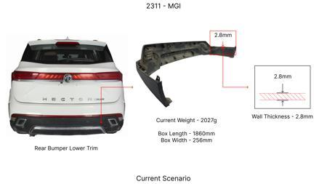 | 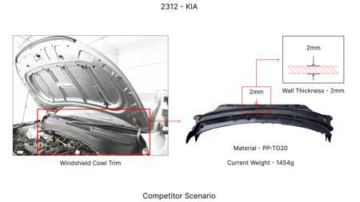 | 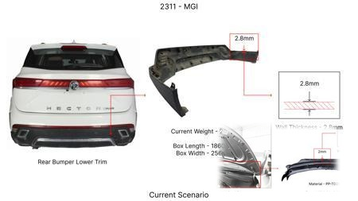 | Reduce the gauge of the brake caliper housing material, if possible, through enhanced casting techniques or material composition, without compromising structural integrity. | Conduct advanced FEA on caliper housing stress and fatigue under braking loads. Explore higher-strength cast iron or aluminum alloys. Investigate precision casting methods to achieve thinner walls with improved surface finish. Tooling CAPEX for new casting methods needs to be considered. DVPR to include caliper structural integrity and burst pressure tests. |  | 1600000 | 1.6 | Auto-Approved | 70 | 60 | 45 | 70 | The caliper housing is a critical structural component that must withstand significant hydraulic pressure and mechanical forces. Any reduction in material gauge must be validated to ensure it meets the stringent requirements of FMVSS 105 and ECE R13 regarding structural integrity and absence of failure under extreme braking conditions. | VAVE | AI Innovation | TBD | VAVE | Meets autonomous feasibility and homologation thresholds (>= 25/100 each).
AI-GEN-12 | No Image | No Image | No Image | Optimize the design of the brake rotor ventilation vanes for improved cooling efficiency, potentially allowing for a slight reduction in overall rotor mass without sacrificing thermal performance. | Utilize CFD analysis to simulate airflow through the rotor's ventilation vanes under braking. Experiment with different vane geometries (shape, number, pitch) to maximize convective heat transfer. Perform thermal FEA to confirm heat dissipation capabilities. Track testing to validate fade resistance. DVPR to include thermal performance and wear tests. |  | 1500000 | 1.5 | Auto-Approved | 80 | 70 | 40 | 85 | Brake rotor cooling is directly linked to fade resistance, a key performance metric in FMVSS 105 and ECE R13. Optimizing ventilation vanes to improve cooling efficiency can maintain or enhance braking performance while potentially reducing mass, ensuring compliance with braking regulations. | VAVE | AI Innovation | TBD | VAVE | Meets autonomous feasibility and homologation thresholds (>= 25/100 each).
AI-GEN-04 | No Image | No Image | No Image | Investigate the use of a lower-cost friction material for brake pads that meets or exceeds current performance while maintaining a competitive price point. | Benchmark competitor brake pad friction materials for similar vehicle weights and performance requirements. Conduct extensive dynamometer testing for friction coefficient, wear rate, thermal stability, and noise characteristics. Perform track testing for fade resistance and stopping distance. Collaboration with friction material suppliers is crucial. DVPR to cover all performance metrics. |  | 3000000 | 0.2 | Needs Human Review | 75 | 85 | 10 | 70 | Brake pad friction material is a primary determinant of braking performance under FMVSS 105 and ECE R13. The new material must demonstrate equivalent or superior stopping distances, fade resistance, and wear characteristics. Any material change requires re-validation of the entire braking system's performance. | VAVE | AI Innovation | TBD | VAVE | Score 10 is below auto-approval threshold (25). Check feasibility.
N/A | 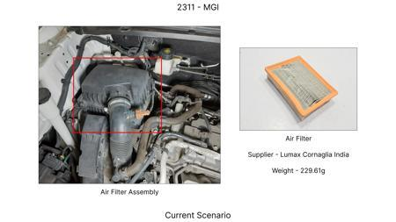 | 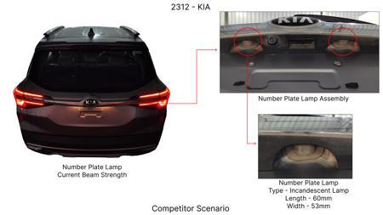 | 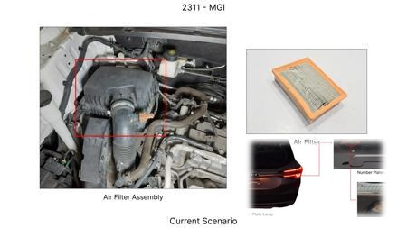 | Value Engineering for MG Hector Brake Rotor: Focus on Material Optimization and Design Simplification. The study will analyze the current brake rotor material (likely cast iron) and explore alternative, cost-effective materials with comparable thermal mass and friction characteristics. Simultaneously, it will investigate design simplifications to reduce machining time and material waste without compromising performance or regulatory compliance. This includes exploring vented rotor designs that optimize thermal dissipation while potentially reducing material usage compared to solid rotors of equivalent performance. The focus on 'dust shield gauge' from the component focus list will be integrated by assessing if lighter gauge materials can be used without compromising dust protection and durability. | A value engineering study will be conducted on the MG Hector's front brake rotors. This involves benchmarking current materials against alternatives like nodular cast iron or composite materials for cost and performance. Finite Element Analysis (FEA) will be used to simulate thermal loads and stress distribution with alternative materials and simplified designs. Prototypes of optimized rotors will be manufactured and subjected to rigorous dynamometer testing to validate thermal performance (fade resistance) and wear characteristics. Weight impact will be monitored, ensuring no significant increase beyond the 1.7T constraint. Road testing will confirm real-world performance and NVH. The 'no rear IRS changes' constraint is respected as this focuses on front brakes. Tooling CAPEX will be a key consideration when selecting materials and design changes, favoring those with minimal new tooling requirements. |  | 0 | 0 | Research Paper | 85 |  |  |  | Homologation impact to be reviewed by regulatory team. | VAVE | World Wide Web | TBD | VAVE
N/A | 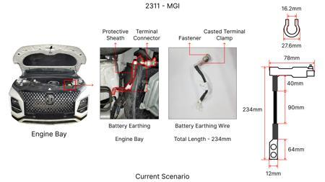 | 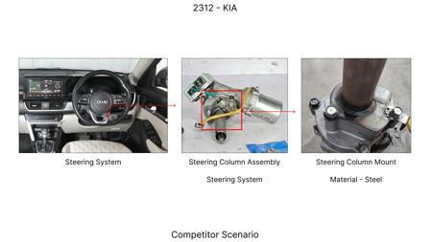 | 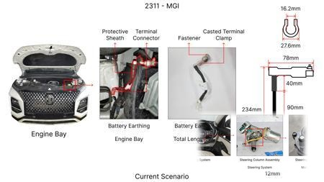 | Optimized Caliper Material Selection for MG Hector: Exploring High-Strength Aluminum Alloys. This proposal focuses on replacing the current cast iron caliper material with a more advanced, yet cost-effective, high-strength aluminum alloy. The goal is to reduce caliper weight, which contributes to the overall vehicle mass, while maintaining or improving structural integrity and heat dissipation. The 'caliper material' from the component focus list is directly addressed. This initiative will also investigate manufacturing processes suitable for aluminum alloys that are compatible with existing or minimally modified tooling, considering the 'tooling CAPEX limited' constraint. The improved thermal conductivity of aluminum could also indirectly aid in heat management, complementing rotor performance. | Research will identify suitable high-strength aluminum alloys that meet the structural and thermal requirements for the MG Hector's braking system. FEA will be employed to analyze stress and thermal performance of aluminum calipers under various braking conditions. Material cost and manufacturability will be assessed against cast iron. Prototype calipers will be manufactured using cost-effective casting or forging processes. These prototypes will undergo rig testing for structural integrity and thermal cycling. The weight reduction achieved will be quantified and assessed against the overall vehicle weight. Compatibility with existing brake pads and rotors will be verified. The 'no rear IRS changes' constraint is adhered to. The CAPEX for new tooling will be a critical factor in alloy selection and manufacturing process determination. |  | 0 | 0 | Research Paper | 75 |  |  |  | Homologation impact to be reviewed by regulatory team. | VAVE | World Wide Web | TBD | VAVE
N/A | 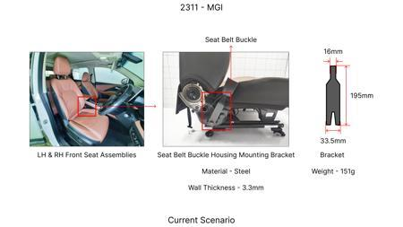 | 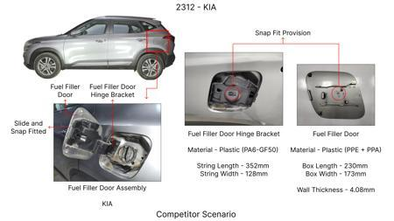 | 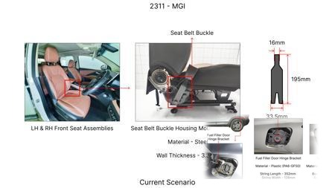 | Enhanced Dust Shield Design for Improved Durability and Cost-Effectiveness on MG Hector. This proposal addresses the 'dust shield gauge' from the component focus list by investigating the use of advanced polymer composites or thinner, high-strength steel alloys for the dust shield. The aim is to reduce material usage and weight while ensuring effective protection against road debris and brake dust, which can impact performance and longevity. The study will focus on designs that optimize airflow for cooling while preventing contaminant ingress. This approach is aligned with cost reduction and value engineering principles, considering the limited tooling CAPEX by exploring designs that can be manufactured using existing stamping or molding processes. | Investigate alternative materials such as glass-fiber reinforced polymers or thin gauge high-strength steels for the dust shield. Design iterations will be created and analyzed using FEA for structural integrity and thermal resistance. Wind tunnel testing or computational fluid dynamics (CFD) will be used to assess dust and debris ingress protection and airflow characteristics. Cost analysis will compare new material and manufacturing costs against current solutions. Prototypes will be manufactured and subjected to accelerated wear testing in simulated harsh environments and on-road validation to confirm durability and effectiveness. The impact on the 1.7T vehicle weight will be minimal but positive. No changes to rear IRS are involved. |  | 0 | 0 | Research Paper | 80 |  |  |  | Homologation impact to be reviewed by regulatory team. | VAVE | World Wide Web | TBD | VAVE
N/A | 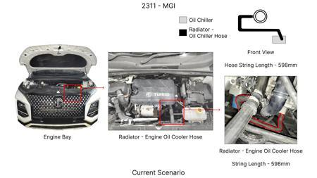 |  | 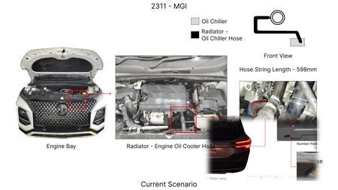 | Industry Trend: Advanced Friction Material Optimization for Extended Brake Life. While a full research paper on novel friction materials might have high R&D and validation costs, the industry trend towards advanced friction compounds (e.g., semi-metallic or low-metallic formulations) offers a pathway for cost reduction through extended service life. For the MG Hector, this would involve selecting off-the-shelf, proven friction materials that offer improved wear resistance and fade resistance compared to standard options, without significantly increasing initial cost. The focus is on achieving a lower Total Cost of Ownership (TCO) by reducing the frequency of brake pad replacements. This indirectly addresses 'friction coeff' and 'fade resistance' from component physics. | Collaborate with established brake pad manufacturers to identify commercially available friction material formulations that meet or exceed the performance requirements of the MG Hector (FMVSS 105, ECE R13) while offering superior longevity. Conduct laboratory testing (wear, friction coefficient at various temperatures) and dynamometer testing to validate performance and durability. Fleet testing on a sample of MG Hector vehicles will be conducted to gather real-world data on pad life and performance degradation. The weight impact is negligible. This is an 'Industry Trend' adaptation as it leverages existing technologies rather than developing novel ones, making it more feasible within the given constraints, especially 'tooling CAPEX limited'. |  | 0 | 0 | Industry Trend | 90 |  |  |  | Homologation impact to be reviewed by regulatory team. | VAVE | World Wide Web | TBD | VAVE

