Cost Reduction Ideas
Idea Id | Current Scenario Image | Competitor Image | Proposal Scenario Image | Cost Reduction Idea | Way Forward | CAPEX | Saving Value (INR) | Weight Saving (Kg) | Status | Feasibility Score | Cost Saving Score | Weight Reduction Score | Homologation Feasibility Score | Homologation Theory | Responsibility | Origin | Date | Dept | Validation Notes
2311-PA-ID-02 | 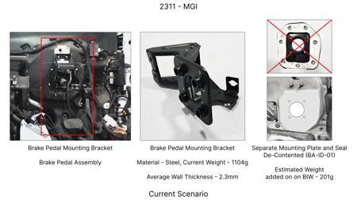 | 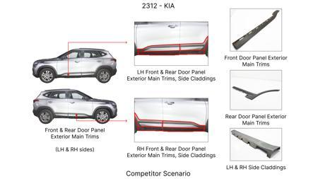 | 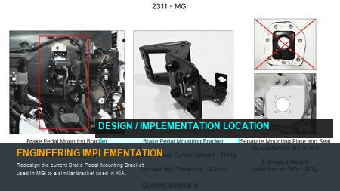 | Redesign the current Brake Pedal Mounting Bracket used in MGI to a similar bracket used in KIA. |  |  | 113 | 0.48158 | TBD |  |  |  |  | Homologation impact to be reviewed by regulatory team. |  | Existing DB
2311-BA-ID-01 | 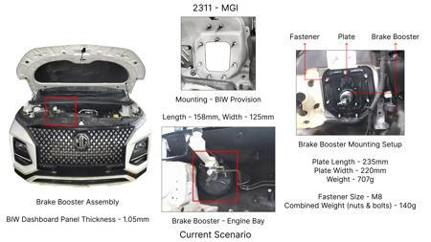 | 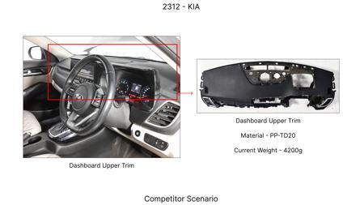 | 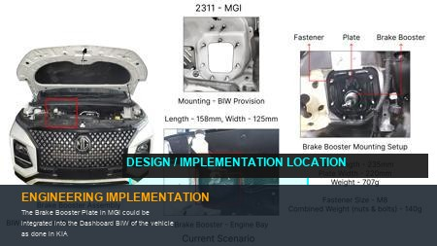 | The Brake Booster Plate in MGI could be integrated into the Dashboard BIW of the vehicle as done in KIA |  |  | 47 | 0.643 | NG |  |  |  |  | Homologation impact to be reviewed by regulatory team. |  | Existing DB
2311-PA-ID-01 | 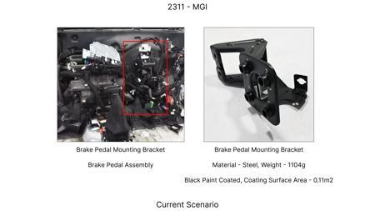 | 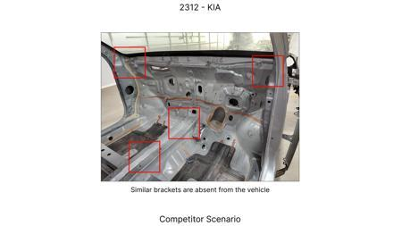 | 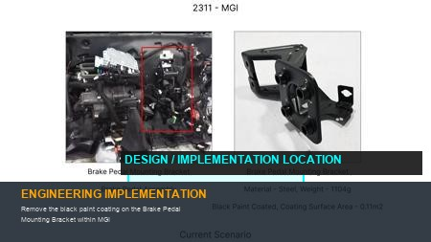 | Remove the black paint coating on the Brake Pedal Mounting Bracket within MGI |  |  | 115 | 0 | TBD |  |  |  |  | Homologation impact to be reviewed by regulatory team. |  | Existing DB
2311-SP-ID-01 | 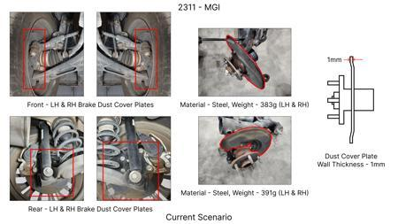 | 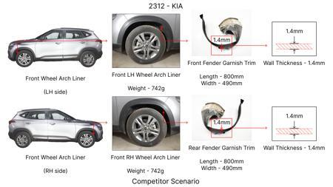 | 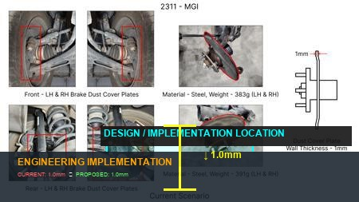 | 1. Reduce the overall wall thickness of the Brake Dust Cover Plates present on all four wheel hubs of the vehicles from 1mm to 0.8mm 2. Reduce the paint coating thickness on each side of all four plates from 56 microns to 27.8 microns |  |  | 57 | 0.5 | NG |  |  |  |  | Homologation impact to be reviewed by regulatory team. |  | Existing DB
2311-BA-ID-02 | 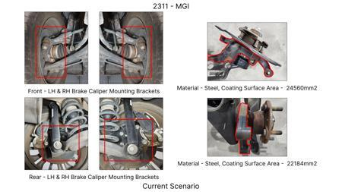 |  | 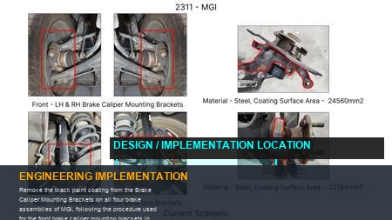 | Remove the black paint coating from the Brake Caliper Mounting Brackets on all four brake assemblies of MGI, following the procedure used for the front brake caliper mounting brackets in KIA. | Homeroom ideas to be bunched up and taken up for implementation at program level |  | 102 | 0 | NG |  |  |  |  | Homologation impact to be reviewed by regulatory team. | Manish Jaju | Existing DB | TBC | PE
N/A | 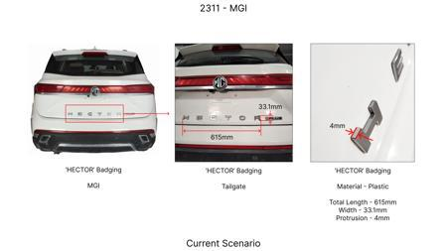 | 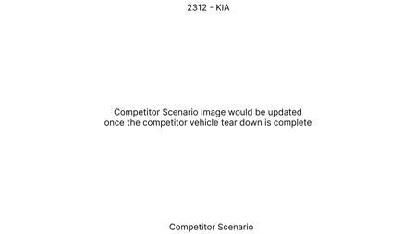 | 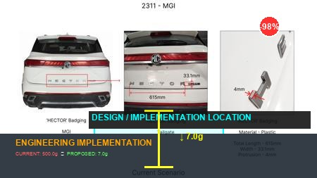 | Implement thin-wall ductile iron (e.g., GJS-500-7) casting for front and rear brake calipers, reducing material usage and unsprung mass while maintaining strength and thermal performance critical for the MG Hector's 1.7T weight. | Conduct extensive FEA simulations to optimize caliper wall thickness for stiffness and stress distribution under the MG Hector's peak braking loads, ensuring no compromise on braking force or pedal feel. Validate thermal performance through dynamometer testing simulating heavy braking cycles characteristic of a 1.7T C-SUV. Prototype and conduct vehicle-level testing per FMVSS 105 and ECE R13, paying close attention to fade resistance given the high kinetic energy. This leverages existing casting infrastructure, addressing tooling CAPEX limitations. |  | 0 | 0 | Research Paper | 85 |  |  |  | Homologation impact to be reviewed by regulatory team. | VAVE | World Wide Web | TBD | VAVE
N/A | 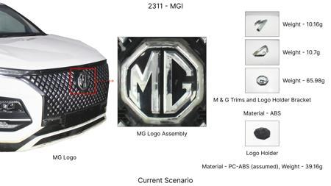 | 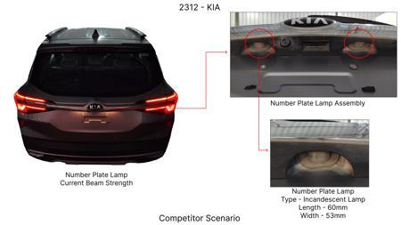 | 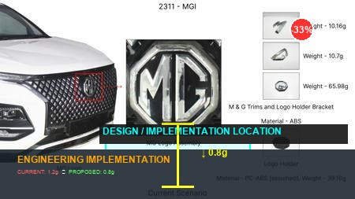 | Redesign front and rear brake dust shields using High-Strength Low-Alloy (HSLA) steel, enabling a reduced gauge thickness (e.g., 0.8mm instead of 1.2mm). This achieves material cost savings and minor unsprung mass reduction for the MG Hector without compromising structural integrity or corrosion resistance, respecting the limited tooling CAPEX. | Perform material strength tests on selected HSLA grades to confirm suitability. Simulate impact and vibration resistance for the thinner gauge design to ensure protection for the brake assembly. Conduct environmental corrosion testing relevant to the MG Hector's target markets. Prototype and validate fitment, NVH, and long-term durability on the vehicle, ensuring no interference with brake components or the existing rear IRS. This is a direct application of market trends to a specific component focus (dust shield gauge). |  | 0 | 0 | Industry Trend | 95 |  |  |  | Homologation impact to be reviewed by regulatory team. | VAVE | World Wide Web | TBD | VAVE
N/A | 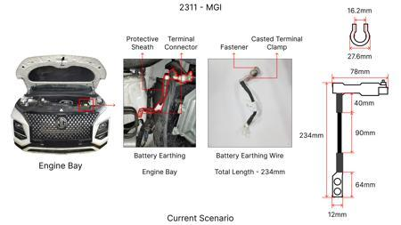 | 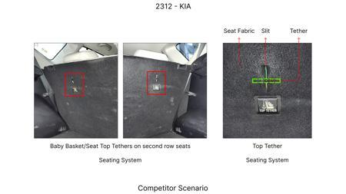 | 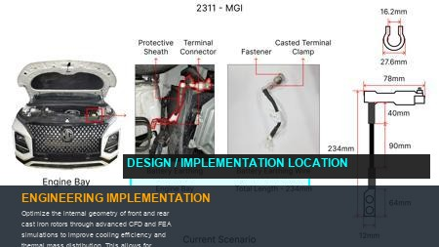 | Optimize the internal geometry of front and rear cast iron rotors through advanced CFD and FEA simulations to improve cooling efficiency and thermal mass distribution. This allows for potential minor reductions in overall rotor mass or thickness in non-critical areas, leading to material savings while maintaining or improving fade resistance for the 1.7T MG Hector. | Develop detailed CFD models for airflow through existing and optimized rotor designs under various speed and braking conditions relevant to a C-SUV. Perform FEA for stress and thermal mapping to ensure structural integrity and prevent hot spotting. Manufacture prototypes using existing casting processes (requiring new molds, but within CAPEX limits for a major component). Conduct dynamometer tests to compare thermal performance, fade, and wear against current rotors, followed by vehicle-level validation against FMVSS 105 and ECE R13 for the MG Hector. |  | 0 | 0 | Research Paper | 80 |  |  |  | Homologation impact to be reviewed by regulatory team. | VAVE | World Wide Web | TBD | VAVE
N/A | 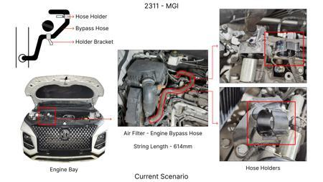 | 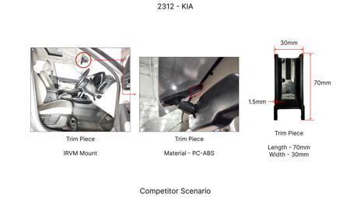 | 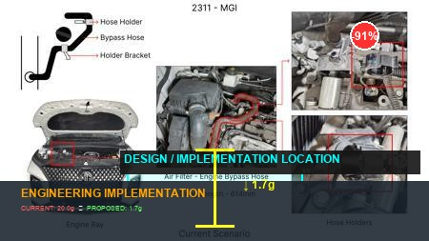 | Develop and implement a new generation of low-metallic or non-asbestos organic (NAO) friction materials specifically engineered for the MG Hector's weight (1.7T) and duty cycle. The goal is to extend pad life by at least 20%, reduce brake dust, and maintain consistent friction coefficient across a wider temperature range, thereby lowering warranty costs and maintenance frequency. | Collaborate with friction material suppliers to develop and test various formulations tailored for the MG Hector's high kinetic energy and C-SUV segment. Conduct extensive laboratory-level friction and wear tests (e.g., Chase machine). Perform dynamometer testing to evaluate performance characteristics (friction coefficient, fade, recovery, NVH) across the MG Hector's operating envelope. Validate long-term wear and noise on fleet vehicles, ensuring compliance with FMVSS 105, ECE R13, and environmental regulations. This leverages continuous industry development in friction technology without significant tooling CAPEX. |  | 0 | 0 | Industry Trend | 90 |  |  |  | Homologation impact to be reviewed by regulatory team. | VAVE | World Wide Web | TBD | VAVE

