Fig. 3A
30 sec exposure shown
 | PANC1 G/L |  |  |  |  | PANC0327 G/L
(ladder) | parent | crCTRL1 | crCTRL2 | crLIN28Bex3 | crLIN28Bex4 | crCTRL1 | crCTRL2 | crLIN28Bex3 | crLIN28Bex4

 |  |  |  |  |  |  |  |  |  | 55 kda tubulin

 |  |  |  |  |  |  |  |  |  | 30 kda LIN28B

 |  |  |  |  |  |  |  |  |  | 21 kda LIN28B

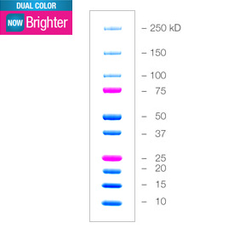

50 kDa

37 kDa

25 kDa

Fig. S11A

2019-04-26 (saved as pptx)
JP
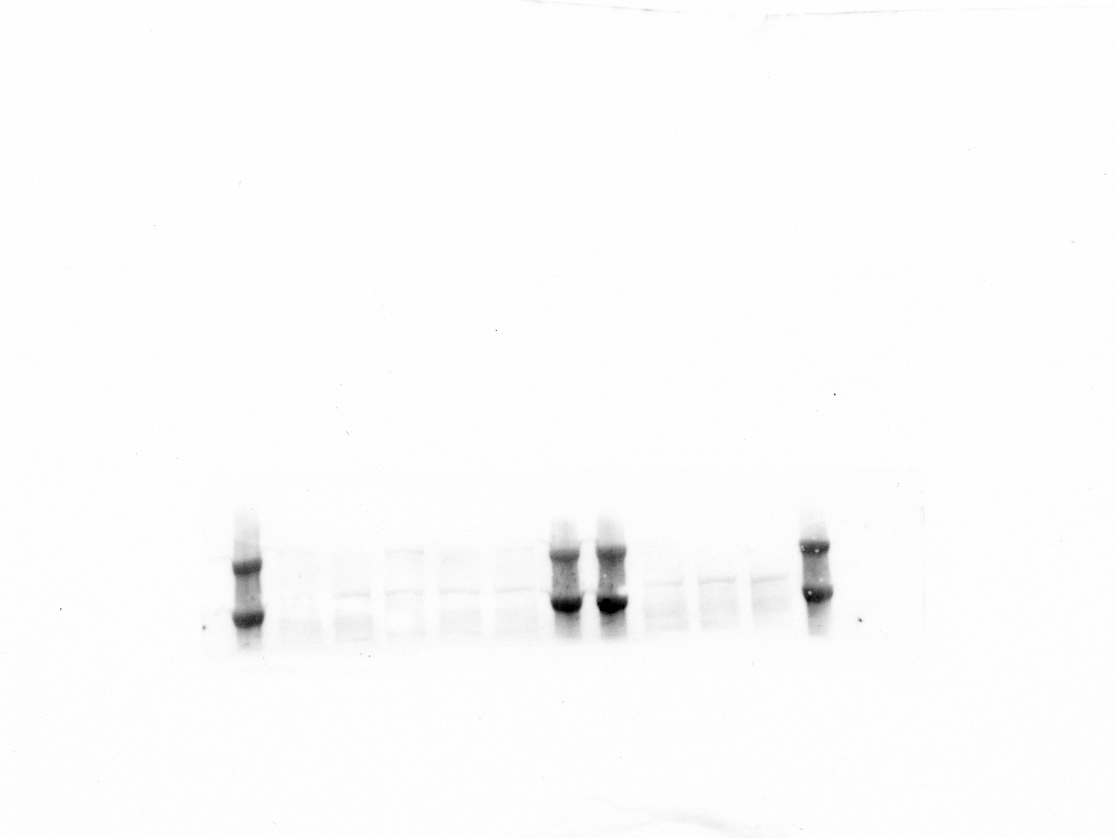



si IGF2BP1
/
si NTC
si HMGA2
si FN1

si GAPDH
/
si NTC
si GAPDH
/
si NTC
si IGF2BP1
/
si NTC
si HMGA2
si FN1

FN1 antibody | IGF2BP1 antibody | tubulin antibody

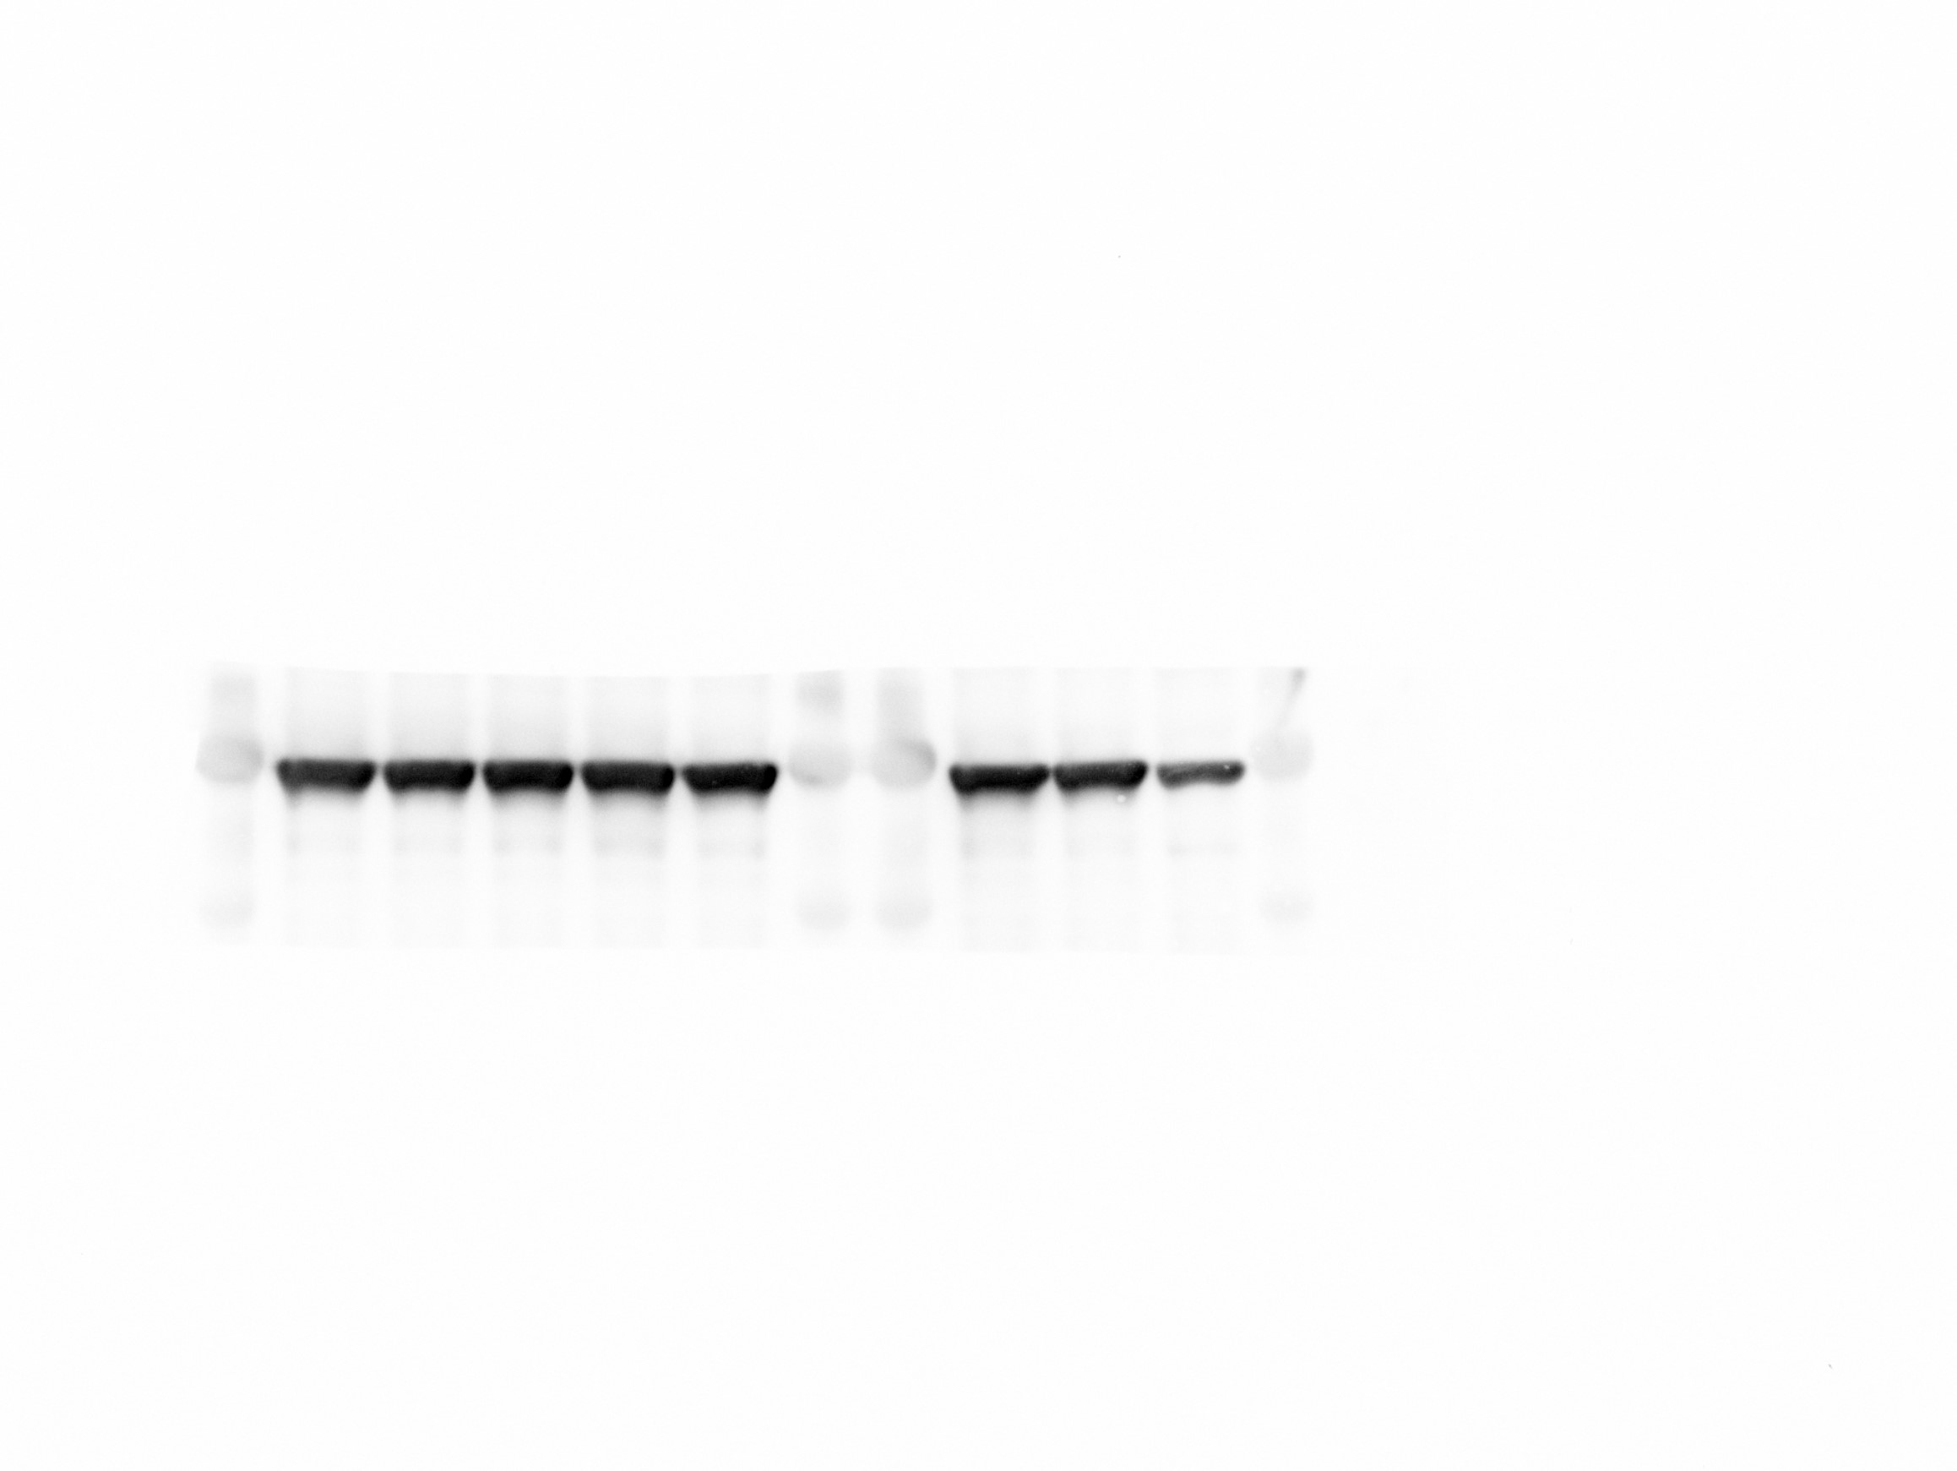
si GAPDH
/
si NTC
si IGF2BP1
/
si NTC
si HMGA2
si FN1

si GAPDH
/
si NTC
si IGF2BP1
/
si NTC
si HMGA2
si FN1
si GAPDH
/
si NTC
si IGF2BP1
/
si NTC
si HMGA2
si FN1
Fibronectin
150 kDa
250 kDa

IGF2BP1
7 kDa

b-Tubulin
55 kDa

GAPDH
37 kDa

HMGA2
12 kDa

GAPDH antibody | HMGA2 antibody

