README
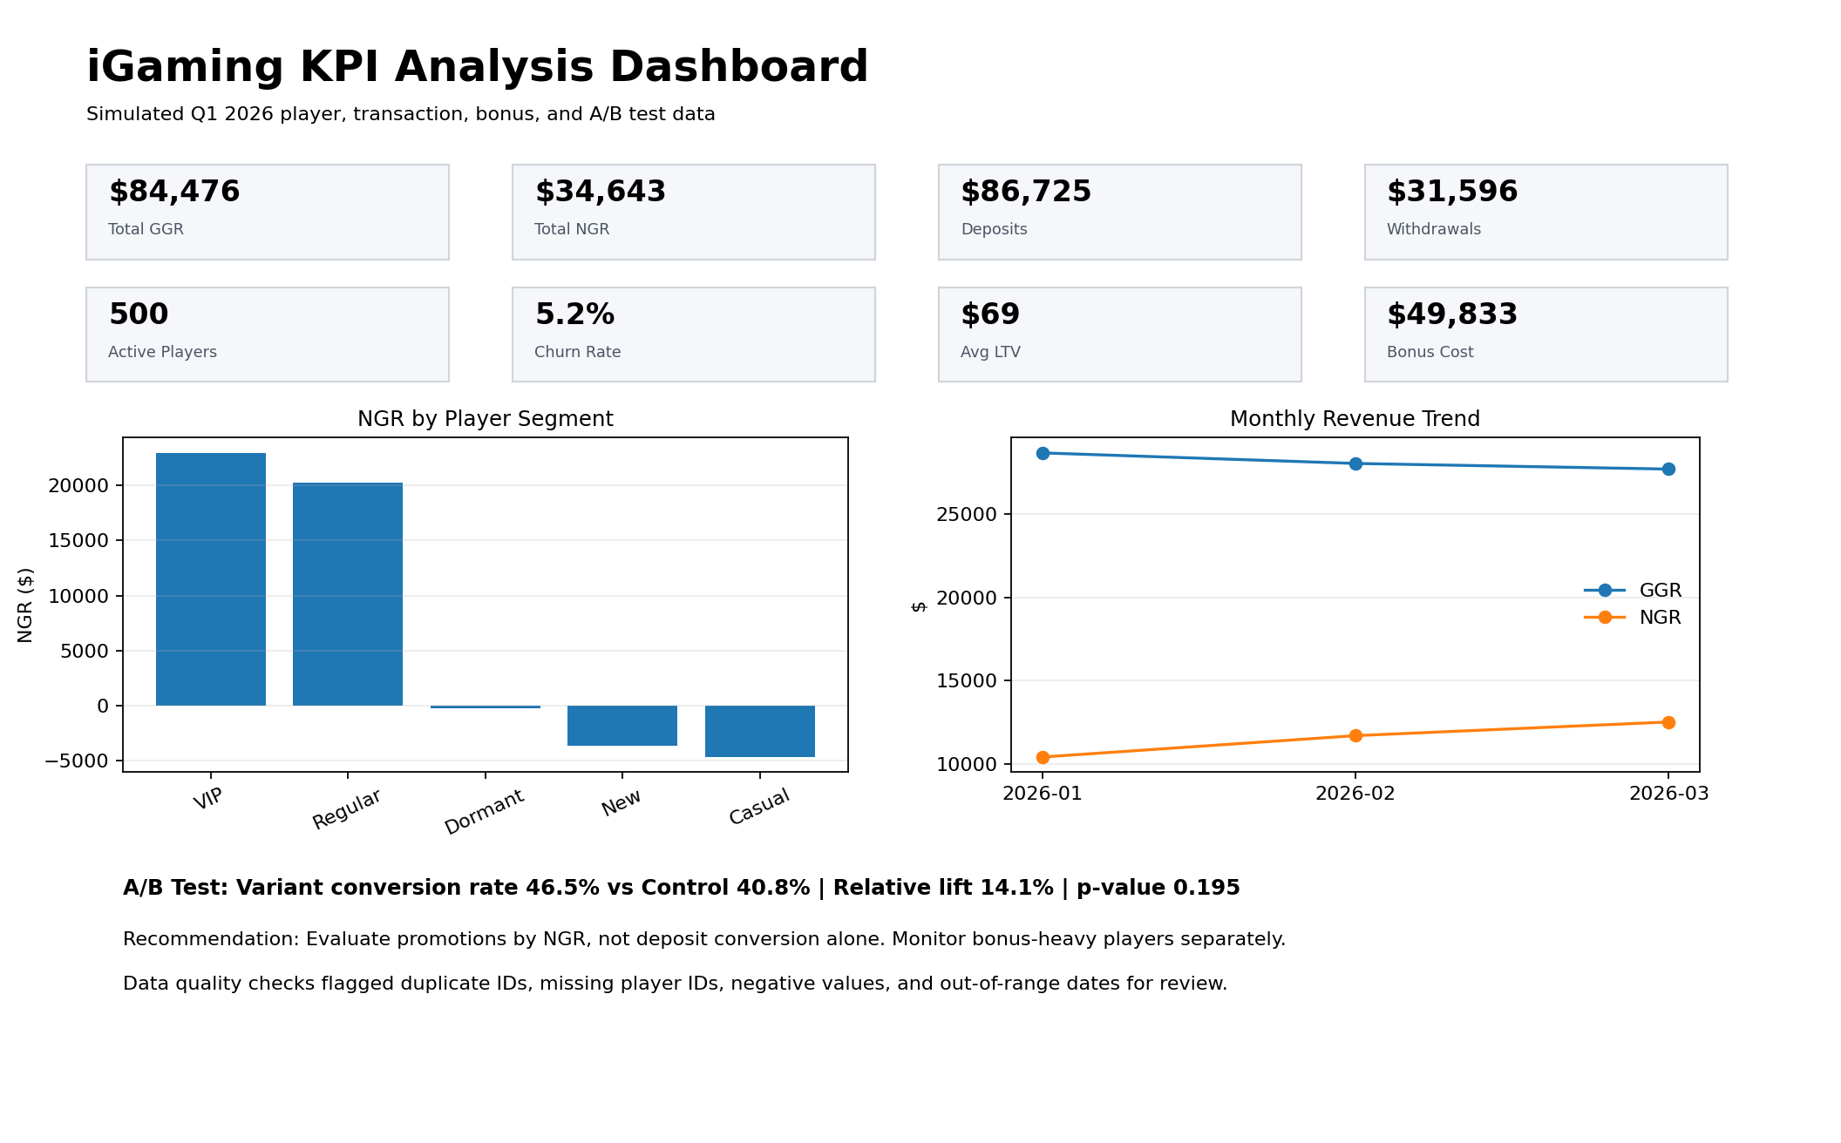
iGaming KPI Analysis Project
Portfolio-ready simulated data analytics project for Junior Data Analyst roles.

Objective | Analyze simulated iGaming player and transaction data to calculate core KPIs, detect data quality issues, evaluate an A/B test, and summarize business insights.
Tools Demonstrated | SQL logic, Excel reporting, KPI calculations, dashboard design, A/B test interpretation, and data validation.
Business Questions | Which segments generate the most net revenue? Are bonuses creating value or abuse risk? Which players show churn risk? Did the promotion improve conversion? Are there data quality issues?
KPI Definitions | GGR = stakes - winnings. NGR = GGR - bonus costs. Churn = no activity in the last 30 days as of 2026-04-01. LTV = historical NGR per player in the observation window.
How to Use | Open the Dashboard tab first. Then review KPI Summary, AB Test Analysis, Bonus Abuse Flags, and Data Quality Checks. The raw simulated data is in the data tabs.

Dashboard
iGaming KPI Analysis Dashboard
Simulated Q1 2026 analytics project: revenue, deposits, churn, bonuses, A/B test, and data quality.

Total GGR |  | Total NGR |  | Deposits | Withdrawals
$84,476 |  | $34,643 |  | $86,725 | $31,596

Active Players |  | Churn Rate |  | Avg Player LTV | Bonus Cost
500 |  | 5.2% |  | $69 | $49,833

Revenue by Segment |  |  |  |  | A/B Test Summary
Segment | Players | GGR | NGR | Avg LTV
VIP | 36 | $32,730 | $22,971 | $638 | Control Conversion | 40.8%
Regular | 122 | $32,891 | $20,231 | $166 | Variant Conversion | 46.5%
Dormant | 38 | $281 | -$249 | -$7 | Absolute Lift | 5.7%
New | 122 | $3,913 | -$3,630 | -$30 | Relative Lift | 14.1%
Casual | 182 | $14,661 | -$4,679 | -$26 | p-value | 0.20
 |  |  |  |  | Interpretation | Not statistically significant

Key Business Takeaways

VIP and Regular players drive most NGR, but bonus cost must be monitored by segment.
Players with high bonus-to-deposit ratios and negative NGR were flagged for possible bonus abuse review.
The promotional variant improved conversion; recommendation depends on NGR impact, not conversion alone.
Data quality checks found intentionally inserted issues: duplicate transaction IDs, missing player IDs, negative values, and out-of-range dates.
NGR by Player Segment
Monthly GGR vs NGR
 | GGR | NGR
2026-01 | 28694.52 | 10417.67
2026-02 | 28060.21 | 11702.47
2026-03 | 27721.2 | 12522.94

