Heights
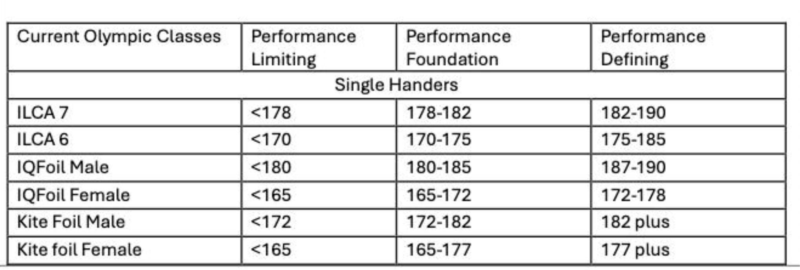
Class | Performance Limiting | Performance Foundation | Performance Defining
ILCA 7 | 178 | 182 | 190
ILCA 6 Female | 170 | 175 | 183
ILCA 6 Male | 170 | 175 | 183
IQFoil Male | 180 | 185 | 200
IQFoil Female | 165 | 172 | 180
Kitefoil Male | 172 | 182 | 200
Kitefoil Female | 165 | 177 | 200
470 mixed helm | 150 | 155 | 175
470 mixed crew | 163 | 168 | 200
FX helm | 160 | 165 | 180
FX crew | 163 | 168 | 200
49er helm | 160 | 170 | 195
49er crew | 165 | 175 | 195

