Heights
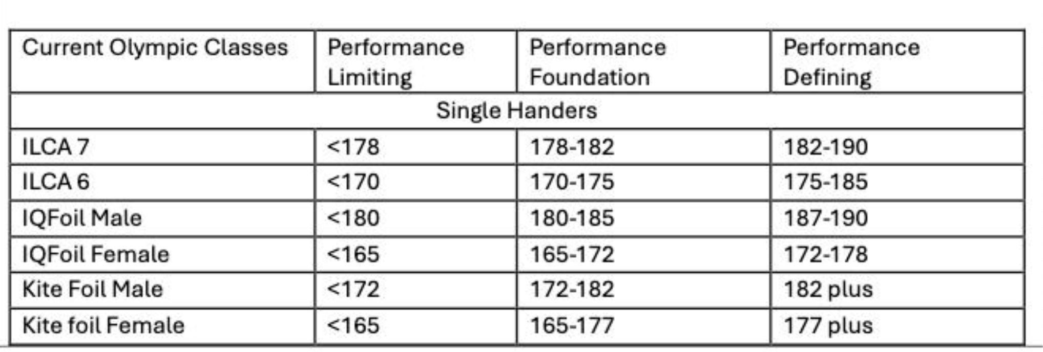
Class | Performance Limiting | Performance Foundation | Performance Defining
ILCA 7 Helm | 178 | 182 | 190
ILCA 6 Female Helm | 170 | 175 | 183
ILCA 6 Male Helm | 178 | 182 | 190
IQFoil Male Helm | 180 | 185 | 200
IQFoil Female Helm | 165 | 172 | 180
Kite Male Helm | 172 | 182 | 200
Kite Female Helm | 165 | 177 | 200
470 mixed helm | 150 | 155 | 175
470 mixed crew | 163 | 168 | 200
FX helm | 160 | 165 | 180
FX crew | 163 | 168 | 200
29er Helm | 160 | 170 | 195
29er Crew | 165 | 175 | 195
420 Helm | 150 | 155 | 175
420 Mixed Helm | 150 | 155 | 175
420 Crew | 163 | 168 | 200
420 Mixed Crew | 163 | 168 | 200
Nacra Helm | 150 | 160 | 200
Nacra Crew | 155 | 165 | 200

