Heights
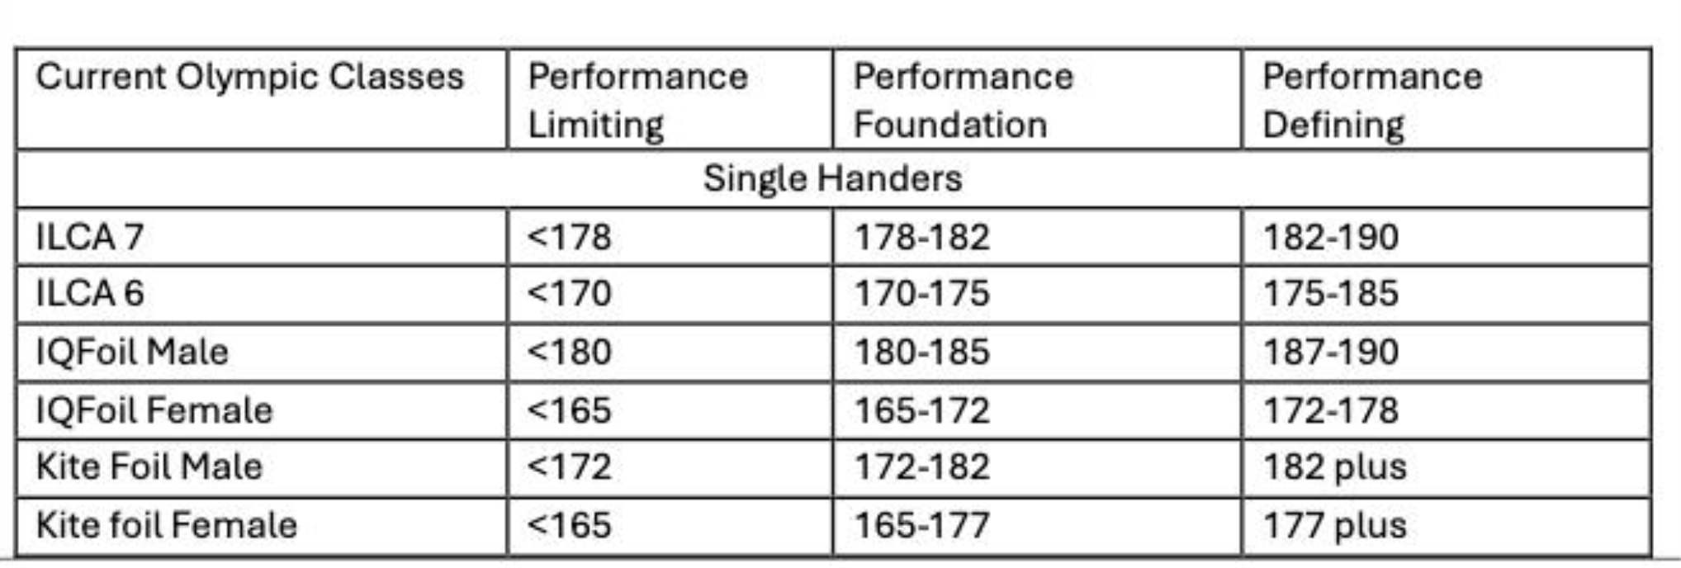
Class | Performance Limiting | Performance Foundation | Performance Defining
ILCA 7 | 178 | 182 | 190
ILCA 6 Female | 170 | 175 | 183
ILCA 6 Male | 178 | 182 | 190
IQFoil Male | 180 | 185 | 200
IQFoil Female | 165 | 172 | 180
Kite Male | 172 | 182 | 200
Kite Female | 165 | 177 | 200
470 mixed helm | 150 | 155 | 175
470 mixed crew | 163 | 168 | 200
FX helm | 160 | 165 | 180
FX crew | 163 | 168 | 200
49er helm | 160 | 170 | 195
49er crew | 165 | 175 | 195
420 Male Helm | 150 | 155 | 175
420 Mixed Helm | 150 | 155 | 175
420 Male Crew | 163 | 168 | 200
420 Mixed Crew | 163 | 168 | 200

