HarmonizationTemplateDraft
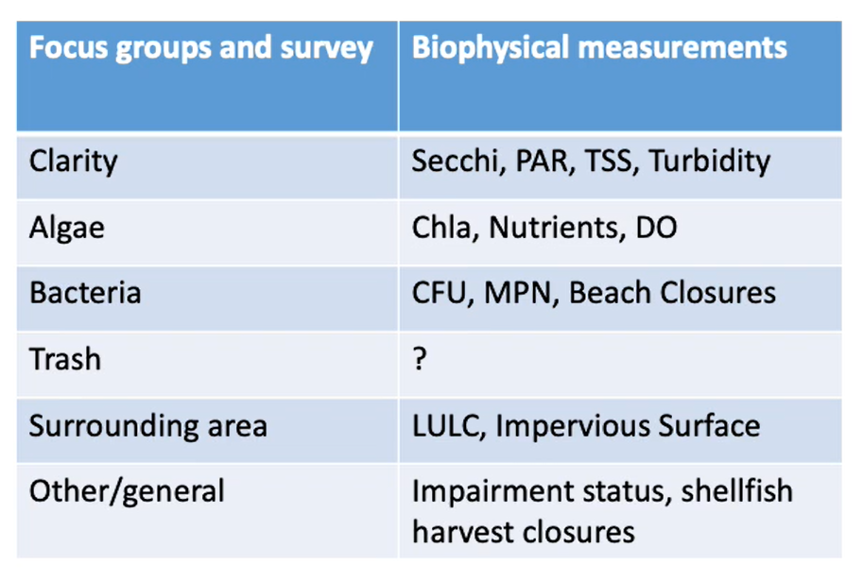
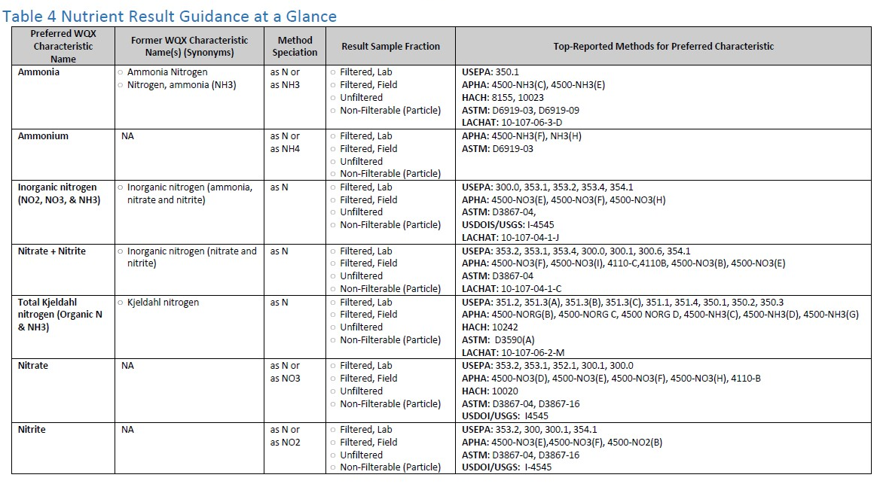
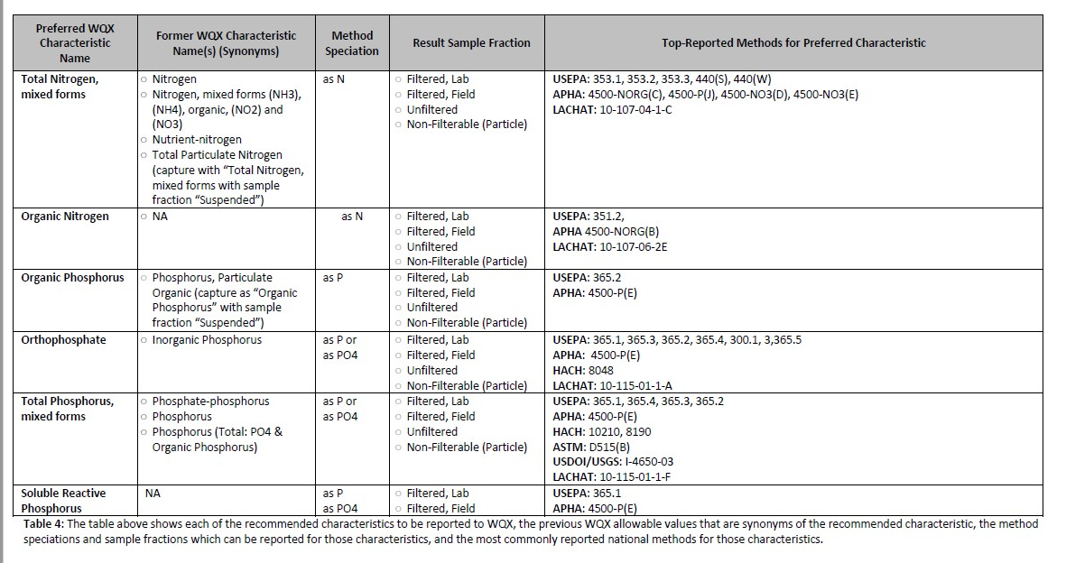
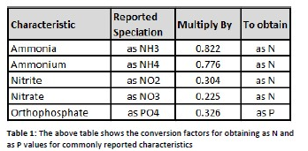
 |  |  | Unique combinations of all blue fields |  |  |  |  |  |  | Transformations
 | Analytical Method | Sample Method | Waterbody Type | Characteristic | Media |  | Fraction | Speciation | Unit | Characteristic |  | Fraction |  | Speciation |  |  | Unit
Priority | ResultAnalyticalMethod/MethodName | SampleCollectionMethod/MethodName | MonitoringLocationTypeName | CharacteristicNameUserSupplied | ActivityMediaName | CharacteristicName | ResultSampleFractionText | ResultMethodSpeciationText | ResultMeasure/MeasureUnitCode | TADA Suggested CharacteristicName | TADA CharacteristicName assumptions | TADA Suggested sample fraction | TADA Fraction assumptions | TADA Suggested speciation | TADA Speciation Conversion Factor | TADA Speciation Assumptions | TADA Suggested result unit | TADA UnitConversionFactor | TADA UnitConversionCoefficient | ComparableDataComboID | RelatedCharacteristicGroup | TADAPollutantGroup | TotalN_TotalP_ComboLogic | Speciation Conversion Comment | Speciation conversion factor
 |  |  |  |  | Water | Ammonia | Dissolved | N |  |  |  |  |  |  |  |  |  |  |  | 5 | Nitrogen | Nutrient | Values for total N derived from N subspecies
 |  |  |  |  | Water | Ammonia | Dissolved | N |  |  |  |  |  |  |  |  |  |  |  | 10 | Nitrogen | Nutrient | Values for total N derived from N subspecies | Filterable=Dissolved
 |  |  |  |  | Water | Ammonia | Dissolved |  |  | Ammonia |  | Filterable | Assumed Dissolved=Filterable | as N |  | Speciation blank, assumed as N |  |  |  | 11 | Nitrogen | Nutrient | Values for total N derived from N subspecies | Filterable=Dissolved
 |  |  |  |  | Water | Ammonia-nitrogen | Inorganic |  |  | Ammonia |  | filtered |  |  |  |  |  |  |  | 4 | Nitrogen | Nutrient | Values for total N derived from N subspecies
 |  |  |  |  | Water | Ammonia-nitrogen | Total | N |  |  |  |  |  |  |  |  |  |  |  | 15 | Nitrogen | Nutrient | Values for total N derived from N subspecies | Filterable=Dissolved
 |  |  |  |  | Water | Ammonia-nitrogen | Total Soluble |  |  | Ammonia |  | filtered |  |  |  |  |  |  |  | 2 | Nitrogen | Nutrient | Values for total N derived from N subspecies
First |  |  |  |  | Water | Ammonia-nitrogen |  |  |  |  |  |  |  |  |  |  |  |  |  | 3 | Nitrogen | Nutrient | Values for total N derived from N subspecies | Speciation assumed as N
Second |  |  |  |  | Water | Ammonium |  |  |  |  |  |  |  |  |  |  |  |  |  | 12 | Nitrogen | Nutrient | Values for total N derived from N subspecies | Filterable=Dissolved
Third |  |  |  |  | Water | Ammonium 1,1,2,2-tetrafluoro-2-{[1,1,1,2,3,3-hexafluoro-3-(pentafluoroethoxy)propan-2-yl]oxy}ethane-1-sulfonate |  |  |  |  |  |  |  |  |  |  |  |  |  | 13 | Nitrogen | Nutrient | Values for total N derived from N subspecies | Filterable=Dissolved
First |  |  |  |  | Water | Ammonium nitrate |  |  |  |  |  |  |  |  |  |  |  |  |  | ? | Nitrogen | Nutrient
First |  |  |  |  | Water | Gross beta radioactivity, (Strontium-Yttrium-90 ref std) |  |  |  |  |  |  |  |  |  |  |  |  |  | ? | Nitrogen | Nutrient
Second |  |  |  |  | Water | Hardness, Ca, Mg |  |  |  |  |  |  |  |  |  |  |  |  |  | 14 | Nitrogen | Nutrient | Values for total N derived from N subspecies | Filterable=Dissolved
 |  |  |  |  | Water | Inorganic nitrogen (nitrate and nitrite) | Dissolved |  |  | Nitrate + Nitrite |  | filtered |  |  |  |  |  |  |  | 1 | Nitrogen | Nutrient | Values for total N derived from N subspecies
 |  |  |  |  | Water | Inorganic nitrogen (nitrate and nitrite) | Inorganic |  |  | Nitrate + Nitrite |  | filtered |  |  |  |  |  |  |  | 9 | Nitrogen | Nutrient | Values for total N derived from N subspecies | Filterable=Dissolved
Second |  |  |  |  | Water | Microcystins |  |  |  |  |  |  |  |  |  |  |  |  |  | 6 | Nitrogen | Nutrient | Values for total N derived from N subspecies
Third |  |  |  |  | Water | Microcystins and nodularins |  |  |  |  |  |  |  |  |  |  |  |  |  | 16 | Nitrogen | Nutrient | Values for total N derived from N subspecies | Filterable=Dissolved
 |  |  |  |  | Water | Molybdenum | Dissolved |  |  | Molybdenum |  | filtered |  |  |  |  |  |  |  | 17 | Nitrogen | Nutrient | Values for total N derived from N subspecies | Filterable=Dissolved
 |  |  |  |  | Water | Nitrate | Total | N |  |  |  |  |  |  |  |  |  |  |  | 18 | Nitrogen | Nutrient | Values for total N derived from N subspecies | Filterable=Dissolved
Second |  |  |  |  | Water | Nitrate + Nitrite |  |  |  |  |  |  |  |  |  |  |  |  |  | 7 | Nitrogen | Nutrient | Values for total N derived from N subspecies | Speciation assumed as N; Filterable=Dissolved
First |  |  |  |  | Water | Nitrate as N; Nitrate-N; Nitrate-nitrogen; Nitrate-Nitrogen |  |  |  |  |  |  |  |  |  |  |  |  |  | 20 | Nitrogen | Nutrient | Values for total N derived from N subspecies | Speciation assumed as N; Filterable=Dissolved
 |  |  |  |  | Water | Nitrite | Dissolved |  |  | Nitrite |  | filtered |  |  |  |  |  |  |  | 9 | Nitrogen | Nutrient | Values for total N derived from N subspecies | Filterable=Dissolved
 |  |  |  |  | Water | Nitrite | Dissolved |  |  | Nitrite |  | filtered |  |  |  |  |  |  |  | ? | Nitrogen | Nutrient
 |  |  |  |  | Water | Nitrite | Total |  |  | Nitrite |  | unfiltered |  |  |  |  |  |  |  | 0 | Nitrogen | Nutrient | Total N, No Combo Needed | Speciation assumed as N
 |  |  |  |  | Water | Nitrite | Unfiltered |  |  | Nitrite |  | unfiltered |  |  |  |  |  |  |  | 8 | Nitrogen | Nutrient | Values for total N derived from N subspecies | Speciation assumed as N; Filterable=Dissolved
 |  |  |  |  | Water | Nitrogen | Total |  |  | Total Nitrogen, mixed forms |  | unfiltered |  |  |  |  |  |  |  | 19 | Nitrogen | Nutrient | Values for total N derived from N subspecies | Speciation assumed as N; Filterable=Dissolved
 |  |  |  |  | Water | Nitrogen, mixed forms (NH3), (NH4), organic, (NO2) and (NO3) | Total |  |  |  |  |  |  |  |  |  |  |  |  | ? | Phosphorus
 |  |  |  |  | Water | Orthophosphate | Total |  |  | Orthophosphate |  | unfiltered |  |  |  |  |  |  |  | ? | Phosphorus
First |  |  |  |  | Water | Total beta radioactivity |  |  |  |  |  |  |  |  |  |  |  |  |  | ? | Phosphorus
 |  |  |  |  | Water | Total Kjeldahl nitrogen (Organic N & NH3) | Unfiltered |  |  | Kjeldahl Nitrogen |  | unfiltered |  |  |  |  |  |  |  | ? | Phosphorus

