Features
CmV Values
Feature | Run |  |  |  |  |  |  |  |  |  | Feature | Run |  |  |  |  |  |  |  |  |  | Feature | Run
CMV Test | 1 | 2 | 3 | 4 | 5 | 6 | 7 | 8 | 9 | 10 | Chi Test | 1 | 2 | 3 | 4 | 5 | 6 | 7 | 8 | 9 | 10 | EucTest | 1 | 2 | 3 | 4 | 5 | 6 | 7 | 8 | 9 | 10
 | 0.0490625 | 1.13609375 | 1.6153125 | 0.6028125 | 4.54625 | 2.200625 | 0.77890625 | 1.020625 | 0.31734375 | 2.183125 |  | 0.42609375 | 4.065625 | 2.2409375 | 1.13484375 | 0.04484375 | 0.41765625 | 0.2525 | 0.07484375 | 0.04 | 0.6315625 |  | 0.2821875 | 0.7875 | 0.67953125 | 3.093125 | 0.98515625 | 0.93921875 | 0.031875 | 2.29828125 | 0.0175 | 0.11046875
 | 0.38296875 | 0.0271875 | 0.205 | 0.07296875 | 3.25171875 | 0.02046875 | 2.03625 | 0.12734375 | 0.10234375 | 0.97640625 |  | 0.04296875 | 1.56046875 | 0.03203125 | 0.0409375 | 1.11109375 | 0.9625 | 1.1278125 | 0.1809375 | 0.09296875 | 0.9190625 |  | 0.08578125 | 0.178125 | 1.05125 | 0.07125 | 0.51625 | 1.96875 | 0.1309375 | 1.0696875 | 0.011875 | 0.090625
 | 0.56171875 | 0.0346875 | 1.3996875 | 0.05734375 | 0.34140625 | 1.62 | 0.15625 | 0.84015625 | 0.43421875 | 0.10609375 |  | 0.0503125 | 2.41921875 | 0.23765625 | 0.43359375 | 0.05015625 | 0.566875 | 0.14234375 | 2.09015625 | 0.62125 | 0.02578125 |  | 0.39515625 | 0.1971875 | 1.2953125 | 0.12875 | 2.5259375 | 0.0328125 | 0.0840625 | 0.601875 | 0.1421875 | 1.30828125
 | 0.7040625 | 0.0384375 | 0.04078125 | 0.1390625 | 0.065625 | 0.11609375 | 0.135 | 0.16453125 | 0.82484375 | 0.6353125 |  | 1.70875 | 0.05765625 | 0.0321875 | 0.02578125 | 0.03453125 | 0.0471875 | 0.08671875 | 0.05640625 | 0.04546875 | 1.91921875 |  | 0.67734375 | 0.23734375 | 0.0209375 | 0.2275 | 0.0553125 | 0.05375 | 0.039375 | 0.57625 | 0.03265625 | 0.104375
 | 0.03390625 | 0.026875 | 0.0396875 | 0.44734375 | 0.059375 | 0.7865625 | 0.04171875 | 0.3515625 | 0.16328125 | 0.0603125 |  | 0.08703125 | 2.44578125 | 0.0384375 | 0.0821875 | 1.3125 | 0.07359375 | 1.2396875 | 0.23671875 | 1.04171875 | 2.31796875 |  | 0.88828125 | 1.00671875 | 0.01984375 | 1.18078125 | 0.07625 | 0.6596875 | 0.51265625 | 0.04984375 | 0.59296875 | 1.32671875
 | 0.09828125 | 1.0375 | 0.9659375 | 0.0971875 | 0.10734375 | 0.056875 | 1.9496875 | 0.10578125 | 0.16265625 | 0.06703125 |  | 0.12375 | 1.03984375 | 0.0384375 | 0.044375 | 0.13640625 | 0.28109375 | 0.20140625 | 1.956875 | 0.2840625 | 0.0484375 |  | 0.3553125 | 1.196875 | 0.1234375 | 0.32296875 | 0.581875 | 1.700625 | 0.0765625 | 0.04734375 | 0.44515625 | 1.15140625
 | 0.59421875 | 0.98546875 | 0.0421875 | 0.06296875 | 2.374375 | 0.04453125 | 0.98953125 | 0.176875 | 0.5196875 | 1.9128125 |  | 0.05484375 | 0.4209375 | 1.66203125 | 0.0578125 | 0.0815625 | 0.11015625 | 0.115625 | 0.15859375 | 0.21125 | 0.063125 |  | 0.58 | 0.62859375 | 0.02203125 | 0.115 | 0.090625 | 0.04203125 | 0.44328125 | 0.7978125 | 0.13671875 | 0.93859375
 | 0.03671875 | 0.6275 | 0.04375 | 0.0784375 | 0.0859375 | 0.14171875 | 0.135625 | 0.1246875 | 0.70359375 | 0.0609375 |  | 1.4021875 | 1.51515625 | 0.03890625 | 0.07015625 | 0.05515625 | 0.075 | 0.15828125 | 1.77984375 | 0.2978125 | 0.0290625 |  | 0.7978125 | 0.83828125 | 0.02203125 | 2.3840625 | 0.0853125 | 0.13921875 | 0.3471875 | 0.749375 | 0.14203125 | 0.9171875
 | 0.11453125 | 0.02875 | 0.49109375 | 0.06421875 | 0.0775 | 0.05796875 | 0.07546875 | 0.18109375 | 0.7690625 | 0.654375 |  | 0.1190625 | 2.0915625 | 1.155 | 0.03234375 | 0.04375 | 0.77671875 | 0.380625 | 1.21671875 | 0.04859375 | 0.056875 |  | 0.28734375 | 0.97984375 | 0.55984375 | 3.05046875 | 0.22125 | 1.36515625 | 0.29140625 | 2.08828125 | 0.0165625 | 0.10796875
 | 0.06625 | 0.02875 | 0.91984375 | 0.1521875 | 3.23875 | 0.045 | 0.06375 | 0.57375 | 0.14171875 | 0.06703125 |  | 0.70765625 | 2.92765625 | 0.7825 | 0.97046875 | 0.04625 | 0.069375 | 0.75359375 | 0.14265625 | 0.05328125 | 0.05046875 |  | 0.67734375 | 0.22828125 | 0.354375 | 2.061875 | 0.581875 | 1.13703125 | 0.03953125 | 0.45 | 0.01734375 | 0.80125
 | 0.246875 | 0.201875 | 0.208125 | 0.0828125 | 0.1546875 | 0.209375 | 0.15515625 | 0.27421875 | 0.58203125 | 1.55625 |  | 0.0440625 | 1.35953125 | 0.39703125 | 0.89953125 | 0.03890625 | 0.0821875 | 0.1825 | 0.6228125 | 0.21203125 | 0.5815625 |  | 0.43890625 | 0.47671875 | 0.025625 | 0.1190625 | 1.68796875 | 0.0421875 | 0.2171875 | 0.64890625 | 0.14578125 | 0.10515625
 | 0.12515625 | 0.440625 | 0.1696875 | 0.0696875 | 0.25953125 | 0.106875 | 0.17859375 | 0.63921875 | 0.349375 | 0.0803125 |  | 0.0653125 | 3.015625 | 0.0428125 | 0.0584375 | 0.06125 | 0.0584375 | 0.70765625 | 1.5403125 | 0.855 | 0.49609375 |  | 0.3046875 | 0.34546875 | 0.0315625 | 0.13 | 0.0659375 | 0.28921875 | 0.038125 | 0.05328125 | 0.0178125 | 1.11734375
 | 0.51984375 | 0.2753125 | 0.3746875 | 0.4084375 | 1.1034375 | 0.0503125 | 0.17953125 | 0.13734375 | 0.19515625 | 0.6425 |  | 0.065 | 0.10890625 | 0.041875 | 0.0609375 | 1.07265625 | 0.09859375 | 0.901875 | 0.3184375 | 0.0465625 | 0.558125 |  | 0.5153125 | 0.4096875 | 0.153125 | 0.85234375 | 1.1209375 | 0.13890625 | 0.15984375 | 1.590625 | 0.01671875 | 0.10609375
 | 0.06359375 | 0.03375 | 1.26921875 | 0.24234375 | 1.76890625 | 1.10328125 | 0.1596875 | 0.1390625 | 0.18609375 | 0.0928125 |  | 0.0484375 | 0.5346875 | 2.13875 | 0.8021875 | 0.05125 | 0.1571875 | 0.55984375 | 0.0884375 | 0.53296875 | 0.64875 |  | 0.49265625 | 0.58625 | 1.164375 | 2.34359375 | 0.82484375 | 0.54375 | 0.0725 | 0.0596875 | 0.10953125 | 0.9959375
 | 0.03484375 | 0.59796875 | 0.6753125 | 0.07015625 | 0.26453125 | 0.10140625 | 0.2065625 | 0.175 | 0.1671875 | 0.71296875 |  | 0.07421875 | 0.80375 | 0.0428125 | 0.0490625 | 0.28109375 | 0.68109375 | 0.0934375 | 0.0715625 | 0.3025 | 1.45875 |  | 0.3728125 | 0.54078125 | 0.205 | 0.7778125 | 2.0090625 | 0.0528125 | 0.09296875 | 0.6375 | 0.090625 | 0.39328125
 | 0.4946875 | 0.0403125 | 0.2996875 | 0.49921875 | 0.65609375 | 0.06171875 | 0.23359375 | 0.6884375 | 0.6165625 | 0.0825 |  | 0.07765625 | 0.35703125 | 1.02703125 | 0.06015625 | 0.938125 | 0.17953125 | 0.4590625 | 0.06640625 | 0.63984375 | 0.98921875 |  | 0.2715625 | 0.3209375 | 0.80578125 | 1.73265625 | 1.48953125 | 1.846875 | 0.1134375 | 1.84796875 | 0.0190625 | 0.55125
 | 0.0409375 | 0.07625 | 0.22453125 | 0.11921875 | 3.15234375 | 1.30625 | 0.24390625 | 0.1359375 | 0.12671875 | 0.24875 |  | 1.08625 | 1.55390625 | 1.8365625 | 0.61875 | 0.041875 | 0.07546875 | 1.05453125 | 0.66375 | 0.04265625 | 0.389375 |  | 0.81015625 | 0.20125 | 0.02203125 | 0.14671875 | 2.29046875 | 0.03359375 | 0.0415625 | 0.0728125 | 0.50140625 | 1.190625
 | 0.47703125 | 0.03296875 | 0.2478125 | 0.28859375 | 1.2715625 | 0.044375 | 0.3078125 | 0.78625 | 0.13296875 | 0.06796875 |  | 0.14125 | 1.81203125 | 0.03625 | 0.531875 | 0.37484375 | 0.736875 | 0.11078125 | 0.06953125 | 0.74234375 | 0.6846875 |  | 0.37921875 | 0.223125 | 0.8884375 | 0.19359375 | 0.896875 | 1.00171875 | 0.24421875 | 0.06875 | 0.17234375 | 0.66015625
 | 0.0415625 | 0.028125 | 0.04015625 | 0.0659375 | 2.54828125 | 2.04890625 | 0.06359375 | 0.1415625 | 0.64109375 | 1.12796875 |  | 0.90765625 | 1.3253125 | 0.850625 | 0.03546875 | 0.80515625 | 0.07 | 0.12796875 | 0.281875 | 0.46859375 | 0.33953125 |  | 0.1321875 | 0.6575 | 0.4090625 | 1.38328125 | 0.178125 | 0.0390625 | 0.15390625 | 0.0559375 | 0.36296875 | 0.11953125
 | 0.04875 | 0.03953125 | 0.34359375 | 0.07140625 | 0.2340625 | 1.8465625 | 0.4384375 | 0.9390625 | 0.105625 | 0.23125 |  | 0.60625 | 0.0928125 | 0.03453125 | 0.1309375 | 0.04734375 | 0.07546875 | 0.09984375 | 0.163125 | 0.08953125 | 0.80625 |  | 0.4990625 | 0.25125 | 0.03296875 | 1.54234375 | 0.0725 | 0.0565625 | 0.05484375 | 1.77078125 | 0.30765625 | 0.1134375
 | 0.27265625 | 0.03359375 | 0.13125 | 0.56203125 | 2.815625 | 0.0296875 | 0.27671875 | 0.8490625 | 0.29953125 | 0.7990625 |  | 0.0475 | 1.99296875 | 0.04453125 | 0.05609375 | 0.73203125 | 0.06328125 | 0.0903125 | 1.58796875 | 0.04453125 | 0.14453125 |  | 0.57390625 | 0.70578125 | 0.02359375 | 0.08796875 | 0.19046875 | 1.1946875 | 0.07359375 | 0.5896875 | 0.02546875 | 0.1403125
 | 0.3128125 | 0.0425 | 0.0990625 | 0.07578125 | 3.581875 | 1.67609375 | 0.06 | 0.1971875 | 0.18984375 | 0.09453125 |  | 0.06421875 | 0.71375 | 0.036875 | 0.033125 | 1.18546875 | 0.13515625 | 0.0990625 | 0.06015625 | 0.0459375 | 0.0584375 |  | 0.23265625 | 0.60453125 | 0.24453125 | 0.10796875 | 2.4934375 | 0.04125 | 0.40578125 | 0.28578125 | 0.28859375 | 0.4321875
 | 0.451875 | 1.07046875 | 0.05765625 | 0.541875 | 0.07 | 0.12546875 | 0.17859375 | 0.40734375 | 0.25421875 | 0.62359375 |  | 0.90765625 | 1.17171875 | 0.2715625 | 0.33296875 | 0.0434375 | 0.11171875 | 0.99015625 | 0.09 | 0.7403125 | 0.8153125 |  | 0.0925 | 0.18203125 | 0.0271875 | 0.12703125 | 0.255 | 0.0390625 | 0.05015625 | 0.13109375 | 0.40828125 | 0.486875
 | 0.04875 | 0.03609375 | 0.76921875 | 0.34828125 | 3.77125 | 0.06796875 | 0.3875 | 0.15515625 | 0.15546875 | 0.06609375 |  | 1.26078125 | 3.2603125 | 0.0509375 | 0.0590625 | 1.24671875 | 0.5153125 | 0.17109375 | 0.94578125 | 0.06484375 | 0.0825 |  | 0.30296875 | 0.19015625 | 0.02140625 | 0.13234375 | 0.06515625 | 0.05140625 | 0.0646875 | 1.2446875 | 0.2253125 | 0.10015625
 | 0.16375 | 0.495625 | 1.038125 | 0.34828125 | 4.36078125 | 0.05609375 | 0.8240625 | 0.9440625 | 0.106875 | 0.9409375 |  | 0.3121875 | 1.11265625 | 0.045625 | 0.24265625 | 0.25375 | 0.1675 | 0.2528125 | 0.131875 | 0.338125 | 0.91609375 |  | 0.33234375 | 0.91375 | 0.02515625 | 1.3484375 | 0.62609375 | 0.0521875 | 0.06796875 | 1.3740625 | 0.01859375 | 1.27625
 | 0.389375 | 0.03859375 | 0.05515625 | 0.105625 | 0.40734375 | 1.2009375 | 0.5140625 | 0.15515625 | 0.15546875 | 0.69140625 |  | 0.32421875 | 4.04765625 | 0.04578125 | 0.45453125 | 0.06046875 | 0.2390625 | 0.0996875 | 0.06015625 | 0.04734375 | 1.75234375 |  | 0.863125 | 0.94390625 | 0.74015625 | 1.7084375 | 0.114375 | 0.04546875 | 0.29984375 | 0.05546875 | 0.26546875 | 0.10875
 | 0.0415625 | 0.03140625 | 0.096875 | 0.06421875 | 0.07765625 | 0.0315625 | 0.32765625 | 0.79703125 | 0.2178125 | 0.11890625 |  | 0.17015625 | 3.6728125 | 0.03625 | 0.0440625 | 0.04625 | 0.48875 | 0.086875 | 0.21671875 | 0.41703125 | 1.1596875 |  | 0.58640625 | 0.53109375 | 0.22046875 | 0.07625 | 1.6303125 | 1.3059375 | 0.1328125 | 0.05109375 | 0.325625 | 0.19421875
 | 0.1678125 | 0.06421875 | 0.80015625 | 0.4653125 | 0.06140625 | 1.479375 | 0.0575 | 0.6809375 | 0.4640625 | 0.2925 |  | 0.07078125 | 3.24796875 | 0.03875 | 0.581875 | 0.08296875 | 0.0759375 | 0.31328125 | 0.80578125 | 0.040625 | 0.093125 |  | 0.51390625 | 0.2340625 | 0.9753125 | 2.2353125 | 1.34375 | 1.24546875 | 0.0340625 | 0.055 | 0.08109375 | 0.73
 | 0.195 | 0.57046875 | 0.214375 | 0.1240625 | 3.36796875 | 1.0359375 | 0.205625 | 0.14375 | 0.16296875 | 0.3278125 |  | 1.1925 | 3.80828125 | 0.0440625 | 0.28390625 | 0.14171875 | 0.1921875 | 0.30234375 | 0.06515625 | 0.118125 | 0.03109375 |  | 0.61015625 | 0.82 | 0.29140625 | 1.0596875 | 2.11140625 | 0.07046875 | 0.05234375 | 0.0834375 | 0.0315625 | 1.1353125
 | 0.40375 | 0.05296875 | 0.5921875 | 0.18984375 | 1.19078125 | 1.92015625 | 0.49921875 | 0.123125 | 0.1375 | 1.03140625 |  | 0.0771875 | 0.1071875 | 0.04625 | 0.4109375 | 0.095 | 0.13328125 | 1.13640625 | 1.956875 | 0.5140625 | 1.57875 |  | 0.12078125 | 0.1915625 | 0.1103125 | 0.13390625 | 1.324375 | 0.04484375 | 0.03609375 | 0.065625 | 0.05234375 | 0.24890625
 | 0.56703125 | 0.04703125 | 1.37703125 | 0.2484375 | 0.0859375 | 0.776875 | 0.445 | 0.1959375 | 0.82484375 | 1.3853125 |  | 1.3678125 | 0.3175 | 0.0859375 | 0.03875 | 0.0740625 | 0.60640625 | 0.184375 | 0.305625 | 0.97328125 | 0.5865625 |  | 0.6290625 | 0.64296875 | 0.07359375 | 0.5609375 | 0.12984375 | 0.04109375 | 0.14203125 | 0.6140625 | 0.195625 | 0.31828125
 | 0.3096875 | 0.0384375 | 0.0484375 | 0.06734375 | 0.34515625 | 0.60421875 | 0.3184375 | 0.23734375 | 0.1409375 | 0.92203125 |  | 0.05109375 | 0.22828125 | 0.0425 | 0.72375 | 0.9165625 | 0.6340625 | 0.14328125 | 0.19359375 | 0.35734375 | 0.06265625 |  | 0.35625 | 0.99390625 | 0.02140625 | 0.1434375 | 0.10671875 | 0.26515625 | 0.035 | 0.88765625 | 0.0184375 | 0.2234375
 | 0.49578125 | 0.9953125 | 1.52109375 | 0.0728125 | 2.71125 | 0.68265625 | 0.85109375 | 0.20890625 | 0.160625 | 0.58671875 |  | 0.07421875 | 0.17078125 | 0.0421875 | 0.07015625 | 0.415625 | 0.4396875 | 0.09546875 | 1.04265625 | 0.04203125 | 0.41453125 |  | 0.42078125 | 1.00671875 | 0.060625 | 0.09390625 | 0.35109375 | 1.94015625 | 0.1125 | 0.15890625 | 0.4709375 | 0.716875
 | 0.34234375 | 0.0403125 | 0.07140625 | 0.28578125 | 0.083125 | 0.11609375 | 0.663125 | 0.36953125 | 0.1728125 | 0.4546875 |  | 0.164375 | 0.06 | 0.349375 | 0.02671875 | 0.05828125 | 0.04828125 | 0.17796875 | 0.12265625 | 0.9371875 | 0.0453125 |  | 0.15640625 | 0.669375 | 0.2871875 | 0.92296875 | 2.22 | 0.1846875 | 0.09515625 | 0.45375 | 0.1915625 | 0.10921875
 | 0.5121875 | 0.046875 | 0.07859375 | 0.42140625 | 0.375625 | 0.3753125 | 0.62109375 | 0.10953125 | 0.135625 | 0.48890625 |  | 0.06421875 | 4.065625 | 0.0375 | 0.0309375 | 0.1534375 | 0.04734375 | 0.15453125 | 0.08578125 | 0.88375 | 0.2525 |  | 0.3428125 | 0.510625 | 0.1153125 | 2.2353125 | 0.4403125 | 0.1146875 | 0.0996875 | 0.135625 | 0.1121875 | 1.30828125
 | 0.5734375 | 0.035625 | 1.06 | 0.06328125 | 0.08453125 | 0.024375 | 0.70328125 | 0.16515625 | 0.3671875 | 0.81203125 |  | 0.0609375 | 0.35703125 | 0.06015625 | 0.15625 | 0.64515625 | 0.15078125 | 0.19796875 | 0.10578125 | 0.2234375 | 1.088125 |  | 0.3728125 | 0.17984375 | 0.08234375 | 0.3928125 | 0.10359375 | 0.05546875 | 0.08421875 | 0.21953125 | 0.378125 | 0.29
 | 0.0675 | 0.04 | 1.16015625 | 0.0578125 | 1.50171875 | 0.06734375 | 0.055625 | 1.020625 | 0.225625 | 2.1803125 |  | 0.08953125 | 1.8765625 | 1.155 | 0.04609375 | 0.5859375 | 0.2925 | 0.17390625 | 1.1971875 | 0.04 | 0.061875 |  | 0.3203125 | 0.4778125 | 0.04296875 | 0.0959375 | 0.07796875 | 0.04671875 | 0.0365625 | 0.18546875 | 0.01953125 | 0.30125
 | 0.045 | 0.03390625 | 1.48421875 | 0.0821875 | 1.50171875 | 0.61734375 | 0.56578125 | 0.2453125 | 0.5003125 | 2.01921875 |  | 0.50265625 | 0.126875 | 2.17703125 | 0.06375 | 0.20703125 | 0.278125 | 0.19609375 | 0.068125 | 0.15046875 | 1.91109375 |  | 0.4328125 | 0.64296875 | 0.1234375 | 0.566875 | 0.16375 | 0.09125 | 0.40578125 | 1.12375 | 0.22109375 | 0.2546875
 | 0.59421875 | 0.0478125 | 0.12171875 | 0.1115625 | 4.13453125 | 0.460625 | 0.98796875 | 0.46640625 | 0.17328125 | 1.28953125 |  | 0.24265625 | 1.22515625 | 0.0403125 | 0.05546875 | 0.49515625 | 0.08171875 | 0.1496875 | 1.07546875 | 0.3821875 | 0.6146875 |  | 0.21375 | 0.96890625 | 0.49125 | 0.1590625 | 0.276875 | 0.1378125 | 0.10171875 | 0.985 | 0.37203125 | 0.12234375
 | 0.0809375 | 0.04203125 | 1.18234375 | 0.05890625 | 3.35421875 | 0.91890625 | 0.314375 | 0.4503125 | 0.41140625 | 0.2353125 |  | 0.52546875 | 2.23421875 | 0.1003125 | 0.05125 | 0.66765625 | 0.0915625 | 0.12625 | 0.07609375 | 0.27359375 | 1.6796875 |  | 0.863125 | 0.24609375 | 0.22671875 | 0.29078125 | 0.59578125 | 0.10015625 | 0.09171875 | 0.10546875 | 0.56140625 | 1.1403125
 | 0.42671875 | 1.13609375 | 0.575 | 0.17765625 | 4.01421875 | 1.580625 | 0.480625 | 0.1190625 | 0.32609375 | 0.211875 |  | 0.09859375 | 1.0075 | 0.04125 | 0.97046875 | 0.04328125 | 0.0625 | 0.9259375 | 0.07109375 | 0.0490625 | 1.3125 |  | 0.10125 | 0.18 | 1.2059375 | 0.07484375 | 0.08078125 | 0.54375 | 0.0915625 | 0.07359375 | 0.1246875 | 1.17265625
 | 0.04484375 | 0.0421875 | 0.04828125 | 0.445 | 2.8084375 | 0.03421875 | 0.89125 | 0.15125 | 0.106875 | 1.43859375 |  | 0.05671875 |  | 0.03421875 | 0.7515625 | 0.04734375 | 0.1615625 | 0.1025 | 0.07796875 | 0.0459375 | 0.11328125 |  | 0.166875 | 0.20625 | 0.09921875 | 0.6678125 | 0.09109375 | 0.050625 | 0.24140625 | 0.14890625 | 0.52515625 | 0.46859375
 | 0.505 | 0.0378125 | 0.0421875 | 0.105625 | 1.76890625 | 0.2603125 | 0.07046875 | 0.19296875 | 0.1028125 | 0.38140625 |  | 0.05609375 |  | 0.0453125 | 0.08203125 | 0.0425 | 0.3465625 | 0.345 | 0.06609375 | 0.04328125 | 0.0421875 |  | 0.19203125 | 0.69875 | 0.02078125 | 0.54984375 | 0.4865625 | 0.0396875 | 0.10375 | 1.4790625 | 0.41765625 | 0.1546875
 | 0.36984375 | 0.25234375 | 0.575 | 0.0734375 | 3.99328125 | 0.874375 | 0.78734375 | 0.22328125 | 0.14546875 | 0.48375 |  | 0.06140625 |  | 0.06328125 | 0.0403125 | 0.04671875 | 0.05015625 | 0.50078125 | 0.090625 | 0.23984375 | 0.944375 |  | 0.1153125 | 0.1984375 | 0.02734375 | 0.61484375 | 0.981875 | 0.229375 | 0.05609375 | 0.49921875 | 0.1415625 | 0.24734375
 | 0.43703125 | 0.47234375 | 0.65640625 | 0.0646875 | 0.07765625 | 0.02625 | 0.04265625 | 0.249375 | 0.10390625 | 0.6996875 |  | 0.69203125 |  | 0.04359375 | 0.051875 | 0.76703125 | 0.049375 | 0.1403125 | 0.09203125 | 0.0615625 | 0.324375 |  | 0.09921875 | 0.92796875 | 0.48109375 | 1.02453125 | 0.1046875 | 0.0396875 | 0.0403125 | 0.15640625 | 0.06734375 | 0.10359375
 | 0.0696875 | 0.0303125 | 0.043125 | 0.16796875 | 3.77125 | 1.10328125 | 0.1359375 | 0.50390625 | 0.14796875 | 1.4821875 |  | 0.08671875 |  | 0.16078125 | 0.0471875 | 0.4784375 | 0.3984375 | 0.52421875 | 0.0809375 | 0.0503125 | 0.5275 |  | 0.18515625 | 0.19875 | 0.1378125 | 0.0728125 | 0.90671875 | 0.10515625 | 0.0503125 | 0.085 | 0.10296875 | 0.10875
 | 0.04046875 | 0.0325 | 0.043125 | 0.07484375 | 2.54828125 | 0.2209375 | 0.62390625 | 0.79421875 | 0.42140625 | 0.6046875 |  | 0.065 |  | 1.7540625 | 0.18546875 | 0.1546875 | 0.32734375 | 0.1303125 | 0.95015625 | 0.04578125 | 0.62046875 |  | 0.1125 | 0.23609375 | 0.025 | 0.1015625 | 0.3046875 | 0.06046875 | 0.07484375 | 1.5159375 | 0.24703125 | 1.15859375
 | 0.55328125 | 0.05921875 | 0.05671875 | 0.5159375 | 0.27578125 | 0.09734375 | 0.15984375 | 0.17859375 | 0.36421875 | 0.84453125 |  | 0.04953125 |  | 0.059375 | 0.02859375 | 0.053125 | 0.2271875 | 0.0946875 | 0.84375 | 0.3090625 | 1.3125 |  | 0.14 | 0.99390625 | 1.24875 | 0.1325 | 2.0165625 | 0.261875 | 0.1125 | 0.17515625 | 0.03015625 | 0.104375
 | 0.58484375 | 0.0334375 | 0.0646875 | 0.06484375 | 0.27671875 | 1.41515625 | 0.37765625 | 0.22796875 | 0.3953125 | 0.68578125 |  | 0.0578125 |  | 1.75359375 | 0.07765625 | 1.1284375 | 0.37609375 | 0.1240625 | 0.08234375 | 1.04171875 | 0.5471875 |  | 0.0909375 | 0.1915625 | 0.9384375 | 0.13234375 | 0.64609375 | 0.1596875 | 0.07671875 | 0.09765625 | 0.0171875 | 1.13171875
 | 0.1896875 | 0.03390625 | 0.08625 | 0.089375 | 4.17390625 | 0.36921875 | 0.348125 | 0.15921875 | 0.1540625 | 0.82546875 |  | 0.04453125 |  | 0.03875 | 0.0875 | 0.05359375 | 0.2653125 | 0.28953125 | 0.08390625 | 0.1390625 | 0.578125 |  | 0.13640625 | 0.96796875 | 0.7003125 | 0.08421875 | 0.0909375 | 0.2021875 | 0.0796875 | 0.1603125 | 0.54484375 | 0.11359375
Mittelwert | 0.2798375 | 0.233428125 | 0.47531875 | 0.19533125 | 1.663053125 | 0.604353125 | 0.426071875 | 0.368884375 | 0.295321875 | 0.6917 |  | 0.333546875 | 1.56859375 | 0.42903125 | 0.244496875 | 0.3510125 | 0.25304375 | 0.3415 | 0.488246875 | 0.306565625 | 0.65370625 |  | 0.37839375 | 0.53495 | 0.3395125 | 0.7558375 | 0.733728125 | 0.41686875 | 0.1306875 | 0.574628125 | 0.195615625 | 0.532225

Standardabw | 0.21171944179 | 0.34695754425 | 0.49223309408 | 0.16693505076 | 1.5560922558 | 0.65540708665 | 0.41927165969 | 0.28678394526 | 0.20430936066 | 0.58183022505 |  | 0.43767219184 | 1.2730368305 | 0.67806722896 | 0.3069267559 | 0.40039110548 | 0.22675059485 | 0.32877868369 | 0.59997959299 | 0.30910727129 | 0.59308436047 |  | 0.22945523554 | 0.31164022106 | 0.39353396931 | 0.84849206187 | 0.75325189349 | 0.57502670196 | 0.11732660494 | 0.61335202529 | 0.17616453327 | 0.44613729271

Chi Values
Features | Run |  |  |  |  |  |  |  |  |  | Feature | Run |  |  |  |  |  |  |  |  |  | Feature
CmV Test | 1 | 2 | 3 | 4 | 5 | 6 | 7 | 8 | 9 | 10 | Chi Test | 1 | 2 | 3 | 4 | 5 | 6 | 7 | 8 | 9 | 10 | Euclidean Test | 1 | 2 | 3 | 4 | 5 | 6 | 7 | 8 | 9 | 10
 | 7.2601959617 | 18.763736264 | 18.619047619 | 13.996203796 | 31.206349206 | 19.039938556 | 11.812315271 | 14.612369511 | 13.100583717 | 19.793131313 |  | 8.0692647451 | 23.059766105 | 17.762962963 | 14.015142893 | 9.1217472496 | 11.628017144 | 9.5113041081 | 11.119455782 | 7.3382838284 | 13.195583284 |  | 12.981532652 | 13.311355311 | 13.63380405 | 30.622498275 | 17.301587302 | 12.583567476 | 6.0343915344 | 20.952380952 | 4.2915525683 | 12.575163399
 | 10.945054945 | 6.5123152709 | 11.352452359 | 10.695526696 | 26.413250518 | 4.7276688453 | 16.356022885 | 12.197897341 | 12.552569543 | 16.76693866 |  | 6.6418026418 | 15.198216276 | 7.2486772487 | 7.1345801247 | 15.858024691 | 15.185408636 | 20.95805069 | 10.788558959 | 10.080952381 | 16.963388098 |  | 13.432586737 | 13.896863371 | 16.438572719 | 10.111011101 | 12.316527418 | 18.371847427 | 10.003228659 | 14.486948336 | 3.2156784644 | 11.064720625
 | 11.624481163 | 7.5448383035 | 17.209691277 | 10.16563147 | 10.796906797 | 16.432500349 | 6.7974650853 | 15.458541459 | 11.146666667 | 7.7386994449 |  | 6.8172335601 | 16.19047619 | 10.567673664 | 10.589499389 | 8.4830724831 | 10.560573171 | 8.7369281046 | 18.353439153 | 14.24571805 | 6.0763790665 |  | 14.153886693 | 13.065520945 | 19.304232804 | 14.457142857 | 23.552799808 | 9.1186554622 | 8.6547089492 | 12.842577031 | 9.2812777285 | 19.046158661
 | 11.420354809 | 7.2486772487 | 7.4706647808 | 12.197897341 | 6.8013468013 | 7.3167044596 | 7.9351851852 | 11.257936508 | 13.626948215 | 17.285835887 |  | 16.909111488 | 7.0829897107 | 7.6479076479 | 6.8570226537 | 7.0256410256 | 8.3847619048 | 9.6717171717 | 10.604098124 | 7.5514285714 | 25.513361463 |  | 17.744768641 | 13.591504535 | 4.8545128706 | 12.320408163 | 9.3637636873 | 8.8420933522 | 8.3475783476 | 12.842577031 | 4.0490117977 | 12.575163399
 | 7.781873572 | 6.5714285714 | 7.8386554622 | 15.106267645 | 6.3775510204 | 12.665850673 | 6.5394420394 | 11.373467113 | 13.176479076 | 7.5256410256 |  | 7.6831438893 | 17.448088821 | 8.8420933522 | 7.0862470862 | 17.375061728 | 9.3371428571 | 20.013042911 | 11.134898609 | 13.214109347 | 20.122780315 |  | 19.091915836 | 15.701833421 | 5.6239981141 | 19.595061728 | 9.3664975727 | 12.457092888 | 8.7844653431 | 10.057398759 | 10.927536232 | 19.548051948
 | 6.9333109419 | 14.817528151 | 12.483320601 | 10.311111111 | 7.784144427 | 5.5376986202 | 15.402267424 | 11.566992014 | 13.511111111 | 7.5256410256 |  | 6.7051820728 | 12.923661704 | 9.8829724731 | 6.3012467913 | 9.1671345029 | 11.815384615 | 10.207362378 | 18.507936508 | 11.575396825 | 7.3013468013 |  | 14.368978539 | 16.835258879 | 9.0720327782 | 16.729008626 | 13.277814497 | 17.133869156 | 10.508973583 | 10.268893012 | 8.4004756596 | 17.933747412
 | 11.184286302 | 16.20641704 | 7.4706647808 | 9.8491063392 | 21.523809524 | 7.3182838284 | 12.361728395 | 13.104833311 | 16.410809281 | 19.842399147 |  | 6.4278155707 | 9.3411852211 | 17.222408027 | 7.0602229188 | 11.071384061 | 10.430911681 | 10.18707483 | 11.737494998 | 11.428991597 | 6.3775510204 |  | 14.140644846 | 12.996677741 | 5.1386554622 | 11.26984127 | 11.119455782 | 8.358974359 | 8.7766006777 | 14.950513539 | 9.7777777778 | 17.928407225
 | 7.1976738039 | 13.085001273 | 7.178021978 | 10.385902876 | 8.6892488954 | 7.2942550004 | 6.6819991154 | 11.626468769 | 14.772763992 | 7.3013468013 |  | 16.478342258 | 14.975297162 | 8.8420933522 | 6.8677248677 | 9.251534346 | 8.3892970522 | 9.4477134011 | 17.898027898 | 12.40430622 | 5.1239981141 |  | 18.385550082 | 15.407772304 | 4.9934562422 | 27.547899857 | 8.6500377929 | 11.114611062 | 9.4895285774 | 14.054883269 | 7.3982436044 | 17.34312584
 | 7.9986772487 | 6.4459372046 | 12.955022812 | 10.695526696 | 8.3847619048 | 7.1394557823 | 6.305311943 | 10.952848789 | 13.730645995 | 15.773448773 |  | 6.7051820728 | 16.887218045 | 13.58675892 | 8.967913458 | 6.7306915307 | 11.9995671 | 15.064912922 | 15.731813865 | 7.9097123998 | 7.3727753728 |  | 14.767246937 | 15.701833421 | 8.8690540333 | 30.41737007 | 14.511496132 | 14.463270063 | 9.0107890499 | 21.034112554 | 4.2915525683 | 10.978634706
 | 7.4952704601 | 6.5714285714 | 16.642828691 | 13.743145743 | 26.413250518 | 5.4152046784 | 6.2447058824 | 13.798181818 | 11.957431457 | 7.5256410256 |  | 12.107788852 | 19.115372907 | 12.474297189 | 13.129785247 | 10.299145299 | 9.3240981241 | 18.100721501 | 9.661372549 | 7.6694677871 | 8.1346801347 |  | 17.744768641 | 12.479725086 | 10.244152362 | 24.539072039 | 13.277814497 | 13.885623149 | 8.3475783476 | 12.733577534 | 4.3955411722 | 16.080519481
 | 9.3714893617 | 7.8930704898 | 9.3540031898 | 9.9414584316 | 6.1574074074 | 7.8544523247 | 6.9728487886 | 9.8107890499 | 12.610852975 | 17.87674314 |  | 6.6418026418 | 13.595652174 | 12.073260073 | 10.835559487 | 7.3688888889 | 10.085023548 | 11.677536232 | 15.525433544 | 11.428991597 | 13.851515152 |  | 17.313393853 | 13.421245421 | 4.9050505051 | 11.993839384 | 19.435897436 | 8.8163058064 | 8.9380440348 | 13.94147813 | 7.3982436044 | 12.575163399
 | 8.7036118004 | 8.3049834061 | 10.340594651 | 10.16563147 | 7.8138610283 | 8.8870748299 | 8.3280392157 | 13.062887701 | 13.337147625 | 7.888133031 |  | 7.6980329612 | 21.587185355 | 9.1186554622 | 6.5394420394 | 8.1798556999 | 9.0545010545 | 18.182887701 | 17.49745503 | 11.726678141 | 12.998181818 |  | 14.47400319 | 14.676023392 | 5.2907647908 | 12.747432258 | 8.6500377929 | 11.228582966 | 8.3475783476 | 7.4679487179 | 4.0381263617 | 18.452514919
 | 10.430775445 | 9.5068004459 | 10.834145854 | 15.630107527 | 16.24809398 | 5.6444444444 | 7.919158207 | 12.197897341 | 13.691836735 | 17.632156233 |  | 8.120518688 | 8.9552669553 | 8.3567507003 | 7.5256410256 | 16.667917448 | 8.9984301413 | 19.1942959 | 11.719806763 | 7.9097123998 | 13.851515152 |  | 14.539257844 | 16.023391813 | 9.1244309683 | 17.838033452 | 20.437564499 | 11.947944395 | 11.020110117 | 16.245088245 | 4.0381263617 | 11.282539683
 | 8.5346153846 | 6.1240981241 | 15.6509276 | 12.582488479 | 17.89010989 | 17.168500087 | 7.2945419103 | 12.197897341 | 13.426308937 | 7.784144427 |  | 6.6418026418 | 9.2246095889 | 18.141430499 | 14.675381264 | 8.117820324 | 8.5486322188 | 13.676074244 | 11.719236209 | 12.359775281 | 14.804597701 |  | 13.159775281 | 12.543411645 | 18.532627866 | 26.924523234 | 17.005172106 | 11.624481163 | 7.0256410256 | 7.9976738039 | 6.2385057471 | 17.495506792 | LLVM
 | 7.2258852259 | 12.989512492 | 11.166069563 | 10.695526696 | 9.966873706 | 6.4423076923 | 8.4318403853 | 13.104833311 | 13.176479076 | 15.1554079 |  | 7.4670868347 | 11.969610916 | 10.153727754 | 7.3785822021 | 10.637362637 | 16.255910364 | 9.3337414966 | 11.457431457 | 12.40430622 | 15.018518519 |  | 15.03328213 | 12.490620491 | 9.4219258554 | 17.182503771 | 20.936140351 | 9.3371428571 | 8.8833711262 | 14.324855672 | 6.2257953687 | 13.458678955
 | 12.715330836 | 7.8262203363 | 9.7401337793 | 14.374603175 | 13.767560664 | 8.2222222222 | 7.4002006146 | 14.639534884 | 14.247619048 | 7.784144427 |  | 7.6073939312 | 9.6225670559 | 13.609811819 | 7.0862470862 | 16.9664903 | 8.7819593787 | 13.328893329 | 10.35755102 | 10.597729014 | 18.407990708 |  | 11.134898609 | 15.475146199 | 13.584516848 | 21.037230459 | 18.646625405 | 16.767567568 | 8.6547619048 | 20.480586081 | 4.6124786325 | 15.390432603
 | 7.4471361695 | 7.317820324 | 9.3540031898 | 10.614611062 | 28.427614491 | 14.223473004 | 9.6525317693 | 11.648531159 | 13.451634356 | 8.6485029364 |  | 12.589483149 | 14.975297162 | 16.564694565 | 12.566045066 | 7.3688888889 | 9.3113553114 | 22.270897833 | 13.28620155 | 6.98 | 8.4856915868 |  | 18.139534884 | 13.065520945 | 5.8159041394 | 11.26984127 | 22.516017316 | 9.1186554622 | 6.7637362637 | 8.8538011696 | 9.5485380117 | 17.933747412
 | 11.978388278 | 7.5448383035 | 10.204822695 | 13.745576061 | 16.891139241 | 5.3036325641 | 9.0107890499 | 15.836862745 | 13.958441558 | 8.1021201021 |  | 6.015037594 | 15.028182999 | 7.8201058201 | 9.1060910704 | 11.142738244 | 14.822974437 | 9.1244309683 | 11.444344434 | 11.387398132 | 11.804644438 |  | 15.03328213 | 13.006040875 | 13.072336404 | 13.676261882 | 16.176578377 | 13.226434277 | 10.632783883 | 9.4240574241 | 6.740346908 | 13.114840216
 | 7.2601959617 | 6.4288600289 | 7.178021978 | 10.16707483 | 23.239316239 | 19.683076509 | 7.3382838284 | 11.140594651 | 14.901213819 | 14.720963855 |  | 16.349170437 | 11.907788688 | 13.062802936 | 6.6906647808 | 18.142191142 | 9.3371428571 | 7.990836197 | 11.575327746 | 10.38609107 | 7.877394636 |  | 14.336996337 | 14.355555556 | 7.7570850202 | 23.603290857 | 13.912183055 | 9.1186554622 | 9.712962963 | 7.9840777502 | 9.0540704308 | 10.171428571
 | 6.1612948628 | 7.4829724731 | 10.465489567 | 11.219236209 | 10.059737157 | 16.933333333 | 10.332802829 | 14.607068339 | 11.939393939 | 9.7978323946 |  | 14.675195393 | 6.1367521368 | 7.6479076479 | 7.9887218045 | 8.1693662972 | 9.6528867957 | 8.598447379 | 11.41563147 | 7.2651140456 | 15.963369963 |  | 14.222222222 | 12.323934837 | 5.619047619 | 21.135897436 | 10.927536232 | 9.670581965 | 6.6955266955 | 20.243520193 | 7.4759505727 | 11.023747488
 | 8.7131086142 | 6.8042328042 | 8.0337414966 | 13.996203796 | 23.591534392 | 5.7478632479 | 8.3075021629 | 15.17047619 | 12.427489177 | 16.426531323 |  | 6.8172335601 | 16.621082621 | 9.0870610871 | 7.3785822021 | 15.141224842 | 9.0545010545 | 9.6717171717 | 15.809657759 | 7.9097123998 | 6.9728487886 |  | 14.631515152 | 15.861646626 | 5.6239981141 | 11.219236209 | 12.177536232 | 13.537970801 | 10.028860029 | 12.842577031 | 4.6795536697 | 8.8645640074
 | 10.540133779 | 7.8262203363 | 8.4707647908 | 10.095842302 | 28.662421227 | 17.268170426 | 8.3164165931 | 12.244949495 | 12.248964803 | 7.2127158556 |  | 7.0814103419 | 9.3125342091 | 7.6479076479 | 7.3885057471 | 18.373083706 | 10.720994927 | 9.4517807123 | 11.384867679 | 6.98 | 7.4702012764 |  | 15.203007519 | 14.560727662 | 11.798245614 | 11.604950495 | 23.231990232 | 9.2100840336 | 9.2081467426 | 9.7002070393 | 8.2541458541 | 12.887250384
 | 11.243094161 | 19.471984805 | 7.6830724831 | 14.145489567 | 6.5394420394 | 6.261208577 | 8.3280392157 | 12.535555556 | 11.781337401 | 17.007936508 |  | 16.349170437 | 13.045905138 | 12.647164122 | 9.8450841329 | 7.3688888889 | 9.2030075188 | 23.083979328 | 10.242688049 | 10.309243697 | 12.242152894 |  | 13.432586737 | 13.896863371 | 6.0014927601 | 14.723998114 | 12.4295846 | 8.8163058064 | 8.5494505495 | 8.0994258696 | 10.137566138 | 12.789210789
 | 6.1612948628 | 6.1240981241 | 11.591915836 | 12.010536981 | 29.24685451 | 5.4861344538 | 8.9954751131 | 11.257936508 | 13.511111111 | 8.1346801347 |  | 15.044382659 | 21.730208489 | 10.153727754 | 7.3888888889 | 16.864700665 | 10.237547893 | 12.263478587 | 13.82010582 | 6.5050505051 | 7.2108843537 |  | 17.061111111 | 12.785752259 | 4.9714285714 | 15.822899213 | 10.432486727 | 10.137620265 | 7.3727753728 | 15.73023838 | 8.2928879631 | 13.187652169
 | 9.7123195677 | 9.8013468013 | 16.746217551 | 12.010536981 | 31.252714391 | 5.5968119206 | 11.834810351 | 14.168632701 | 11.939393939 | 17.094801839 |  | 7.7370437588 | 12.923661704 | 9.4556517992 | 9.1434613496 | 10.135330836 | 10.597293233 | 11.622861911 | 11.364564007 | 13.627997298 | 16.130054765 |  | 14.521882419 | 15.934088094 | 5.4161290323 | 23.845715099 | 19.211721612 | 9.6954266855 | 7.1063260711 | 15.950044209 | 4.0490117977 | 19.548051948
 | 11.125054945 | 7.2486772487 | 8.3239981141 | 11.972789116 | 10.965489567 | 13.694678587 | 10.520726733 | 11.257936508 | 13.511111111 | 16.068268387 |  | 7.772757737 | 23.059766105 | 9.4764790765 | 12.4295846 | 7.9950690013 | 11.37465723 | 11.106060606 | 11.384867679 | 7.5514285714 | 25.147368421 |  | 19.091915836 | 15.996536797 | 13.915708812 | 23.157313275 | 11.972789116 | 9.3113553114 | 8.6659704818 | 9.2797250859 | 8.5363318341 | 11.550063277
 | 7.5532293594 | 6.6478076379 | 9.45567476 | 10.695526696 | 9.0545010545 | 5.0125691302 | 9.0107890499 | 15.049170437 | 11.9719672 | 8.3101280163 |  | 7.1468995068 | 20.979897148 | 7.8201058201 | 7.3727753728 | 6.7306915307 | 11.668159427 | 8.598447379 | 11.586845903 | 11.879721302 | 14.703828913 |  | 16.281914687 | 13.46031746 | 9.2519466073 | 10.682439673 | 17.35042735 | 14.128047391 | 8.1120984279 | 10.057398759 | 7.6127833519 | 9.9274891775
 | 8.0105369807 | 6.6394557823 | 13.450890195 | 14.351759352 | 5.968013468 | 14.916117216 | 7.8133333333 | 13.887398132 | 15.647826087 | 9.6469235037 |  | 6.7584218278 | 21.374652933 | 9.6039981141 | 13.696905393 | 9.8394557823 | 8.9984301413 | 12.46875487 | 15.839402428 | 7.9097123998 | 7.0524698844 |  | 14.539257844 | 12.323934837 | 15.703926818 | 26.174764292 | 17.903145988 | 14.054099833 | 7.4829724731 | 8.75 | 4.1662700487 | 14.103896104
 | 8.0238866397 | 12.03713154 | 11.450626566 | 13.396825397 | 25.66757764 | 13.920963855 | 8.1047107015 | 10.849047619 | 12.719336219 | 11.314869432 |  | 15.988178886 | 23.796078431 | 9.0870610871 | 9.7270449173 | 8.9393526096 | 10.334869432 | 12.194813409 | 11.013810742 | 9.3322981366 | 6.6857142857 |  | 15.321475626 | 15.407772304 | 11.215550955 | 18.572679353 | 20.809004329 | 9.1666666667 | 7.1020200921 | 7.6733758796 | 4.0490117977 | 17.89218897
 | 10.165489567 | 7.9657142857 | 13.626873127 | 10.444912281 | 13.689925824 | 18.654436254 | 9.8753047719 | 12.634920635 | 12.285714286 | 16.566720867 |  | 7.5748338987 | 7.3600572861 | 8.925170068 | 8.3959043132 | 8.0819473081 | 9.5121060383 | 20.304455919 | 18.507936508 | 12.679775281 | 16.053381317 |  | 15.098901099 | 11.786993256 | 7.6654393716 | 14.457142857 | 19.001185204 | 8.358974359 | 7.1428571429 | 6.9172932331 | 6.5009276438 | 12.323934837
 | 11.09114783 | 7.5335775336 | 17.169933523 | 12.938073213 | 7.3727753728 | 12.345850673 | 10.268226027 | 11.58354668 | 13.626948215 | 17.065318278 |  | 16.21745503 | 9.4361952441 | 10.331763475 | 5.5393420294 | 9.2109995268 | 13.405249169 | 9.2199315078 | 8.9133089133 | 12.858393639 | 13.240933485 |  | 17.783415984 | 12.996677741 | 8.3133333333 | 16.983813288 | 9.9311536573 | 9.1186554622 | 8.9534180278 | 10.672868217 | 8.3968765671 | 9.668202765
 | 9.7401337793 | 7.2486772487 | 8.7661916941 | 11.444344434 | 10.796906797 | 12.477814497 | 9.0107890499 | 11.58354668 | 13.552669553 | 14.823529412 |  | 7.6327193504 | 7.9180903469 | 9.3113553114 | 14.365175909 | 18.594657375 | 12.070782159 | 10.3527063 | 10.788558959 | 11.573401535 | 6.517820324 |  | 14.677726575 | 15.701833421 | 4.9934562422 | 14.505050505 | 10.695526696 | 9.8450841329 | 7.4829724731 | 13.734163031 | 4.0381263617 | 9.6225670559
 | 11.355816993 | 16.20641704 | 18.619047619 | 11.119455782 | 23.467369519 | 14.757575758 | 12.640963855 | 11.012118109 | 13.511111111 | 16.27264239 |  | 7.4670868347 | 6.2034053272 | 9.0870610871 | 6.8677248677 | 12.333943834 | 13.399378399 | 8.598447379 | 14.653662268 | 7.5514285714 | 10.973354232 |  | 14.556195244 | 15.701833421 | 8.358974359 | 11.790664781 | 11.925865303 | 17.009279717 | 8.8875661376 | 9.6641852771 | 10.43299353 | 14.861471861
 | 10.091721612 | 7.0764790765 | 8.3239981141 | 13.293628768 | 7.3727753728 | 7.3167044596 | 12.309243697 | 15.300207039 | 12.472789116 | 13.376427494 |  | 8.7238866397 | 7.7645996179 | 12.403567447 | 7.367913458 | 7.6016047445 | 9.6486772487 | 10.514705882 | 11.186039633 | 12.847663628 | 5.4935562522 |  | 13.23 | 15.50609107 | 12.16115942 | 17.882783883 | 22.618996139 | 8.4900418454 | 9.5654393716 | 11.182198595 | 6.3806966686 | 13.14659197
 | 11.184286302 | 7.3092833093 | 8.1984301413 | 13.996203796 | 11.851851852 | 10.745316383 | 12.044296788 | 12.063492063 | 14.266666667 | 14.111721612 |  | 7.0814103419 | 23.059766105 | 7.6479076479 | 6.2686867588 | 9.6115789474 | 8.1021201021 | 8.4318403853 | 11.623062927 | 13.368678246 | 10.176427494 |  | 13.109099124 | 13.610163749 | 7.3581799326 | 26.174764292 | 11.563528782 | 10.094202899 | 9.6309116809 | 8.8105369807 | 7.2242200328 | 19.046158661
 | 11.108024122 | 7.1428571429 | 15.938572719 | 10.695526696 | 7.2687867688 | 4.5554706731 | 12.05327495 | 11.708007914 | 13.337147625 | 17.176968039 |  | 6.5723649784 | 9.6225670559 | 10.622962917 | 7.8426880489 | 15.985835887 | 9.4358117516 | 12.427489177 | 11.611111111 | 10.676322044 | 14.057364267 |  | 15.03328213 | 13.312068049 | 10 | 13.142028986 | 9.405170068 | 9.670581965 | 9.6713667458 | 9.852991453 | 10.937566138 | 9.668202765
 | 8.3231211317 | 7.2486772487 | 17.668500087 | 9.5942028986 | 18.538647343 | 5.4861344538 | 5.462962963 | 14.612369511 | 12.629917184 | 20.290909091 |  | 7.6831438893 | 17.220779221 | 13.58675892 | 6.484950495 | 14.804195804 | 10.040133779 | 11.692050016 | 15.731813865 | 7.3382838284 | 7.2108843537 |  | 13.756195244 | 15.045980543 | 6.9870748299 | 10.927536232 | 10.927536232 | 8.1346801347 | 7.1428571429 | 9.7324414716 | 4.1942110177 | 10.430107527
 | 7.2601959617 | 6.2962962963 | 17.944985394 | 10.606060606 | 18.538647343 | 11.677156177 | 11.509243697 | 11.457370216 | 16.410809281 | 19.846616541 |  | 10.909934011 | 8.798185941 | 17.62962963 | 5.968013468 | 9.1557485525 | 8.7068004459 | 10.209618163 | 10.66582006 | 10.044202899 | 26.011470985 |  | 16.252329749 | 12.996677741 | 9.0720327782 | 14.077431341 | 13.597673804 | 9.6717171717 | 9.2081467426 | 16.378696844 | 9.4863611566 | 11.797619048
 | 11.184286302 | 6.9612948628 | 8.3717171717 | 12.444444444 | 29.44988345 | 12.777963582 | 13.257962697 | 12.615015419 | 12.959802103 | 18.091111111 |  | 7.487785658 | 14.696902956 | 9.0870610871 | 7.1063260711 | 12.659775281 | 9.3416780045 | 10.307261318 | 15.129852744 | 11.001420858 | 13.851515152 |  | 15.582298137 | 15.701833421 | 13.581131003 | 13.946320346 | 16.083333333 | 10.875816993 | 7.6733758796 | 13.062802936 | 9.2107279693 | 12.475710729
 | 8.4527891156 | 7.3092833093 | 16.382241216 | 10.35755102 | 25.66757764 | 12.403926818 | 8.9107279693 | 12.615015419 | 12.614522732 | 8.3852895997 |  | 10.888741233 | 17.567567568 | 9.6870748299 | 6.2729927378 | 15.693859082 | 8.8405139834 | 10.379316944 | 10.233333333 | 11.392448513 | 20.682928183 |  | 19.091915836 | 15.909297052 | 10.717130387 | 13.966873706 | 17.28115942 | 9.425170068 | 10.713328442 | 9.1037519357 | 10.864997804 | 18.090196078
 | 11.978388278 | 18.763736264 | 9.5741107929 | 11.321428571 | 29.24685451 | 14.98245614 | 10.745484401 | 12.634920635 | 11.925865303 | 9.4361952441 |  | 7.1241361135 | 12.320378693 | 9.3113553114 | 13.129785247 | 7.6830724831 | 9.0545010545 | 18.540701129 | 12.067226891 | 7.0980392157 | 18.919019004 |  | 14.004015308 | 13.896863371 | 18.532627866 | 10.682439673 | 8.864024864 | 11.624481163 | 10.054328261 | 8.1632653061 | 8.596165739 | 17.933747412
 | 7.2601959617 | 7.0764790765 | 8.3239981141 | 15.106267645 | 23.477829774 | 6.5811965812 | 11.452299733 | 14.270618271 | 11.939393939 | 19.188712522 |  | 6.9096869157 |  | 7.2486772487 | 14.720731465 | 8.8405139834 | 9.7744360902 | 9.4517807123 | 11.066666667 | 6.98 | 7.8939393939 |  | 13.23 | 13.650316267 | 8.864024864 | 17.636895838 | 14.348200599 | 9.504950495 | 8.1177248677 | 8.0994258696 | 9.6752136752 | 12.39111613
 | 12.186905406 | 7.5335775336 | 8.2902731713 | 9.2659200703 | 17.89010989 | 9.7552334944 | 7.5383838384 | 10.567673664 | 12.552569543 | 9.5825764013 |  | 7.1236739868 |  | 9.6486772487 | 6.4041616647 | 8.3239981141 | 10.441351241 | 16.65037594 | 10.959001783 | 6.98 | 7.2486772487 |  | 15.045356556 | 15.50609107 | 5.3399856167 | 18.837117938 | 17.117782218 | 9.6039981141 | 11.343870314 | 18.710117469 | 8.377394636 | 12.970760234
 | 11.327826087 | 9.4557485525 | 9.5741107929 | 10.695526696 | 27.740792541 | 12.125208125 | 10.717653832 | 11.49068323 | 14.266666667 | 16.483091787 |  | 8.8183838384 |  | 10.883072483 | 6.0343915344 | 8.1693662972 | 8.358974359 | 15.649758454 | 10.003089721 | 9.6525317693 | 12.918145036 |  | 14.353741497 | 12.480057286 | 4.9 | 16.617931034 | 17.301587302 | 9.6359338061 | 7.6479076479 | 12.02364532 | 8.4515745692 | 11.237639553
 | 11.000261438 | 7.8502463054 | 12.51048951 | 10.927536232 | 7.2687867688 | 6.6166774402 | 6.484950495 | 9.6152927121 | 12.552569543 | 17.162337662 |  | 12.805367173 |  | 9.0870610871 | 6.2729927378 | 14.515837104 | 8.3847619048 | 8.5622647685 | 11.939393939 | 7.8939393939 | 9.3363318341 |  | 12.693058419 | 15.494133501 | 10.068601986 | 17.629852744 | 11.051634356 | 9.6039981141 | 9.4298642534 | 10.214722911 | 5.168013468 | 10.711111111
 | 6.7918367347 | 6.5714285714 | 6.9537277537 | 11.25 | 29.24685451 | 17.168500087 | 6.5589608828 | 12.055555556 | 13.966992014 | 18.180028129 |  | 6.3690038383 |  | 9.4993038151 | 7.0563790665 | 13.560606061 | 11.042735043 | 14.550246915 | 10.505050505 | 7.4850505051 | 14.898767899 |  | 15.045356556 | 14.963530037 | 9.9462962963 | 10.682439673 | 20.836978811 | 10.094202899 | 10.160222919 | 7.4357142857 | 6.5167044596 | 11.550063277
 | 7.4471361695 | 6.5168504183 | 7.178021978 | 8.8263203463 | 23.239316239 | 8.524822695 | 11.143822844 | 15.545953654 | 13.34981685 | 16.912384717 |  | 8.2828282828 |  | 17.086011035 | 7.7677043831 | 11.696194332 | 12.781440781 | 9.3241695304 | 15.253532986 | 7.8333333333 | 14.599469496 |  | 14.353741497 | 13.827425707 | 5.4885057471 | 11.305322129 | 11.135421537 | 10.457331447 | 7.0406060606 | 18.954112554 | 9.4863611566 | 18.847771836
 | 10.721684536 | 7.2242200328 | 9.865092793 | 14.691638796 | 11.596503336 | 7.3982436044 | 9.2158595397 | 11.16951134 | 13.337147625 | 16.523373268 |  | 6.6418026418 |  | 9.9918367347 | 6.4573314474 | 8.4707647908 | 10.866294557 | 8.118447379 | 13.013088276 | 10.592531969 | 18.919019004 |  | 13.264486991 | 15.701833421 | 18.97707231 | 14.457142857 | 20.794714058 | 9.0831501832 | 8.8875661376 | 9.4147229115 | 5.2452488688 | 13.187652169
 | 11.100893997 | 6.7536277437 | 9.4579750347 | 9.5244137306 | 8.4474429452 | 14.662962963 | 9.0107890499 | 11.49068323 | 12.147279244 | 17.162337662 |  | 6.5981525242 |  | 17.086011035 | 6.7682714111 | 17.738095238 | 11.676217536 | 8.3625262064 | 10.22203733 | 13.214109347 | 13.360355277 |  | 14.004015308 | 11.786993256 | 14.582233697 | 14.114285714 | 12.770361785 | 9.9166666667 | 10.508973583 | 6.524822695 | 4.0381263617 | 18.090196078
 | 8.3968765671 | 6.2962962963 | 8.2222222222 | 8.8870748299 | 28.176948977 | 11.001420858 | 8.9307692308 | 13.171717172 | 12.719336219 | 16.068268387 |  | 6.6418026418 |  | 9.6039981141 | 8.5240981241 | 9.1746031746 | 10.463492063 | 12.908661079 | 10.16707483 | 6.8867521368 | 13.831842576 |  | 13.733821734 | 15.996536797 | 14.343822844 | 11.219236209 | 14.348200599 | 12.822055138 | 10.915306915 | 9.1983269685 | 10.328808446 | 10.697744361
Mittelwert | 9.3784315867 | 8.802564151 | 11.193519944 | 11.727773494 | 17.122949369 | 10.463393339 | 9.3898250678 | 12.596315109 | 13.21822418 | 13.727845735 |  | 9.0920017992 | 14.1472553 | 10.867449303 | 8.567763182 | 11.208799051 | 10.388817899 | 12.405910367 | 12.56445978 | 9.8763526786 | 12.581119795 |  | 15.04364292 | 14.243402115 | 9.7089134324 | 16.837184755 | 14.97000536 | 10.965690118 | 8.7687918083 | 11.942414954 | 7.0945541659 | 13.9094245

Stdabw | 1.8608151475 | 3.5524656367 | 3.5816591841 | 1.81744489 | 8.6640356088 | 4.5020600366 | 2.3774551857 | 1.5739141271 | 1.1003644938 | 4.4121892383 |  | 3.3839194055 | 5.252305779 | 3.0866869287 | 2.6489821628 | 3.7218833465 | 1.8290035416 | 4.153573297 | 2.5632477428 | 2.324827908 | 5.3299619724 |  | 1.8075277857 | 1.3779773487 | 4.2137086372 | 5.5855608943 | 4.3667451237 | 2.518554651 | 1.2864130888 | 3.9852408339 | 2.3483620537 | 3.2379742785

Euclidean Values
Features | Run |  |  |  |  |  |  |  |  |  | Features | Run |  |  |  |  |  |  |  |  |  | Feature | Run
CmV Vtest | 1 | 2 | 3 | 4 | 5 | 6 | 7 | 8 | 9 | 10 | Chi Test | 1 | 2 | 3 | 4 | 5 | 6 | 7 | 8 | 9 | 10 | Euclidean | 1 | 2 | 3 | 4 | 5 | 6 | 7 | 8 | 9 | 10
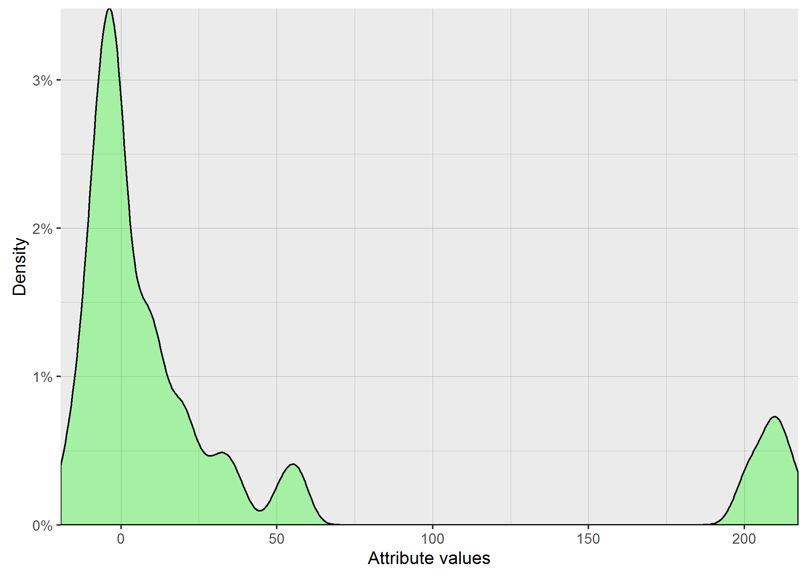
 | 9.7979589711 | 26.038433133 | 26.570660511 | 19.339079606 | 42.284749024 | 31.368774283 | 20.099751242 | 22.494443758 | 15.937377451 | 29.933259094 |  | 15.165750888 | 36.551333765 | 29.427877939 | 21.9544984 | 12.649110641 | 16.673332001 | 13.564659966 | 12.961481397 | 11.135528726 | 19.798989873 |  | 17.320508076 | 20.639767441 | 19.39071943 | 39.217343102 | 23.108440017 | 22.181073013 | 8.4852813742 | 30.528675045 | 8.4852813742 | 16.186414056
 | 16.613247726 | 8.7177978871 | 14.282856857 | 13.190905958 | 36.441734317 | 7.2111025509 | 27.276363394 | 15.491933385 | 15.684387141 | 22.671568098 |  | 10 | 25.455844123 | 10.488088482 | 10.392304845 | 23.832750576 | 24.248711306 | 26 | 13.416407865 | 13.784048752 | 23.790754507 |  | 16.492422502 | 16.733200531 | 24.04163056 | 13.856406461 | 17.029386366 | 30.528675045 | 13.266499161 | 22.934689882 | 5.8309518948 | 14.966629547
 | 17.320508076 | 9.5916630466 | 26 | 13.341664064 | 14.899664426 | 27.422618402 | 10 | 21.863211109 | 16.186414056 | 10.583005244 |  | 9.3808315196 | 28.213471959 | 13.928388277 | 15.231546212 | 10.862780491 | 18.493242009 | 11.832159566 | 28.948229652 | 19.49358869 | 8.7177978871 |  | 18.275666882 | 16.186414056 | 27.276363394 | 16.492422502 | 33.136083052 | 12.961481397 | 12.328828006 | 19.442222095 | 12.961481397 | 25.258661881
 | 19.13112647 | 9.7979589711 | 10.862780491 | 15.231546212 | 9.2736184955 | 9.7979589711 | 11.489125293 | 14.832396974 | 20.049937656 | 20.688160866 |  | 28.284271247 | 10.198039027 | 10.198039027 | 12.083045974 | 9.6953597148 | 10.95445115 | 12.247448714 | 12.489995997 | 10.392304845 | 30.822070015 |  | 21.633307653 | 16.792855624 | 6.4807406984 | 15.556349186 | 13.341664064 | 12.489995997 | 10.583005244 | 19.442222095 | 6.7823299831 | 16.186414056
 | 11.22497216 | 8.8317608663 | 11.747340124 | 18.708286934 | 9.3808315196 | 19.339079606 | 8.7177978871 | 15.620499352 | 16.613247726 | 9.8994949366 |  | 9.8994949366 | 28.213471959 | 12.165525061 | 11.489125293 | 24.899799196 | 11.832159566 | 26 | 14.282856857 | 22.226110771 | 31.272991542 |  | 23.452078799 | 22.934689882 | 7.6157731059 | 26.229754097 | 11.66190379 | 20.688160866 | 15.165750888 | 12 | 17.320508076 | 24.859605789
 | 10.583005244 | 23.832750576 | 20.199009877 | 13.490737563 | 10.392304845 | 7.874007874 | 26.267851073 | 14.422205102 | 15.684387141 | 9.6953597148 |  | 8.94427191 | 21.540659229 | 12.56980509 | 10 | 12.247448714 | 15.362291496 | 14.071247279 | 29.189039039 | 14.832396974 | 9.1651513899 |  | 17.606816862 | 24.083189158 | 11.401754251 | 19.078784028 | 18 | 28.565713714 | 12.884098727 | 11.832159566 | 13.711309201 | 23.832750576
 | 17.204650534 | 24.413111231 | 10.95445115 | 13.114877049 | 30.789608637 | 10.677078252 | 22.271057451 | 16.30950643 | 19.02629759 | 29.120439557 |  | 9.5916630466 | 13.03840481 | 25.961509971 | 9.4868329805 | 14.212670404 | 12.806248475 | 12.727922061 | 14.696938457 | 15.033296378 | 8.2462112512 |  | 18.867962264 | 19.849433241 | 7.7459666924 | 15.491933385 | 13.564659966 | 11.832159566 | 14.899664426 | 20.880613018 | 13.564659966 | 22.271057451
 | 10.392304845 | 20 | 10.295630141 | 14.071247279 | 10.95445115 | 10.198039027 | 9.5916630466 | 14.696938457 | 19.13112647 | 9.0553851381 |  | 26.343879745 | 24.69817807 | 11.832159566 | 10.95445115 | 12.649110641 | 11.135528726 | 12.727922061 | 27.640549922 | 15.556349186 | 7.7459666924 |  | 22.803508502 | 20.880613018 | 6.9282032303 | 35.580893749 | 10.583005244 | 14.491376746 | 13.416407865 | 21.633307653 | 10.099504938 | 21.540659229
 | 12 | 8.4852813742 | 17.204650534 | 12.961481397 | 11.832159566 | 9.6953597148 | 9.8994949366 | 14.282856857 | 19.646882704 | 20.14944168 |  | 8.94427191 | 27.928480088 | 23.323807579 | 12 | 9.5916630466 | 19.697715604 | 19.02629759 | 23.790754507 | 11.135528726 | 9.4868329805 |  | 17.88854382 | 22.934689882 | 15.033296378 | 39.012818406 | 17.204650534 | 26 | 13.416407865 | 29.52964612 | 8.4852813742 | 14.832396974
 | 10.488088482 | 8.8317608663 | 21.863211109 | 16.124515497 | 36.441734317 | 9.3808315196 | 9.3808315196 | 18.601075238 | 15.165750888 | 9.6953597148 |  | 18.275666882 | 31.080540536 | 20.880613018 | 20.736441353 | 14.76482306 | 12.247448714 | 22.271057451 | 12 | 10.770329614 | 10 |  | 21.633307653 | 15.937377451 | 14.071247279 | 31.432467291 | 18 | 25.651510677 | 10.583005244 | 17.146428199 | 8.3666002653 | 20.832666656
 | 13.784048752 | 12.247448714 | 12.727922061 | 13.784048752 | 8.7177978871 | 11.22497216 | 10.677078252 | 13.638181697 | 17.435595774 | 26.981475126 |  | 10 | 23.108440017 | 16.613247726 | 18.439088915 | 10.392304845 | 12.961481397 | 14.966629547 | 19.899748742 | 15.033296378 | 19.13112647 |  | 19.646882704 | 18.384776311 | 6.9282032303 | 16.248076809 | 28.390139133 | 12.328828006 | 12.649110641 | 19.949937343 | 10.099504938 | 16.248076809
 | 12.806248475 | 14.628738838 | 13.416407865 | 13.564659966 | 11.313708499 | 12.083045974 | 11.313708499 | 18.110770276 | 17.088007491 | 10.198039027 |  | 10.583005244 | 30.854497241 | 12.489995997 | 9.0553851381 | 11.313708499 | 11.313708499 | 22.671568098 | 26.076809621 | 20.099751242 | 18.33030278 |  | 17.720045147 | 18.055470085 | 7.4833147735 | 15.297058541 | 11.135528726 | 15.165750888 | 10.583005244 | 10.198039027 | 7.4833147735 | 23.579652245
 | 17.492855685 | 14.628738838 | 15.165750888 | 18.708286934 | 23.151673806 | 9.4868329805 | 11.135528726 | 15.684387141 | 16.370705544 | 21.071307506 |  | 12 | 12.56980509 | 11.832159566 | 9.8994949366 | 23.664319132 | 11.401754251 | 23.958297101 | 15.684387141 | 11.135528726 | 19.13112647 |  | 17.944358445 | 18.493242009 | 11.66190379 | 24.166091947 | 25.099800796 | 15.099668871 | 14.491376746 | 26.720778432 | 7.4833147735 | 14.560219779
 | 11.489125293 | 8.4852813742 | 25.298221281 | 16 | 26.907248094 | 24.166091947 | 11.22497216 | 15.684387141 | 15.748015748 | 10.392304845 |  | 10 | 15.033296378 | 29.017236257 | 21.118712082 | 10.295630141 | 11.489125293 | 18.110770276 | 14.491376746 | 17.262676502 | 20.29778313 |  | 18.110770276 | 18.110770276 | 26.115129714 | 34.84250278 | 20.688160866 | 17.204650534 | 9.8994949366 | 10.862780491 | 8.602325267 | 22.090722034
 | 10.392304845 | 19.39071943 | 17.204650534 | 12.961481397 | 14.282856857 | 9.6953597148 | 11.916375288 | 16.30950643 | 16.186414056 | 20.688160866 |  | 9.6953597148 | 19.078784028 | 12 | 12.409673646 | 15.099668871 | 21.9089023 | 12 | 13.490737563 | 15.620499352 | 24.494897428 |  | 18.275666882 | 17.549928775 | 12.328828006 | 22.538855339 | 29.966648128 | 12.961481397 | 10.770329614 | 20.346989949 | 9.2736184955 | 16.911534525
 | 18.601075238 | 11.22497216 | 13.711309201 | 18.708286934 | 19.078784028 | 11.832159566 | 11.489125293 | 20.396078054 | 18.761663039 | 10.099504938 |  | 9.5916630466 | 13.114877049 | 22.978250586 | 11.489125293 | 24.248711306 | 12.409673646 | 17.663521733 | 12.489995997 | 17.320508076 | 24.979991994 |  | 14.832396974 | 18.110770276 | 20.688160866 | 28.91366459 | 27.092434368 | 29.223278392 | 11.401754251 | 29.866369046 | 9.5916630466 | 18.601075238
 | 10.488088482 | 9.7979589711 | 12.56980509 | 13.490737563 | 37.336309405 | 22.494443758 | 13.638181697 | 14.352700094 | 15.427248621 | 12.083045974 |  | 20.928449536 | 24.535688293 | 27.202941017 | 18.973665961 | 10.392304845 | 11.401754251 | 25.845695967 | 19.49358869 | 10 | 14.212670404 |  | 23.021728866 | 15.874507866 | 8.4852813742 | 14.352700094 | 30.463092423 | 12.961481397 | 9.8994949366 | 11.66190379 | 16.124515497 | 23.832750576
 | 16.733200531 | 10.392304845 | 13.416407865 | 16.733200531 | 25.690465157 | 7.874007874 | 13.190905958 | 21.540659229 | 16 | 10.677078252 |  | 8.7177978871 | 24.939927827 | 10.583005244 | 14.422205102 | 16.248076809 | 22.271057451 | 11.66190379 | 14.071247279 | 18.110770276 | 19.49358869 |  | 18.547236991 | 16.124515497 | 21.540659229 | 16.124515497 | 20.784609691 | 22.978250586 | 13.03840481 | 12.083045974 | 10 | 18.439088915
 | 9.5916630466 | 8.4852813742 | 10.099504938 | 13.114877049 | 33.555923471 | 30.822070015 | 11.22497216 | 14.142135624 | 19.078784028 | 22.405356502 |  | 21.771541057 | 21.023796042 | 21.354156504 | 10.488088482 | 21.679483389 | 11.832159566 | 11.489125293 | 14.966629547 | 16 | 12.884098727 |  | 16.186414056 | 18.920887928 | 12.56980509 | 29.765752132 | 16.431676725 | 12.961481397 | 12.409673646 | 10.295630141 | 13.784048752 | 13.784048752
 | 8.94427191 | 10.392304845 | 15.620499352 | 14.76482306 | 13.784048752 | 28.284271247 | 17.378147197 | 22 | 15.099668871 | 13.114877049 |  | 18.547236991 | 8.3666002653 | 10.198039027 | 11.135528726 | 12 | 12.165525061 | 10.95445115 | 14.142135624 | 10.198039027 | 22.538855339 |  | 18.055470085 | 15.297058541 | 7.874007874 | 29.154759474 | 13.856406461 | 13.341664064 | 8.94427191 | 27.856776554 | 11.66190379 | 14.832396974
 | 14.422205102 | 9.3808315196 | 10.95445115 | 19.13112647 | 34.727510708 | 8.7177978871 | 12 | 21.725560982 | 15.165750888 | 21.307275753 |  | 9.3808315196 | 26.683328128 | 11.575836903 | 12.409673646 | 20.248456731 | 11.313708499 | 12.489995997 | 25.019992006 | 11.401754251 | 10 |  | 19.078784028 | 20.14944168 | 8 | 14.491376746 | 15.165750888 | 24.576411455 | 11.916375288 | 19.442222095 | 7.4833147735 | 12.247448714
 | 15.033296378 | 11.22497216 | 11.313708499 | 12.409673646 | 39.038442592 | 27.748873851 | 12.649110641 | 15.297058541 | 14.696938457 | 9.6953597148 |  | 9.0553851381 | 16.852299546 | 10.198039027 | 9.8994949366 | 25.416530054 | 13.564659966 | 11.916375288 | 13.711309201 | 10.392304845 | 9.5916630466 |  | 17.088007491 | 19.595917942 | 14.352700094 | 14.832396974 | 33.376638537 | 13.490737563 | 13.341664064 | 14.071247279 | 13.03840481 | 16.733200531
 | 16.30950643 | 25.768197453 | 10.677078252 | 18.867962264 | 9.6953597148 | 9.3808315196 | 11.313708499 | 16.733200531 | 14.76482306 | 20.29778313 |  | 21.771541057 | 22.226110771 | 15.937377451 | 13.416407865 | 10.392304845 | 11.832159566 | 26.038433133 | 11.575836903 | 17.944358445 | 19.287301522 |  | 15.620499352 | 16.911534525 | 8.2462112512 | 16.792855624 | 16 | 12.083045974 | 11.045361017 | 11.489125293 | 15.491933385 | 16.970562748
 | 8.94427191 | 8.4852813742 | 18.165902125 | 15.556349186 | 40.049968789 | 8.602325267 | 13.711309201 | 14.832396974 | 15.620499352 | 10.099504938 |  | 22.090722034 | 34.234485537 | 11.916375288 | 10.677078252 | 24 | 17.320508076 | 15.033296378 | 20.493901532 | 10 | 9.2736184955 |  | 19.287301522 | 16.186414056 | 6.9282032303 | 17.435595774 | 13.266499161 | 14.282856857 | 10.295630141 | 23.494680249 | 12 | 16.852299546
 | 13.638181697 | 15.811388301 | 22.978250586 | 15.556349186 | 41.809089921 | 8.2462112512 | 19.595917942 | 21.771541057 | 14.628738838 | 22.449944321 |  | 13.03840481 | 21.725560982 | 12.649110641 | 13.03840481 | 15.362291496 | 13.711309201 | 14.560219779 | 13.928388277 | 16.970562748 | 23.194827009 |  | 17.549928775 | 21.023796042 | 6.7823299831 | 29.63106478 | 21.354156504 | 13.416407865 | 9.6953597148 | 24.413111231 | 6.7823299831 | 24.859605789
 | 16.124515497 | 9.6953597148 | 12.165525061 | 13.928388277 | 15.684387141 | 22.583179581 | 16.613247726 | 14.832396974 | 15.620499352 | 20.832666656 |  | 13.564659966 | 36.551333765 | 10.95445115 | 16.792855624 | 10.677078252 | 14.142135624 | 13.564659966 | 13.711309201 | 10.95445115 | 30.166206258 |  | 23.452078799 | 22.583179581 | 19.544820286 | 30.166206258 | 14.76482306 | 12.56980509 | 11.401754251 | 11.916375288 | 12.489995997 | 15.033296378
 | 10.677078252 | 8.94427191 | 12.961481397 | 12.961481397 | 12 | 8 | 13.190905958 | 20.976176963 | 14.071247279 | 11.045361017 |  | 11.045361017 | 34.234485537 | 10.583005244 | 9.8994949366 | 9.5916630466 | 16.970562748 | 10.95445115 | 14.560219779 | 16.911534525 | 23.280893454 |  | 19.899748742 | 18.439088915 | 11.916375288 | 14.282856857 | 26.683328128 | 26.076809621 | 11.135528726 | 12 | 13.114877049 | 13.564659966
 | 11.575836903 | 8.94427191 | 19.798989873 | 19.544820286 | 8.4852813742 | 24.124676164 | 10.583005244 | 19.748417658 | 18.814887722 | 13.784048752 |  | 8.94427191 | 33.970575503 | 12.884098727 | 19.595917942 | 12.56980509 | 11.401754251 | 16.248076809 | 21.633307653 | 11.135528726 | 10.099504938 |  | 17.88854382 | 15.620499352 | 22.934689882 | 33.793490497 | 24.738633754 | 24.899799196 | 10.862780491 | 11.22497216 | 7.4833147735 | 19.697715604
 | 11.575836903 | 18.708286934 | 14.352700094 | 15.556349186 | 36.523964735 | 21.540659229 | 11.832159566 | 13.638181697 | 16 | 14.76482306 |  | 23.280893454 | 36.249137921 | 11.489125293 | 13.711309201 | 12.165525061 | 13.416407865 | 15.491933385 | 13.266499161 | 12.806248475 | 8.8317608663 |  | 19.849433241 | 20.880613018 | 14.560219779 | 24.939927827 | 30.364452901 | 12.727922061 | 10.392304845 | 10.295630141 | 6.7823299831 | 23.494680249
 | 16.248076809 | 11.045361017 | 17.549928775 | 13.638181697 | 23.237900077 | 29.664793948 | 16.30950643 | 14.966629547 | 15.684387141 | 23.832750576 |  | 10 | 10 | 10.862780491 | 14.560219779 | 11.045361017 | 12.489995997 | 25.61249695 | 29.189039039 | 18.110770276 | 25.961509971 |  | 16.911534525 | 15.231546212 | 9.5916630466 | 16.552945357 | 25.455844123 | 11.489125293 | 9.1651513899 | 10 | 9.7979589711 | 15.362291496
 | 16.970562748 | 10.392304845 | 24.738633754 | 16.124515497 | 9.7979589711 | 18.973665961 | 16.370705544 | 15.165750888 | 20.049937656 | 25.961509971 |  | 25.298221281 | 12.806248475 | 12.56980509 | 9.1651513899 | 11.916375288 | 20 | 13.114877049 | 13.03840481 | 21.817424229 | 19.339079606 |  | 21.9089023 | 19.595917942 | 10.95445115 | 21.213203436 | 13.341664064 | 12.649110641 | 12.083045974 | 17.320508076 | 11.916375288 | 13.564659966
 | 14.071247279 | 9.7979589711 | 12.56980509 | 14.352700094 | 14.899664426 | 17.549928775 | 13.190905958 | 15.165750888 | 16.370705544 | 21.166010489 |  | 10.198039027 | 11.401754251 | 11.66190379 | 21.354156504 | 24.372115214 | 19.39071943 | 13.114877049 | 13.564659966 | 15.620499352 | 8.602325267 |  | 18.055470085 | 23.065125189 | 7.0710678119 | 16.248076809 | 14.282856857 | 14.422205102 | 10.488088482 | 22.226110771 | 7.4833147735 | 13.114877049
 | 16.613247726 | 24.331050121 | 26.419689627 | 13.190905958 | 34.409301068 | 20.493901532 | 21.260291625 | 14.76482306 | 15.427248621 | 19.798989873 |  | 9.6953597148 | 9.3808315196 | 11.575836903 | 10.95445115 | 16.30950643 | 18.33030278 | 10.95445115 | 22.226110771 | 10.488088482 | 16.552945357 |  | 18.220867158 | 22.934689882 | 10.488088482 | 14.628738838 | 15.491933385 | 29.966648128 | 12.083045974 | 12.56980509 | 15.297058541 | 20
 | 15.874507866 | 10 | 11.832159566 | 16.492422502 | 9.7979589711 | 9.7979589711 | 19.595917942 | 18.384776311 | 15.556349186 | 17.549928775 |  | 11.832159566 | 10.95445115 | 16.552945357 | 10.95445115 | 10.392304845 | 11.135528726 | 12.961481397 | 13.638181697 | 21.44761059 | 7.874007874 |  | 14.832396974 | 20.199009877 | 15.684387141 | 23.194827009 | 32.031234756 | 12.56980509 | 11.832159566 | 17.204650534 | 11.045361017 | 16.431676725
 | 17.88854382 | 9.8994949366 | 11.22497216 | 19.13112647 | 15.937377451 | 15.491933385 | 18.814887722 | 14.899664426 | 17.029386366 | 17.8325545 |  | 9.0553851381 | 36.551333765 | 10.677078252 | 9.4868329805 | 12.806248475 | 10.392304845 | 12 | 13.928388277 | 21.166010489 | 13.638181697 |  | 16.970562748 | 17.8325545 | 10.392304845 | 33.793490497 | 15.874507866 | 13.564659966 | 12.165525061 | 12.083045974 | 9.8994949366 | 25.258661881
 | 17.944358445 | 9.3808315196 | 23.237900077 | 12.961481397 | 10.392304845 | 6.9282032303 | 18.165902125 | 15.033296378 | 17.088007491 | 22.226110771 |  | 10 | 13.114877049 | 14.071247279 | 11.66190379 | 19.899748742 | 12.083045974 | 15.231546212 | 14.071247279 | 14.212670404 | 22.934689882 |  | 18.275666882 | 16.186414056 | 12.409673646 | 17.435595774 | 12.649110641 | 13.341664064 | 12 | 14 | 16.248076809 | 13.856406461
 | 11.401754251 | 10 | 23.916521486 | 12.884098727 | 26.343879745 | 8.602325267 | 8 | 22.494443758 | 15.556349186 | 30.199337741 |  | 9.8994949366 | 27.568097504 | 23.323807579 | 10 | 19.183326093 | 14.282856857 | 14.628738838 | 23.832750576 | 11.135528726 | 9.1651513899 |  | 17.378147197 | 18.110770276 | 8.2462112512 | 13.266499161 | 13.856406461 | 11.045361017 | 9.1651513899 | 13.341664064 | 7.4833147735 | 13.856406461
 | 9.5916630466 | 8.94427191 | 26.305892876 | 14 | 26.343879745 | 17.378147197 | 19.183326093 | 15.684387141 | 19.39071943 | 29.325756597 |  | 15.620499352 | 11.575836903 | 29.393876913 | 9.1651513899 | 12.806248475 | 13.564659966 | 13.190905958 | 12.884098727 | 14.142135624 | 31.749015733 |  | 18.973665961 | 19.595917942 | 11.401754251 | 18.220867158 | 15.620499352 | 13.341664064 | 13.341664064 | 25.298221281 | 13.638181697 | 14.899664426
 | 17.204650534 | 9.7979589711 | 11.489125293 | 15.684387141 | 39.924929555 | 17.88854382 | 22.891046285 | 17.378147197 | 15.231546212 | 25.768197453 |  | 11.045361017 | 23.021728866 | 11.575836903 | 9.3808315196 | 17.435595774 | 12 | 13.266499161 | 22.449944321 | 15.620499352 | 18.973665961 |  | 17.320508076 | 22.978250586 | 18.220867158 | 16.492422502 | 18.275666882 | 14.560219779 | 10.392304845 | 21.260291625 | 14.282856857 | 16
 | 12 | 9.8994949366 | 24.248711306 | 12.56980509 | 36.523964735 | 21.260291625 | 13.928388277 | 17.378147197 | 16.431676725 | 11.489125293 |  | 17.492855685 | 29.393876913 | 12.489995997 | 8.602325267 | 21.023796042 | 10.95445115 | 13.03840481 | 12.083045974 | 14.560219779 | 29.325756597 |  | 23.452078799 | 18.275666882 | 13.190905958 | 17.492855685 | 20.29778313 | 13.341664064 | 13.190905958 | 12.083045974 | 16.370705544 | 23.452078799
 | 17.146428199 | 26.038433133 | 15.231546212 | 14.899664426 | 40.024992192 | 26.758176321 | 17.8325545 | 14.966629547 | 15.297058541 | 12.649110641 |  | 10.099504938 | 20.639767441 | 11.916375288 | 20.736441353 | 10.488088482 | 11.313708499 | 23.622023622 | 14.899664426 | 10.677078252 | 25.53429067 |  | 16.248076809 | 16.911534525 | 26.115129714 | 14.282856857 | 11.135528726 | 17.204650534 | 12.328828006 | 11.045361017 | 12 | 23.832750576
 | 9.5916630466 | 9.5916630466 | 11.66190379 | 18.708286934 | 33.196385345 | 10.392304845 | 20.976176963 | 16.613247726 | 14.628738838 | 26.191601707 |  | 9.6953597148 |  | 10.488088482 | 20.688160866 | 10.95445115 | 12 | 11.916375288 | 12.727922061 | 10.392304845 | 11.135528726 |  | 14.832396974 | 16.431676725 | 10.95445115 | 22.045407685 | 17.549928775 | 13.03840481 | 10.583005244 | 11.489125293 | 15.165750888 | 16.733200531
 | 18.220867158 | 10.583005244 | 12.489995997 | 12.489995997 | 26.907248094 | 13.784048752 | 10.95445115 | 14.282856857 | 15.684387141 | 14.560219779 |  | 10.099504938 |  | 11.313708499 | 8.94427191 | 11.916375288 | 14.76482306 | 19.339079606 | 13.784048752 | 10.295630141 | 9.5916630466 |  | 16.30950643 | 20 | 8.7177978871 | 21.725560982 | 19.49358869 | 13.114877049 | 13.638181697 | 27.055498517 | 13.638181697 | 16.186414056
 | 16.062378404 | 13.266499161 | 15.231546212 | 12.961481397 | 39.166312055 | 20 | 19.849433241 | 15.556349186 | 17.029386366 | 19.949937343 |  | 11.313708499 |  | 12.56980509 | 9.7979589711 | 12 | 10.488088482 | 19.078784028 | 11.832159566 | 14.352700094 | 20.4450483 |  | 16.431676725 | 15.684387141 | 6.4807406984 | 21.400934559 | 23.280893454 | 13.928388277 | 10 | 17.720045147 | 12.328828006 | 14.491376746
 | 16.970562748 | 15.297058541 | 17.88854382 | 13.638181697 | 10.392304845 | 9.7979589711 | 9.5916630466 | 13.190905958 | 15.684387141 | 21.118712082 |  | 18.384776311 |  | 12 | 8.602325267 | 20.639767441 | 10.95445115 | 11.489125293 | 14.628738838 | 11.22497216 | 13.03840481 |  | 14.899664426 | 21.166010489 | 15.874507866 | 24.083189158 | 14.422205102 | 13.114877049 | 11.916375288 | 13.490737563 | 8.4852813742 | 14.352700094
 | 10.099504938 | 8.8317608663 | 9.7979589711 | 14.212670404 | 39.949968711 | 24.166091947 | 9.3808315196 | 16.970562748 | 15.620499352 | 26.495282599 |  | 8.7177978871 |  | 12.328828006 | 10.862780491 | 18.547236991 | 15.874507866 | 19.748417658 | 12.806248475 | 10.295630141 | 20 |  | 16.30950643 | 17.549928775 | 12 | 14.282856857 | 23.748684174 | 13.416407865 | 11.747340124 | 9.8994949366 | 9.3808315196 | 15.033296378
 | 10.488088482 | 8.94427191 | 10.295630141 | 11.747340124 | 33.555923471 | 12.56980509 | 17.378147197 | 21.400934559 | 16.970562748 | 20.928449536 |  | 10.95445115 |  | 26.457513111 | 11.916375288 | 14.142135624 | 17.204650534 | 12.328828006 | 22.583179581 | 10.862780491 | 20.099751242 |  | 16.431676725 | 16.911534525 | 7.4833147735 | 15.099668871 | 15.297058541 | 13.784048752 | 10 | 27.784887979 | 13.856406461 | 23.832750576
 | 17.549928775 | 10.198039027 | 13.266499161 | 18.654758106 | 14.76482306 | 10.295630141 | 12.165525061 | 13.928388277 | 17.088007491 | 21.863211109 |  | 10 |  | 11.66190379 | 10 | 11.313708499 | 14.212670404 | 11.22497216 | 20.14944168 | 14.422205102 | 25.53429067 |  | 15.099668871 | 23.065125189 | 26.907248094 | 16.492422502 | 29.52964612 | 13.856406461 | 12.083045974 | 12.649110641 | 9.0553851381 | 16.970562748
 | 18.110770276 | 9.3808315196 | 13.856406461 | 12 | 12.489995997 | 23.790754507 | 13.190905958 | 15.362291496 | 16.613247726 | 21.166010489 |  | 10.488088482 |  | 26.457513111 | 9.4868329805 | 25.573423705 | 16.30950643 | 11.045361017 | 13.564659966 | 22.226110771 | 18.973665961 |  | 16.613247726 | 15.231546212 | 22.627416998 | 15.748015748 | 18.493242009 | 13.856406461 | 12.806248475 | 10 | 7.4833147735 | 23.452078799
 | 12.328828006 | 8.94427191 | 11.313708499 | 12.409673646 | 39.84971769 | 14.899664426 | 13.490737563 | 15.874507866 | 16 | 20.832666656 |  | 10 |  | 12.884098727 | 11.313708499 | 12.083045974 | 14.899664426 | 16.431676725 | 12.409673646 | 9.7979589711 | 19.646882704 |  | 15.556349186 | 22.627416998 | 18.920887928 | 14.352700094 | 17.549928775 | 15.427248621 | 12.649110641 | 12 | 15.556349186 | 14.142135624
Mittelwert | 13.915142128 | 12.594833804 | 15.942924724 | 14.953378419 | 24.048609366 | 16.007135778 | 14.643872001 | 16.789825895 | 16.482757717 | 18.487697309 |  | 13.174555882 | 22.406835544 | 15.321304286 | 12.776683645 | 15.320244769 | 14.178508263 | 15.78854083 | 16.848305656 | 14.330522474 | 17.727656772 |  | 18.181219804 | 18.857393338 | 13.453188172 | 21.355441126 | 19.658615703 | 16.495486426 | 11.657236045 | 17.081623653 | 11.095832936 | 18.15848562

Stdabw | 3.207618986 | 5.3712346296 | 5.282343349 | 2.3230311795 | 11.986007992 | 7.4142837945 | 4.6772869076 | 2.7679859866 | 1.5227271738 | 6.375346909 |  | 5.332080017 | 8.780914109 | 6.041327252 | 3.9845144042 | 5.1429660918 | 3.4014560773 | 4.7835111012 | 5.2549592323 | 3.7730790656 | 7.1700896338 |  | 2.3586535192 | 2.5531777275 | 6.1847981376 | 7.4205885428 | 6.4233035605 | 5.6230710076 | 1.545589791 | 6.3543790714 | 3.1244985923 | 4.0236053489

Interaction
CmV Values
Interaction | Run |  |  |  |  |  |  |  |  |  | Interaction | Run |  |  |  |  |  |  |  |  |  | Interaction | Run
CMV Test | 1 | 2 | 3 | 4 | 5 | 6 | 7 | 8 | 9 | 10 | Chi Test | 1 | 2 | 3 | 4 | 5 | 6 | 7 | 8 | 9 | 10 | EucTest | 1 | 2 | 3 | 4 | 5 | 6 | 7 | 8 | 9 | 10
 | 0.006875 | 0.015 | 0.016875 | 0.013125 | 0.0425 | 0.00875 | 0.03875 | 0.011875 | 0.006875 | 0.018125 |  | 0.075 | 0.009375 | 0.00875 | 0.009375 | 0.0125 | 0.044375 | 0.0075 | 0.0125 | 0.01625 | 0.375625 |  | 0.10625 | 0.048125 | 0.039375 | 0.0075 | 0.030625 | 0.06375 | 0.056875 | 0.0125 | 0.008125 | 0.00625
 | 0.088125 | 0.014375 | 0.570625 | 0.10125 | 0.07125 | 0.076875 | 0.008125 | 0.10375 | 0.0625 | 0.115625 |  | 0.064375 | 0.116875 | 0.05125 | 0.0125 | 0.009375 | 0.0125 | 0.019375 | 0.008125 | 0.0075 | 0.159375 |  | 0.01375 | 0.01 | 0.0075 | 0.024375 | 0.00875 | 0.0175 | 0.006875 | 0.0075 | 0.014375 | 0.009375
 | 0.080625 | 0.0075 | 0.025 | 0.045 | 0.100625 | 0.02375 | 0.01 | 0.045625 | 0.053125 | 0.00875 |  | 0.02 | 0.00875 | 0.02875 | 0.043125 | 0.45125 | 0.0075 | 0.009375 | 0.00875 | 0.040625 | 0.045 |  | 0.008125 | 0.00875 | 0.008125 | 0.25 | 0.01375 | 0.018125 | 0.288125 | 0.110625 | 0.084375 | 0.08375
 | 0.0275 | 0.1 | 0.021875 | 0.0075 | 0.009375 | 0.01125 | 0.095625 | 0.00875 | 0.02625 | 0.541875 |  | 0.01 | 0.029375 | 0.025625 | 0.168125 | 0.1175 | 0.1025 | 0.03625 | 0.073125 | 0.008125 | 0.0075 |  | 0.053125 | 0.0075 | 0.0175 | 0.014375 | 0.03 | 0.00625 | 0.024375 | 0.111875 | 0.008125 | 0.00625
 | 0.0125 | 0.026875 | 0.04875 | 0.0525 | 0.0125 | 0.006875 | 0.031875 | 0.006875 | 0.1425 | 0.039375 |  | 0.151875 | 0.070625 | 0.0975 | 0.008125 | 0.023125 | 0.113125 | 0.013125 | 0.115 | 0.009375 | 0.01125 |  | 0.02375 | 0.031875 | 0.0575 | 0.09 | 0.018125 | 0.033125 | 0.045625 | 0.014375 | 0.010625 | 0.07625
 | 0.006875 | 0.0475 | 0.0075 | 0.0075 | 0.00875 | 0.174375 | 0.008125 | 0.0225 | 0.008125 | 0.025 |  | 0.0075 | 0.09 | 0.088125 | 0.218125 | 0.330625 | 0.008125 | 0.118125 | 0.021875 | 0.08375 | 0.010625 |  | 0.00875 | 0.016875 | 0.139375 | 0.016875 | 0.0825 | 0.019375 | 0.009375 | 0.019375 | 0.0175 | 0.0975
 | 0.0325 | 0.061875 | 0.019375 | 0.014375 | 0.03125 | 0.0125 | 0.035 | 0.074375 | 0.010625 | 0.014375 |  | 0.02375 | 0.1 | 0.010625 | 0.0125 | 0.013125 | 0.00875 | 0.019375 | 0.095 | 0.074375 | 0.0125 |  | 0.089375 | 0.038125 | 0.018125 | 0.020625 | 0.02125 | 0.044375 | 0.02 | 0.080625 | 0.081875 | 0.064375
 | 0.010625 | 0.024375 | 0.016875 | 0.009375 | 0.013125 | 0.009375 | 0.01125 | 0.10125 | 0.01 | 0.025625 |  | 0.011875 | 0.105625 | 0.066875 | 0.008125 | 0.42125 | 0.025625 | 0.10625 | 0.019375 | 0.0575 | 0.014375 |  | 0.0125 | 0.021875 | 0.020625 | 0.008125 | 0.02375 | 0.054375 | 0.02875 | 0.06125 | 0.059375 | 0.041875
 | 0.006875 | 0.010625 | 0.509375 | 0.07625 | 0.013125 | 0.100625 | 0.04875 | 0.01125 | 0.02625 | 0.486875 |  | 0.0075 | 0.009375 | 0.013125 | 0.051875 | 0.025 | 0.00875 | 0.044375 | 0.02 | 0.00875 | 0.010625 |  | 0.103125 | 0.0325 | 0.02 | 0.0075 | 0.07125 | 0.01625 | 0.17 | 0.010625 | 0.01125 | 0.00875
 | 0.006875 | 0.013125 | 0.26375 | 0.03375 | 0.08125 | 0.118125 | 0.06875 | 0.03375 | 0.011875 | 0.025 |  | 0.015625 | 0.00875 | 0.01125 | 0.009375 | 0.0175 | 0.02875 | 0.01125 | 0.04125 | 0.010625 | 0.011875 |  | 0.0525 | 0.008125 | 0.053125 | 0.01125 | 0.0825 | 0.03875 | 0.021875 | 0.085 | 0.013125 | 0.0275
 | 0.0225 | 0.020625 | 0.43 | 0.01 | 0.015625 | 0.009375 | 0.0875 | 0.01125 | 0.0175 | 0.0175 |  | 0.06625 | 0.07 | 0.014375 | 0.01375 | 0.1175 | 0.015 | 0.00875 | 0.01375 | 0.06375 | 0.26375 |  | 0.054375 | 0.028125 | 0.11875 | 0.020625 | 0.01375 | 0.006875 | 0.009375 | 0.0925 | 0.0575 | 0.00625
 | 0.02125 | 0.025 | 0.345625 | 0.02 | 0.019375 | 0.081875 | 0.00875 | 0.01625 | 0.09375 | 0.061875 |  | 0.0875 | 0.0375 | 0.03875 | 0.20125 | 0.245625 | 0.076875 | 0.020625 | 0.025 | 0.010625 | 0.331875 |  | 0.081875 | 0.015625 | 0.09 | 0.019375 | 0.019375 | 0.015 | 0.02625 | 0.0125 | 0.00875 | 0.038125
 | 0.069375 | 0.01125 | 0.1475 | 0.055 | 0.026875 | 0.011875 | 0.00875 | 0.088125 | 0.10125 | 0.3075 |  | 0.0975 | 0.059375 | 0.035 | 0.181875 | 0.013125 | 0.010625 | 0.02875 | 0.019375 | 0.008125 | 0.284375 |  | 0.04 | 0.0175 | 0.13 | 0.10375 | 0.018125 | 0.051875 | 0.006875 | 0.024375 | 0.01 | 0.0075
 | 0.0275 | 0.0425 | 0.046875 | 0.0175 | 0.016875 | 0.14125 | 0.07625 | 0.084375 | 0.0075 | 0.021875 |  | 0.04625 | 0.054375 | 0.010625 | 0.01 | 0.148125 | 0.01375 | 0.015 | 0.051875 | 0.033125 | 0.2175 |  | 0.07875 | 0.044375 | 0.01 | 0.010625 | 0.060625 | 0.033125 | 0.18 | 0.016875 | 0.046875 | 0.084375
 | 0.018125 | 0.034375 | 0.019375 | 0.066875 | 0.0925 | 0.051875 | 0.008125 | 0.065625 | 0.13 | 0.350625 |  | 0.13 | 0.0425 | 0.0525 | 0.0125 | 0.03375 | 0.011875 | 0.05875 | 0.030625 | 0.0475 | 0.010625 |  | 0.073125 | 0.039375 | 0.106875 | 0.1175 | 0.011875 | 0.0075 | 0.111875 | 0.098125 | 0.04375 | 0.056875
 | 0.0575 | 0.0725 | 0.140625 | 0.01625 | 0.018125 | 0.128125 | 0.009375 | 0.01125 | 0.025 | 0.029375 |  | 0.1175 | 0.0775 | 0.010625 | 0.015 | 0.02625 | 0.00875 | 0.028125 | 0.013125 | 0.011875 | 0.129375 |  | 0.019375 | 0.01125 | 0.029375 | 0.025625 | 0.02875 | 0.01875 | 0.00875 | 0.008125 | 0.00875 | 0.019375
 | 0.014375 | 0.014375 | 0.4775 | 0.0075 | 0.036875 | 0.033125 | 0.09375 | 0.024375 | 0.01 | 0.016875 |  | 0.011875 | 0.1125 | 0.00875 | 0.021875 | 0.1125 | 0.0525 | 0.015 | 0.01125 | 0.0225 | 0.076875 |  | 0.029375 | 0.008125 | 0.0325 | 0.015625 | 0.0175 | 0.0125 | 0.146875 | 0.0125 | 0.011875 | 0.08875
 | 0.060625 | 0.02125 | 0.455625 | 0.01375 | 0.051875 | 0.064375 | 0.00875 | 0.029375 | 0.009375 | 0.036875 |  | 0.034375 | 0.015 | 0.01625 | 0.02375 | 0.028125 | 0.014375 | 0.013125 | 0.061875 | 0.010625 | 0.014375 |  | 0.064375 | 0.009375 | 0.011875 | 0.190625 | 0.0525 | 0.01375 | 0.050625 | 0.04375 | 0.01875 | 0.0175
 | 0.008125 | 0.01625 | 0.11375 | 0.01875 | 0.015 | 0.01125 | 0.07125 | 0.053125 | 0.00875 | 0.048125 |  | 0.010625 | 0.05625 | 0.0125 | 0.013125 | 0.013125 | 0.0575 | 0.030625 | 0.10625 | 0.015 | 0.194375 |  | 0.045625 | 0.025 | 0.019375 | 0.0375 | 0.056875 | 0.0075 | 0.086875 | 0.0175 | 0.0225 | 0.01375
 | 0.0075 | 0.08 | 0.290625 | 0.01375 | 0.07 | 0.009375 | 0.04125 | 0.010625 | 0.038125 | 0.02375 |  | 0.015 | 0.039375 | 0.02625 | 0.113125 | 0.014375 | 0.010625 | 0.029375 | 0.0825 | 0.025 | 0.106875 |  | 0.05875 | 0.010625 | 0.066875 | 0.015 | 0.03375 | 0.00625 | 0.21375 | 0.018125 | 0.031875 | 0.025625
 | 0.0475 | 0.008125 | 0.249375 | 0.013125 | 0.029375 | 0.02875 | 0.020625 | 0.011875 | 0.009375 | 0.18 |  | 0.020625 | 0.01 | 0.044375 | 0.01 | 0.06625 | 0.106875 | 0.06625 | 0.01125 | 0.0125 | 0.015 |  | 0.060625 | 0.0125 | 0.0225 | 0.065625 | 0.064375 | 0.03875 | 0.033125 | 0.108125 | 0.014375 | 0.034375
 | 0.064375 | 0.06375 | 0.21875 | 0.0425 | 0.034375 | 0.011875 | 0.013125 | 0.036875 | 0.0125 | 0.051875 |  | 0.135625 | 0.0325 | 0.015625 | 0.026875 | 0.010625 | 0.083125 | 0.015 | 0.025 | 0.01875 | 0.013125 |  | 0.031875 | 0.025625 | 0.0875 | 0.128125 | 0.016875 | 0.0075 | 0.015 | 0.020625 | 0.00875 | 0.050625
 | 0.061875 | 0.015625 | 0.015 | 0.02125 | 0.011875 | 0.010625 | 0.00875 | 0.013125 | 0.00875 | 0.42625 |  | 0.010625 | 0.08375 | 0.015 | 0.026875 | 0.23 | 0.07 | 0.01875 | 0.01625 | 0.011875 | 0.111875 |  | 0.025625 | 0.01 | 0.05875 | 0.14875 | 0.048125 | 0.00875 | 0.091875 | 0.0525 | 0.039375 | 0.021875
 | 0.0075 | 0.02625 | 0.0125 | 0.011875 | 0.025 | 0.155625 | 0.038125 | 0.009375 | 0.00875 | 0.038125 |  | 0.015 | 0.0175 | 0.063125 | 0.128125 | 0.019375 | 0.01125 | 0.100625 | 0.054375 | 0.02875 | 0.009375 |  | 0.078125 | 0.013125 | 0.08125 | 0.226875 | 0.02875 | 0.009375 | 0.2325 | 0.008125 | 0.029375 | 0.006875
 | 0.015 | 0.025 | 0.081875 | 0.011875 | 0.046875 | 0.16875 | 0.0175 | 0.0225 | 0.04375 | 0.135 |  | 0.070625 | 0.089375 | 0.015 | 0.026875 | 0.013125 | 0.085625 | 0.090625 | 0.048125 | 0.063125 | 0.159375 |  | 0.05 | 0.018125 | 0.015 | 0.03 | 0.068125 | 0.006875 | 0.24375 | 0.0075 | 0.010625 | 0.033125
 | 0.0525 | 0.011875 | 0.068125 | 0.050625 | 0.076875 | 0.015 | 0.014375 | 0.009375 | 0.00875 | 0.260625 |  | 0.075 | 0.009375 | 0.01875 | 0.011875 | 0.28875 | 0.0475 | 0.050625 | 0.078125 | 0.018125 | 0.010625 |  | 0.02375 | 0.01875 | 0.038125 | 0.043125 | 0.018125 | 0.006875 | 0.033125 | 0.015 | 0.01125 | 0.011875
 | 0.015625 | 0.0075 | 0.18375 | 0.07625 | 0.014375 | 0.044375 | 0.00875 | 0.0275 | 0.015 | 0.034375 |  | 0.106875 | 0.013125 | 0.0175 | 0.100625 | 0.056875 | 0.01625 | 0.021875 | 0.10875 | 0.02 | 0.016875 |  | 0.035625 | 0.04625 | 0.045 | 0.05125 | 0.01 | 0.013125 | 0.13375 | 0.014375 | 0.015625 | 0.011875
 | 0.011875 | 0.02875 | 0.03 | 0.02375 | 0.01125 | 0.019375 | 0.04375 | 0.030625 | 0.00875 | 0.100625 |  | 0.01125 | 0.01625 | 0.093125 | 0.0325 | 0.21875 | 0.098125 | 0.07375 | 0.01625 | 0.011875 | 0.091875 |  | 0.040625 | 0.0175 | 0.008125 | 0.009375 | 0.015625 | 0.014375 | 0.0375 | 0.014375 | 0.024375 | 0.01625
 | 0.0125 | 0.023125 | 0.308125 | 0.045 | 0.06625 | 0.01125 | 0.00875 | 0.01875 | 0.083125 | 0.204375 |  | 0.018125 | 0.01 | 0.02125 | 0.019375 | 0.311875 | 0.01 | 0.025625 | 0.035625 | 0.0425 | 0.020625 |  | 0.06125 | 0.02125 | 0.068125 | 0.141875 | 0.021875 | 0.025 | 0.281875 | 0.059375 | 0.008125 | 0.095
 | 0.025 | 0.0775 | 0.055 | 0.008125 | 0.099375 | 0.01125 | 0.026875 | 0.046875 | 0.014375 | 0.03 |  | 0.14875 | 0.08125 | 0.04 | 0.01375 | 0.07625 | 0.01 | 0.018125 | 0.021875 | 0.03625 | 0.011875 |  | 0.01375 | 0.011875 | 0.096875 | 0.210625 | 0.02 | 0.01625 | 0.26125 | 0.014375 | 0.02125 | 0.0475
 | 0.039375 | 0.086875 | 0.0175 | 0.01125 | 0.00875 | 0.0075 | 0.04625 | 0.008125 | 0.02625 | 0.010625 |  | 0.011875 | 0.049375 | 0.05875 | 0.02875 | 0.011875 | 0.01 | 0.053125 | 0.010625 | 0.011875 | 0.136875 |  | 0.03 | 0.04125 | 0.124375 | 0.165625 | 0.02 | 0.008125 | 0.136875 | 0.010625 | 0.03375 | 0.019375
 | 0.0175 | 0.09375 | 0.106875 | 0.024375 | 0.094375 | 0.02375 | 0.00875 | 0.01125 | 0.10875 | 0.0175 |  | 0.038125 | 0.018125 | 0.0575 | 0.011875 | 0.011875 | 0.014375 | 0.01125 | 0.010625 | 0.0375 | 0.0575 |  | 0.0475 | 0.029375 | 0.035625 | 0.205625 | 0.02375 | 0.02625 | 0.03375 | 0.009375 | 0.009375 | 0.015625
 | 0.0825 | 0.04875 | 0.016875 | 0.0575 | 0.044375 | 0.04375 | 0.03125 | 0.0075 | 0.01125 | 0.40625 |  | 0.14375 | 0.030625 | 0.019375 | 0.008125 | 0.04875 | 0.0125 | 0.02 | 0.01 | 0.01375 | 0.01375 |  | 0.009375 | 0.031875 | 0.078125 | 0.235625 | 0.025625 | 0.018125 | 0.063125 | 0.013125 | 0.014375 | 0.025625
 | 0.08125 | 0.046875 | 0.013125 | 0.011875 | 0.009375 | 0.01125 | 0.0325 | 0.014375 | 0.120625 | 0.12625 |  | 0.114375 | 0.01 | 0.021875 | 0.085 | 0.089375 | 0.06125 | 0.070625 | 0.00875 | 0.010625 | 0.01375 |  | 0.028125 | 0.014375 | 0.095625 | 0.071875 | 0.01625 | 0.01125 | 0.21625 | 0.01125 | 0.014375 | 0.00625
 | 0.0725 | 0.0875 | 0.029375 | 0.029375 | 0.056875 | 0.035625 | 0.034375 | 0.02 | 0.11375 | 0.1075 |  | 0.04 | 0.01125 | 0.029375 | 0.158125 | 0.1925 | 0.09125 | 0.008125 | 0.01375 | 0.010625 | 0.013125 |  | 0.02125 | 0.045625 | 0.0175 | 0.009375 | 0.011875 | 0.020625 | 0.008125 | 0.0475 | 0.03625 | 0.08375
 | 0.04625 | 0.0275 | 0.019375 | 0.0625 | 0.0125 | 0.0725 | 0.025625 | 0.014375 | 0.07375 | 0.080625 |  | 0.058125 | 0.0775 | 0.031875 | 0.03625 | 0.05 | 0.041875 | 0.095 | 0.065 | 0.044375 | 0.018125 |  | 0.073125 | 0.014375 | 0.073125 | 0.025 | 0.01375 | 0.006875 | 0.011875 | 0.034375 | 0.01625 | 0.0175
 | 0.01 | 0.054375 | 0.018125 | 0.04375 | 0.034375 | 0.158125 | 0.015625 | 0.011875 | 0.008125 | 0.02125 |  | 0.10375 | 0.0125 | 0.013125 | 0.2125 | 0.015625 | 0.01375 | 0.084375 | 0.019375 | 0.016875 | 0.010625 |  | 0.0225 | 0.020625 | 0.026875 | 0.056875 | 0.03125 | 0.0225 | 0.26375 | 0.02875 | 0.00875 | 0.029375
 | 0.008125 | 0.039375 | 0.014375 | 0.011875 | 0.031875 | 0.008125 | 0.0325 | 0.008125 | 0.009375 | 0.024375 |  | 0.026875 | 0.046875 | 0.00875 | 0.12125 | 0.18875 | 0.019375 | 0.0425 | 0.07 | 0.0175 | 0.008125 |  | 0.06375 | 0.04125 | 0.139375 | 0.094375 | 0.0275 | 0.02875 | 0.015 | 0.014375 | 0.015 | 0.0325
 | 0.035625 | 0.05 | 0.3325 | 0.008125 | 0.05375 | 0.013125 | 0.0325 | 0.0175 | 0.01 | 0.029375 |  | 0.049375 | 0.023125 | 0.01625 | 0.145 | 0.025625 | 0.09375 | 0.01 | 0.015 | 0.021875 | 0.18375 |  | 0.033125 | 0.02 | 0.041875 | 0.138125 | 0.05 | 0.030625 | 0.0075 | 0.0175 | 0.039375 | 0.00625
 | 0.041875 | 0.093125 | 0.04125 | 0.030625 | 0.065 | 0.01 | 0.029375 | 0.0175 | 0.06875 | 0.025625 |  | 0.0175 | 0.019375 | 0.02 | 0.059375 | 0.015 | 0.0225 | 0.080625 | 0.014375 | 0.034375 | 0.015625 |  | 0.025 | 0.00875 | 0.06375 | 0.023125 | 0.040625 | 0.028125 | 0.009375 | 0.036875 | 0.01125 | 0.078125
 | 0.050625 | 0.015 | 0.010625 | 0.00875 | 0.0475 | 0.01875 | 0.0475 | 0.050625 | 0.03 | 0.026875 |  | 0.08375 | 0.03875 | 0.020625 | 0.00875 | 0.055625 | 0.1125 | 0.01875 | 0.050625 | 0.016875 | 0.0125 |  | 0.016875 | 0.01 | 0.009375 | 0.04625 | 0.013125 | 0.033125 | 0.014375 | 0.030625 | 0.035625 | 0.0875
 | 0.008125 | 0.03875 | 0.20375 | 0.0525 | 0.075 | 0.01375 | 0.02125 | 0.0625 | 0.015625 | 0.01875 |  | 0.0475 |  | 0.035 | 0.01 | 0.080625 | 0.03875 | 0.018125 | 0.015625 | 0.01875 | 0.02875 |  | 0.028125 | 0.0075 | 0.05375 | 0.086875 | 0.044375 | 0.01 | 0.024375 | 0.04 | 0.01125 | 0.053125
 | 0.075625 | 0.0575 | 0.04 | 0.010625 | 0.016875 | 0.04125 | 0.011875 | 0.00875 | 0.0625 | 0.03875 |  | 0.051875 |  | 0.018125 | 0.019375 | 0.293125 | 0.016875 | 0.033125 | 0.0175 | 0.015625 | 0.055 |  | 0.034375 | 0.018125 | 0.033125 | 0.02 | 0.0375 | 0.013125 | 0.009375 | 0.01375 | 0.02125 | 0.0075
 | 0.051875 | 0.0275 | 0.010625 | 0.023125 | 0.059375 | 0.01 | 0.0225 | 0.0075 | 0.125625 | 0.214375 |  | 0.03 |  | 0.02375 | 0.164375 | 0.018125 | 0.065 | 0.0125 | 0.03125 | 0.03125 | 0.03875 |  | 0.015625 | 0.01125 | 0.020625 | 0.074375 | 0.031875 | 0.0125 | 0.038125 | 0.01125 | 0.026875 | 0.02125
 | 0.04875 | 0.021875 | 0.09 | 0.02375 | 0.01 | 0.01625 | 0.03875 | 0.0075 | 0.063125 | 0.37 |  | 0.01125 |  | 0.041875 | 0.0725 | 0.014375 | 0.068125 | 0.01375 | 0.073125 | 0.01125 | 0.016875 |  | 0.0175 | 0.018125 | 0.01875 | 0.019375 | 0.034375 | 0.013125 | 0.013125 | 0.0225 | 0.015625 | 0.008125
 | 0.0425 | 0.008125 | 0.039375 | 0.0075 | 0.025625 | 0.139375 | 0.016875 | 0.010625 | 0.015 | 0.019375 |  | 0.035625 |  | 0.0275 | 0.171875 | 0.086875 | 0.01875 | 0.035625 | 0.08125 | 0.009375 | 0.354375 |  | 0.03375 | 0.014375 | 0.02875 | 0.02125 | 0.039375 | 0.021875 | 0.020625 | 0.02 | 0.020625 | 0.010625
 | 0.015 | 0.0125 | 0.01875 | 0.014375 | 0.014375 | 0.0175 | 0.010625 | 0.043125 | 0.035625 | 0.51625 |  | 0.05625 |  | 0.01 | 0.03 | 0.17125 | 0.023125 | 0.024375 | 0.0125 | 0.01 | 0.215 |  | 0.014375 | 0.00875 | 0.024375 | 0.029375 | 0.03875 | 0.008125 | 0.0275 | 0.009375 | 0.015 | 0.06
 | 0.0475 | 0.015625 | 0.07375 | 0.029375 | 0.060625 | 0.078125 | 0.010625 | 0.013125 | 0.088125 | 0.180625 |  | 0.04875 |  | 0.028125 | 0.073125 | 0.44625 | 0.018125 | 0.019375 | 0.039375 | 0.03125 | 0.0125 |  | 0.01 | 0.029375 | 0.008125 | 0.24375 | 0.024375 | 0.010625 | 0.063125 | 0.0125 | 0.00875 | 0.01375
...
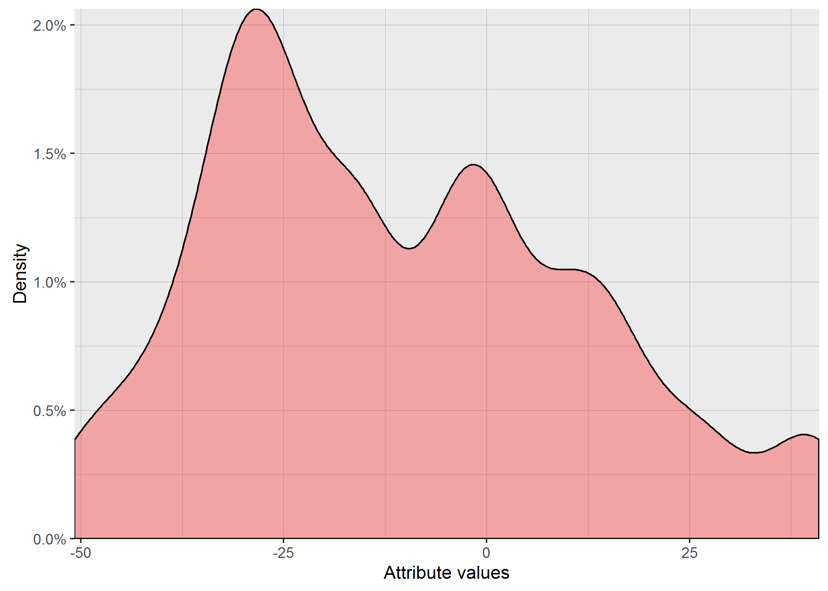
...
 |  |  |  |  |  |  |  |  |  |  |  |  |  |  |  |  |  |  |  |  |  |  |  |  |  |  |  |  |  |  |  |  | LLVM
...

Variants
...
70.777727881 | 4.2055020826 | 1.3266906528 | 1.8592863047 | 0.32826433197 | 2.6618026958
0.75136545389 | 4.7864174518 | 1.3183859 | 2.8179579866 | 5.6288078488 | 0.28293662041
49.709704418 | 5.1386757309 | 0.34150852901 | 47.581969547 | 2.3213961267 | 1.5992827216
2.0481863684 | 0.59418802995 | 0.8628408803 | 109.42537446 | 0.35757322932 | 0.70664700586
0.80685376015 | 0.30939205687 | 22.71368387 | 76.344148753 | 0.93330585609 | 0.35036767162
0.32757660215 | 0.88675835356 | 1.8748249473 | 6.8464965451 | 4.7198229179 | 0.2569182166
0.74929980685 | 1.8786287895 | 2.4099925733 | 54.340521398 | 2.1878249088 | 0.54781557571
39.8096064 | 7.9347958379 | 0.48508590163 | 24.133638406 | 0.24349609243 | 0.53935589146
60.19509489 | 0.36006041764 | 19.661017225 | 6.9712560512 | 9.9497545322 | 0.69627025146
8.3137944107 | 0.15303200768 | 1.5118656215 | 60.364505788 | 0.35259944953 | 0.40167802532
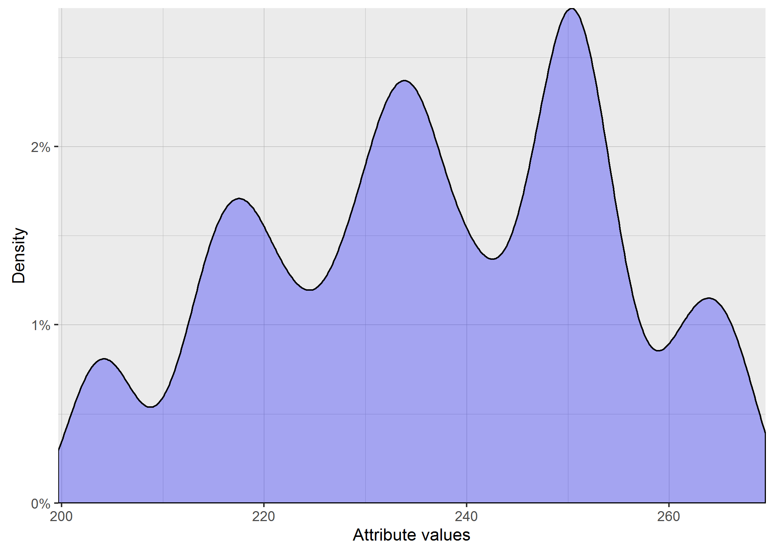
0.67456889795 | 1.0417404417 | 0.7853066008 | 29.516408135 | 1.5723745416 | 3.1116229062
12.60655674 | 0.71212065279 | 15.747881445 | 1.2448899487 | 0.65705269413 | 0.24004062658
78.964555451 | 2.4263367681 | 17.805663003 | 0.27098063975 | 0.34020265333 | 0.6104729625
37.579746441 | 1.8149042962 | 2.3658846175 | 4.8826359769 | 5.3332089722 | 0.51252196486
21.635474429 | 0.73581775339 | 0.42418745874 | 0.67765070978 | 1.3209953693 | 0.55677621544
1.2569197262 | 0.4285083007 | 37.97249294 | 1.2981618894 | 0.20640842972 | 0.99116696893
1.8930647262 | 0.84101935224 | 25.26702945 | 4.9436886842 | 0.25364706754 | 0.27726959883
162.93439069 | 0.12695837906 | 16.517657241 | 13.396115766 | 0.45844075053 | 0.24771701713
17.587753162 | 1.4264365449 | 0.84862893235 | 0.49426410539 | 0.36019179163 | 0.40922128649
2.0179505156 | 5.7918247798 | 11.244149557 | 1.0679615237 | 0.16828750463 | 0.815939314
0.63889847336 | 0.64245926309 | 1.6608925921 | 2.0026241006 | 0.46864101721 | 0.58615831289
17.813194117 | 5.7918247798 | 23.942446459 | 13.054487018 | 1.2043649709 | 2.6532614558
0.87571110734 | 0.50861918849 | 19.478578676 | 17.005754081 | 0.95838062814 | 1.7646694398
8.5015920494 | 1.5212517697 | 11.571498528 | 1.1315486395 | 0.64719925898 | 0.25572335229
0.19131786996 | 0.76856182419 | 1.5118656215 | 10.298321596 | 2.6887623089 | 1.7333762405
6.1708864065 | 0.63863899043 | 23.308889794 | 16.438492618 | 10.448275767 | 0.28617171359
17.680878536 | 0.95732208804 | 3.281987231 | 58.277504752 | 0.2617438057 | 1.6540247379
26.74360102 | 2.4837736323 | 9.6310896668 | 20.649901853 | 2.6813823686 | 0.99766329125
...
5 | 6 | 7 | 8 | 9 | 10
86.821308739 | 90.4706211 | 284.15908694 | 154.96451697 | 724.99727207 | 522.56694035
776.65555822 | 89.200488437 | 486.13334938 | 242.96251193 | 503.17270483 | 608.57731159
175.09425026 | 534.11377876 | 291.28960879 | 104.20651221 | 211.79312484 | 140.55211925
591.88175532 | 404.82710098 | 435.43226607 | 102.62577808 | 419.18872064 | 485.78393396
1367.2038427 | 85.120700794 | 89.122322077 | 718.87760065 | 176.16747572 | 135.35134031
180.7187241 | 88.676240337 | 418.54203223 | 650.95081994 | 166.21271254 | 142.29822897
829.52748874 | 308.69023613 | 101.68633989 | 92.226830365 | 210.08335657 | 166.02083444
1194.7651574 | 147.90734099 | 116.39555964 | 101.90990502 | 214.46907019 | 154.75326707
264.58684805 | 88.375325877 | 129.95979837 | 142.1568293 | 748.08448741 | 605.99494559
180.7187241 | 89.419051517 | 436.57466215 | 139.13658201 | 464.344666 | 169.9993281
217.24027618 | 475.75588571 | 376.2942978 | 110.41664023 | 216.83325586 | 512.93702676
1419.7026889 | 139.50499091 | 405.5106826 | 570.85349228 | 726.29238407 | 141.86345204
153.96693331 | 154.8105749 | 443.83950446 | 123.61913877 | 639.07368314 | 572.01258329
104.41896772 | 102.27503098 | 294.56603038 | 385.38538945 | 243.37875249 | 162.84622069
223.07034656 | 312.1672546 | 187.53569832 | 104.15917869 | 212.12681742 | 209.91094645
206.61495934 | 93.187309985 | 359.32673074 | 199.19090945 | 687.35053871 | 230.029292
...

Feature2
...
0.060374554102 | 0.073263971463 | 0.1225862069 | 0.27527348395 | 0.042098692033
0.13975624257 | 0.11356123662 | 0.045951248514 | 0.17302615933 | 0.019875148633
0.034643281807 | 0.24548751486 | 0.4914803805 | 0.016105826397 | 0.016105826397
0.028638525565 | 0.09320451843 | 0.034464922711 | 0.13075505351 | 0.273156956
0.067794292509 | 0.13071938169 | 0.13371581451 | 0.054904875149 | 0.022824019025
0.029661117717 | 0.044417360285 | 0.030719381688 | 0.038804994055 | 0.1881510107
0.031920332937 | 0.13155172414 | 0.021242568371 | 0.13523781213 | 0.025225921522
0.12566587396 | 0.026950059453 | 0.016831153389 | 0.29432223543 | 0.021527942925
0.046319857313 | 0.17961355529 | 0.031385255648 | 0.062372175981 | 0.018376932224
0.090695600476 | 0.089114149822 | 0.14798454221 | 0.036034482759 | 0.070362663496
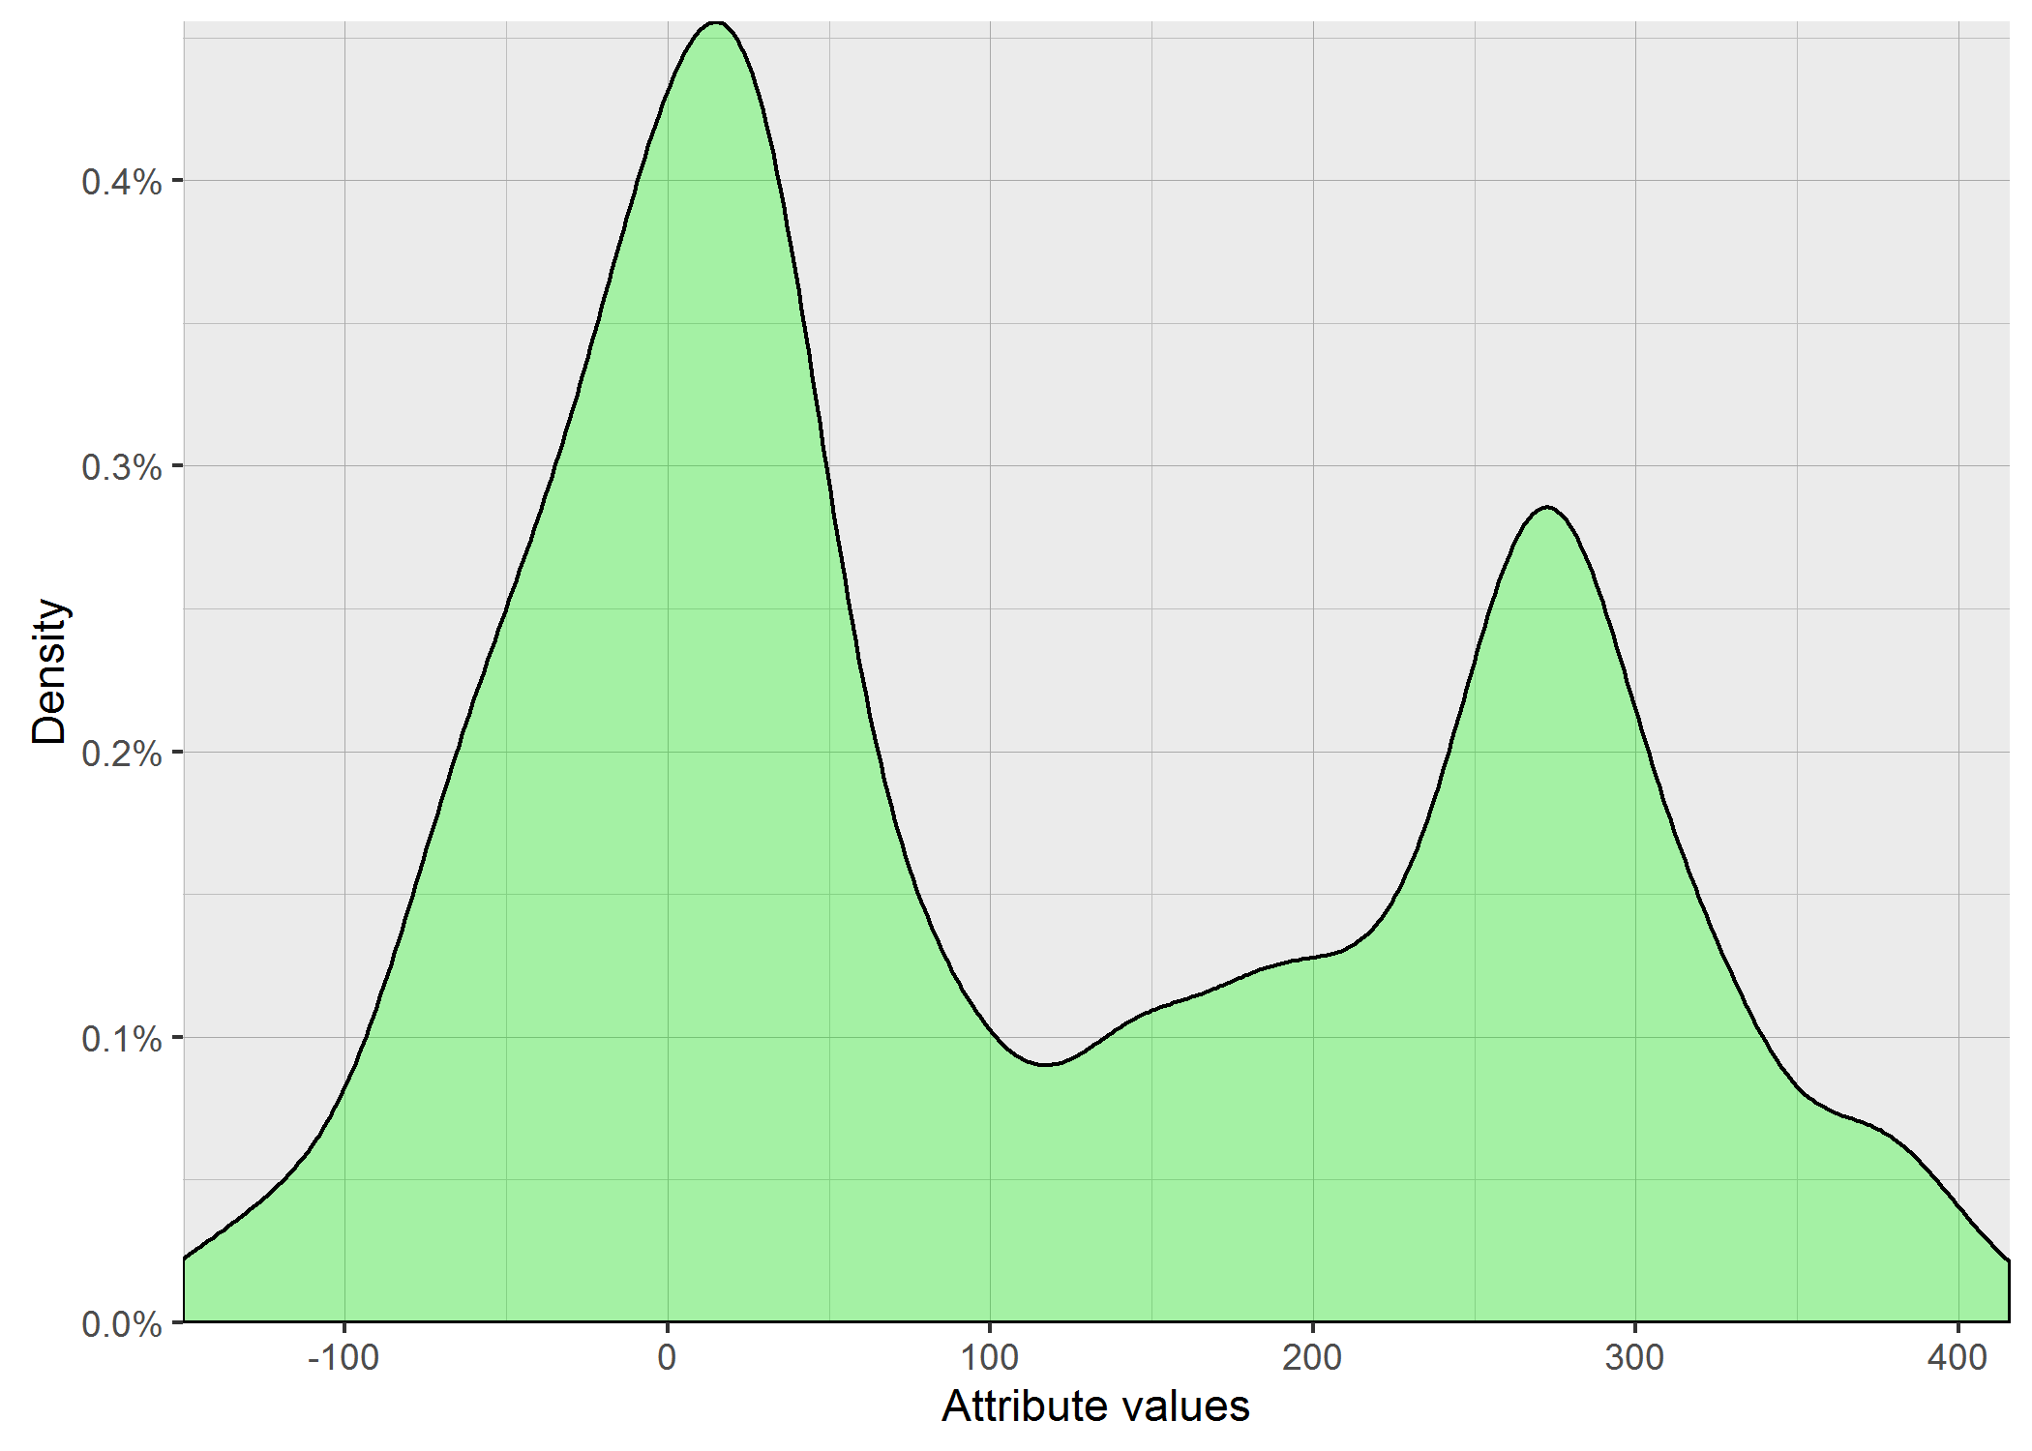
0.014179548157 | 0.10385850178 | 0.018032104637 | 0.02563020214 | 0.21744946492
0.049577883472 | 0.065677764566 | 0.23021997622 | 0.012538644471 | 0.061420927467
0.10797265161 | 0.042395957194 | 0.33542806183 | 0.061813317479 | 0.19754458977
0.10139714625 | 0.019732461356 | 0.017187871581 | 0.16013674197 | 0.017770511296
0.015107015458 | 0.046807372176 | 0.015594530321 | 0.41175386445 | 0.056224732461
0.020279429251 | 0.025475624257 | 0.017687277051 | 0.01244351962 | 0.056985731272
0.064821640904 | 0.13230083234 | 0.31288347206 | 0.26876932224 | 0.29383472057
0.060374554102 | 0.047473246136 | 0.040029726516 | 0.085095124851 | 0.27383472057
0.057687277051 | 0.017152199762 | 0.080338882283 | 0.12472651605 | 0.015535077289
0.062288941736 | 0.13187277051 | 0.044464922711 | 0.032193816885 | 0.028186682521
0.10139714625 | 0.068793103448 | 0.13495243757 | 0.10171819263 | 0.16019619501
0.063411890606 | 0.11519381688 | 0.13248418549 | 0.16671105826 | 0.084062306778

0.037670521126 | 0.08905492579 | 0.14202513763 | 0.15781299062 | 0.08664661914
...
6 | 7 | 8 | 9 | 10
11.8275992 | 15.945613164 | 4.1911851637 | 25.471663954 | 13.400820304
7.6084251103 | 20.487785865 | 19.081745969 | 3.9180836863 | 13.88134396
9.8815360481 | 25.727737279 | 12.348419347 | 8.610922117 | 4.3616578279
4.8161120584 | 4.4885268304 | 18.597309316 | 10.709383527 | 4.2545550224
3.9196523609 | 10.860891427 | 3.9512015586 | 21.720989272 | 5.7426540517
9.8465041552 | 5.7070220964 | 15.511312469 | 6.4472561022 | 10.600770106
12.184762767 | 7.9301379161 | 15.855517798 | 7.4994076942 | 13.622375851
3.8068729336 | 25.429874924 | 9.3564125226 | 4.6675787107 | 7.0003770132
10.542161864 | 19.157049382 | 8.8812173579 | 8.9478364349 | 4.8300470913
11.925385663 | 22.886760909 | 7.1886044304 | 14.189097246 | 7.4290225965
6.5647793056 | 16.27107791 | 17.638996073 | 6.4472561022 | 5.0945292749
8.3050230128 | 9.9742056843 | 6.3679548592 | 5.6996500376 | 4.4093725642
6.4486586928 | 24.001291929 | 16.971758405 | 9.317971218 | 6.5892308469
8.8824031875 | 14.161301802 | 13.164301642 | 22.939803668 | 5.0654642314
...

Interaction2
...
4.1893876849 | 6.5425124875 | 5.0682506973 | 1.0345306859
1.8319024127 | 7.0077681655 | 10.914172096 | 0.39730059396
0.84892329892 | 6.032212607 | 7.2568495514 | 1.1980584446
4.3803133792 | 4.872285306 | 6.0069752979 | 1.2300651053
4.2815762498 | 2.9100786074 | 7.6382114274 | 4.6692340831
2.1618817865 | 5.1422390581 | 5.8506086506 | 2.7895644261
1.3644498341 | 3.2726839562 | 7.3465961003 | 3.7745210276
1.994675034 | 7.0166008158 | 2.6901859923 | 1.431065857
2.2066003076 | 4.7604634034 | 3.3479620053 | 1.5416542766
2.1040079184 | 5.7562730054 | 5.1835499531 | 2.4345464665
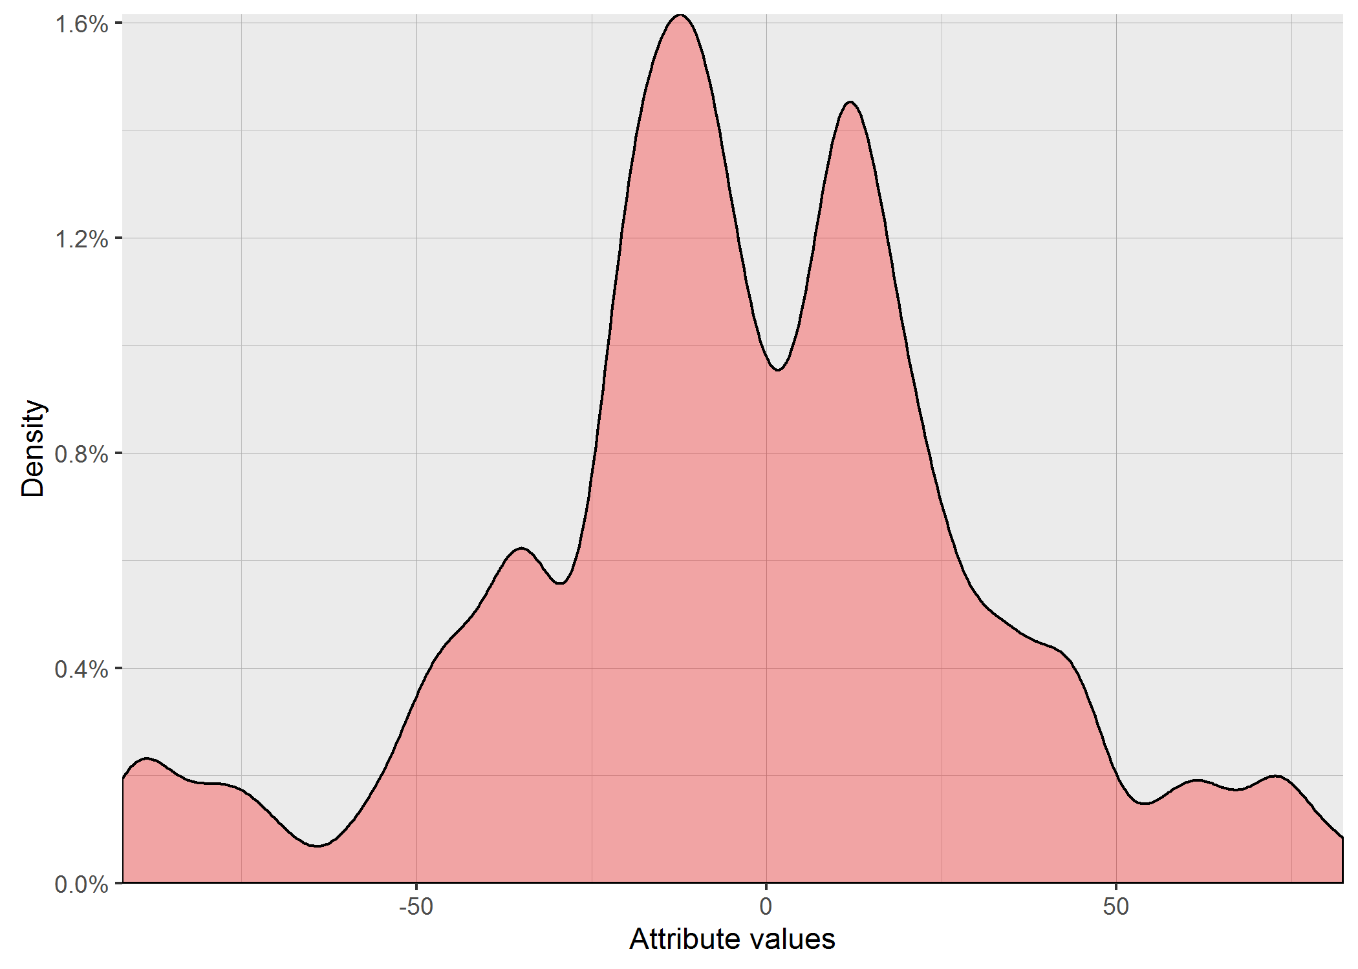
1.9610611611 | 4.8728134647 | 4.8712859363 | 2.2400918145
2.6719086882 | 6.1268932747 | 6.1887618917 | 0.7125721281
2.8022150216 | 3.3046469476 | 6.5204284538 | 2.7210495985
2.6104375133 | 6.1083714894 | 4.6412984748 | 2.6811497342
2.5864397681 | 3.0564248355 | 6.877497816 | 0.63027220616
3.6217441706 | 3.6622465254 | 5.8554493177 | 0.39730059396
3.119000389 | 6.3982808318 | 2.0398042638 | 0.81132636693
4.3849599422 | 5.8126454428 | 5.6897274913 | 1.6418440997
5.7765375024 | 6.4331191496 | 5.5655075601 | 1.0519878951
3.0278267482 | 5.4024259062 | 5.5980462758 | 2.024106605
...
7 | 8 | 9 | 10
8.8317608663 | 13.266499161 | 20.248456731 | 10.099504938
13.856406461 | 21.9544984 | 15.231546212 | 4.2426406871
6.164414003 | 20.639767441 | 21.587033145 | 6.7823299831
10.677078252 | 18.439088915 | 6 | 9.8994949366
17.146428199 | 10.198039027 | 19.442222095 | 16.431676725
12.409673646 | 10.770329614 | 12.083045974 | 7.2111025509
11.135528726 | 15.556349186 | 18.814887722 | 5.2915026221
6.9282032303 | 21.213203436 | 13.638181697 | 8.3666002653
7.0710678119 | 20.493901532 | 19.39071943 | 12
6.164414003 | 12.489995997 | 7.874007874 | 10
7.874007874 | 16.492422502 | 12.083045974 | 11.66190379
18.708286934 | 10.099504938 | 14.966629547 | 12.649110641
7.2111025509 | 10.198039027 | 15.231546212 | 15.099668871
14.352700094 | 9.2736184955 | 17.262676502 | 9.4868329805
12.56980509 | 18.761663039 | 19.339079606 | 11.575836903
9.6953597148 | 18.275666882 | 24.819347292 | 16.248076809
17.492855685 | 16.733200531 | 15.362291496 | 7.2111025509
12.409673646 | 18.33030278 | 19.442222095 | 11.045361017
...

Variant2
...
38.654852036 | 19.547124423 | 14.646607254 | 24.579841705
7.8790352941 | 147.03825587 | 3.5638961477 | 6.7694593913
9.3864176008 | 4.8042573951 | 8.0027625098 | 7.3361831736
35.303153519 | 7.9320361903 | 8.2884566747 | 26.273422344
7.4653854166 | 4.3239822891 | 77.122011323 | 58.999586793
45.949486026 | 12.171840067 | 11.239725118 | 7.9435112249
43.97103897 | 12.536247898 | 16.532738139 | 52.013003885
20.5149658 | 62.236991449 | 28.723801879 | 6.5559656602
9.0613955651 | 140.24151923 | 21.765521085 | 7.86503222
70.359791154 | 100.3272592 | 6.0816555004 | 15.065000822
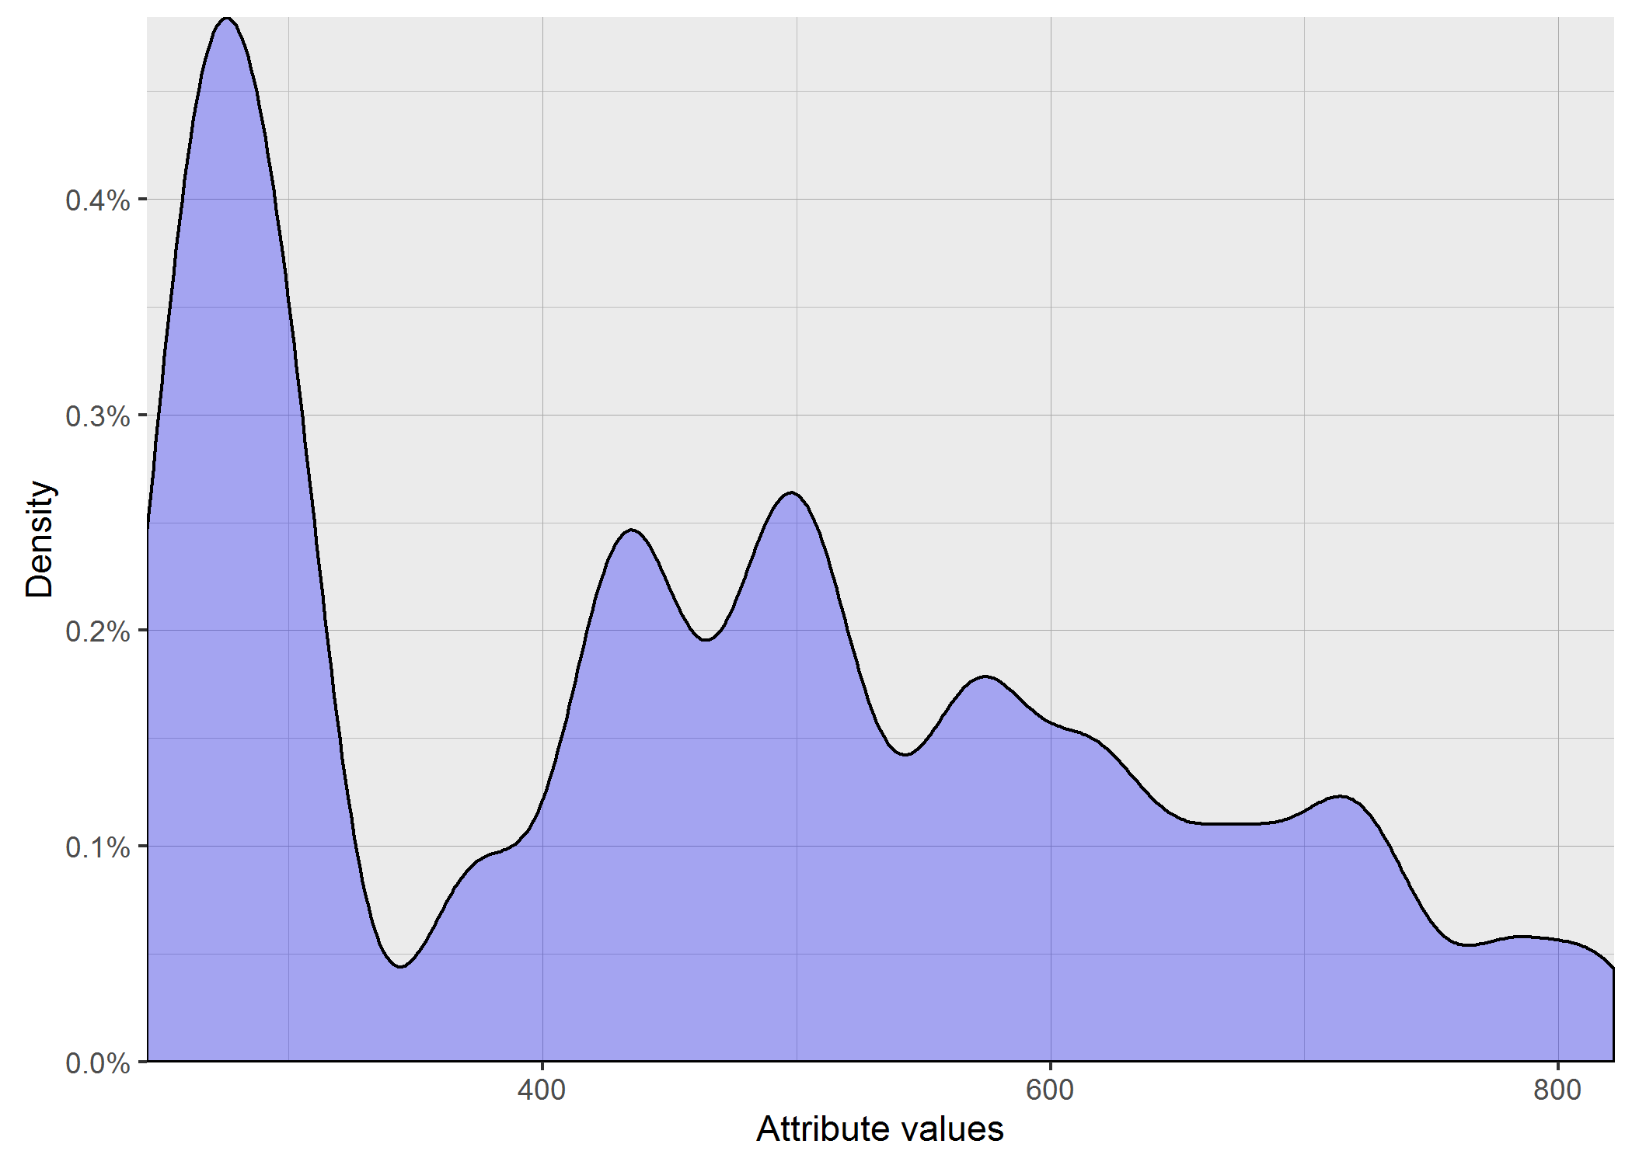
24.980356508 | 121.86792462 | 25.801248689 | 12.59044589
13.27697905 | 4.1863392698 | 109.89160255 | 8.7675129038
71.212062714 | 172.32148049 | 34.08673472 | 6.5025330932
77.076559699 | 10.300401233 | 83.936084406 | 10.572122477
103.93886417 | 10.831749451 | 17.040614527 | 5.8933993295
122.22229373 | 159.61491176 | 7.3615257805 | 67.571564465
24.876015699 | 169.32564799 | 2.9733078786 | 9.2579922118
75.290172848 | 156.70123197 | 101.48500783 | 9.1201145903
28.620162511 | 11.542216656 | 7.5568416773 | 7.4617024275
18.099993011 | 94.855789766 | 16.862659072 | 7.7990954801
93.401623958 | 10.207152105 | 32.305399356 | 71.445889372
8.6668157668 | 10.464285227 | 31.605296824 | 23.740819609
8.7087406565 | 4.3730335245 | 15.255117253 | 9.5016018662
39.031968505 | 47.602812156 | 35.375080785 | 21.365052065
...
7 | 8 | 9 | 10
5484.7066585 | 7406.9594387 | 4128.7023762 | 5117.0619649
2911.0432422 | 3995.404688 | 8089.7485962 | 4809.8678213
4702.4792822 | 5001.3711028 | 5295.4573851 | 4113.8567391
5932.9397905 | 3480.521282 | 6658.605451 | 4195.7603238
3909.4395206 | 7471.8916939 | 3140.6989397 | 4785.9230487
6636.5896694 | 4160.4912994 | 8210.9570713 | 4615.9355597
5700.8522705 | 4270.8332724 | 5333.2358246 | 5694.053289
4757.0754617 | 5079.7508828 | 9267.2744557 | 4026.2745241
4641.6718695 | 5271.6540319 | 5684.9461918 | 4868.1998952
4428.4741116 | 5536.6287874 | 7378.1852867 | 4784.7573123
5097.6314559 | 3521.1132715 | 8210.9570713 | 4770.8657749
5695.9697531 | 6381.3122483 | 7694.0775876 | 5025.0275567
5282.34954 | 3638.5791021 | 6453.0800292 | 5346.6979504
3972.2334662 | 4448.9484541 | 3605.8839414 | 4392.0842698
3124.1724134 | 4009.4712265 | 3832.2810786 | 5198.8477988
...

Feature3
...
220.0062958 | 272.34448426 | 223.093494 | 234.74485915 | 216.64842677
218.80862598 | 249.85548375 | 222.84917589 | 216.8448126 | 218.13223171
218.20392855 | 278.24170559 | 228.82061634 | 219.11819382 | 230.71790411
220.33495142 | 244.0351055 | 223.74889287 | 219.84752756 | 218.3753402
220.42521258 | 258.56751659 | 224.52401712 | 227.1294091 | 215.98848879
225.37652496 | 266.50346222 | 225.82800398 | 239.16556565 | 215.30203129
215.30321293 | 260.29784679 | 226.11601405 | 226.92064008 | 214.79961155
226.60916776 | 244.64170263 | 236.2672951 | 217.11082158 | 214.34165769
222.01385313 | 254.5927144 | 222.38006511 | 222.86214468 | 215.51953791
223.20559952 | 257.61832323 | 224.48760089 | 231.10444385 | 216.34837364
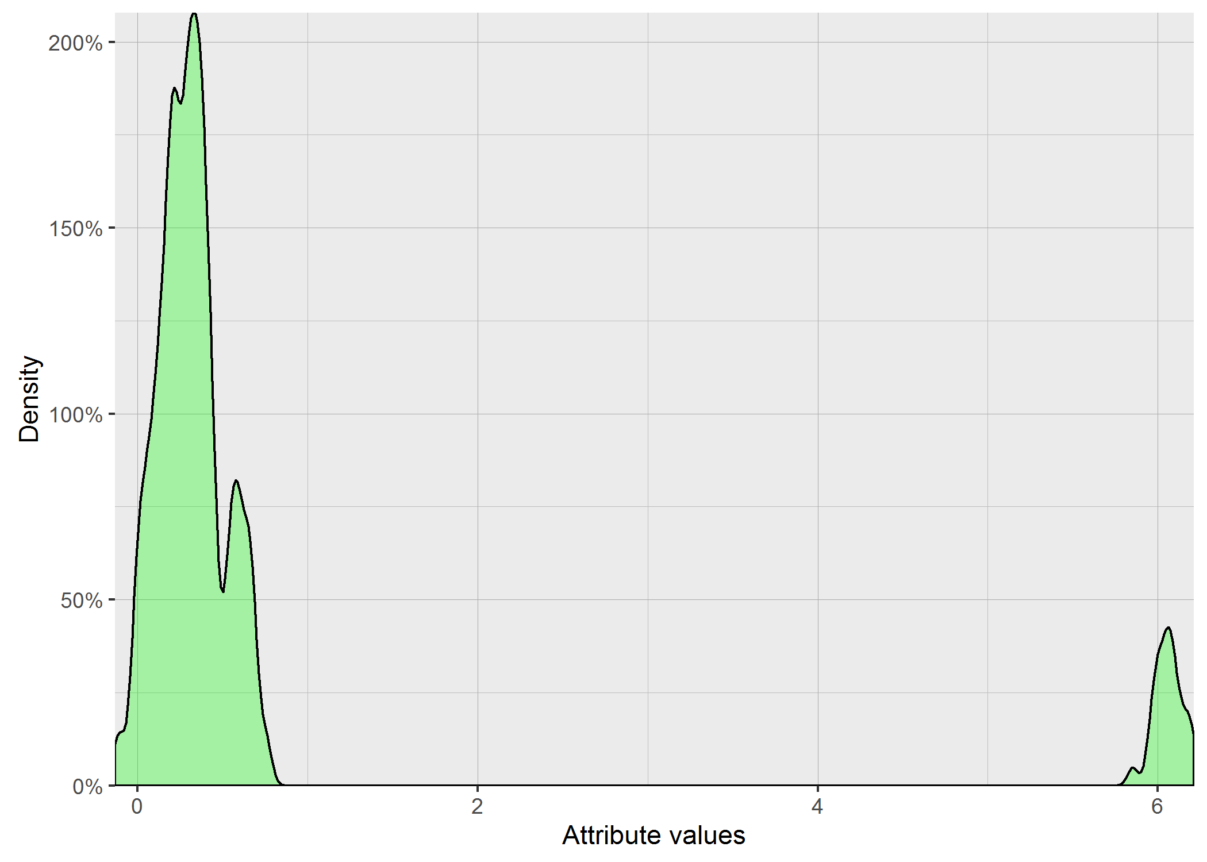
214.38925101 | 275.54022588 | 223.05459939 | 217.22596925 | 215.06838926
212.81658617 | 247.7475993 | 219.67650869 | 239.63948504 | 217.35322985
216.95092257 | 247.12182233 | 228.00228809 | 231.01249863 | 230.79905487
222.87331666 | 272.6066678 | 225.28981787 | 216.04512836 | 216.82971094
217.50055454 | 260.93947419 | 228.36810176 | 220.51976246 | 218.1506755
222.00959424 | 268.45977991 | 232.83669392 | 235.45737877 | 225.67516945
218.08741342 | 265.60429173 | 221.34818043 | 226.77271774 | 219.65632252
216.92149372 | 272.28307037 | 223.89318772 | 237.0468449 | 218.05285802
213.83107518 | 262.74635437 | 219.16479709 | 226.07146165 | 225.67842985
219.29096225 | 259.76783731 | 225.01870249 | 225.66475893 | 220.56965501

4.0263667415 | 10.781681332 | 4.5572543478 | 7.9632396311 | 5.6931291836
...
6 | 7 | 8 | 9 | 10
192.88856887 | 226.46854086 | 199.66471897 | 212.74397759 | 186.79400419
196.95177075 | 223.43679196 | 215.89812412 | 217.49942529 | 195.40726701
188.54177256 | 211.90092024 | 205.60642013 | 186.57438195 | 208.68157561
188.22327167 | 217.20957622 | 195.26392396 | 202.32646886 | 201.84152199
192.80560158 | 234.79778534 | 203.75475455 | 194.2472651 | 205.87860501
203.27813458 | 248.33042504 | 217.12208547 | 192.4006237 | 190.56232576
188.54177256 | 246.59278173 | 197.97474586 | 194.98205046 | 194.96666382
189.44128378 | 215.94906807 | 212.17916957 | 188.86503117 | 203.15511315
196.95177075 | 218.75557136 | 196.55024803 | 211.73568429 | 207.74984958
194.75625792 | 229.56044956 | 197.79787663 | 198.17668884 | 205.44585661
194.31417859 | 225.45509531 | 212.7627787 | 195.63741973 | 189.17716564
195.39191386 | 220.61731573 | 202.09898565 | 193.38562511 | 193.93297811
202.08908927 | 223.09190931 | 203.66148384 | 192.3278451 | 208.25465181
190.40483187 | 219.57231155 | 198.47921806 | 192.17700175 | 200.59411756
197.23082923 | 222.34657632 | 208.49460425 | 207.03139858 | 191.61419572
196.55024803 | 214.2568552 | 209.73793171 | 203.0123149 | 198.5950654
199.5995992 | 235.28705872 | 196.94161571 | 190.49934383 | 199.3138229
191.67159414 | 227.68399153 | 201.5390781 | 190.2472076 | 193.46317479
...

Interaction3
...
6.3698 | 6.8368222222 | 7.3700222222 | 7.5003777778
6.299 | 5.9834888889 | 7.0602 | 7.9450444444
6.1310444444 | 6.6669111111 | 7.0414888889 | 7.3477111111
6.3661111111 | 6.4822444444 | 7.6010888889 | 7.3745555556
6.3772666667 | 6.4093555556 | 7.3176222222 | 7.7882
5.7518 | 6.1684222222 | 7.4058 | 7.5395777778
6.3570444444 | 6.0206888889 | 7.3640666667 | 7.5397111111
6.3698444444 | 5.8372666667 | 7.2959333333 | 7.4077111111
6.2174 | 6.4854444444 | 7.8316666667 | 7.7904666667
6.0644222222 | 6.7672222222 | 7.6247333333 | 7.2616222222
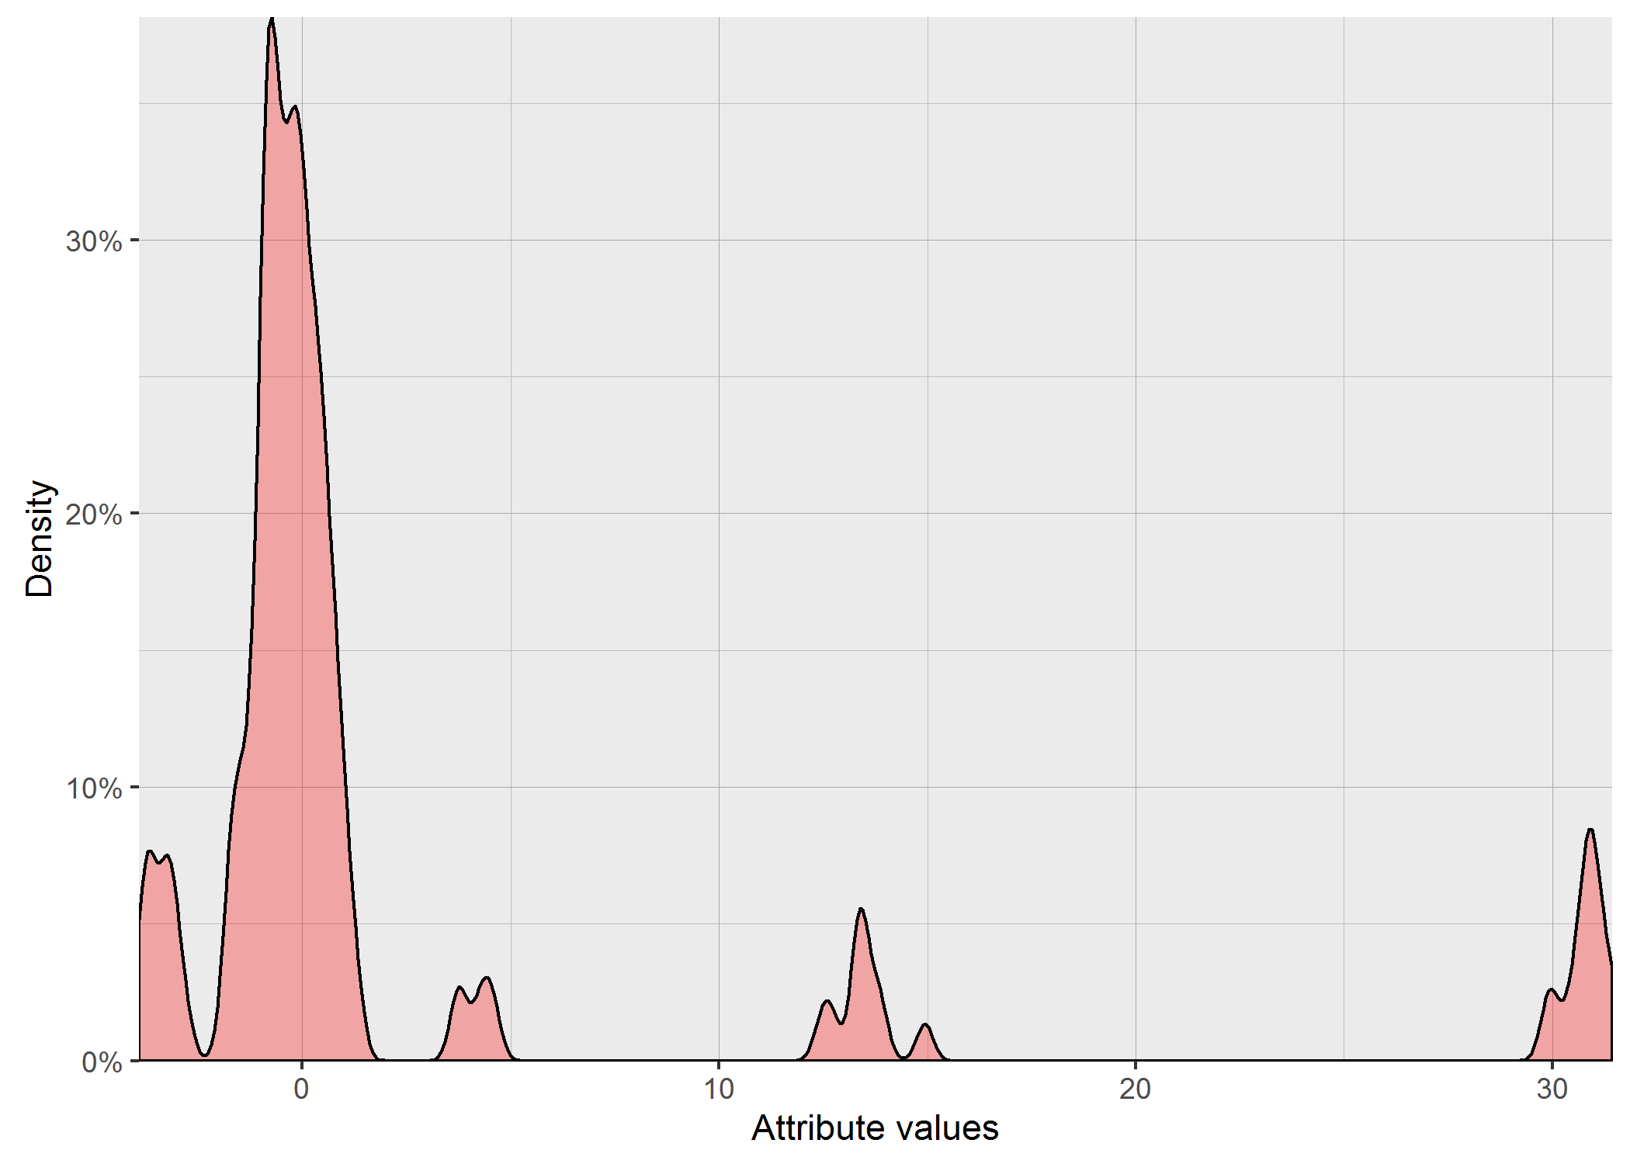
6.3283777778 | 6.3872666667 | 7.3062888889 | 7.4214888889
6.4548666667 | 6.7518444444 | 7.6664666667 | 7.8077555556
5.8555333333 | 6.4578444444 | 7.3099333333 | 6.9038444444
5.8009555556 | 6.3881555556 | 7.1364222222 | 7.3799777778
6.1494 | 6.4134888889 | 8.1854 | 8.0049555556
6.1358444444 | 6.4126888889 | 7.4157555556 | 7.4574444444
6.1555333333 | 6.7358444444 | 7.4345111111 | 6.9854
6.1586888889 | 6.6795333333 | 7.3973111111 | 7.5364222222
6.0381111111 | 6.2922888889 | 7.4775777778 | 7.5167777778
6.3588222222 | 6.5337111111 | 7.4561555556 | 7.2712222222
5.6902 | 6.4464222222 | 7.6108222222 | 7.2904666667
6.3109111111 | 6.1067333333 | 7.6482888889 | 7.391
6.1946284444 | 6.345832 | 7.4858391111 | 7.4988648889

0.20201340755 | 0.27414969875 | 0.26291331193 | 0.27809144175
...
7 | 8 | 9 | 10
25.168808337 | 24.141864991 | 26.845543346 | 26.731430036
27.576204641 | 26.699412599 | 28.320444987 | 26.086642806
22.236783804 | 24.466597048 | 24.758216905 | 28.197394488
20.524950468 | 24.859128368 | 27.996677216 | 32.993231302
20.303759398 | 25.10474248 | 23.777411477 | 31.147656074
21.318185812 | 26.054213621 | 23.777411477 | 25.988719356
21.318185812 | 23.70501443 | 26.635454473 | 31.214991182
20.274396544 | 25.777035695 | 25.185369028 | 26.100628005
24.531071194 | 27.568920081 | 27.858418726 | 28.699251608
23.589594356 | 27.409601178 | 25.658429045 | 28.021696206
20.607992203 | 25.139321962 | 26.755247434 | 27.078319783
28.886813187 | 24.763270292 | 22.327034752 | 31.560455225
25.929324009 | 26.817792302 | 25.046537575 | 28.412696229
23.550931416 | 23.866615352 | 26.437799831 | 27.536719454
26.580522273 | 27.748314737 | 27.757013088 | 25.285922122
20.804518837 | 26.292534999 | 26.496524686 | 26.549811011
...

Variant3
...
1364.4163818 | 1483.0818376 | 1891.200032 | 1329.0370032 | 1231.214936
1345.8805094 | 1618.8566612 | 1825.1350772 | 1355.9604954 | 1344.0723076
1364.0165754 | 1529.8451403 | 1779.0193124 | 1392.2123263 | 1229.5296787
1371.9980536 | 1493.3989943 | 1829.0683579 | 1375.3575919 | 1249.6553753
1306.5691751 | 1455.6139035 | 1807.823908 | 1349.4101436 | 1260.8476948
1342.4855017 | 1560.2459771 | 1771.7857384 | 1354.8223223 | 1283.3357738
1307.8805156 | 1535.0637254 | 1794.6706912 | 1365.5760454 | 1288.4872379
1275.7963026 | 1508.9090421 | 1848.9857658 | 1462.2127832 | 1283.9259562
1358.3345259 | 1603.7515832 | 1794.0819428 | 1385.1997212 | 1227.9312795
1333.9233083 | 1487.6142089 | 1833.8372266 | 1368.0264129 | 1364.9995637
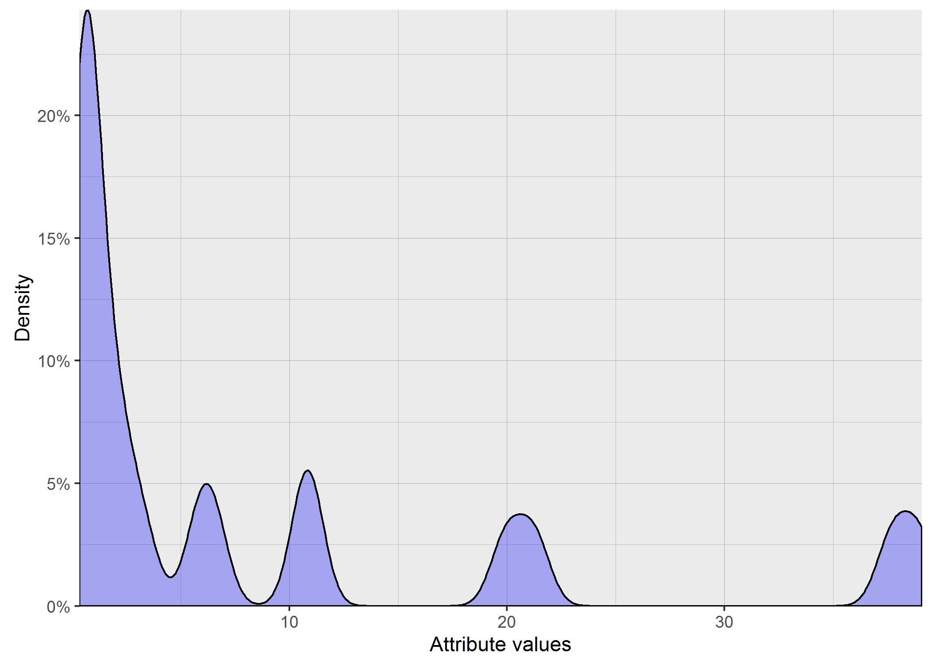
1344.8560621 | 1503.3102575 | 1786.8691959 | 1335.641144 | 1250.1893662
1311.0887118 | 1507.1935596 | 1778.6671259 | 1349.1018743 | 1309.6401345
1363.5102869 | 1603.0292266 | 1798.5581409 | 1384.9669656 | 1268.7511204
1375.4787608 | 1462.0676918 | 1805.9936087 | 1383.5214232 | 1242.1883306
1287.5059078 | 1485.3323682 | 1809.3296485 | 1302.8837298 | 1318.6832302
1268.2541646 | 1512.5432781 | 1818.5101522 | 1342.9876381 | 1259.1060424
1290.5393419 | 1540.175586 | 1860.7000325 | 1336.5035644 | 1284.2552668
1281.971292 | 1567.2733392 | 1756.8523552 | 1328.2368647 | 1286.5329494
1297.7242003 | 1549.4437586 | 1759.3465095 | 1349.713264 | 1324.8291287
1318.7815189 | 1585.1759136 | 1786.0548903 | 1353.8716547 | 1346.8020037
1308.9593672 | 1485.7966549 | 1774.1484852 | 1329.3725093 | 1283.198074
1289.9356217 | 1582.0997919 | 1767.819593 | 1327.1684852 | 1278.9558243
1316.8139662 | 1514.9696628 | 1797.3690096 | 1355.2712789 | 1334.0359128
1364.0165754 | 1488.6772806 | 1887.5423124 | 1330.376053 | 1272.1427247
1332.1263834 | 1535.6854109 | 1819.6539438 | 1355.212266 | 1285.0613351
...
6 | 7 | 8 | 9 | 10
18340.307175 | 19693.317296 | 22349.266224 | 21486.798612 | 23464.139584
17830.766966 | 19576.343886 | 20280.150031 | 21714.516338 | 23032.147849
19761.612822 | 21202.606665 | 21618.730254 | 25212.505937 | 20876.800874
18428.944368 | 23034.842213 | 20683.650973 | 21773.506143 | 20496.160323
18105.723516 | 22264.969895 | 20005.245462 | 25123.929655 | 20782.587751
18146.751749 | 20083.373345 | 20305.589034 | 25625.756121 | 23293.845158
19761.612822 | 20230.165067 | 22259.967063 | 23271.389544 | 20803.121436
18719.589554 | 23002.392946 | 20684.531206 | 24745.437913 | 21813.618579
17830.766966 | 20544.128266 | 20586.887418 | 21464.868327 | 21116.680583
17906.36587 | 20271.364033 | 20299.832927 | 22853.862156 | 21104.197361
17869.543776 | 22765.80451 | 20038.343175 | 22291.653587 | 22377.866194
18121.352397 | 20318.614907 | 21571.770866 | 25646.614164 | 20888.999002
17826.39723 | 19678.748189 | 20067.094301 | 23687.894783 | 20988.031672
18134.651868 | 20552.734117 | 22138.913242 | 23419.409388 | 22171.791468
18013.019674 | 19854.773372 | 20142.739986 | 21486.496928 | 22265.412467
...

