Sheet1
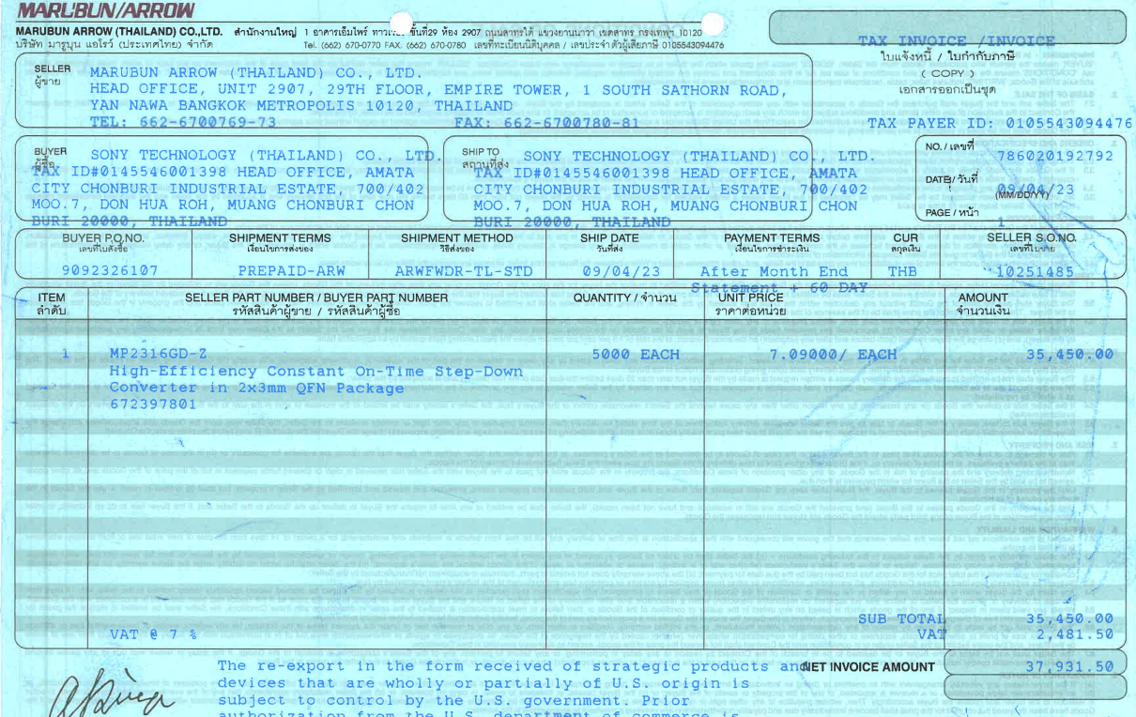
INVOICE_NO

PO_NO

QTY
Unit Price
Amount

ITEM_NO

