different date change chart
Date | Sales | From | 2023-01-03
2023-01-01 | 2,398 | To | 2023-01-09
2023-01-02 | 3,734
2023-01-03 | 850
2023-01-04 | 1,193
2023-01-05 | 1,824 | Date | Sales
2023-01-06 | 4,353 | 2023-01-03 | 850
2023-01-07 | 1,528 | 2023-01-04 | 1193
2023-01-08 | 2,436 | 2023-01-05 | 1824
2023-01-09 | 697 | 2023-01-06 | 4353
2023-01-10 | 2,718 | 2023-01-07 | 1528
2023-01-11 | 2,202 | 2023-01-08 | 2436
2023-01-12 | 1,235 | 2023-01-09 | 697
2023-01-13 | 1,769
2023-01-14 | 624
2023-01-15 | 4,689
2023-01-16 | 2,656
2023-01-17 | 3,062
2023-01-18 | 4,224
2023-01-19 | 507
2023-01-20 | 4,243
2023-01-21 | 2,518
2023-01-22 | 501
2023-01-23 | 3,636
2023-01-24 | 1,621
2023-01-25 | 4,757
2023-01-26 | 1,343
2023-01-27 | 3,220
2023-01-28 | 335
2023-01-29 | 996
2023-01-30 | 240
2023-01-31 | 2,153

uniqeblabla

CHALLENGE
• Determine who (if anyone) has been assigned only 1 shift.
 | Morning | Afternoon | Evening
Day1 | Todd - Doris | Nooni - Daisey | Ariel - Taylor
Day2 | Erika - Nooni | Cheryl - Martin | Alfonse - Taylor
Day3 | Daisey - Daniel | Levi - Martin | Ariel - Bill
Day4 | Erika - Cheryl | Lolade - Todd | Mars - Ariel
Day5 | Sanford - Daisey | Doris - Martin | Nooni - Bill
Day6 | Daniel - Cheryl | Levi - Lolade | Bill - Taylor
Day7 | Mars - Nooni | Lolade - Todd | Mars - Bill

 | Todd | Todd | Doris | Alfonse
 | Nooni | Nooni | Daisey | Sanford
 | Ariel | Ariel | Taylor
 | Erika | Erika | Nooni
 | Cheryl | Cheryl | Martin
 | Alfonse | Alfonse | Taylor
 | Daisey | Daisey | Daniel
 | Levi | Levi | Martin
 | Ariel | Ariel | Bill
 | Erika | Erika | Cheryl
 | Lolade | Lolade | Todd
 | Mars | Mars | Ariel
 | Sanford | Sanford | Daisey
 | Doris | Doris | Martin
 | Nooni | Nooni | Bill
 | Daniel | Daniel | Cheryl
 | Levi | Levi | Lolade
 | Bill | Bill | Taylor
 | Mars | Mars | Nooni
 | Mars | Lolade | Todd
 |  | Mars | Bill

LET

Gas Price (Est.) | $4.43
Miles per Gallon | 19
Distance (miles) | 1300

Gas Cost | $303.11

filter multi criteria
Rep | Course1 | Course2 | Course3
Seth | 11-Jun-22 | 1-Apr-22 | 15-Aug-22 | FALSE | TRUE | out of order | Seth
Louis | 5-Feb-22 | 30-Aug-22 | 29-Dec-21 | TRUE | FALSE | out of order | Louis
Omah | 30-Mar-22 | 5-Mar-22 | 1-Aug-22 | FALSE | TRUE | out of order | Omah
Bobby | 13-Jun-22 | 1-Jul-22 | 30-Aug-22 | TRUE | TRUE | good | Renaldo

CHALLENGE
• Filter the names of people who took the courses out of order.
Pip | 18-Jul-22 | 1-Aug-22 | 9-Aug-22 | TRUE | TRUE | good | Kristoff
Renaldo | 14-Jul-22 | 15-Aug-22 | 3-Aug-22 | TRUE | FALSE | out of order | Brandon
Curt | 27-Apr-22 | 30-Jun-22 | 13-Aug-22 | TRUE | TRUE | good | Zeb
Martina | 12-May-22 | 11-Jul-22 | 20-Aug-22 | TRUE | TRUE | good
Kristoff | 17-Jul-22 | 1-Jul-22 | 31-Aug-22 | FALSE | TRUE | out of order
Abraham | 13-May-22 | 28-Jun-22 | 10-Aug-22 | TRUE | TRUE | good
Choppa | 11-Apr-22 | 6-Jul-22 | 1-Aug-22 | TRUE | TRUE | good
Brandon | 30-Apr-22 | 28-Aug-22 | 6-Jul-22 | TRUE | FALSE | out of order
Julio | 6-Apr-22 | 10-May-22 | 7-Aug-22 | TRUE | TRUE | good
Zeb | 18-Aug-22 | 11-Jun-22 | 26-May-22 | FALSE | FALSE | out of order
Sydney | 2-May-22 | 13-Jul-22 | 12-Aug-22 | TRUE | TRUE | good

countifs
CHALLENGE
• Calculate the overall donations:
★ Total  Average  Median
• Calculate the same for the online donations.
• Get a count and total for amounts ≥ $5000.
• Think about what the details are telling you.
Donations | Online | Not Online | Overall | Total
January | $5,526.13 | $1,824.70 | Average | 3942.4904167
February | $3,219.75 | $3,643.49 | Median | 3581.36
March | $7,624.73 | $2,180.76
April | $7,491.81 | $5,002.11
May | $4,550.17 | $1,278.88 | Online | Total
June | $3,519.23 | $2,365.80 | Average | 5244.565
July | $4,712.88 | $3,268.18 | Median | 4631.525
August | $6,273.94 | $3,781.17
September | $7,735.70 | $2,979.54
October | $4,397.77 | $1,285.43 | ≥ $5000
November | $4,425.36 | $2,713.61 | TOTAL | 39654.42
December | $3,457.31 | $1,361.32 | COUNT | 6

maxif_minif_mulitcriteria
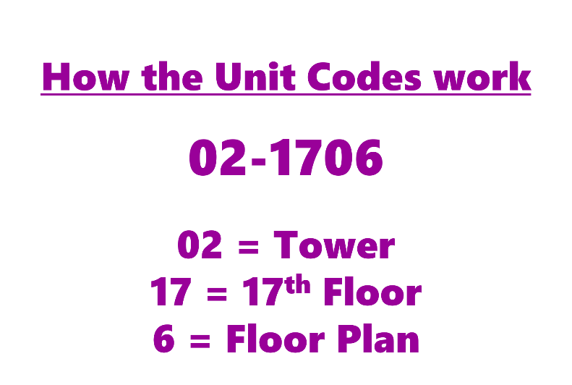
UNIT CODE | Rent | 1350 | 1350
01-0402 | $1,725 | 2020 | 2020
01-0702 | $1,725
01-1001 | $1,725

CHALLENGE
• Find the minimum and maximum rents based on these criteria:
★ Tower 1 or 3
★ Floor Plan 9
01-1010 | $2,370
01-1909 | $1,350
01-2806 | $2,200
01-3710 | $2,305
01-3906 | $2,295
01-4002 | $1,725
02-0306 | $2,280
02-1510 | $2,240
02-1706 | $2,280
02-1806 | $2,355
02-1906 | $2,305
02-1908 | $1,440
02-2206 | $2,205
02-2409 | $1,440
02-2410 | $2,370
02-2910 | $2,280
02-3010 | $2,370
02-3210 | $2,310
02-3310 | $2,355
02-3508 | $1,440
02-3909 | $1,350
02-4008 | $1,440
03-0606 | $2,395
03-0809 | $2,000
03-0910 | $2,460
03-1102 | $1,815
03-1109 | $2,020
03-2006 | $2,400
03-3006 | $2,430
03-3508 | $1,475
03-3508 | $1,475
03-3509 | $2,015
03-4006 | $2,430
03-4208 | $1,385
03-4209 | $1,995
03-4210 | $2,485
03-4214 | $1,640

xlookup_widerange

 | FIND
 | Day3 |  | Ariel - Bill
 | Evening |  | #VALUE!

 | Morning | Afternoon | Evening
Day1 | Todd - Doris | Nooni - Daisey | Ariel - Taylor
Day2 | Erika - Nooni | Cheryl - Martin | Alfonse - Taylor
Day3 | Daisey - Daniel | Levi - Martin | Ariel - Bill
Day4 | Erika - Cheryl | Lolade - Todd | Mars - Ariel
CHALLENGE
• Set up a 2-way lookup to see who's assigned, by day and either, Morning, Afternoon or Evening
Day5 | Sanford - Daisey | Doris - Martin | Nooni - Bill
Day6 | Daniel - Cheryl | Levi - Lolade | Bill - Taylor
Day7 | Mars - Nooni | Lolade - Todd | Mars - Bill

xllokup_first to last

CHALLENGE
• Determine if Aimee owns Guitars:
F, L, M or A?
★ If she never owned one, return: "N.O."
Activity | Guitar | Action | Amount
11-Jan-97 | A | Purchased | $150 | Guitar
3-Feb-99 | B | Purchased | $350 | F | Purchased
26-May-99 | M | Purchased | $710 | L | N.O.
15-Oct-01 | D | Purchased | $1,100 | M | Purchased
15-Oct-01 | B | Sold | $45 | A | Purchased
1-Mar-02 | R | Purchased | $245
30-Aug-02 | F | Purchased | $590
13-Sep-02 | G | Purchased | $755
8-Jan-11 | Q | Purchased | $920
25-Aug-13 | M | Sold | $1,230
3-Feb-20 | R | Sold | $600
6-Jun-20 | M | Purchased | $800
17-Oct-21 | J | Purchased | $600
5-Dec-21 | J | Sold | $600
28-Sep-22 | S | Purchased | $1,000

highlight chart
Country | Population
china | 1415.9
india | 1342.3
united states | 330.9 | 330.9
indonesia | 272.2
pakistan | 225.1
brazil | 213.3
nigeria | 211.4

 | country | united states
 | Population
china | 1415.9 | 0
india | 1342.3 | 0
united states | 330.9 | 330.9
indonesia | 272.2 | 0
pakistan | 225.1 | 0
brazil | 213.3 | 0
nigeria | 211.4 | 0

vertical values, dynamic chart
# | motnh | sales | 12
1 | Jan | £324,123,413.00 | #N/A
2 | Feb | £1,234,123,414.00 | #N/A
3 | Mar | £3,212,341.00 | #N/A
4 | Apr | £23,421,234.00 | #N/A
5 | May | £4,312,342.00 | #N/A
6 | Jun | £2,341,234.00 | #N/A
7 | Jul | £1,234,234.00 | #N/A
8 | Aug | £1,234,123,443.00 | #N/A
9 | Sep | £3,231,241,324.00 | #N/A
10 | Oct | £23,242,143,123.00 | #N/A
11 | Nov | £42,321,234.00 | #N/A
12 | Dec | £12,341,234,123.00 | 12341234123

dynamicchangechart
 |  |  | Departament | Sales
Departament | Name | Yearly Salary
Finance | Kuba | 60,270
Sales | Dominika | 39,567 | Name | Salary
Finance | Andrzej | 45,697 | Damian | 123,456
Sales | Damian | 123,456 | Kuba | 45,000
Sales | Kuba | 45,000 | Dominika | 39,567
Procurement | Marzena | 234,122
Procurement | Cecylia | 98,340

Visualize
Q4) Instructions
Create a chart showing product and service revenue and gross margin percentage

Income Statement
 | 2022E | 2023E | 2024E | 2025E | 2026E | 2027E | 2028E
Revenue:
Products | 226,117 | 264,007 | 288,893 | 300,002 | 337,975 | 313,352 | 341,939
Services | 66,861 | 88,650 | 104,028 | 117,239 | 137,577 | 147,138 | 165,570
Total Revenue | 292,978 | 352,657 | 392,921 | 417,241 | 475,552 | 460,490 | 507,509
COGS:
Products | 52,007 | 52,801 | 69,334 | 72,000 | 54,076 | 65,804 | 64,968
Services | 16,715 | 22,162 | 22,886 | 38,689 | 37,146 | 41,199 | 43,048
Total COGS | 68,722 | 74,964 | 92,221 | 110,689 | 91,222 | 107,003 | 108,017
Gross Margin | 224,256 | 277,693 | 300,701 | 306,552 | 384,330 | 353,487 | 399,492

Gross Margin % | 77% | 79% | 77% | 73% | 81% | 77% | 79%

Revenue and gross margin

