Sheet1
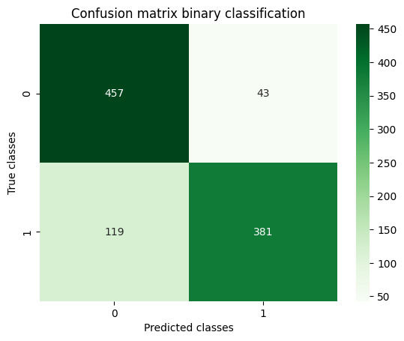
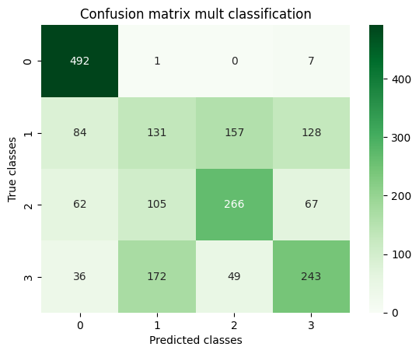
accuracy_bin | loss_bin | val_accuracy_bin | val_loss_bin | accuracy_mult | loss_mult | val_accuracy_mult | val_loss_mult | accuracy_test_bin | loss_test_bin | accuracy_test_mult | loss_test_mult
0.86124998331 | 0.3256650269 | 0.5 | 1.0611578226 | 0.46000000834 | 1.2318241596 | 0.42750000954 | 1.1889002323 | 0.83799999952 | 0.83179694414 | 0.56599998474 | 1.4054940939
0.95249998569 | 0.18426178396 | 0.5 | 1.2352236509 | 0.60874998569 | 0.98986512423 | 0.67000001669 | 0.8824429512
0.95875000954 | 0.14092101157 | 0.5 | 1.4343397617 | 0.63812500238 | 0.88698524237 | 0.63249999285 | 0.94881266356
0.94375002384 | 0.15299545228 | 0.5 | 1.4129530191 | 0.69625002146 | 0.79409337044 | 0.71749997139 | 0.78910249472
0.95625001192 | 0.13892379403 | 0.80000001192 | 0.49698242545 | 0.70937502384 | 0.77861464024 | 0.62999999523 | 0.97862565517
0.97000002861 | 0.093393117189 | 0.77999997139 | 0.48524865508 | 0.73937499523 | 0.70247268677 | 0.71249997616 | 0.77717161179
0.97624999285 | 0.085566543043 | 0.95499998331 | 0.11092979461 | 0.74750000238 | 0.6675453186 | 0.71749997139 | 0.78458213806
0.95875000954 | 0.11623211205 | 0.86000001431 | 0.29506799579 | 0.77749997377 | 0.60443437099 | 0.69999998808 | 0.80453062057
0.97250002623 | 0.089764587581 | 0.81499999762 | 0.41118910909 | 0.78312498331 | 0.58667546511 | 0.73750001192 | 0.71128988266
0.98624998331 | 0.073048554361 | 0.97000002861 | 0.068590462208 | 0.80187499523 | 0.54326283932 | 0.70249998569 | 0.76434987783
0.98124998808 | 0.075866788626 | 0.89999997616 | 0.29095754027 | 0.81749999523 | 0.51886361837 | 0.72750002146 | 0.75166922808
0.98250001669 | 0.054530907422 | 0.75499999523 | 0.73129844666 | 0.84375 | 0.45568907261 | 0.75249999762 | 0.65624982119
0.96875 | 0.083025224507 | 0.88999998569 | 0.25865232944 | 0.83687502146 | 0.45265030861 | 0.72500002384 | 0.82804495096
0.99124997854 | 0.038903225213 | 0.98000001907 | 0.083618611097 | 0.84125000238 | 0.46002620459 | 0.76249998808 | 0.70415741205
0.99250000715 | 0.043814763427 | 0.98000001907 | 0.075283318758 | 0.84437501431 | 0.44591295719 | 0.72500002384 | 0.74909681082

