Kreisquerschnitt
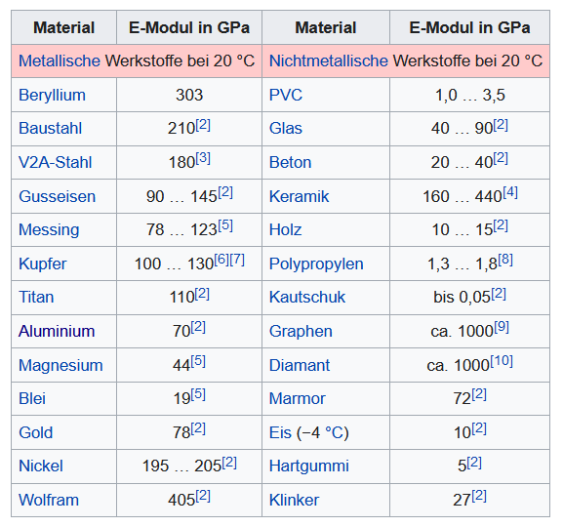
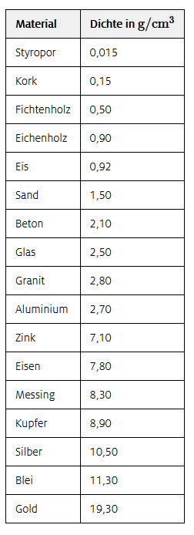
Kreisquerschnitt
E = | 2.100E+11 | N/m² | R= | 0.1 | m
G = | 8.077E+10 | N/m²
rh0 = | 7.850E+03 | kg/m³

A = | 3.142E-02 | m²
A1 = | 3.142E-02 | m²
A2 = | 3.142E-02 | m²
I1 = | 4.909E-06 | m4 |  |  | EA | GA1 | GA2 | EI1 | EI2 | GIT | ES1 | ES2 | GS1 | GS2 | ES12
I2 = | 4.909E-06 | m4 |  |  | rhoA | rhoI1 | rhoI2 | rhoS1 | rhoS2 | rhoI12
IT = | 9.817E-06 | m4 |  |  | 6.597E+09 | 2.537E+09 | 2.537E+09 | 1.031E+06 | 1.031E+06 | 7.930E+05 | 0.000E+00 | 0.000E+00 | 0.000E+00 | 0.000E+00 | 0.000E+00
S1 = | 0.000E+00 | m3 |  |  | 2.466E+02 | 3.853E-02 | 3.853E-02 | 0.000E+00 | 0.000E+00 | 0.000E+00
S2 = | 0.000E+00 | m3
I12 = | 0.000E+00 | m4

DeSiO-beam
 | Rechteckquerschnitt
 | E = | 2.100E+13 | N/m² | h = | 3.00 | m
 | G = | 8.077E+12 | N/m² | w = | 2.00 | m
$$ξ_{1}$$
$$ξ_{2}$$
h
w
 | rh0(A) = | 5.000E+02 | kg/m³

 | A = | 6.000E+00 | m²
 | A1 = | 6.000E+00 | m²
 | A2 = | 6.000E+00 | m²
 | I1 = | 4.500E+00 | m4 |  |  | EA | GA1 | GA2 | EI1 | EI2 | GI3 | ES1 | ES2 | GS1 | GS2 | ES12
 | I2 = | 2.000E+00 | m4 |  |  | rhoA | rhoI1 | rhoI2 | rhoS1 | rhoS2 | rhoI12
 | IT = | 6.500E+00 | m4 |  |  | 1.2600E+14 | 4.8462E+13 | 4.8462E+13 | 9.4500E+13 | 4.2000E+13 | 5.2500E+13 | 0.0000E+00 | 0.0000E+00 | 0.0000E+00 | 0.0000E+00 | 0.0000E+00
 | S1 = | 0.000E+00 | m3 |  |  | 3.0000E+03 | 2.2500E+03 | 1.0000E+03 | 0.0000E+00 | 0.0000E+00 | 0.0000E+00
 | S2 = | 0.000E+00 | m3 |  |  | 0.0d0 | 0.0d0
 | I12 = | 0.000E+00 | m4
 | Ip = | 6.500E+00 | m4

HUB | mass interia of solid sphere
 | rho = | 7.850E+03 | kg/m³ | r = | 1.00 | m

 | V = | 4.189E+00 | m³ |  |  | mass | J11 | J22 | J33 | J23 | J13 | rhox3 | rhox2 | rhox1 | J12
 | m = | 3.288E+04 | kg |  |  | 3.288E+04 | 6.576E+03 | 6.576E+03 | 6.576E+03 | 0.000E+00 | 0.000E+00 | 0.000E+00 | 0.000E+00 | 0.000E+00 | 0.000E+00
material | J11 = | 6.576E+03 | kgm^2
 | J22 = | 6.576E+03 | kgm^2
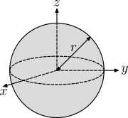
 | J33 = | 6.576E+03 | kgm^2
 | J23 = | 0.000E+00 | kgm^2
 | J13 = | 0.000E+00 | kgm^2
 | rho*xhi3 = | 0.000E+00 | kgm
 | rho*xhi2 = | 0.000E+00 | kgm
 | rho*xhi1 = | 0.000E+00 | kgm
 | J12 = | 0.000E+00 | kgm^2

 | spatial
 | M = | 3.288E+04 | kg
 | I11 = | 1.315E+04 | kgm^2
 | I22 = | 1.315E+04 | kgm^2
 | I33 = | 1.315E+04 | kgm^2
 | I23 = | 0.000E+00 | kgm^2
 | I13 = | 0.000E+00 | kgm^2
 | I12 = | 0.000E+00 | kgm^2

NACELLE | mass interia of solid ellipsoid
 | rho = | 7.850E+03 | kg/m³ | a = | 6.00 | m
 |  |  |  | b = | 3.00 | m
 | V = | 1.885E+02 | m³ | c = | 2.50 | m
 | m = | 1.480E+06 | kg
 | J11 = | 1.065E+07 | kgm^2 |  |  | mass | J11 | J22 | J33 | J23 | J13 | rhox3 | rhox2 | rhox1 | J12
 | J22 = | 2.663E+06 | kgm^2 |  |  | 1.480E+06 | 1.065E+07 | 2.663E+06 | 1.850E+06 | 0.000E+00 | 0.000E+00 | 0.000E+00 | 0.000E+00 | 0.000E+00 | 0.000E+00
 | J33 = | 1.850E+06 | kgm^2
 | J23 = | 0.000E+00 | kgm^2
 | J13 = | 0.000E+00 | kgm^2
 | rho*xhi3 = | 0.000E+00 | kgm
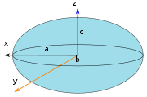
 | rho*xhi2 = | 0.000E+00 | kgm
 | rho*xhi1 = | 0.000E+00 | kgm
 | J12 = | 0.000E+00 | kgm^2

 | spatial
 | M = | 1.480E+06 | kg
 | I11 = | 4.513E+06 | kgm^2
 | I22 = | 1.250E+07 | kgm^2
 | I33 = | 1.332E+07 | kgm^2
 | I23 = | 0.000E+00 | kgm^2
 | I13 = | 0.000E+00 | kgm^2
 | I12 = | 0.000E+00 | kgm^2

spatial_inertia_euler_intertia
Formulas to transform general inertia tensor to intertia tensor according to director-based kinemtacis:
$CM$
$r$
mass: | m = | 646895.00
point location from CoM: | r1 = | 0.00
 | r2 = | 0.00
 | r3 = | 0.00

$I_{11.CM}=\int_{v}{x_{2}^{2}+x_{3}^{2}}dv$
$$I_{22,CM}=\int_{v}{x_{1}^{2}+x_{3}^{2}}dv$$
$$I_{33,CM}=\int_{v}{x_{1}^{2}+x_{2}^{2}}dv$$
$$I_{12,CM}=−\int_{v}{x_{1}⋅x_{2}}dv$$
$$I_{13,CM}=−\int_{v}{x_{1}⋅x_{3}}dv$$
$$I_{23,CM}=−\int_{v}{x_{2}⋅x_{3}}dv$$
$$M_{I,r}=$$
$$I_{11,r}$$
$$I_{12,r}$$
$$I_{13,r}$$
$$I_{22,r}$$
$$I_{23,r}$$
$$I_{33,r}$$
$$m$$
$$0$$
$$0$$
$$0$$
$I_{11.r}=I_{11,CM}+m\left(r_{2}^{2}+r_{3}^{2}\right)$
$I_{22.r}=I_{22,CM}+m\left(r_{1}^{2}+r_{3}^{2}\right)$
$I_{33,r}=I_{33,CM}+m\left(r_{1}^{2}+r_{2}^{2}\right)$
$I_{12.r}=I_{12,CM}−mr_{1}r_{2}$
$I_{23.r}=I_{23,CM}−mr_{2}r_{3}$
$I_{13.r}=I_{13,CM}−mr_{1}r_{3}$
Inertia tensor:
 | I11,CM = | 9437478.0082
 | I22,CM = | 9808155.9876
 | I33,CM = | 9780449.1838
 | I12,CM = | 446585.45945
 | I13,CM = | 1960561.6197
 | I23,CM = | -232499.00841
$$M_{J,r}=$$
$$J_{11,CM}$$
$$J_{12,CM}$$
$$J_{13,CM}$$
$$J_{22,CM}$$
$$J_{23,CM}$$
$$J_{33,CM}$$
$$m$$
$$r_{1}m$$
$$r_{2}m$$
$$r_{3}m$$
$$J_{11,CM}=\int_{v}{x_{1}^{2}}dv$$
$$J_{22,CM}=\int_{v}{x_{2}^{2}}dv$$
$$J_{33,CM}=\int_{v}{x_{3}^{2}}dv$$
$$J_{12,CM}=\int_{v}{x_{1}⋅x_{2}}dv$$
$$J_{13,CM}=\int_{v}{x_{1}⋅x_{3}}dv$$
$$J_{23,CM}=\int_{v}{x_{2}⋅x_{3}}dv$$
 | J11,CM = | 5075563.582
 | J22,CM = | 4704885.602
 | J33,CM = | 4732592.406
 | J12,CM = | -446585.45945
 | J13,CM = | -1960561.6197
 | J23,CM = | 232499.00841

 |  |  |  | -1.0000E+00 | -1.2251E-16 | 0.0000E+00
rotation angle: | alpha = | 180.000 | R = | 1.2251E-16 | -1.0000E+00 | 0.0000E+00
 |  |  |  | 0.0000E+00 | 0.0000E+00 | 1.0000E+00
$$x_{2}$$
$$x_{3}$$
$$x_{1}$$
 |  | 646895.000 | 0.000 | 0.000 | 0.000
 | MI,r= | 0.000 | 9437478.008 | 446585.459 | 1960561.620 |  | Mass matrix at point r with intertia terms according to general definition of intertia tensor
 |  | 0.000 | 446585.459 | 9808155.988 | -232499.008
 |  | 0.000 | 1960561.620 | -232499.008 | 9780449.184
$$x_{2}$$
$$x_{3}$$
$$x_{1}$$
 |  | 646895.000 | 0.000 | 0.000 | 0.000
 | MJ,r= | 0.000 | 5075563.582 | -446585.459 | -1960561.620 |  | Mass matrix at point r transformed to DeSiO - director-based kinematics in initial coordinate system (green)
 |  | 0.000 | -446585.459 | 4704885.602 | 232499.008
 |  | 0.000 | -1960561.620 | 232499.008 | 4732592.406

$$x_{2}$$
$$x_{3}$$
$$x_{1}$$
 |  | 646895.000 | 0.000 | 0.000 | 0.000
 | MJ,r_rot = | 0.000 | 5075563.582 | -446585.459 | 1960561.620 |  | Mass matrix at point r transformed to DeSiO - director-based kinematics in rotated coordinate system (blue)
 |  | 0.000 | -446585.459 | 4704885.602 | -232499.008
 |  | 0.000 | 1960561.620 | -232499.008 | 4732592.406

