EU_Comparison
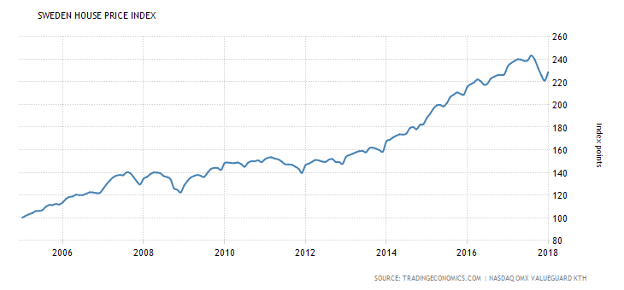
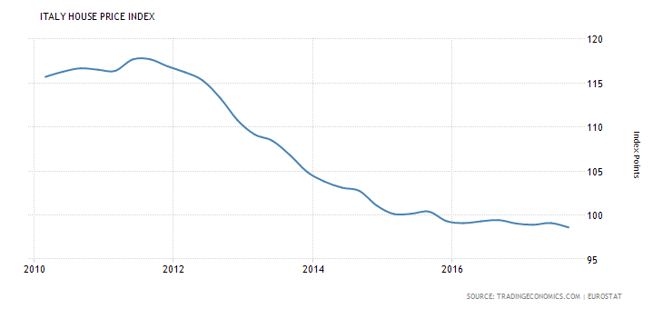
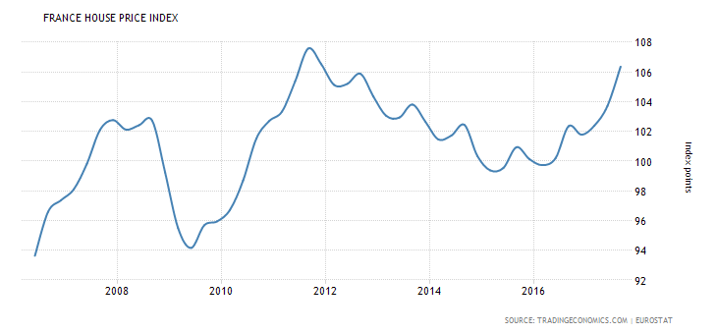
Source | https://tradingeconomics.com/country-list/housing-index?continent=europe
Source | https://tradingeconomics.com/ireland/housing-index | Source | https://tradingeconomics.com/germany/housing-index | Source | https://tradingeconomics.com/portugal/housing-index
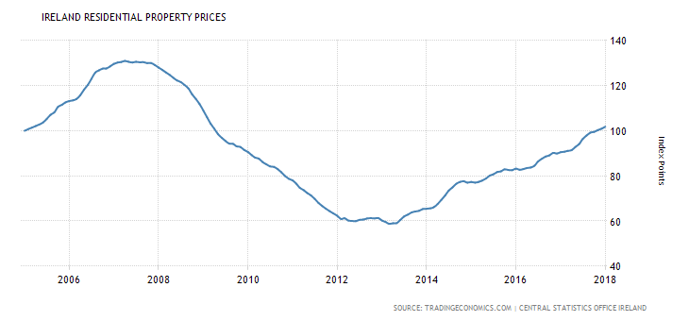
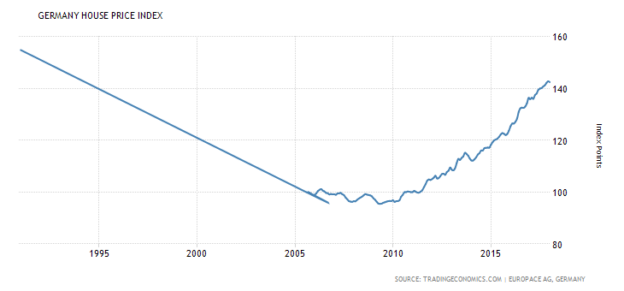
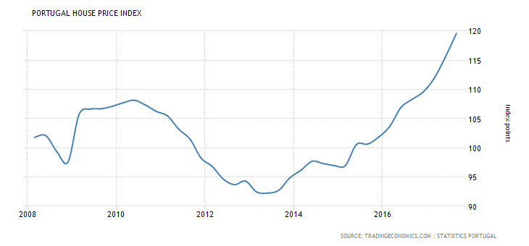

Source | https://tradingeconomics.com/spain/housing-index | Source | https://tradingeconomics.com/united-kingdom/housing-index | Source | https://tradingeconomics.com/greece/housing-index
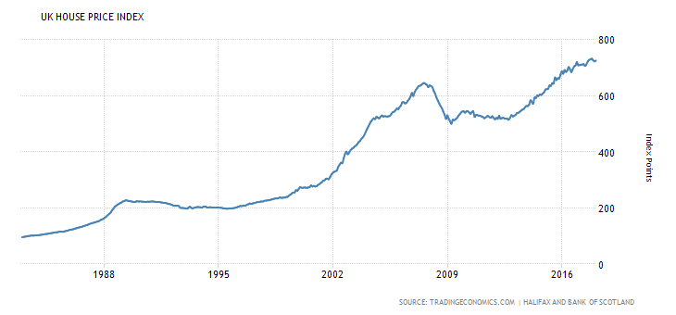
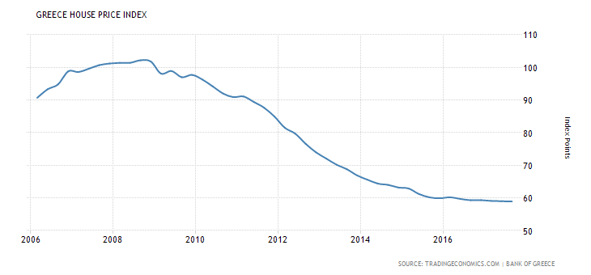
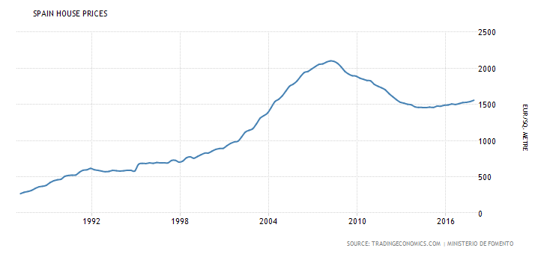

Source | https://tradingeconomics.com/sweden/housing-index | Source | https://tradingeconomics.com/italy/housing-index | Source | https://tradingeconomics.com/france/housing-index

CSO_Data
Month | National - all residential properties | Base = 100 | Min = 58.7 | Max = 131 | Dún Laoghaire-Rathdown - houses
2005M01 | 100 | 100 | 58.7 | 131 | ..
2005M02 | 100.8 | 100 | 58.7 | 131 | ..
2005M03 | 101.4 | 100 | 58.7 | 131 | ..
2005M04 | 102.1 | 100 | 58.7 | 131 | ..
2005M05 | 102.8 | 100 | 58.7 | 131 | ..
2005M06 | 103.7 | 100 | 58.7 | 131 | ..
2005M07 | 105.3 | 100 | 58.7 | 131 | ..
2005M08 | 107.1 | 100 | 58.7 | 131 | ..
2005M09 | 108.2 | 100 | 58.7 | 131 | ..
2005M10 | 110.6 | 100 | 58.7 | 131 | ..
2005M11 | 111.5 | 100 | 58.7 | 131 | ..
2005M12 | 112.6 | 100 | 58.7 | 131 | ..
2006M01 | 113.2 | 100 | 58.7 | 131 | ..
2006M02 | 113.5 | 100 | 58.7 | 131 | ..
2006M03 | 114.1 | 100 | 58.7 | 131 | ..
2006M04 | 115.8 | 100 | 58.7 | 131 | ..
2006M05 | 118.2 | 100 | 58.7 | 131 | ..
2006M06 | 120.3 | 100 | 58.7 | 131 | ..
2006M07 | 123 | 100 | 58.7 | 131 | ..
2006M08 | 125.8 | 100 | 58.7 | 131 | ..
2006M09 | 126.8 | 100 | 58.7 | 131 | ..
2006M10 | 127.6 | 100 | 58.7 | 131 | ..
2006M11 | 127.6 | 100 | 58.7 | 131 | ..
2006M12 | 128.6 | 100 | 58.7 | 131 | ..
2007M01 | 129.7 | 100 | 58.7 | 131 | ..
2007M02 | 130.3 | 100 | 58.7 | 131 | ..
2007M03 | 130.5 | 100 | 58.7 | 131 | ..
2007M04 | 131 | 100 | 58.7 | 131 | ..
2007M05 | 130.6 | 100 | 58.7 | 131 | ..
2007M06 | 130.3 | 100 | 58.7 | 131 | ..
2007M07 | 130.6 | 100 | 58.7 | 131 | ..
2007M08 | 130.4 | 100 | 58.7 | 131 | ..
2007M09 | 130.4 | 100 | 58.7 | 131 | ..
2007M10 | 130 | 100 | 58.7 | 131 | ..
2007M11 | 130 | 100 | 58.7 | 131 | ..
2007M12 | 129.2 | 100 | 58.7 | 131 | ..
2008M01 | 128.1 | 100 | 58.7 | 131 | ..
2008M02 | 127 | 100 | 58.7 | 131 | ..
2008M03 | 125.9 | 100 | 58.7 | 131 | ..
2008M04 | 124.8 | 100 | 58.7 | 131 | ..
2008M05 | 123.5 | 100 | 58.7 | 131 | ..
2008M06 | 122.3 | 100 | 58.7 | 131 | ..
2008M07 | 121.6 | 100 | 58.7 | 131 | ..
2008M08 | 120.3 | 100 | 58.7 | 131 | ..
2008M09 | 118.8 | 100 | 58.7 | 131 | ..
2008M10 | 116.2 | 100 | 58.7 | 131 | ..
2008M11 | 114.1 | 100 | 58.7 | 131 | ..
2008M12 | 111.9 | 100 | 58.7 | 131 | ..
2009M01 | 109 | 100 | 58.7 | 131 | ..
2009M02 | 106 | 100 | 58.7 | 131 | ..
2009M03 | 103.2 | 100 | 58.7 | 131 | ..
2009M04 | 100.9 | 100 | 58.7 | 131 | ..
2009M05 | 98.5 | 100 | 58.7 | 131 | ..
2009M06 | 96.9 | 100 | 58.7 | 131 | ..
2009M07 | 95.5 | 100 | 58.7 | 131 | ..
2009M08 | 94.3 | 100 | 58.7 | 131 | ..
2009M09 | 94.2 | 100 | 58.7 | 131 | ..
2009M10 | 93.1 | 100 | 58.7 | 131 | ..
2009M11 | 92.8 | 100 | 58.7 | 131 | ..
2009M12 | 91.5 | 100 | 58.7 | 131 | ..
2010M01 | 90.6 | 100 | 58.7 | 131 | 85
2010M02 | 89.2 | 100 | 58.7 | 131 | 83
2010M03 | 88.1 | 100 | 58.7 | 131 | 80.7
2010M04 | 87.6 | 100 | 58.7 | 131 | 79.5
2010M05 | 86.1 | 100 | 58.7 | 131 | 78.9
2010M06 | 85.1 | 100 | 58.7 | 131 | 78.6
2010M07 | 84.2 | 100 | 58.7 | 131 | 78.4
2010M08 | 84 | 100 | 58.7 | 131 | 79.4
2010M09 | 83 | 100 | 58.7 | 131 | 80.5
2010M10 | 81.6 | 100 | 58.7 | 131 | 79.8
2010M11 | 79.9 | 100 | 58.7 | 131 | 78.2
2010M12 | 78.7 | 100 | 58.7 | 131 | 76.7
2011M01 | 78 | 100 | 58.7 | 131 | 73.7
2011M02 | 76.5 | 100 | 58.7 | 131 | 71.2
2011M03 | 74.7 | 100 | 58.7 | 131 | 68.5
2011M04 | 73.7 | 100 | 58.7 | 131 | 67.6
2011M05 | 72.4 | 100 | 58.7 | 131 | 66.8
2011M06 | 71.3 | 100 | 58.7 | 131 | 65.8
2011M07 | 69.8 | 100 | 58.7 | 131 | 64.6
2011M08 | 68 | 100 | 58.7 | 131 | 62.8
2011M09 | 66.6 | 100 | 58.7 | 131 | 61.4
2011M10 | 65.4 | 100 | 58.7 | 131 | 59.7
2011M11 | 64.3 | 100 | 58.7 | 131 | 58.5
2011M12 | 63.3 | 100 | 58.7 | 131 | 57
2012M01 | 62.3 | 100 | 58.7 | 131 | 57
2012M02 | 60.9 | 100 | 58.7 | 131 | 56.3
2012M03 | 61.2 | 100 | 58.7 | 131 | 56.9
2012M04 | 60.2 | 100 | 58.7 | 131 | 56
2012M05 | 60 | 100 | 58.7 | 131 | 56
2012M06 | 59.9 | 100 | 58.7 | 131 | 56.3
2012M07 | 60.5 | 100 | 58.7 | 131 | 57.6
2012M08 | 60.6 | 100 | 58.7 | 131 | 59.2
2012M09 | 61.1 | 100 | 58.7 | 131 | 60.3
2012M10 | 61.3 | 100 | 58.7 | 131 | 62.1
2012M11 | 61.1 | 100 | 58.7 | 131 | 63.1
2012M12 | 61.3 | 100 | 58.7 | 131 | 64.1
2013M01 | 60.2 | 100 | 58.7 | 131 | 65
2013M02 | 59.5 | 100 | 58.7 | 131 | 64.5
2013M03 | 58.7 | 100 | 58.7 | 131 | 64.1
2013M04 | 59 | 100 | 58.7 | 131 | 64.6
2013M05 | 59 | 100 | 58.7 | 131 | 64.3
2013M06 | 60.5 | 100 | 58.7 | 131 | 66.5
2013M07 | 62 | 100 | 58.7 | 131 | 69.1
2013M08 | 62.8 | 100 | 58.7 | 131 | 70.7
2013M09 | 63.8 | 100 | 58.7 | 131 | 72.2
2013M10 | 64.2 | 100 | 58.7 | 131 | 73.7
2013M11 | 64.5 | 100 | 58.7 | 131 | 75.5
2013M12 | 65.3 | 100 | 58.7 | 131 | 76.4
2014M01 | 65.4 | 100 | 58.7 | 131 | 77.7
2014M02 | 65.6 | 100 | 58.7 | 131 | 78.3
2014M03 | 66.1 | 100 | 58.7 | 131 | 78.8
2014M04 | 67.5 | 100 | 58.7 | 131 | 79.3
2014M05 | 69.3 | 100 | 58.7 | 131 | 79.5
2014M06 | 71.3 | 100 | 58.7 | 131 | 81.8
2014M07 | 73.5 | 100 | 58.7 | 131 | 84.4
2014M08 | 74.9 | 100 | 58.7 | 131 | 86.4
2014M09 | 76.5 | 100 | 58.7 | 131 | 88.4
2014M10 | 77.3 | 100 | 58.7 | 131 | 89.5
2014M11 | 77.6 | 100 | 58.7 | 131 | 89.7
2014M12 | 77 | 100 | 58.7 | 131 | 89.6
2015M01 | 77.3 | 100 | 58.7 | 131 | 88.9
2015M02 | 77 | 100 | 58.7 | 131 | 87.4
2015M03 | 77.3 | 100 | 58.7 | 131 | 88.4
2015M04 | 77.9 | 100 | 58.7 | 131 | 89
2015M05 | 78.8 | 100 | 58.7 | 131 | 88.2
2015M06 | 80.1 | 100 | 58.7 | 131 | 88.6
2015M07 | 80.7 | 100 | 58.7 | 131 | 88.7
2015M08 | 81.7 | 100 | 58.7 | 131 | 89
2015M09 | 82 | 100 | 58.7 | 131 | 89.3
2015M10 | 82.9 | 100 | 58.7 | 131 | 89.4
2015M11 | 82.6 | 100 | 58.7 | 131 | 90.9
2015M12 | 82.5 | 100 | 58.7 | 131 | 91.2
2016M01 | 83.2 | 100 | 58.7 | 131 | 92.4
2016M02 | 82.7 | 100 | 58.7 | 131 | 92
2016M03 | 83 | 100 | 58.7 | 131 | 92.4
2016M04 | 83.5 | 100 | 58.7 | 131 | 92.7
2016M05 | 83.7 | 100 | 58.7 | 131 | 92.1
2016M06 | 84.5 | 100 | 58.7 | 131 | 92.1
2016M07 | 86.4 | 100 | 58.7 | 131 | 93.1
2016M08 | 87.6 | 100 | 58.7 | 131 | 94.8
2016M09 | 88.6 | 100 | 58.7 | 131 | 96.4
2016M10 | 89.1 | 100 | 58.7 | 131 | 97.4
2016M11 | 90.2 | 100 | 58.7 | 131 | 98.5
2016M12 | 89.9 | 100 | 58.7 | 131 | 99.2 | 1
2017M01 | 90.5 | 100 | 58.7 | 131 | 100 | 2
2017M02 | 90.7 | 100 | 58.7 | 131 | 100.1 | 3
2017M03 | 91.1 | 100 | 58.7 | 131 | 100.4 | 4
2017M04 | 91.4 | 100 | 58.7 | 131 | 99.6 | 5
2017M05 | 92.8 | 100 | 58.7 | 131 | 100.7 | 6
2017M06 | 94.1 | 100 | 58.7 | 131 | 101.3 | 7
2017M07 | 96.4 | 100 | 58.7 | 131 | 102.6 | 8
2017M08 | 97.9 | 100 | 58.7 | 131 | 103.8 | 9
2017M09 | 99.2 | 100 | 58.7 | 131 | 105.2 | 10
2017M10 | 99.5 | 100 | 58.7 | 131 | 106.8 | 11
2017M11 | 100.3 | 100 | 58.7 | 131 | 107.4 | 12
2017M12 | 100.8 | 100 | 58.7 | 131 | 108.2 | 13
2018M01 | 101.2 | 100 | 58.7 | 131 | 108.8 | 14
2018M02 | 102 | 100 | 58.7 | 131 | 109.7 | 15
2018M03 | 102.6 | 100 | 58.7 | 131 | 109.6 | 16
2018M04 | 103.6 | 100 | 58.7 | 131 | 110.2 | 17
2018M05 | 104.3 | 100 | 58.7 | 131 | 111.3 | 18
2018M06 | 105.3 | 100 | 58.7 | 131 | 111.3 | 19
2018M07 | 106 | 100 | 58.7 | 131 | 112.9 | 20 |  | 0.89324675325
2018M08 | 106.3 | 100 | 58.7 | 131 | 113.1 | 21 |  | 88.55047619
 | 107.19324675 |  |  |  |  | 1 | 0.84%
 | 108.08649351 |  |  |  |  | 2 | 0.83%
 | 108.97974026 |  |  |  |  | 3 | 0.83%
 | 109.87298701 |  |  |  |  | 4 | 0.82%
 | 110.76623377 |  |  |  |  | 5 | 0.81%
 | 111.65948052 |  |  |  |  | 6 | 0.81%
 | 112.55272727 |  |  |  |  | 7 | 0.80%
 | 113.44597403 |  |  |  |  | 8 | 0.79%
 | 114.33922078 |  |  |  |  | 9 | 0.79%
 | 115.23246753 |  |  |  |  | 10 | 0.78%
 | 116.12571429 |  |  |  |  | 11 | 0.78%
 | 117.01896104 |  |  |  |  | 12 | 0.77%
 | 117.91220779 |  |  |  |  | 13 | 0.76%
 | 118.80545455 |  |  |  |  | 14 | 0.76%
 | 119.6987013 |  |  |  |  | 15 | 0.75%
 | 120.59194805 |  |  |  |  | 16 | 0.75%
 | 121.48519481 |  |  |  |  | 17 | 0.74%
 | 122.37844156 |  |  |  |  | 18 | 0.74%
 | 123.27168831 |  |  |  |  | 19 | 0.73%
 | 124.16493506 |  |  |  |  | 20 | 0.72%
 | 125.05818182 |  |  |  |  | 21 | 0.72%
 | 125.95142857 |  |  |  |  | 22 | 0.71%
 | 126.84467532 |  |  |  |  | 23 | 0.71%
 | 127.73792208 |  |  |  |  | 24 | 0.70%
 | 128.63116883 |  |  |  |  | 25 | 0.70%
 | 129.52441558 |  |  |  |  | 26 | 0.69%
 | 130.41766234 |  |  |  |  | 27 | 0.69%
 | 131.31090909 |  |  |  |  | 28 | 0.68%
 | 132.20415584 |  |  |  |  | 29 | 0.68%
 | 133.0974026 |  |  |  |  | 30 | 0.68%
 | 133.99064935 |  |  |  |  | 31 | 0.67%
 | 134.8838961 |  |  |  |  | 32 | 0.67%
 | 135.77714286 |  |  |  |  | 33 | 0.66%
 | 136.67038961 |  |  |  |  | 34 | 0.66%
 | 137.56363636 |  |  |  |  | 35 | 0.65%
 | 138.45688312 |  |  |  |  | 36 | 0.65%

