herbivores
original.value | new.value | type | herb.gr | herb.fct.gr | comments
Aculus_tetanothrix | Aculus_tetranothix | species | invertebrate_herbivores | inv
Alces_alces | Alces_alces | species | large_herbivores | F3
Anser_albifrons | Anser_albifrons | species | medium_herbivores | F1
Anser_albifrons_frontalis | Anser_albifrons_frontalis | species | medium_herbivores | F1
Anser_brachyrhynchus | Anser_brachyrhynchus | species | medium_herbivores | F1
Anser_caerulescens | Chen_caerulescens | species | medium_herbivores | F1 | NL: if we aim for a european journal we can keep Anser otherwise it should be Chen
Anser_caerulescens_atlanticus | Chen_caerulescens_atlanticus | species | medium_herbivores | F1 | NL: if we aim for a european journal we can keep Anser otherwise it should be Chen
Anser_caerulescens_caerulescens | Chen_caerulescens_caerulescens | species | medium_herbivores | F1 | NL: if we aim for a european journal we can keep Anser otherwise it should be Chen
Branta_bernicla | Branta_bernicla | species | medium_herbivores | F1
Branta_bernicla_bernicla | Branta_bernicla_bernicla | species | medium_herbivores | F1
Branta_bernicla_nigricans | Branta_bernicla_nigricans | species | medium_herbivores | F1
Branta_canadensis | Branta_canadensis | species | medium_herbivores | F1
Branta_canadensis_interior | Branta_canadensis_interior | species | medium_herbivores | F1
Branta_canadensis_minima | Branta_canadensis_minima | species | medium_herbivores | F1
Branta_leucopsis | Branta_leucopsis | species | medium_herbivores | F1
Chen_caerulescens | Chen_caerulescens | species | medium_herbivores | F1 | NL: if we aim for a european journal we can keep Anser otherwise it should be Chen
Chen_caerulescens_atlantica | Chen_caerulescens_atlanticus | species | medium_herbivores | F1 | NL: if we aim for a european journal we can keep Anser otherwise it should be Chen
Chen_caerulescens_caerulescens | Chen_caerulescens_caerulescens | species | medium_herbivores | F1 | NL: if we aim for a european journal we can keep Anser otherwise it should be Chen
Clethrionomys_rufocanus | Myodes_rufocanus | species | small_herbivores | F2
Clethrionomys_rutilus | Myodes_rutilus | species | small_herbivores | F3 | *Myodes rutilus is grouped in F3, separate from other small mammals (incl. for example Myodes rufocanus, which is F2)
Clethrionomys_spp | Myodes_spp | species | small_herbivores | F2
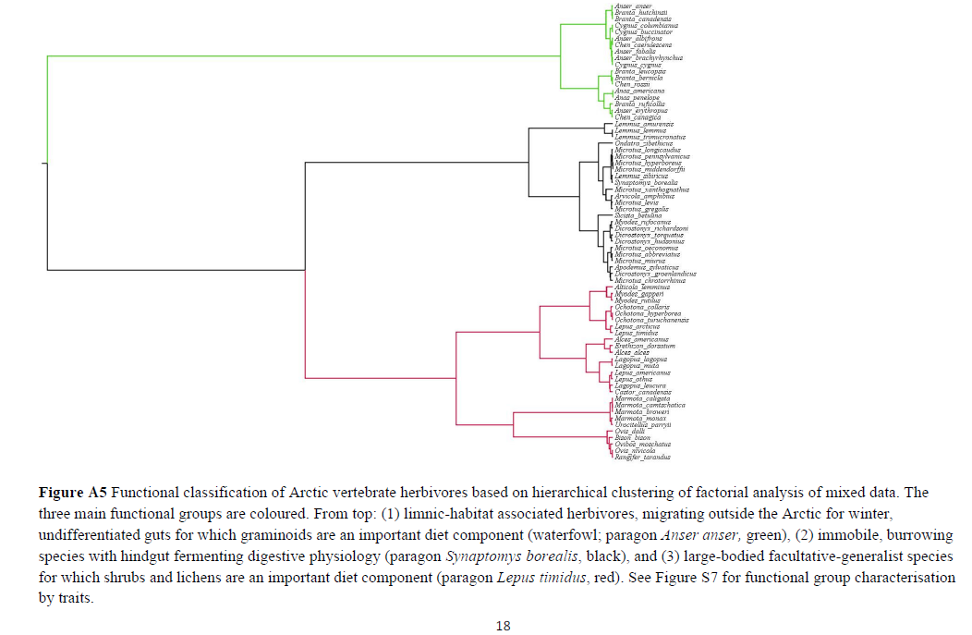
defoliating_invertebrates | defoliating_invertebrates | group | invertebrate_herbivores | inv
Dicrostonyx_groenlandicus | Dicrostonyx_groenlandicus | species | small_herbivores | F2
Dicrostonyx_rubicatus | Dicrostonyx_rubicatus | species | small_herbivores | F2
Dicrostonyx_spp | Dicrostonyx_spp | species | small_herbivores | F2
Dicrostonyx_torquatus | Dicrostonyx_torquatus | species | small_herbivores | F2
Dicrostonyx_torquatus_groenlandicus | Dicrostonyx_torquatus_groenlandicus | species | small_herbivores | F2
Epirrita autumnata | Epirrita_autumnata | species | invertebrate_herbivores | inv
Epirrita_autumnata | Epirrita_autumnata | species | invertebrate_herbivores | inv
eriophyid_mite | eriophyid_mites | group | invertebrate_herbivores | inv
eriophyid_mites | eriophyid_mites | group | invertebrate_herbivores | inv
Eupontania_aquilonis | Euura_aquilonis | species | invertebrate_herbivores | inv
Eupontania_arctica | Euura_arctica | species | invertebrate_herbivores | inv
galling_invertebrates | galling_invertebrates | group | invertebrate_herbivores | inv
geese | geese | group | medium_herbivores | F1
goose | geese | group | medium_herbivores | F1
grey_sided_vole | Myodes_rufocanus | species | small_herbivores | F2
insect_herbivores | invertebrate_herbivores | group | invertebrate_herbivores | inv
invertebrate_herbivores | invertebrate_herbivores | group | invertebrate_herbivores | inv
invertebrates | invertebrate_herbivores | group | invertebrate_herbivores | inv
Lagopus_lagopus | Lagopus_lagopus | species | medium_herbivores | F3
Lagopus_muta | Lagopus_muta | species | medium_herbivores | F3
Lagopus_mutus | Lagopus_muta | species | medium_herbivores | F3
Lagopus_mutus_hyperboreus | Lagopus_muta_hyperborea | species | medium_herbivores | F3
Lagopus_spp | Lagopus_spp | species | medium_herbivores | F3
large_herbivores | large_herbivores | group | large_herbivores | F3
lemming | lemmings | group | small_herbivores | F2
lemmings | lemmings | group | small_herbivores | F2
Lemmus_lemmus | Lemmus_lemmus | species | small_herbivores | F2
Lemmus_sibiricus | Lemmus_sibiricus | species | small_herbivores | F2
Lemmus_spp | Lemmus_spp | species | small_herbivores | F2
Lemmus_trimucronatus | Lemmus_trimucronatus | species | small_herbivores | F2
Lepus_americanus | Lepus_americanus | species | medium_herbivores | F3
Lepus_arcticus | Lepus_arcticus | species | medium_herbivores | F3
Lepus_timidus | Lepus_timidus | species | medium_herbivores | F3
microtine_rodents | microtine_rodents | group | small_herbivores | F2
Microtus_agrestis | Microtus_agrestis | species | small_herbivores | F2
Microtus_gregalis | Microtus_gregalis | species | small_herbivores | F2
Microtus_middendorffi | Microtus_middendorffi | species | small_herbivores | F2
Microtus_miurus | Microtus_miurus | species | small_herbivores | F2
Microtus_oeconomus | Microtus_oeconomus | species | small_herbivores | F2
Microtus_spp | Microtus_spp | species | small_herbivores | F2
mining_invertebrates | mining_invertebrates | group | invertebrate_herbivores | inv
Myodes_rufocanus | Myodes_rufocanus | species | small_herbivores | F2
Myodes_rutilus | Myodes_rutilus | species | small_herbivores | F3 | *Myodes rutilus is grouped in F3, separate from other small mammals (incl. for example Myodes rufocanus, which is F2)
Myodes_spp | Myodes_spp | species | small_herbivores | F2
Operophtera_brumata | Operophtera_brumata | species | invertebrate_herbivores | inv
Ovibos_moschatus | Ovibos_moschatus | species | large_herbivores | F3
Ovis aries | Ovis_aries | species | large_herbivores | F3
Ovis_aries | Ovis_aries | species | large_herbivores | F3
Pontania_nivalis | Pontania_nivalis | species | invertebrate_herbivores | inv
Rangifer_tarandus | Rangifer_tarandus | species | large_herbivores | F3
Rangifer_tarandus_groenlandicus | Rangifer_tarandus_groenlandicus | species | large_herbivores | F3
Rangifer_tarandus_platyrhynchus | Rangifer_tarandus_platyrhynchus | species | large_herbivores | F3
Rangifer_tarandus_tarandus | Rangifer_tarandus_tarandus | species | large_herbivores | F3
rodents | rodents | group | small_herbivores | F2
small_mammals | small_mammals | group | small_herbivores | F2
Spermophilus_parryii | Urocitellus_parryii | species | medium_herbivores | F3
Urocitellus_parryii | Urocitellus_parryii | species | medium_herbivores | F3
voles | voles | group | small_herbivores | F2
zero | zero | group | zero | zero

outcome_variables
variable.group | new.value | comments.new.value | MA.value | comments.MA.value | direction
herbivory_marks | bud_damage |  | herbivory_marks
 | shoot_damage |  | herbivory_marks
 | browsing_intensity |  | herbivory_marks
 | browsing_frequency |  | herbivory_marks
 | leaf_damage |  | herbivory_marks
 | grazing_preference |  | grazing_preference | *only one article (ID 637); measures the ratio of ungrazed small vs large tillers and takes it as large tillers being grazed less often -- keep it as separate value because we cannot really merge with others
herbivory_rate | intake_rate |  | herbivory_rate
invertebrate_abundance | nr_individuals |  | invertebrate_abundance
 | invertebrate_relative_abundance |  | invertebrate_abundance
invertebrate_properties | weight |  | invertebrate_properties
 | relative_growth_rate |  | invertebrate_properties
invertebrate_diversity | invertebrate_species_richness |  | invertebrate_species_richness
 | invertebrate_diversity |  | invertebrate_diversity
 | invertebrate_evenness |  | invertebrate_evenness
plant_abundance | cover |  | plant_abundance
 | relative_cover |  | plant_abundance
 | aboveground_biomass | *including lichens | plant_abundance
 | aboveground_biomass_woody |  | plant_abundance
 | aboveground_biomass_leaves |  | plant_abundance
 | abundance |  | plant_abundance
 | relative_abundance |  | plant_abundance
 | stem_density | *including shoot density, stem density and tiller density | plant_abundance
 | sward_height |  | plant_abundance
 | occurrence |  | plant_abundance
 | seedling_density | *as a proxy for seed density in the soil seed bank | plant_abundance
 | litter_abundance |  | litter_abundance
 | cover_litter | *litter, standing dead | litter_abundance
 | belowground_biomass |  | plant_abundance_belowground
 | belowground_abundance |  | plant_abundance_belowground | *only one article (ID 310); measure DNA and RNA
plant_community_dynamics | seed_recruitment |  | plant_population_dynamics
 | colonization |  | plant_population_dynamics
 | nr_seedlings |  | plant_population_dynamics | check article -- what does this mean?
 | extinction |  | plant_population_dynamics |  | negative
 | germination |  | plant_population_dynamics
 | survival |  | plant_population_dynamics
 | mortality |  | plant_population_dynamics |  | negative
 | biomass_change |  | plant_abundance_change
 | abundance_change |  | plant_abundance_change
 | cover_change |  | plant_abundance_change
 | community_stability |  | plant_diversity_change | *only one article (ID 2148)
 | species_richness_change |  | plant_diversity_change
 | species_gained |  | plant_diversity_change
 | species_lost |  | plant_diversity_change |  | negative
plant_chemistry | plant_C_content |  | plant_C_content
 | plant_C_content_below |  | plant_C_content
 | C_pool |  | plant_C_content
 | C_pool_below |  | plant_C_content
 | organic_matter_content |  | plant_C_content
 | CN_ratio |  | plant_CN_ratio
 | CN_ratio_below | *for roots and rhizomes | plant_CN_ratio
 | phenolic_content |  | plant_defense
 | volatile_organic_compounds |  | plant_defense
 | catechin_content |  | plant_defense
 | condensed_tannins |  | plant_defense
 | Si_content |  | plant_defense
 | quinic_acid_derivatives_content |  | plant_defense | *only one article (ID 1665)
 | flavonoid_content |  | plant_defense | *only one article (ID 1665)
 | galloylglucose_content |  | plant_defense | *only one article (ID 1665)
 | ellagitannin_content |  | plant_defense | *only one article (ID 1665)
 | hydrolysable_tannin_content |  | plant_defense
 | Si:N_ratio |  | plant_defense | *only one article (ID 5321); lower leaf Si:N ratio indicates higher forage quality; grouped in plant_defense (EMS)
 | Si:P_ratio |  | plant_defense | *only one article (ID 5321); lower leaf Si:P ratio indicates higher forage quality; grouped in plant_defense (EMS)
 | Cl_content |  | plant_minerals | *only one article (ID 2133)
 | Na_content |  | plant_minerals
 | Mg_content |  | plant_minerals
 | K_content |  | plant_minerals
 | Ca_content |  | plant_minerals
 | Cu_content |  | plant_minerals
 | Fe_content |  | plant_minerals
 | Mn_content |  | plant_minerals
 | S_content |  | plant_minerals
 | Zn_content |  | plant_minerals
 | plant_N_content |  | plant_N_content
 | N_content_below |  | plant_N_content
 | N_pool |  | plant_N_content
 | NP_ratio |  | plant_NP_ratio | *only one article (ID 628); N:P ratio as a measure of plant N limitation (higher values indicate stronger N limitation)
 | P_content |  | plant_P_content
 | digestibility |  | plant_quality
 | cellulose |  | plant_quality | *only one article (ID 175); fiber content | negative
 | lignin |  | plant_quality | *only one article (ID 175); fiber content | negative
 | crude_protein |  | plant_quality | *crude protein content is the total amount of protein; measures the N content of the feed
 | acid_detergent_fibre |  | plant_quality | *acid detergent fibre (ADF) is a measure of non-digestible components of forage, including cellulose and lignin
 | TNC_content |  | plant_quality | *total non-structural carbohydrates (TNC) include water soluble carbohydrates (glucose, fructose, sucrose, fructans) and starch.
 | TNC_content_below |  | plant_quality | *total non-structural carbohydrates (TNC) include water soluble carbohydrates (glucose, fructose, sucrose, fructans) and starch.
 | ratio_CP:ADF |  | plant_quality
 | ash_content |  | plant_quality | *high ash content of feeds may dilute the amount of nutrients available to the animal | negative
 | sugar_content |  | plant_quality
 | sugar_content_below |  | plant_quality
 | starch_content |  | plant_quality
 | glucose_and_fructose_content |  | plant_quality
 | sucrose_content |  | plant_quality
 | sucrose_content_below |  | plant_quality
 | glucose_content |  | plant_quality
 | glucose_content_below |  | plant_quality
 | fructose_content |  | plant_quality
 | fructose_content_below |  | plant_quality
 | soluble_sugar_content |  | plant_quality
 | carbohydrate_content |  | plant_quality
 | carbohydrate_content_below |  | plant_quality
 | water_soluble_carbohydrates |  | plant_quality
 | protein-bound_aminoacids_content |  | plant_quality | *only one article (ID 1665)
 | free_aminoacids |  | plant_quality | *only one article (ID 1665)
 | gross_energy |  | plant_quality
 | energy_content |  | plant_quality
plant_physiology | stomatal_conductance |  | plant_physiology | *only one article (ID 257)
 | evotranspiration |  | plant_physiology | *only one article (ID 257)
 | water_use_efficiency |  | plant_physiology | *only one article (ID 257)
 | chlorophyll_fluorescence |  | plant_physiology | *only one article (ID 257)
 | chlorophyll_content |  | plant_physiology | *only one article (ID 257); pigment concentration
 | anthocyanin_content |  | plant_physiology | *only one article (ID 257); pigment concentration
 | acidic_polyphenoloxidase_activity |  | plant_physiology | *oxidative responses of birch after herbivory
 | alkaline_polyphenoloxidase_activity |  | plant_physiology | *oxidative responses of birch after herbivory
 | catalase_activity |  | plant_physiology | *oxidative responses of birch after herbivory
 | peroxidase_activity |  | plant_physiology | *oxidative responses of birch after herbivory
 | polyphenoloxidase/peroxidase_activity |  | plant_physiology | *oxidative responses of birch after herbivory
 | leaf_greenness |  | plant_physiology | *moved from plant_structure
 | leaf_water_ratio |  | plant_physiology | *moved from plant_structure
plant_demography | shoot_new |  | plant_structure_change
 | shoot_death |  | plant_structure_change |  | negative
 | shoot_dieback |  | plant_structure_change |  | negative
 | shoot_growth |  | plant_structure_change
 | shoot_change |  | plant_structure_change
 | height_change |  | plant_structure_change
 | root_growth |  | plant_structure_change
 | leaves_new |  | plant_structure_change
 | leaf_death |  | plant_structure_change |  | negative
 | leaf_change |  | plant_structure_change
 | leaf_growth |  | plant_structure_change
 | ring_width | *measured to assess radial growth | plant_structure_change
 | phenology_index |  | plant_phenology | *only one study (ID 864); keep as a separate category?
plant_diversity | species_frequency | *some studies used average frequency of occurrence of several species as a measure of community diversity | plant_diversity
 | diversity |  | plant_diversity
 | richness_variability |  | plant_diversity_variability | *only one article (ID 152)
 | community_dissimilarity |  | plant_diversity_variability | *only one article (ID 419)
 | evenness |  | plant_evenness
 | dominance |  | plant_evenness
 | species_accumulation_rate |  | plant_species_accumulation_rate | *only one article (ID 152)
 | species_richness |  | plant_species_richness
 | seedling_richness | *as proxy for species richness in the seed bank | plant_species_richness
plant_properties | competition_intensity |  | plant_competition_intensity
 | nr_flowers |  | plant_fitness
 | nr_flowering_shoots |  | plant_fitness
 | nr_inflorescences |  | plant_fitness
 | flowering_frequency |  | plant_fitness
 | flower_density |  | plant_fitness
 | flowering_individuals |  | plant_fitness
 | flower_new |  | plant_fitness
 | flowering_change |  | plant_fitness | Explained in the article as: Reduction in flowering frequency of all flowering species
 | flower_weight |  | plant_fitness
 | nr_seeds |  | plant_fitness
 | moss_layer_moisture | *some studies measured e.g. moisture of moss mat | plant_microclimate
 | moss_layer_temperature | *some studies measured e.g. temperature of moss mat | plant_microclimate
 | age |  | plant_population_structure
 | sex_ratio |  | plant_population_structure
 | distribution_reproductive_tillers |  | plant_population_structure | *only one article (ID 906)
 | leaf_area |  | plant_leaf_size
 | leaf_area_index |  | plant_leaf_size
 | specific_leaf_area |  | plant_leaf_size
 | leaf_length |  | plant_leaf_size
 | leaf_width |  | plant_leaf_size
 | leaf_weight | *for a single leaf | plant_leaf_size
 | specific_leaf_weight |  | plant_leaf_size
 | leaf_biomass | *for the whole plant | plant_leaf_size
 | nr_leaves |  | plant_structure
 | leaf_density |  | plant_structure
 | nr_shoots |  | plant_structure
 | diameter |  | plant_structure
 | total_biomass | *for the whole plant | plant_structure
 | shoot_weight |  | plant_structure
 | shoot_length |  | plant_structure
 | nr_internodes |  | plant_structure
 | nr_buds |  | plant_structure
 | leaf:shoot_ratio |  | plant_structure
 | root:shoot_ratio |  | plant_structure
 | dead_biomass | *for the whole plant, expressed as proportion | plant_structure |  | negative
 | live_biomass | *for the whole plant, expressed as proportion | plant_structure
 | bulb_biomass | *for the whole plant | plant_structure_belowground
 | root_biomass | *for the whole plant | plant_structure_belowground
 | nr_roots |  | plant_structure_belowground
 | rooting_depth |  | plant_structure_belowground
 | rhizome_length |  | plant_structure_belowground
 | height |  | plant_height
 | lichen_depth |  | lichen_depth | *keep these separately -- cannot really pool with anything else
 | moss_depth |  | moss_depth | *keep these separately -- cannot really pool with anything else
 | litter_depth |  | litter_depth | *keep these separately -- cannot really pool with anything else
 | bare_ground_cover | *for non-vegetation classes (bare_ground, rocks) | vegetation_structure
soil_chemical_properties | acetate_content |  | soil_C_labile
 | non-polar_extractives |  | non-polar_extractives | Jeppe: "Polarity correlates to the ability of a compound to be dissolved in water. Hence, the less polarity a compound is, the more likely it is go get sorbed in the soil rather than being dissolved and available in the soil water. The higher polarity-compounds on the other hand, are typically highly bioavailable." Only 2 studies; i don't think we can group it anywhere else
 | pH |  | pH
 | CH4_content |  | redox_conditions
 | soil_free_aminoacids |  | redox_conditions
 | cation_exchange_capacity |  | redox_conditions
 | O2_concentration |  | redox_conditions
 | redox_potential |  | redox_conditions
 | salinity |  | salinity
 | soil_C_change |  | soil_C_change
 | soil_C_labile |  | soil_C_labile
 | organic_matter |  | soil_C_labile
 | soil_C_total |  | soil_C_total
 | soil_C_pool |  | soil_C_total
 | soil_CN_ratio |  | soil_CN_ratio
 | soil_N_labile |  | soil_N_labile
 | soil_N_total |  | soil_N_total
 | soil_P_content |  | soil_P_total
 | total_organic_acids |  | soil_organic_acids | Only 1 study. Jeppe: It has recalcitrant compounds, it cannot go to the labile pool
 | acid-soluble_fraction |  | soil_C_labile
 | acid-insoluble_residue |  | soil_organic_acids | Only 1 study. Jeppe: It has recalcitrant compounds, it cannot go to the labile pool
 | soil_phenolic_content |  | phenolic_content_soils | recalcitrant fraction of the soil. Only 2 studies
soil_processes | soil_respiration |  | soil_respiration
 | N_mineralization |  | N_mineralization
 | N_immobilization |  | N_immobilization
 | N_microbial_uptake |  | N_immobilization | Closely linked to N-immob above. Could at a high level be merged into that
soil_physical_properties | albedo |  | albedo
 | depth_organic_horizon |  | depth_organic_horizon
 | thaw_depth |  | permafrost_depth | Jeppe: What is the hypothesis here? Something like herbivores->snow compaction/less snow insulation+lighter surface/higher albedo during spring and summer->lower annual soil temperature->less annual permafrost thaw/shallower active layer depth/shallower permafrost depth.
 | permafrost_depth |  | permafrost_depth
 | active_layer_depth |  | permafrost_depth
 | bulk_density |  | soil_compaction
 | air_saturation |  | soil_compaction
 | depth |  | soil_depth
 | thickness |  | soil_depth | *original value was described as "top soil layer"
 | soil_moisture |  | soil_moisture
 | soil_temperature |  | soil_temperature
 | water_table_depth |  | water_table_depth
 | saturated_depth | the water table is defined as where 100% of the pore space becomes water-filled, i.e. Saturated | water_table_depth
soil_fauna | microorganism_abundance | *microorganisms other than fungi or bacteria (e.g. microarthropods) | microorganism_abundance
 | microorganism_relative_abundance | *microorganisms other than fungi or bacteria (e.g. microarthropods) | microorganism_abundance
 | microorganism_richness | *microorganisms other than fungi or bacteria (e.g. microarthropods) | microorganism_diversity
 | microorganism_diversity | *microorganisms other than fungi or bacteria (e.g. microarthropods) | microorganism_diversity
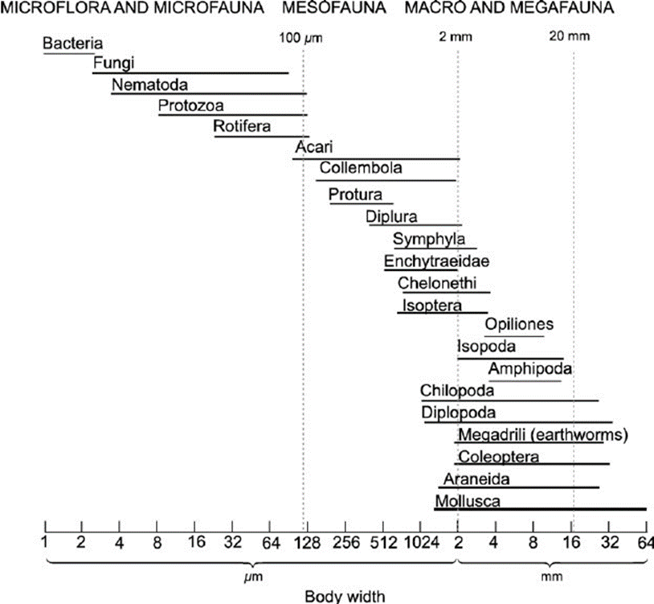
microbial_properties | microbial_C_content |  | microbial_C_content
 | microbial_N_content |  | microbial_N_content
 | microbial_P_content |  | microbial_P_content
microbial_abundance | bacteria_biomass |  | microbial_abundance
 | DNA |  | microbial_abundance
 | RNA |  | microbial_abundance |  |  | This is the traditional way of classiying soil organisms into size classes. So either you just have one category called 'soil fauna', or perhaps 'soil fauna (<20mm)', if you are worried people will get confused, or you split it up into subgroups. I doubt there are enough observations to meanigfully distinguish between meso and macrofauna, so one possibliity could be to subgroup to 'microfauna' (nematodes, protozoa, rotifera) and 'meso- and macrofauna fauna' (100um<x<20mm).
 | phospholipid_fatty_acids |  | microbial_abundance
 | fungi:bacteria_ratio |  | fungi:bacteria_ratio
microbial_processes | alphaglucosidase_activity |  | microbial_C_cycle | A measure of labile C-decomposition my microbes, hence could be merged into a broader cat about microbial influence on the C-cycle, called 'mic_C_cyc' at a high level
 | betacellobiosidase_activity |  | microbial_C_cycle | A measure of labile C-decomposition my microbes, hence could be merged into a broader cat about microbial influence on the C-cycle, called 'mic_C_cyc' at a high level
 | microbial_activity |  | microbial_activity | In the units comments it says "Lag time between the addition of substrate and the start of the exponential increase in the repiration rate as measured as an indicator of microbial activity". Jeppe says: Okay, so this is something else than activity? - otherwise merge with microbial activity, and if microbial activity is estimated as microbial respiration, I think we should call it respiration rather than activity
 | microbial_respiration |  | microbial_C_cycle | Jeppe: Microbial activity/respiration is just a crude measure of how much metabolism is going on, and hence doesn't say much about anything else than just that, If you want to into more detail in terms of linking it to bacterial growth, carbon use efficiency etc etc, then you'd need more information. The only place I can see it can be justififed to put it is perhaps under 'C-cycling', as that if probably the best correlation, but of course other elements are also being released/absorbed.
 | microbial_acquisition |  | microbial_N_cycle | In the study it is said: "percent recovery of 15N-glycine in soils 1 day after soil injection with 15N-glycine"
 | betaglucosidase_activity |  | microbial_C_cycle | A measure of labile C-decomposition my microbes, hence could be merged into a broader cat about microbial influence on the C-cycle, called 'mic_C_cyc' at a high level
 | betaxylosidase_activity |  | microbial_C_cycle | A measure of recalcitrant C-decomposition my microbes, hence could be merged into a broader cat about microbial influence on the C-cycle, called 'mic_C_cyc' at a high level
 | microbial_peroxidase_activity |  | microbial_C_cycle | A measure of recalcitrant C-decomposition my microbes, hence could be merged into a broader cat about microbial influence on the C-cycle, called 'mic_C_cyc' at a high level
 | phenoloxidase_activity |  | microbial_C_cycle | A measure of recalcitrant C-decomposition my microbes, hence could be merged into a broader cat about microbial influence on the C-cycle, called 'mic_C_cyc' at a high level
 | LAP_activity |  | microbial_N_cycle | The full name of LAP is leucine aminopeptidase. It's involved in microbial N-aquisition from relatively simple organic compounds, hence could be merged into a broader cat about microbial influence on the P-cycle, called 'mic_N_cyc' at a high level
 | NAG_activity |  | microbial_N_cycle | The full name of LAP is leucine aminopeptidase. It's involved in microbial N-aquisition from relatively simple organic compounds, hence could be merged into a broader cat about microbial influence on the P-cycle, called 'mic_N_cyc' at a high level
 | nitrogenase_activity |  | microbial_N_cycle | A measure of N-aquisition my microbes, hence could be merged into a broader cat about microbial influence on the P-cycle, called 'mic_N_cyc' at a high level
 | acid_phosphatase_activity |  | microbial_P_cycle | A measure of P-aquisition my microbes, hence could be merged into a broader cat about microbial influence on the P-cycle, called 'mic_P_cyc' at a high level
 | phosphatase_activity |  | microbial_P_cycle | A measure of P-aquisition my microbes, hence could be merged into a broader cat about microbial influence on the P-cycle, called 'mic_P_cyc' at a high level
 | phosphodiesterase_activity |  | microbial_P_cycle | A measure of P-aquisition my microbes, hence could be merged into a broader cat about microbial influence on the P-cycle, called 'mic_P_cyc' at a high level
ecosystem_processes | N_fixing |  | acetylene_reduction | *acetylene reduction is included under microbial processes too? (but then it is grouped in microbial N cycle)
 | C_turnover |  | C_turnover
 | CH4_flux |  | CH4_flux
 | acetylene_reduction |  | acetylene_reduction
 | decomposition |  | C_turnover | *JAK: of course one could argue that it isn't just about C, but also all the other elements, but that is a constant discussion in soil science that doesn't really have an answer. So you just put it under C-turnover and note that you did that.
 | ecosystem_respiration |  | ecosystem_respiration
 | CO2_flux |  | ecosystem_respiration
 | gross_ecosystem_exchange | Gross Ecosystem Exchange (GEE) refers to the total exchange of carbon dioxide (CO2) between an ecosystem and the atmosphere, including both carbon uptake through photosynthesis and carbon release through respiration. On the other hand, Gross Ecosystem Production (GEP) refers specifically to the amount of carbon that is fixed by an ecosystem through photosynthesis. It does not include the carbon that is released through ecosystem respiration. | gross_ecosystem_exchange
 | net_primary_production |  | plant_productivity
 | net_aboveground_primary_productivity |  | plant_productivity
 | biomass_production |  | plant_productivity
 | NDVI |  | plant_productivity
 | productivity |  | plant_productivity
 | gross_primary_production | Gross Primary Production (GPP): amount of energy that plants can trap from the sun is referred to as gross primary production (GPP). An indirect way of measuring this is to measure the mass of carbon that a plant takes in during photosynthesis. Plant also respire, so they will be giving out CO2 as well as taking it in. | gross_primary_productivity
 | net_ecosystem_production |  | net_ecosystem_production | *JAK: NEP = GPP- total ecosystem respiration, so net_ecosystem_production and gross_primary_productivity cannot be merged
 | gross_ecosystem_photosynthesis | Gross ecosystem photosynthesis refers to the total amount of carbon dioxide (CO2) that is fixed through photosynthesis by all the plants in an ecosystem. It is a measure of the ecosystem's primary productivity. On the other hand, gross ecosystem production is the total amount of organic matter, or biomass, that is produced by all the plants in an ecosystem through photosynthesis, minus the amount of organic matter that is used up during respiration by the plants and other organisms in the ecosystem. In other words, it represents the net gain in organic matter in the ecosystem. | gross_primary_productivity
 | photosynthetic_efficiency |  | gross_primary_productivity
 | net_photosynthetic_capacity |  | gross_primary_productivity
 | net_ecosystem_exchange |  | net_ecosystem_exchange
fungal_diversity | hyphal_load |  | fungal_abundance
 | root_fungal_colonization |  | fungal_abundance
 | spores_presence |  | fungal_abundance
 | occurrence_of _dark_septate_endophytes |  | fungal_abundance
 | fungal_biomass |  | fungal_abundance
 | morphotype_simpson_index |  | fungal_diversity
 | morphotype_richness |  | fungal_diversity
disease | disease_frequency |  | disease

