Stories
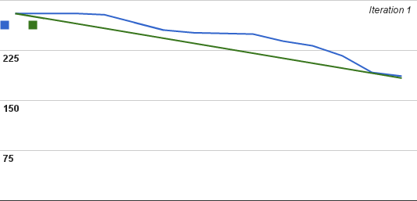
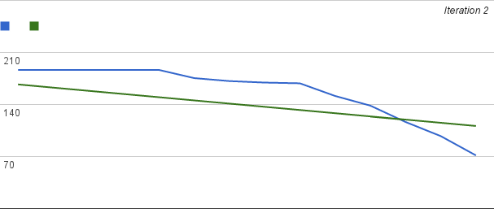
 | Story | Total Points | Total Hours | Hours Spent | Finished

Iteration 1 | House Set Up | 16 | 57 |  | 1 |  | Velocity | 18
 | Entering Location | 4 | 12
 | Efficiency | 4 | 13
 | Custom Tariffs | 1 | 3 |  | 1
Stories Done | Hours of Sunlight | 2 | 8
 | Old Panels | 1 | 4 |  | 1

Iteration 2 | List of Options | 4 | 10 |  | 1 |  | Velocity
 | Power Generation | 4 | 20 |  | 1
 | Yearly Profit | 2 | 8 |  | 1
 | Time Till Profit Break Even | 2 | 8 |  |  | Previous Stories Finished
 | Existing Profit | 2 | 8 |  | 1 | 3
 | Create Scenario | 4 | 11 |  | 1
Stories Done | Edit Scenario | 1 | 5 |  | 1
 | Delete Scenario | 1 | 2 |  | 1

Iteration 3 | Power Break Even Analysis | 4 | 13
 | Maximum Cost | 2 | 3
 | Email Results | 4 | 10
Stories Done | Save Entry | 2 | 4
 | Chart for Displaying Results | 8 | 18

Iteration 4 | Logo/App Image | 4 | 16
 | Different Tariffs | 2 | 6
 | Save Tariffs | 2 | 6
 | Automatic Locator | 2 | 6.5
Stories Done | Multiple Houses | 2 | 7
 | Help Tips and Buttons | 2 | 22

