Reddit Log
Organic Reddit Plan
 |  |  |  | C:\Users\james\Desktop\slayer-cpa\market-research\reddit-posts\template.md
 | 1 | Always user slayer-cpa NOT Sidemarx
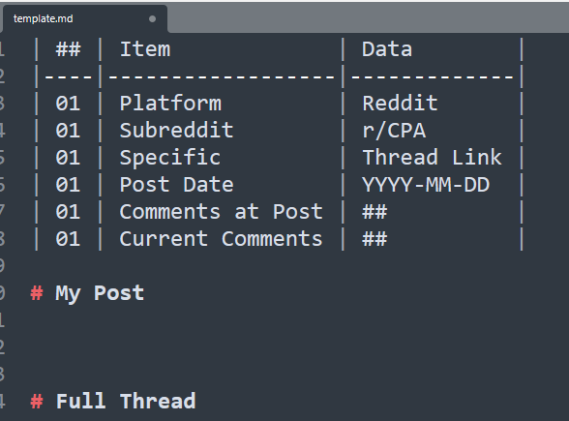
 | 2 | Target 3 Solid Answers a day on: | http://reddit.com/r/CPA

 | 3 | Save write-ups - possible future tracking on what clicked and drove traffic

 | 4 | Look for structural persistent questions

 | 5 | Try to gauge / poll study styles (memorize, conceptual, only MCQ, etc)

 | 2026-03-26
 |  | 1
 |  | 2
 |  | 3

 | 2026-03-27

 | 2026-03-28

 | 2026-03-29

 | 2026-03-30

 | 2026-03-31

