mof_matched
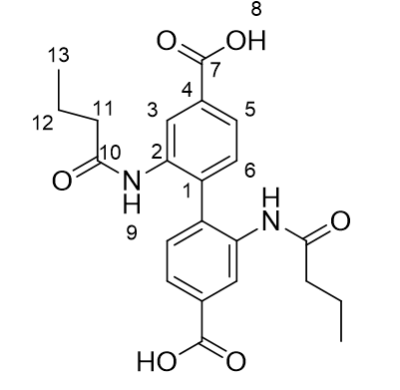
nist_name | csd_identifier | hashkey | doi
Al-BDC | MIL-53 (Al) | NIST-MATDB-cce03d7a2de79334704ac30e9b3ab673 | 10.1039/c6ra12280a
Amino-MIL-53(Al) | NH2-MIL-53(Al) | NIST-MATDB-3589fd4b77aac447a6a6c0f6f7cc67ab | 10.1007/s10450-013-9564-x
Basolite A100 | MIL-53 (Al) | NIST-MATDB-570bebaec3ca0785213d1e435e589c99 | 10.1016/j.micromeso.2011.10.020
Co(Im)1.3(5-ClbIM)0.7 | ZIF-76 | NIST-MATDB-ba50f198f1961235942fa6c4d21f339b | 10.1016/j.micromeso.2011.12.009
Co3(HCOO)6 | ATIBOU01 (change to Co) | NIST-MATDB-98261e1cacd11dbc66fdc2910f2226ce | 10.1002/chem.201101733', '10.1016/j.micromeso.2016.01.030
COMOC-2 | COMOC-2 (V) | NIST-MATDB-a6f101f386dee100047fcaf572ce237c | 10.1021/acs.langmuir.5b00655
Cu(BF4)2(bpy)2 | ELM-11 | NIST-MATDB-ec7a61a3cdcf887e5c56f0d182f1049a | 10.1016/j.micromeso.2012.01.008
Cu-HKUST-1 | CuBTC | NIST-MATDB-3b3e8d3742fee1969162f75b74614acc | 10.1021/acs.jpclett.5b00893
Mg2(dobdc) | Mg-MOF-74 | NIST-MATDB-f4b549a56c1a5caf008c436b7d0aaaea | 10.1016/j.micromeso.2011.09.004', '10.1039/c3sc52633j
Mg3(HCOO)6 | ATIBOU01 (change to Mg) | NIST-MATDB-a6db3698939de3d5652214e0e21c266b | 10.1016/j.micromeso.2016.01.030
MIL-100 | MIL-100(Fe) | NIST-MATDB-979e667be7fe222f20d8bad36617dc66 | 10.1007/s10450-016-9825-6
MIL-100(Cr), activated at 150C | MIL-100(Cr) | NIST-MATDB-1828349e1f83f7d61cc57a976e0cbd28 | 10.1021/acs.jced.9b00770
MIL-100(Cr), activated at 250C | MIL-100(Cr) | NIST-MATDB-e2edb5c894eb1f9c108ec4fd518592aa | 10.1021/acs.jced.9b00770
MIL-101 | Cr-MIL(101) | NIST-MATDB-f55cae58cff61d336d8b65bece21175f | 10.1016/j.jiec.2009.09.043
MIL-53 | NH2-MIL-53(Al) | NIST-MATDB-9f02824618e94d86caedc9fb497366ba | 10.1021/Ja900555r
Ni2(dobdc) | MOF-74-Ni | NIST-MATDB-56a7e860822819db08b3fd9fc437f425 | 10.1039/c3sc52633j
Ni3(HCOO)6 | ATIBOU01 | NIST-MATDB-400a54c211461c9c02e23f9d230011d2 | 10.1016/j.cej.2017.06.141', '10.1016/j.micromeso.2016.01.030
NOTT-100a | MOF-505 | NIST-MATDB-3415c26502524b0f564a94e60f82369d | 10.1039/C3ee41166d
NZIF-8 | ZIF-8 | NIST-MATDB-e38b8c1f4edd0b1a02f828d5d8e588e5 | 10.1039/C002088e
UiO-66-(OH)2 | to modify MS RUBTAK | NIST-MATDB-e3b55d6bd4a1052c6a1e17c012aaba1c | 10.1021/acs.iecr.5b04061
UiO-66-(OH)2-NO2 | to modify MS RUBTAK | NIST-MATDB-721e3d3b75333a1264f6f76660fa126d | 10.1021/acs.iecr.5b04061
UiO-66(Zr)-(COOH)2 (303K) | to modify MS RUBTAK | NIST-MATDB-3684f463bca23b3e8fbf68c3a5d4537b | 10.1039/c4ta03992k
UiO-66-NH4 | RUBTAK | NIST-MATDB-6c3a3709f2c13af094e4b07bb0b36329 | 10.1016/j.jcis.2011.09.060
UiO-66-NO2 | to modify MS RUBTAK | NIST-MATDB-fa79ad13534250f0bc3baa41eda9ec6f | 10.1021/acs.iecr.5b04061
UiO-66-NO2-(OH)2 | to modify MS RUBTAK | NIST-MATDB-0fb9cd90a3c285e3e9bd8d5ec4aa1e84 | 10.1021/acs.iecr.5b04061
Zn(BDC)(DABCO)0.5 | UTSA-25A | 10.1002/ejic.201100034 | (C22 H20 N2 O10 Zn2)n,4n(C3 H7 N1 O1),n(H2 O1)
Zn4O(BDC)3 | IRMOF-1 | NIST-MATDB-e6c566b2365fa4837027d00c57215620 | 10.1039/c3sc52633j
ZnAcBPDC | IRMOF-9 modified | NIST-MATDB-6e0014114e24ab8e83b8782e3c9ed523 | 10.1016/j.micromeso.2014.03.022
ZnBuBPDC | IRMOF-9 modified | NIST-MATDB-1ce14eb3e9cae7c5664342ced717c6d0 | 10.1016/j.micromeso.2014.03.022
Zr-BDC-Br | UiO-66 modified | NIST-MATDB-66cd0e9c77a58e11c319979dee06bd0a | 10.1021/acs.iecr.7b03341
Zr-BDC-NH2 | UiO-66 modified | NIST-MATDB-7260126cb90f3346413c0b89538b70a9 | 10.1021/acs.iecr.7b03341
Zr-BDC-NO2 | UiO-66 modified | NIST-MATDB-a5336c251c5fe46b747733c4c3e2d501 | 10.1021/acs.iecr.7b03341
Zr-BPDC | UiO-67 | NIST-MATDB-5a490878dfea56eff9a2015d234842f9 | 10.1021/acs.iecr.7b03341 | https://pureportal.strath.ac.uk/en/datasets/a-transferable-model-for-adsorption-in-mofs-with-unsaturated-meta/

ZnAcBPDC

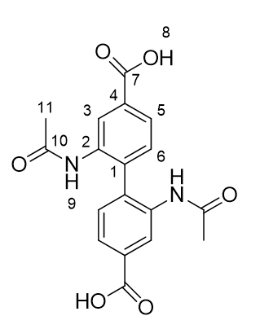
ZnBuBPDC

